Sheet 1 - Frozen Foods List
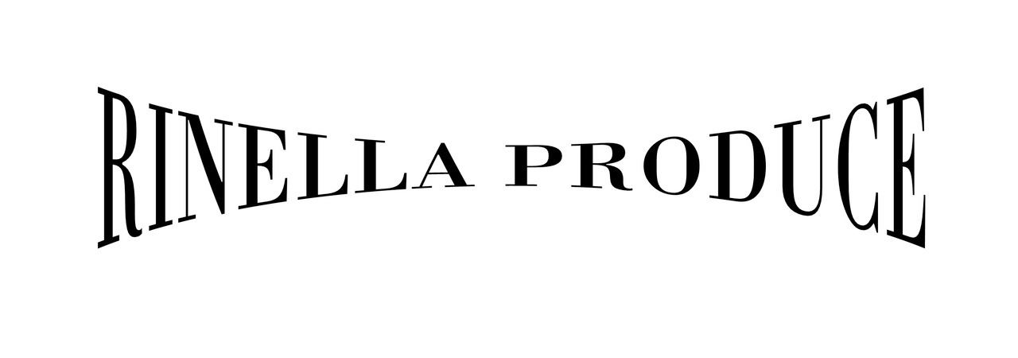
Frozen Foods List
Bacon/Ham
Bacon Applewood 15# | Canadian Bacon Sliced 10#
Bacon 10/12 Daily’s 15# | Ham Sliced 12/5oz.
Bacon 14/16 Daily’s 15# | Ham Spiral 4/8#
Bacon Peppered 15#
Chicken
Chicken Breast 40# | Chicken Strips 10#
Chicken Breast Bone-In 40# | Chicken Thigh 40#
Chicken Breast Fillets IQF 5oz., 20# | Chicken Thigh IQF 30#
Chicken Breast Golden Brown 3/6# | Chicken Tenderloin Fritters 10#
Chicken Leg Quarters 40#
Hash Browns/Tater Tots
Hash Browns 6/3# | Tater Tots 6/5#
Hash Browns IQF 6/3#
Fruit
Blueberries IQF 30# | Strawberries Sliced 6/6.5#
Cranberries 12/2# | Strawberries 30# Tub
Marionberries IQF 30#
Vegetables
Broccoli Normandy 12/2# | Mixed Vegetables 4-Way 20#
Carrots Crinkle Cut 20# | Peas 20#
Carrots Diced 20# | Peas + Carrots 20#
Corn Cut 20# | Spinach Chopped 12/3#
Green Beans Cut 1” 20#
Fries
1/2” Crinkle Cut 6/5# | 5/16” Crinkle Cut 6/5#
1/4” Shoestring 6/5# | Steak Cut 6/5#
3/8” Colossal Crisp 6/5# | Sweet Potato Crisscut 5/3#
3/8" Regular Cut 6/5# | Sweet Potato Platter 5/3#
3/8" Skin-On 6/5#
Miscellaneous
Ground Beef 16/5# | Mushrooms Battered 6/2#
Hamburger Patties 4/1 | Onion Rings 4/2.5#
Mozzarella Sticks 6/2#

