C33730552-Id40.pdf
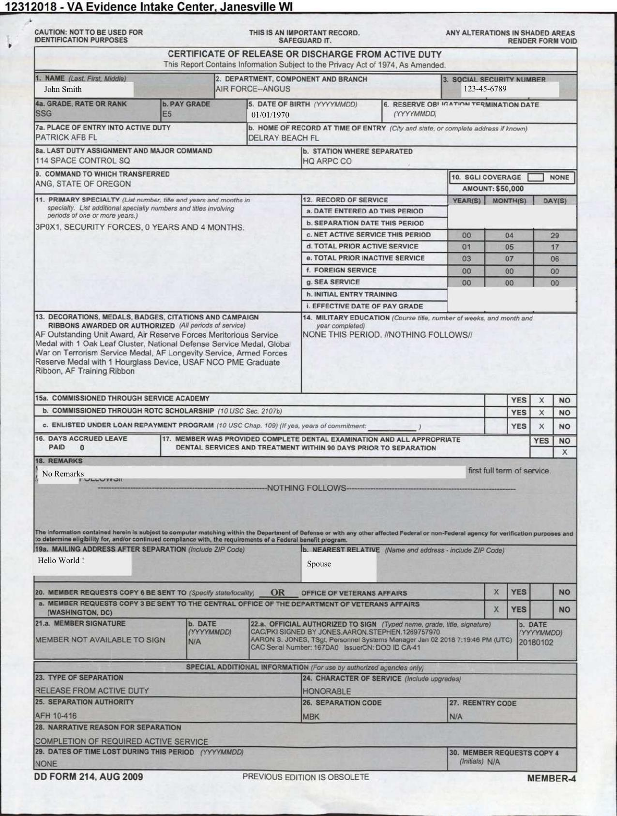
FieldName | FieldType | isMissing | ValuesCount | Confidence | OcrConfidence | ExtractedValue | ExtractedPage | ActualValue | ActualPage | isCorrect
Name | Name | FALSE | 1 | 99.99% | 99.00% | John Smith | 1 | John Smith | 1 | TRUE
Social Security Number | Text | FALSE | 1 | 99.88% | 100.00% | 123-45-6789 | 1 | 123-45-6789 | 1 | TRUE
Date Of Birth | Date | FALSE | 1 | 99.87% | 99.00% | 1970-01-01 | 1 | 1970-01-01 | 1 | TRUE
Grade | Text | FALSE | 1 | 98.64% | 99.00% | SSG | 1 | SSG | 1 | TRUE
PayGrade | Text | TRUE | 0 | 0.00% | 0.00% | [N/A] | [N/A] | E5 | 1 | FALSE
Departmenrt | Text | FALSE | 1 | 75.70% | 88.00% | AIR FORCE--ANGUS | 1 | AIR FORCE--ANGUS | 1 | TRUE
LastDutyAssignment&MajorCmd | Text | FALSE | 1 | 99.75% | 99.00% | 114 SPACE CONTROL SQ | 1 | 114 SPACE CONTROL SQ | 1 | TRUE
Chracter of Service | Text | FALSE | 1 | 99.66% | 99.00% | HONORABLE | 1 | HONORABLE | 1 | TRUE
Place of Entry | Address | FALSE | 1 | 99.69% | 99.00% | PATRICK AFB FL | 1 | PATRICK AFB FL | 1 | TRUE

C33887614-Id490.pdf
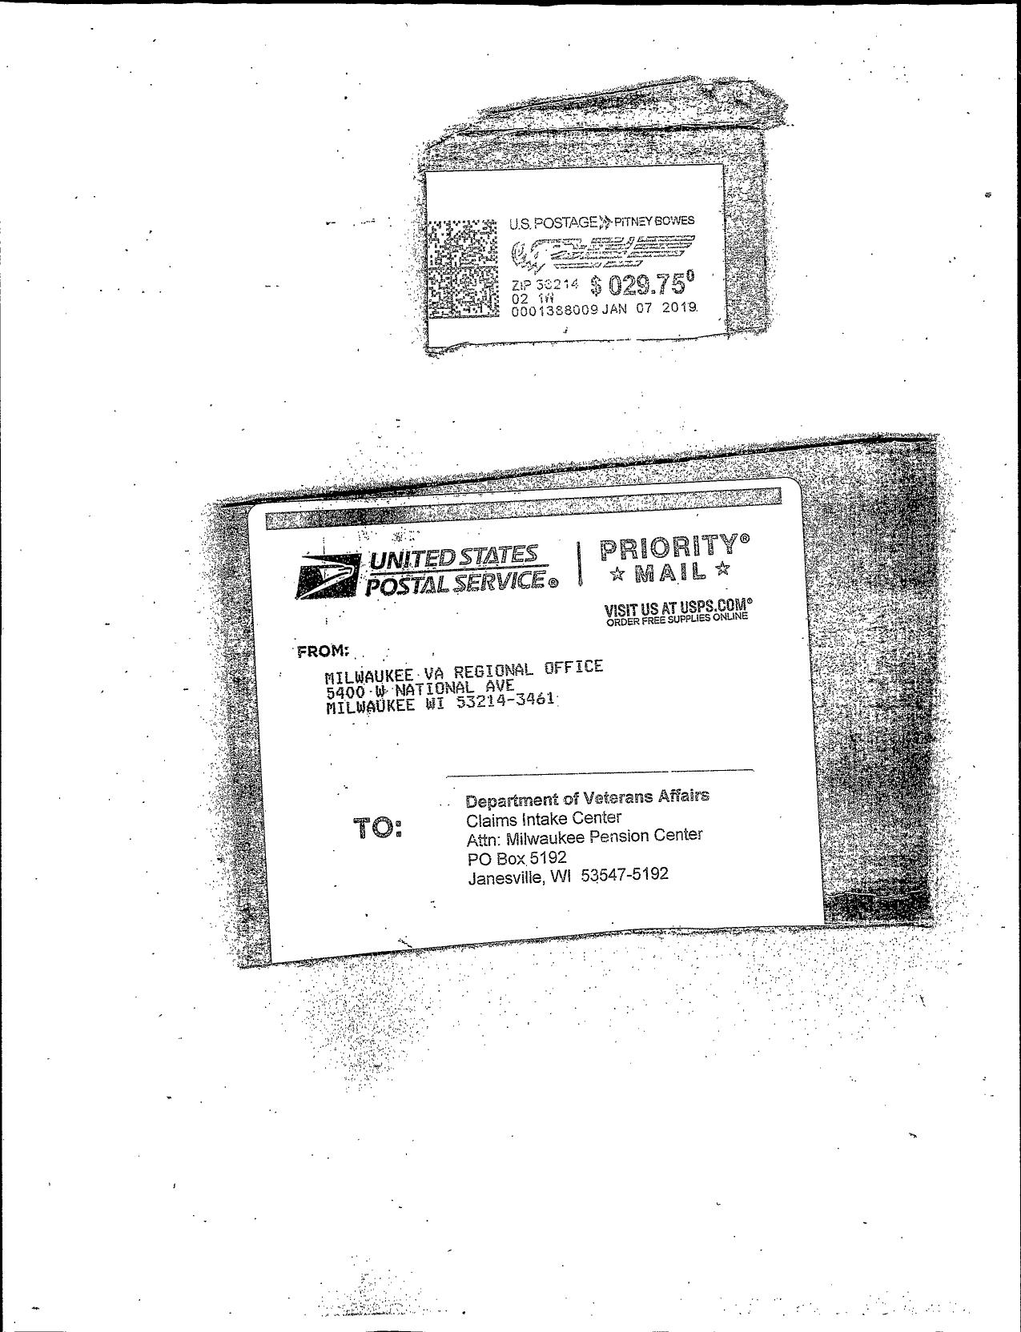
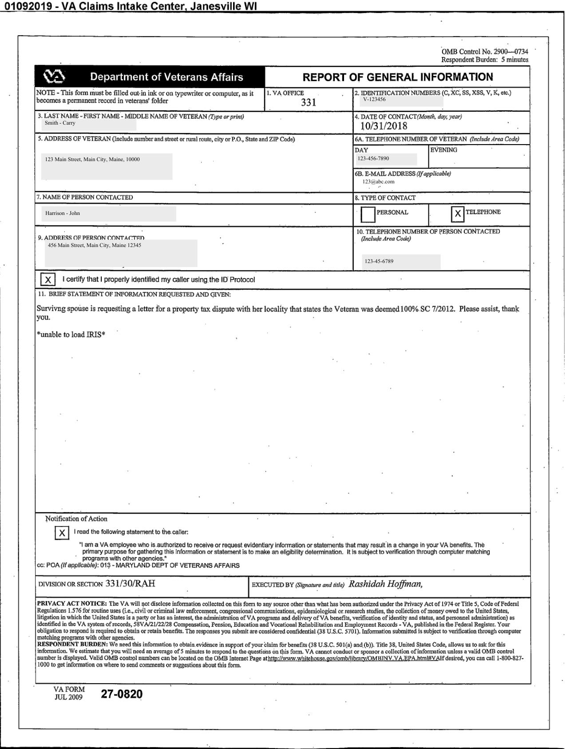
FieldName | FieldType | isMissing | ValuesCount | Confidence | OcrConfidence | ExtractedValue | ExtractedPage | ActualValue | ActualPage | isCorrect
VA Office | Text | FALSE | 1 | 100.00% | 100.00% | 331 | 1 | 331 | 1 | TRUE
Identification Number | Number | FALSE | 1 | 100.00% | 98.00% | V-123456 | 1 | V-123456 | 1 | TRUE
Date Of Contact | Date | FALSE | 1 | 100.00% | 100.00% | 2018-10-31 | 1 | 2018-10-31 | 1 | TRUE
Address Of Veteran | Address | FALSE | 1 | 100.00% | 99.00% | 123 Main Street, Main City, Maine, 10000 | 1 | 123 Main Street, Main City, Maine, 10000 | 1 | TRUE
Name Of Veteran | Name | FALSE | 1 | 100.00% | 99.00% | Smith - Carry | 1 | Smith - Carry | 1 | TRUE
Name Of Person Contacted | Name | TRUE | 0 | 0.00% | 0.00% | [N/A] | [N/A] | Harrison - John | 1 | FALSE
Address Of Person Contacted | Address | FALSE | 3 | 94.37% | 99.00% | Harrison - John ☐ PERSONAL 10. | 1 | 456 Main Street, Main City, Maine 12345 | 1 | FALSE
TypeOfContact-Personal | Boolean | FALSE | 1 | 100.00% | 100.00% | No | 1 | No | 1 | TRUE
TypeOfContact-Telephone | Boolean | FALSE | 1 | 100.00% | 100.00% | Yes | 1 | Yes | 1 | TRUE
Signature | Boolean | TRUE | 0 | 0.00% | 0.00% | [N/A] | [N/A] | Yes | 1 | FALSE

C33887670-Id490.pdf
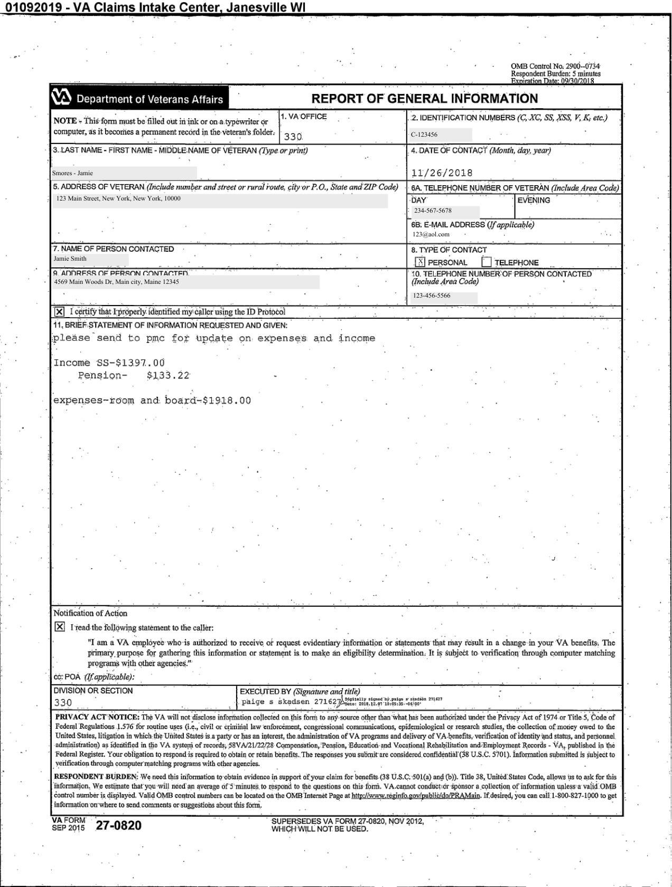
FieldName | FieldType | isMissing | ValuesCount | Confidence | OcrConfidence | ExtractedValue | ExtractedPage | ActualValue | ActualPage | isCorrect
VA Office | Text | TRUE | 0 | 0.00% | 0.00% | [N/A] | [N/A] | 330 | 1 | FALSE
Identification Number | Number | FALSE | 1 | 97.48% | 99.00% | C-123456 | 1 | C-123456 | 1 | TRUE
Date Of Contact | Date | TRUE | 0 | 0.00% | 0.00% | [N/A] | [N/A] | 2018-11-26 | 1 | FALSE
Address Of Veteran | Address | FALSE | 1 | 93.24% | 79.00% | 123 Main Street, New York, New York, 10000 7. NAME OF PERSON CONTACTED DAY 234-567-5678 6B E-MAIL 123@aol.com 8. TYPE | 1 | 123 Main Street, New York, New York, 10000 | 1 | FALSE
Name Of Veteran | Name | TRUE | 0 | 0.00% | 0.00% | [N/A] | [N/A] | Jamie Smith | 1 | FALSE
Name Of Person Contacted | Name | TRUE | 0 | 0.00% | 0.00% | [N/A] | [N/A] | Jamie Smith | 1 | FALSE
Address Of Person Contacted | Address | FALSE | 2 | 98.28% | 44.00% | 9 ADDRFSS OF PFRSON CONTACn 4569 Main Woods Dr, Main city, Maine 12345 ☒ PERSONAL ☐ 10. TELEPHONE NUMBER OF (Include Area Code) | 1 | 4569 Main Woods Dr, Main city, Maine 12345 | 1 | FALSE
TypeOfContact-Personal | Boolean | FALSE | 1 | 100.00% | 100.00% | Yes | 1 | Yes | 1 | TRUE
TypeOfContact-Telephone | Boolean | FALSE | 1 | 100.00% | 100.00% | No | 1 | No | 1 | TRUE
Signature | Boolean | TRUE | 0 | 0.00% | 0.00% | [N/A] | [N/A] | Yes | 1 | FALSE

C33908001-Id490.pdf
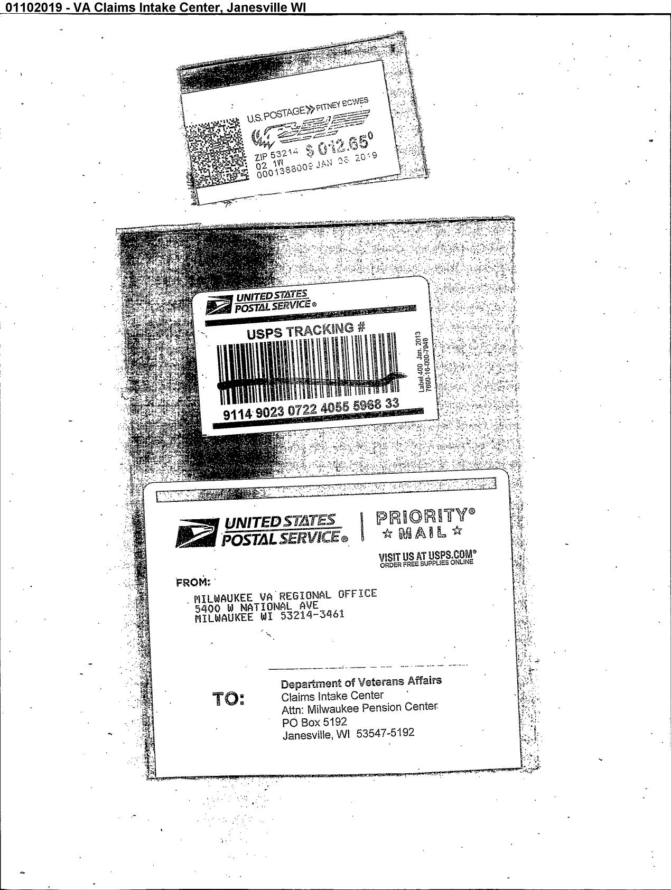

FieldName | FieldType | isMissing | ValuesCount | Confidence | OcrConfidence | ExtractedValue | ExtractedPage | ActualValue | ActualPage | isCorrect
VA Office | Text | FALSE | 1 | 100.00% | 100.00% | 310 | 1 | 310 | 1 | TRUE
Identification Number | Number | FALSE | 1 | 100.00% | 95.00% | VA - 123456 | 1 | VA - 123456 | 1 | TRUE
Date Of Contact | Date | FALSE | 1 | 100.00% | 100.00% | 2019-01-07 | 1 | 2019-01-07 | 1 | TRUE
Address Of Veteran | Address | FALSE | 1 | 100.00% | 99.00% | 4455 Back Woods Dr, BackWoods, New York 10000 | 1 | 4455 Back Woods Dr, BackWoods, New York 10000 | 1 | TRUE
Name Of Veteran | Name | FALSE | 1 | 100.00% | 100.00% | Smith - Feb | 1 | Smith - Feb | 1 | TRUE
Name Of Person Contacted | Name | TRUE | 0 | 0.00% | 0.00% | [N/A] | [N/A] | James Smith | 1 | FALSE
Address Of Person Contacted | Address | FALSE | 3 | 88.82% | 99.00% | James Smith ☒ PERSONAL 10. TELEPHONE | 1 | 123 Front Woods, Front Woods, Virginia 20000 | 1 | FALSE
TypeOfContact-Personal | Boolean | FALSE | 1 | 100.00% | 100.00% | Yes | 1 | Yes | 1 | TRUE
TypeOfContact-Telephone | Boolean | FALSE | 1 | 100.00% | 100.00% | Yes | 1 | Yes | 1 | TRUE
Signature | Boolean | TRUE | 0 | 0.00% | 0.00% | [N/A] | [N/A] | Yes | 1 | FALSE

C33986168-Id40.pdf
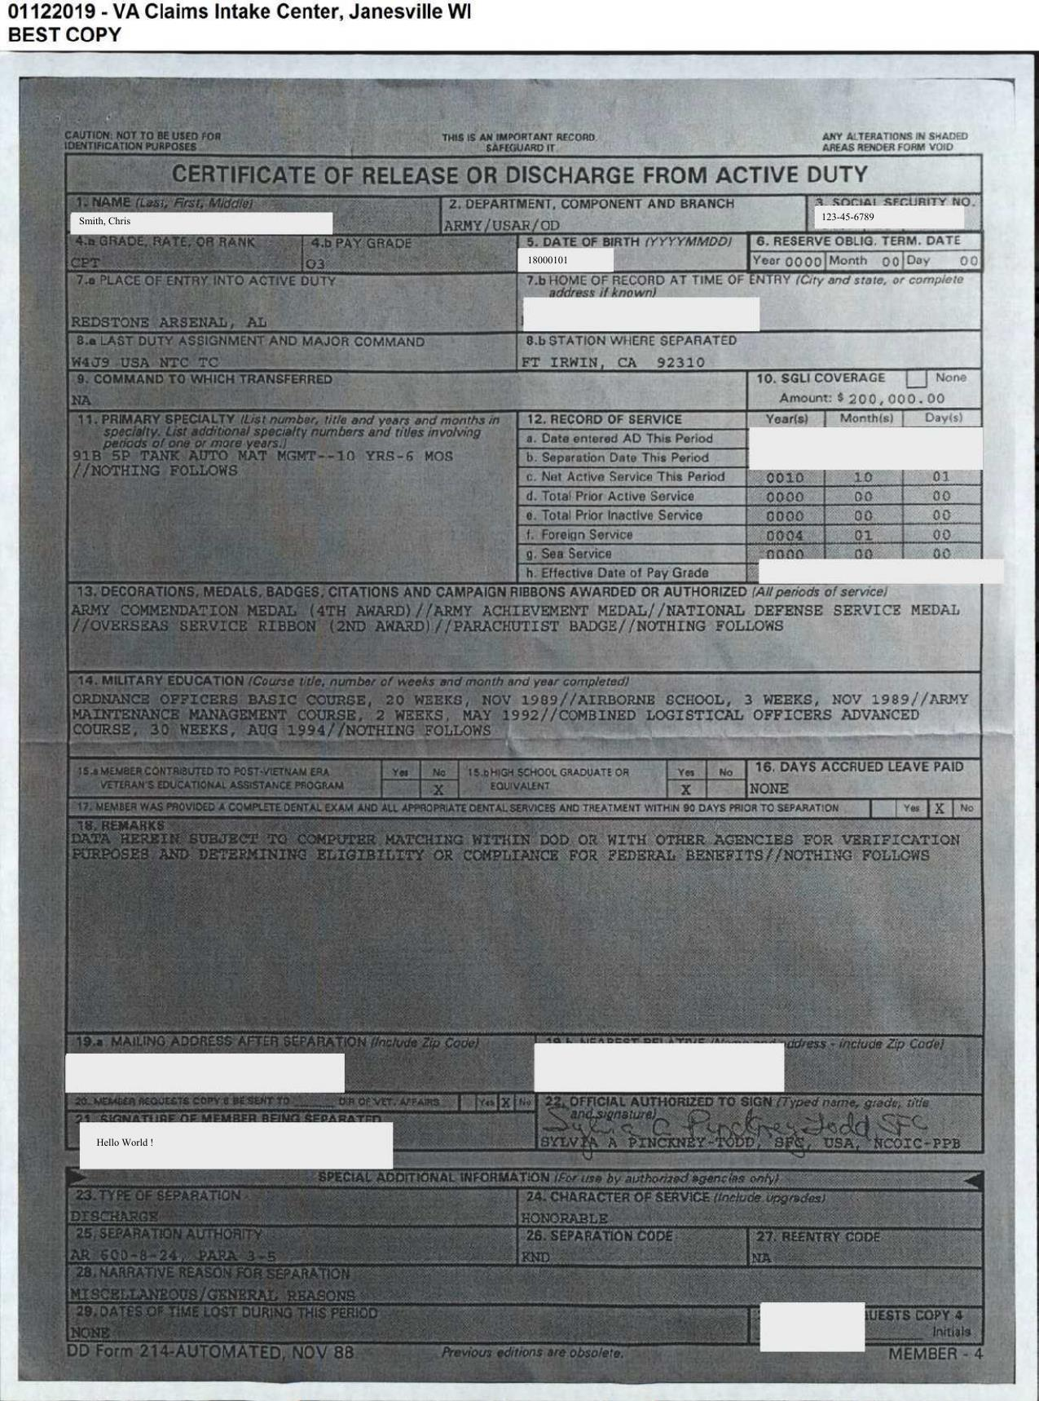
FieldName | FieldType | isMissing | ValuesCount | Confidence | OcrConfidence | ExtractedValue | ExtractedPage | ActualValue | ActualPage | isCorrect
Name | Name | FALSE | 1 | 99.84% | 99.00% | Smith, Chris | 1 | Smith, Chris | 1 | TRUE
Social Security Number | Text | FALSE | 1 | 82.04% | 99.00% | 123-45-6789 | 1 | 123-45-6789 | 1 | TRUE
Date Of Birth | Date | TRUE | 0 | 0.00% | 0.00% | [N/A] | [N/A] | 18000101 | 1 | FALSE
Grade | Text | FALSE | 1 | 98.57% | 98.00% | CPT | 1 | CPT | 1 | TRUE
PayGrade | Text | TRUE | 0 | 0.00% | 0.00% | [N/A] | [N/A] | 3 | 1 | FALSE
Departmenrt | Text | TRUE | 0 | 0.00% | 0.00% | [N/A] | [N/A] | ARMY/USAR/OD | 1 | FALSE
LastDutyAssignment&MajorCmd | Text | FALSE | 1 | 87.00% | 93.00% | ARMY/USAR/OD | 1 | W4J9 USA NTC TC | 1 | FALSE
Chracter of Service | Text | FALSE | 1 | 99.85% | 98.00% | HONORABLE | 1 | HONORABLE | 1 | TRUE
Place of Entry | Address | FALSE | 1 | 99.26% | 76.00% | REDSTONE ARSENAL, AL | 1 | REDSTONE ARSENAL, AL | 1 | TRUE

C34016722-Id40.pdf
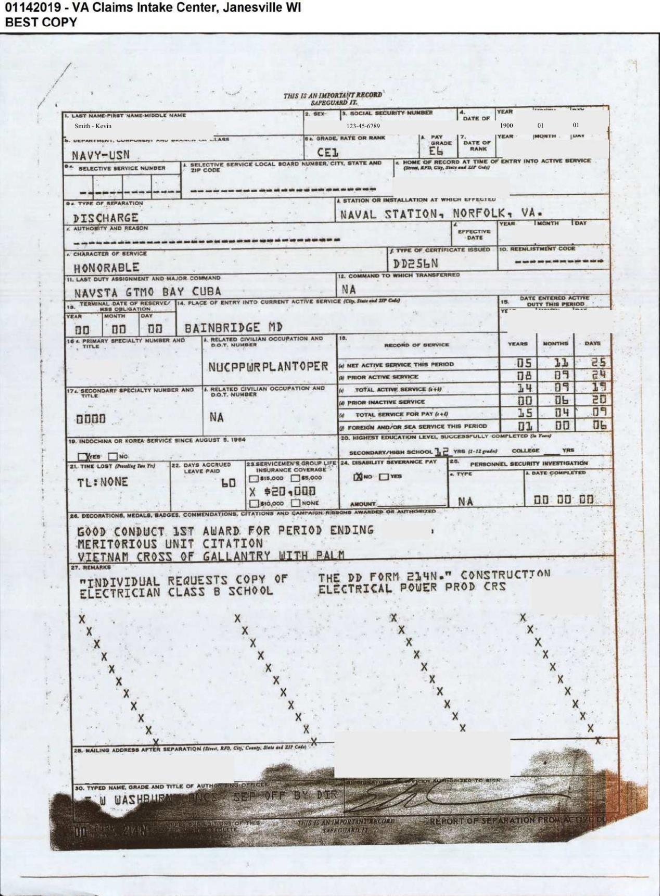
FieldName | FieldType | isMissing | ValuesCount | Confidence | OcrConfidence | ExtractedValue | ExtractedPage | ActualValue | ActualPage | isCorrect
Name | Text | FALSE | 1 | 99.42% | 98.00% | Smith - Kevin | 1 | Smith - Kevin | 1 | TRUE
Social Security Number | Text | FALSE | 1 | 99.30% | 99.00% | 123-45-6789 | 1 | 123-45-6789 | 1 | TRUE
Date Of Birth | Date | TRUE | 0 | 0.00% | 0.00% | [N/A] | [N/A] | 1900 01 01 | 1 | FALSE
Grade | Text | TRUE | 0 | 0.00% | 0.00% | [N/A] | [N/A] | CE1 | 1 | FALSE
PayGrade | Text | TRUE | 0 | 0.00% | 0.00% | [N/A] | [N/A] | E6 | 1 | FALSE
Department | Text | FALSE | 1 | 96.64% | 98.00% | NAVY-USN | 1 | NAVY-USN | 1 | TRUE
LastDutyAssignment&MajorCmd | Text | FALSE | 1 | 90.26% | 87.00% | NAVSTA GTMO BAY CUBA | 1 | NAVSTA GTMO BAY CUBA | 1 | TRUE
Chracter Of Service | Text | FALSE | 1 | 81.18% | 54.00% | RONORABLE | 1 | HONORABLE | 1 | FALSE
Place of Entry | Address | FALSE | 1 | 99.04% | 94.00% | BAINBRIDGE MD | 1 | BAINBRIDGE MD | 1 | TRUE

