C33730552-Id40.pdf
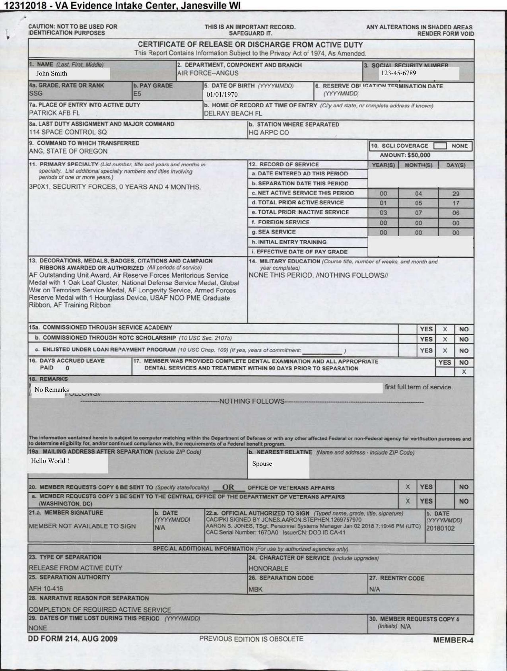
FieldName | ActualValue | ActualPage
Name | John Smith | 1
Social Security Number | 123-45-6789 | 1
Date Of Birth | 1970-01-01 | 1
Grade | SSG | 1
PayGrade | E5 | 1
Departmenrt | AIR FORCE--ANGUS | 1
LastDutyAssignment&MajorCmd | 114 SPACE CONTROL SQ | 1
Chracter of Service | HONORABLE | 1
Place of Entry | PATRICK AFB FL | 1

C33887614-Id490.pdf
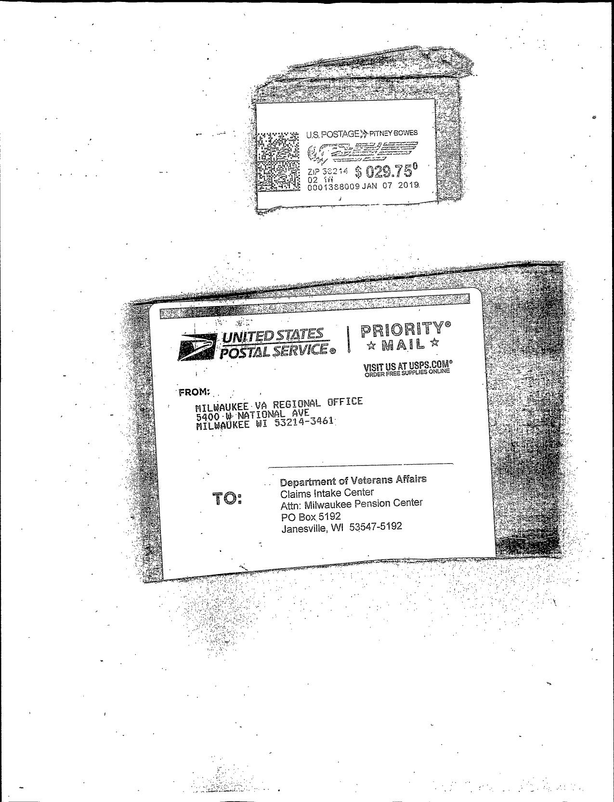
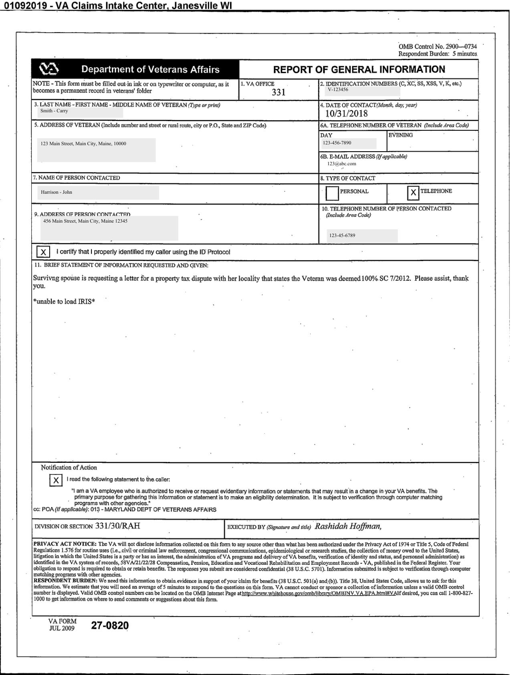
FieldName | ActualValue | ActualPage
VA Office | 331 | 1
Identification Number | V-123456 | 1
Date Of Contact | 2018-10-31 | 1
Address Of Veteran | 123 Main Street, Main City, Maine, 10000 | 1
Name Of Veteran | Smith - Carry | 1
Name Of Person Contacted | Harrison - John | 1
Address Of Person Contacted | 456 Main Street, Main City, Maine 12345 | 1
TypeOfContact-Personal | No | 1
TypeOfContact-Telephone | Yes | 1
Signature | Yes | 1

C33887670-Id490.pdf
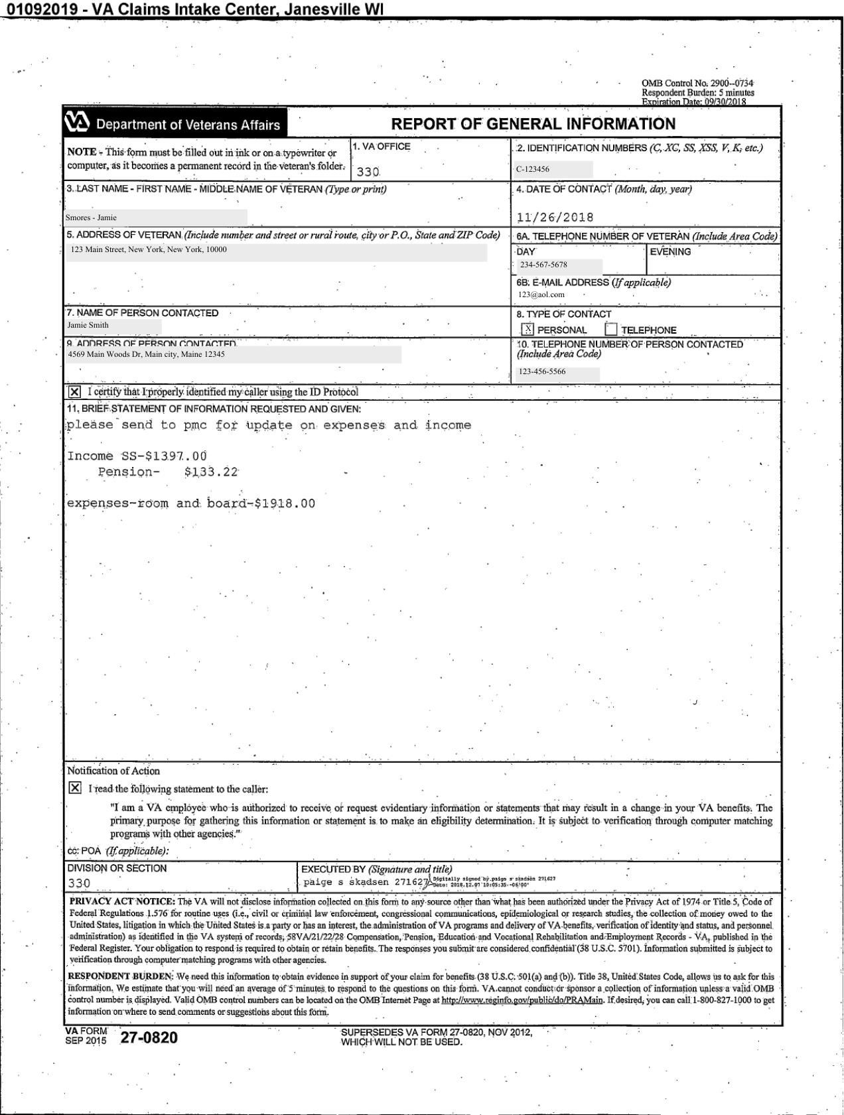
FieldName | ActualValue | ActualPage
VA Office | 330 | 1
Identification Number | C-123456 | 1
Date Of Contact | 2018-11-26 | 1
Address Of Veteran | 123 Main Street, New York, New York, 10000 | 1
Name Of Veteran | Jamie Smith | 1
Name Of Person Contacted | Jamie Smith | 1
Address Of Person Contacted | 4569 Main Woods Dr, Main city, Maine 12345 | 1
TypeOfContact-Personal | Yes | 1
TypeOfContact-Telephone | No | 1
Signature | Yes | 1

C33908001-Id490.pdf
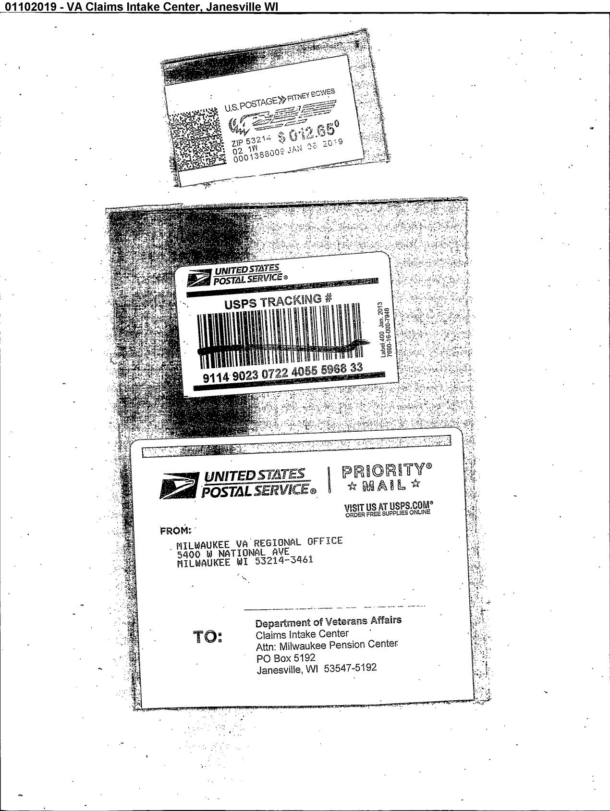

FieldName | ActualValue | ActualPage
VA Office | 310 | 1
Identification Number | VA - 123456 | 1
Date Of Contact | 2019-01-07 | 1
Address Of Veteran | 4455 Back Woods Dr, BackWoods, New York 10000 | 1
Name Of Veteran | Smith - Feb | 1
Name Of Person Contacted | James Smith | 1
Address Of Person Contacted | 123 Front Woods, Front Woods, Virginia 20000 | 1
TypeOfContact-Personal | Yes | 1
TypeOfContact-Telephone | Yes | 1
Signature | Yes | 1

C33986168-Id40.pdf
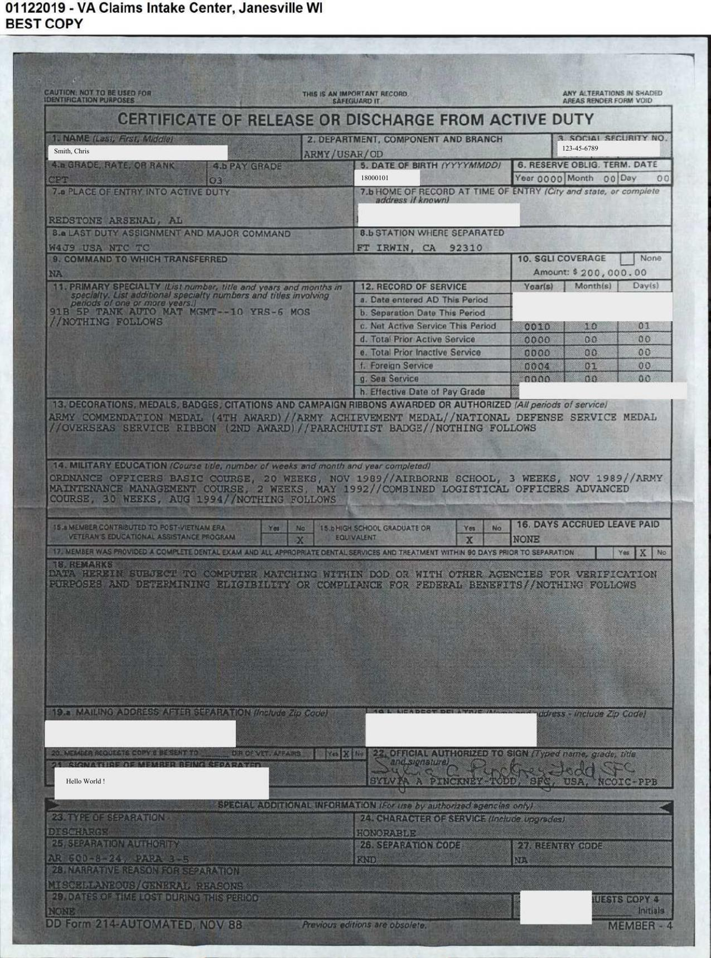
FieldName | ActualValue | ActualPage
Name | Smith, Chris | 1
Social Security Number | 123-45-6789 | 1
Date Of Birth | 18000101 | 1
Grade | CPT | 1
PayGrade | 3 | 1
Departmenrt | ARMY/USAR/OD | 1
LastDutyAssignment&MajorCmd | W4J9 USA NTC TC | 1
Chracter of Service | HONORABLE | 1
Place of Entry | REDSTONE ARSENAL, AL | 1

C34016722-Id40.pdf
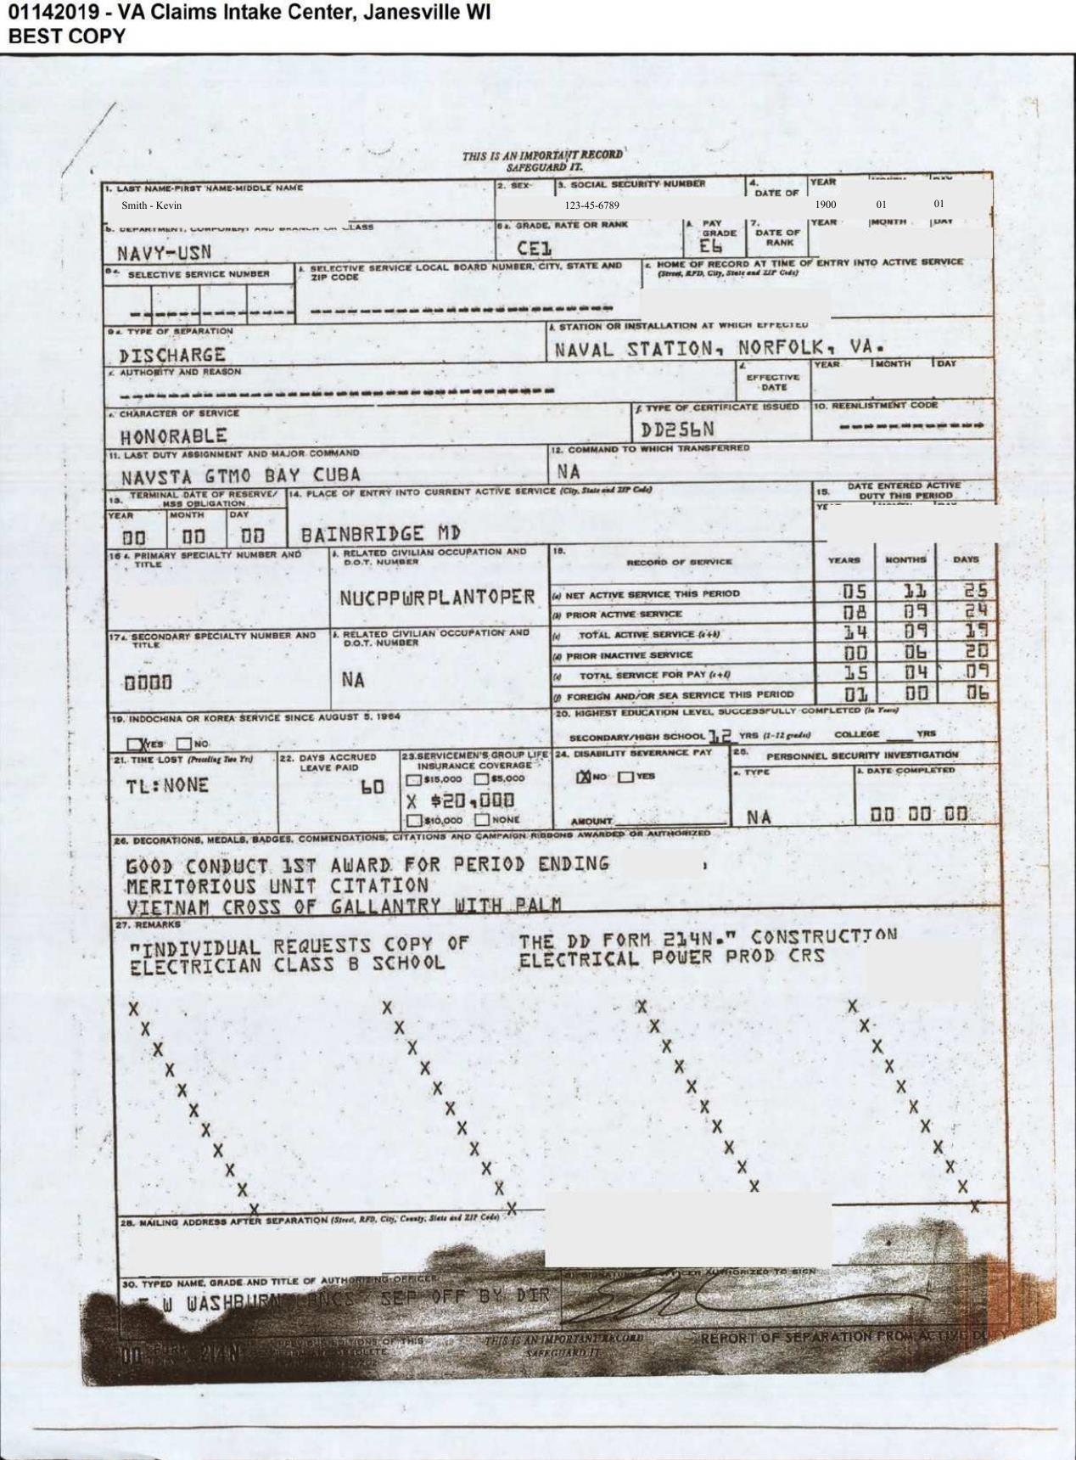
FieldName | ActualValue | ActualPage
Name | Smith - Kevin | 1
Social Security Number | 123-45-6789 | 1
Date Of Birth | 1900 01 01 | 1
Grade | CE1 | 1
PayGrade | E6 | 1
Department | NAVY-USN | 1
LastDutyAssignment&MajorCmd | NAVSTA GTMO BAY CUBA | 1
Chracter Of Service | HONORABLE | 1
Place of Entry | BAINBRIDGE MD | 1

