C33730552-Id40.pdf
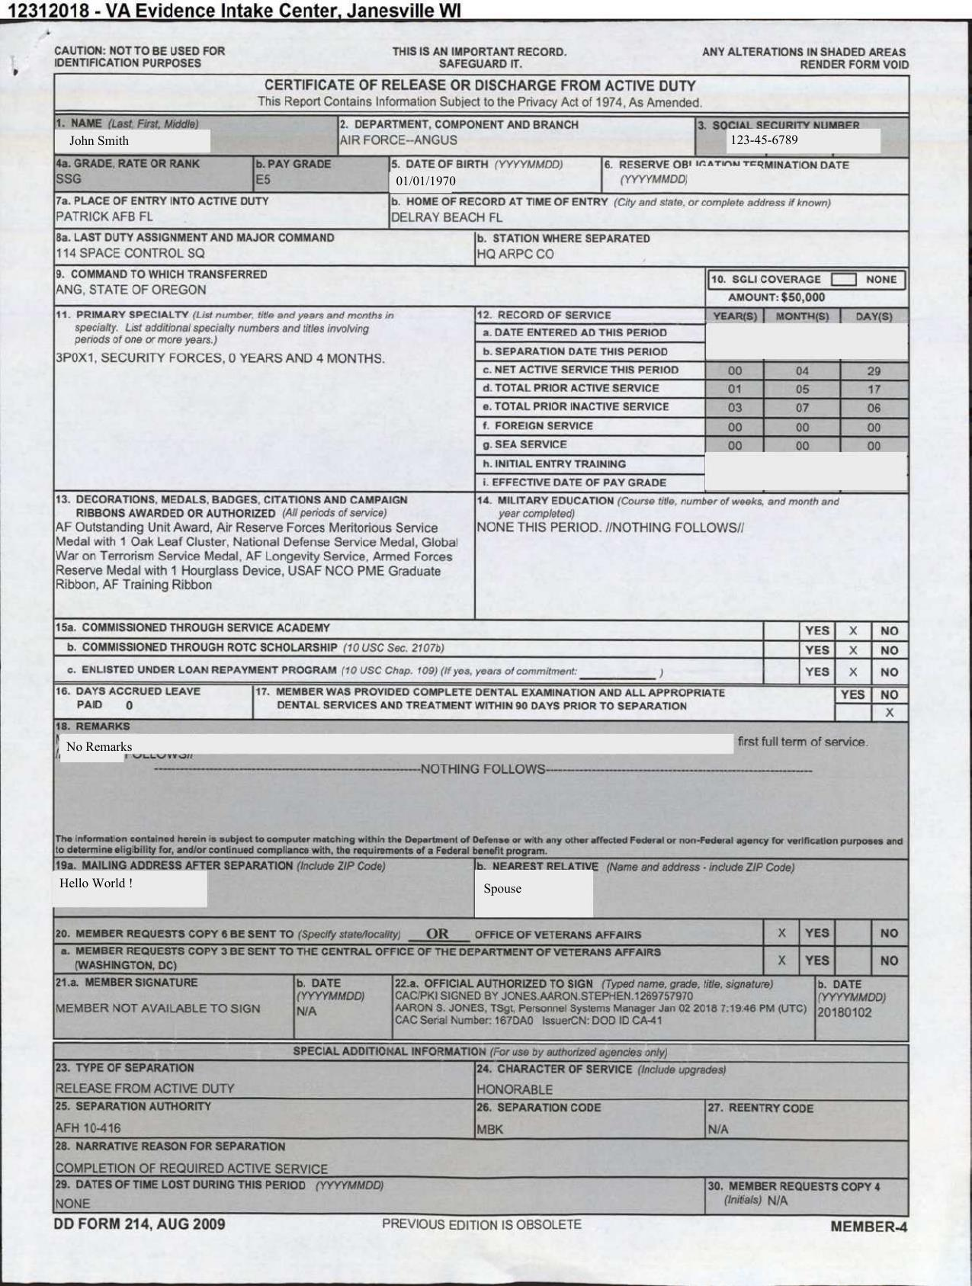
FieldName | FieldType | isMissing | ValuesCount | Confidence | OcrConfidence | ExtractedValue | ExtractedPage | ActualValue | ActualPage | isCorrect
Name | Name | FALSE | 1 | 99.99% | 99.00% | John Smith | 1 |  |  | FALSE
Social Security Number | Text | FALSE | 1 | 99.88% | 100.00% | 123-45-6789 | 1 |  |  | FALSE
Date Of Birth | Date | FALSE | 1 | 99.87% | 99.00% | 1970-01-01 | 1 |  |  | FALSE
Grade | Text | FALSE | 1 | 98.64% | 99.00% | SSG | 1 |  |  | FALSE
PayGrade | Text | TRUE | 0 | 0.00% | 0.00% | [N/A] | [N/A] |  |  | FALSE
Departmenrt | Text | FALSE | 1 | 75.70% | 88.00% | AIR FORCE--ANGUS | 1 |  |  | FALSE
LastDutyAssignment&MajorCmd | Text | FALSE | 1 | 99.75% | 99.00% | 114 SPACE CONTROL SQ | 1 |  |  | FALSE
Chracter of Service | Text | FALSE | 1 | 99.66% | 99.00% | HONORABLE | 1 |  |  | FALSE
Place of Entry | Address | FALSE | 1 | 99.69% | 99.00% | PATRICK AFB FL | 1 |  |  | FALSE

