C33730552-Id40.pdf
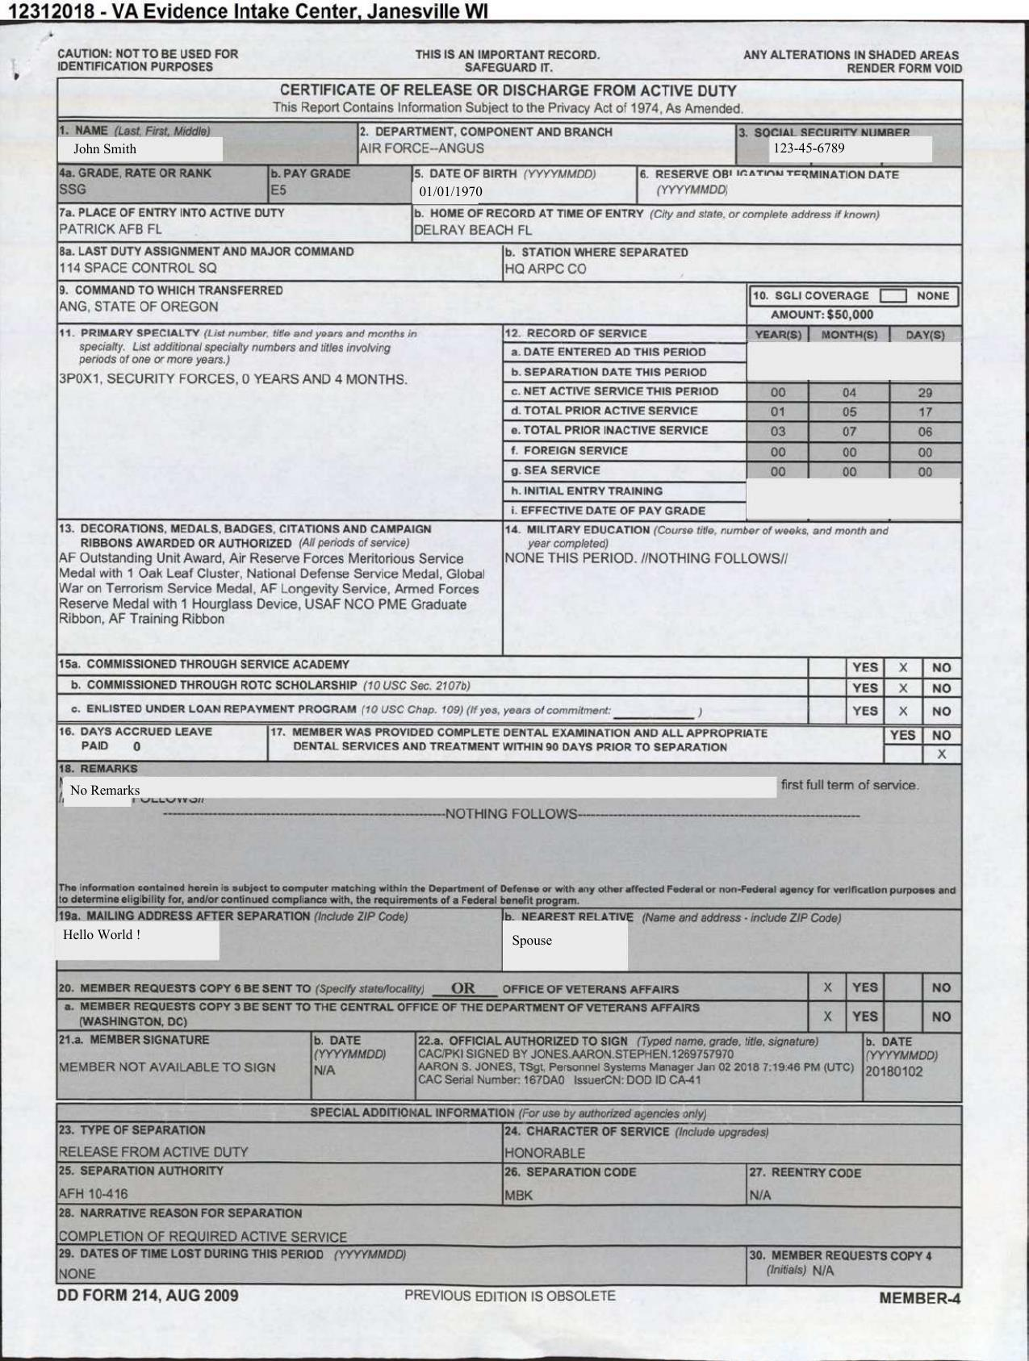
FieldName | ActualValue | ActualPage
Name
Social Security Number
Date Of Birth
Grade
PayGrade
Departmenrt
LastDutyAssignment&MajorCmd
Chracter of Service
Place of Entry

