C33730552-Id40.pdf
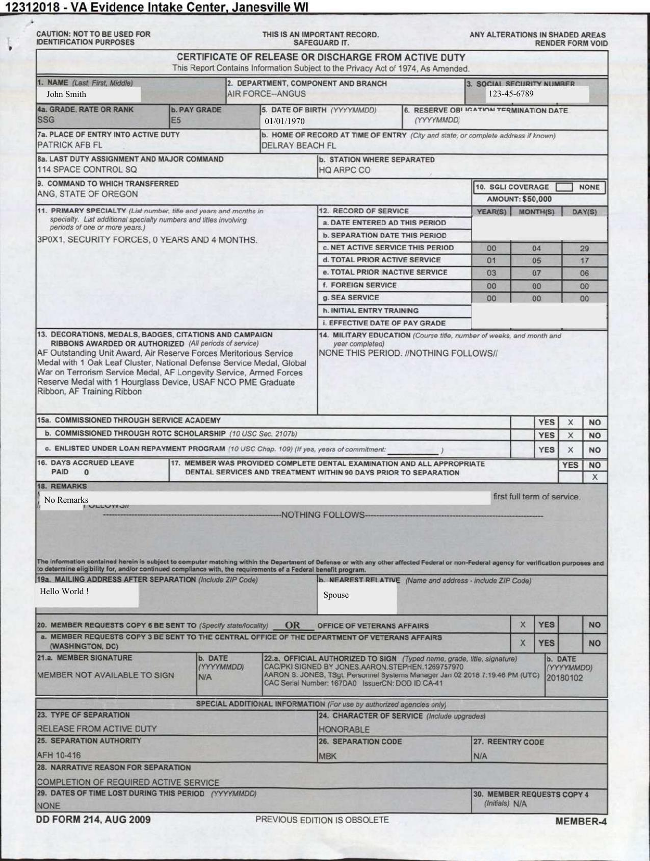
FieldName | ActualValue | ActualPage
Name
Social Security Number
Date Of Birth
Grade
PayGrade
Departmenrt
LastDutyAssignment&MajorCmd
Chracter of Service
Place of Entry

C33887614-Id490.pdf
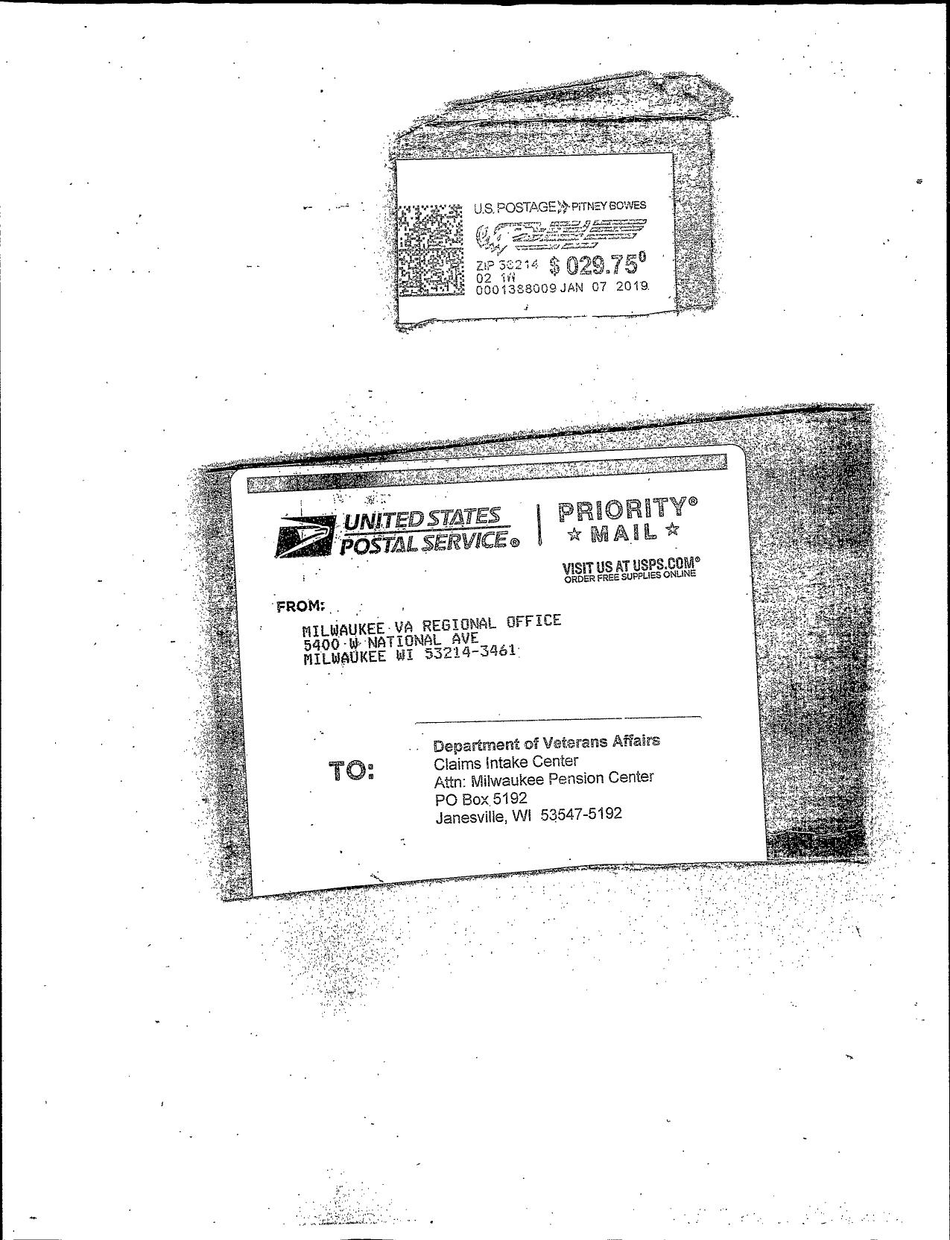
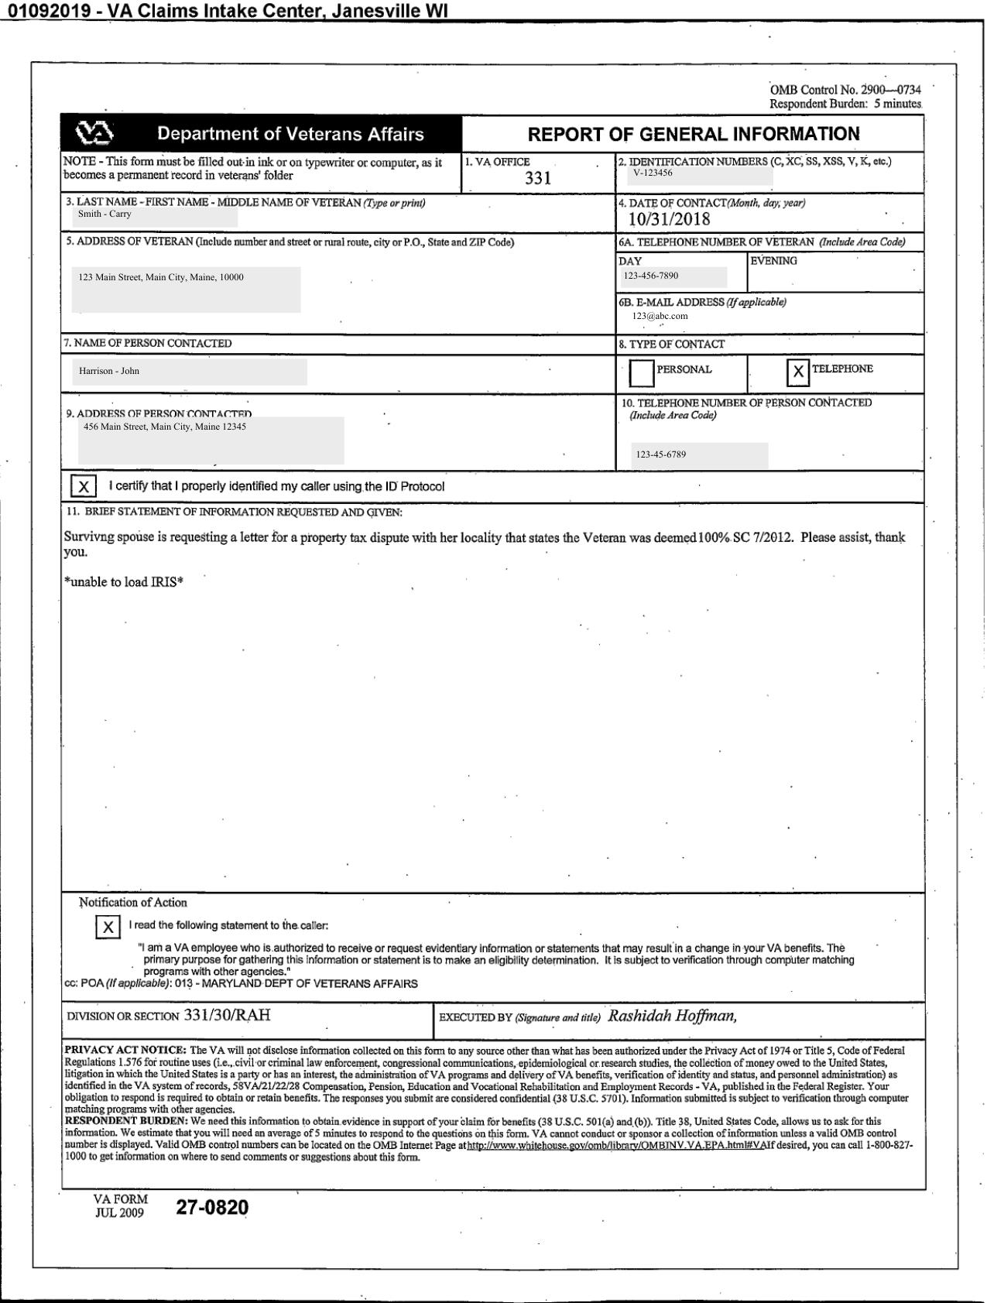
FieldName | ActualValue | ActualPage
VA Office
Identification Number
Date Of Contact
Address Of Veteran
Name Of Veteran
Name Of Person Contacted
Address Of Person Contacted
TypeOfContact-Personal
TypeOfContact-Telephone

C33887670-Id490.pdf
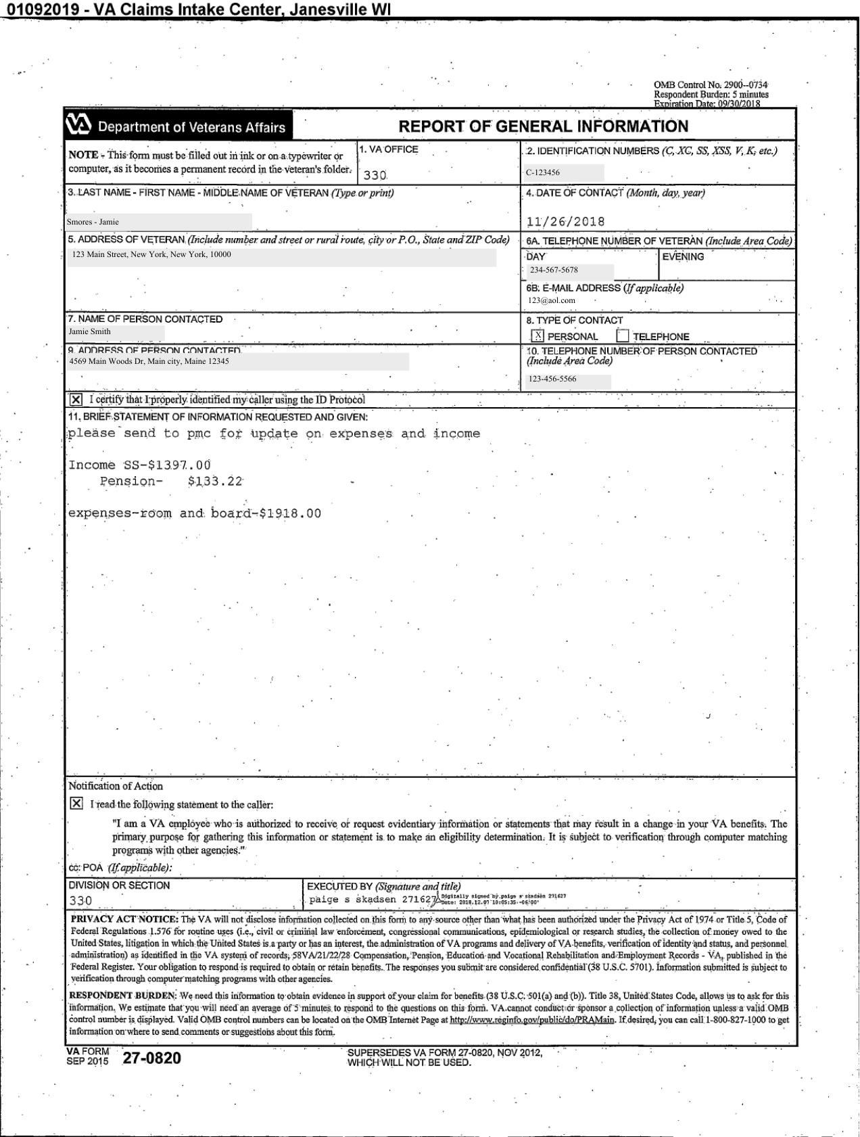
FieldName | ActualValue | ActualPage
VA Office
Identification Number
Date Of Contact
Address Of Veteran
Name Of Veteran
Name Of Person Contacted
Address Of Person Contacted
TypeOfContact-Personal
TypeOfContact-Telephone

