Sheet1
1 | project->build automatically有効

2 | tomcat 設定->publishing->automatically publish when resouce changed
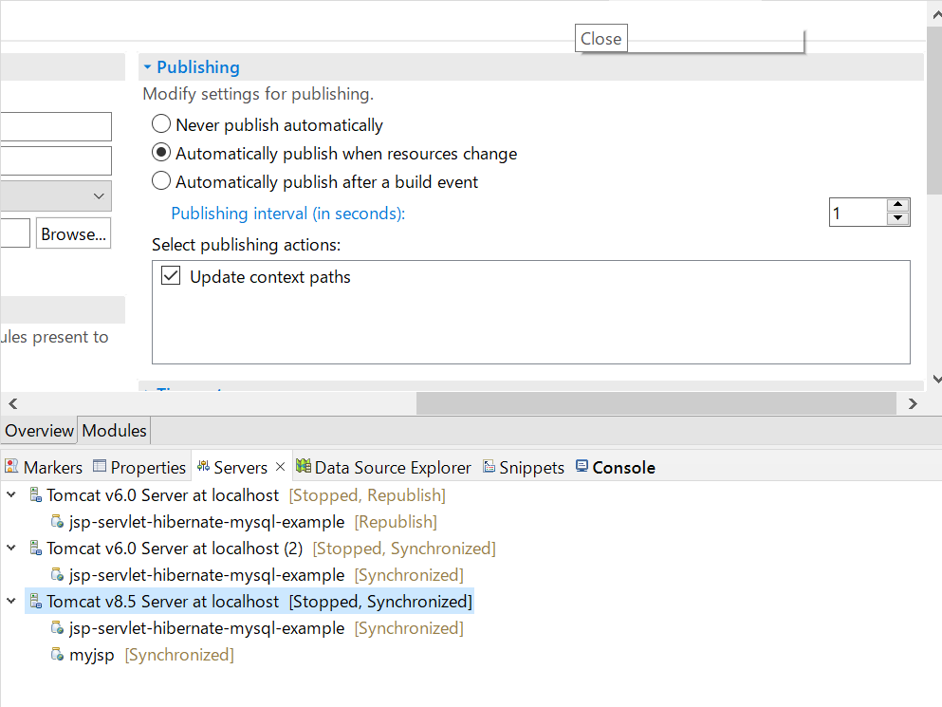

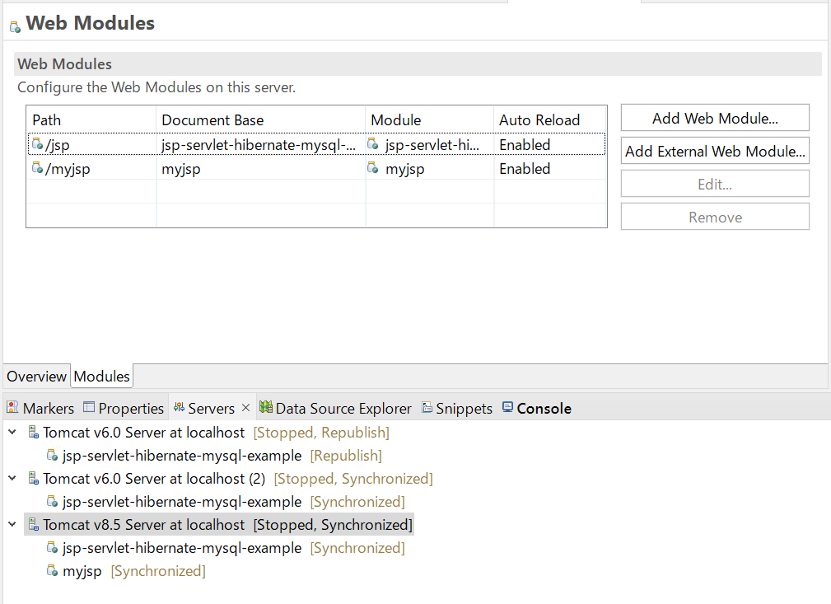

3 | debugでtomcat起動

