eclipse
 | create web-app with eclipse

step1 | eclipse-jee-2021-09-R-win32-x86_64を選ぶ
 | Eclipse IDE for Enterprise Java and Web Developers

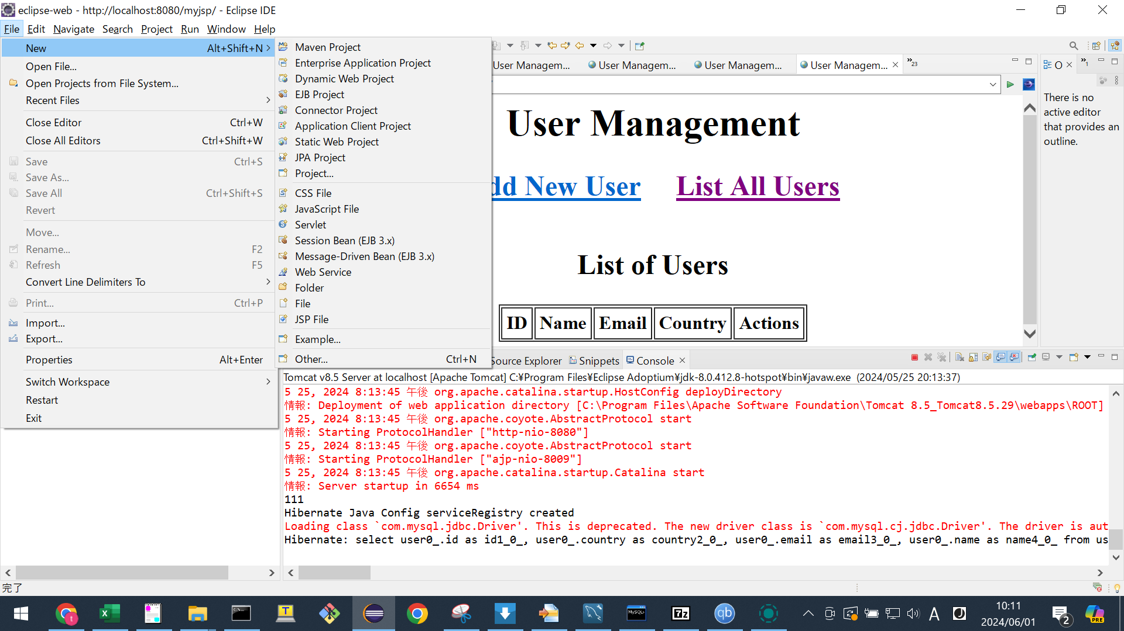
step2

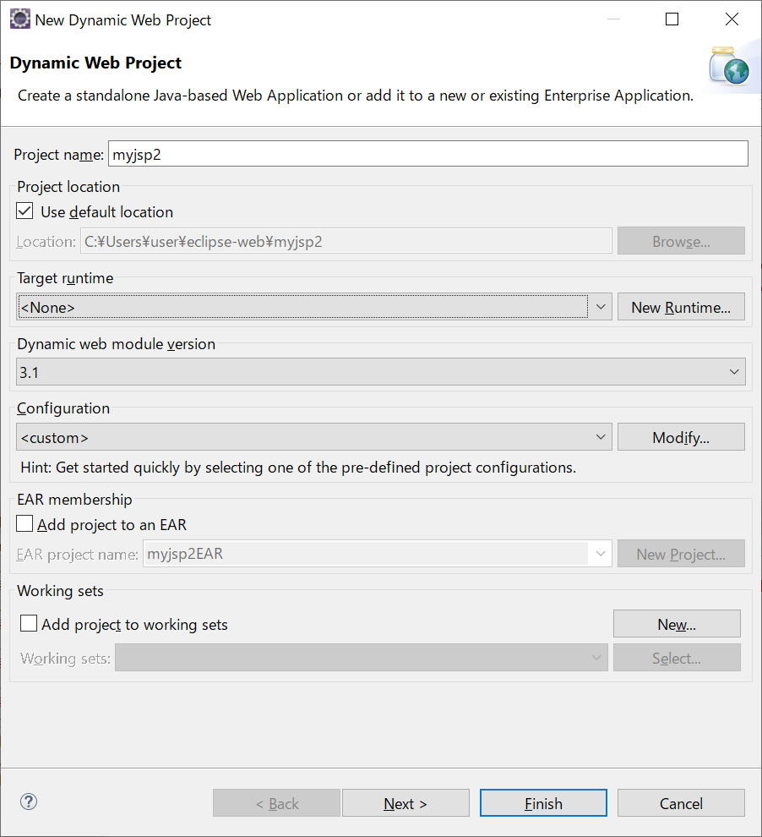
step3

 |  |  |  | javax.servlet-api-3.1.0.jar

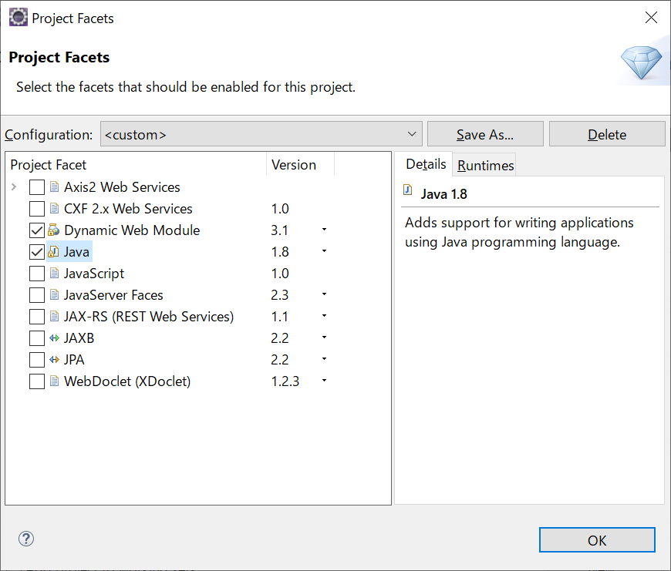
step4

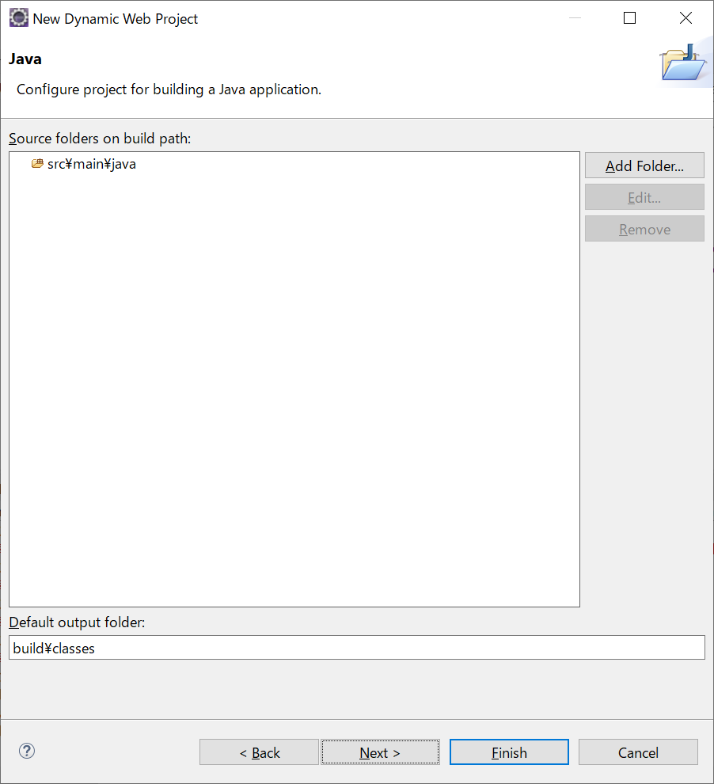
step5

 |  |  |  | source保存パス

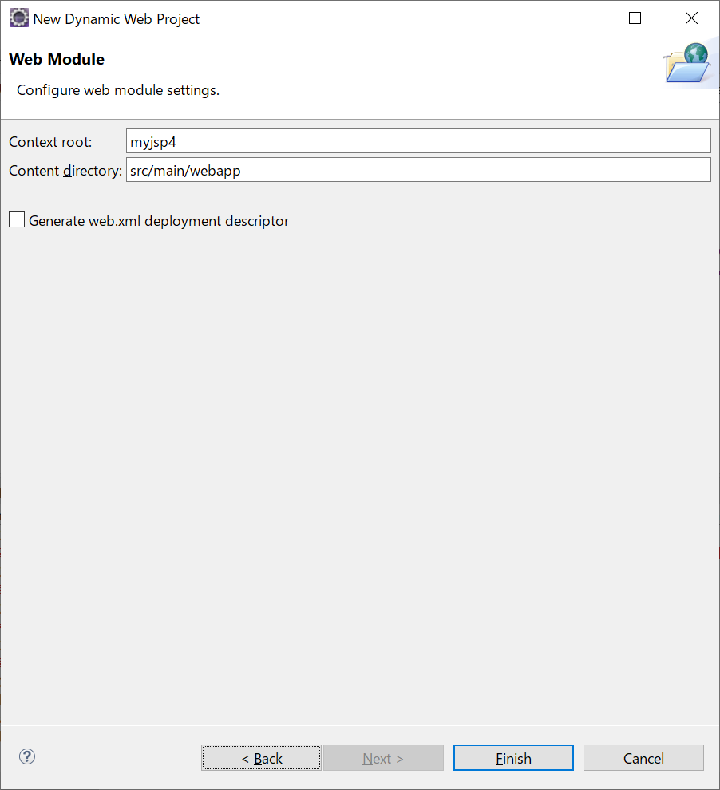

 |  |  |  | 如果嫌弃太深的话
 |  |  |  | 改为webapps

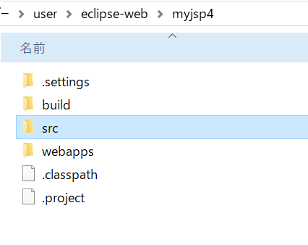
结果确认

copy外部依赖lib到
 | C:\Users\user\eclipse-web\myjsp4\webapps\WEB-INF\lib

做成web.xml
 | C:\Users\user\eclipse-web\myjsp4\webapps\WEB-INF

 | <?xml version="1.0" encoding="UTF-8"?>
 | <web-app xmlns:xsi="http://www.w3.org/2001/XMLSchema-instance"
 |  | xmlns="http://xmlns.jcp.org/xml/ns/javaee"
 |  | xsi:schemaLocation="http://xmlns.jcp.org/xml/ns/javaee
 |  |  | http://xmlns.jcp.org/xml/ns/javaee/web-app_3_1.xsd"
 |  | id="WebApp_ID" version="3.1">
 | 所以需要serverlet3.1

copy全部java-source到
 | C:\Users\user\eclipse-web\myjsp4\src\main\java

copy全部html/jsp-source到
 | C:\Users\user\eclipse-web\myjsp4\webapps

