環境構築
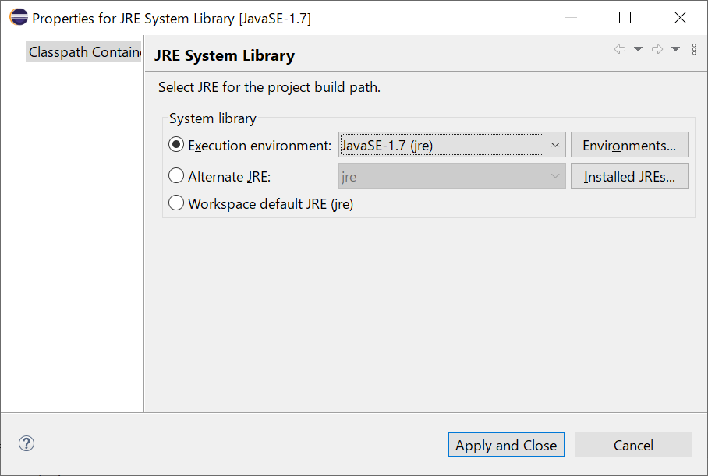
 | https://googlechromelabs.github.io/chrome-for-testing/

manul | https://qiita.com/W2gSzLipwoSTsYp/items/5212afc876c5ff62cd3e

 | chromedriver
 | https://chromedriver.chromium.org/downloads

 | selenium
 | https://www.selenium.dev/downloads/

 | chrome-win64
 | https://storage.googleapis.com/chrome-for-testing-public/124.0.6367.91/win64/chrome-win64.zip

 | C:\Program Files (x86)\Common Files\Oracle\Java\javapath | 1.8

 | C:\Program Files\Java\jdk-20\bin

