Summary
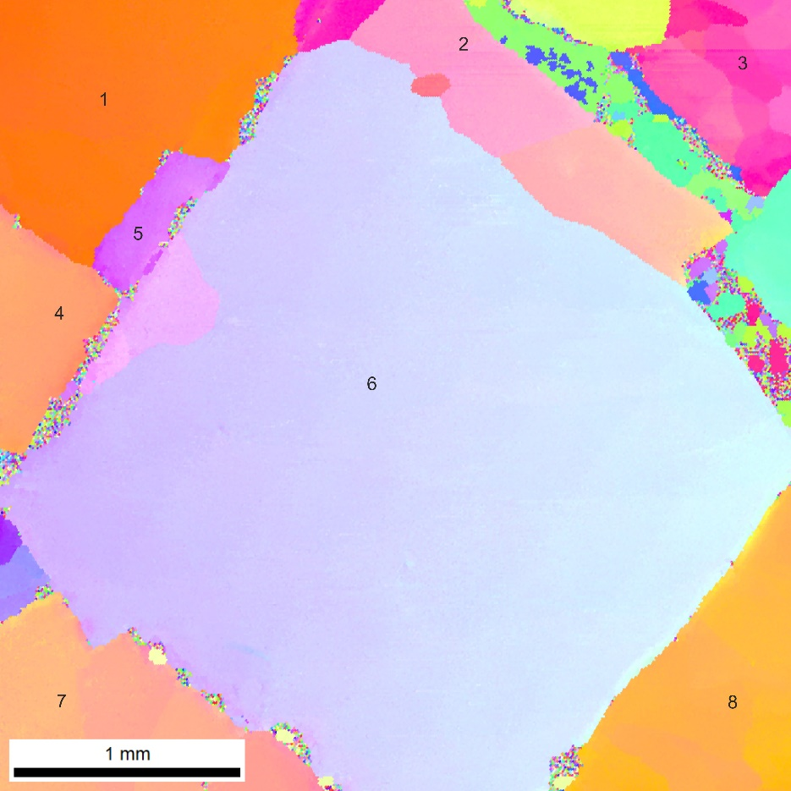
area | x misorient angle | distance | y misorient angle | distance

1 | 1.06 | 395 | 1.416 | 52.0
 |  |  | 1.681 | 17.3
 |  |  | 0.889 | 52.4
 |  |  | 0.984 | 355.3
 |  |  | 0.339 | 156.2
2 | 0.81 | 446.43 | 2.156 | 180.3
 | 1.95 | 497.87 | 0.885 | 108.2
 | 0.80 | 130.73 | 0.318 | 88.8
 | 0.90 | 26.42
 | 0.77 | 340.74
 | 0.76 | 62.10
 | 0.99 | 192.85
 | 0.00 | 34.30
3 | 1.06349 | 50.00 | 5.20684 | 17.32
 | 1.02908 | 55.36 | 5.41204 | 69.86
 | 0.916426 | 14.64 | 1.96324 | 115.06
 | 2.96108 | 135.15 | 1.59446 | 175.78
 | 2.91443 | 29.99 | 0.986356 | 209.94
 | 0.735951 | 95.26 | 1.13643 | 166.42
 | 1.32057 | 139.89 | 1.31879 | 52.89
 | 0.250229 | 135.23
4 | 1.07666 | 355.106 | 0.882044 | 10.00
 | 1.183 | 39.989 | 0.717097 | 24.64
 | 1.16062 | 29.993 | 0.734354 | 529.36
 | 0 | 39.993 | 0.707759 | 78.10
 |  |  | 1.38818 | 8.97
 |  |  | 0.888234 | 69.13
 |  |  | 0.606518 | 147.89
 |  |  | 0.54894 | 60.18
 |  |  | 0 | 8.95
5 | 0.945019 | 30 | 1.01182 | 10.00
 | 0.902657 | 60 | 1.0408 | 333.95
 | 0.681849 | 40 | 0.464781 | 242.48
 | 0.658491 | 95.167
 | 1.28573 | 29.98
 | 0.0279765 | 19.989
6 | 1.01914 | 20 | 0.8838 | 225.17
 | 6.54748 | 110 | 0.9772 | 17.32
 | 0.600031 | 275.093 | 0.6243 | 251.17
 | 0.650118 | 585.058 | 0.6349 | 684.30
 | 0.874021 | 395.089 | 0.7853 | 251.06
 | 0.670856 | 79.99 | 0.7182 | 147.27
 | 0.719821 | 129.98 | 0.6853 | 173.20
 | 0.563018 | 960.16 | 0.9446 | 190.64
 | 0.128204 | 249.96 | 0.8233 | 147.14
 |  |  | 0.7977 | 78.00
 |  |  | 0.6650 | 225.15
 |  |  | 0.8407 | 173.33
 |  |  | 0.8789 | 112.50
 |  |  | 0.7828 | 173.19
 |  |  | 0.7455 | 51.96
 |  |  | 0.9018 | 242.59
 |  |  | 0.0000 | 121.24
7 | 1.70042 | 34.64 | 0.728468 | 43.59
 | 0.699975 | 321.31 | 0.735951 | 406.74
 | 1.24678 | 78.10 | 0.811806 | 112.61
 | 0.772278 | 476.94 | 0.767193 | 259.80
 | 2.25533 | 243.26 | 0.514343 | 17.32
 | 0.068528 | 303.45
8 | 1.03665 | 40 | 0.737013 | 52.91
 | 1.35162 | 125.227 | 0.803082 | 451.86
 | 0.471469 | 726.289 | 0.735419 | 130.75
 |  |  | 0.702765 | 217.93
 |  |  | 0.756922 | 156.09
 |  |  | 0.709967 | 79.07
 |  |  | 1.40026 | 34.46
 |  |  | 0.14537 | 43.58
 | 1.0781333667 | 192.81595556 | 1.0090227719 | 151.11020175

