TV 현황판
 |  |  |  | 주요국가: 영/독/스/프/이/호/터/캐/브/멕/노르딕(스웨덴,노르웨이,덴마크,핀란드)/베트남 |  |  |  |  |  |  |  |  |  |  |  |  |  |  |  |  |  |  |  |  | 314 | 4548
 |  | Category TV&Audio | Category Lifestyle Screens | GNB |  |  |  | PLP |  |  |  |  | Microsite |  |  |  |  |  | Filter |  |  |  |  |  | PDP |  |  |  | <filter> | <Category>
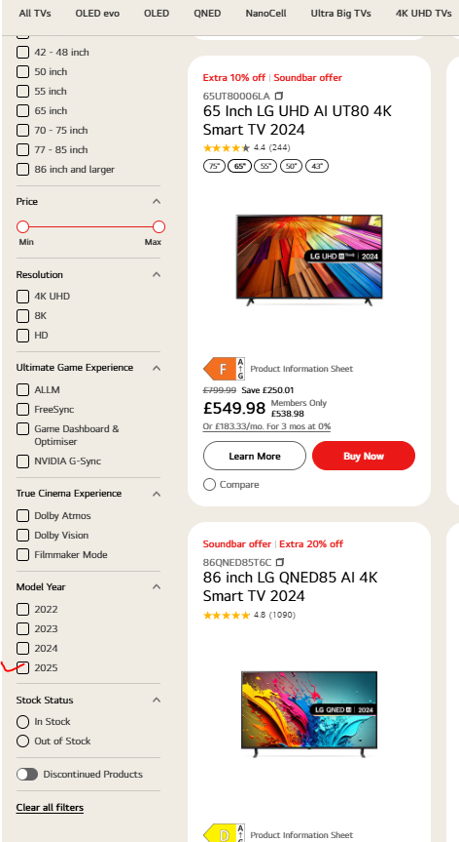
Locale | 구분 |  |  | True Wireless TV | QNED evo | MiniLED | TV by Resolution | True Wireless TV | QNED evo | MiniLED | TV by Resolution | 100inch and larger | OLED Innovation | Why True wireless | Why QNED evo | Why LG AI TV | Buying Guide | OLED ART | Category-True Wireless | Category-MiniLED | Model Year-2025 | TV by Inch (100inch and larger) | TV by Resolution | Operating System (OS) | Preview | Lived | PDP version | Remark
UK-en | 주요국가 | O | O | O | O | O | O | O | O | O | O | O | O | O | O | O | O | O | O | O | O | O | O | O | 4 | 152 | OLED v1~v1.06 QNED v1~v1.07 NANO/UHD v1.03~v.1.05 | 100inch GNB menu update 완료
AU-en | 주요국가 | 취소 | 취소 | 취소 | O | O | X | 취소 | O | O | X | O | 취소 | O | 취소 | O | 취소 | 취소 | 취소 | O | O | O | O | X | 2 | 41 | OLED v1~v1.06 QNED v1.03 NANO v1 | AU will create the category of True Wireless after M5 launching / AU doesn't have Lifestyle category page. TV Category page update delayed
ES-es | 주요국가 | O | O | O | O | O | O | O | O | O | O | O | O | O | O | O | O | O | O | O | O | O | O | O | 14 | 194 | OLED v1~v1.05 QNED v1~v1.07 NANO v1.03 | 100inch filter & GNB menu 적용 필요 / AI TV microsite GNB update 필요
IT-it | 주요국가 | O | O | O | O | X | O | O | O | O | O | O | O | O | O | O | O | X | O | O | O | O | O | X | 0 | 100 | OLED v1.02~v1.06 QNED v1~v1.07 NANO v1.03 UHD v1.03~v1.05 | MiniLED category-GNB 적용 필요-법인 컨펌 대기중 / OLED ART 등록 지연
TR-tr | 주요국가 | O | O | O | O | O | O | O | O | O | O | O | O | O | O | O | O | O | O | O | O | O | O | O | 4 | 74 | OLED v1~v1.03 QNED v1~v1.03 NANO v1.03~v1.05 | 100 inch and larger GNB update 완료
VN-vi | 주요국가 | O | O | O | O | O | O | O | O | O | O | O | O | O | O | O | O | O | O | O | O | O | O | O | 1 | 66 | OLED v1.02~v1.05 QNED v1~v1.07 NANO v1.03~v1.05 UHD v1.03~v1.05
HK-en | 주요국가 | O | O | O | O | O | O | O | O | O | O | O | O | O | O | O | O | O | O | O | O | O | O | O | 0 | 54 |  | Lifestyle Screens category page update 지연
HK-zh | 주요국가 | O | O | O | O | O | O | O | O | O | O | O | O | O | O | O | O | O | O | O | O | O | O | O | 0 | 54 |  | Lifestyle Screens category page update 지연
CH-de | 주요국가 | O | X | O | O | O | O | O | O | O | O | O | O | O | O | O | O | O | O | O | O | O | O | O | 5 | 92 |  | Category page update delayed / QNED evo category menu 추가 완료 / MiniLED category 추가 필요
CH-fr | 주요국가 | O | X | O | O | O | O | O | O | O | O | O | O | O | O | O | O | O | O | O | O | O | O | O | 10 | 90 |  | MiniLED category 추가 진행중 / Category page update delayed
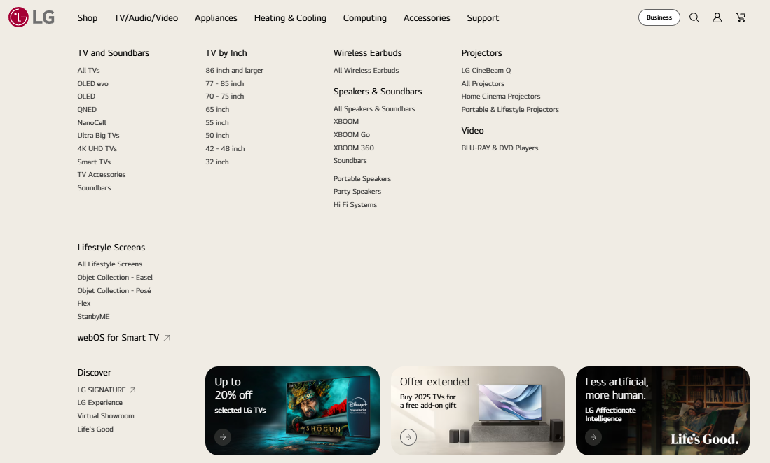
DE-de | 주요국가 | O | X | O | O | O | X | O | O | O | X | O | O | O | O | O | O | O | X | X | O | O | O | O | 19 | 147 |  | Category page update delayed
FR-fr | 주요국가 | X | X | O | O | O | X | O | O | O | X | X | O | O | O | O | O | X | O | O | O | X | O | X | 32 | 94 |  | Category page update delayed
MX-es | 주요국가 | X | O | O | O | O | X | O | O | O | O | X | O | O | O | O | O | O | O | O | O | X | O | O | 0 | 89 |  | Category page update 진행중
BR-pt | 주요국가 | O | O | X | O | O | O | X | O | O | O | O | O | O | O | O | O | O | X | O | O | O | O | O | 5 | 44 |  | Model Year filter update 완료 / QNED evo category menu 추가 필요
CA-en | 주요국가 | O | O | O | O | O | O | O | O | O | O | O | O | O | O | O | O | O | O | O | O | O | O | O | 1 | 88 |  | Category page update 진행중
CA-fr | 주요국가 | O | O | O | O | O | O | O | O | O | O | O | O | O | O | O | O | O | O | O | O | O | O | O | 1 | 88 |  | Category page update 진행중
SE-sv | 주요국가 | O | 취소 | O | O | O | O | O | O | O | O | X | O | O | O | O | O | O | O | O | O | X | O | O | 31 | 102 |  | Category page update delayed / True Wireless TV category 추가 완료 / 100인치 filter & GNB 적용 필요
NO-no | 주요국가 | X | O | X | X | X | X | X | X | X | X | X | O | O | O | O | O | O | X | X | O | X | O | O | 3 | 82 |  | Category 추가 - jira ticket 제출 / Category page update delayed
DK-da | 주요국가 | O | 취소 | O | X | O | O | O | O | O | O | X | O | O | O | O | O | O | O | O | O | X | O | X | 2 | 83 |  | category update 법인 사전검토 지연-HQ 독려 필요 / Filter-Model Year 2025 적용 완료
FI-fi | 주요국가 | X | O | X | X | X | X | X | X | X | X | X | O | O | O | O | O | O | X | X | O | X | O | O | 3 | 81 |  | category update 법인 사전검토 지연-HQ 독려 필요
NZ-en | GP1 | X | X | O | O | O | 취소 | O | O | O | O | O | 취소 | O | X | O | O | X | O | O | O | X | O | O | 1 | 42 |  | TV by resolution - do not proceed. NZ only has 4K models / miniLED PLP update 완료
ID-id | GP1 | O | O | X | O | O | O | X | O | O | O | O | O | O | O | O | O | O | X | O | X | O | O | O | 0 | 45 |  | No True Wireless model / Model Year filter setting 필요
MY-en | GP1 | O | O | 취소 | O | O | O | 취소 | O | O | O | O | O | 취소 | O | O | O | O | X | O | O | O | O | O | 1 | 52 |  | True Wireless microsite cancelled reason-We are not launching Wireless TV for 2025. So LDM has requested to cancel this Microsite upload.
PH-en | GP1 | O | O | 취소 | X | O | O | 취소 | X | O | O | X | O | 취소 | O | O | O | O | 취소 | X | O | X | O | O | 5 | 33 |  | Filter setting 완료 / Category page update 지연
SG-en | GP1 | O | O | O | O | O | O | O | O | O | O | O | O | O | O | O | O | O | O | O | O | O | O | O | 0 | 49 |  | Category page update 지연 / Buying guide microsite 완료
TH-th | GP1 | O | O | O | O | O | O | O | O | O | O | O | O | O | O | O | O | O | O | O | O | O | O | O | 0 | 66 |  | GNB-100inch menu 추가 완료 / category page update 완료
TW-zh | GP1 | O | O | X | X | X | O | X | X | X | O | O | X | X | O | O | X | O | X | X | O | O | O | O | 0 | 33 |  | Filter OS and Model Year update 완료
IN-en | GP1 | O | X | X | X | O | X | X | O | O | O | X | O | 취소 | O | O | O | X | X | O | X | X | O | O | 3 | 63 |  | Model Year filter update 필요
JP-ja | GP1 | O | 취소 | O | X | O | 취소 | O | X | O | 취소 | X | X | X | X | O | X | X | O | X | X | X | O | O | 0 | 13 |  | local confirmed will not create the new category,
KZ-ru | GP1 | X | X | X | O | O | X | X | O | O | O | O | O | O | X | O | X | O | X | O | O | O | O | O | 0 | 66 |  | category update 법인 사전검토 지연-HQ 독려 필요
AT-de | GP1 | O | X | O | O | O | O | O | O | O | O | X | O | O | O | O | O | O | O | O | O | X | O | O | 0 | 97
NL-nl | GP1 | O | X | O | O | O | O | O | O | O | O | O | O | O | O | O | O | O | O | O | O | O | O | O | 8 | 119
CZ-cz | GP1 | O | O | 취소 | O | O | O | 취소 | O | O | O | O | O | O | O | O | O | O | 취소 | O | O | O | O | O | 0 | 96 |  | I don´t want to proceed with this task as we don´t have single SKU, which we can assign. Therefore, I reject this global task.
HU-hu | GP1 | O | X | O | X | X | O | O | X | X | O | X | O | X | O | X | X | O | O | X | O | X | O | X | 7 | 83 |  | QNED evo microsite GNB update 완료
PL-pl | GP1 | X | X | X | X | O | X | X | X | O | O | X | O | O | O | O | O | O | X | O | O | X | O | O | 10 | 62
PT-pt | GP1 | O | 취소 | O | O | O | O | O | O | O | O | O | O | O | O | O | X | O | O | O | O | O | O | O | 8 | 81 |  | AI TV and Buying Guide Microsite 등록 지연-HQ 독려 필요 / Model Year update 완료
CO-es | GP1 | No page | 취소 | O | O | O | O | O | O | O | O | O | O | O | O | O | O | O | O | X | O | O | O | O | 0 | 90 |  | QNED evo & MiniLED Category update 등록 지연 / Model Year update 완료
CL-es | GP1 | O | X | O | O | O | O | O | O | O | O | X | O | O | O | O | O | O | X | O | X | X | O | O | 2 | 81 |  | No True Wireless TV PDP-PLP & PDR Spec 전송 필요
PE-es | GP1 | O | O | X | X | O | O | X | X | O | O | X | O | 취소 | O | O | O | X | X | O | X | X | O | O | 2 | 44 |  | PDR Spec 전송 필요
PA-es | GP1 | O | O | O | X | O | O | O | X | O | O | X | O | O | O | O | O | O | O | O | X | X | O | O | 2 | 36 |  | Filter setting-Model Year 2025 필요
EG-ar | GP1 | O | 취소 | X | X | O | O | X | X | O | O | O | O | O | O | O | O | O | X | O | X | O | O | O | 0 | 29 |  | Filter setting 완료
EG-en | GP1 | O | 취소 | X | X | O | O | X | X | O | O | O | O | O | O | O | O | O | X | O | O | O | O | O | 0 | 29 |  | Filter setting 완료
MA-fr | GP1 | O | 취소 | X | X | O | O | X | X | O | O | X | O | O | O | O | O | O | X | X | X | O | O | O | 7 | 11 |  | Filter setting(model year) 필요
ZA-en | GP1 | O | 취소 | O | O | O | O | O | O | O | O | X | O | O | O | O | O | O | O | O | X | O | O | O | 0 | 31 |  | PDR Spec 전송 필요
SA-ar | GP1 | O | O | O | X | O | O | O | X | O | O | X | O | O | O | O | O | O | O | O | O | X | O | O | 4 | 79 |  | No True Wireless TV model
SA-en | GP1 | O | O | O | X | O | O | O | X | O | O | X | O | O | O | O | O | O | O | O | O | X | O | O | 3 | 78 |  | No True Wireless TV model

O | 전체 | 53 | 35 | 30 | 31 | 41 | 35 | 30 | 33 | 42 | 40 | 28 | 68 | 66 | 69 | 71 | 61 | 66 | 28 | 37 | 38 | 28 | 46 | 42
 | % | 115% | 76% | 65% | 67% | 89% | 76% | 65% | 72% | 91% | 87% | 61% | 87% | 85% | 88% | 91% | 78% | 85% | 36% | 47% | 49% | 36% | 59% | 54%
 | 캠페인국가 | 5 | 5 | 5 | 6 | 5 | 5 | 5 | 6 | 6 | 5 | 6 | 5 | 6 | 5 | 6 | 5 | 4 | 5 | 6 | 6 | 6 | 6 | 4
 | % | 83% | 83% | 83% | 100% | 83% | 83% | 83% | 100% | 100% | 83% | 100% | 83% | 100% | 83% | 100% | 83% | 67% | 83% | 100% | 100% | 100% | 100% | 67%

