Report
26년 4월
소모품사업팀 컨텐츠 운영 현황

1. 국가별 ADP 운영 현황

Locale | ACTIVE | DISCONTINUED | HIDDEN | SUSPENDED
Total : 4,079
 | ACTIVE | DISCONTINUED | HIDDEN | SUSPENDED
AU | 136 | 7 | 2 | 25
HK_EN | 204 | 59 | 1 | 11
HK_ZH | 203 | 61 | 1 | 11
JP | 51 | 2 | 1 | 4
MY | 69 | - | - | 12
SG | 119 | - | 15 | 19
TH | 189 | 1 | - | -
TW | 190 | - | - | 40
VN | 151 | - | - | 31
DE | 47 | 10 | 2 | 2
ES | 94 | - | 10 | -
FR | 6 | - | - | 75
HU | 7 | - | - | -
IT | 39 | 1 | - | 1
PL | 149 | 2 | - | 5
UK | 113 | - | - | 16
IN | 145 | - | - | 21
BR | 373 | - | - | 18
CL | 73 | 5 | 3 | 3
CO | 41 | - | - | -
MX | 197 | 6 | - | 9
PA | 22 | 2 | - | 16
PE | 47 | - | - | 3
EG_AR | 235 | 1 | - | -
EG_EN | 235 | 1 | - | -
SA_AR | 72 | - | 2 | -
SA_EN | 71 | - | 3 | -
TR | 2 | - | - | 1
CA_EN | 120 | - | 15 | 4
CA_FR | 120 | - | 15 | 4
총합계 | 3,520 | 158 | 70 | 331

MoM | ACTIVE | DISCONTINUED | HIDDEN | SUSPENDED | Trend
 | -4 | 50 | 9 | 37
AU | 8 | 0 | 1 | 1
HK_EN | -10 | 18 | 0 | 0
HK_ZH | -11 | 20 | 0 | 0
JP | 1 | 0 | 0 | 0
MY | 13 | 0 | 0 | 3
SG | 4 | 0 | 0 | 0
TH | 0 | 0 | 0 | 0
TW | -4 | 0 | 0 | 4
VN | 2 | 0 | 0 | 0
DE | -9 | 10 | 0 | 0
ES | -4 | 0 | 9 | 0
FR | 0 | 0 | 0 | 0
HU | 0 | 0 | 0 | 0
IT | 0 | 0 | 0 | 0
PL | 1 | 0 | 0 | 0
UK | 1 | 0 | 0 | 4
IN | 3 | 0 | 0 | -2
BR | 16 | 0 | 0 | 0
CL | 0 | 2 | -1 | -1
CO | 1 | 0 | 0 | 0
MX | 1 | 0 | 0 | 4
PA | -14 | 0 | 0 | 16
PE | 3 | 0 | 0 | 0
EG_EN | 0 | 0 | 0 | 0
EG_AR | 0 | 0 | 0 | 0
SA_EN | 0 | 0 | 0 | 0
SA_AR | 0 | 0 | 0 | 0
TR | 0 | 0 | 0 | 0
CA_EN | -3 | 0 | 0 | 4
CA_FR | -3 | 0 | 0 | 4

2. 신규 업무 현황
신규 업무 요청 현황
 | ADP Standard Creation (No Spec, up to 10 USP) | ADP Advanced Creation (No Spec, 11-20 USP) | Complex Modification | Mid Modification | PLP Creation (with Filter) | Simple Modification | Simple Operation
ADP | 140 | 25 | 14 |  |  | 12 | 2
Category |  |  |  | 48 | 9 | 1
PLP |  |  |  | 58 | 20 | 1

DATE | Mar

Page | Contents Billing Type
Contents Page Type | ADP Standard Creation (No Spec, up to 10 USP) | ADP Advanced Creation (No Spec, 11-20 USP) | Complex Modification | Mid Modification | PLP Creation (with Filter) | Simple Modification | Simple Operation | 총합계
ADP | 140 | 25 | 14 |  |  | 12 | 2 | 193
Category |  |  |  | 48 | 9 | 1 |  | 58
PLP |  |  |  | 58 | 20 | 1 |  | 79
총합계 | 140 | 25 | 14 | 106 | 29 | 14 | 2 | 330
Montly Trend
 | ADP | Category | PLP
Jan | 86 | 14 | 55
Feb | 168 | 0 | 2
Mar | 193 | 58 | 79
Apr | 153 | 7 | 7
May
Jun
Jul
Aug
Sep
Oct
Nov
Dec

3. 진행 업무 현황
https://lge-gmc.atlassian.net/jira/dashboards/19843
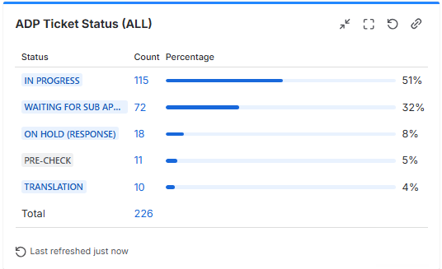
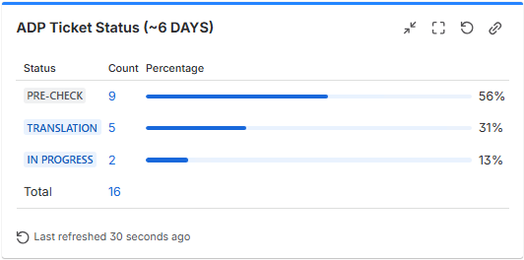
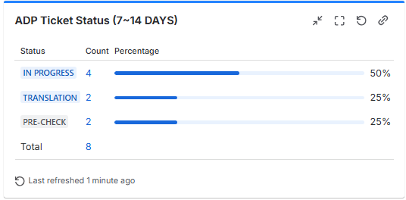
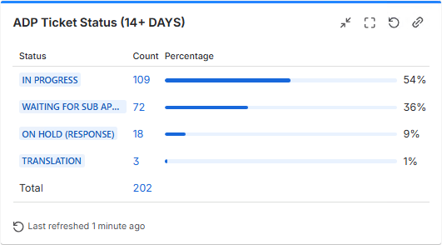

4. 논의 사항

1) 4월 주요 사항
- TV-AUDIO ACC 등록 현황
: PDP 21개 (CA_EN, CA_FR, UK, MX, ES) Live 완료
: PLP 2개 (DE, ES) Live 완료
: AU의 경우 PDP 5월 내 오픈 예정

2) PIM 2.0 사용 이슈
픽스 완료 건들은 재동기화 필요
- Spec 미연동 : 금주 픽스완료
- Dimension 이미지 등록 및 노출 이슈 : 금주 픽스 완료
- PLP 썸네일 노출 이슈 : 금주 픽스 완료
- 멀티카테고리 맵핑 : 차주 내 기능개발 완료 예정

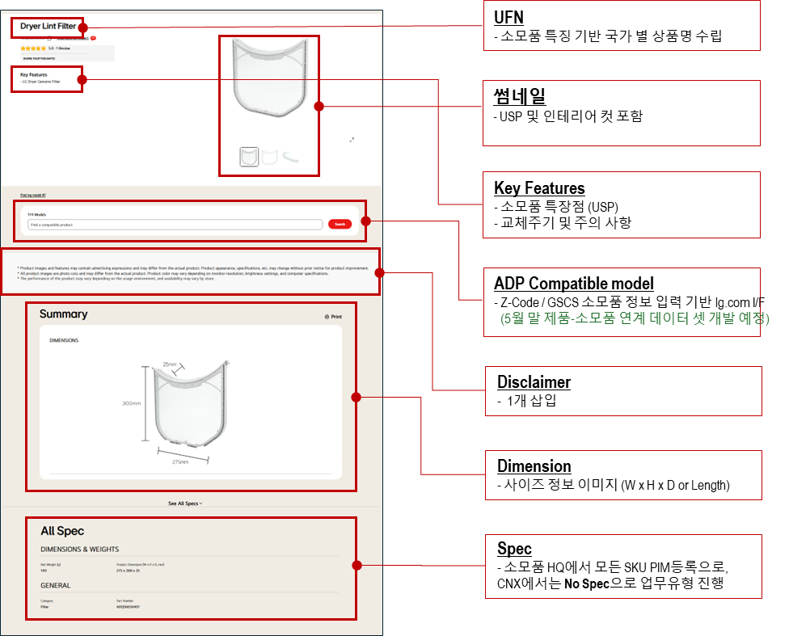
3) 26년도 ADP 대량등록 진행 예정
기간 : 26년 6월~12월 모든 작업 완료
범위 : 총 약 5055 PDP(이외 PLP, GNB 작업 등 추가예정)

- 업무 진행방향 건의
1. 작업 전 체크사항
HQ에서 번역본 제공 여부 확인 요청
멀티카테고리 맵핑여부 확인
법인의 작업 시작 컨펌 생략 여부 확인 (생략가능하다면 티켓에 해당 코멘트 기재요청)

2. 전월말/당월초 국가별 티켓 생성
기존 PDP 티켓에서 1개씩 작업되던 것을 국가별로 묶어서 PDP 작업을 진행한다.
가제 : [ADP-CA_EN] JUN - PDP Bulk creation Request
해당 티켓에는 작업에 필요한 정보를 담은 엑셀파일 첨부

3. 작업 진행 및 라이브 컨펌
STG 산출물을 티켓에 업로드
HQ 가 이를 컨펌하면 법인의 live 컨펌 생략 여부 확인 (생략가능하다면 티켓에 해당 코멘트 기재요청)

