Report
26년 5월
소모품사업팀 컨텐츠 운영 현황

1. 국가별 ADP 운영 현황

Locale | ACTIVE | DISCONTINUED | HIDDEN | SUSPENDED
Total : 4,392
 | ACTIVE | DISCONTINUED | HIDDEN | SUSPENDED
AU | 185 | 7 | 2 | 24
HK_EN | 212 | 59 | 1 | 11
HK_ZH | 209 | 61 | 1 | 11
JP | 57 | 2 | 1 | 4
MY | 71 | - | - | 12
SG | 123 | - | 15 | 21
TH | 207 | 1 | - | -
TW | 210 | - | - | 41
VN | 182 | - | - | 30
DE | 46 | 10 | 2 | 3
ES | 92 | - | 10 | 2
FR | 7 | - | - | 75
HU | 7 | - | - | -
IT | 39 | 1 | - | 1
PL | 172 | 2 | - | 5
UK | 117 | - | - | 12
IN | 158 | - | - | 21
BR | 380 | - | - | 18
CL | 91 | 5 | 3 | 3
CO | 54 | - | - | -
MX | 217 | 6 | - | 5
PA | 22 | 2 | - | 16
PE | 61 | - | - | 2
EG_AR | 236 | 1 | - | 8
EG_EN | 227 | 1 | - | 8
SA_AR | 77 | - | 2 | -
SA_EN | 71 | - | 3 | -
TR | 5 | - | - | 1
CA_EN | 169 | - | 14 | -
CA_FR | 128 | - | 14 | -
총합계 | 3,832 | 158 | 68 | 334

MoM | ACTIVE | DISCONTINUED | HIDDEN | SUSPENDED | Trend
 | -4 | 50 | 9 | 37
AU | 8 | 0 | 1 | 1
HK_EN | -10 | 18 | 0 | 0
HK_ZH | -11 | 20 | 0 | 0
JP | 1 | 0 | 0 | 0
MY | 13 | 0 | 0 | 3
SG | 4 | 0 | 0 | 0
TH | 0 | 0 | 0 | 0
TW | -4 | 0 | 0 | 4
VN | 2 | 0 | 0 | 0
DE | -9 | 10 | 0 | 0
ES | -4 | 0 | 9 | 0
FR | 0 | 0 | 0 | 0
HU | 0 | 0 | 0 | 0
IT | 0 | 0 | 0 | 0
PL | 1 | 0 | 0 | 0
UK | 1 | 0 | 0 | 4
IN | 3 | 0 | 0 | -2
BR | 16 | 0 | 0 | 0
CL | 0 | 2 | -1 | -1
CO | 1 | 0 | 0 | 0
MX | 1 | 0 | 0 | 4
PA | -14 | 0 | 0 | 16
PE | 3 | 0 | 0 | 0
EG_EN | 0 | 0 | 0 | 0
EG_AR | 0 | 0 | 0 | 0
SA_EN | 0 | 0 | 0 | 0
SA_AR | 0 | 0 | 0 | 0
TR | 0 | 0 | 0 | 0
CA_EN | -3 | 0 | 0 | 4
CA_FR | -3 | 0 | 0 | 4

2. 신규 업무 현황
신규 업무 요청 현황
 | ADP Standard Creation (No Spec, up to 10 USP) | Category Creation | Mid Modification | PLP Creation (with Filter) | Simple Creation (No Spec) | Simple Modification | Standard Creation (No Spec) | PLP Creation (No Filter)
ADP | 6 |  | 2 |  | 22 | 1 | 3
Category |  |  | 59 |  |  | 18
PLP |  | 2 |  | 1 |  |  |  | 1

DATE | May

Page | Contents Billing Type
Contents Page Type | ADP Standard Creation (No Spec, up to 10 USP) | Category Creation | Mid Modification | PLP Creation (with Filter) | Simple Creation (No Spec) | Simple Modification | Standard Creation (No Spec) | PLP Creation (No Filter) | 총합계
ADP | 6 |  | 2 |  | 22 | 1 | 3 |  | 34
Category |  |  | 59 |  |  | 18 |  |  | 77
PLP |  | 2 |  | 1 |  |  |  | 1 | 4
총합계 | 6 | 2 | 61 | 1 | 22 | 19 | 3 | 1 | 115
Montly Trend
 | ADP | Category | PLP
Jan | 86 | 14 | 55
Feb | 168 | 0 | 2
Mar | 193 | 58 | 79
Apr | 153 | 7 | 7
May
Jun
Jul
Aug
Sep
Oct
Nov
Dec

3. 진행 업무 현황
https://lge-gmc.atlassian.net/jira/dashboards/19843
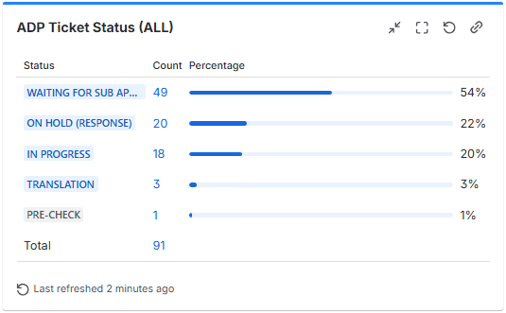
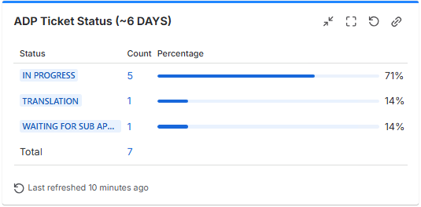
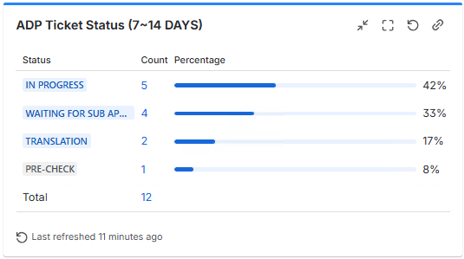
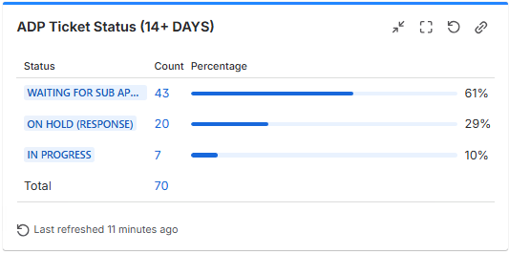

4. 논의 사항

1) 5월 주요 사항
- Pending Ticket 해소
전월 전체 CSR 226개 > 당월 91개 약 60% 감소
오픈 티켓의 66%는 법인 컨펌 대기 및 테크 이슈로 홀딩 케이스

2) PIM 2.0 사용 이슈
픽스 완료 건들은 재동기화 필요
- Save to PROD : Defect 로 픽스 중

3) 26년도 ADP 대량등록
- 6월 목표 SKU : 376개
- 진행 : 56개 (15%)
- 미진행 : 320개 (85%)

- 우선 HQ 컨펌으로 라이브 진행 후 1달 단위로 묶어서 법인의 수정 요청 있는 경우 Modification 티켓으로 일괄 수정 진행

