Report
26년 6월
소모품사업팀 컨텐츠 운영 현황

1. 국가별 ADP 운영 현황

Locale | ACTIVE | DISCONTINUED | HIDDEN | SUSPENDED
Total : 4,468
 | ACTIVE | DISCONTINUED | HIDDEN | SUSPENDED
AU | 197 | 7 | 2 | 27
HK_EN | 213 | 59 | - | 11
HK_ZH | 211 | 61 | - | 11
JP | 59 | 2 | 1 | 4
MY | 70 | - | - | 12
SG | 124 | - | 15 | 20
TH | 199 | 1 | - | -
TW | 198 | - | - | 46
VN | 176 | - | - | 30
DE | 46 | 10 | 2 | 3
ES | 93 | - | 10 | 2
FR | 6 | - | 1 | 75
HU | 7 | - | - | -
IT | 39 | 1 | - | 1
PL | 197 | 2 | - | 4
UK | 118 | - | - | 11
IN | 160 | - | - | 21
BR | 368 | - | - | 18
CL | 92 | 5 | 3 | 4
CO | 52 | - | 1 | -
MX | 212 | 6 | - | 5
PA | 22 | 2 | - | 15
PE | 57 | - | 3 | 1
EG_AR | 235 | 1 | - | 8
EG_EN | 232 | 1 | - | 8
SA_AR | 78 | - | 2 | -
SA_EN | 77 | - | 3 | -
TR | 2 | - | - | 4
CA_EN | 177 | - | 13 | -
CA_FR | 183 | - | 13 | -
총합계 | 3,900 | 158 | 69 | 341

MoM | ACTIVE | DISCONTINUED | HIDDEN | SUSPENDED | Trend
 | -4 | 50 | 9 | 37
AU | 8 | 0 | 1 | 1
HK_EN | -10 | 18 | 0 | 0
HK_ZH | -11 | 20 | 0 | 0
JP | 1 | 0 | 0 | 0
MY | 13 | 0 | 0 | 3
SG | 4 | 0 | 0 | 0
TH | 0 | 0 | 0 | 0
TW | -4 | 0 | 0 | 4
VN | 2 | 0 | 0 | 0
DE | -9 | 10 | 0 | 0
ES | -4 | 0 | 9 | 0
FR | 0 | 0 | 0 | 0
HU | 0 | 0 | 0 | 0
IT | 0 | 0 | 0 | 0
PL | 1 | 0 | 0 | 0
UK | 1 | 0 | 0 | 4
IN | 3 | 0 | 0 | -2
BR | 16 | 0 | 0 | 0
CL | 0 | 2 | -1 | -1
CO | 1 | 0 | 0 | 0
MX | 1 | 0 | 0 | 4
PA | -14 | 0 | 0 | 16
PE | 3 | 0 | 0 | 0
EG_EN | 0 | 0 | 0 | 0
EG_AR | 0 | 0 | 0 | 0
SA_EN | 0 | 0 | 0 | 0
SA_AR | 0 | 0 | 0 | 0
TR | 0 | 0 | 0 | 0
CA_EN | -3 | 0 | 0 | 4
CA_FR | -3 | 0 | 0 | 4

2. 신규 업무 현황
신규 업무 요청 현황
 | ADP Standard Creation (No Spec, up to 10 USP) | ADP Advanced Creation (No Spec, 11-20 USP) | Complex Modification | Mid Modification | PLP Creation (with Filter) | ADP Standard Creation (with Spec, up to 10 USP) | PLP Creation (No Filter)
ADP | 135 | 4 | 24 | 9 |  | 208
Category |  |  |  | 268 | 4
PLP |  |  |  |  | 28 |  | 10

DATE | Jun

Page | Contents Billing Type
Contents Page Type | ADP Standard Creation (No Spec, up to 10 USP) | ADP Advanced Creation (No Spec, 11-20 USP) | Complex Modification | Mid Modification | PLP Creation (with Filter) | ADP Standard Creation (with Spec, up to 10 USP) | PLP Creation (No Filter) | 총합계
ADP | 135 | 4 | 24 | 9 |  | 208 |  | 380
Category |  |  |  | 268 | 4 |  |  | 272
PLP |  |  |  |  | 28 |  | 10 | 38
총합계 | 135 | 4 | 24 | 277 | 32 | 208 | 10 | 690
Montly Trend
 | ADP | Category | PLP
Jan | 86 | 14 | 55
Feb | 168 | 0 | 2
Mar | 193 | 58 | 79
Apr | 153 | 7 | 7
May | 34 | 77 | 4
Jun | 380 | 272 | 38
Jul
Aug
Sep
Oct
Nov
Dec

3. 진행 업무 현황
https://lge-gmc.atlassian.net/jira/dashboards/19843
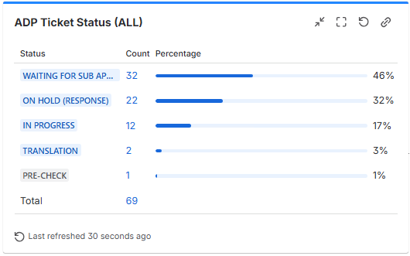
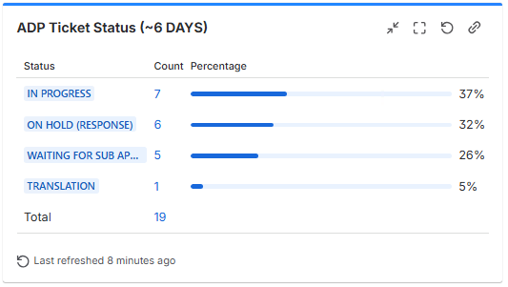
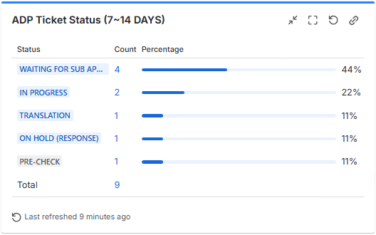
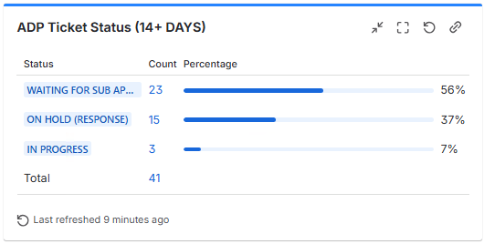

4. 논의 사항

1) 6월 주요 사항
- Tech issue
(1) UFN, Key feature 등 MKT Management 에서 연동되는 부분 미연동 이슈
(2) PC/MO Dimension 이미지가 디바이스가 서로 변경되어서 노출되는 이슈

2) 26년도 ADP 대량등록 진행현황
- 6월 목표 SKU : 376개
- 완료 : 185개 (49%)
- 라이브대기 : 101개 (27%)
- 미요청 : 90개 (24%)

