docker laravel
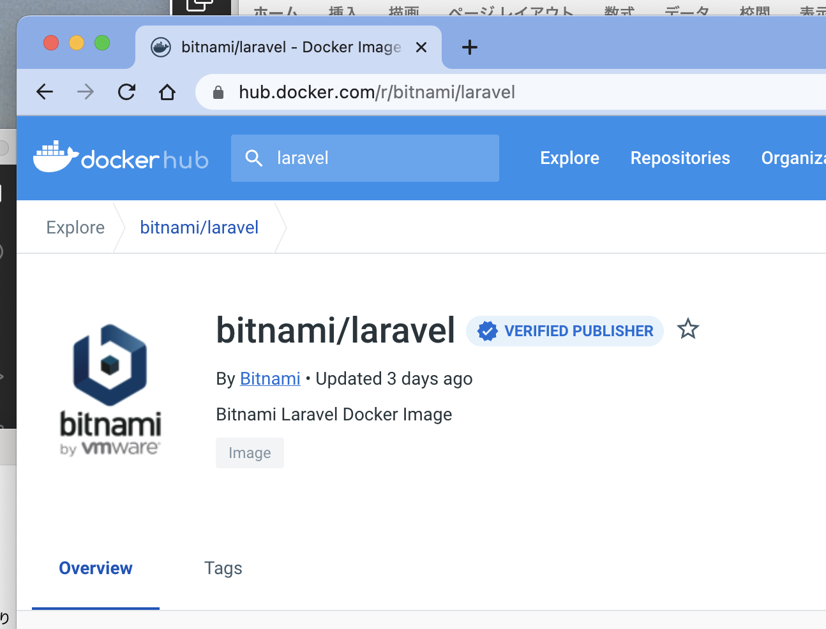
toyohide@toyohidenoMacBook-Pro docker_study % mkdir 20221002

toyohide@toyohidenoMacBook-Pro docker_study % cd 20221002

toyohide@toyohidenoMacBook-Pro 20221002 % curl -LO https://raw.githubusercontent.com/bitnami/containers/main/bitnami/laravel/docker-compose.yml
% Total % Received % Xferd Average Speed Time Time Time Current
Dload Upload Total Spent Left Speed
100 539 100 539 0 0 1534 0 --:--:-- --:--:-- --:--:-- 1562

 | /Users/toyohide/Desktop/hideyuki/docker_study/20221002/docker-compose.yml

 |  | version: '2'

 |  | services:
 |  | mariadb:
 |  | image: docker.io/bitnami/mariadb:10.6
 |  | environment:
 |  | # ALLOW_EMPTY_PASSWORD is recommended only for development.
 |  | - ALLOW_EMPTY_PASSWORD=yes
 |  | - MARIADB_USER=bn_myapp
 |  | - MARIADB_DATABASE=bitnami_myapp
 |  | myapp:
 |  | image: docker.io/bitnami/laravel:9
 |  | ports:
 |  | - '8000:8000'
 |  | environment:
 |  | - DB_HOST=mariadb
 |  | - DB_PORT=3306
 |  | - DB_USERNAME=bn_myapp
 |  | - DB_DATABASE=bitnami_myapp
 |  | volumes:
 |  | - './my-project:/app'
 |  | depends_on:
 |  | - mariadb

toyohide@toyohidenoMacBook-Pro 20221002 % code .

toyohide@toyohidenoMacBook-Pro 20221002 % docker-compose up
[+] Running 5/5
⠿ myapp Pulled 17.7s
⠿ 1d8866550bdd Pull complete 4.2s
⠿ 082092940fce Pull complete 14.7s
⠿ mariadb Pulled 13.1s
⠿ 6b93ceb2006b Pull complete 9.8s
[+] Running 3/2
⠿ Network 20221002_default Created 0.0s
⠿ Container 20221002-mariadb-1 Created 0.4s
⠿ Container 20221002-myapp-1 Created 0.0s
Attaching to 20221002-mariadb-1, 20221002-myapp-1
20221002-mariadb-1 | mariadb 10:06:58.90
20221002-mariadb-1 | mariadb 10:06:58.92 Welcome to the Bitnami mariadb container
20221002-mariadb-1 | mariadb 10:06:58.94 Subscribe to project updates by watching https://github.com/bitnami/containers
20221002-mariadb-1 | mariadb 10:06:58.96 Submit issues and feature requests at https://github.com/bitnami/containers/issues
20221002-mariadb-1 | mariadb 10:06:58.98
20221002-mariadb-1 | mariadb 10:06:59.01 INFO ==> ** Starting MariaDB setup **
20221002-mariadb-1 | mariadb 10:06:59.17 INFO ==> Validating settings in MYSQL_*/MARIADB_* env vars
20221002-myapp-1 | laravel 10:06:59.17
20221002-myapp-1 | laravel 10:06:59.19 Welcome to the Bitnami laravel container
20221002-mariadb-1 | mariadb 10:06:59.19 WARN ==> You set the environment variable ALLOW_EMPTY_PASSWORD=yes. For safety reasons, do not use this flag in a production environment.
20221002-myapp-1 | laravel 10:06:59.21 Subscribe to project updates by watching https://github.com/bitnami/containers
20221002-myapp-1 | laravel 10:06:59.23 Submit issues and feature requests at https://github.com/bitnami/containers/issues
20221002-mariadb-1 | mariadb 10:06:59.24 INFO ==> Initializing mariadb database
20221002-myapp-1 | laravel 10:06:59.25
20221002-myapp-1 | laravel 10:06:59.27 INFO ==> ** Running Laravel setup **
20221002-mariadb-1 | mariadb 10:06:59.39 INFO ==> Updating 'my.cnf' with custom configuration
20221002-mariadb-1 | mariadb 10:06:59.45 INFO ==> Setting user option
20221002-myapp-1 | laravel 10:06:59.52 INFO ==> Configuring PHP options
20221002-mariadb-1 | mariadb 10:06:59.53 INFO ==> Setting slow_query_log option
20221002-myapp-1 | laravel 10:06:59.54 INFO ==> Setting PHP opcache.enable option
20221002-mariadb-1 | mariadb 10:06:59.61 INFO ==> Setting long_query_time option
20221002-myapp-1 | laravel 10:06:59.64 INFO ==> Setting PHP expose_php option
20221002-mariadb-1 | mariadb 10:06:59.70 INFO ==> Installing database
20221002-myapp-1 | laravel 10:06:59.88 INFO ==> Validating settings in LARAVEL_* environment variables...
20221002-myapp-1 | laravel 10:07:00.01 INFO ==> Creating Laravel application in /app
20221002-mariadb-1 | 2022-10-02 10:07:00 0 [Warning] InnoDB: Linux Native AIO disabled.
20221002-mariadb-1 | mariadb 10:07:03.21 INFO ==> Starting mariadb in background
20221002-mariadb-1 | 2022-10-02 10:07:03 0 [Note] InnoDB: Compressed tables use zlib 1.2.11
20221002-mariadb-1 | 2022-10-02 10:07:03 0 [Note] InnoDB: Number of pools: 1
20221002-mariadb-1 | 2022-10-02 10:07:03 0 [Note] InnoDB: Using crc32 + pclmulqdq instructions
20221002-mariadb-1 | 2022-10-02 10:07:03 0 [Note] mysqld: O_TMPFILE is not supported on /opt/bitnami/mariadb/tmp (disabling future attempts)
20221002-mariadb-1 | 2022-10-02 10:07:03 0 [Warning] InnoDB: Linux Native AIO disabled.
20221002-mariadb-1 | 2022-10-02 10:07:03 0 [Note] InnoDB: Initializing buffer pool, total size = 134217728, chunk size = 134217728
20221002-mariadb-1 | 2022-10-02 10:07:03 0 [Note] InnoDB: Completed initialization of buffer pool
20221002-mariadb-1 | 2022-10-02 10:07:03 0 [Note] InnoDB: 128 rollback segments are active.
20221002-mariadb-1 | 2022-10-02 10:07:03 0 [Note] InnoDB: Creating shared tablespace for temporary tables
20221002-mariadb-1 | 2022-10-02 10:07:03 0 [Note] InnoDB: Setting file './ibtmp1' size to 12 MB. Physically writing the file full; Please wait ...
20221002-mariadb-1 | 2022-10-02 10:07:03 0 [Note] InnoDB: File './ibtmp1' size is now 12 MB.
20221002-mariadb-1 | 2022-10-02 10:07:03 0 [Note] InnoDB: 10.6.10 started; log sequence number 42108; transaction id 14
20221002-mariadb-1 | 2022-10-02 10:07:03 0 [Note] InnoDB: Loading buffer pool(s) from /bitnami/mariadb/data/ib_buffer_pool
20221002-mariadb-1 | 2022-10-02 10:07:03 0 [Note] Plugin 'FEEDBACK' is disabled.
20221002-mariadb-1 | 2022-10-02 10:07:03 0 [Note] InnoDB: Buffer pool(s) load completed at 221002 10:07:03
20221002-mariadb-1 | 2022-10-02 10:07:03 0 [Note] Server socket created on IP: '127.0.0.1'.
20221002-mariadb-1 | 2022-10-02 10:07:03 0 [Warning] 'user' entry 'root@500f27931345' ignored in --skip-name-resolve mode.
20221002-mariadb-1 | 2022-10-02 10:07:03 0 [Warning] 'user' entry '@500f27931345' ignored in --skip-name-resolve mode.
20221002-mariadb-1 | 2022-10-02 10:07:03 0 [Warning] 'proxies_priv' entry '@% root@500f27931345' ignored in --skip-name-resolve mode.
20221002-mariadb-1 | 2022-10-02 10:07:03 0 [Note] /opt/bitnami/mariadb/sbin/mysqld: ready for connections.
20221002-mariadb-1 | Version: '10.6.10-MariaDB' socket: '/opt/bitnami/mariadb/tmp/mysql.sock' port: 3306 Source distribution
20221002-mariadb-1 | mariadb 10:07:05.43 INFO ==> Configuring authentication
20221002-mariadb-1 | 2022-10-02 10:07:05 5 [Warning] 'proxies_priv' entry '@% root@500f27931345' ignored in --skip-name-resolve mode.
20221002-mariadb-1 | mariadb 10:07:06.77 INFO ==> Running mysql_upgrade
20221002-mariadb-1 | 2022-10-02 10:07:12 23 [Warning] 'proxies_priv' entry '@% root@500f27931345' ignored in --skip-name-resolve mode.
20221002-mariadb-1 | find: '/docker-entrypoint-startdb.d/': No such file or directory
20221002-mariadb-1 | mariadb 10:07:12.56 INFO ==> Stopping mariadb
20221002-mariadb-1 | 2022-10-02 10:07:12 0 [Note] /opt/bitnami/mariadb/sbin/mysqld (initiated by: unknown): Normal shutdown
20221002-mariadb-1 | 2022-10-02 10:07:12 0 [Note] InnoDB: FTS optimize thread exiting.
20221002-mariadb-1 | 2022-10-02 10:07:12 0 [Note] InnoDB: Starting shutdown...
20221002-mariadb-1 | 2022-10-02 10:07:12 0 [Note] InnoDB: Dumping buffer pool(s) to /bitnami/mariadb/data/ib_buffer_pool
20221002-mariadb-1 | 2022-10-02 10:07:12 0 [Note] InnoDB: Buffer pool(s) dump completed at 221002 10:07:12
20221002-mariadb-1 | 2022-10-02 10:07:12 0 [Note] InnoDB: Removed temporary tablespace data file: "./ibtmp1"
20221002-mariadb-1 | 2022-10-02 10:07:12 0 [Note] InnoDB: Shutdown completed; log sequence number 42120; transaction id 18
20221002-mariadb-1 | 2022-10-02 10:07:12 0 [Note] /opt/bitnami/mariadb/sbin/mysqld: Shutdown complete
20221002-mariadb-1 |
20221002-mariadb-1 | mariadb 10:07:13.81 INFO ==> ** MariaDB setup finished! **
20221002-mariadb-1 |
20221002-mariadb-1 | mariadb 10:07:14.05 INFO ==> ** Starting MariaDB **
20221002-mariadb-1 | 2022-10-02 10:07:14 0 [Note] /opt/bitnami/mariadb/sbin/mysqld (server 10.6.10-MariaDB) starting as process 1 ...
20221002-mariadb-1 | 2022-10-02 10:07:14 0 [Note] InnoDB: Compressed tables use zlib 1.2.11
20221002-mariadb-1 | 2022-10-02 10:07:14 0 [Note] InnoDB: Number of pools: 1
20221002-mariadb-1 | 2022-10-02 10:07:14 0 [Note] InnoDB: Using crc32 + pclmulqdq instructions
20221002-mariadb-1 | 2022-10-02 10:07:14 0 [Note] mysqld: O_TMPFILE is not supported on /opt/bitnami/mariadb/tmp (disabling future attempts)
20221002-mariadb-1 | 2022-10-02 10:07:14 0 [Warning] InnoDB: Linux Native AIO disabled.
20221002-mariadb-1 | 2022-10-02 10:07:14 0 [Note] InnoDB: Initializing buffer pool, total size = 134217728, chunk size = 134217728
20221002-mariadb-1 | 2022-10-02 10:07:14 0 [Note] InnoDB: Completed initialization of buffer pool
20221002-mariadb-1 | 2022-10-02 10:07:14 0 [Note] InnoDB: 128 rollback segments are active.
20221002-mariadb-1 | 2022-10-02 10:07:14 0 [Note] InnoDB: Creating shared tablespace for temporary tables
20221002-mariadb-1 | 2022-10-02 10:07:14 0 [Note] InnoDB: Setting file './ibtmp1' size to 12 MB. Physically writing the file full; Please wait ...
20221002-mariadb-1 | 2022-10-02 10:07:14 0 [Note] InnoDB: File './ibtmp1' size is now 12 MB.
20221002-mariadb-1 | 2022-10-02 10:07:14 0 [Note] InnoDB: 10.6.10 started; log sequence number 42120; transaction id 14
20221002-mariadb-1 | 2022-10-02 10:07:14 0 [Note] InnoDB: Loading buffer pool(s) from /bitnami/mariadb/data/ib_buffer_pool
20221002-mariadb-1 | 2022-10-02 10:07:14 0 [Note] Plugin 'FEEDBACK' is disabled.
20221002-mariadb-1 | 2022-10-02 10:07:14 0 [Note] InnoDB: Buffer pool(s) load completed at 221002 10:07:14
20221002-mariadb-1 | 2022-10-02 10:07:14 0 [Note] Server socket created on IP: '0.0.0.0'.
20221002-mariadb-1 | 2022-10-02 10:07:14 0 [Warning] 'proxies_priv' entry '@% root@500f27931345' ignored in --skip-name-resolve mode.
20221002-mariadb-1 | 2022-10-02 10:07:14 0 [Note] /opt/bitnami/mariadb/sbin/mysqld: ready for connections.
20221002-mariadb-1 | Version: '10.6.10-MariaDB' socket: '/opt/bitnami/mariadb/tmp/mysql.sock' port: 3306 Source distribution
20221002-myapp-1 | laravel 10:07:23.62 INFO ==> Regenerating APP_KEY
20221002-myapp-1 | laravel 10:07:26.11 Updating dependencies
20221002-myapp-1 | laravel 10:08:29.25 INFO ==> Trying to connect to the database server
20221002-mariadb-1 | 2022-10-02 10:08:29 3 [Warning] Aborted connection 3 to db: 'unconnected' user: 'unauthenticated' host: '172.18.0.3' (This connection closed normally without authentication)
20221002-myapp-1 | laravel 10:08:29.36 INFO ==> Executing database migrations
20221002-myapp-1 | laravel 10:08:46.35 INFO ==> ** Laravel setup finished! **
20221002-myapp-1 |
20221002-myapp-1 | laravel 10:08:46.43 INFO ==> ** Starting Laravel project **
20221002-myapp-1 |
20221002-myapp-1 | INFO Server running on [http://0.0.0.0:8000].
20221002-myapp-1 |
20221002-myapp-1 | Press Ctrl+C to stop the server
20221002-myapp-1 |
20221002-myapp-1 | 2022-10-02 10:09:05 ................................................... ~ 1s
20221002-myapp-1 | 2022-10-02 10:09:05 /favicon.ico ...................................... ~ 1s

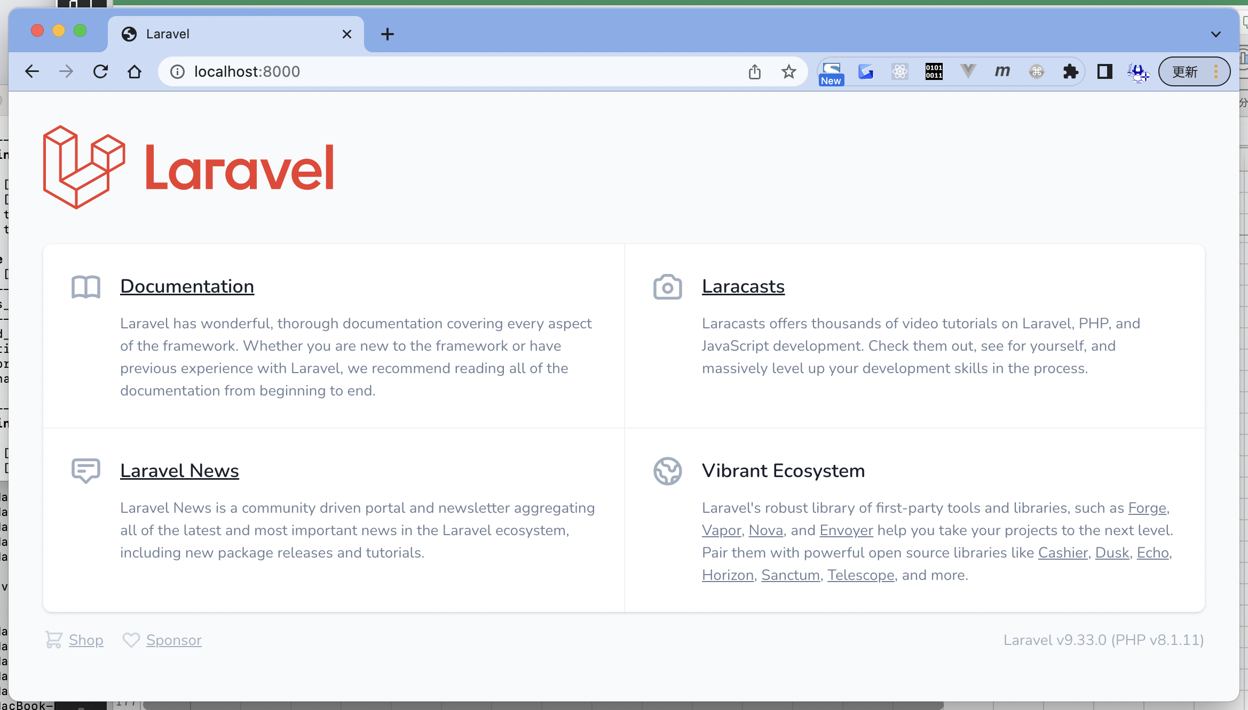

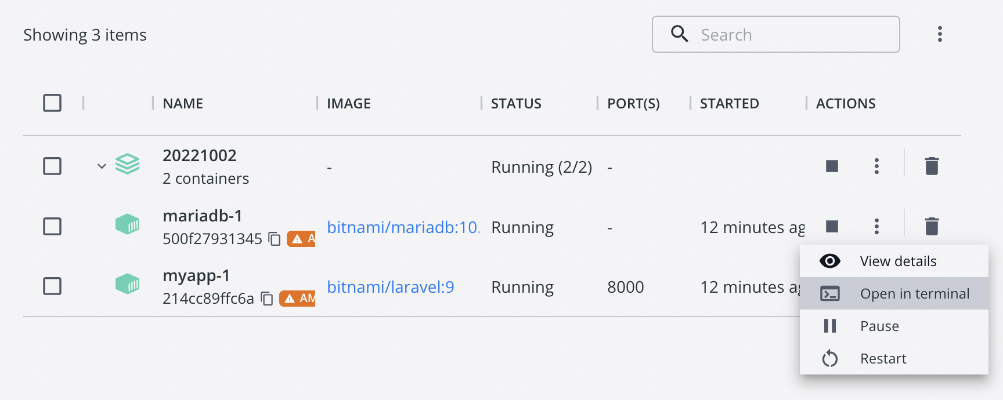

Last login: Sun Oct 2 19:05:25 on ttys001
toyohide@toyohidenoMacBook-Pro ~ % docker exec -it 500f27931345a6d8873933543286315b7f438ed5a510e18e2d5fc795cc428010 /bin/sh
$ mysql -u root -p
Enter password: |  |  | パスなし
Welcome to the MariaDB monitor. Commands end with ; or \g.
Your MariaDB connection id is 5
Server version: 10.6.10-MariaDB Source distribution

Copyright (c) 2000, 2018, Oracle, MariaDB Corporation Ab and others.

Type 'help;' or '\h' for help. Type '\c' to clear the current input statement.

MariaDB [(none)]> show databases;
+--------------------+
| Database |
+--------------------+
| bitnami_myapp |
| information_schema |
| mysql |
| performance_schema |
| sys |
| test |
+--------------------+
6 rows in set (0.010 sec)

MariaDB [(none)]> use bitnami_myapp
Reading table information for completion of table and column names
You can turn off this feature to get a quicker startup with -A

Database changed
MariaDB [bitnami_myapp]> show tables;
+-------------------------+
| Tables_in_bitnami_myapp |
+-------------------------+
| failed_jobs |
| migrations |
| password_resets |
| personal_access_tokens |
| users |
+-------------------------+
5 rows in set (0.005 sec)

MariaDB [bitnami_myapp]>
MariaDB [bitnami_myapp]> exit
Bye

復習
toyohide@toyohidenoMacBook-Pro ~ % cd /Users/toyohide/Desktop/hideyuki/MY_STUDY/docker_study/20221005

toyohide@toyohidenoMacBook-Pro 20221005 % mkdir 001

toyohide@toyohidenoMacBook-Pro 20221005 % cd 001

 |  | curl -LO https://raw.githubusercontent.com/bitnami/containers/main/bitnami/laravel/docker-compose.yml
toyohide@toyohidenoMacBook-Pro 001 % curl -LO https://raw.githubusercontent.com/bitnami/containers/main/bitnami/laravel/docker-compose.yml
% Total % Received % Xferd Average Speed Time Time Time Current
Dload Upload Total Spent Left Speed
100 539 100 539 0 0 1640 0 --:--:-- --:--:-- --:--:-- 1673

toyohide@toyohidenoMacBook-Pro 001 % ls -la
total 8
drwxr-xr-x 3 toyohide staff 96 10 4 20:43 .
drwxr-xr-x 3 toyohide staff 96 10 4 20:40 ..
-rw-r--r-- 1 toyohide staff 539 10 4 20:43 docker-compose.yml

toyohide@toyohidenoMacBook-Pro 001 % cat docker-compose.yml
version: '2'

services:
mariadb:
image: docker.io/bitnami/mariadb:10.6
environment:
# ALLOW_EMPTY_PASSWORD is recommended only for development.
- ALLOW_EMPTY_PASSWORD=yes
- MARIADB_USER=bn_myapp
- MARIADB_DATABASE=bitnami_myapp
myapp:
image: docker.io/bitnami/laravel:9
ports:
- '8000:8000'
environment:
- DB_HOST=mariadb
- DB_PORT=3306
- DB_USERNAME=bn_myapp
- DB_DATABASE=bitnami_myapp
volumes:
- './my-project:/app'
depends_on:
- mariadb

toyohide@toyohidenoMacBook-Pro 001 % docker-compose up
[+] Running 5/5
⠿ mariadb Pulled 15.1s
⠿ 7445a7501944 Pull complete 12.1s
⠿ myapp Pulled 19.5s
⠿ 1d8866550bdd Pull complete 3.4s
⠿ 3cf39b76b6b6 Pull complete 16.5s
[+] Running 3/2
⠿ Network 001_default Created 0.0s
⠿ Container 001-mariadb-1 Created 0.3s
⠿ Container 001-myapp-1 Created 0.0s
Attaching to 001-mariadb-1, 001-myapp-1
001-mariadb-1 | mariadb 11:46:06.83
001-mariadb-1 | mariadb 11:46:06.85 Welcome to the Bitnami mariadb container
001-mariadb-1 | mariadb 11:46:06.87 Subscribe to project updates by watching https://github.com/bitnami/containers
001-mariadb-1 | mariadb 11:46:06.90 Submit issues and feature requests at https://github.com/bitnami/containers/issues
001-mariadb-1 | mariadb 11:46:06.92
001-mariadb-1 | mariadb 11:46:06.94 INFO ==> ** Starting MariaDB setup **
001-myapp-1 | laravel 11:46:07.02
001-myapp-1 | laravel 11:46:07.04 Welcome to the Bitnami laravel container
001-myapp-1 | laravel 11:46:07.06 Subscribe to project updates by watching https://github.com/bitnami/containers
001-myapp-1 | laravel 11:46:07.08 Submit issues and feature requests at https://github.com/bitnami/containers/issues
001-myapp-1 | laravel 11:46:07.10
001-mariadb-1 | mariadb 11:46:07.09 INFO ==> Validating settings in MYSQL_*/MARIADB_* env vars
001-myapp-1 | laravel 11:46:07.12 INFO ==> ** Running Laravel setup **
001-mariadb-1 | mariadb 11:46:07.12 WARN ==> You set the environment variable ALLOW_EMPTY_PASSWORD=yes. For safety reasons, do not use this flag in a production environment.
001-mariadb-1 | mariadb 11:46:07.17 INFO ==> Initializing mariadb database
001-mariadb-1 | mariadb 11:46:07.32 INFO ==> Updating 'my.cnf' with custom configuration
001-mariadb-1 | mariadb 11:46:07.38 INFO ==> Setting user option
001-myapp-1 | laravel 11:46:07.37 INFO ==> Configuring PHP options
001-myapp-1 | laravel 11:46:07.40 INFO ==> Setting PHP opcache.enable option
001-mariadb-1 | mariadb 11:46:07.45 INFO ==> Setting slow_query_log option
001-myapp-1 | laravel 11:46:07.50 INFO ==> Setting PHP expose_php option
001-mariadb-1 | mariadb 11:46:07.53 INFO ==> Setting long_query_time option
001-mariadb-1 | mariadb 11:46:07.62 INFO ==> Installing database
001-myapp-1 | laravel 11:46:07.74 INFO ==> Validating settings in LARAVEL_* environment variables...
001-myapp-1 | laravel 11:46:07.87 INFO ==> Creating Laravel application in /app
001-mariadb-1 | 2022-10-04 11:46:08 0 [Warning] InnoDB: Linux Native AIO disabled.
001-mariadb-1 | mariadb 11:46:10.59 INFO ==> Starting mariadb in background
001-mariadb-1 | 2022-10-04 11:46:10 0 [Note] InnoDB: Compressed tables use zlib 1.2.11
001-mariadb-1 | 2022-10-04 11:46:10 0 [Note] InnoDB: Number of pools: 1
001-mariadb-1 | 2022-10-04 11:46:10 0 [Note] InnoDB: Using crc32 + pclmulqdq instructions
001-mariadb-1 | 2022-10-04 11:46:10 0 [Note] mysqld: O_TMPFILE is not supported on /opt/bitnami/mariadb/tmp (disabling future attempts)
001-mariadb-1 | 2022-10-04 11:46:10 0 [Warning] InnoDB: Linux Native AIO disabled.
001-mariadb-1 | 2022-10-04 11:46:10 0 [Note] InnoDB: Initializing buffer pool, total size = 134217728, chunk size = 134217728
001-mariadb-1 | 2022-10-04 11:46:10 0 [Note] InnoDB: Completed initialization of buffer pool
001-mariadb-1 | 2022-10-04 11:46:11 0 [Note] InnoDB: 128 rollback segments are active.
001-mariadb-1 | 2022-10-04 11:46:11 0 [Note] InnoDB: Creating shared tablespace for temporary tables
001-mariadb-1 | 2022-10-04 11:46:11 0 [Note] InnoDB: Setting file './ibtmp1' size to 12 MB. Physically writing the file full; Please wait ...
001-mariadb-1 | 2022-10-04 11:46:11 0 [Note] InnoDB: File './ibtmp1' size is now 12 MB.
001-mariadb-1 | 2022-10-04 11:46:11 0 [Note] InnoDB: 10.6.10 started; log sequence number 42266; transaction id 14
001-mariadb-1 | 2022-10-04 11:46:11 0 [Note] InnoDB: Loading buffer pool(s) from /bitnami/mariadb/data/ib_buffer_pool
001-mariadb-1 | 2022-10-04 11:46:11 0 [Note] Plugin 'FEEDBACK' is disabled.
001-mariadb-1 | 2022-10-04 11:46:11 0 [Note] InnoDB: Buffer pool(s) load completed at 221004 11:46:11
001-mariadb-1 | 2022-10-04 11:46:11 0 [Note] Server socket created on IP: '127.0.0.1'.
001-mariadb-1 | 2022-10-04 11:46:11 0 [Warning] 'user' entry 'root@8f7e657e5304' ignored in --skip-name-resolve mode.
001-mariadb-1 | 2022-10-04 11:46:11 0 [Warning] 'user' entry '@8f7e657e5304' ignored in --skip-name-resolve mode.
001-mariadb-1 | 2022-10-04 11:46:11 0 [Warning] 'proxies_priv' entry '@% root@8f7e657e5304' ignored in --skip-name-resolve mode.
001-mariadb-1 | 2022-10-04 11:46:11 0 [Note] /opt/bitnami/mariadb/sbin/mysqld: ready for connections.
001-mariadb-1 | Version: '10.6.10-MariaDB' socket: '/opt/bitnami/mariadb/tmp/mysql.sock' port: 3306 Source distribution
001-mariadb-1 | mariadb 11:46:12.80 INFO ==> Configuring authentication
001-mariadb-1 | 2022-10-04 11:46:13 5 [Warning] 'proxies_priv' entry '@% root@8f7e657e5304' ignored in --skip-name-resolve mode.
001-mariadb-1 | mariadb 11:46:14.10 INFO ==> Running mysql_upgrade
001-mariadb-1 | 2022-10-04 11:46:19 23 [Warning] 'proxies_priv' entry '@% root@8f7e657e5304' ignored in --skip-name-resolve mode.
001-mariadb-1 | find: '/docker-entrypoint-startdb.d/': No such file or directory
001-mariadb-1 | mariadb 11:46:20.08 INFO ==> Stopping mariadb
001-mariadb-1 | 2022-10-04 11:46:20 0 [Note] /opt/bitnami/mariadb/sbin/mysqld (initiated by: unknown): Normal shutdown
001-mariadb-1 | 2022-10-04 11:46:20 0 [Note] InnoDB: FTS optimize thread exiting.
001-mariadb-1 | 2022-10-04 11:46:20 0 [Note] InnoDB: Starting shutdown...
001-mariadb-1 | 2022-10-04 11:46:20 0 [Note] InnoDB: Dumping buffer pool(s) to /bitnami/mariadb/data/ib_buffer_pool
001-mariadb-1 | 2022-10-04 11:46:20 0 [Note] InnoDB: Buffer pool(s) dump completed at 221004 11:46:20
001-mariadb-1 | 2022-10-04 11:46:20 0 [Note] InnoDB: Removed temporary tablespace data file: "./ibtmp1"
001-mariadb-1 | 2022-10-04 11:46:20 0 [Note] InnoDB: Shutdown completed; log sequence number 42278; transaction id 18
001-mariadb-1 | 2022-10-04 11:46:20 0 [Note] /opt/bitnami/mariadb/sbin/mysqld: Shutdown complete
001-mariadb-1 |
001-mariadb-1 | mariadb 11:46:21.26 INFO ==> ** MariaDB setup finished! **
001-mariadb-1 |
001-mariadb-1 | mariadb 11:46:21.52 INFO ==> ** Starting MariaDB **
001-mariadb-1 | 2022-10-04 11:46:21 0 [Note] /opt/bitnami/mariadb/sbin/mysqld (server 10.6.10-MariaDB) starting as process 1 ...
001-mariadb-1 | 2022-10-04 11:46:21 0 [Note] InnoDB: Compressed tables use zlib 1.2.11
001-mariadb-1 | 2022-10-04 11:46:21 0 [Note] InnoDB: Number of pools: 1
001-mariadb-1 | 2022-10-04 11:46:21 0 [Note] InnoDB: Using crc32 + pclmulqdq instructions
001-mariadb-1 | 2022-10-04 11:46:21 0 [Note] mysqld: O_TMPFILE is not supported on /opt/bitnami/mariadb/tmp (disabling future attempts)
001-mariadb-1 | 2022-10-04 11:46:21 0 [Warning] InnoDB: Linux Native AIO disabled.
001-mariadb-1 | 2022-10-04 11:46:21 0 [Note] InnoDB: Initializing buffer pool, total size = 134217728, chunk size = 134217728
001-mariadb-1 | 2022-10-04 11:46:21 0 [Note] InnoDB: Completed initialization of buffer pool
001-mariadb-1 | 2022-10-04 11:46:21 0 [Note] InnoDB: 128 rollback segments are active.
001-mariadb-1 | 2022-10-04 11:46:21 0 [Note] InnoDB: Creating shared tablespace for temporary tables
001-mariadb-1 | 2022-10-04 11:46:21 0 [Note] InnoDB: Setting file './ibtmp1' size to 12 MB. Physically writing the file full; Please wait ...
001-mariadb-1 | 2022-10-04 11:46:21 0 [Note] InnoDB: File './ibtmp1' size is now 12 MB.
001-mariadb-1 | 2022-10-04 11:46:21 0 [Note] InnoDB: 10.6.10 started; log sequence number 42278; transaction id 14
001-mariadb-1 | 2022-10-04 11:46:21 0 [Note] InnoDB: Loading buffer pool(s) from /bitnami/mariadb/data/ib_buffer_pool
001-mariadb-1 | 2022-10-04 11:46:21 0 [Note] Plugin 'FEEDBACK' is disabled.
001-mariadb-1 | 2022-10-04 11:46:21 0 [Note] InnoDB: Buffer pool(s) load completed at 221004 11:46:21
001-mariadb-1 | 2022-10-04 11:46:21 0 [Note] Server socket created on IP: '0.0.0.0'.
001-mariadb-1 | 2022-10-04 11:46:21 0 [Warning] 'proxies_priv' entry '@% root@8f7e657e5304' ignored in --skip-name-resolve mode.
001-mariadb-1 | 2022-10-04 11:46:21 0 [Note] /opt/bitnami/mariadb/sbin/mysqld: ready for connections.
001-mariadb-1 | Version: '10.6.10-MariaDB' socket: '/opt/bitnami/mariadb/tmp/mysql.sock' port: 3306 Source distribution
001-myapp-1 | laravel 11:46:30.01 INFO ==> Regenerating APP_KEY
001-myapp-1 | laravel 11:46:32.32 Updating dependencies

http://localhost:8000/

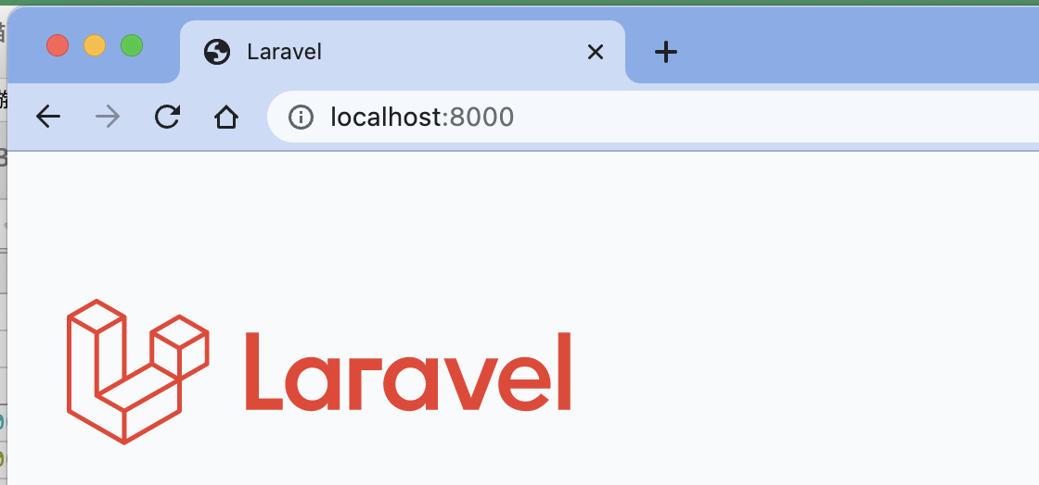

Laravel v9.33.0 (PHP v8.1.11)

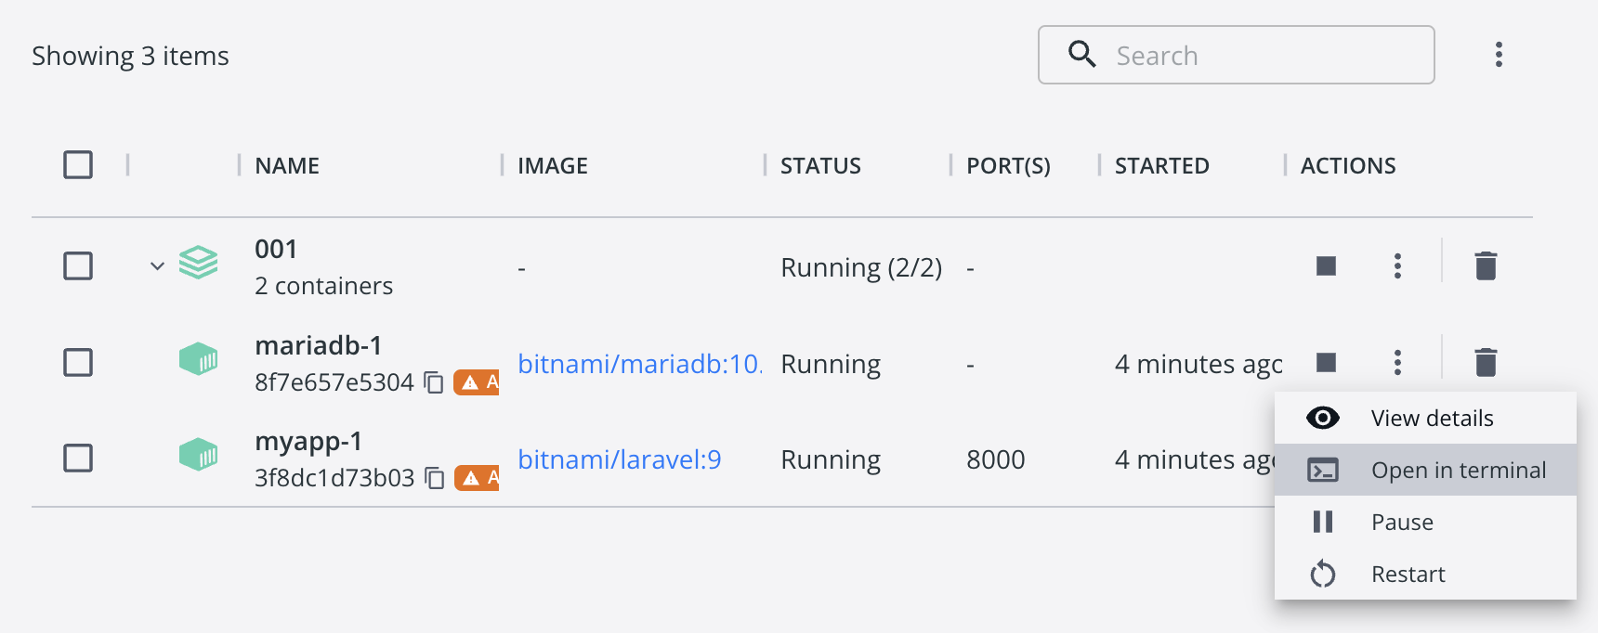

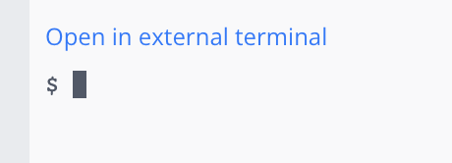

toyohide@toyohidenoMacBook-Pro ~ % docker exec -it 8f7e657e530408aacfcac6286e3bd9029afa4f9929c2af86ac74bd882a30b2c5 /bin/sh
$

$ mysql -u root -p
Enter password: | パスなし
Welcome to the MariaDB monitor. Commands end with ; or \g.
Your MariaDB connection id is 5
Server version: 10.6.10-MariaDB Source distribution

Copyright (c) 2000, 2018, Oracle, MariaDB Corporation Ab and others.

Type 'help;' or '\h' for help. Type '\c' to clear the current input statement.

MariaDB [(none)]> exit
Bye

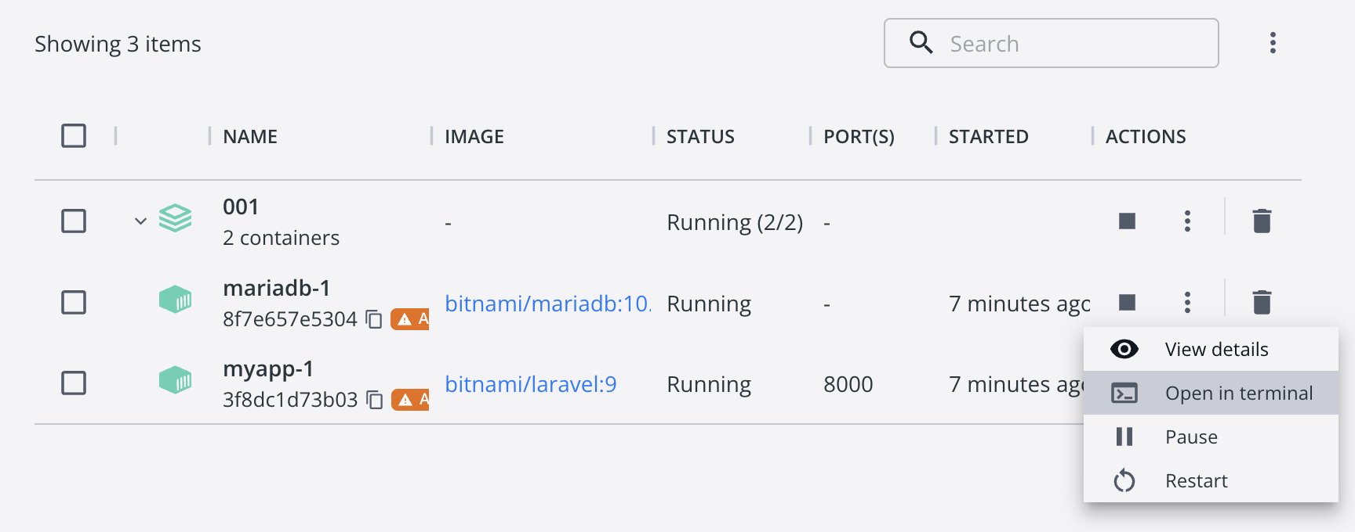

toyohide@toyohidenoMacBook-Pro ~ % docker exec -it 3f8dc1d73b036d05f7760ebf5e22e676358e2e8621a7cf9e2b457334d3ec242b /bin/sh

# bash

root@3f8dc1d73b03:/app# ls -la
total 332
drwxr-xr-x 27 bitnami bitnami 864 Oct 4 11:46 .
drwxr-xr-x 1 root root 4096 Oct 4 11:46 ..
-rw-r--r-- 1 bitnami bitnami 0 Oct 4 11:46 .buildcomplete
-rw-r--r-- 1 bitnami bitnami 258 Oct 4 11:46 .editorconfig
-rw-r--r-- 1 bitnami bitnami 1120 Oct 4 11:46 .env
-rw-r--r-- 1 bitnami bitnami 1069 Oct 4 11:46 .env.example
-rw-r--r-- 1 bitnami bitnami 179 Oct 4 11:46 .gitattributes
-rw-r--r-- 1 bitnami bitnami 203 Oct 4 11:46 .gitignore
-rw-r--r-- 1 bitnami bitnami 4134 Oct 4 11:46 README.md
drwxr-xr-x 7 bitnami bitnami 224 Oct 4 11:46 app
-rwxr-xr-x 1 bitnami bitnami 1686 Oct 4 11:46 artisan
drwxr-xr-x 4 bitnami bitnami 128 Oct 4 11:46 bootstrap
-rw-r--r-- 1 bitnami bitnami 1814 Oct 4 11:46 composer.json
-rw-r--r-- 1 bitnami bitnami 285652 Oct 4 11:46 composer.lock
drwxr-xr-x 17 bitnami bitnami 544 Oct 4 11:46 config
drwxr-xr-x 6 bitnami bitnami 192 Oct 4 11:46 database
drwxr-xr-x 3 bitnami bitnami 96 Oct 4 11:46 lang
drwxr-xr-x 3 bitnami bitnami 96 Oct 4 11:46 licenses
-rw-r--r-- 1 bitnami bitnami 285 Oct 4 11:46 package.json
-rw-r--r-- 1 bitnami bitnami 1175 Oct 4 11:46 phpunit.xml
drwxr-xr-x 6 bitnami bitnami 192 Oct 4 11:46 public
drwxr-xr-x 5 bitnami bitnami 160 Oct 4 11:46 resources
drwxr-xr-x 6 bitnami bitnami 192 Oct 4 11:46 routes
drwxr-xr-x 5 bitnami bitnami 160 Oct 4 11:46 storage
drwxr-xr-x 6 bitnami bitnami 192 Oct 4 11:46 tests
drwxr-xr-x 40 bitnami bitnami 1280 Oct 4 11:46 vendor
-rw-r--r-- 1 bitnami bitnami 263 Oct 4 11:46 vite.config.js

root@3f8dc1d73b03:/app# php artisan list
Laravel Framework 9.33.0

Usage:
command [options] [arguments]

Options:
-h, --help Display help for the given command. When no command is given display help for the list command
-q, --quiet Do not output any message
-V, --version Display this application version
--ansi|--no-ansi Force (or disable --no-ansi) ANSI output
-n, --no-interaction Do not ask any interactive question
--env[=ENV] The environment the command should run under
-v|vv|vvv, --verbose Increase the verbosity of messages: 1 for normal output, 2 for more verbose output and 3 for debug

Available commands:
about Display basic information about your application
clear-compiled Remove the compiled class file
completion Dump the shell completion script
db Start a new database CLI session
docs Access the Laravel documentation
down Put the application into maintenance / demo mode
env Display the current framework environment
help Display help for a command
inspire Display an inspiring quote
list List commands
migrate Run the database migrations
optimize Cache the framework bootstrap files
serve Serve the application on the PHP development server
test Run the application tests
tinker Interact with your application
up Bring the application out of maintenance mode
auth
auth:clear-resets Flush expired password reset tokens
cache
cache:clear Flush the application cache
cache:forget Remove an item from the cache
cache:table Create a migration for the cache database table
config
config:cache Create a cache file for faster configuration loading
config:clear Remove the configuration cache file
db
db:monitor Monitor the number of connections on the specified database
db:seed Seed the database with records
db:show Display information about the given database
db:table Display information about the given database table
db:wipe Drop all tables, views, and types
env
env:decrypt Decrypt an environment file
env:encrypt Encrypt an environment file
event
event:cache Discover and cache the application's events and listeners
event:clear Clear all cached events and listeners
event:generate Generate the missing events and listeners based on registration
event:list List the application's events and listeners
key
key:generate Set the application key
make
make:cast Create a new custom Eloquent cast class
make:channel Create a new channel class
make:command Create a new Artisan command
make:component Create a new view component class
make:controller Create a new controller class
make:event Create a new event class
make:exception Create a new custom exception class
make:factory Create a new model factory
make:job Create a new job class
make:listener Create a new event listener class
make:mail Create a new email class
make:middleware Create a new middleware class
make:migration Create a new migration file
make:model Create a new Eloquent model class
make:notification Create a new notification class
make:observer Create a new observer class
make:policy Create a new policy class
make:provider Create a new service provider class
make:request Create a new form request class
make:resource Create a new resource
make:rule Create a new validation rule
make:scope Create a new scope class
make:seeder Create a new seeder class
make:test Create a new test class
migrate
migrate:fresh Drop all tables and re-run all migrations
migrate:install Create the migration repository
migrate:refresh Reset and re-run all migrations
migrate:reset Rollback all database migrations
migrate:rollback Rollback the last database migration
migrate:status Show the status of each migration
model
model:prune Prune models that are no longer needed
model:show Show information about an Eloquent model
notifications
notifications:table Create a migration for the notifications table
optimize
optimize:clear Remove the cached bootstrap files
package
package:discover Rebuild the cached package manifest
queue
queue:batches-table Create a migration for the batches database table
queue:clear Delete all of the jobs from the specified queue
queue:failed List all of the failed queue jobs
queue:failed-table Create a migration for the failed queue jobs database table
queue:flush Flush all of the failed queue jobs
queue:forget Delete a failed queue job
queue:listen Listen to a given queue
queue:monitor Monitor the size of the specified queues
queue:prune-batches Prune stale entries from the batches database
queue:prune-failed Prune stale entries from the failed jobs table
queue:restart Restart queue worker daemons after their current job
queue:retry Retry a failed queue job
queue:retry-batch Retry the failed jobs for a batch
queue:table Create a migration for the queue jobs database table
queue:work Start processing jobs on the queue as a daemon
route
route:cache Create a route cache file for faster route registration
route:clear Remove the route cache file
route:list List all registered routes
sail
sail:install Install Laravel Sail's default Docker Compose file
sail:publish Publish the Laravel Sail Docker files
sanctum
sanctum:prune-expired Prune tokens expired for more than specified number of hours.
schedule
schedule:clear-cache Delete the cached mutex files created by scheduler
schedule:list List the scheduled commands
schedule:run Run the scheduled commands
schedule:test Run a scheduled command
schedule:work Start the schedule worker
schema
schema:dump Dump the given database schema
session
session:table Create a migration for the session database table
storage
storage:link Create the symbolic links configured for the application
stub
stub:publish Publish all stubs that are available for customization
vendor
vendor:publish Publish any publishable assets from vendor packages
view
view:cache Compile all of the application's Blade templates
view:clear Clear all compiled view files

root@3f8dc1d73b03:/app# php artisan --version
Laravel Framework 9.33.0

root@3f8dc1d73b03:/app# cat .env | grep DB_
DB_CONNECTION=mysql
DB_HOST=127.0.0.1
DB_PORT=3306
DB_DATABASE=laravel |  | 変更されていないが
DB_USERNAME=root
DB_PASSWORD=

$ mysql -u root -p
Enter password:
Welcome to the MariaDB monitor. Commands end with ; or \g.
Your MariaDB connection id is 6
Server version: 10.6.10-MariaDB Source distribution

Copyright (c) 2000, 2018, Oracle, MariaDB Corporation Ab and others.

Type 'help;' or '\h' for help. Type '\c' to clear the current input statement.

MariaDB [(none)]> show databases;
+--------------------+
| Database |
+--------------------+
| bitnami_myapp |
| information_schema |
| mysql |
| performance_schema |
| sys |
| test |
+--------------------+
6 rows in set (0.006 sec)

MariaDB [(none)]> use bitnami_myapp
Reading table information for completion of table and column names
You can turn off this feature to get a quicker startup with -A

Database changed

MariaDB [bitnami_myapp]> show tables;
+-------------------------+
| Tables_in_bitnami_myapp |
+-------------------------+
| failed_jobs |
| migrations |
| password_resets |
| personal_access_tokens |
| users |
+-------------------------+
5 rows in set (0.004 sec)

MariaDB [bitnami_myapp]> select * from migrations;
+----+-------------------------------------------------------+-------+
| id | migration | batch |
+----+-------------------------------------------------------+-------+
| 1 | 2014_10_12_000000_create_users_table | 1 |
| 2 | 2014_10_12_100000_create_password_resets_table | 1 |
| 3 | 2019_08_19_000000_create_failed_jobs_table | 1 |
| 4 | 2019_12_14_000001_create_personal_access_tokens_table | 1 |
+----+-------------------------------------------------------+-------+
4 rows in set (0.013 sec)

 |  |  | root@3f8dc1d73b03:/app# php artisan migrate:rollback

 |  |  | INFO Rolling back migrations.

 |  |  | 2019_12_14_000001_create_personal_access_tokens_table .................................................................................. 31ms DONE
MariaDB [bitnami_myapp]> select * from migrations; |  |  | 2019_08_19_000000_create_failed_jobs_table .............................................................................................. 4ms DONE
Empty set (0.005 sec) |  |  | 2014_10_12_100000_create_password_resets_table .......................................................................................... 5ms DONE
 |  |  | 2014_10_12_000000_create_users_table .................................................................................................... 5ms DONE
MariaDB [bitnami_myapp]> show tables;
+-------------------------+
| Tables_in_bitnami_myapp |
+-------------------------+ |  |  | root@3f8dc1d73b03:/app# php artisan migrate
| migrations |
+-------------------------+ |  |  | INFO Running migrations.
1 row in set (0.005 sec)
 |  |  | 2014_10_12_000000_create_users_table ................................................................................................... 26ms DONE
 |  |  | 2014_10_12_100000_create_password_resets_table ......................................................................................... 14ms DONE
 |  |  | 2019_08_19_000000_create_failed_jobs_table ............................................................................................. 14ms DONE
MariaDB [bitnami_myapp]> show tables; |  |  | 2019_12_14_000001_create_personal_access_tokens_table .................................................................................. 19ms DONE
+-------------------------+
| Tables_in_bitnami_myapp |
+-------------------------+
| failed_jobs |
| migrations |
| password_resets |
| personal_access_tokens |
| users |
+-------------------------+
5 rows in set (0.005 sec)

MariaDB [bitnami_myapp]> select * from migrations;
+----+-------------------------------------------------------+-------+
| id | migration | batch |
+----+-------------------------------------------------------+-------+
| 5 | 2014_10_12_000000_create_users_table | 1 |
| 6 | 2014_10_12_100000_create_password_resets_table | 1 |
| 7 | 2019_08_19_000000_create_failed_jobs_table | 1 |
| 8 | 2019_12_14_000001_create_personal_access_tokens_table | 1 |
+----+-------------------------------------------------------+-------+
4 rows in set (0.001 sec)

MariaDB [bitnami_myapp]> exit
Bye

復習2
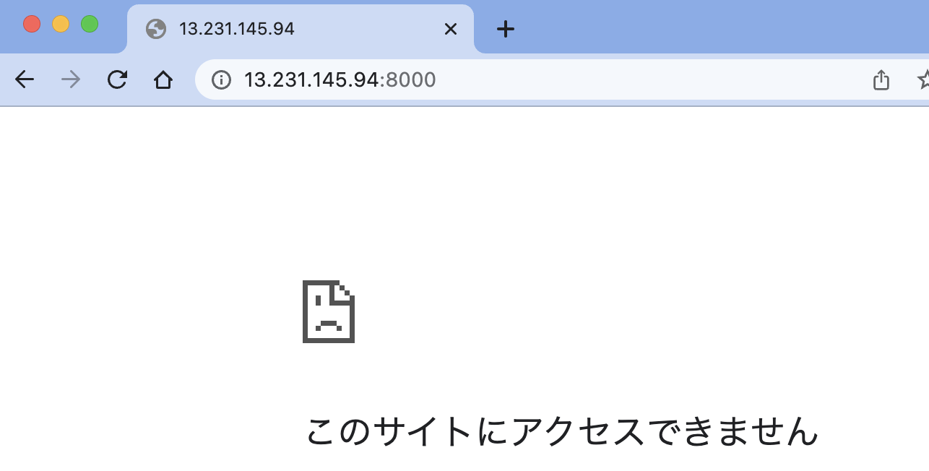
● | awsにログインする
 |  | ssh ec2-user@ec2-13-231-145-94.ap-northeast-1.compute.amazonaws.com
 | toyohide@toyohidenoMacBook-Pro ~ % ssh ec2-user@ec2-13-231-145-94.ap-northeast-1.compute.amazonaws.com
 | Last login: Fri Oct 7 13:55:31 2022 from ec2-3-112-23-4.ap-northeast-1.compute.amazonaws.com

 | __| __|_ )
 | _| ( / Amazon Linux 2 AMI
 | ___|\___|___|

 | https://aws.amazon.com/amazon-linux-2/

● | コンテナを削除する

 | [ec2-user@ip-172-31-3-53 ~]$ docker ps -a
 | CONTAINER ID IMAGE COMMAND CREATED STATUS PORTS NAMES
 | b353eea3456e nginx:latest "/docker-entrypoint.…" 9 hours ago Exited (0) 33 seconds ago nginx00
 | 40f326bf73b4 hoge/nginx:ver1.0 "/sbin/init" 9 hours ago Exited (137) 14 seconds ago web01
 | 72862d76c688 enakai00/centos:centos7 "/bin/bash" 9 hours ago Exited (127) 9 hours ago centos01
 | 2244362a92a6 2d389e545974 "/docker-entrypoint.…" 3 days ago Exited (0) 9 hours ago nginx
 | 42e65d73b0bd mysql:5.7 "docker-entrypoint.s…" 3 days ago Exited (0) 9 hours ago db
 | 8584bd2aae6f laravel_docker_app "docker-php-entrypoi…" 3 days ago Exited (0) 9 hours ago app

 | [ec2-user@ip-172-31-3-53 ~]$ docker rm nginx00
 | nginx00
 | [ec2-user@ip-172-31-3-53 ~]$ docker rm web01
 | web01
 | [ec2-user@ip-172-31-3-53 ~]$ docker rm centos01
 | centos01
 | [ec2-user@ip-172-31-3-53 ~]$ docker rm nginx
 | nginx
 | [ec2-user@ip-172-31-3-53 ~]$ docker rm db
 | db
 | [ec2-user@ip-172-31-3-53 ~]$ docker rm app
 | app

● | イメージを削除する

 | [ec2-user@ip-172-31-3-53 ~]$ docker images
 | REPOSITORY TAG IMAGE ID CREATED SIZE
 | enakai00/centos centos7 3bd78cf8ed76 7 years ago 172MB
 | enakai00/centos latest 3bd78cf8ed76 7 years ago 172MB

 | [ec2-user@ip-172-31-3-53 ~]$ docker rmi 3bd78cf8ed76 -f
 | Untagged: enakai00/centos:centos7
 | Untagged: enakai00/centos:latest
 | Untagged: enakai00/centos@sha256:49ecd6397d1f23deb245d3e0332862d68a9d34bb1d030066ae6175b8e9540c34
 | Untagged: enakai00/centos@sha256:5871aecd08cd037002d42ebb92cfe11a78c93806ab2275a627bf4551cc638855
 | Deleted: sha256:3bd78cf8ed76fe329530d6319a3c5edc882321c84add9b1789606686ac8c527b
 | Deleted: sha256:7fc517bb548fdf40ef32bfd3ada9e64aa17c161055c8dec10440446984cc261e
 | Deleted: sha256:2a95722ca71a8acb234d2e49ffd3e5202b861d4cf54f6d697b24cfbfc8c1313c
 | Deleted: sha256:5f70bf18a086007016e948b04aed3b82103a36bea41755b6cddfaf10ace3c6ef

● | docker-compose.yml取得

 | [ec2-user@ip-172-31-3-53 ~]$ mkdir docker20221008

 | [ec2-user@ip-172-31-3-53 ~]$ cd docker20221008/

 |  | curl -LO https://raw.githubusercontent.com/bitnami/containers/main/bitnami/laravel/docker-compose.yml
 | [ec2-user@ip-172-31-3-53 docker20221008]$ curl -LO https://raw.githubusercontent.com/bitnami/containers/main/bitnami/laravel/docker-compose.yml
 | % Total % Received % Xferd Average Speed Time Time Time Current
 | Dload Upload Total Spent Left Speed
 | 100 539 100 539 0 0 2039 0 --:--:-- --:--:-- --:--:-- 2041

 | [ec2-user@ip-172-31-3-53 docker20221008]$ ls -la
 | 合計 4
 | drwxrwxr-x 2 ec2-user ec2-user 32 10月 7 23:26 .
 | drwx------ 4 ec2-user ec2-user 133 10月 7 23:26 ..
 | -rw-rw-r-- 1 ec2-user ec2-user 539 10月 7 23:26 docker-compose.yml

 | [ec2-user@ip-172-31-3-53 docker20221008]$ cat docker-compose.yml
 | version: '2'

 | services:
 | mariadb:
 | image: docker.io/bitnami/mariadb:10.6
 | environment:
 | # ALLOW_EMPTY_PASSWORD is recommended only for development.
 | - ALLOW_EMPTY_PASSWORD=yes
 | - MARIADB_USER=bn_myapp
 | - MARIADB_DATABASE=bitnami_myapp
 | myapp:
 | image: docker.io/bitnami/laravel:9
 | ports:
 | - '8000:8000'
 | environment:
 | - DB_HOST=mariadb
 | - DB_PORT=3306
 | - DB_USERNAME=bn_myapp
 | - DB_DATABASE=bitnami_myapp
 | volumes:
 | - './my-project:/app'
 | depends_on:
 | - mariadb

 | [ec2-user@ip-172-31-3-53 docker20221008]$ docker-compose --version
 | docker-compose version 1.29.2, build 5becea4c

● | 起動

 | [ec2-user@ip-172-31-3-53 docker20221008]$ docker-compose up
 | Creating network "docker20221008_default" with the default driver
 | Pulling mariadb (docker.io/bitnami/mariadb:10.6)...
 | 10.6: Pulling from bitnami/mariadb
 | 1d8866550bdd: Pull complete
 | e8050eb0e3f2: Pull complete
 | Digest: sha256:e93f496212f8e08ea170ad4b4bd5ffeed71e3a48612e56ab02937ba19418aa69
 | Status: Downloaded newer image for bitnami/mariadb:10.6
 | Pulling myapp (docker.io/bitnami/laravel:9)...
 | 9: Pulling from bitnami/laravel
 | 1d8866550bdd: Already exists
 | 1f6929fb7889: Pull complete
 | Digest: sha256:329b9e6d4d5cf3874623d751b71b4e8468134a992be8e1519fd85174b64f09e8
 | Status: Downloaded newer image for bitnami/laravel:9
 | Creating docker20221008_mariadb_1 ... done
 | Creating docker20221008_myapp_1 ... done
 | Attaching to docker20221008_mariadb_1, docker20221008_myapp_1
 | mariadb_1 | mariadb 23:31:07.08
 | mariadb_1 | mariadb 23:31:07.09 Welcome to the Bitnami mariadb container
 | mariadb_1 | mariadb 23:31:07.09 Subscribe to project updates by watching https://github.com/bitnami/containers
 | mariadb_1 | mariadb 23:31:07.09 Submit issues and feature requests at https://github.com/bitnami/containers/issues
 | mariadb_1 | mariadb 23:31:07.09
 | mariadb_1 | mariadb 23:31:07.09 INFO ==> ** Starting MariaDB setup **
 | mariadb_1 | mariadb 23:31:07.12 INFO ==> Validating settings in MYSQL_*/MARIADB_* env vars
 | mariadb_1 | mariadb 23:31:07.12 WARN ==> You set the environment variable ALLOW_EMPTY_PASSWORD=yes. For safety reasons, do not use this flag in a production environment.
 | mariadb_1 | mariadb 23:31:07.14 INFO ==> Initializing mariadb database
 | mariadb_1 | mariadb 23:31:07.16 INFO ==> Updating 'my.cnf' with custom configuration
 | mariadb_1 | mariadb 23:31:07.18 INFO ==> Setting user option
 | mariadb_1 | mariadb 23:31:07.21 INFO ==> Setting slow_query_log option
 | mariadb_1 | mariadb 23:31:07.21 INFO ==> Setting long_query_time option
 | mariadb_1 | mariadb 23:31:07.22 INFO ==> Installing database
 | myapp_1 | laravel 23:31:07.96
 | myapp_1 | laravel 23:31:07.96 Welcome to the Bitnami laravel container
 | myapp_1 | laravel 23:31:07.96 Subscribe to project updates by watching https://github.com/bitnami/containers
 | myapp_1 | laravel 23:31:07.96 Submit issues and feature requests at https://github.com/bitnami/containers/issues
 | myapp_1 | laravel 23:31:07.97
 | myapp_1 | laravel 23:31:07.97 INFO ==> ** Running Laravel setup **
 | myapp_1 | laravel 23:31:08.01 INFO ==> Configuring PHP options
 | myapp_1 | laravel 23:31:08.01 INFO ==> Setting PHP opcache.enable option
 | myapp_1 | laravel 23:31:08.03 INFO ==> Setting PHP expose_php option
 | myapp_1 | laravel 23:31:08.07 INFO ==> Validating settings in LARAVEL_* environment variables...
 | myapp_1 | laravel 23:31:08.09 INFO ==> Creating Laravel application in /app
 | mariadb_1 | mariadb 23:31:09.38 INFO ==> Starting mariadb in background
 | mariadb_1 | 2022-10-07 23:31:09 0 [Note] InnoDB: Compressed tables use zlib 1.2.11
 | mariadb_1 | 2022-10-07 23:31:09 0 [Note] InnoDB: Number of pools: 1
 | mariadb_1 | 2022-10-07 23:31:09 0 [Note] InnoDB: Using crc32 + pclmulqdq instructions
 | mariadb_1 | 2022-10-07 23:31:09 0 [Note] mysqld: O_TMPFILE is not supported on /opt/bitnami/mariadb/tmp (disabling future attempts)
 | mariadb_1 | 2022-10-07 23:31:09 0 [Note] InnoDB: Using Linux native AIO
 | mariadb_1 | 2022-10-07 23:31:09 0 [Note] InnoDB: Initializing buffer pool, total size = 134217728, chunk size = 134217728
 | mariadb_1 | 2022-10-07 23:31:09 0 [Note] InnoDB: Completed initialization of buffer pool
 | mariadb_1 | 2022-10-07 23:31:09 0 [Note] InnoDB: 128 rollback segments are active.
 | mariadb_1 | 2022-10-07 23:31:09 0 [Note] InnoDB: Creating shared tablespace for temporary tables
 | mariadb_1 | 2022-10-07 23:31:09 0 [Note] InnoDB: Setting file './ibtmp1' size to 12 MB. Physically writing the file full; Please wait ...
 | mariadb_1 | 2022-10-07 23:31:09 0 [Note] InnoDB: File './ibtmp1' size is now 12 MB.
 | mariadb_1 | 2022-10-07 23:31:09 0 [Note] InnoDB: 10.6.10 started; log sequence number 42120; transaction id 14
 | mariadb_1 | 2022-10-07 23:31:09 0 [Note] Plugin 'FEEDBACK' is disabled.
 | mariadb_1 | 2022-10-07 23:31:09 0 [Note] InnoDB: Loading buffer pool(s) from /bitnami/mariadb/data/ib_buffer_pool
 | mariadb_1 | 2022-10-07 23:31:09 0 [Note] Server socket created on IP: '127.0.0.1'.
 | mariadb_1 | 2022-10-07 23:31:09 0 [Note] InnoDB: Buffer pool(s) load completed at 221007 23:31:09
 | mariadb_1 | 2022-10-07 23:31:09 0 [Warning] 'user' entry 'root@08c1d96d2583' ignored in --skip-name-resolve mode.
 | mariadb_1 | 2022-10-07 23:31:09 0 [Warning] 'user' entry '@08c1d96d2583' ignored in --skip-name-resolve mode.
 | mariadb_1 | 2022-10-07 23:31:09 0 [Warning] 'proxies_priv' entry '@% root@08c1d96d2583' ignored in --skip-name-resolve mode.
 | mariadb_1 | 2022-10-07 23:31:09 0 [Note] /opt/bitnami/mariadb/sbin/mysqld: ready for connections.
 | mariadb_1 | Version: '10.6.10-MariaDB' socket: '/opt/bitnami/mariadb/tmp/mysql.sock' port: 3306 Source distribution
 | mariadb_1 | mariadb 23:31:11.45 INFO ==> Configuring authentication
 | mariadb_1 | 2022-10-07 23:31:11 5 [Warning] 'proxies_priv' entry '@% root@08c1d96d2583' ignored in --skip-name-resolve mode.
 | mariadb_1 | mariadb 23:31:11.56 INFO ==> Running mysql_upgrade
 | myapp_1 | laravel 23:31:11.57 INFO ==> Regenerating APP_KEY
 | myapp_1 | laravel 23:31:12.00 Updating dependencies
 | mariadb_1 | 2022-10-07 23:31:15 23 [Warning] 'proxies_priv' entry '@% root@08c1d96d2583' ignored in --skip-name-resolve mode.
 | mariadb_1 | find: '/docker-entrypoint-startdb.d/': No such file or directory
 | mariadb_1 | mariadb 23:31:15.05 INFO ==> Stopping mariadb
 | mariadb_1 | 2022-10-07 23:31:15 0 [Note] /opt/bitnami/mariadb/sbin/mysqld (initiated by: unknown): Normal shutdown
 | mariadb_1 | 2022-10-07 23:31:15 0 [Note] InnoDB: FTS optimize thread exiting.
 | mariadb_1 | 2022-10-07 23:31:15 0 [Note] InnoDB: Starting shutdown...
 | mariadb_1 | 2022-10-07 23:31:15 0 [Note] InnoDB: Dumping buffer pool(s) to /bitnami/mariadb/data/ib_buffer_pool
 | mariadb_1 | 2022-10-07 23:31:15 0 [Note] InnoDB: Buffer pool(s) dump completed at 221007 23:31:15
 | mariadb_1 | 2022-10-07 23:31:15 0 [Note] InnoDB: Removed temporary tablespace data file: "./ibtmp1"
 | mariadb_1 | 2022-10-07 23:31:15 0 [Note] InnoDB: Shutdown completed; log sequence number 42132; transaction id 18
 | mariadb_1 | 2022-10-07 23:31:15 0 [Note] /opt/bitnami/mariadb/sbin/mysqld: Shutdown complete
 | mariadb_1 |
 | mariadb_1 | mariadb 23:31:16.08 INFO ==> ** MariaDB setup finished! **
 | mariadb_1 |
 | mariadb_1 | mariadb 23:31:16.18 INFO ==> ** Starting MariaDB **
 | mariadb_1 | 2022-10-07 23:31:16 0 [Note] /opt/bitnami/mariadb/sbin/mysqld (server 10.6.10-MariaDB) starting as process 1 ...
 | mariadb_1 | 2022-10-07 23:31:16 0 [Note] InnoDB: Compressed tables use zlib 1.2.11
 | mariadb_1 | 2022-10-07 23:31:16 0 [Note] InnoDB: Number of pools: 1
 | mariadb_1 | 2022-10-07 23:31:16 0 [Note] InnoDB: Using crc32 + pclmulqdq instructions
 | mariadb_1 | 2022-10-07 23:31:16 0 [Note] mysqld: O_TMPFILE is not supported on /opt/bitnami/mariadb/tmp (disabling future attempts)
 | mariadb_1 | 2022-10-07 23:31:16 0 [Note] InnoDB: Using Linux native AIO
 | mariadb_1 | 2022-10-07 23:31:16 0 [Note] InnoDB: Initializing buffer pool, total size = 134217728, chunk size = 134217728
 | mariadb_1 | 2022-10-07 23:31:16 0 [Note] InnoDB: Completed initialization of buffer pool
 | mariadb_1 | 2022-10-07 23:31:16 0 [Note] InnoDB: 128 rollback segments are active.
 | mariadb_1 | 2022-10-07 23:31:16 0 [Note] InnoDB: Creating shared tablespace for temporary tables
 | mariadb_1 | 2022-10-07 23:31:16 0 [Note] InnoDB: Setting file './ibtmp1' size to 12 MB. Physically writing the file full; Please wait ...
 | mariadb_1 | 2022-10-07 23:31:16 0 [Note] InnoDB: File './ibtmp1' size is now 12 MB.
 | mariadb_1 | 2022-10-07 23:31:16 0 [Note] InnoDB: 10.6.10 started; log sequence number 42132; transaction id 14
 | mariadb_1 | 2022-10-07 23:31:16 0 [Note] Plugin 'FEEDBACK' is disabled.
 | mariadb_1 | 2022-10-07 23:31:16 0 [Note] InnoDB: Loading buffer pool(s) from /bitnami/mariadb/data/ib_buffer_pool
 | mariadb_1 | 2022-10-07 23:31:16 0 [Note] Server socket created on IP: '0.0.0.0'.
 | mariadb_1 | 2022-10-07 23:31:16 0 [Warning] 'proxies_priv' entry '@% root@08c1d96d2583' ignored in --skip-name-resolve mode.
 | mariadb_1 | 2022-10-07 23:31:16 0 [Note] InnoDB: Buffer pool(s) load completed at 221007 23:31:16
 | mariadb_1 | 2022-10-07 23:31:16 0 [Note] /opt/bitnami/mariadb/sbin/mysqld: ready for connections.
 | mariadb_1 | Version: '10.6.10-MariaDB' socket: '/opt/bitnami/mariadb/tmp/mysql.sock' port: 3306 Source distribution
 | myapp_1 | laravel 23:31:19.98 INFO ==> Trying to connect to the database server
 | mariadb_1 | 2022-10-07 23:31:20 3 [Warning] Aborted connection 3 to db: 'unconnected' user: 'unauthenticated' host: '172.19.0.3' (This connection closed normally without authentication)
 | myapp_1 | laravel 23:31:20.02 INFO ==> Executing database migrations
 | myapp_1 | laravel 23:31:20.36 INFO ==> ** Laravel setup finished! **
 | myapp_1 |
 | myapp_1 | laravel 23:31:20.37 INFO ==> ** Starting Laravel project **
 | myapp_1 |
 | myapp_1 | INFO Server running on [http://0.0.0.0:8000].
 | myapp_1 |
 | myapp_1 | Press Ctrl+C to stop the server
 | myapp_1 |

● | 停止

 | myapp_1 | Press Ctrl+C to stop the server
 | myapp_1 |
 | ^CGracefully stopping... (press Ctrl+C again to force)
 | Stopping docker20221008_myapp_1 ... done
 | Stopping docker20221008_mariadb_1 ... done

 | [ec2-user@ip-172-31-3-53 docker20221008]$ docker ps
 | CONTAINER ID IMAGE COMMAND CREATED STATUS PORTS NAMES

 | [ec2-user@ip-172-31-3-53 docker20221008]$ docker ps -a
 | CONTAINER ID IMAGE COMMAND CREATED STATUS PORTS NAMES
 | 96b06bfc3830 bitnami/laravel:9 "/opt/bitnami/script…" 3 minutes ago Exited (137) 48 seconds ago docker20221008_myapp_1
 | 08c1d96d2583 bitnami/mariadb:10.6 "/opt/bitnami/script…" 3 minutes ago Exited (0) 47 seconds ago docker20221008_mariadb_1

● | 再起動

 | [ec2-user@ip-172-31-3-53 docker20221008]$ docker-compose up
 | Starting docker20221008_mariadb_1 ... done
 | Starting docker20221008_myapp_1 ... done
 | Attaching to docker20221008_mariadb_1, docker20221008_myapp_1
 | mariadb_1 | mariadb 23:36:09.32
 | mariadb_1 | mariadb 23:36:09.32 Welcome to the Bitnami mariadb container
 | mariadb_1 | mariadb 23:36:09.32 Subscribe to project updates by watching https://github.com/bitnami/containers
 | mariadb_1 | mariadb 23:36:09.34 Submit issues and feature requests at https://github.com/bitnami/containers/issues
 | mariadb_1 | mariadb 23:36:09.34
 | mariadb_1 | mariadb 23:36:09.34 INFO ==> ** Starting MariaDB setup **
 | mariadb_1 | mariadb 23:36:09.37 INFO ==> Validating settings in MYSQL_*/MARIADB_* env vars
 | mariadb_1 | mariadb 23:36:09.37 WARN ==> You set the environment variable ALLOW_EMPTY_PASSWORD=yes. For safety reasons, do not use this flag in a production environment.
 | mariadb_1 | mariadb 23:36:09.38 INFO ==> Initializing mariadb database
 | mariadb_1 | mariadb 23:36:09.41 INFO ==> Updating 'my.cnf' with custom configuration
 | mariadb_1 | mariadb 23:36:09.42 INFO ==> Setting user option
 | mariadb_1 | mariadb 23:36:09.43 INFO ==> Setting slow_query_log option
 | mariadb_1 | mariadb 23:36:09.43 INFO ==> Setting long_query_time option
 | mariadb_1 | mariadb 23:36:09.44 INFO ==> Using persisted data
 | mariadb_1 | mariadb 23:36:09.49 INFO ==> Running mysql_upgrade
 | mariadb_1 | mariadb 23:36:09.50 INFO ==> Starting mariadb in background
 | mariadb_1 | 2022-10-07 23:36:09 0 [Note] InnoDB: Compressed tables use zlib 1.2.11
 | mariadb_1 | 2022-10-07 23:36:09 0 [Note] InnoDB: Number of pools: 1
 | mariadb_1 | 2022-10-07 23:36:09 0 [Note] InnoDB: Using crc32 + pclmulqdq instructions
 | mariadb_1 | 2022-10-07 23:36:09 0 [Note] mysqld: O_TMPFILE is not supported on /opt/bitnami/mariadb/tmp (disabling future attempts)
 | mariadb_1 | 2022-10-07 23:36:09 0 [Note] InnoDB: Using Linux native AIO
 | mariadb_1 | 2022-10-07 23:36:09 0 [Note] InnoDB: Initializing buffer pool, total size = 134217728, chunk size = 134217728
 | mariadb_1 | 2022-10-07 23:36:09 0 [Note] InnoDB: Completed initialization of buffer pool
 | mariadb_1 | 2022-10-07 23:36:09 0 [Note] InnoDB: 128 rollback segments are active.
 | mariadb_1 | 2022-10-07 23:36:09 0 [Note] InnoDB: Creating shared tablespace for temporary tables
 | mariadb_1 | 2022-10-07 23:36:09 0 [Note] InnoDB: Setting file './ibtmp1' size to 12 MB. Physically writing the file full; Please wait ...
 | mariadb_1 | 2022-10-07 23:36:09 0 [Note] InnoDB: File './ibtmp1' size is now 12 MB.
 | mariadb_1 | 2022-10-07 23:36:09 0 [Note] InnoDB: 10.6.10 started; log sequence number 68639; transaction id 87
 | mariadb_1 | 2022-10-07 23:36:09 0 [Note] Plugin 'FEEDBACK' is disabled.
 | mariadb_1 | 2022-10-07 23:36:09 0 [Note] InnoDB: Loading buffer pool(s) from /bitnami/mariadb/data/ib_buffer_pool
 | mariadb_1 | 2022-10-07 23:36:09 0 [Note] Server socket created on IP: '127.0.0.1'.
 | mariadb_1 | 2022-10-07 23:36:09 0 [Warning] 'proxies_priv' entry '@% root@08c1d96d2583' ignored in --skip-name-resolve mode.
 | mariadb_1 | 2022-10-07 23:36:09 0 [Note] /opt/bitnami/mariadb/sbin/mysqld: ready for connections.
 | mariadb_1 | Version: '10.6.10-MariaDB' socket: '/opt/bitnami/mariadb/tmp/mysql.sock' port: 3306 Source distribution
 | mariadb_1 | 2022-10-07 23:36:09 0 [Note] InnoDB: Buffer pool(s) load completed at 221007 23:36:09
 | myapp_1 | laravel 23:36:09.97
 | myapp_1 | laravel 23:36:09.97 Welcome to the Bitnami laravel container
 | myapp_1 | laravel 23:36:09.97 Subscribe to project updates by watching https://github.com/bitnami/containers
 | myapp_1 | laravel 23:36:09.98 Submit issues and feature requests at https://github.com/bitnami/containers/issues
 | myapp_1 | laravel 23:36:09.98
 | myapp_1 | laravel 23:36:09.98 INFO ==> ** Running Laravel setup **
 | myapp_1 | laravel 23:36:10.02 INFO ==> Configuring PHP options
 | myapp_1 | laravel 23:36:10.02 INFO ==> Setting PHP opcache.enable option
 | myapp_1 | laravel 23:36:10.03 INFO ==> Setting PHP expose_php option
 | myapp_1 | laravel 23:36:10.05 INFO ==> Validating settings in LARAVEL_* environment variables...
 | myapp_1 | laravel 23:36:10.06 INFO ==> An existing project was detected, skipping project creation
 | myapp_1 | laravel 23:36:10.10 INFO ==> ** Laravel setup finished! **
 | myapp_1 |
 | myapp_1 | laravel 23:36:10.11 INFO ==> ** Starting Laravel project **
 | myapp_1 |
 | myapp_1 | INFO Server running on [http://0.0.0.0:8000].
 | myapp_1 |
 | myapp_1 | Press Ctrl+C to stop the server
 | myapp_1 |
 | mariadb_1 | 2022-10-07 23:36:14 15 [Warning] 'proxies_priv' entry '@% root@08c1d96d2583' ignored in --skip-name-resolve mode.
 | mariadb_1 | find: '/docker-entrypoint-startdb.d/': No such file or directory
 | mariadb_1 | mariadb 23:36:14.76 INFO ==> Stopping mariadb
 | mariadb_1 | 2022-10-07 23:36:14 0 [Note] /opt/bitnami/mariadb/sbin/mysqld (initiated by: unknown): Normal shutdown
 | mariadb_1 | 2022-10-07 23:36:14 0 [Note] InnoDB: FTS optimize thread exiting.
 | mariadb_1 | 2022-10-07 23:36:14 0 [Note] InnoDB: Starting shutdown...
 | mariadb_1 | 2022-10-07 23:36:14 0 [Note] InnoDB: Dumping buffer pool(s) to /bitnami/mariadb/data/ib_buffer_pool
 | mariadb_1 | 2022-10-07 23:36:14 0 [Note] InnoDB: Buffer pool(s) dump completed at 221007 23:36:14
 | mariadb_1 | 2022-10-07 23:36:15 0 [Note] InnoDB: Removed temporary tablespace data file: "./ibtmp1"
 | mariadb_1 | 2022-10-07 23:36:15 0 [Note] InnoDB: Shutdown completed; log sequence number 68651; transaction id 96
 | mariadb_1 | 2022-10-07 23:36:15 0 [Note] /opt/bitnami/mariadb/sbin/mysqld: Shutdown complete
 | mariadb_1 |
 | mariadb_1 | mariadb 23:36:15.78 INFO ==> ** MariaDB setup finished! **
 | mariadb_1 |
 | mariadb_1 | mariadb 23:36:15.80 INFO ==> ** Starting MariaDB **
 | mariadb_1 | 2022-10-07 23:36:15 0 [Note] /opt/bitnami/mariadb/sbin/mysqld (server 10.6.10-MariaDB) starting as process 1 ...
 | mariadb_1 | 2022-10-07 23:36:15 0 [Note] InnoDB: Compressed tables use zlib 1.2.11
 | mariadb_1 | 2022-10-07 23:36:15 0 [Note] InnoDB: Number of pools: 1
 | mariadb_1 | 2022-10-07 23:36:15 0 [Note] InnoDB: Using crc32 + pclmulqdq instructions
 | mariadb_1 | 2022-10-07 23:36:15 0 [Note] mysqld: O_TMPFILE is not supported on /opt/bitnami/mariadb/tmp (disabling future attempts)
 | mariadb_1 | 2022-10-07 23:36:15 0 [Note] InnoDB: Using Linux native AIO
 | mariadb_1 | 2022-10-07 23:36:15 0 [Note] InnoDB: Initializing buffer pool, total size = 134217728, chunk size = 134217728
 | mariadb_1 | 2022-10-07 23:36:15 0 [Note] InnoDB: Completed initialization of buffer pool
 | mariadb_1 | 2022-10-07 23:36:15 0 [Note] InnoDB: 128 rollback segments are active.
 | mariadb_1 | 2022-10-07 23:36:15 0 [Note] InnoDB: Creating shared tablespace for temporary tables
 | mariadb_1 | 2022-10-07 23:36:15 0 [Note] InnoDB: Setting file './ibtmp1' size to 12 MB. Physically writing the file full; Please wait ...
 | mariadb_1 | 2022-10-07 23:36:15 0 [Note] InnoDB: File './ibtmp1' size is now 12 MB.
 | mariadb_1 | 2022-10-07 23:36:15 0 [Note] InnoDB: 10.6.10 started; log sequence number 68651; transaction id 87
 | mariadb_1 | 2022-10-07 23:36:15 0 [Note] Plugin 'FEEDBACK' is disabled.
 | mariadb_1 | 2022-10-07 23:36:15 0 [Note] InnoDB: Loading buffer pool(s) from /bitnami/mariadb/data/ib_buffer_pool
 | mariadb_1 | 2022-10-07 23:36:15 0 [Note] Server socket created on IP: '0.0.0.0'.
 | mariadb_1 | 2022-10-07 23:36:15 0 [Warning] 'proxies_priv' entry '@% root@08c1d96d2583' ignored in --skip-name-resolve mode.
 | mariadb_1 | 2022-10-07 23:36:15 0 [Note] /opt/bitnami/mariadb/sbin/mysqld: ready for connections.
 | mariadb_1 | Version: '10.6.10-MariaDB' socket: '/opt/bitnami/mariadb/tmp/mysql.sock' port: 3306 Source distribution
 | mariadb_1 | 2022-10-07 23:36:15 0 [Note] InnoDB: Buffer pool(s) load completed at 221007 23:36:15

● | DBコンテナを独自に使用する

 | toyohide@toyohidenoMacBook-Pro ~ % ssh ec2-user@ec2-13-231-145-94.ap-northeast-1.compute.amazonaws.com
 | Last login: Fri Oct 7 23:11:34 2022 from m106073133194.v4.enabler.ne.jp

 | __| __|_ )
 | _| ( / Amazon Linux 2 AMI
 | ___|\___|___|

 | https://aws.amazon.com/amazon-linux-2/

 | [ec2-user@ip-172-31-3-53 ~]$ cd docker20221008/

 | [ec2-user@ip-172-31-3-53 docker20221008]$ docker ps
 | CONTAINER ID IMAGE COMMAND CREATED STATUS PORTS NAMES
 | 96b06bfc3830 bitnami/laravel:9 "/opt/bitnami/script…" 8 minutes ago Up 3 minutes 3000/tcp, 0.0.0.0:8000->8000/tcp, :::8000->8000/tcp docker20221008_myapp_1
 | 08c1d96d2583 bitnami/mariadb:10.6 "/opt/bitnami/script…" 8 minutes ago Up 3 minutes 3306/tcp docker20221008_mariadb_1

 | [ec2-user@ip-172-31-3-53 docker20221008]$ docker exec -it 08c1d96d2583 bash

 | I have no name!@08c1d96d2583:/$ mysql -u root -p
 | Enter password:
 | Welcome to the MariaDB monitor. Commands end with ; or \g.
 | Your MariaDB connection id is 3
 | Server version: 10.6.10-MariaDB Source distribution

 | Copyright (c) 2000, 2018, Oracle, MariaDB Corporation Ab and others.

 | Type 'help;' or '\h' for help. Type '\c' to clear the current input statement.

 | MariaDB [(none)]> show databases;
 | +--------------------+
 | | Database |
 | +--------------------+
 | | bitnami_myapp |
 | | information_schema |
 | | mysql |
 | | performance_schema |
 | | sys |
 | | test |
 | +--------------------+
 | 6 rows in set (0.000 sec)

 | MariaDB [(none)]> use bitnami_myapp
 | Reading table information for completion of table and column names
 | You can turn off this feature to get a quicker startup with -A

 | Database changed
 | MariaDB [bitnami_myapp]> show tables;
 | +-------------------------+
 | | Tables_in_bitnami_myapp |
 | +-------------------------+
 | | failed_jobs |
 | | migrations |
 | | password_resets |
 | | personal_access_tokens |
 | | users |
 | +-------------------------+
 | 5 rows in set (0.000 sec)

 | MariaDB [bitnami_myapp]> select * from migrations;
 | +----+-------------------------------------------------------+-------+
 | | id | migration | batch |
 | +----+-------------------------------------------------------+-------+
 | | 1 | 2014_10_12_000000_create_users_table | 1 |
 | | 2 | 2014_10_12_100000_create_password_resets_table | 1 |
 | | 3 | 2019_08_19_000000_create_failed_jobs_table | 1 |
 | | 4 | 2019_12_14_000001_create_personal_access_tokens_table | 1 |
 | +----+-------------------------------------------------------+-------+
 | 4 rows in set (0.001 sec)

 | MariaDB [bitnami_myapp]> exit
 | Bye
 | I have no name!@08c1d96d2583:/$ exit
 | exit
 | [ec2-user@ip-172-31-3-53 docker20221008]$

● | appコンテナを独自に使用する

 | [ec2-user@ip-172-31-3-53 docker20221008]$ docker ps
 | CONTAINER ID IMAGE COMMAND CREATED STATUS PORTS NAMES
 | 96b06bfc3830 bitnami/laravel:9 "/opt/bitnami/script…" 13 minutes ago Up 8 minutes 3000/tcp, 0.0.0.0:8000->8000/tcp, :::8000->8000/tcp docker20221008_myapp_1
 | 08c1d96d2583 bitnami/mariadb:10.6 "/opt/bitnami/script…" 13 minutes ago Up 8 minutes 3306/tcp docker20221008_mariadb_1

 | [ec2-user@ip-172-31-3-53 docker20221008]$ docker exec -it 96b06bfc3830 bash

 | root@96b06bfc3830:/app# php artisan --version
 | Laravel Framework 9.34.0

 | root@96b06bfc3830:/app# exit
 | exit
 | [ec2-user@ip-172-31-3-53 docker20221008]$

● | ストップさせる

 | [ec2-user@ip-172-31-3-53 docker20221008]$ docker ps
 | CONTAINER ID IMAGE COMMAND CREATED STATUS PORTS NAMES
 | 96b06bfc3830 bitnami/laravel:9 "/opt/bitnami/script…" 21 minutes ago Up 16 minutes 3000/tcp, 0.0.0.0:8000->8000/tcp, :::8000->8000/tcp docker20221008_myapp_1
 | 08c1d96d2583 bitnami/mariadb:10.6 "/opt/bitnami/script…" 21 minutes ago Up 16 minutes 3306/tcp docker20221008_mariadb_1

 | [ec2-user@ip-172-31-3-53 docker20221008]$ docker stop docker20221008_myapp_1
 | docker20221008_myapp_1
 | [ec2-user@ip-172-31-3-53 docker20221008]$ docker stop docker20221008_mariadb_1
 | docker20221008_mariadb_1

 | [ec2-user@ip-172-31-3-53 docker20221008]$ docker ps
 | CONTAINER ID IMAGE COMMAND CREATED STATUS PORTS NAMES

 | [ec2-user@ip-172-31-3-53 docker20221008]$ docker ps -a
 | CONTAINER ID IMAGE COMMAND CREATED STATUS PORTS NAMES
 | 96b06bfc3830 bitnami/laravel:9 "/opt/bitnami/script…" 22 minutes ago Exited (137) 33 seconds ago docker20221008_myapp_1
 | 08c1d96d2583 bitnami/mariadb:10.6 "/opt/bitnami/script…" 22 minutes ago Exited (0) 11 seconds ago docker20221008_mariadb_1

● | ブラウザアクセス

 | [ec2-user@ip-172-31-3-53 docker20221008]$ docker-compose -f docker-compose.yml up -d
 | Starting docker20221008_mariadb_1 ... done
 | Starting docker20221008_myapp_1 ... done

udemy
toyohide@toyohidenoMacBook-Pro ~ % cd /Users/toyohide/Desktop/hideyuki/MY_STUDY/docker_study/20221005/002

toyohide@toyohidenoMacBook-Pro 002 % docker run -it --name mycentos centos:8 /bin/bash
Unable to find image 'centos:8' locally
docker.io/library/centos@sha256:a27fd8080b517143cbbbab9dfb7c8571c40d67d534bbdee55bd6c473f432b177: Pulling from library/centos
52f9ef134af7: Pull complete
Digest: sha256:a27fd8080b517143cbbbab9dfb7c8571c40d67d534bbdee55bd6c473f432b177
Status: Downloaded newer image for centos@sha256:a27fd8080b517143cbbbab9dfb7c8571c40d67d534bbdee55bd6c473f432b177
Tagging centos@sha256:a27fd8080b517143cbbbab9dfb7c8571c40d67d534bbdee55bd6c473f432b177 as centos:8
[root@63635e02f55d /]#

[root@63635e02f55d /]# exit
exit

toyohide@toyohidenoMacBook-Pro 002 % docker ps -a
CONTAINER ID IMAGE COMMAND CREATED STATUS PORTS NAMES
63635e02f55d centos "/bin/bash" 2 minutes ago Exited (0) 9 seconds ago mycentos
3f8dc1d73b03 bitnami/laravel:9 "/opt/bitnami/script…" 11 hours ago Up 11 hours 3000/tcp, 0.0.0.0:8000->8000/tcp 001-myapp-1
...
toyohide@toyohidenoMacBook-Pro 001 % docker run -d -p 8081:80 --name dockerfile-run-nginx dockerfile-run-nginx
28688ddbe98b9a5e140a7d949fbb6ad8560462c6c6aafe426704f38f61bceff2

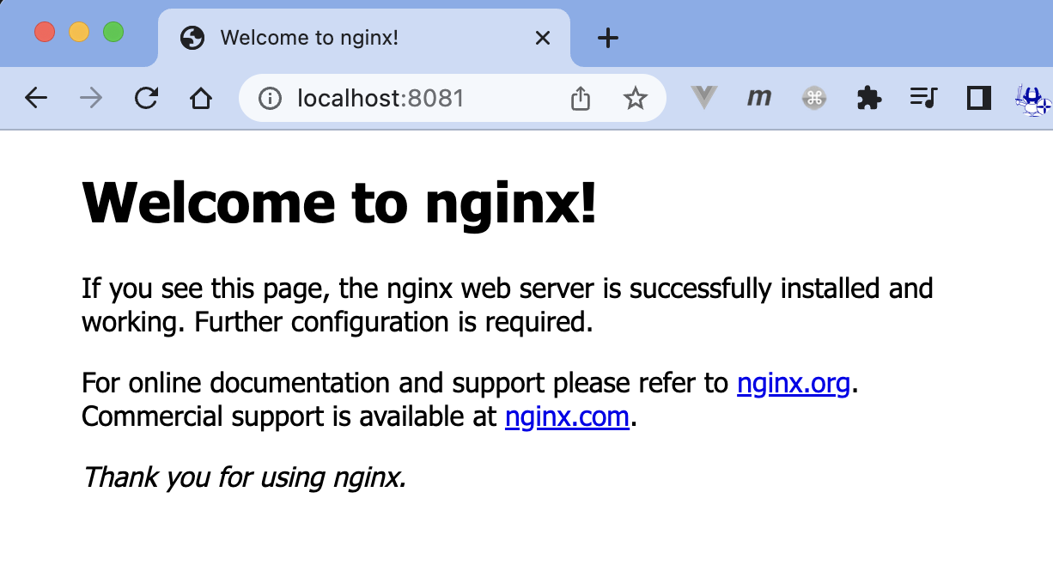

toyohide@toyohidenoMacBook-Pro 001 % cat index.html
<h1>toyohide</h1>

toyohide@toyohidenoMacBook-Pro 001 % cat Dockerfile
...
toyohide@toyohidenoMacBook-Pro 001 % docker run -d -p 8081:80 --name dockerfile-copy-nginx dockerfile-copy-nginx
5fac068b6ae41d6e22f329293c367374212fafe7f66091542fdedc82eeb92fd3


...

udemy docker-compose
...
environment:
WORDPRESS_DB_HOST: db:3306
WORDPRESS_DB_USER: wordpress
WORDPRESS_DB_PASSWORD: wordpress
WORDPRESS_DB_NAME: wordpress

toyohide@toyohidenoMacBook-Pro 002 % docker-compose up -d

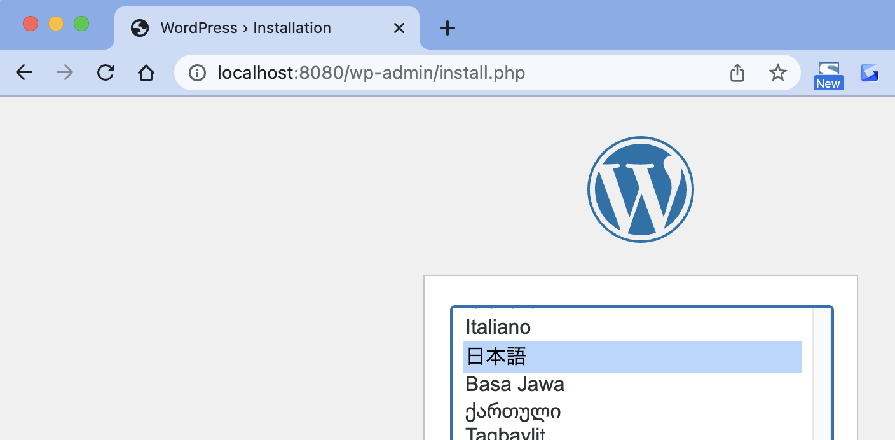

toyohide@toyohidenoMacBook-Pro 002 % docker ps
CONTAINER ID IMAGE COMMAND CREATED STATUS PORTS NAMES
d9537a28dea7 wordpress:5 "docker-entrypoint.s…" 6 minutes ago Up 6 minutes 0.0.0.0:8080->80/tcp wordpress-wp
c57e4b7d57eb mariadb:10.4 "docker-entrypoint.s…" 6 minutes ago Up 6 minutes 3306/tcp wordpress-db
...

