プロジェクト作成
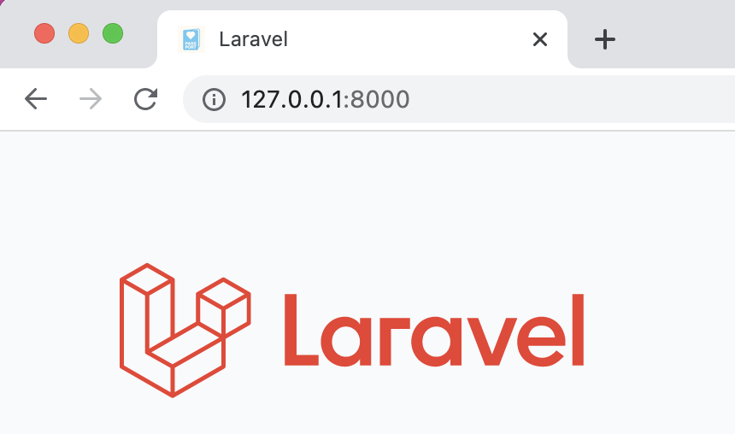
● | プロジェクト作成

 | snd000004@SNDkaihatsusha04noMacBook-Pro php % composer create-project laravel/laravel family_notes --prefer-dist
 | Creating a "laravel/laravel" project at "./family_notes"
 | 〜
 | Application key set successfully.

● | 配下ディレクトリのパーミッション変更

 | snd000004@SNDkaihatsusha04noMacBook-Pro php % cd family_notes

 | snd000004@SNDkaihatsusha04noMacBook-Pro family_notes % chmod -R 777 bootstrap/cache
 | snd000004@SNDkaihatsusha04noMacBook-Pro family_notes % chmod -R 777 storage/framework/cache
 | snd000004@SNDkaihatsusha04noMacBook-Pro family_notes % chmod -R 777 storage/framework/sessions
 | snd000004@SNDkaihatsusha04noMacBook-Pro family_notes % chmod -R 777 storage/framework/views
 | snd000004@SNDkaihatsusha04noMacBook-Pro family_notes % chmod -R 777 storage/logs

● | laravel起動 | 画面は不要だけど一応

 | snd000004@SNDkaihatsusha04noMacBook-Pro family_notes % php artisan serve
 | Starting Laravel development server: http://127.0.0.1:8000

api作成
● | 最初歩

 | snd000004@SNDkaihatsusha04noMacBook-Pro family_notes % cat routes/api.php
 | <?php

 | use Illuminate\Http\Request;
 | use Illuminate\Support\Facades\Route;

 | use App\Models\User;

 | Route::post("/login",function(){
 | $email = request()->get("email");
 | $password = request()->get("password");

 | $user = User::where("email",$email)->first();

 | if ($user && Hash::check($password, $user->password)) {

 | return [
 | "user" => $user
 | ];

 | }else{
 | abort(401);
 | }
 | });

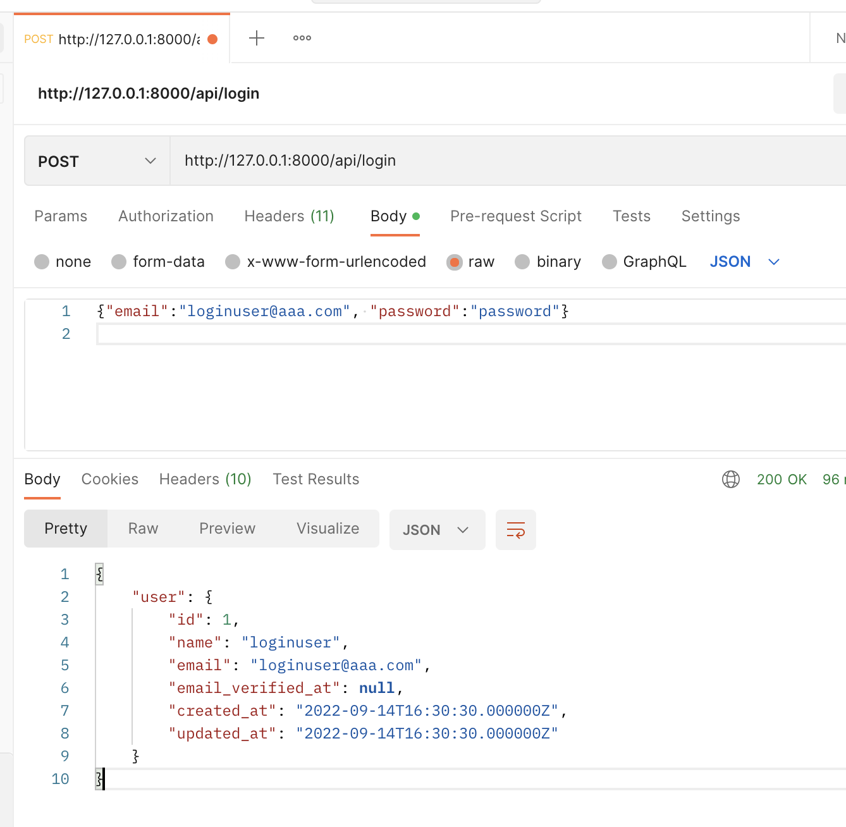

● | コントローラ作成

 | snd000004@SNDkaihatsusha04noMacBook-Pro family_notes % php artisan make:controller ApiController
 | Controller created successfully.

 | snd000004@SNDkaihatsusha04noMacBook-Pro family_notes % cat app/Http/Controllers/ApiController.php
 | <?php

 | namespace App\Http\Controllers;

 | use Illuminate\Http\Request;

 | use App\Models\User;

 | use Illuminate\Support\Facades\Hash;

 | class ApiController extends Controller
 | {

 | public function login(Request $request) {

 | $email = request()->get("email"); | routes/api.phpに書いてあったもの
 | $password = request()->get("password");

 | $user = User::where("email",$email)->first();

 | if ($user && Hash::check($password, $user->password)) {

 | return [
 | "user" => $user
 | ];

 | }else{
 | abort(401);
 | }

 | }

 | }

 | snd000004@SNDkaihatsusha04noMacBook-Pro family_notes % cat routes/api.php
 | <?php

 | use Illuminate\Http\Request;
 | use Illuminate\Support\Facades\Route;

 | use App\Http\Controllers\ApiController;

 | Route::post("/login", [ApiController::class, 'login']);

● | L5-Swaggerを使ってOpenAPIドキュメントを作成する

 | 参考
 | https://blog.asial.co.jp/2025

 | snd000004@SNDkaihatsusha04noMacBook-Pro family_notes % composer require "darkaonline/l5-swagger"
 | Info from https://repo.packagist.org: #StandWithUkraine
 | Using version ^8.3 for darkaonline/l5-swagger
 | ./composer.json has been updated
 | Running composer update darkaonline/l5-swagger
 | Loading composer repositories with package information
 | Updating dependencies
 | Lock file operations: 6 installs, 0 updates, 0 removals
 | - Locking darkaonline/l5-swagger (8.3.3)
 | - Locking doctrine/annotations (1.13.3)
 | - Locking psr/cache (1.0.1)
 | - Locking swagger-api/swagger-ui (v4.14.0)
 | - Locking symfony/yaml (v5.4.12)
 | - Locking zircote/swagger-php (4.4.9)
 | Writing lock file
 | Installing dependencies from lock file (including require-dev)
 | Package operations: 6 installs, 0 updates, 0 removals
 | - Installing symfony/yaml (v5.4.12): Extracting archive
 | - Installing psr/cache (1.0.1): Extracting archive
 | - Installing doctrine/annotations (1.13.3): Extracting archive
 | - Installing zircote/swagger-php (4.4.9): Extracting archive
 | - Installing swagger-api/swagger-ui (v4.14.0): Extracting archive
 | - Installing darkaonline/l5-swagger (8.3.3): Extracting archive
 | Package swiftmailer/swiftmailer is abandoned, you should avoid using it. Use symfony/mailer instead.
 | Generating optimized autoload files
 | > Illuminate\Foundation\ComposerScripts::postAutoloadDump
 | > @php artisan package:discover --ansi
 | Discovered Package: darkaonline/l5-swagger
 | Discovered Package: facade/ignition
 | Discovered Package: fruitcake/laravel-cors
 | Discovered Package: laravel/sail
 | Discovered Package: laravel/sanctum
 | Discovered Package: laravel/tinker
 | Discovered Package: nesbot/carbon
 | Discovered Package: nunomaduro/collision
 | Package manifest generated successfully.
 | 79 packages you are using are looking for funding.
 | Use the `composer fund` command to find out more!
 | > @php artisan vendor:publish --tag=laravel-assets --ansi --force
 | No publishable resources for tag [laravel-assets].
 | Publishing complete.
 | No security vulnerability advisories found

● | コントローラにSwaggerの記述をする

 | snd000004@SNDkaihatsusha04noMacBook-Pro family_notes % cat app/Http/Controllers/ApiController.php
 | <?php

 | namespace App\Http\Controllers;

 | use Illuminate\Http\Request;

 | use App\Models\User;

 | use Illuminate\Support\Facades\Hash;

 | /**
 | * @OA\Info(
 | * version="1.0.0",
 | * title="FamilyNotes",
 | * description="FamilyNotes",
 | * )
 | */

 | class ApiController extends Controller
 | {

 | /**
 | * @OA\Post(
 | * path="/api/login",
 | * summary="ログイン",
 | * @OA\RequestBody(
 | * required=true,
 | * @OA\JsonContent(
 | * type="object",
 | * required={"email", "password"},
 | * @OA\Property(
 | * property="email",
 | * type="string",
 | * example="loginuser@aaa.com",
 | * description="ログイン値（メールアドレス）"
 | * ),
 | * @OA\Property(
 | * property="password",
 | * type="string",
 | * example="password",
 | * description="ログイン値（パスワード）"
 | * )
 | * )
 | * ),
 | * @OA\Response(
 | * response=200,
 | * description="OK",
 | * ),
 | * )
 | */

 | public function login(Request $request) {
 | $email = request()->get("email");
 | $password = request()->get("password");

 | $user = User::where("email",$email)->first();

 | if ($user && Hash::check($password, $user->password)) {
 | return [
 | "user" => $user
 | ];
 | }else{
 | abort(401);
 | }
 | }

 | }

● | 設定用jsonを自動作成する

 | snd000004@SNDkaihatsusha04noMacBook-Pro family_notes % php artisan l5-swagger:generate
 | Regenerating docs default

 | snd000004@SNDkaihatsusha04noMacBook-Pro family_notes % cat storage/api-docs/api-docs.json
 | {
 | "openapi": "3.0.0",
 | "info": {
 | "title": "FamilyNotes",
 | "description": "FamilyNotes",
 | "version": "1.0.0"
 | },
 | "paths": {
 | "/api/login": {
 | "post": {
 | "summary": "ログイン",
 | "operationId": "c64fdb270498e81061530febf0dec4be",
 | "requestBody": {
 | "required": true,
 | "content": {
 | "application/json": {
 | "schema": {
 | "required": [
 | "email",
 | "password"
 | ],
 | "properties": {
 | "email": {
 | "description": "ログイン値（メールアドレス）",
 | "type": "string",
 | "example": "loginuser@aaa.com"
 | },
 | "password": {
 | "description": "ログイン値（パスワード）",
 | "type": "string",
 | "example": "password"
 | }
 | },
 | "type": "object"
 | }
 | }
 | }
 | },
 | "responses": {
 | "200": {
 | "description": "OK"
 | }
 | }
 | }
 | }
 | }
 | }

● | 確認用の画面

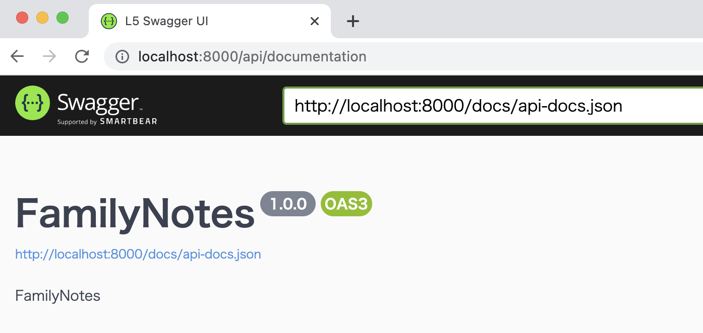

 | この画面でpostmanと同様のことが実行できる

