忍者
● | 初期準備

 | work.toyohide.ninjafirebase

● | プロジェクト作成

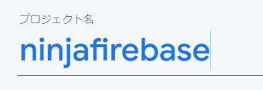

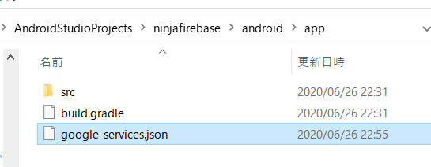

 | google-services.jsonを設置する

 | C:\Users\hidet\AndroidStudioProjects\ninjafirebase\android\build.gradle

 |  | buildscript {
 |  | repositories {
 |  | google()
 |  | jcenter()
 |  | }

 |  | dependencies {
 |  | classpath 'com.android.tools.build:gradle:3.5.0'
 |  | classpath 'com.google.gms:google-services:4.3.3'
 |  | }
 |  | }

 |  | allprojects {
 |  | repositories {
 |  | google()
 |  | jcenter()
 |  | }
 |  | }

 |  | rootProject.buildDir = '../build'
 |  | subprojects {
 |  | project.buildDir = "${rootProject.buildDir}/${project.name}"
 |  | }
 |  | subprojects {
 |  | project.evaluationDependsOn(':app')
 |  | }

 |  | task clean(type: Delete) {
 |  | delete rootProject.buildDir
 |  | }

 | C:\Users\hidet\AndroidStudioProjects\ninjafirebase\android\app\build.gradle

 |  | def localProperties = new Properties()
 |  | def localPropertiesFile = rootProject.file('local.properties')
 |  | if (localPropertiesFile.exists()) {
 |  | localPropertiesFile.withReader('UTF-8') { reader ->
 |  | localProperties.load(reader)
 |  | }
 |  | }

 |  | def flutterRoot = localProperties.getProperty('flutter.sdk')
 |  | if (flutterRoot == null) {
 |  | throw new GradleException("Flutter SDK not found. Define location with flutter.sdk in the local.properties file.")
 |  | }

 |  | def flutterVersionCode = localProperties.getProperty('flutter.versionCode')
 |  | if (flutterVersionCode == null) {
 |  | flutterVersionCode = '1'
 |  | }

 |  | def flutterVersionName = localProperties.getProperty('flutter.versionName')
 |  | if (flutterVersionName == null) {
 |  | flutterVersionName = '1.0'
 |  | }

 |  | apply plugin: 'com.android.application'
 |  | apply from: "$flutterRoot/packages/flutter_tools/gradle/flutter.gradle"
 |  | apply plugin: 'com.google.gms.google-services'

 |  | android {
 |  | compileSdkVersion 28

 |  | lintOptions {
 |  | disable 'InvalidPackage'
 |  | }

 |  | defaultConfig {
 |  | // TODO: Specify your own unique Application ID (https://developer.android.com/studio/build/application-id.html).
 |  | applicationId "work.toyohide.ninjafirebase"
 |  | minSdkVersion 16
 |  | targetSdkVersion 28
 |  | versionCode flutterVersionCode.toInteger()
 |  | versionName flutterVersionName
 |  | multiDexEnabled true
 |  | }

 |  | buildTypes {
 |  | release {
 |  | // TODO: Add your own signing config for the release build.
 |  | // Signing with the debug keys for now, so `flutter run --release` works.
 |  | signingConfig signingConfigs.debug
 |  | }
 |  | }
 |  | }

 |  | flutter {
 |  | source '../..'
 |  | }

 |  | dependencies {
 |  | implementation 'com.android.support:multidex:1.0.3'
 |  | }

 | pubspec.yaml

 |  | name: ninjafirebase
 |  | description: A new Flutter application.

 |  | publish_to: 'none'

 |  | version: 1.0.0+1

 |  | environment:
 |  | sdk: ">=2.7.0 <3.0.0"

 |  | dependencies:
 |  | flutter:
 |  | sdk: flutter

 |  | cupertino_icons: ^0.1.3
 |  | firebase_core: ^0.4.5
 |  | cloud_firestore: ^0.13.7
 |  | firebase_auth: ^0.16.1

 |  | dev_dependencies:
 |  | flutter_test:
 |  | sdk: flutter

 |  | flutter:

 |  | uses-material-design: true

 | 3回目の4分から

● | ディレクトリ作成、ファイル作成

 | C:\Users\hidet\AndroidStudioProjects\ninjafirebase\lib\screens
 | C:\Users\hidet\AndroidStudioProjects\ninjafirebase\lib\screens\home
 | C:\Users\hidet\AndroidStudioProjects\ninjafirebase\lib\screens\authenticate
 | C:\Users\hidet\AndroidStudioProjects\ninjafirebase\lib\screens\authenticate\authenticate.dart

● | C:\Users\hidet\AndroidStudioProjects\ninjafirebase\lib\screens\authenticate\authenticate.dart

 |  | import 'package:flutter/material.dart';

 |  | class Authenticate extends StatefulWidget {
 |  | @override
 |  | _AuthenticateState createState() => _AuthenticateState();
 |  | }

 |  | class _AuthenticateState extends State<Authenticate> {
 |  | @override
 |  | Widget build(BuildContext context) {
 |  | return Container(
 |  | child: Text('authenticate'),
 |  | );
 |  | }
 |  | }

● | C:\Users\hidet\AndroidStudioProjects\ninjafirebase\lib\screens\home\home.dart

 |  | import 'package:flutter/material.dart';

 |  | class Home extends StatelessWidget {
 |  | @override
 |  | Widget build(BuildContext context) {
 |  | return Container(
 |  | child: Text('home'),
 |  | );
 |  | }
 |  | }

● | C:\Users\hidet\AndroidStudioProjects\ninjafirebase\lib\screens\wrapper.dart

 |  | import 'package:flutter/material.dart';

 |  | import 'home/home.dart';

 |  | class Wrapper extends StatelessWidget {
 |  | @override
 |  | Widget build(BuildContext context) {
 |  | return Home();
 |  | }
 |  | }

● | C:\Users\hidet\AndroidStudioProjects\ninjafirebase\lib\main.dart

 |  | import 'package:flutter/material.dart';
 |  | import 'package:ninjafirebase/screens/wrapper.dart';

 |  | void main() {
 |  | runApp(MyApp());
 |  | }

 |  | class MyApp extends StatelessWidget {
 |  | @override
 |  | Widget build(BuildContext context) {
 |  | return MaterialApp(
 |  | home: Wrapper(),
 |  | );
 |  | }
 |  | }

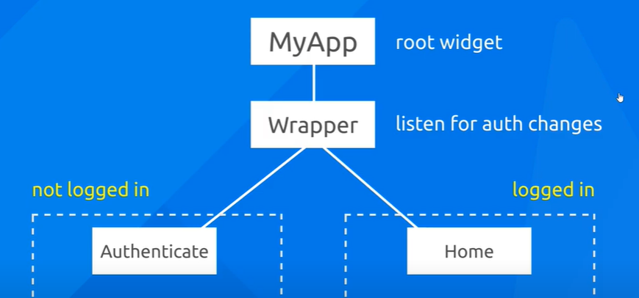

 | 4回目
 | Flutter & Firebase App Tutorial #4 - Firebase Auth

●

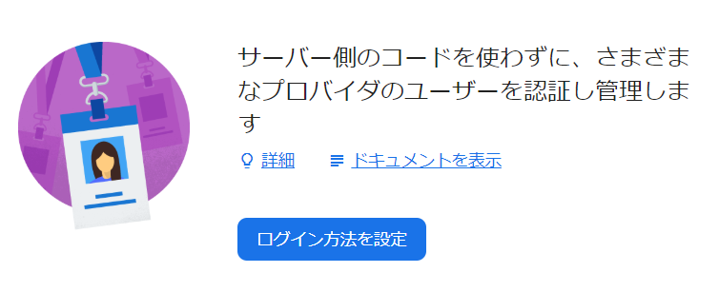

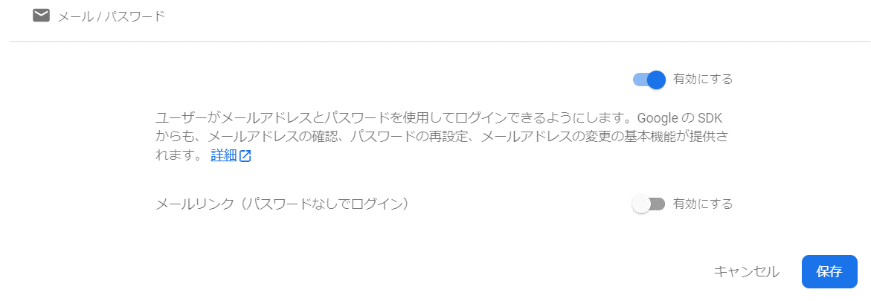

 | 匿名ログインも有効にしておく

● | C:\Users\hidet\AndroidStudioProjects\ninjafirebase\lib\services\auth.dart
 | ディレクトリ作成、ファイル作成

 |  | import 'package:firebase_auth/firebase_auth.dart';

 |  | class AuthService {
 |  | final FirebaseAuth _auth = FirebaseAuth.instance;

 |  | //sign in anon
 |  | Future signInAnon() async {
 |  | try {
 |  | AuthResult result = await _auth.signInAnonymously();
 |  | FirebaseUser user = result.user;
 |  | return user;
 |  | } catch (e) {
 |  | print(e.toString());
 |  | return null;
 |  | }
 |  | }
 |  | //sign in with email and password
 |  | //register with email and password
 |  | //sign out
 |  | }

 | 5回目
 | Flutter & Firebase App Tutorial #5 - Anonymous Sign In

● | C:\Users\hidet\AndroidStudioProjects\ninjafirebase\lib\screens\authenticate\sign_in.dart
 | ファイル作成

 |  | import 'package:flutter/material.dart';

 |  | class SignIn extends StatefulWidget {
 |  | @override
 |  | _SignInState createState() => _SignInState();
 |  | }

 |  | class _SignInState extends State<SignIn> {
 |  | @override
 |  | Widget build(BuildContext context) {
 |  | return Scaffold(
 |  | backgroundColor: Colors.brown[100],
 |  | appBar: AppBar(
 |  | backgroundColor: Colors.brown[400],
 |  | elevation: 0.0,
 |  | title: Text('Sign in to Brew Crew'),
 |  | ),
 |  | body: Container(
 |  | padding: EdgeInsets.symmetric(
 |  | vertical: 20.0,
 |  | horizontal: 50.0,
 |  | ),
 |  | child: RaisedButton(
 |  | child: Text('Sign in anon'),
 |  | onPressed: () async {},
 |  | ),
 |  | ),
 |  | );
 |  | }
 |  | }

 | C:\Users\hidet\AndroidStudioProjects\ninjafirebase\lib\screens\wrapper.dart

 |  | import 'package:flutter/material.dart';
 |  | import 'package:ninjafirebase/screens/authenticate/authenticate.dart';

 |  | import 'home/home.dart';

 |  | class Wrapper extends StatelessWidget {
 |  | @override
 |  | Widget build(BuildContext context) {
 |  | return Authenticate();
 |  | }
 |  | }

 | C:\Users\hidet\AndroidStudioProjects\ninjafirebase\lib\screens\authenticate\authenticate.dart

 |  | import 'package:flutter/material.dart';
 |  | import 'package:ninjafirebase/screens/authenticate/sign_in.dart';

 |  | class Authenticate extends StatefulWidget {
 |  | @override
 |  | _AuthenticateState createState() => _AuthenticateState();
 |  | }

 |  | class _AuthenticateState extends State<Authenticate> {
 |  | @override
 |  | Widget build(BuildContext context) {
 |  | return Container(
 |  | child: SignIn(),
 |  | );
 |  | }
 |  | }



● | C:\Users\hidet\AndroidStudioProjects\ninjafirebase\lib\screens\authenticate\sign_in.dart

 |  | import 'package:flutter/material.dart';
 |  | import 'package:ninjafirebase/services/auth.dart';

 |  | class SignIn extends StatefulWidget {
 |  | @override
 |  | _SignInState createState() => _SignInState();
 |  | }

 |  | class _SignInState extends State<SignIn> {
 |  | final AuthService _auth = AuthService();

 |  | @override
 |  | Widget build(BuildContext context) {
 |  | return Scaffold(
 |  | backgroundColor: Colors.brown[100],
 |  | appBar: AppBar(
 |  | backgroundColor: Colors.brown[400],
 |  | elevation: 0.0,
 |  | title: Text('Sign in to Brew Crew'),
 |  | ),
 |  | body: Container(
 |  | padding: EdgeInsets.symmetric(
 |  | vertical: 20.0,
 |  | horizontal: 50.0,
 |  | ),
 |  | child: RaisedButton(
 |  | child: Text('Sign in anon'),
 |  | onPressed: () async {
 |  | dynamic result = await _auth.signInAnon();
 |  | if (result == null) {
 |  | print('error signing in');
 |  | } else {
 |  | print('signed in');
 |  | print(result);
 |  | }
 |  | },
 |  | ),
 |  | ),
 |  | );
 |  | }
 |  | }

 | I/flutter (12375): signed in
 | I/flutter (12375): FirebaseUser(Instance of 'PlatformUser')

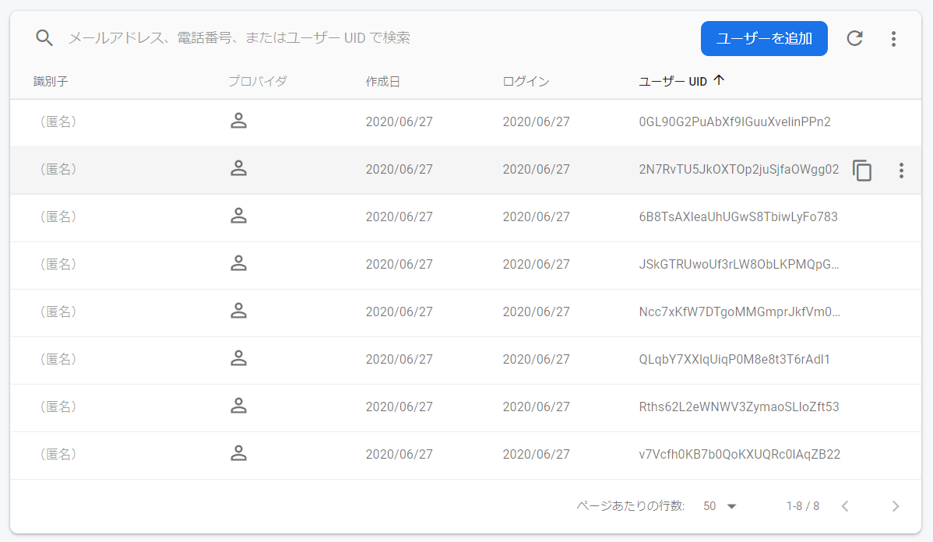

 | 6回
 | Flutter & Firebase App Tutorial #6 - Custom User Model

● | ディレクトリ作成、ファイル作成
 | C:\Users\hidet\AndroidStudioProjects\ninjafirebase\lib\models\user.dart

 |  | class User {
 |  | final String uid;

 |  | User({this.uid});
 |  | }

● | C:\Users\hidet\AndroidStudioProjects\ninjafirebase\lib\services\auth.dart

 |  | import 'package:firebase_auth/firebase_auth.dart';
 |  | import 'package:ninjafirebase/models/user.dart';

 |  | class AuthService {
 |  | final FirebaseAuth _auth = FirebaseAuth.instance;

 |  | //create user obj based on FirebaseUser
 |  | User _userFromFirebaseUser(FirebaseUser user) {
 |  | return (user != null) ? User(uid: user.uid) : null;
 |  | }

 |  | //sign in anon
 |  | Future signInAnon() async {
 |  | try {
 |  | AuthResult result = await _auth.signInAnonymously();
 |  | FirebaseUser user = result.user;
 |  | return _userFromFirebaseUser(user);
 |  | } catch (e) {
 |  | print(e.toString());
 |  | return null;
 |  | }
 |  | }
 |  | //sign in with email and password
 |  | //register with email and password
 |  | //sign out
 |  | }

 | I/flutter (13019): signed in
 | I/flutter (13019): Instance of 'User'

 | C:\Users\hidet\AndroidStudioProjects\ninjafirebase\lib\screens\authenticate\sign_in.dart

 |  | import 'package:flutter/material.dart';
 |  | import 'package:ninjafirebase/services/auth.dart';

 |  | class SignIn extends StatefulWidget {
 |  | @override
 |  | _SignInState createState() => _SignInState();
 |  | }

 |  | class _SignInState extends State<SignIn> {
 |  | final AuthService _auth = AuthService();

 |  | @override
 |  | Widget build(BuildContext context) {
 |  | return Scaffold(
 |  | backgroundColor: Colors.brown[100],
 |  | appBar: AppBar(
 |  | backgroundColor: Colors.brown[400],
 |  | elevation: 0.0,
 |  | title: Text('Sign in to Brew Crew'),
 |  | ),
 |  | body: Container(
 |  | padding: EdgeInsets.symmetric(
 |  | vertical: 20.0,
 |  | horizontal: 50.0,
 |  | ),
 |  | child: RaisedButton(
 |  | child: Text('Sign in anon'),
 |  | onPressed: () async {
 |  | dynamic result = await _auth.signInAnon();
 |  | if (result == null) {
 |  | print('error signing in');
 |  | } else {
 |  | print('signed in');
 |  | print(result);
 |  | print(result.uid);
 |  | }
 |  | },
 |  | ),
 |  | ),
 |  | );
 |  | }
 |  | }

 | I/flutter (13019): signed in
 | I/flutter (13019): Instance of 'User'
 | I/flutter (13019): WFtiBrhOFjc5iAZRq357FZxNLTk2

 | 7回
 | Flutter & Firebase App Tutorial #7 - Streams

● | C:\Users\hidet\AndroidStudioProjects\ninjafirebase\lib\services\auth.dart

 |  | import 'package:firebase_auth/firebase_auth.dart';
 |  | import 'package:ninjafirebase/models/user.dart';

 |  | class AuthService {
 |  | final FirebaseAuth _auth = FirebaseAuth.instance;

 |  | //create user obj based on FirebaseUser
 |  | User _userFromFirebaseUser(FirebaseUser user) {
 |  | return (user != null) ? User(uid: user.uid) : null;
 |  | }

 |  | //auth change user stream
 |  | Stream<User> get user {
 |  | return _auth.onAuthStateChanged
 |  | //.map((FirebaseUser user) => _userFromFirebaseUser(user));
 |  | .map(_userFromFirebaseUser);
 |  | }

 |  | //sign in anon
 |  | Future signInAnon() async {
 |  | try {
 |  | AuthResult result = await _auth.signInAnonymously();
 |  | FirebaseUser user = result.user;
 |  | return _userFromFirebaseUser(user);
 |  | } catch (e) {
 |  | print(e.toString());
 |  | return null;
 |  | }
 |  | }
 |  | //sign in with email and password
 |  | //register with email and password
 |  | //sign out
 |  | }

 | 8回
 | Flutter & Firebase App Tutorial #8 - Provider Package

● | pubspec.yaml

 |  | name: ninjafirebase
 |  | description: A new Flutter application.

 |  | publish_to: 'none'

 |  | version: 1.0.0+1

 |  | environment:
 |  | sdk: ">=2.7.0 <3.0.0"

 |  | dependencies:
 |  | flutter:
 |  | sdk: flutter

 |  | cupertino_icons: ^0.1.3
 |  | firebase_core: ^0.4.5
 |  | cloud_firestore: ^0.13.7
 |  | firebase_auth: ^0.16.1
 |  | provider: ^4.1.3

 |  | dev_dependencies:
 |  | flutter_test:
 |  | sdk: flutter

 |  | flutter:

 |  | uses-material-design: true

● | C:\Users\hidet\AndroidStudioProjects\ninjafirebase\lib\main.dart

 |  | import 'package:flutter/material.dart';
 |  | import 'package:ninjafirebase/screens/wrapper.dart';
 |  | import 'package:ninjafirebase/services/auth.dart';
 |  | import 'package:provider/provider.dart';
 |  | import 'models/user.dart';

 |  | void main() {
 |  | runApp(MyApp());
 |  | }

 |  | class MyApp extends StatelessWidget {
 |  | @override
 |  | Widget build(BuildContext context) {
 |  | return StreamProvider<User>.value(
 |  | value: AuthService().user,
 |  | child: MaterialApp(
 |  | home: Wrapper(),
 |  | ),
 |  | );
 |  | }
 |  | }

● | C:\Users\hidet\AndroidStudioProjects\ninjafirebase\lib\screens\wrapper.dart

 |  | import 'package:flutter/material.dart';
 |  | import 'package:ninjafirebase/models/user.dart';
 |  | import 'package:ninjafirebase/screens/authenticate/authenticate.dart';
 |  | import 'package:provider/provider.dart';

 |  | class Wrapper extends StatelessWidget {
 |  | @override
 |  | Widget build(BuildContext context) {
 |  | final user = Provider.of<User>(context);
 |  | print(user);

 |  | return Authenticate();
 |  | }
 |  | }

 | I/flutter ( 4688): null
 | I/flutter (13019): Instance of 'User'

 | 9回
 | Flutter & Firebase App Tutorial #9 - Signing Out

● | C:\Users\hidet\AndroidStudioProjects\ninjafirebase\lib\screens\wrapper.dart

 |  | import 'package:flutter/material.dart';
 |  | import 'package:ninjafirebase/models/user.dart';
 |  | import 'package:ninjafirebase/screens/authenticate/authenticate.dart';
 |  | import 'package:provider/provider.dart';

 |  | import 'home/home.dart';

 |  | class Wrapper extends StatelessWidget {
 |  | @override
 |  | Widget build(BuildContext context) {
 |  | final user = Provider.of<User>(context);
 |  | // print(user);
 |  | //
 |  | // return Authenticate();
 |  | if (user == null) {
 |  | print('Authenticate');
 |  | return Authenticate();
 |  | } else {
 |  | print('Home');
 |  | return Home();
 |  | }
 |  | }
 |  | }

● | C:\Users\hidet\AndroidStudioProjects\ninjafirebase\lib\services\auth.dart

 |  | import 'package:firebase_auth/firebase_auth.dart';
 |  | import 'package:ninjafirebase/models/user.dart';

 |  | class AuthService {
 |  | final FirebaseAuth _auth = FirebaseAuth.instance;

 |  | //create user obj based on FirebaseUser
 |  | User _userFromFirebaseUser(FirebaseUser user) {
 |  | return (user != null) ? User(uid: user.uid) : null;
 |  | }

 |  | //auth change user stream
 |  | Stream<User> get user {
 |  | return _auth.onAuthStateChanged
 |  | //.map((FirebaseUser user) => _userFromFirebaseUser(user));
 |  | .map(_userFromFirebaseUser);
 |  | }

 |  | //sign in anon
 |  | Future signInAnon() async {
 |  | try {
 |  | AuthResult result = await _auth.signInAnonymously();
 |  | FirebaseUser user = result.user;
 |  | return _userFromFirebaseUser(user);
 |  | } catch (e) {
 |  | print(e.toString());
 |  | return null;
 |  | }
 |  | }

 |  | //sign in with email and password
 |  | //register with email and password
 |  | //sign out
 |  | Future signOut() async {
 |  | try {
 |  | return await _auth.signOut();
 |  | } catch (e) {
 |  | print(e.toString());
 |  | return null;
 |  | }
 |  | }
 |  | }

● | C:\Users\hidet\AndroidStudioProjects\ninjafirebase\lib\screens\home\home.dart

 |  | import 'package:flutter/material.dart';
 |  | import 'package:ninjafirebase/services/auth.dart';

 |  | class Home extends StatelessWidget {
 |  | final AuthService _auth = AuthService();

 |  | @override
 |  | Widget build(BuildContext context) {
 |  | return Scaffold(
 |  | backgroundColor: Colors.brown[50],
 |  | appBar: AppBar(
 |  | title: Text('Brew Crew'),
 |  | backgroundColor: Colors.brown[400],
 |  | elevation: 0.0,
 |  | actions: <Widget>[
 |  | FlatButton.icon(
 |  | icon: Icon(Icons.person),
 |  | label: Text('logout'),
 |  | onPressed: () async {
 |  | await _auth.signOut();
 |  | },
 |  | ),
 |  | ],
 |  | ),
 |  | );
 |  | }
 |  | }

 | 10回
 | Flutter & Firebase App Tutorial #10- Sign In & Register Forms

● | C:\Users\hidet\AndroidStudioProjects\ninjafirebase\lib\screens\authenticate\sign_in.dart

 |  | import 'package:flutter/material.dart';
 |  | import 'package:ninjafirebase/services/auth.dart';

 |  | class SignIn extends StatefulWidget {
 |  | @override
 |  | _SignInState createState() => _SignInState();
 |  | }

 |  | class _SignInState extends State<SignIn> {
 |  | final AuthService _auth = AuthService();

 |  | String email = '';
 |  | String password = '';

 |  | @override
 |  | Widget build(BuildContext context) {
 |  | return Scaffold(
 |  | backgroundColor: Colors.brown[100],
 |  | appBar: AppBar(
 |  | backgroundColor: Colors.brown[400],
 |  | elevation: 0.0,
 |  | title: Text('Sign in to Brew Crew'),
 |  | ),
 |  | body: Container(
 |  | padding: EdgeInsets.symmetric(
 |  | vertical: 20.0,
 |  | horizontal: 50.0,
 |  | ),
 |  | child: Form(
 |  | child: Column(
 |  | children: <Widget>[
 |  | SizedBox(
 |  | height: 20.0,
 |  | ),
 |  | TextFormField(
 |  | keyboardType: TextInputType.emailAddress,
 |  | onChanged: (val) {
 |  | setState(() {
 |  | email = val;
 |  | });
 |  | },
 |  | ),
 |  | SizedBox(
 |  | height: 20.0,
 |  | ),
 |  | TextFormField(
 |  | obscureText: true,
 |  | onChanged: (val) {
 |  | setState(() {
 |  | password = val;
 |  | });
 |  | },
 |  | ),
 |  | SizedBox(
 |  | height: 20.0,
 |  | ),
 |  | RaisedButton(
 |  | color: Colors.pink[400],
 |  | child: Text(
 |  | 'Sign in',
 |  | style: TextStyle(
 |  | color: Colors.white,
 |  | ),
 |  | ),
 |  | onPressed: () async {
 |  | print(email);
 |  | print(password);
 |  | },
 |  | ),
 |  | ],
 |  | ),
 |  | ),

 |  | // RaisedButton(
 |  | // child: Text('Sign in anon'),
 |  | // onPressed: () async {
 |  | // dynamic result = await _auth.signInAnon();
 |  | // if (result == null) {
 |  | // print('error signing in');
 |  | // } else {
 |  | // print('signed in');
 |  | // print(result);
 |  | // print(result.uid);
 |  | // }
 |  | // },
 |  | // ),
 |  | ),
 |  | );
 |  | }
 |  | }

 | I/flutter ( 7345): aa@aa.com
 | I/flutter ( 7345): 123

● | ファイル作成
 | C:\Users\hidet\AndroidStudioProjects\ninjafirebase\lib\screens\authenticate\register.dart

 |  | import 'package:flutter/material.dart';
 |  | import 'package:ninjafirebase/services/auth.dart';

 |  | class Register extends StatefulWidget {
 |  | @override
 |  | _RegisterState createState() => _RegisterState();
 |  | }

 |  | class _RegisterState extends State<Register> {
 |  | final AuthService _auth = AuthService();

 |  | String email = '';
 |  | String password = '';

 |  | @override
 |  | Widget build(BuildContext context) {
 |  | return Scaffold(
 |  | backgroundColor: Colors.brown[100],
 |  | appBar: AppBar(
 |  | backgroundColor: Colors.brown[400],
 |  | elevation: 0.0,
 |  | title: Text('Sign up to Brew Crew'),
 |  | ),
 |  | body: Container(
 |  | padding: EdgeInsets.symmetric(
 |  | vertical: 20.0,
 |  | horizontal: 50.0,
 |  | ),
 |  | child: Form(
 |  | child: Column(
 |  | children: <Widget>[
 |  | SizedBox(
 |  | height: 20.0,
 |  | ),
 |  | TextFormField(
 |  | keyboardType: TextInputType.emailAddress,
 |  | onChanged: (val) {
 |  | setState(() {
 |  | email = val;
 |  | });
 |  | },
 |  | ),
 |  | SizedBox(
 |  | height: 20.0,
 |  | ),
 |  | TextFormField(
 |  | obscureText: true,
 |  | onChanged: (val) {
 |  | setState(() {
 |  | password = val;
 |  | });
 |  | },
 |  | ),
 |  | SizedBox(
 |  | height: 20.0,
 |  | ),
 |  | RaisedButton(
 |  | color: Colors.pink[400],
 |  | child: Text(
 |  | 'Register',
 |  | style: TextStyle(
 |  | color: Colors.white,
 |  | ),
 |  | ),
 |  | onPressed: () async {
 |  | print(email);
 |  | print(password);
 |  | },
 |  | ),
 |  | ],
 |  | ),
 |  | ),
 |  | ),
 |  | );
 |  | }
 |  | }

● | C:\Users\hidet\AndroidStudioProjects\ninjafirebase\lib\screens\authenticate\authenticate.dart

 |  | import 'package:flutter/material.dart';
 |  | import 'package:ninjafirebase/screens/authenticate/register.dart';
 |  | import 'package:ninjafirebase/screens/authenticate/sign_in.dart';

 |  | class Authenticate extends StatefulWidget {
 |  | @override
 |  | _AuthenticateState createState() => _AuthenticateState();
 |  | }

 |  | class _AuthenticateState extends State<Authenticate> {
 |  | @override
 |  | Widget build(BuildContext context) {
 |  | return Container(
 |  | // child: SignIn(),
 |  | child: Register(),
 |  | );
 |  | }
 |  | }

 | 11回
 | Flutter & Firebase App Tutorial #11 - Toggle Between Forms

● | C:\Users\hidet\AndroidStudioProjects\ninjafirebase\lib\screens\authenticate\authenticate.dart

 |  | import 'package:flutter/material.dart';
 |  | import 'package:ninjafirebase/screens/authenticate/register.dart';
 |  | import 'package:ninjafirebase/screens/authenticate/sign_in.dart';

 |  | class Authenticate extends StatefulWidget {
 |  | @override
 |  | _AuthenticateState createState() => _AuthenticateState();
 |  | }

 |  | class _AuthenticateState extends State<Authenticate> {
 |  | bool showSignIn = true;
 |  | void toggleView() {
 |  | setState(() {
 |  | showSignIn = !showSignIn;
 |  | });
 |  | }

 |  | @override
 |  | Widget build(BuildContext context) {
 |  | if (showSignIn) {
 |  | return SignIn(toggleView: toggleView);
 |  | } else {
 |  | return Register(toggleView: toggleView);
 |  | }

 |  | // return Container(
 |  | // child: SignIn(),
 |  | // child: Register(),
 |  | // );
 |  | }
 |  | }

● | C:\Users\hidet\AndroidStudioProjects\ninjafirebase\lib\screens\authenticate\register.dart

 |  | import 'package:flutter/material.dart';
 |  | import 'package:ninjafirebase/services/auth.dart';

 |  | class Register extends StatefulWidget {
 |  | final Function toggleView;
 |  | Register({this.toggleView});

 |  | @override
 |  | _RegisterState createState() => _RegisterState();
 |  | }

 |  | class _RegisterState extends State<Register> {
 |  | final AuthService _auth = AuthService();

 |  | String email = '';
 |  | String password = '';

 |  | @override
 |  | Widget build(BuildContext context) {
 |  | return Scaffold(
 |  | backgroundColor: Colors.brown[100],
 |  | appBar: AppBar(
 |  | backgroundColor: Colors.brown[400],
 |  | elevation: 0.0,
 |  | title: Text('Sign up to Brew Crew'),
 |  | actions: <Widget>[
 |  | FlatButton.icon(
 |  | icon: Icon(Icons.person),
 |  | label: Text('Sign in'),
 |  | onPressed: () {
 |  | widget.toggleView();
 |  | },
 |  | ),
 |  | ],
 |  | ),
 |  | body: Container(
 |  | padding: EdgeInsets.symmetric(
 |  | vertical: 20.0,
 |  | horizontal: 50.0,
 |  | ),
 |  | child: Form(
 |  | child: Column(
 |  | children: <Widget>[
 |  | SizedBox(
 |  | height: 20.0,
 |  | ),
 |  | TextFormField(
 |  | keyboardType: TextInputType.emailAddress,
 |  | onChanged: (val) {
 |  | setState(() {
 |  | email = val;
 |  | });
 |  | },
 |  | ),
 |  | SizedBox(
 |  | height: 20.0,
 |  | ),
 |  | TextFormField(
 |  | obscureText: true,
 |  | onChanged: (val) {
 |  | setState(() {
 |  | password = val;
 |  | });
 |  | },
 |  | ),
 |  | SizedBox(
 |  | height: 20.0,
 |  | ),
 |  | RaisedButton(
 |  | color: Colors.pink[400],
 |  | child: Text(
 |  | 'Register',
 |  | style: TextStyle(
 |  | color: Colors.white,
 |  | ),
 |  | ),
 |  | onPressed: () async {
 |  | print(email);
 |  | print(password);
 |  | },
 |  | ),
 |  | ],
 |  | ),
 |  | ),
 |  | ),
 |  | );
 |  | }
 |  | }

● | C:\Users\hidet\AndroidStudioProjects\ninjafirebase\lib\screens\authenticate\sign_in.dart

 |  | import 'package:flutter/material.dart';
 |  | import 'package:ninjafirebase/services/auth.dart';

 |  | class SignIn extends StatefulWidget {
 |  | final Function toggleView;
 |  | SignIn({this.toggleView});

 |  | @override
 |  | _SignInState createState() => _SignInState();
 |  | }

 |  | class _SignInState extends State<SignIn> {
 |  | final AuthService _auth = AuthService();

 |  | String email = '';
 |  | String password = '';

 |  | @override
 |  | Widget build(BuildContext context) {
 |  | return Scaffold(
 |  | backgroundColor: Colors.brown[100],
 |  | appBar: AppBar(
 |  | backgroundColor: Colors.brown[400],
 |  | elevation: 0.0,
 |  | title: Text('Sign in to Brew Crew'),
 |  | actions: <Widget>[
 |  | FlatButton.icon(
 |  | icon: Icon(Icons.person),
 |  | label: Text('Register'),
 |  | onPressed: () {
 |  | widget.toggleView();
 |  | },
 |  | ),
 |  | ],
 |  | ),
 |  | body: Container(
 |  | padding: EdgeInsets.symmetric(
 |  | vertical: 20.0,
 |  | horizontal: 50.0,
 |  | ),
 |  | child: Form(
 |  | child: Column(
 |  | children: <Widget>[
 |  | SizedBox(
 |  | height: 20.0,
 |  | ),
 |  | TextFormField(
 |  | keyboardType: TextInputType.emailAddress,
 |  | onChanged: (val) {
 |  | setState(() {
 |  | email = val;
 |  | });
 |  | },
 |  | ),
 |  | SizedBox(
 |  | height: 20.0,
 |  | ),
 |  | TextFormField(
 |  | obscureText: true,
 |  | onChanged: (val) {
 |  | setState(() {
 |  | password = val;
 |  | });
 |  | },
 |  | ),
 |  | SizedBox(
 |  | height: 20.0,
 |  | ),
 |  | RaisedButton(
 |  | color: Colors.pink[400],
 |  | child: Text(
 |  | 'Sign in',
 |  | style: TextStyle(
 |  | color: Colors.white,
 |  | ),
 |  | ),
 |  | onPressed: () async {
 |  | print(email);
 |  | print(password);
 |  | },
 |  | ),
 |  | ],
 |  | ),
 |  | ),
 |  | ),
 |  | );
 |  | }
 |  | }

 | 12回
 | Flutter & Firebase App Tutorial #12 - Register With Email & Password

● | C:\Users\hidet\AndroidStudioProjects\ninjafirebase\lib\screens\authenticate\register.dart

 |  | import 'package:flutter/material.dart';
 |  | import 'package:ninjafirebase/services/auth.dart';

 |  | class Register extends StatefulWidget {
 |  | final Function toggleView;
 |  | Register({this.toggleView});

 |  | @override
 |  | _RegisterState createState() => _RegisterState();
 |  | }

 |  | class _RegisterState extends State<Register> {
 |  | final AuthService _auth = AuthService();
 |  | final _formKey = GlobalKey<FormState>();

 |  | String email = '';
 |  | String password = '';

 |  | @override
 |  | Widget build(BuildContext context) {
 |  | return Scaffold(
 |  | backgroundColor: Colors.brown[100],
 |  | appBar: AppBar(
 |  | backgroundColor: Colors.brown[400],
 |  | elevation: 0.0,
 |  | title: Text('Sign up to Brew Crew'),
 |  | actions: <Widget>[
 |  | FlatButton.icon(
 |  | icon: Icon(Icons.person),
 |  | label: Text('Sign in'),
 |  | onPressed: () {
 |  | widget.toggleView();
 |  | },
 |  | ),
 |  | ],
 |  | ),
 |  | body: Container(
 |  | padding: EdgeInsets.symmetric(
 |  | vertical: 20.0,
 |  | horizontal: 50.0,
 |  | ),
 |  | child: Form(
 |  | key: _formKey,
 |  | child: Column(
 |  | children: <Widget>[
 |  | SizedBox(
 |  | height: 20.0,
 |  | ),
 |  | TextFormField(
 |  | keyboardType: TextInputType.emailAddress,
 |  | validator: (val) => (val.isEmpty) ? 'Enter an email' : null,
 |  | onChanged: (val) {
 |  | setState(() {
 |  | email = val;
 |  | });
 |  | },
 |  | ),
 |  | SizedBox(
 |  | height: 20.0,
 |  | ),
 |  | TextFormField(
 |  | validator: (val) =>
 |  | (val.length < 6) ? 'Enter a password 6+ chars long' : null,
 |  | obscureText: true,
 |  | onChanged: (val) {
 |  | setState(() {
 |  | password = val;
 |  | });
 |  | },
 |  | ),
 |  | SizedBox(
 |  | height: 20.0,
 |  | ),
 |  | RaisedButton(
 |  | color: Colors.pink[400],
 |  | child: Text(
 |  | 'Register',
 |  | style: TextStyle(
 |  | color: Colors.white,
 |  | ),
 |  | ),
 |  | onPressed: () async {
 |  | if (_formKey.currentState.validate()) {
 |  | print(email);
 |  | print(password);
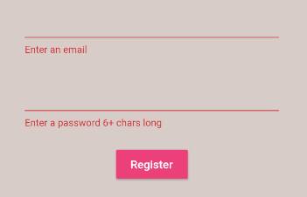
 |  | }
 |  | },
 |  | ),
 |  | ],
 |  | ),
 |  | ),
 |  | ),
 |  | );
 |  | }
 |  | }

 | バリデーションが効いている

● | C:\Users\hidet\AndroidStudioProjects\ninjafirebase\lib\services\auth.dart

 |  | import 'package:firebase_auth/firebase_auth.dart';
 |  | import 'package:ninjafirebase/models/user.dart';

 |  | class AuthService {
 |  | final FirebaseAuth _auth = FirebaseAuth.instance;

 |  | //create user obj based on FirebaseUser
 |  | User _userFromFirebaseUser(FirebaseUser user) {
 |  | return (user != null) ? User(uid: user.uid) : null;
 |  | }

 |  | //auth change user stream
 |  | Stream<User> get user {
 |  | return _auth.onAuthStateChanged
 |  | //.map((FirebaseUser user) => _userFromFirebaseUser(user));
 |  | .map(_userFromFirebaseUser);
 |  | }

 |  | //sign in anon
 |  | Future signInAnon() async {
 |  | try {
 |  | AuthResult result = await _auth.signInAnonymously();
 |  | FirebaseUser user = result.user;
 |  | return _userFromFirebaseUser(user);
 |  | } catch (e) {
 |  | print(e.toString());
 |  | return null;
 |  | }
 |  | }

 |  | //sign in with email and password
 |  | //register with email and password
 |  | Future registerWithEmailAndPassword(String email, String password) async {
 |  | try {
 |  | AuthResult result = await _auth.createUserWithEmailAndPassword(
 |  | email: email, password: password);
 |  | FirebaseUser user = result.user;
 |  | return _userFromFirebaseUser(user);
 |  | } catch (e) {
 |  | print(e.toString());
 |  | return null;
 |  | }
 |  | }

 |  | //sign out
 |  | Future signOut() async {
 |  | try {
 |  | return await _auth.signOut();
 |  | } catch (e) {
 |  | print(e.toString());
 |  | return null;
 |  | }
 |  | }
 |  | }

● | C:\Users\hidet\AndroidStudioProjects\ninjafirebase\lib\screens\authenticate\register.dart

 |  | import 'package:flutter/material.dart';
 |  | import 'package:ninjafirebase/services/auth.dart';

 |  | class Register extends StatefulWidget {
 |  | final Function toggleView;
 |  | Register({this.toggleView});

 |  | @override
 |  | _RegisterState createState() => _RegisterState();
 |  | }

 |  | class _RegisterState extends State<Register> {
 |  | final AuthService _auth = AuthService();
 |  | final _formKey = GlobalKey<FormState>();

 |  | String email = '';
 |  | String password = '';

 |  | String error = '';

 |  | @override
 |  | Widget build(BuildContext context) {
 |  | return Scaffold(
 |  | backgroundColor: Colors.brown[100],
 |  | appBar: AppBar(
 |  | backgroundColor: Colors.brown[400],
 |  | elevation: 0.0,
 |  | title: Text('Sign up to Brew Crew'),
 |  | actions: <Widget>[
 |  | FlatButton.icon(
 |  | icon: Icon(Icons.person),
 |  | label: Text('Sign in'),
 |  | onPressed: () {
 |  | widget.toggleView();
 |  | },
 |  | ),
 |  | ],
 |  | ),
 |  | body: Container(
 |  | padding: EdgeInsets.symmetric(
 |  | vertical: 20.0,
 |  | horizontal: 50.0,
 |  | ),
 |  | child: Form(
 |  | key: _formKey,
 |  | child: Column(
 |  | children: <Widget>[
 |  | SizedBox(
 |  | height: 20.0,
 |  | ),
 |  | TextFormField(
 |  | keyboardType: TextInputType.emailAddress,
 |  | validator: (val) => (val.isEmpty) ? 'Enter an email' : null,
 |  | onChanged: (val) {
 |  | setState(() {
 |  | email = val;
 |  | });
 |  | },
 |  | ),
 |  | SizedBox(
 |  | height: 20.0,
 |  | ),
 |  | TextFormField(
 |  | validator: (val) =>
 |  | (val.length < 6) ? 'Enter a password 6+ chars long' : null,
 |  | obscureText: true,
 |  | onChanged: (val) {
 |  | setState(() {
 |  | password = val;
 |  | });
 |  | },
 |  | ),
 |  | SizedBox(
 |  | height: 20.0,
 |  | ),
 |  | RaisedButton(
 |  | color: Colors.pink[400],
 |  | child: Text(
 |  | 'Register',
 |  | style: TextStyle(
 |  | color: Colors.white,
 |  | ),
 |  | ),
 |  | onPressed: () async {
 |  | if (_formKey.currentState.validate()) {
 |  | // print(email);
 |  | // print(password);
 |  | dynamic result = await _auth.registerWithEmailAndPassword(
 |  | email, password);
 |  | if (result == null) {
 |  | setState(() {
 |  | error = 'please supply a valid email';
 |  | });
 |  | }
 |  | }
 |  | },
 |  | ),
 |  | SizedBox(
 |  | height: 12.0,
 |  | ),
 |  | Text(
 |  | error,
 |  | style: TextStyle(
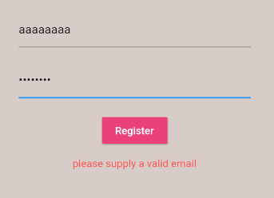
 |  | color: Colors.redAccent,
 |  | fontSize: 14.0,
 |  | ),
 |  | ),
 |  | ],
 |  | ),
 |  | ),
 |  | ),
 |  | );
 |  | }
 |  | }

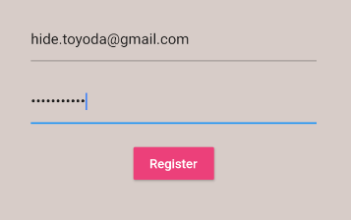


 |  |  |  | 画面遷移した

 | 13回
 | Flutter & Firebase App Tutorial #13 - Sign in With Email & Password

● | C:\Users\hidet\AndroidStudioProjects\ninjafirebase\lib\screens\authenticate\sign_in.dart

 |  | import 'package:flutter/material.dart';
 |  | import 'package:ninjafirebase/services/auth.dart';

 |  | class SignIn extends StatefulWidget {
 |  | final Function toggleView;
 |  | SignIn({this.toggleView});

 |  | @override
 |  | _SignInState createState() => _SignInState();
 |  | }

 |  | class _SignInState extends State<SignIn> {
 |  | final AuthService _auth = AuthService();
 |  | final _formKey = GlobalKey<FormState>();

 |  | String email = '';
 |  | String password = '';

 |  | @override
 |  | Widget build(BuildContext context) {
 |  | return Scaffold(
 |  | backgroundColor: Colors.brown[100],
 |  | appBar: AppBar(
 |  | backgroundColor: Colors.brown[400],
 |  | elevation: 0.0,
 |  | title: Text('Sign in to Brew Crew'),
 |  | actions: <Widget>[
 |  | FlatButton.icon(
 |  | icon: Icon(Icons.person),
 |  | label: Text('Register'),
 |  | onPressed: () {
 |  | widget.toggleView();
 |  | },
 |  | ),
 |  | ],
 |  | ),
 |  | body: Container(
 |  | padding: EdgeInsets.symmetric(
 |  | vertical: 20.0,
 |  | horizontal: 50.0,
 |  | ),
 |  | child: Form(
 |  | key: _formKey,
 |  | child: Column(
 |  | children: <Widget>[
 |  | SizedBox(
 |  | height: 20.0,
 |  | ),
 |  | TextFormField(
 |  | keyboardType: TextInputType.emailAddress,
 |  | validator: (val) => (val.isEmpty) ? 'Enter an email' : null,
 |  | onChanged: (val) {
 |  | setState(() {
 |  | email = val;
 |  | });
 |  | },
 |  | ),
 |  | SizedBox(
 |  | height: 20.0,
 |  | ),
 |  | TextFormField(
 |  | validator: (val) =>
 |  | (val.length < 6) ? 'Enter a password 6+ chars long' : null,
 |  | obscureText: true,
 |  | onChanged: (val) {
 |  | setState(() {
 |  | password = val;
 |  | });
 |  | },
 |  | ),
 |  | SizedBox(
 |  | height: 20.0,
 |  | ),
 |  | RaisedButton(
 |  | color: Colors.pink[400],
 |  | child: Text(
 |  | 'Sign in',
 |  | style: TextStyle(
 |  | color: Colors.white,
 |  | ),
 |  | ),
 |  | onPressed: () async {
 |  | if (_formKey.currentState.validate()) {
 |  | print(email);
 |  | print(password);
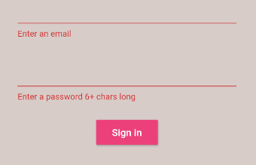
 |  | }
 |  | },
 |  | ),
 |  | ],
 |  | ),
 |  | ),
 |  | ),
 |  | );
 |  | }
 |  | }

● | C:\Users\hidet\AndroidStudioProjects\ninjafirebase\lib\services\auth.dart

 |  | import 'package:firebase_auth/firebase_auth.dart';
 |  | import 'package:ninjafirebase/models/user.dart';

 |  | class AuthService {
 |  | final FirebaseAuth _auth = FirebaseAuth.instance;

 |  | //create user obj based on FirebaseUser
 |  | User _userFromFirebaseUser(FirebaseUser user) {
 |  | return (user != null) ? User(uid: user.uid) : null;
 |  | }

 |  | //auth change user stream
 |  | Stream<User> get user {
 |  | return _auth.onAuthStateChanged
 |  | //.map((FirebaseUser user) => _userFromFirebaseUser(user));
 |  | .map(_userFromFirebaseUser);
 |  | }

 |  | //sign in anon
 |  | Future signInAnon() async {
 |  | try {
 |  | AuthResult result = await _auth.signInAnonymously();
 |  | FirebaseUser user = result.user;
 |  | return _userFromFirebaseUser(user);
 |  | } catch (e) {
 |  | print(e.toString());
 |  | return null;
 |  | }
 |  | }

 |  | //sign in with email and password
 |  | Future signInWithEmailAndPassword(String email, String password) async {
 |  | try {
 |  | AuthResult result = await _auth.signInWithEmailAndPassword(
 |  | email: email, password: password);
 |  | FirebaseUser user = result.user;
 |  | return _userFromFirebaseUser(user);
 |  | } catch (e) {
 |  | print(e.toString());
 |  | return null;
 |  | }
 |  | }

 |  | //register with email and password
 |  | Future registerWithEmailAndPassword(String email, String password) async {
 |  | try {
 |  | AuthResult result = await _auth.createUserWithEmailAndPassword(
 |  | email: email, password: password);
 |  | FirebaseUser user = result.user;
 |  | return _userFromFirebaseUser(user);
 |  | } catch (e) {
 |  | print(e.toString());
 |  | return null;
 |  | }
 |  | }

 |  | //sign out
 |  | Future signOut() async {
 |  | try {
 |  | return await _auth.signOut();
 |  | } catch (e) {
 |  | print(e.toString());
 |  | return null;
 |  | }
 |  | }
 |  | }

● | C:\Users\hidet\AndroidStudioProjects\ninjafirebase\lib\screens\authenticate\sign_in.dart

 |  | import 'package:flutter/material.dart';
 |  | import 'package:ninjafirebase/services/auth.dart';

 |  | class SignIn extends StatefulWidget {
 |  | final Function toggleView;
 |  | SignIn({this.toggleView});

 |  | @override
 |  | _SignInState createState() => _SignInState();
 |  | }

 |  | class _SignInState extends State<SignIn> {
 |  | final AuthService _auth = AuthService();
 |  | final _formKey = GlobalKey<FormState>();

 |  | String email = '';
 |  | String password = '';

 |  | String error = '';

 |  | @override
 |  | Widget build(BuildContext context) {
 |  | return Scaffold(
 |  | backgroundColor: Colors.brown[100],
 |  | appBar: AppBar(
 |  | backgroundColor: Colors.brown[400],
 |  | elevation: 0.0,
 |  | title: Text('Sign in to Brew Crew'),
 |  | actions: <Widget>[
 |  | FlatButton.icon(
 |  | icon: Icon(Icons.person),
 |  | label: Text('Register'),
 |  | onPressed: () {
 |  | widget.toggleView();
 |  | },
 |  | ),
 |  | ],
 |  | ),
 |  | body: Container(
 |  | padding: EdgeInsets.symmetric(
 |  | vertical: 20.0,
 |  | horizontal: 50.0,
 |  | ),
 |  | child: Form(
 |  | key: _formKey,
 |  | child: Column(
 |  | children: <Widget>[
 |  | SizedBox(
 |  | height: 20.0,
 |  | ),
 |  | TextFormField(
 |  | keyboardType: TextInputType.emailAddress,
 |  | validator: (val) => (val.isEmpty) ? 'Enter an email' : null,
 |  | onChanged: (val) {
 |  | setState(() {
 |  | email = val;
 |  | });
 |  | },
 |  | ),
 |  | SizedBox(
 |  | height: 20.0,
 |  | ),
 |  | TextFormField(
 |  | validator: (val) =>
 |  | (val.length < 6) ? 'Enter a password 6+ chars long' : null,
 |  | obscureText: true,
 |  | onChanged: (val) {
 |  | setState(() {
 |  | password = val;
 |  | });
 |  | },
 |  | ),
 |  | SizedBox(
 |  | height: 20.0,
 |  | ),
 |  | RaisedButton(
 |  | color: Colors.pink[400],
 |  | child: Text(
 |  | 'Sign in',
 |  | style: TextStyle(
 |  | color: Colors.white,
 |  | ),
 |  | ),
 |  | onPressed: () async {
 |  | if (_formKey.currentState.validate()) {
 |  | // print(email);
 |  | // print(password);

 |  | dynamic result =
 |  | await _auth.signInWithEmailAndPassword(email, password);

 |  | if (result == null) {
 |  | setState(() {
 |  | error = 'please supply a valid email';
 |  | }); | error = 'COULD NOT SIGN IN WITH THOSE CREDENTIALS';
 |  | }
 |  | }
 |  | },
 |  | ),
 |  | SizedBox(
 |  | height: 12.0,
 |  | ),
 |  | Text(
 |  | error,
 |  | style: TextStyle(
 |  | color: Colors.redAccent,
 |  | fontSize: 14.0,
 |  | ),
 |  | ),
 |  | ],
 |  | ),
 |  | ),
 |  | ),
 |  | );
 |  | }
 |  | }

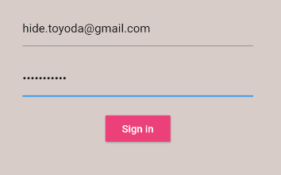

 | 14回
 | Flutter & Firebase App Tutorial #14 - Text Input Decoration

● | ディレクトリ作成、ファイル作成
 | C:\Users\hidet\AndroidStudioProjects\ninjafirebase\lib\shared\constants.dart

 |  | import 'package:flutter/material.dart';

 |  | const textInputDecoration = InputDecoration(
 |  | fillColor: Colors.white,
 |  | filled: true,
 |  | enabledBorder: OutlineInputBorder(
 |  | borderSide: BorderSide(
 |  | color: Colors.white,
 |  | width: 2.0,
 |  | ),
 |  | ),
 |  | focusedBorder: OutlineInputBorder(
 |  | borderSide: BorderSide(
 |  | color: Colors.pinkAccent,
 |  | width: 2.0,
 |  | ),
 |  | ),
 |  | );

 | コンストファイル

 | C:\Users\hidet\AndroidStudioProjects\ninjafirebase\lib\screens\authenticate\register.dart

 |  | TextFormField(
 |  | keyboardType: TextInputType.emailAddress,
 |  | validator: (val) => (val.isEmpty) ? 'Enter an email' : null,
 |  | decoration: textInputDecoration.copyWith(hintText: 'email'),
 |  | onChanged: (val) {
 |  | setState(() {
 |  | email = val;
 |  | });
 |  | },
 |  | ),

 |  | TextFormField(
 |  | validator: (val) =>
 |  | (val.length < 6) ? 'Enter a password 6+ chars long' : null,
 |  | obscureText: true,
 |  | decoration: textInputDecoration.copyWith(hintText: 'password'),
 |  | onChanged: (val) {
 |  | setState(() {
 |  | password = val;
 |  | });
 |  | },
 |  | ),

 | import 'package:ninjafirebase/shared/constants.dart';

 | C:\Users\hidet\AndroidStudioProjects\ninjafirebase\lib\screens\authenticate\sign_in.dart

 |  | TextFormField(
 |  | keyboardType: TextInputType.emailAddress,
 |  | validator: (val) => (val.isEmpty) ? 'Enter an email' : null,
 |  | decoration: textInputDecoration.copyWith(hintText: 'email'),
 |  | onChanged: (val) {
 |  | setState(() {
 |  | email = val;
 |  | });
 |  | },
 |  | ),

 |  | TextFormField(
 |  | validator: (val) =>
 |  | (val.length < 6) ? 'Enter a password 6+ chars long' : null,
 |  | obscureText: true,
 |  | decoration: textInputDecoration.copyWith(hintText: 'password'),
 |  | onChanged: (val) {
 |  | setState(() {
 |  | password = val;
 |  | });
 |  | },
 |  | ),

 | import 'package:ninjafirebase/shared/constants.dart';

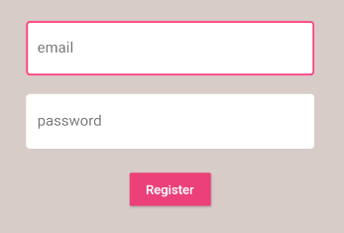

 | 15回
 | Flutter & Firebase App Tutorial #15 - Loading Widget

● | pubspec.yaml

 |  | name: ninjafirebase
 |  | description: A new Flutter application.

 |  | publish_to: 'none'

 |  | version: 1.0.0+1

 |  | environment:
 |  | sdk: ">=2.7.0 <3.0.0"

 |  | dependencies:
 |  | flutter:
 |  | sdk: flutter

 |  | cupertino_icons: ^0.1.3
 |  | firebase_core: ^0.4.5
 |  | cloud_firestore: ^0.13.7
 |  | firebase_auth: ^0.16.1
 |  | provider: ^4.1.3
 |  | flutter_spinkit: ^4.1.2+1

 |  | dev_dependencies:
 |  | flutter_test:
 |  | sdk: flutter

 |  | flutter:

 |  | uses-material-design: true

● | ファイル作成
 | C:\Users\hidet\AndroidStudioProjects\ninjafirebase\lib\shared\loading.dart

 |  | import 'package:flutter/material.dart';
 |  | import 'package:flutter_spinkit/flutter_spinkit.dart';

 |  | class Loading extends StatelessWidget {
 |  | @override
 |  | Widget build(BuildContext context) {
 |  | return Container(
 |  | color: Colors.brown[100],
 |  | child: Center(
 |  | child: SpinKitChasingDots(
 |  | color: Colors.brown,
 |  | size: 50.0,
 |  | ),
 |  | ),
 |  | );
 |  | }
 |  | }

● | C:\Users\hidet\AndroidStudioProjects\ninjafirebase\lib\screens\authenticate\sign_in.dart

 |  | import 'package:flutter/material.dart';
 |  | import 'package:ninjafirebase/services/auth.dart';
 |  | import 'package:ninjafirebase/shared/constants.dart';
 |  | import 'package:ninjafirebase/shared/loading.dart';

 |  | class SignIn extends StatefulWidget {
 |  | final Function toggleView;
 |  | SignIn({this.toggleView});

 |  | @override
 |  | _SignInState createState() => _SignInState();
 |  | }

 |  | class _SignInState extends State<SignIn> {
 |  | final AuthService _auth = AuthService();
 |  | final _formKey = GlobalKey<FormState>();
 |  | bool loading = false;

 |  | String email = '';
 |  | String password = '';

 |  | String error = '';

 |  | @override
 |  | Widget build(BuildContext context) {
 |  | return loading
 |  | ? Loading()
 |  | : Scaffold(
 |  | backgroundColor: Colors.brown[100],
 |  | appBar: AppBar(
 |  | backgroundColor: Colors.brown[400],
 |  | elevation: 0.0,
 |  | title: Text('Sign in to Brew Crew'),
 |  | actions: <Widget>[
 |  | FlatButton.icon(
 |  | icon: Icon(Icons.person),
 |  | label: Text('Register'),
 |  | onPressed: () {
 |  | widget.toggleView();
 |  | },
 |  | ),
 |  | ],
 |  | ),
 |  | body: Container(
 |  | padding: EdgeInsets.symmetric(
 |  | vertical: 20.0,
 |  | horizontal: 50.0,
 |  | ),
 |  | child: Form(
 |  | key: _formKey,
 |  | child: Column(
 |  | children: <Widget>[
 |  | SizedBox(
 |  | height: 20.0,
 |  | ),
 |  | TextFormField(
 |  | keyboardType: TextInputType.emailAddress,
 |  | validator: (val) =>
 |  | (val.isEmpty) ? 'Enter an email' : null,
 |  | decoration:
 |  | textInputDecoration.copyWith(hintText: 'email'),
 |  | onChanged: (val) {
 |  | setState(() {
 |  | email = val;
 |  | });
 |  | },
 |  | ),
 |  | SizedBox(
 |  | height: 20.0,
 |  | ),
 |  | TextFormField(
 |  | validator: (val) => (val.length < 6)
 |  | ? 'Enter a password 6+ chars long'
 |  | : null,
 |  | obscureText: true,
 |  | decoration:
 |  | textInputDecoration.copyWith(hintText: 'password'),
 |  | onChanged: (val) {
 |  | setState(() {
 |  | password = val;
 |  | });
 |  | },
 |  | ),
 |  | SizedBox(
 |  | height: 20.0,
 |  | ),
 |  | RaisedButton(
 |  | color: Colors.pink[400],
 |  | child: Text(
 |  | 'Sign in',
 |  | style: TextStyle(
 |  | color: Colors.white,
 |  | ),
 |  | ),
 |  | onPressed: () async {
 |  | if (_formKey.currentState.validate()) {
 |  | setState(() {
 |  | loading = true;
 |  | });

 |  | dynamic result = await _auth
 |  | .signInWithEmailAndPassword(email, password);

 |  | if (result == null) {
 |  | setState(() {
 |  | error =
 |  | 'COULD NOT SIGN IN WITH THOSE CREDENTIALS';
 |  | loading = false;
 |  | });
 |  | }
 |  | }
 |  | },
 |  | ),
 |  | SizedBox(
 |  | height: 12.0,
 |  | ),
 |  | Text(
 |  | error,
 |  | style: TextStyle(
 |  | color: Colors.redAccent,
 |  | fontSize: 14.0,
 |  | ),
 |  | ),
 |  | ],
 |  | ),
 |  | ),
 |  | ),
 |  | );
 |  | }
 |  | }

● | C:\Users\hidet\AndroidStudioProjects\ninjafirebase\lib\screens\authenticate\register.dart

 |  | import 'package:flutter/material.dart';
 |  | import 'package:ninjafirebase/services/auth.dart';
 |  | import 'package:ninjafirebase/shared/constants.dart';
 |  | import 'package:ninjafirebase/shared/loading.dart';

 |  | class Register extends StatefulWidget {
 |  | final Function toggleView;
 |  | Register({this.toggleView});

 |  | @override
 |  | _RegisterState createState() => _RegisterState();
 |  | }

 |  | class _RegisterState extends State<Register> {
 |  | final AuthService _auth = AuthService();
 |  | final _formKey = GlobalKey<FormState>();
 |  | bool loading = false;

 |  | String email = '';
 |  | String password = '';

 |  | String error = '';

 |  | @override
 |  | Widget build(BuildContext context) {
 |  | return loading
 |  | ? Loading()
 |  | : Scaffold(
 |  | backgroundColor: Colors.brown[100],
 |  | appBar: AppBar(
 |  | backgroundColor: Colors.brown[400],
 |  | elevation: 0.0,
 |  | title: Text('Sign up to Brew Crew'),
 |  | actions: <Widget>[
 |  | FlatButton.icon(
 |  | icon: Icon(Icons.person),
 |  | label: Text('Sign in'),
 |  | onPressed: () {
 |  | widget.toggleView();
 |  | },
 |  | ),
 |  | ],
 |  | ),
 |  | body: Container(
 |  | padding: EdgeInsets.symmetric(
 |  | vertical: 20.0,
 |  | horizontal: 50.0,
 |  | ),
 |  | child: Form(
 |  | key: _formKey,
 |  | child: Column(
 |  | children: <Widget>[
 |  | SizedBox(
 |  | height: 20.0,
 |  | ),
 |  | TextFormField(
 |  | keyboardType: TextInputType.emailAddress,
 |  | validator: (val) =>
 |  | (val.isEmpty) ? 'Enter an email' : null,
 |  | decoration:
 |  | textInputDecoration.copyWith(hintText: 'email'),
 |  | onChanged: (val) {
 |  | setState(() {
 |  | email = val;
 |  | });
 |  | },
 |  | ),
 |  | SizedBox(
 |  | height: 20.0,
 |  | ),
 |  | TextFormField(
 |  | validator: (val) => (val.length < 6)
 |  | ? 'Enter a password 6+ chars long'
 |  | : null,
 |  | obscureText: true,
 |  | decoration:
 |  | textInputDecoration.copyWith(hintText: 'password'),
 |  | onChanged: (val) {
 |  | setState(() {
 |  | password = val;
 |  | });
 |  | },
 |  | ),
 |  | SizedBox(
 |  | height: 20.0,
 |  | ),
 |  | RaisedButton(
 |  | color: Colors.pink[400],
 |  | child: Text(
 |  | 'Register',
 |  | style: TextStyle(
 |  | color: Colors.white,
 |  | ),
 |  | ),
 |  | onPressed: () async {
 |  | if (_formKey.currentState.validate()) {
 |  | setState(() {
 |  | loading = true;
 |  | });
 |  | dynamic result = await _auth
 |  | .registerWithEmailAndPassword(email, password);
 |  | if (result == null) {
 |  | setState(() {
 |  | error = 'please supply a valid email';
 |  | loading = false;
 |  | });
 |  | }
 |  | }
 |  | },
 |  | ),
 |  | SizedBox(
 |  | height: 12.0,
 |  | ),
 |  | Text(
 |  | error,
 |  | style: TextStyle(
 |  | color: Colors.redAccent,
 |  | fontSize: 14.0,
 |  | ),
 |  | ),
 |  | ],
 |  | ),
 |  | ),
 |  | ),
 |  | );
 |  | }
 |  | }

 | 16回
 | Flutter & Firebase App Tutorial #16 - Firestore Database Setup

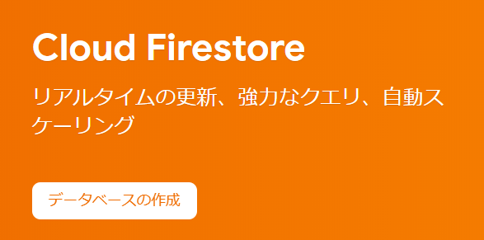
●

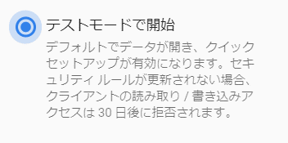

● | ファイル作成
 | C:\Users\hidet\AndroidStudioProjects\ninjafirebase\lib\services\database.dart

 |  | import 'package:cloud_firestore/cloud_firestore.dart';

 |  | class DatabaseService {
 |  | //collection reference
 |  | final CollectionReference brewCollection =
 |  | Firestore.instance.collection('brews');
 |  | }

 | 17回
 | Flutter & Firebase App Tutorial #17 - Firestore User Records

● | C:\Users\hidet\AndroidStudioProjects\ninjafirebase\lib\services\database.dart

 |  | import 'package:cloud_firestore/cloud_firestore.dart';

 |  | class DatabaseService {
 |  | final String uid;
 |  | DatabaseService({this.uid});

 |  | //collection reference
 |  | final CollectionReference brewCollection =
 |  | Firestore.instance.collection('brews');

 |  | Future updateUserData(String sugars, String name, int strength) async {
 |  | return await brewCollection.document(uid).setData({
 |  | 'sugars': sugars,
 |  | 'name': name,
 |  | 'strength': strength,
 |  | });
 |  | }
 |  | }

● | C:\Users\hidet\AndroidStudioProjects\ninjafirebase\lib\services\auth.dart

 |  | import 'package:firebase_auth/firebase_auth.dart';
 |  | import 'package:ninjafirebase/models/user.dart';
 |  | import 'package:ninjafirebase/services/database.dart';

 |  | class AuthService {
 |  | final FirebaseAuth _auth = FirebaseAuth.instance;

 |  | //create user obj based on FirebaseUser
 |  | User _userFromFirebaseUser(FirebaseUser user) {
 |  | return (user != null) ? User(uid: user.uid) : null;
 |  | }

 |  | //auth change user stream
 |  | Stream<User> get user {
 |  | return _auth.onAuthStateChanged
 |  | //.map((FirebaseUser user) => _userFromFirebaseUser(user));
 |  | .map(_userFromFirebaseUser);
 |  | }

 |  | //sign in anon
 |  | Future signInAnon() async {
 |  | try {
 |  | AuthResult result = await _auth.signInAnonymously();
 |  | FirebaseUser user = result.user;
 |  | return _userFromFirebaseUser(user);
 |  | } catch (e) {
 |  | print(e.toString());
 |  | return null;
 |  | }
 |  | }

 |  | //sign in with email and password
 |  | Future signInWithEmailAndPassword(String email, String password) async {
 |  | try {
 |  | AuthResult result = await _auth.signInWithEmailAndPassword(
 |  | email: email, password: password);
 |  | FirebaseUser user = result.user;
 |  | return _userFromFirebaseUser(user);
 |  | } catch (e) {
 |  | print(e.toString());
 |  | return null;
 |  | }
 |  | }

 |  | //register with email and password
 |  | Future registerWithEmailAndPassword(String email, String password) async {
 |  | try {
 |  | AuthResult result = await _auth.createUserWithEmailAndPassword(
 |  | email: email, password: password);
 |  | FirebaseUser user = result.user;

 |  | await DatabaseService(uid: user.uid)
 |  | .updateUserData('0', 'new crew member', 100);

 |  | return _userFromFirebaseUser(user);
 |  | } catch (e) {
 |  | print(e.toString());
 |  | return null;
 |  | }
 |  | }

 |  | //sign out
 |  | Future signOut() async {
 |  | try {
 |  | return await _auth.signOut();
 |  | } catch (e) {
 |  | print(e.toString());
 |  | return null;
 |  | }
 |  | }
 |  | }

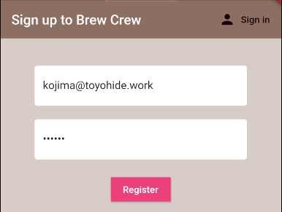

 |  |  |  | ユーザー作成

 | 同時に「brews」のデータが作成される

 | 18回
 | Flutter & Firebase App Tutorial #18 - Firestore Streams

●

● | C:\Users\hidet\AndroidStudioProjects\ninjafirebase\lib\services\database.dart

 |  | import 'package:cloud_firestore/cloud_firestore.dart';

 |  | class DatabaseService {
 |  | final String uid;
 |  | DatabaseService({this.uid});

 |  | //collection reference
 |  | final CollectionReference brewCollection =
 |  | Firestore.instance.collection('brews');

 |  | Future updateUserData(String sugars, String name, int strength) async {
 |  | return await brewCollection.document(uid).setData({
 |  | 'sugars': sugars,
 |  | 'name': name,
 |  | 'strength': strength,
 |  | });
 |  | }

 |  | //get brews stream
 |  | Stream<QuerySnapshot> get brews {
 |  | return brewCollection.snapshots();
 |  | }
 |  | }

● | C:\Users\hidet\AndroidStudioProjects\ninjafirebase\lib\screens\home\home.dart

 |  | import 'package:cloud_firestore/cloud_firestore.dart';
 |  | import 'package:flutter/material.dart';
 |  | import 'package:ninjafirebase/services/auth.dart';
 |  | import '../../services/database.dart';
 |  | import 'package:provider/provider.dart';
 |  | import 'brew_list.dart';

 |  | class Home extends StatelessWidget {
 |  | final AuthService _auth = AuthService();

 |  | @override
 |  | Widget build(BuildContext context) {
 |  | return StreamProvider<QuerySnapshot>.value(
 |  | value: DatabaseService().brews,
 |  | child: Scaffold(
 |  | backgroundColor: Colors.brown[50],
 |  | appBar: AppBar(
 |  | title: Text('Brew Crew'),
 |  | backgroundColor: Colors.brown[400],
 |  | elevation: 0.0,
 |  | actions: <Widget>[
 |  | FlatButton.icon(
 |  | icon: Icon(Icons.person),
 |  | label: Text('logout'),
 |  | onPressed: () async {
 |  | await _auth.signOut();
 |  | },
 |  | ),
 |  | ],
 |  | ),
 |  | body: BrewList(),
 |  | ),
 |  | );
 |  | }
 |  | }

● | ファイル作成
 | C:\Users\hidet\AndroidStudioProjects\ninjafirebase\lib\screens\home\brew_list.dart

 |  | import 'package:flutter/material.dart';
 |  | import 'package:cloud_firestore/cloud_firestore.dart';
 |  | import 'package:provider/provider.dart';

 |  | class BrewList extends StatefulWidget {
 |  | @override
 |  | _BrewListState createState() => _BrewListState();
 |  | }

 |  | class _BrewListState extends State<BrewList> {
 |  | @override
 |  | Widget build(BuildContext context) {
 |  | final brews = Provider.of<QuerySnapshot>(context);
 |  | if (brews != null) {
 |  | //print(brews.documents);
 |  | for (var doc in brews.documents) {
 |  | print(doc.data);
 |  | }
 |  | }

 |  | return Container();
 |  | }
 |  | }

 | 19回
 | Flutter & Firebase App Tutorial #19 - Brew Model

● | ファイル作成
 | C:\Users\hidet\AndroidStudioProjects\ninjafirebase\lib\models\brew.dart

 |  | class Brew {
 |  | final String name;
 |  | final String sugars;
 |  | final int strength;

 |  | Brew({this.name, this.sugars, this.strength});
 |  | }

● | C:\Users\hidet\AndroidStudioProjects\ninjafirebase\lib\services\database.dart

 |  | import 'package:cloud_firestore/cloud_firestore.dart';
 |  | import 'package:ninjafirebase/models/brew.dart';

 |  | class DatabaseService {
 |  | final String uid;
 |  | DatabaseService({this.uid});

 |  | //collection reference
 |  | final CollectionReference brewCollection =
 |  | Firestore.instance.collection('brews');

 |  | Future updateUserData(String sugars, String name, int strength) async {
 |  | return await brewCollection.document(uid).setData({
 |  | 'sugars': sugars,
 |  | 'name': name,
 |  | 'strength': strength,
 |  | });
 |  | }

 |  | //brew list from snapshot
 |  | List<Brew> _brewListFromSnapshot(QuerySnapshot snapshot) {
 |  | return snapshot.documents.map((doc) {
 |  | return Brew(
 |  | name: doc.data['name'] ?? '',
 |  | sugars: doc.data['sugars'] ?? '0',
 |  | strength: doc.data['strength'] ?? 0);
 |  | }).toList();
 |  | }

 |  | //get brews stream
 |  | Stream<List<Brew>> get brews {
 |  | return brewCollection.snapshots().map(_brewListFromSnapshot);
 |  | }
 |  | }

● | C:\Users\hidet\AndroidStudioProjects\ninjafirebase\lib\screens\home\home.dart

 |  | import 'package:flutter/material.dart';
 |  | import 'package:ninjafirebase/models/brew.dart';
 |  | import 'package:ninjafirebase/services/auth.dart';
 |  | import '../../services/database.dart';
 |  | import 'package:provider/provider.dart';
 |  | import 'brew_list.dart';

 |  | class Home extends StatelessWidget {
 |  | final AuthService _auth = AuthService();

 |  | @override
 |  | Widget build(BuildContext context) {
 |  | return StreamProvider<List<Brew>>.value(
 |  | value: DatabaseService().brews,
 |  | child: Scaffold(
 |  | backgroundColor: Colors.brown[50],
 |  | appBar: AppBar(
 |  | title: Text('Brew Crew'),
 |  | backgroundColor: Colors.brown[400],
 |  | elevation: 0.0,
 |  | actions: <Widget>[
 |  | FlatButton.icon(
 |  | icon: Icon(Icons.person),
 |  | label: Text('logout'),
 |  | onPressed: () async {
 |  | await _auth.signOut();
 |  | },
 |  | ),
 |  | ],
 |  | ),
 |  | body: BrewList(),
 |  | ),
 |  | );
 |  | }
 |  | }

● | C:\Users\hidet\AndroidStudioProjects\ninjafirebase\lib\screens\home\brew_list.dart

 |  | import 'package:flutter/material.dart';
 |  | import 'package:ninjafirebase/models/brew.dart';
 |  | import 'package:provider/provider.dart';

 |  | class BrewList extends StatefulWidget {
 |  | @override
 |  | _BrewListState createState() => _BrewListState();
 |  | }

 |  | class _BrewListState extends State<BrewList> {
 |  | @override
 |  | Widget build(BuildContext context) {
 |  | final brews = Provider.of<List<Brew>>(context);
 |  | if (brews != null) {
 |  | brews.forEach((brew) {
 |  | print(brew.name);
 |  | print(brew.sugars);
 |  | print(brew.strength);
 |  | });
 |  | }
 |  | return Container();
 |  | }
 |  | }

 | 20回
 | Flutter & Firebase App Tutorial #20 - Listing Brew Data

● | ファイル作成
 | C:\Users\hidet\AndroidStudioProjects\ninjafirebase\lib\screens\home\brew_tile.dart

 |  | import 'package:flutter/material.dart';
 |  | import 'package:ninjafirebase/models/brew.dart';

 |  | class BrewTile extends StatelessWidget {
 |  | final Brew brew;
 |  | BrewTile({this.brew});

 |  | @override
 |  | Widget build(BuildContext context) {
 |  | return Padding(
 |  | padding: EdgeInsets.only(top: 8.0),
 |  | child: Card(
 |  | margin: EdgeInsets.fromLTRB(20.0, 6.0, 20.0, 0.0),
 |  | child: ListTile(
 |  | leading: CircleAvatar(
 |  | radius: 25.0,
 |  | backgroundColor: Colors.brown[brew.strength],
 |  | ),
 |  | title: Text(brew.name),
 |  | subtitle: Text('Takes ${brew.sugars} sugar(s)'),
 |  | ),
 |  | ),
 |  | );
 |  | }
 |  | }

● | C:\Users\hidet\AndroidStudioProjects\ninjafirebase\lib\screens\home\brew_list.dart

 |  | import 'package:flutter/material.dart';
 |  | import 'package:ninjafirebase/models/brew.dart';
 |  | import 'package:provider/provider.dart';

 |  | import 'brew_tile.dart';

 |  | class BrewList extends StatefulWidget {
 |  | @override
 |  | _BrewListState createState() => _BrewListState();
 |  | }

 |  | class _BrewListState extends State<BrewList> {
 |  | @override
 |  | Widget build(BuildContext context) {
 |  | final brews = Provider.of<List<Brew>>(context);
 |  | return ListView.builder(
 |  | itemCount: brews.length,
 |  | itemBuilder: (context, index) {
 |  | return BrewTile(brew: brews[index]);
 |  | },
 |  | );
 |  | }
 |  | }

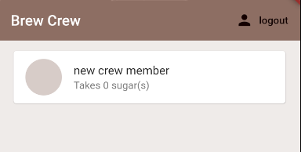

 | 21回
 | Flutter & Firebase App Tutorial #21- Bottom Sheets

● | C:\Users\hidet\AndroidStudioProjects\ninjafirebase\lib\screens\home\home.dart

 |  | import 'package:flutter/material.dart';
 |  | import 'package:ninjafirebase/models/brew.dart';
 |  | import 'package:ninjafirebase/services/auth.dart';
 |  | import '../../services/database.dart';
 |  | import 'package:provider/provider.dart';

 |  | import 'brew_list.dart';

 |  | class Home extends StatelessWidget {
 |  | final AuthService _auth = AuthService();

 |  | @override
 |  | Widget build(BuildContext context) {
 |  | void _showSettingPanel() {
 |  | showModalBottomSheet(
 |  | context: context,
 |  | builder: (context) {
 |  | return Container(
 |  | padding: EdgeInsets.symmetric(
 |  | vertical: 20.0,
 |  | horizontal: 60.0,
 |  | ),
 |  | child: Text('Bottom Sheet'),
 |  | );
 |  | },
 |  | );
 |  | }

 |  | return StreamProvider<List<Brew>>.value(
 |  | value: DatabaseService().brews,
 |  | child: Scaffold(
 |  | backgroundColor: Colors.brown[50],
 |  | appBar: AppBar(
 |  | title: Text('Brew Crew'),
 |  | backgroundColor: Colors.brown[400],
 |  | elevation: 0.0,
 |  | actions: <Widget>[
 |  | FlatButton.icon(
 |  | icon: Icon(Icons.person),
 |  | label: Text('logout'),
 |  | onPressed: () async {
 |  | await _auth.signOut();
 |  | },
 |  | ),
 |  | FlatButton.icon(
 |  | icon: Icon(Icons.settings),
 |  | label: Text('settings'),
 |  | onPressed: () => _showSettingPanel(),
 |  | ),
 |  | ],
 |  | ),
 |  | body: BrewList(),
 |  | ),
 |  | );
 |  | }
 |  | }

 | 22回
 | Flutter & Firebase App Tutorial #22 - Drop-downs

● | C:\Users\hidet\AndroidStudioProjects\ninjafirebase\lib\screens\home\home.dart

 |  | import 'package:flutter/material.dart';
 |  | import 'package:ninjafirebase/models/brew.dart';
 |  | import 'package:ninjafirebase/screens/home/settings_form.dart';
 |  | import 'package:ninjafirebase/services/auth.dart';
 |  | import '../../services/database.dart';
 |  | import 'package:provider/provider.dart';

 |  | import 'brew_list.dart';

 |  | class Home extends StatelessWidget {
 |  | final AuthService _auth = AuthService();

 |  | @override
 |  | Widget build(BuildContext context) {
 |  | void _showSettingPanel() {
 |  | showModalBottomSheet(
 |  | context: context,
 |  | builder: (context) {
 |  | return Container(
 |  | padding: EdgeInsets.symmetric(
 |  | vertical: 20.0,
 |  | horizontal: 60.0,
 |  | ),
 |  | child: SettingsForm(),
 |  | );
 |  | },
 |  | );
 |  | }

 |  | return StreamProvider<List<Brew>>.value(
 |  | value: DatabaseService().brews,
 |  | child: Scaffold(
 |  | backgroundColor: Colors.brown[50],
 |  | appBar: AppBar(
 |  | title: Text('Brew Crew'),
 |  | backgroundColor: Colors.brown[400],
 |  | elevation: 0.0,
 |  | actions: <Widget>[
 |  | FlatButton.icon(
 |  | icon: Icon(Icons.person),
 |  | label: Text('logout'),
 |  | onPressed: () async {
 |  | await _auth.signOut();
 |  | },
 |  | ),
 |  | FlatButton.icon(
 |  | icon: Icon(Icons.settings),
 |  | label: Text('settings'),
 |  | onPressed: () => _showSettingPanel(),
 |  | ),
 |  | ],
 |  | ),
 |  | body: BrewList(),
 |  | ),
 |  | );
 |  | }
 |  | }

● | ファイル作成
 | C:\Users\hidet\AndroidStudioProjects\ninjafirebase\lib\screens\home\settings_form.dart

 |  | import 'package:flutter/material.dart';
 |  | import 'package:ninjafirebase/shared/constants.dart';

 |  | class SettingsForm extends StatefulWidget {
 |  | @override
 |  | _SettingsFormState createState() => _SettingsFormState();
 |  | }

 |  | class _SettingsFormState extends State<SettingsForm> {
 |  | final _formKey = GlobalKey<FormState>();
 |  | final List<String> sugars = ['0', '1', '2', '3', '4'];

 |  | String _currentName;
 |  | String _currentSugars;
 |  | int _currentStrength;

 |  | @override
 |  | Widget build(BuildContext context) {
 |  | return Form(
 |  | key: _formKey,
 |  | child: Column(
 |  | children: <Widget>[
 |  | Text(
 |  | 'Update your brew settings.',
 |  | style: TextStyle(
 |  | fontSize: 18.0,
 |  | ),
 |  | ),

 |  | //name
 |  | SizedBox(
 |  | height: 20.0,
 |  | ),
 |  | TextFormField(
 |  | decoration: textInputDecoration,
 |  | validator: (val) => (val.isEmpty) ? 'Please enter a name' : null,
 |  | onChanged: (val) {
 |  | setState(() {
 |  | _currentName = val;
 |  | });
 |  | },
 |  | ),

 |  | //dropdown
 |  | SizedBox(
 |  | height: 20.0,
 |  | ),
 |  | DropdownButtonFormField(
 |  | decoration: textInputDecoration,
 |  | value: (_currentSugars ?? '0'),
 |  | items: sugars.map(
 |  | (sugar) {
 |  | return DropdownMenuItem(
 |  | value: sugar,
 |  | child: Text('${sugar} sugars'),
 |  | );
 |  | },
 |  | ).toList(),
 |  | onChanged: (val) {
 |  | setState(() {
 |  | _currentSugars = val;
 |  | });
 |  | },
 |  | ),
 |  | //slider

 |  | //button

 |  | RaisedButton(
 |  | color: Colors.pinkAccent[400],
 |  | child: Text(
 |  | 'Update',
 |  | style: TextStyle(color: Colors.white),
 |  | ),
 |  | onPressed: () async {
 |  | print(_currentName);
 |  | print(_currentSugars);
 |  | print(_currentStrength);
 |  | },
 |  | ),
 |  | ],
 |  | ),
 |  | );
 |  | }
 |  | }

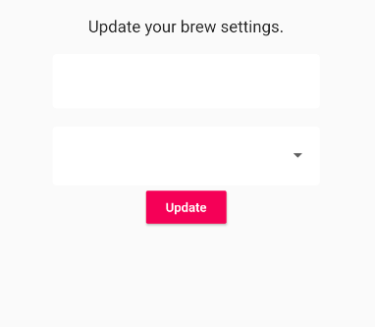

 | 23回
 | Flutter & Firebase App Tutorial #23 - Sliders

● | C:\Users\hidet\AndroidStudioProjects\ninjafirebase\lib\screens\home\settings_form.dart

 |  | import 'package:flutter/material.dart';
 |  | import 'package:ninjafirebase/shared/constants.dart';

 |  | class SettingsForm extends StatefulWidget {
 |  | @override
 |  | _SettingsFormState createState() => _SettingsFormState();
 |  | }

 |  | class _SettingsFormState extends State<SettingsForm> {
 |  | final _formKey = GlobalKey<FormState>();
 |  | final List<String> sugars = ['0', '1', '2', '3', '4'];

 |  | String _currentName;
 |  | String _currentSugars;
 |  | int _currentStrength;

 |  | @override
 |  | Widget build(BuildContext context) {
 |  | return Form(
 |  | key: _formKey,
 |  | child: Column(
 |  | children: <Widget>[
 |  | Text(
 |  | 'Update your brew settings.',
 |  | style: TextStyle(
 |  | fontSize: 18.0,
 |  | ),
 |  | ),

 |  | //name
 |  | SizedBox(
 |  | height: 20.0,
 |  | ),
 |  | TextFormField(
 |  | decoration: textInputDecoration,
 |  | validator: (val) => (val.isEmpty) ? 'Please enter a name' : null,
 |  | onChanged: (val) {
 |  | setState(() {
 |  | _currentName = val;
 |  | });
 |  | },
 |  | ),

 |  | //dropdown
 |  | SizedBox(
 |  | height: 20.0,
 |  | ),
 |  | DropdownButtonFormField(
 |  | decoration: textInputDecoration,
 |  | value: (_currentSugars ?? '0'),
 |  | items: sugars.map(
 |  | (sugar) {
 |  | return DropdownMenuItem(
 |  | value: sugar,
 |  | child: Text('${sugar} sugars'),
 |  | );
 |  | },
 |  | ).toList(),
 |  | onChanged: (val) {
 |  | setState(() {
 |  | _currentSugars = val;
 |  | });
 |  | },
 |  | ),
 |  | //slider
 |  | Slider(
 |  | value: (_currentStrength ?? 100).toDouble(),
 |  | activeColor: Colors.brown[_currentStrength ?? 100],
 |  | inactiveColor: Colors.brown[_currentStrength ?? 100],
 |  | min: 100.0,
 |  | max: 900.0,
 |  | divisions: 8,
 |  | onChanged: (val) {
 |  | setState(() {
 |  | _currentStrength = val.round();
 |  | });
 |  | },
 |  | ),

 |  | //button
 |  | RaisedButton(
 |  | color: Colors.pinkAccent[400],
 |  | child: Text(
 |  | 'Update',
 |  | style: TextStyle(color: Colors.white),
 |  | ),
 |  | onPressed: () async {
 |  | print(_currentName);
 |  | print(_currentSugars);
 |  | print(_currentStrength);
 |  | },
 |  | ),
 |  | ],
 |  | ),
 |  | );
 |  | }
 |  | }

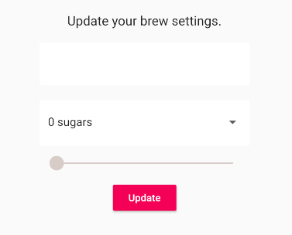

 | 24回
 | Flutter & Firebase App Tutorial #24 - User Data Model

● | C:\Users\hidet\AndroidStudioProjects\ninjafirebase\lib\services\database.dart

 |  | import 'package:cloud_firestore/cloud_firestore.dart';
 |  | import 'package:ninjafirebase/models/brew.dart';
 |  | import 'package:ninjafirebase/models/user.dart';

 |  | class DatabaseService {
 |  | final String uid;
 |  | DatabaseService({this.uid});

 |  | //collection reference
 |  | final CollectionReference brewCollection =
 |  | Firestore.instance.collection('brews');

 |  | Future updateUserData(String sugars, String name, int strength) async {
 |  | return await brewCollection.document(uid).setData({
 |  | 'sugars': sugars,
 |  | 'name': name,
 |  | 'strength': strength,
 |  | });
 |  | }

 |  | //----------------------------------//
 |  | Stream<List<Brew>> get brews {
 |  | return brewCollection.snapshots().map(_brewListFromSnapshot);
 |  | }

 |  | List<Brew> _brewListFromSnapshot(QuerySnapshot snapshot) {
 |  | return snapshot.documents.map((doc) {
 |  | return Brew(
 |  | name: doc.data['name'] ?? '',
 |  | sugars: doc.data['sugars'] ?? '0',
 |  | strength: doc.data['strength'] ?? 0);
 |  | }).toList();
 |  | }
 |  | //----------------------------------//

 |  | //----------------------------------//
 |  | Stream<UserData> get userData {
 |  | return brewCollection.document(uid).snapshots().map(_userDataFromSnapshot);
 |  | }

 |  | UserData _userDataFromSnapshot(DocumentSnapshot snapshot) {
 |  | return UserData(
 |  | uid: uid,
 |  | name: snapshot.data['name'],
 |  | sugars: snapshot.data['sugars'],
 |  | strength: snapshot.data['strength'],
 |  | );
 |  | }
 |  | //----------------------------------//
 |  | }

● | C:\Users\hidet\AndroidStudioProjects\ninjafirebase\lib\models\user.dart

 |  | class User {
 |  | final String uid;

 |  | User({this.uid});
 |  | }

 |  | class UserData {
 |  | final String uid;
 |  | final String name;
 |  | final String sugars;
 |  | final int strength;

 |  | UserData({this.uid, this.name, this.sugars, this.strength});
 |  | }

 | 25回
 | Flutter & Firebase App Tutorial #25 - Using a Stream Builder

● | C:\Users\hidet\AndroidStudioProjects\ninjafirebase\lib\screens\home\settings_form.dart

 |  | import 'package:flutter/material.dart';
 |  | import 'package:ninjafirebase/models/user.dart';
 |  | import 'package:ninjafirebase/services/database.dart';
 |  | import 'package:ninjafirebase/shared/constants.dart';
 |  | import 'package:ninjafirebase/shared/loading.dart';
 |  | import 'package:provider/provider.dart';

 |  | class SettingsForm extends StatefulWidget {
 |  | @override
 |  | _SettingsFormState createState() => _SettingsFormState();
 |  | }

 |  | class _SettingsFormState extends State<SettingsForm> {
 |  | final _formKey = GlobalKey<FormState>();
 |  | final List<String> sugars = ['0', '1', '2', '3', '4'];

 |  | String _currentName;
 |  | String _currentSugars;
 |  | int _currentStrength;

 |  | @override
 |  | Widget build(BuildContext context) {
 |  | final user = Provider.of<User>(context);

 |  | return StreamBuilder<UserData>(
 |  | stream: DatabaseService(uid: user.uid).userData,
 |  | builder: (context, snapshot) {
 |  | if (snapshot.hasData) {
 |  | UserData userData = snapshot.data;

 |  | return Form(
 |  | key: _formKey,
 |  | child: Column(
 |  | children: <Widget>[
 |  | Text(
 |  | 'Update your brew settings.',
 |  | style: TextStyle(
 |  | fontSize: 18.0,
 |  | ),
 |  | ),

 |  | //name
 |  | SizedBox(
 |  | height: 20.0,
 |  | ),
 |  | TextFormField(
 |  | initialValue: userData.name,
 |  | decoration: textInputDecoration,
 |  | validator: (val) =>
 |  | (val.isEmpty) ? 'Please enter a name' : null,
 |  | onChanged: (val) {
 |  | setState(() {
 |  | _currentName = val;
 |  | });
 |  | },
 |  | ),

 |  | //dropdown
 |  | SizedBox(
 |  | height: 20.0,
 |  | ),
 |  | DropdownButtonFormField(
 |  | decoration: textInputDecoration,
 |  | value: (_currentSugars ?? userData.sugars),
 |  | items: sugars.map(
 |  | (sugar) {
 |  | return DropdownMenuItem(
 |  | value: sugar,
 |  | child: Text('${sugar} sugars'),
 |  | );
 |  | },
 |  | ).toList(),
 |  | onChanged: (val) {
 |  | setState(() {
 |  | _currentSugars = val;
 |  | });
 |  | },
 |  | ),
 |  | //slider
 |  | Slider(
 |  | value: (_currentStrength ?? userData.strength).toDouble(),
 |  | activeColor:
 |  | Colors.brown[_currentStrength ?? userData.strength],
 |  | inactiveColor:
 |  | Colors.brown[_currentStrength ?? userData.strength],
 |  | min: 100.0,
 |  | max: 900.0,
 |  | divisions: 8,
 |  | onChanged: (val) {
 |  | setState(() {
 |  | _currentStrength = val.round();
 |  | });
 |  | },
 |  | ),

 |  | //button
 |  | RaisedButton(
 |  | color: Colors.pinkAccent[400],
 |  | child: Text(
 |  | 'Update',
 |  | style: TextStyle(color: Colors.white),
 |  | ),
 |  | onPressed: () async {
 |  | print(_currentName);
 |  | print(_currentSugars);
 |  | print(_currentStrength);
 |  | },
 |  | ),
 |  | ],
 |  | ),
 |  | );
 |  | } else {
 |  | return Loading();
 |  | }
 |  | },
 |  | );
 |  | }
 |  | }

 | 26回
 | Flutter & Firebase App Tutorial #26 - Updating User Data

● | エラー対応

 | I/flutter ( 9867): The getter 'length' was called on null.
 | I/flutter ( 9867): Receiver: null
 | I/flutter ( 9867): Tried calling: length

 | C:\Users\hidet\AndroidStudioProjects\ninjafirebase\lib\screens\home\brew_list.dart

 |  | import 'package:flutter/material.dart';
 |  | import 'package:ninjafirebase/models/brew.dart';
 |  | import 'package:provider/provider.dart';

 |  | import 'brew_tile.dart';

 |  | class BrewList extends StatefulWidget {
 |  | @override
 |  | _BrewListState createState() => _BrewListState();
 |  | }

 |  | class _BrewListState extends State<BrewList> {
 |  | @override
 |  | Widget build(BuildContext context) {
 |  | final brews = Provider.of<List<Brew>>(context) ?? [];
 |  | return ListView.builder(
 |  | itemCount: brews.length,
 |  | itemBuilder: (context, index) {
 |  | return BrewTile(brew: brews[index]);
 |  | },
 |  | );
 |  | }
 |  | }

● | C:\Users\hidet\AndroidStudioProjects\ninjafirebase\lib\screens\home\settings_form.dart

 |  | import 'package:flutter/material.dart';
 |  | import 'package:ninjafirebase/models/user.dart';
 |  | import 'package:ninjafirebase/services/database.dart';
 |  | import 'package:ninjafirebase/shared/constants.dart';
 |  | import 'package:ninjafirebase/shared/loading.dart';
 |  | import 'package:provider/provider.dart';

 |  | class SettingsForm extends StatefulWidget {
 |  | @override
 |  | _SettingsFormState createState() => _SettingsFormState();
 |  | }

 |  | class _SettingsFormState extends State<SettingsForm> {
 |  | final _formKey = GlobalKey<FormState>();
 |  | final List<String> sugars = ['0', '1', '2', '3', '4'];

 |  | String _currentName;
 |  | String _currentSugars;
 |  | int _currentStrength;

 |  | @override
 |  | Widget build(BuildContext context) {
 |  | final user = Provider.of<User>(context);

 |  | return StreamBuilder<UserData>(
 |  | stream: DatabaseService(uid: user.uid).userData,
 |  | builder: (context, snapshot) {
 |  | if (snapshot.hasData) {
 |  | UserData userData = snapshot.data;

 |  | return Form(
 |  | key: _formKey,
 |  | child: Column(
 |  | children: <Widget>[
 |  | Text(
 |  | 'Update your brew settings.',
 |  | style: TextStyle(
 |  | fontSize: 18.0,
 |  | ),
 |  | ),

 |  | //name
 |  | SizedBox(
 |  | height: 20.0,
 |  | ),
 |  | TextFormField(
 |  | initialValue: userData.name,
 |  | decoration: textInputDecoration,
 |  | validator: (val) =>
 |  | (val.isEmpty) ? 'Please enter a name' : null,
 |  | onChanged: (val) {
 |  | setState(() {
 |  | _currentName = val;
 |  | });
 |  | },
 |  | ),

 |  | //dropdown
 |  | SizedBox(
 |  | height: 20.0,
 |  | ),
 |  | DropdownButtonFormField(
 |  | decoration: textInputDecoration,
 |  | value: (_currentSugars ?? userData.sugars),
 |  | items: sugars.map(
 |  | (sugar) {
 |  | return DropdownMenuItem(
 |  | value: sugar,
 |  | child: Text('${sugar} sugars'),
 |  | );
 |  | },
 |  | ).toList(),
 |  | onChanged: (val) {
 |  | setState(() {
 |  | _currentSugars = val;
 |  | });
 |  | },
 |  | ),
 |  | //slider
 |  | Slider(
 |  | value: (_currentStrength ?? userData.strength).toDouble(),
 |  | activeColor:
 |  | Colors.brown[_currentStrength ?? userData.strength],
 |  | inactiveColor:
 |  | Colors.brown[_currentStrength ?? userData.strength],
 |  | min: 100.0,
 |  | max: 900.0,
 |  | divisions: 8,
 |  | onChanged: (val) {
 |  | setState(() {
 |  | _currentStrength = val.round();
 |  | });
 |  | },
 |  | ),
...

Sheet2
...
● | 前準備

 | work.toyohide.testcoffee2

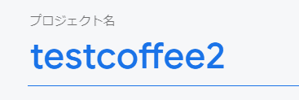

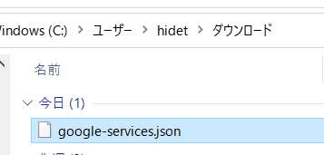
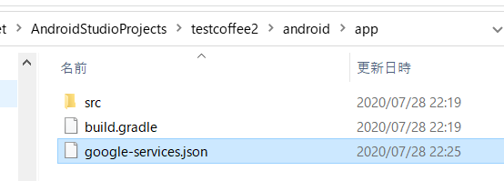

 | 外
 | C:\Users\hidet\AndroidStudioProjects\testcoffee2\android\build.gradle

 |  | buildscript {
 |  | repositories {
 |  | google()
 |  | jcenter()
 |  | }
...
 |  | print(result);
 |  | }
 |  | },
 |  | ),
 |  | ),
 |  | );
 |  | }
 |  | }

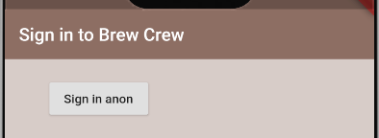

 | ボタンをクリックすると
 | I/flutter (12375): signed in
 | I/flutter (12375): FirebaseUser(Instance of 'PlatformUser')
...

202103 サインアップ、ログイン
 | https://www.youtube.com/watch?v=sfA3NWDBPZ4&list=PL4cUxeGkcC9j--TKIdkb3ISfRbJeJYQwC

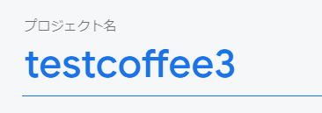

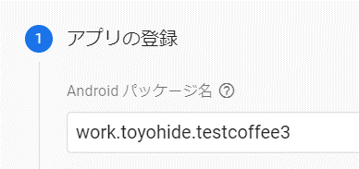

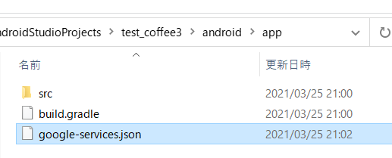

 | test_coffee3\android\build.gradle

 |  | buildscript {
 |  | ext.kotlin_version = '1.3.50'
 |  | repositories {
 |  | google()
 |  | jcenter()
 |  | }
...
 |  | print('Authenticate');
 |  | return Authenticate();
 |  | } else {
 |  | print('Home');
 |  | return Home();
 |  | }
 |  | }
 |  | }

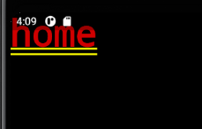

● | lib\services\auth.dart

 |  | import 'package:firebase_auth/firebase_auth.dart';
 |  | import '../models/user.dart';

 |  | class AuthService {
...
 | https://www.youtube.com/watch?v=sfA3NWDBPZ4&list=PL4cUxeGkcC9j--TKIdkb3ISfRbJeJYQwC
 |  | ),
 |  | ],
 |  | ),
 |  | ),
 |  | ),
 |  | );
 |  | }
 |  | }

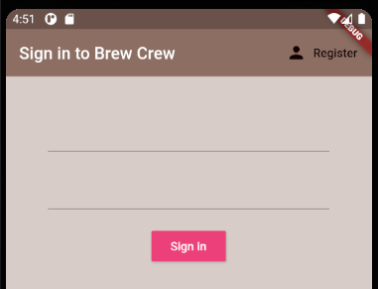
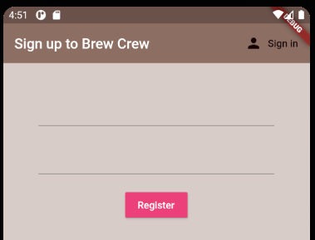

 | 人型アイコンをクリックすることで交互に表示される

● | lib\screens\authenticate\register.dart

 |  | import 'package:flutter/material.dart';
 |  | import '../../services/auth.dart';
...
 | https://www.youtube.com/watch?v=sfA3NWDBPZ4&list=PL4cUxeGkcC9j--TKIdkb3ISfRbJeJYQwC
 |  | ),
 |  | ],
 |  | ),
 |  | ),
 |  | ),
 |  | );
 |  | }
 |  | }

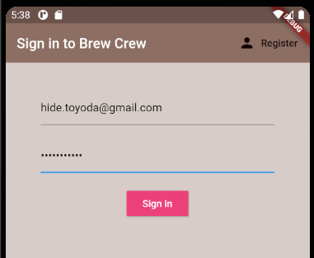

 |  |  | ログインが成功すると画面遷移する

 | ここまでログイン

 | ここからおまけ
...
 | https://www.youtube.com/watch?v=sfA3NWDBPZ4&list=PL4cUxeGkcC9j--TKIdkb3ISfRbJeJYQwC
 |  | obscureText: true,
 |  | decoration: textInputDecoration.copyWith(hintText: 'password'),
 |  | onChanged: (val) {
 |  | setState(() {
 |  | password = val;
 |  | });
 |  | },
 |  | ),

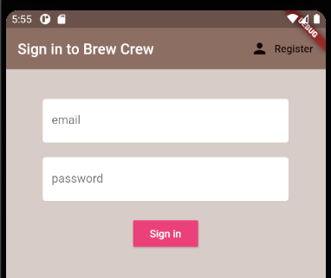
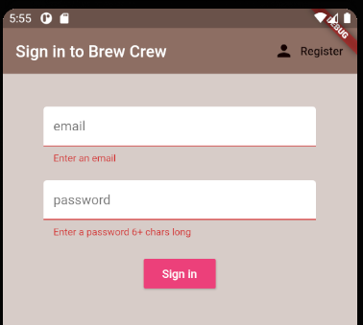

● | pubspec.yaml

 |  | name: test_coffee3
 |  | description: A new Flutter application.
...

202103 データベース
...
 |  | itemBuilder: (context, index) {
 |  | return BrewTile(brew: brews[index]);
 |  | },
 |  | );

 |  | return Container();
 |  | }
 |  | }

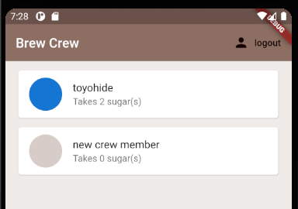

 | ここまでデータ読み込み

 | ここからセッティングパネル
...
 |  | print(_currentStrength);
 |  | },
 |  | ),
 |  | ],
 |  | ),
 |  | );
 |  | }
 |  | }

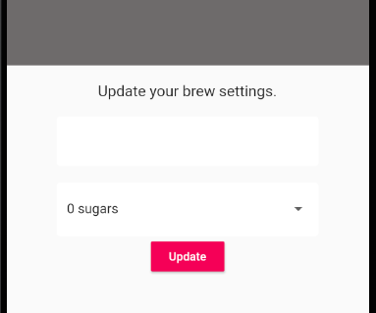

● | lib\screens\home\settings_form.dart

 |  | import 'package:flutter/material.dart';

 |  | import '../../shared/constants.dart';
...
 |  | print(_currentStrength);
 |  | },
 |  | ),
 |  | ],
 |  | ),
 |  | );
 |  | }
 |  | }

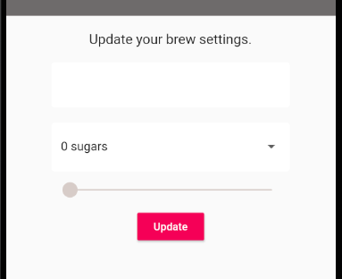

 | モデル作成

● | lib\models\user.dart

 |  | class User {
...

