①
https://www.youtube.com/watch?v=GeMJz3EcBgs

lib\main.dart

 | import 'package:flutter/material.dart';

 | import 'custom_shape_clipper.dart';

 | void main() {
 | runApp(
 | MaterialApp(
 | title: 'Flight List Mock Up',
 | debugShowCheckedModeBanner: false,
 | home: HomeScreen(),
 | ),
 | );
 | }

 | class HomeScreen extends StatelessWidget {
 | @override
 | Widget build(BuildContext context) {
 | return Scaffold(
 | body: Column(
 | children: <Widget>[HomeScreenTopPart()],
 | ),
 | );
 | }
 | }

 | class HomeScreenTopPart extends StatefulWidget {
 | @override
 | _HomeScreenTopPartState createState() => _HomeScreenTopPartState();
 | }

 | class _HomeScreenTopPartState extends State<HomeScreenTopPart> {
 | @override
 | Widget build(BuildContext context) {
 | return Stack(
 | children: <Widget>[
 | ClipPath(
 | clipper: CustomShapeClipper(),
 | child: Container(
 | height: 400,
 | color: Colors.orange,
 | ),
 | ),
 | ],
 | );
 | }
 | }

lib\custom_shape_clipper.dart

 | import 'package:flutter/material.dart';

 | class CustomShapeClipper extends CustomClipper<Path> {
 | @override
 | Path getClip(Size size) {
 | final Path path = Path();
 | path.lineTo(0.0, size.height);
 | path.lineTo(size.width, size.height);
 | return path;
 | }

 | @override
 | bool shouldReclip(CustomClipper oldClipper) => true;
 | }

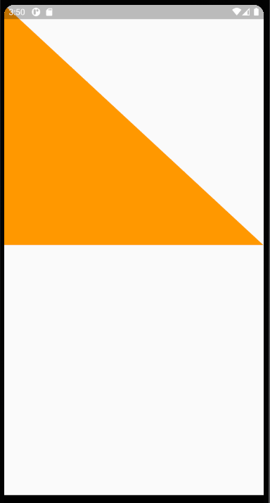


 | @override
 | Path getClip(Size size) {
 | final Path path = Path();
 | path.lineTo(0.0, size.height);
 | path.lineTo(size.width, 0.0);
 | return path;
 | }

 | @override
 | Path getClip(Size size) {
 | final Path path = Path();
 | path.lineTo(0.0, size.height);

 | var firstEndPoint = Offset((size.width * 0.5), (size.height - 35.0));
 | var firstControlPoint = Offset((size.width * 0.25), (size.height - 50.0));
 | path.quadraticBezierTo(
 | firstControlPoint.dx,
 | firstControlPoint.dy,
 | firstEndPoint.dx,
 | firstEndPoint.dy,
 | );

 | path.lineTo(size.width, size.height);
 | path.lineTo(size.width, 0.0);
 | return path;
 | }

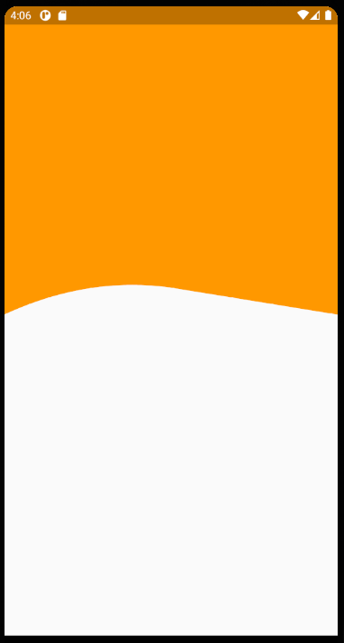

 | @override
 | Path getClip(Size size) {
 | final Path path = Path();
 | path.lineTo(0.0, size.height);

 | var firstEndPoint = Offset((size.width * 0.5), (size.height - 35.0));
 | var firstControlPoint = Offset((size.width * 0.25), (size.height - 50.0));
 | path.quadraticBezierTo(
 | firstControlPoint.dx,
 | firstControlPoint.dy,
 | firstEndPoint.dx,
 | firstEndPoint.dy,
 | );

 | // path.lineTo(size.width, size.height);
 | // path.lineTo(size.width, 0.0);
 | return path;
 | }



var firstEndPoint = Offset((size.width * 0.5), (size.height - 35.0));
var firstControlPoint = Offset((size.width * 0.25), (size.height - 100.0));

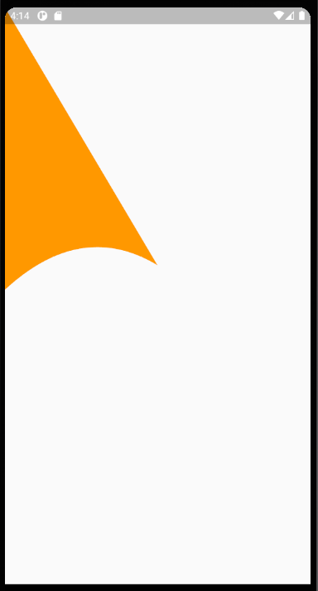

var firstEndPoint = Offset((size.width * 0.5), (size.height - 20.0));
var firstControlPoint = Offset((size.width * 0.25), (size.height - 50.0));



 | @override
 | Path getClip(Size size) {
 | final Path path = Path();
 | path.lineTo(0.0, size.height);

 | var firstEndPoint = Offset((size.width * 0.5), (size.height - 35.0));
 | var firstControlPoint = Offset((size.width * 0.25), (size.height - 50.0));
 | path.quadraticBezierTo(
 | firstControlPoint.dx,
 | firstControlPoint.dy,
 | firstEndPoint.dx,
 | firstEndPoint.dy,
 | );

 | var secondEndPoint = Offset((size.width), (size.height - 80.0));
 | var secondControlPoint = Offset((size.width * 0.75), (size.height - 10.0));
 | path.quadraticBezierTo(
 | secondControlPoint.dx,
 | secondControlPoint.dy,
 | secondEndPoint.dx,
 | secondEndPoint.dy,
 | );

 | // path.lineTo(size.width, size.height);
 | // path.lineTo(size.width, 0.0);
 | return path;
 | }

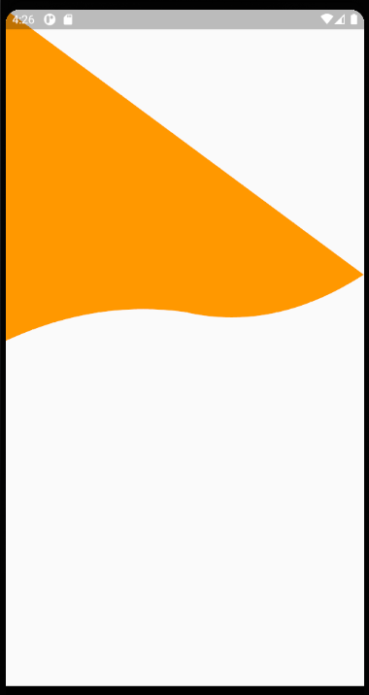

 | @override
 | Path getClip(Size size) {
 | final Path path = Path();
 | path.lineTo(0.0, size.height);

 | var firstEndPoint = Offset((size.width * 0.5), (size.height - 35.0));
 | var firstControlPoint = Offset((size.width * 0.25), (size.height - 50.0));
 | path.quadraticBezierTo(
 | firstControlPoint.dx,
 | firstControlPoint.dy,
 | firstEndPoint.dx,
 | firstEndPoint.dy,
 | );

 | var secondEndPoint = Offset((size.width), (size.height - 80.0));
 | var secondControlPoint = Offset((size.width * 0.75), (size.height - 10.0));
 | path.quadraticBezierTo(
 | secondControlPoint.dx,
 | secondControlPoint.dy,
 | secondEndPoint.dx,
 | secondEndPoint.dy,
 | );

 | // path.lineTo(size.width, size.height);
 | path.lineTo(size.width, 0.0);
 | return path;
 | }



グラディエント

lib\main.dart

 | class _HomeScreenTopPartState extends State<HomeScreenTopPart> {
 | var firstColor = Color(0xFFFF0000);
 | var secondColor = Color(0xFFEF772C);

 | /**
 | *
 | */
 | @override
 | Widget build(BuildContext context) {
 | return Stack(
 | children: <Widget>[
 | ClipPath(
 | clipper: CustomShapeClipper(),
 | child: Container(
 | height: 400,
 | decoration: BoxDecoration(
 | gradient: LinearGradient(
 | colors: [
 | firstColor,
 | secondColor,
 | ],
 | ),
 | ),
 | ),
 | ),
 | ],
 | );
 | }
 | }

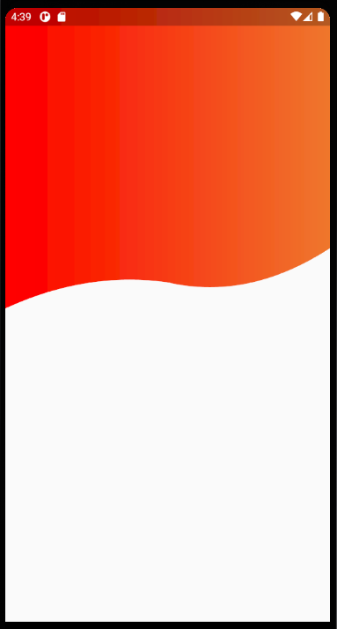

あとはおまけかな
いったん記録

lib\main.dart

 | import 'package:flutter/material.dart';

 | import 'custom_shape_clipper.dart';

 | void main() {
 | runApp(
 | MaterialApp(
 | title: 'Flight List Mock Up',
 | debugShowCheckedModeBanner: false,
 | home: HomeScreen(),
 | theme: addTheme,
 | ),
 | );
 | }

 | ThemeData addTheme = ThemeData(
 | primaryColor: Color(0xFFF3791A),
 | fontFamily: 'Oxygen',
 | );

 | List<String> location = ['Boston (BOS)', 'New York City (JFK)'];

 | class HomeScreen extends StatelessWidget {
 | @override
 | Widget build(BuildContext context) {
 | return Scaffold(
 | body: Column(
 | children: <Widget>[HomeScreenTopPart()],
 | ),
 | );
 | }
 | }

 | class HomeScreenTopPart extends StatefulWidget {
 | @override
 | _HomeScreenTopPartState createState() => _HomeScreenTopPartState();
 | }

 | class _HomeScreenTopPartState extends State<HomeScreenTopPart> {
 | var firstColor = Color(0xFFFF0000);
 | var secondColor = Color(0xFFEF772C);

 | TextStyle dropDownLabelStyle = TextStyle(color: Colors.white, fontSize: 16);
 | TextStyle dropDownMenuItemStyle =
 | TextStyle(color: Colors.black, fontSize: 16);

 | /**
 | *
 | */
 | @override
 | Widget build(BuildContext context) {
 | return Stack(
 | children: <Widget>[
 | ClipPath(
 | clipper: CustomShapeClipper(),
 | child: Container(
 | height: 400,
 | decoration: BoxDecoration(
 | gradient: LinearGradient(
 | colors: [
 | firstColor,
 | secondColor,
 | ],
 | ),
 | ),
 | child: Column(
 | children: <Widget>[
 | SizedBox(
 | height: 50,
 | ),
 | Padding(
 | padding: const EdgeInsets.all(20.0),
 | child: Row(
 | children: <Widget>[
 | Icon(
 | Icons.location_on,
 | color: Colors.white,
 | ),
 | SizedBox(
 | width: 20,
 | ),
 | PopupMenuButton(
 | child: Row(
 | children: <Widget>[
 | Text('${location[0]}', style: dropDownLabelStyle),
 | Icon(
 | Icons.keyboard_arrow_down,
 | color: Colors.white,
 | ),
 | ],
 | ),
 | itemBuilder: (BuildContext context) =>
 | <PopupMenuItem<int>>[
 | PopupMenuItem(
 | child: Text(
 | '${location[0]}',
 | style: dropDownMenuItemStyle,
 | ),
 | value: 0,
 | ),
 | PopupMenuItem(
 | child: Text(
 | '${location[1]}',
 | style: dropDownMenuItemStyle,
 | ),
 | value: 1,
 | ),
 | ],
 | ),
 | ],
 | ),
 | ),
 | ],
 | ),
 | ),
 | ),
 | ],
 | );
 | }
 | }

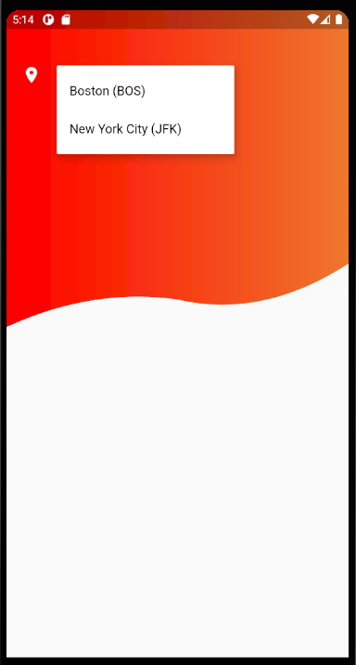

 | class _HomeScreenTopPartState extends State<HomeScreenTopPart> {
 | var firstColor = Color(0xFFFF0000);
 | var secondColor = Color(0xFFEF772C);

 | TextStyle dropDownLabelStyle = TextStyle(color: Colors.white, fontSize: 16);
 | TextStyle dropDownMenuItemStyle =
 | TextStyle(color: Colors.black, fontSize: 16);

 | int selectedLocationIndex = 0;

 | /**
 | *
 | */
 | @override
 | Widget build(BuildContext context) {
 | return Stack(
 | children: <Widget>[
 | ClipPath(
 | clipper: CustomShapeClipper(),
 | child: Container(
 | height: 400,
 | decoration: BoxDecoration(
 | gradient: LinearGradient(
 | colors: [
 | firstColor,
 | secondColor,
 | ],
 | ),
 | ),
 | child: Column(
 | children: <Widget>[
 | SizedBox(
 | height: 50,
 | ),
 | Padding(
 | padding: const EdgeInsets.all(20.0),
 | child: Row(
 | children: <Widget>[
 | Icon(
 | Icons.location_on,
 | color: Colors.white,
 | ),
 | SizedBox(
 | width: 20,
 | ),
 | PopupMenuButton(
 | onSelected: (index) {
 | setState(() {
 | selectedLocationIndex = index;
 | });
 | },
 | child: Row(
 | children: <Widget>[
 | Text('${location[selectedLocationIndex]}',
 | style: dropDownLabelStyle),
 | Icon(
 | Icons.keyboard_arrow_down,
 | color: Colors.white,
 | ),
 | ],
 | ),
 | itemBuilder: (BuildContext context) =>
 | <PopupMenuItem<int>>[
 | PopupMenuItem(
 | child: Text(
 | '${location[0]}',
 | style: dropDownMenuItemStyle,
 | ),
 | value: 0,
 | ),
 | PopupMenuItem(
 | child: Text(
 | '${location[1]}',
 | style: dropDownMenuItemStyle,
 | ),
 | value: 1,
 | ),
 | ],
 | ),
 | ],
 | ),
 | ),
 | ],
 | ),
 | ),
 | ),
 | ],
 | );
 | }
 | }

いったん記録

 | class _HomeScreenTopPartState extends State<HomeScreenTopPart> {
 | var firstColor = Color(0xFFFF0000);
 | var secondColor = Color(0xFFEF772C);

 | TextStyle dropDownLabelStyle = TextStyle(color: Colors.white, fontSize: 16);
 | TextStyle dropDownMenuItemStyle =
 | TextStyle(color: Colors.black, fontSize: 16);

 | int selectedLocationIndex = 0;

 | /**
 | *
 | */
 | @override
 | Widget build(BuildContext context) {
 | return Stack(
 | children: <Widget>[
 | ClipPath(
 | clipper: CustomShapeClipper(),
 | child: Container(
 | height: 400,
 | decoration: BoxDecoration(
 | gradient: LinearGradient(
 | colors: [
 | firstColor,
 | secondColor,
 | ],
 | ),
 | ),
 | child: Column(
 | children: <Widget>[
 | SizedBox(
 | height: 50,
 | ),
 | Padding(
 | padding: const EdgeInsets.all(20.0),
 | child: Row(
 | children: <Widget>[
 | Icon(
 | Icons.location_on,
 | color: Colors.white,
 | ),
 | SizedBox(
 | width: 20,
 | ),
 | PopupMenuButton(
 | onSelected: (index) {
 | setState(() {
 | selectedLocationIndex = index;
 | });
 | },
 | child: Row(
 | children: <Widget>[
 | Text('${location[selectedLocationIndex]}',
 | style: dropDownLabelStyle),
 | Icon(
 | Icons.keyboard_arrow_down,
 | color: Colors.white,
 | ),
 | ],
 | ),
 | itemBuilder: (BuildContext context) =>
 | <PopupMenuItem<int>>[
 | PopupMenuItem(
 | child: Text(
 | '${location[0]}',
 | style: dropDownMenuItemStyle,
 | ),
 | value: 0,
 | ),
 | PopupMenuItem(
 | child: Text(
 | '${location[1]}',
 | style: dropDownMenuItemStyle,
 | ),
 | value: 1,
 | ),
 | ],
 | ),
 | Spacer(),
 | Icon(
 | Icons.settings,
 | color: Colors.white,
 | ),
 | ],
 | ),
 | ),
 | SizedBox(
 | height: 50.0,
 | ),

 | Text(
 | 'Where would\nyou want to go?',
 | style: TextStyle(fontSize: 26, color: Colors.white),
 | textAlign: TextAlign.center,
 | ),

 | SizedBox(
 | height: 38,
 | ),

 | Padding(
 | padding: EdgeInsets.symmetric(horizontal: 38),
 | child: Material(
 | elevation: 5.0,
 | borderRadius: BorderRadius.all(Radius.circular(38)),
 | child: TextField(
 | controller: TextEditingController(text: location[1]),
 | style: dropDownMenuItemStyle,
 | cursorColor: addTheme.primaryColor,
 | decoration: InputDecoration(
 | contentPadding:
 | EdgeInsets.symmetric(horizontal: 32, vertical: 14),
 | suffixIcon: Material(
 | elevation: 2.0,
 | borderRadius: BorderRadius.all(Radius.circular(30)),
 | child: Icon(
 | Icons.search,
 | color: Colors.black,
 | ),
 | ),
 | border: InputBorder.none,
 | ),
 | ),
 | ),
 | ),
 | ],
 | ),
 | ),
 | ),
 | ],
 | );
 | }
 | }

いったん記録

 | class _HomeScreenTopPartState extends State<HomeScreenTopPart> {
 | var firstColor = Color(0xFFFF0000);
 | var secondColor = Color(0xFFEF772C);

 | TextStyle dropDownLabelStyle = TextStyle(color: Colors.white, fontSize: 16);
 | TextStyle dropDownMenuItemStyle =
 | TextStyle(color: Colors.black, fontSize: 16);

 | int selectedLocationIndex = 0;

 | /**
 | *
 | */
 | @override
 | Widget build(BuildContext context) {
 | return Stack(
 | children: <Widget>[
 | ClipPath(
 | clipper: CustomShapeClipper(),
 | child: Container(
 | height: 400,
 | decoration: BoxDecoration(
 | gradient: LinearGradient(
 | colors: [
 | firstColor,
 | secondColor,
 | ],
 | ),
 | ),
 | child: Column(
 | children: <Widget>[
 | SizedBox(
 | height: 30,
 | ),
 | Padding(
 | padding: const EdgeInsets.all(20.0),
 | child: Row(
 | children: <Widget>[
 | Icon(
 | Icons.location_on,
 | color: Colors.white,
 | ),
 | SizedBox(
 | width: 20,
 | ),
 | PopupMenuButton(
 | onSelected: (index) {
 | setState(() {
 | selectedLocationIndex = index;
 | });
 | },
 | child: Row(
 | children: <Widget>[
 | Text('${location[selectedLocationIndex]}',
 | style: dropDownLabelStyle),
 | Icon(
 | Icons.keyboard_arrow_down,
 | color: Colors.white,
 | ),
 | ],
 | ),
 | itemBuilder: (BuildContext context) =>
 | <PopupMenuItem<int>>[
 | PopupMenuItem(
 | child: Text(
 | '${location[0]}',
 | style: dropDownMenuItemStyle,
 | ),
 | value: 0,
 | ),
 | PopupMenuItem(
 | child: Text(
 | '${location[1]}',
 | style: dropDownMenuItemStyle,
 | ),
 | value: 1,
 | ),
 | ],
 | ),
 | Spacer(),
 | Icon(
 | Icons.settings,
 | color: Colors.white,
 | ),
 | ],
 | ),
 | ),
 | SizedBox(
 | height: 50.0,
 | ),
 | Text(
 | 'Where would\nyou want to go?',
 | style: TextStyle(fontSize: 26, color: Colors.white),
 | textAlign: TextAlign.center,
 | ),
 | SizedBox(
 | height: 38,
 | ),
 | Padding(
 | padding: EdgeInsets.symmetric(horizontal: 38),
 | child: Material(
 | elevation: 5.0,
 | borderRadius: BorderRadius.all(Radius.circular(38)),
 | child: TextField(
 | controller: TextEditingController(text: location[1]),
 | style: dropDownMenuItemStyle,
 | cursorColor: addTheme.primaryColor,
 | decoration: InputDecoration(
 | contentPadding:
 | EdgeInsets.symmetric(horizontal: 32, vertical: 14),
 | suffixIcon: Material(
 | elevation: 2.0,
 | borderRadius: BorderRadius.all(Radius.circular(30)),
 | child: Icon(
 | Icons.search,
 | color: Colors.black,
 | ),
 | ),
 | border: InputBorder.none,
 | ),
 | ),
 | ),
 | ),

 | SizedBox(
 | height: 28,
 | ),

 | Row(
 | mainAxisSize: MainAxisSize.min,
 | mainAxisAlignment: MainAxisAlignment.spaceAround,
 | children: <Widget>[
 | ChoiceChip(
 | icon: Icons.flight_takeoff,
 | text: 'Flight',
 | ),
 | SizedBox(
 | width: 20,
 | ),
 | ChoiceChip(
 | icon: Icons.hotel,
 | text: 'Hotels',
 | ),
 | ],
 | ),

 | ],
 | ),
 | ),
 | ),
 | ],
 | );
 | }
 | }

 | class ChoiceChip extends StatefulWidget {
 | final IconData icon;
 | final String text;
 | ChoiceChip({this.icon, this.text});

 | @override
 | _ChoiceChipState createState() => _ChoiceChipState();
 | }

 | class _ChoiceChipState extends State<ChoiceChip> {
 | @override
 | Widget build(BuildContext context) {
 | return Row(
 | mainAxisSize: MainAxisSize.min,
 | mainAxisAlignment: MainAxisAlignment.spaceBetween,
 | children: <Widget>[
 | Icon(widget.icon, size: 28, color: Colors.white),
 | SizedBox(width: 8),
 | Text(
 | widget.text,
 | style: TextStyle(color: Colors.white, fontSize: 16),
 | ),
 | ],
 | );
 | }
 | }

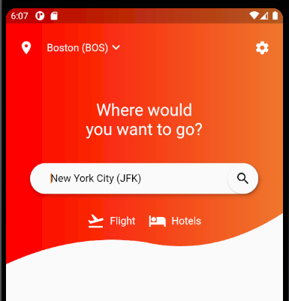

いったん記録

 | class _HomeScreenTopPartState extends State<HomeScreenTopPart> {
 | var firstColor = Color(0xFFFF0000);
 | var secondColor = Color(0xFFEF772C);

 | TextStyle dropDownLabelStyle = TextStyle(color: Colors.white, fontSize: 16);
 | TextStyle dropDownMenuItemStyle =
 | TextStyle(color: Colors.black, fontSize: 16);

 | int selectedLocationIndex = 0;

 | var isFlightSelected = true;

 | /**
 | *
 | */
 | @override
 | Widget build(BuildContext context) {
 | return Stack(
 | children: <Widget>[
 | ClipPath(
 | clipper: CustomShapeClipper(),
 | child: Container(
 | height: 400,
 | decoration: BoxDecoration(
 | gradient: LinearGradient(
 | colors: [
 | firstColor,
 | secondColor,
 | ],
 | ),
 | ),
 | child: Column(
 | children: <Widget>[
 | SizedBox(
 | height: 30,
 | ),
 | Padding(
 | padding: const EdgeInsets.all(20.0),
 | child: Row(
 | children: <Widget>[
 | Icon(
 | Icons.location_on,
 | color: Colors.white,
 | ),
 | SizedBox(
 | width: 20,
 | ),
 | PopupMenuButton(
 | onSelected: (index) {
 | setState(() {
 | selectedLocationIndex = index;
 | });
 | },
 | child: Row(
 | children: <Widget>[
 | Text('${location[selectedLocationIndex]}',
 | style: dropDownLabelStyle),
 | Icon(
 | Icons.keyboard_arrow_down,
 | color: Colors.white,
 | ),
 | ],
 | ),
 | itemBuilder: (BuildContext context) =>
 | <PopupMenuItem<int>>[
 | PopupMenuItem(
 | child: Text(
 | '${location[0]}',
 | style: dropDownMenuItemStyle,
 | ),
 | value: 0,
 | ),
 | PopupMenuItem(
 | child: Text(
 | '${location[1]}',
 | style: dropDownMenuItemStyle,
 | ),
 | value: 1,
 | ),
 | ],
 | ),
 | Spacer(),
 | Icon(
 | Icons.settings,
 | color: Colors.white,
 | ),
 | ],
 | ),
 | ),
 | SizedBox(
 | height: 50.0,
 | ),
 | Text(
 | 'Where would\nyou want to go?',
 | style: TextStyle(fontSize: 26, color: Colors.white),
 | textAlign: TextAlign.center,
 | ),
 | SizedBox(
 | height: 38,
 | ),
 | Padding(
 | padding: EdgeInsets.symmetric(horizontal: 38),
 | child: Material(
 | elevation: 5.0,
 | borderRadius: BorderRadius.all(Radius.circular(38)),
 | child: TextField(
 | controller: TextEditingController(text: location[1]),
 | style: dropDownMenuItemStyle,
 | cursorColor: addTheme.primaryColor,
 | decoration: InputDecoration(
 | contentPadding:
 | EdgeInsets.symmetric(horizontal: 32, vertical: 14),
 | suffixIcon: Material(
 | elevation: 2.0,
 | borderRadius: BorderRadius.all(Radius.circular(30)),
 | child: Icon(
 | Icons.search,
 | color: Colors.black,
 | ),
 | ),
 | border: InputBorder.none,
 | ),
 | ),
 | ),
 | ),
 | SizedBox(
 | height: 28,
 | ),
 | Row(
 | mainAxisSize: MainAxisSize.min,
 | mainAxisAlignment: MainAxisAlignment.spaceAround,
 | children: <Widget>[
 | InkWell(
 | child: ChoiceChip(
 | icon: Icons.flight_takeoff,
 | text: 'Flights',
 | isSelected: isFlightSelected),
 | onTap: () {
 | setState(() {
 | isFlightSelected = true;
 | });
 | },
 | ),
 | SizedBox(
 | width: 20,
 | ),
 | InkWell(
 | child: ChoiceChip(
 | icon: Icons.hotel,
 | text: 'Hotels',
 | isSelected: !isFlightSelected),
 | onTap: () {
 | setState(() {
 | isFlightSelected = false;
 | });
 | },
 | ),
 | ],
 | ),
 | ],
 | ),
 | ),
 | ),
 | ],
 | );
 | }
 | }

 | class ChoiceChip extends StatefulWidget {
 | final IconData icon;
 | final String text;
 | final bool isSelected;

 | ChoiceChip({this.icon, this.text, this.isSelected});

 | @override
 | _ChoiceChipState createState() => _ChoiceChipState();
 | }

 | class _ChoiceChipState extends State<ChoiceChip> {
 | @override
 | Widget build(BuildContext context) {
 | return Container(
 | padding: EdgeInsets.symmetric(horizontal: 16, vertical: 5),
 | decoration: widget.isSelected
 | ? BoxDecoration(
 | color: Colors.white.withOpacity(0.2),
 | borderRadius: BorderRadius.all(Radius.circular(20)),
 | )
 | : null,
 | child: Row(
 | mainAxisSize: MainAxisSize.min,
 | mainAxisAlignment: MainAxisAlignment.spaceBetween,
 | children: <Widget>[
 | Icon(widget.icon, size: 28, color: Colors.white),
 | SizedBox(width: 8),
 | Text(
 | widget.text,
 | style: TextStyle(color: Colors.white, fontSize: 16),
 | ),
 | ],
 | ),
 | );
 | }
 | }

②
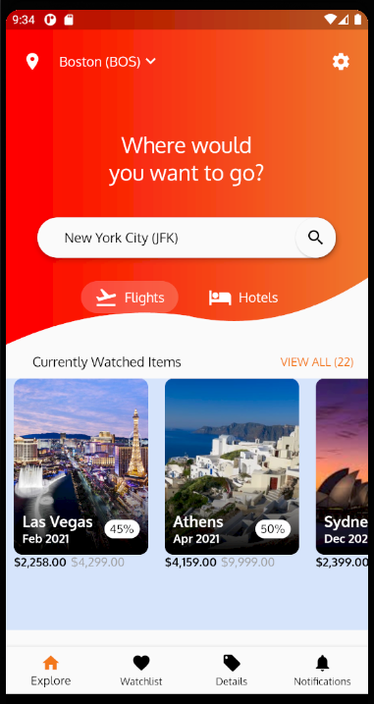
https://www.youtube.com/watch?v=SyrmtnYGJyI

PS D:\FLUTTER\wave>

PS D:\FLUTTER\wave> git clone git@github.com:TechieBlossom/flightapp.git
Cloning into 'flightapp'...
remote: Enumerating objects: 190, done.

Receiving objects: 100% (190/190), 4.08 MiB | 3.53 MiB/s, done.
Resolving deltas: 100% (40/40), done.

 | name: test_designwave
 | description: A new Flutter application.

 | publish_to: 'none'

 | version: 1.0.0+1

 | environment:
 | sdk: ">=2.7.0 <3.0.0"

 | dependencies:
 | flutter:
 | sdk: flutter

 | cupertino_icons: ^0.1.3

 | dev_dependencies:
 | flutter_test:
 | sdk: flutter

 | flutter:

 | uses-material-design: true

 | fonts:
 | - family: OpenSans
 | fonts:
 | - asset: assets/fonts/OpenSans-Light.ttf
 | - asset: assets/fonts/OpenSans-SemiBold.ttf

 | - family: Raleway
 | fonts:
 | - asset: assets/fonts/Raleway-Regular.ttf
 | - asset: assets/fonts/Raleway-SemiBold.ttf

 | - family: Oxygen
 | fonts:
 | - asset: assets/fonts/Oxygen-Regular.ttf
 | - asset: assets/fonts/Oxygen-Light.ttf
 | - asset: assets/fonts/Oxygen-Bold.ttf

 | assets:
 | - assets/images/

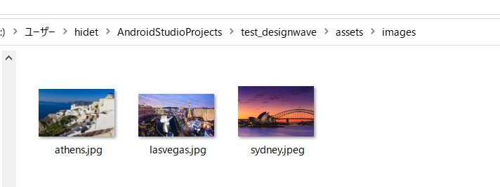

いったん記録

 | import 'package:flutter/material.dart';

 | import 'custom_shape_clipper.dart';

 | void main() {
 | runApp(
 | MaterialApp(
 | title: 'Flight List Mock Up',
 | debugShowCheckedModeBanner: false,
 | home: HomeScreen(),
 | theme: addTheme,
 | ),
 | );
 | }

 | ThemeData addTheme = ThemeData(
 | primaryColor: Color(0xFFF3791A),
 | fontFamily: 'Oxygen',
 | );

 | List<String> location = ['Boston (BOS)', 'New York City (JFK)'];

 | class HomeScreen extends StatelessWidget {
 | @override
 | Widget build(BuildContext context) {
 | return Scaffold(
 | body: Column(
 | children: <Widget>[
 | HomeScreenTopPart(),
 | HomeScreenBottomPart,
 | ],
 | ),
 | );
 | }
 | }

 | const TextStyle dropDownLabelStyle =
 | TextStyle(color: Colors.white, fontSize: 16);
 | const TextStyle dropDownMenuItemStyle =
 | TextStyle(color: Colors.black, fontSize: 16);

 | //----------------------------------------------------//
 | class HomeScreenTopPart extends StatefulWidget {
 | @override
 | _HomeScreenTopPartState createState() => _HomeScreenTopPartState();
 | }

 | class _HomeScreenTopPartState extends State<HomeScreenTopPart> {
 | var firstColor = Color(0xFFFF0000);
 | var secondColor = Color(0xFFEF772C);

 | int selectedLocationIndex = 0;

 | var isFlightSelected = true;

 | /**
 | *
 | */
 | @override
 | Widget build(BuildContext context) {
 | return Stack(
 | children: <Widget>[
 | ClipPath(
 | clipper: CustomShapeClipper(),
 | child: Container(
 | height: 400,
 | decoration: BoxDecoration(
 | gradient: LinearGradient(
 | colors: [
 | firstColor,
 | secondColor,
 | ],
 | ),
 | ),
 | child: Column(
 | children: <Widget>[
 | SizedBox(
 | height: 30,
 | ),
 | Padding(
 | padding: const EdgeInsets.all(20.0),
 | child: Row(
 | children: <Widget>[
 | Icon(
 | Icons.location_on,
 | color: Colors.white,
 | ),
 | SizedBox(
 | width: 20,
 | ),
 | PopupMenuButton(
 | onSelected: (index) {
 | setState(() {
 | selectedLocationIndex = index;
 | });
 | },
 | child: Row(
 | children: <Widget>[
 | Text('${location[selectedLocationIndex]}',
 | style: dropDownLabelStyle),
 | Icon(
 | Icons.keyboard_arrow_down,
 | color: Colors.white,
 | ),
 | ],
 | ),
 | itemBuilder: (BuildContext context) =>
 | <PopupMenuItem<int>>[
 | PopupMenuItem(
 | child: Text(
 | '${location[0]}',
 | style: dropDownMenuItemStyle,
 | ),
 | value: 0,
 | ),
 | PopupMenuItem(
 | child: Text(
 | '${location[1]}',
 | style: dropDownMenuItemStyle,
 | ),
 | value: 1,
 | ),
 | ],
 | ),
 | Spacer(),
 | Icon(
 | Icons.settings,
 | color: Colors.white,
 | ),
 | ],
 | ),
 | ),
 | SizedBox(
 | height: 50.0,
 | ),
 | Text(
 | 'Where would\nyou want to go?',
 | style: TextStyle(fontSize: 26, color: Colors.white),
 | textAlign: TextAlign.center,
 | ),
 | SizedBox(
 | height: 38,
 | ),
 | Padding(
 | padding: EdgeInsets.symmetric(horizontal: 38),
 | child: Material(
 | elevation: 5.0,
 | borderRadius: BorderRadius.all(Radius.circular(38)),
 | child: TextField(
 | controller: TextEditingController(text: location[1]),
 | style: dropDownMenuItemStyle,
 | cursorColor: addTheme.primaryColor,
 | decoration: InputDecoration(
 | contentPadding:
 | EdgeInsets.symmetric(horizontal: 32, vertical: 14),
 | suffixIcon: Material(
 | elevation: 2.0,
 | borderRadius: BorderRadius.all(Radius.circular(30)),
 | child: Icon(
 | Icons.search,
 | color: Colors.black,
 | ),
 | ),
 | border: InputBorder.none,
 | ),
 | ),
 | ),
 | ),
 | SizedBox(
 | height: 28,
 | ),
 | Row(
 | mainAxisSize: MainAxisSize.min,
 | mainAxisAlignment: MainAxisAlignment.spaceAround,
 | children: <Widget>[
 | InkWell(
 | child: ChoiceChip(
 | icon: Icons.flight_takeoff,
 | text: 'Flights',
 | isSelected: isFlightSelected),
 | onTap: () {
 | setState(() {
 | isFlightSelected = true;
 | });
 | },
 | ),
 | SizedBox(
 | width: 20,
 | ),
 | InkWell(
 | child: ChoiceChip(
 | icon: Icons.hotel,
 | text: 'Hotels',
 | isSelected: !isFlightSelected),
 | onTap: () {
 | setState(() {
 | isFlightSelected = false;
 | });
 | },
 | ),
 | ],
 | ),
 | ],
 | ),
 | ),
 | ),
 | ],
 | );
 | }
 | }
 | //----------------------------------------------------//

 | //----------------------------------------------------//
 | class ChoiceChip extends StatefulWidget {
 | final IconData icon;
 | final String text;
 | final bool isSelected;

 | ChoiceChip({this.icon, this.text, this.isSelected});

 | @override
 | _ChoiceChipState createState() => _ChoiceChipState();
 | }

 | class _ChoiceChipState extends State<ChoiceChip> {
 | @override
 | Widget build(BuildContext context) {
 | return Container(
 | padding: EdgeInsets.symmetric(horizontal: 16, vertical: 5),
 | decoration: widget.isSelected
 | ? BoxDecoration(
 | color: Colors.white.withOpacity(0.2),
 | borderRadius: BorderRadius.all(Radius.circular(20)),
 | )
 | : null,
 | child: Row(
 | mainAxisSize: MainAxisSize.min,
 | mainAxisAlignment: MainAxisAlignment.spaceBetween,
 | children: <Widget>[
 | Icon(widget.icon, size: 28, color: Colors.white),
 | SizedBox(width: 8),
 | Text(
 | widget.text,
 | style: TextStyle(color: Colors.white, fontSize: 16),
 | ),
 | ],
 | ),
 | );
 | }
 | }
 | //----------------------------------------------------//

 | var viewAllStyle = TextStyle(color: addTheme.primaryColor, fontSize: 14);

 | //----------------------------------------------------//
 | var HomeScreenBottomPart = Column(
 | children: <Widget>[
 | Padding(
 | padding: const EdgeInsets.symmetric(horizontal: 16, vertical: 10),
 | child: Row(
 | mainAxisSize: MainAxisSize.max,
 | mainAxisAlignment: MainAxisAlignment.spaceBetween,
 | children: <Widget>[
 | SizedBox(
 | width: 16,
 | ),
 | Text('Currently Watched Items', style: dropDownMenuItemStyle),
 | Spacer(),
 | Text('VIEW ALL (22)', style: viewAllStyle),
 | ],
 | ),
 | ),
 | Container(
 | height: 210,
 | child: ListView(
 | scrollDirection: Axis.horizontal,
 | children: cityCards,
 | ),
 | ),
 | ],
 | );
 | //----------------------------------------------------//

 | List<CityCard> cityCards = [
 | CityCard(
 | imagePath: "assets/images/lasvegas.jpg",
 | cityName: "Las Vegas",
 | yearMonth: "Feb 2021",
 | discount: "45",
 | oldPrice: "4299",
 | newPrice: "2258",
 | ),
 | CityCard(
 | imagePath: "assets/images/athens.jpg",
 | cityName: "Athens",
 | yearMonth: "Apr 2021",
 | discount: "50",
 | oldPrice: "9999",
 | newPrice: "4159",
 | ),
 | CityCard(
 | imagePath: "assets/images/sydney.jpeg",
 | cityName: "Sydney",
 | yearMonth: "Dec 2021",
 | discount: "49",
 | oldPrice: "9999",
 | newPrice: "2399",
 | ),
 | ];

 | class CityCard extends StatelessWidget {
 | final String imagePath;
 | final String cityName;
 | final String yearMonth;
 | final String discount;
 | final String oldPrice;
 | final String newPrice;
 | CityCard(
 | {this.imagePath,
 | this.cityName,
 | this.yearMonth,
 | this.discount,
 | this.oldPrice,
 | this.newPrice});

 | @override
 | Widget build(BuildContext context) {
 | return Padding(
 | padding: EdgeInsets.symmetric(horizontal: 10),
 | child: ClipRRect(
 | borderRadius: BorderRadius.all(Radius.circular(10)),
 | child: Stack(
 | children: <Widget>[
 | Container(
 | height: 210,
 | width: 160,
 | child: Image.asset(
 | imagePath,
 | fit: BoxFit.cover,
 | ),
 | ),
 | ],
 | ),
 | ),
 | );
 | }
 | }

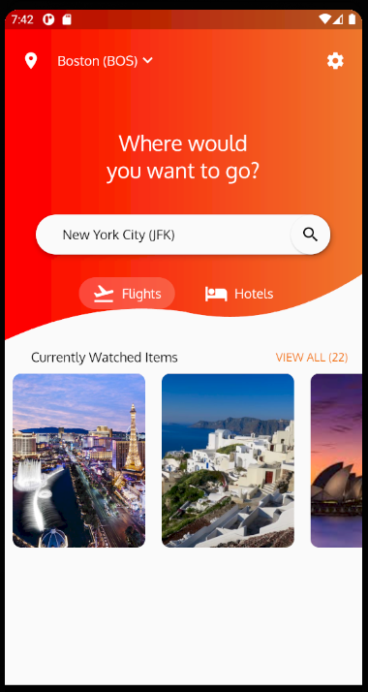

いったん記録

 | class CityCard extends StatelessWidget {
 | final String imagePath;
 | final String cityName;
 | final String yearMonth;
 | final String discount;
 | final String oldPrice;
 | final String newPrice;
 | CityCard(
 | {this.imagePath,
 | this.cityName,
 | this.yearMonth,
 | this.discount,
 | this.oldPrice,
 | this.newPrice});

 | @override
 | Widget build(BuildContext context) {
 | return Padding(
 | padding: EdgeInsets.symmetric(horizontal: 10),
 | child: ClipRRect(
 | borderRadius: BorderRadius.all(Radius.circular(10)),
 | child: Stack(
 | children: <Widget>[
 | Container(
 | height: 210,
 | width: 160,
 | child: Image.asset(
 | imagePath,
 | fit: BoxFit.cover,
 | ),
 | ),
 | Positioned(
 | left: 10,
 | bottom: 10,
 | right: 10,
 | child: Row(
 | mainAxisSize: MainAxisSize.max,
 | mainAxisAlignment: MainAxisAlignment.spaceBetween,
 | children: <Widget>[
 | Column(
 | crossAxisAlignment: CrossAxisAlignment.start,
 | children: <Widget>[
 | Text(
 | cityName,
 | style: TextStyle(
 | fontWeight: FontWeight.bold,
 | color: Colors.white,
 | fontSize: 18,
 | ),
 | ),
 | Text(
 | yearMonth,
 | style: TextStyle(
 | fontWeight: FontWeight.bold,
 | color: Colors.white,
 | fontSize: 14,
 | ),
 | ),
 | ],
 | ),
 | Container(
 | padding: EdgeInsets.symmetric(horizontal: 6, vertical: 2),
 | decoration: BoxDecoration(
 | color: Colors.white,
 | shape: BoxShape.rectangle,
 | borderRadius: BorderRadius.all(Radius.circular(18))),
 | child: Text(
 | "${discount}%",
 | style: TextStyle(
 | fontSize: 14,
 | color: Colors.black,
 | ),
 | ),
 | ),
 | ],
 | ),
 | ),
 | ],
 | ),
 | ),
 | );
 | }
 | }

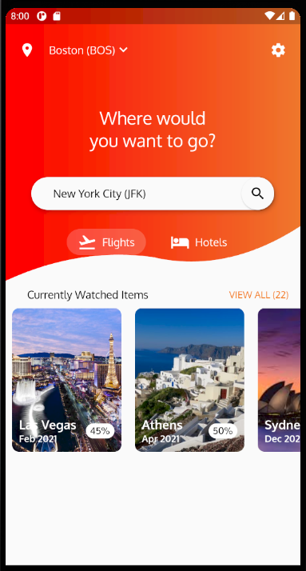

いったん記録

 | class CityCard extends StatelessWidget {
 | final String imagePath;
 | final String cityName;
 | final String yearMonth;
 | final String discount;
 | final String oldPrice;
 | final String newPrice;
 | CityCard(
 | {this.imagePath,
 | this.cityName,
 | this.yearMonth,
 | this.discount,
 | this.oldPrice,
 | this.newPrice});

 | @override
 | Widget build(BuildContext context) {
 | return Padding(
 | padding: EdgeInsets.symmetric(horizontal: 10),
 | child: ClipRRect(
 | borderRadius: BorderRadius.all(Radius.circular(10)),
 | child: Stack(
 | children: <Widget>[
 | Container(
 | height: 210,
 | width: 160,
 | child: Image.asset(
 | imagePath,
 | fit: BoxFit.cover,
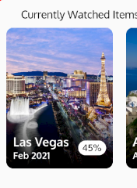
 | ),
 | ),
 | Positioned(
 | left: 0.0,
 | bottom: 0.0,
 | width: 160,
 | height: 80,
 | child: Container(
 | decoration: BoxDecoration(
 | gradient: LinearGradient(
 | begin: Alignment.bottomCenter,
 | end: Alignment.topCenter,
 | colors: [Colors.black, Colors.black.withOpacity(0.1)])),
 | ),
 | ),
 | Positioned(
 | left: 10,
 | bottom: 10,
 | right: 10,
 | child: Row(
 | mainAxisSize: MainAxisSize.max,
 | mainAxisAlignment: MainAxisAlignment.spaceBetween,
 | children: <Widget>[
 | Column(
 | crossAxisAlignment: CrossAxisAlignment.start,
 | children: <Widget>[
 | Text(
 | cityName,
 | style: TextStyle(
 | fontWeight: FontWeight.bold,
 | color: Colors.white,
 | fontSize: 18,
 | ),
 | ),
 | Text(
 | yearMonth,
 | style: TextStyle(
 | fontWeight: FontWeight.bold,
 | color: Colors.white,
 | fontSize: 14,
 | ),
 | ),
 | ],
 | ),
 | Container(
 | padding: EdgeInsets.symmetric(horizontal: 6, vertical: 2),
 | decoration: BoxDecoration(
 | color: Colors.white,
 | shape: BoxShape.rectangle,
 | borderRadius: BorderRadius.all(Radius.circular(18))),
 | child: Text(
 | "${discount}%",
 | style: TextStyle(
 | fontSize: 14,
 | color: Colors.black,
 | ),
 | ),
 | ),
 | ],
 | ),
 | ),
 | ],
 | ),
 | ),
 | );
 | }
 | }

通貨フォーマット

 | name: test_designwave
 | description: A new Flutter application.

 | publish_to: 'none'

 | version: 1.0.0+1

 | environment:
 | sdk: ">=2.7.0 <3.0.0"

 | dependencies:
 | flutter:
 | sdk: flutter

 | cupertino_icons: ^0.1.3
 | intl:

 | dev_dependencies:
 | flutter_test:
 | sdk: flutter

 | flutter:

 | uses-material-design: true

 | fonts:
 | - family: OpenSans
 | fonts:
 | - asset: assets/fonts/OpenSans-Light.ttf
 | - asset: assets/fonts/OpenSans-SemiBold.ttf

 | - family: Raleway
 | fonts:
 | - asset: assets/fonts/Raleway-Regular.ttf
 | - asset: assets/fonts/Raleway-SemiBold.ttf

 | - family: Oxygen
 | fonts:
 | - asset: assets/fonts/Oxygen-Regular.ttf
 | - asset: assets/fonts/Oxygen-Light.ttf
 | - asset: assets/fonts/Oxygen-Bold.ttf

 | assets:
 | - assets/images/

 | import 'package:intl/intl.dart';

 | final formatCurrency = NumberFormat.simpleCurrency();

 | class CityCard extends StatelessWidget {
 | final String imagePath;
 | final String cityName;
 | final String yearMonth;
 | final String discount;
 | final int oldPrice;
 | final int newPrice;
 | CityCard(
 | {this.imagePath,
 | this.cityName,
 | this.yearMonth,
 | this.discount,
 | this.oldPrice,
 | this.newPrice});

 | @override
 | Widget build(BuildContext context) {
 | return Padding(
 | padding: EdgeInsets.symmetric(horizontal: 10),
 | child: Column(
 | crossAxisAlignment: CrossAxisAlignment.start,
 | children: <Widget>[
 | ClipRRect(
 | borderRadius: BorderRadius.all(Radius.circular(10)),
 | child: Stack(
 | children: <Widget>[
 | Container(
 | height: 210,
 | width: 160,
 | child: Image.asset(
 | imagePath,
 | fit: BoxFit.cover,
 | ),
 | ),
 | Positioned(
 | left: 0.0,
 | bottom: 0.0,
 | width: 160,
 | height: 80,
 | child: Container(
 | decoration: BoxDecoration(
 | gradient: LinearGradient(
 | begin: Alignment.bottomCenter,
 | end: Alignment.topCenter,
 | colors: [
 | Colors.black,
 | Colors.black.withOpacity(0.1)
 | ])),
 | ),
 | ),
 | Positioned(
 | left: 10,
 | bottom: 10,
 | right: 10,
 | child: Row(
 | mainAxisSize: MainAxisSize.max,
 | mainAxisAlignment: MainAxisAlignment.spaceBetween,
 | children: <Widget>[
 | Column(
 | crossAxisAlignment: CrossAxisAlignment.start,
 | children: <Widget>[
 | Text(
 | cityName,
 | style: TextStyle(
 | fontWeight: FontWeight.bold,
 | color: Colors.white,
 | fontSize: 18,
 | ),
 | ),
 | Text(
 | yearMonth,
 | style: TextStyle(
 | fontWeight: FontWeight.bold,
 | color: Colors.white,
 | fontSize: 14,
 | ),
 | ),
 | ],
 | ),
 | Container(
 | padding:
 | EdgeInsets.symmetric(horizontal: 6, vertical: 2),
 | decoration: BoxDecoration(
 | color: Colors.white,
 | shape: BoxShape.rectangle,
 | borderRadius:
 | BorderRadius.all(Radius.circular(18))),
 | child: Text(
 | "${discount}%",
 | style: TextStyle(
 | fontSize: 14,
 | color: Colors.black,
 | ),
 | ),
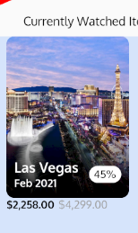
 | ),
 | ],
 | ),
 | ),
 | ],
 | ),
 | ),
 | Row(
 | mainAxisSize: MainAxisSize.max,
 | mainAxisAlignment: MainAxisAlignment.start,
 | children: <Widget>[
 | Text(
 | '${formatCurrency.format(newPrice)}',
 | style:
 | TextStyle(color: Colors.black, fontWeight: FontWeight.bold),
 | ),
 | Text(
 | '${formatCurrency.format(oldPrice)}',
 | style: TextStyle(
 | color: Colors.grey, fontWeight: FontWeight.normal),
 | ),
 | ],
 | ),
 | ],
 | ),
 | );
 | }
 | }

いったん記録

lib\custom_app_bar.dart

 | import 'package:flutter/material.dart';
 | import 'main.dart';

 | class CustomAppBar extends StatelessWidget {
 | final List<BottomNavigationBarItem> bottomBarItems = [];

 | CustomAppBar() {
 | bottomBarItems.add(
 | BottomNavigationBarItem(
 | activeIcon: Icon(
 | Icons.home,
 | color: addTheme.primaryColor,
 | ),
 | icon: Icon(Icons.home, color: Colors.black),
 | title: Text('Explore', style: TextStyle(color: Colors.black)),
 | ),
 | );
 | bottomBarItems.add(
 | BottomNavigationBarItem(
 | icon: Icon(Icons.favorite, color: Colors.black),
 | title: Text('Watchlist', style: TextStyle(color: Colors.black)),
 | ),
 | );
 | bottomBarItems.add(
 | BottomNavigationBarItem(
 | icon: Icon(Icons.local_offer, color: Colors.black),
 | title: Text('Details', style: TextStyle(color: Colors.black)),
 | ),
 | );
 | bottomBarItems.add(
 | BottomNavigationBarItem(
 | icon: Icon(Icons.notifications, color: Colors.black),
 | title: Text('Notifications', style: TextStyle(color: Colors.black)),
 | ),
 | );
 | }

 | @override
 | Widget build(BuildContext context) {
 | return Material(
 | elevation: 10,
 | child: BottomNavigationBar(
 | items: bottomBarItems,
 | type: BottomNavigationBarType.fixed,
 | ),
 | );
 | }
 | }

lib\main.dart

 | import 'package:flutter/material.dart';
 | import 'package:test_designwave/custom_app_bar.dart';

 | import 'custom_shape_clipper.dart';

 | import 'package:intl/intl.dart';

 | void main() {
 | runApp(
 | MaterialApp(
 | title: 'Flight List Mock Up',
 | debugShowCheckedModeBanner: false,
 | home: HomeScreen(),
 | theme: addTheme,
 | ),
 | );
 | }

 | ThemeData addTheme = ThemeData(
 | primaryColor: Color(0xFFF3791A),
 | fontFamily: 'Oxygen',
 | );

 | List<String> location = ['Boston (BOS)', 'New York City (JFK)'];

 | class HomeScreen extends StatelessWidget {
 | @override
 | Widget build(BuildContext context) {
 | return Scaffold(
 | body: Column(
 | children: <Widget>[
 | HomeScreenTopPart(),
 | HomeScreenBottomPart,
 | ],
 | ),
 | bottomNavigationBar: CustomAppBar(),
 | );
 | }
 | }

 | const TextStyle dropDownLabelStyle =
 | TextStyle(color: Colors.white, fontSize: 16);
 | const TextStyle dropDownMenuItemStyle =
 | TextStyle(color: Colors.black, fontSize: 16);

 | //----------------------------------------------------//
 | class HomeScreenTopPart extends StatefulWidget {
 | @override
 | _HomeScreenTopPartState createState() => _HomeScreenTopPartState();
 | }

 | class _HomeScreenTopPartState extends State<HomeScreenTopPart> {
 | var firstColor = Color(0xFFFF0000);
 | var secondColor = Color(0xFFEF772C);

 | int selectedLocationIndex = 0;

 | var isFlightSelected = true;

 | /**
 | *
 | */
 | @override
 | Widget build(BuildContext context) {
 | return Stack(
 | children: <Widget>[
 | ClipPath(
 | clipper: CustomShapeClipper(),
 | child: Container(
 | height: 400,
 | decoration: BoxDecoration(
 | gradient: LinearGradient(
 | colors: [
 | firstColor,
 | secondColor,
 | ],
 | ),
 | ),
 | child: Column(
 | children: <Widget>[
 | SizedBox(
 | height: 30,
 | ),
 | Padding(
 | padding: const EdgeInsets.all(20.0),
 | child: Row(
 | children: <Widget>[
 | Icon(
 | Icons.location_on,
 | color: Colors.white,
 | ),
 | SizedBox(
 | width: 20,
 | ),
 | PopupMenuButton(
 | onSelected: (index) {
 | setState(() {
 | selectedLocationIndex = index;
 | });
 | },
 | child: Row(
 | children: <Widget>[
 | Text('${location[selectedLocationIndex]}',
 | style: dropDownLabelStyle),
 | Icon(
 | Icons.keyboard_arrow_down,
 | color: Colors.white,
 | ),
 | ],
 | ),
 | itemBuilder: (BuildContext context) =>
 | <PopupMenuItem<int>>[
 | PopupMenuItem(
 | child: Text(
 | '${location[0]}',
 | style: dropDownMenuItemStyle,
 | ),
 | value: 0,
 | ),
 | PopupMenuItem(
 | child: Text(
 | '${location[1]}',
 | style: dropDownMenuItemStyle,
 | ),
 | value: 1,
 | ),
 | ],
 | ),
 | Spacer(),
 | Icon(
 | Icons.settings,
 | color: Colors.white,
 | ),
 | ],
 | ),
 | ),
 | SizedBox(
 | height: 50.0,
 | ),
 | Text(
 | 'Where would\nyou want to go?',
 | style: TextStyle(fontSize: 26, color: Colors.white),
 | textAlign: TextAlign.center,
 | ),
 | SizedBox(
 | height: 38,
 | ),
 | Padding(
 | padding: EdgeInsets.symmetric(horizontal: 38),
 | child: Material(
 | elevation: 5.0,
 | borderRadius: BorderRadius.all(Radius.circular(38)),
 | child: TextField(
 | controller: TextEditingController(text: location[1]),
 | style: dropDownMenuItemStyle,
 | cursorColor: addTheme.primaryColor,
 | decoration: InputDecoration(
 | contentPadding:
 | EdgeInsets.symmetric(horizontal: 32, vertical: 14),
 | suffixIcon: Material(
 | elevation: 2.0,
 | borderRadius: BorderRadius.all(Radius.circular(30)),
 | child: Icon(
 | Icons.search,
 | color: Colors.black,
 | ),
 | ),
 | border: InputBorder.none,
 | ),
 | ),
 | ),
 | ),
 | SizedBox(
 | height: 28,
 | ),
 | Row(
 | mainAxisSize: MainAxisSize.min,
 | mainAxisAlignment: MainAxisAlignment.spaceAround,
 | children: <Widget>[
 | InkWell(
 | child: ChoiceChip(
 | icon: Icons.flight_takeoff,
 | text: 'Flights',
 | isSelected: isFlightSelected),
 | onTap: () {
 | setState(() {
 | isFlightSelected = true;
 | });
 | },
 | ),
 | SizedBox(
 | width: 20,
 | ),
 | InkWell(
 | child: ChoiceChip(
 | icon: Icons.hotel,
 | text: 'Hotels',
 | isSelected: !isFlightSelected),
 | onTap: () {
 | setState(() {
 | isFlightSelected = false;
 | });
 | },
 | ),
 | ],
 | ),
 | ],
 | ),
 | ),
 | ),
 | ],
 | );
 | }
 | }
 | //----------------------------------------------------//

 | //----------------------------------------------------//
 | class ChoiceChip extends StatefulWidget {
 | final IconData icon;
 | final String text;
 | final bool isSelected;

 | ChoiceChip({this.icon, this.text, this.isSelected});

 | @override
 | _ChoiceChipState createState() => _ChoiceChipState();
 | }

 | class _ChoiceChipState extends State<ChoiceChip> {
 | @override
 | Widget build(BuildContext context) {
 | return Container(
 | padding: EdgeInsets.symmetric(horizontal: 16, vertical: 5),
 | decoration: widget.isSelected
 | ? BoxDecoration(
 | color: Colors.white.withOpacity(0.2),
 | borderRadius: BorderRadius.all(Radius.circular(20)),
 | )
 | : null,
 | child: Row(
 | mainAxisSize: MainAxisSize.min,
 | mainAxisAlignment: MainAxisAlignment.spaceBetween,
 | children: <Widget>[
 | Icon(widget.icon, size: 28, color: Colors.white),
 | SizedBox(width: 8),
 | Text(
 | widget.text,
 | style: TextStyle(color: Colors.white, fontSize: 16),
 | ),
 | ],
 | ),
 | );
 | }
 | }
 | //----------------------------------------------------//

 | var viewAllStyle = TextStyle(color: addTheme.primaryColor, fontSize: 14);

 | //----------------------------------------------------//
 | var HomeScreenBottomPart = Column(
 | children: <Widget>[
 | Padding(
 | padding: const EdgeInsets.symmetric(horizontal: 16, vertical: 10),
 | child: Row(
 | mainAxisSize: MainAxisSize.max,
 | mainAxisAlignment: MainAxisAlignment.spaceBetween,
 | children: <Widget>[
 | SizedBox(
 | width: 16,
 | ),
 | Text('Currently Watched Items', style: dropDownMenuItemStyle),
 | Spacer(),
 | Text('VIEW ALL (22)', style: viewAllStyle),
 | ],
 | ),
 | ),
 | Container(
 | height: 300,
 | color: Colors.blueAccent.withOpacity(0.2),
 | child: ListView(
 | scrollDirection: Axis.horizontal,
 | children: cityCards,
 | ),
 | ),
 | ],
 | );
 | //----------------------------------------------------//

 | List<CityCard> cityCards = [
 | CityCard(
 | imagePath: "assets/images/lasvegas.jpg",
 | cityName: "Las Vegas",
 | yearMonth: "Feb 2021",
 | discount: "45",
 | oldPrice: 4299,
 | newPrice: 2258,
 | ),
 | CityCard(
 | imagePath: "assets/images/athens.jpg",
 | cityName: "Athens",
 | yearMonth: "Apr 2021",
 | discount: "50",
 | oldPrice: 9999,
 | newPrice: 4159,
 | ),
 | CityCard(
 | imagePath: "assets/images/sydney.jpeg",
 | cityName: "Sydney",
 | yearMonth: "Dec 2021",
 | discount: "49",
 | oldPrice: 9999,
 | newPrice: 2399,
 | ),
 | ];

 | final formatCurrency = NumberFormat.simpleCurrency();

 | class CityCard extends StatelessWidget {
 | final String imagePath;
 | final String cityName;
 | final String yearMonth;
 | final String discount;
 | final int oldPrice;
 | final int newPrice;
 | CityCard(
 | {this.imagePath,
 | this.cityName,
 | this.yearMonth,
 | this.discount,
 | this.oldPrice,
 | this.newPrice});

 | @override
 | Widget build(BuildContext context) {
 | return Padding(
 | padding: EdgeInsets.symmetric(horizontal: 10),
 | child: Column(
 | crossAxisAlignment: CrossAxisAlignment.start,
 | children: <Widget>[
 | ClipRRect(
 | borderRadius: BorderRadius.all(Radius.circular(10)),
 | child: Stack(
 | children: <Widget>[
 | Container(
 | height: 210,
 | width: 160,
 | child: Image.asset(
 | imagePath,
 | fit: BoxFit.cover,
 | ),
 | ),
 | Positioned(
 | left: 0.0,
 | bottom: 0.0,
 | width: 160,
 | height: 80,
 | child: Container(
 | decoration: BoxDecoration(
 | gradient: LinearGradient(
 | begin: Alignment.bottomCenter,
 | end: Alignment.topCenter,
 | colors: [
 | Colors.black,
 | Colors.black.withOpacity(0.1)
 | ])),
 | ),
 | ),
 | Positioned(
 | left: 10,
 | bottom: 10,
 | right: 10,
 | child: Row(
 | mainAxisSize: MainAxisSize.max,
 | mainAxisAlignment: MainAxisAlignment.spaceBetween,
 | children: <Widget>[
 | Column(
 | crossAxisAlignment: CrossAxisAlignment.start,
 | children: <Widget>[
 | Text(
 | cityName,
 | style: TextStyle(
 | fontWeight: FontWeight.bold,
 | color: Colors.white,
 | fontSize: 18,
 | ),
 | ),
 | Text(
 | yearMonth,
 | style: TextStyle(
 | fontWeight: FontWeight.bold,
 | color: Colors.white,
 | fontSize: 14,
 | ),
 | ),
 | ],
 | ),
 | Container(
 | padding:
 | EdgeInsets.symmetric(horizontal: 6, vertical: 2),
 | decoration: BoxDecoration(
 | color: Colors.white,
 | shape: BoxShape.rectangle,
 | borderRadius:
 | BorderRadius.all(Radius.circular(18))),
 | child: Text(
 | "${discount}%",
 | style: TextStyle(
 | fontSize: 14,
 | color: Colors.black,
 | ),
 | ),
 | ),
 | ],
 | ),
 | ),
 | ],
 | ),
 | ),
 | Row(
 | mainAxisSize: MainAxisSize.max,
 | mainAxisAlignment: MainAxisAlignment.start,
 | children: <Widget>[
 | Text(
 | '${formatCurrency.format(newPrice)}',
 | style:
 | TextStyle(color: Colors.black, fontWeight: FontWeight.bold),
 | ),
 | SizedBox(
 | width: 5,
 | ),
 | Text(
 | '${formatCurrency.format(oldPrice)}',
 | style: TextStyle(
 | color: Colors.grey, fontWeight: FontWeight.normal),
 | ),
 | ],
 | ),
 | ],
 | ),
 | );
 | }
 | }

③
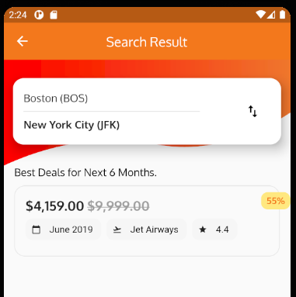
 | class HomeScreen extends StatelessWidget {
 | @override
 | Widget build(BuildContext context) {
 | return Scaffold(
 | body: SingleChildScrollView(
 | scrollDirection: Axis.vertical,
 | child: Column(
 | children: <Widget>[
 | HomeScreenTopPart(),
 | HomeScreenBottomPart,
 | HomeScreenBottomPart,
 | ],
 | ),
 | ),
 | bottomNavigationBar: CustomAppBar(),
 | );
 | }
 | }

 | class _HomeScreenTopPartState extends State<HomeScreenTopPart> {
 | var firstColor = Color(0xFFFF0000);
 | var secondColor = Color(0xFFEF772C);

 | int selectedLocationIndex = 0;

 | var isFlightSelected = true;

 | /**
 | *
 | */
 | @override
 | Widget build(BuildContext context) {
 | return Stack(
 | children: <Widget>[
 | ClipPath(
 | clipper: CustomShapeClipper(),
 | child: Container(
 | height: 400,
 | decoration: BoxDecoration(
 | gradient: LinearGradient(
 | colors: [
 | firstColor,
 | secondColor,
 | ],
 | ),
 | ),
 | child: Column(
 | children: <Widget>[
 | SizedBox(
 | height: 30,
 | ),
 | Padding(
 | padding: const EdgeInsets.all(20.0),
 | child: Row(
 | children: <Widget>[
 | Icon(
 | Icons.location_on,
 | color: Colors.white,
 | ),
 | SizedBox(
 | width: 20,
 | ),
 | PopupMenuButton(
 | onSelected: (index) {
 | setState(() {
 | selectedLocationIndex = index;
 | });
 | },
 | child: Row(
 | children: <Widget>[
 | Text('${location[selectedLocationIndex]}',
 | style: dropDownLabelStyle),
 | Icon(
 | Icons.keyboard_arrow_down,
 | color: Colors.white,
 | ),
 | ],
 | ),
 | itemBuilder: (BuildContext context) =>
 | <PopupMenuItem<int>>[
 | PopupMenuItem(
 | child: Text(
 | '${location[0]}',
 | style: dropDownMenuItemStyle,
 | ),
 | value: 0,
 | ),
 | PopupMenuItem(
 | child: Text(
 | '${location[1]}',
 | style: dropDownMenuItemStyle,
 | ),
 | value: 1,
 | ),
 | ],
 | ),
 | Spacer(),
 | Icon(
 | Icons.settings,
 | color: Colors.white,
 | ),
 | ],
 | ),
 | ),
 | SizedBox(
 | height: 50.0,
 | ),
 | Text(
 | 'Where would\nyou want to go?',
 | style: TextStyle(fontSize: 26, color: Colors.white),
 | textAlign: TextAlign.center,
 | ),
 | SizedBox(
 | height: 38,
 | ),
 | Padding(
 | padding: EdgeInsets.symmetric(horizontal: 38),
 | child: Material(
 | elevation: 5.0,
 | borderRadius: BorderRadius.all(Radius.circular(38)),
 | child: TextField(
 | controller: TextEditingController(text: location[1]),
 | style: dropDownMenuItemStyle,
 | cursorColor: addTheme.primaryColor,
 | decoration: InputDecoration(
 | contentPadding:
 | EdgeInsets.symmetric(horizontal: 32, vertical: 14),
 | suffixIcon: Material(
 | elevation: 2.0,
 | borderRadius: BorderRadius.all(Radius.circular(30)),
 | child: InkWell(
 | onTap: () {
 | Navigator.push(
 | context,
 | MaterialPageRoute(
 | builder: (context) => FlightListScreen(),
 | ),
 | );
 | },
 | child: Icon(
 | Icons.search,
 | color: Colors.black,
 | ),
 | ),
 | ),
 | border: InputBorder.none,
 | ),
 | ),
 | ),
 | ),
 | SizedBox(
 | height: 28,
 | ),
 | Row(
 | mainAxisSize: MainAxisSize.min,
 | mainAxisAlignment: MainAxisAlignment.spaceAround,
 | children: <Widget>[
 | InkWell(
 | child: ChoiceChip(
 | icon: Icons.flight_takeoff,
 | text: 'Flights',
 | isSelected: isFlightSelected),
 | onTap: () {
 | setState(() {
 | isFlightSelected = true;
 | });
 | },
 | ),
 | SizedBox(
 | width: 20,
 | ),
 | InkWell(
 | child: ChoiceChip(
 | icon: Icons.hotel,
 | text: 'Hotels',
 | isSelected: !isFlightSelected),
 | onTap: () {
 | setState(() {
 | isFlightSelected = false;
 | });
 | },
 | ),
 | ],
 | ),
 | ],
 | ),
 | ),
 | ),
 | ],
 | );
 | }
 | }

lib\flight_list_screen.dart

 | import 'package:flutter/material.dart';

 | final Color discountBackgroundColor = Color(0xFFFFE880);
 | final Color flightBorderColor = Color(0xFFE6E6E6);
 | final Color chipBackgroundColor = Color(0xFFF6F6F6);

 | class FlightListScreen extends StatelessWidget {
 | @override
 | Widget build(BuildContext context) {
 | return Scaffold(
 | appBar: AppBar(
 | title: Text("Search Result"),
 | centerTitle: true,
 | leading: InkWell(
 | child: Icon(Icons.arrow_back),
 | onTap: () {
 | Navigator.pop(context);
 | },
 | ),
 | ),
 | );
 | }
 | }

lib\flight_list_screen.dart

 | import 'package:flutter/material.dart';
 | import 'package:test_designwave/custom_shape_clipper.dart';
 | import 'main.dart';

 | final Color discountBackgroundColor = Color(0xFFFFE880);
 | final Color flightBorderColor = Color(0xFFE6E6E6);
 | final Color chipBackgroundColor = Color(0xFFF6F6F6);

 | class FlightListScreen extends StatelessWidget {
 | @override
 | Widget build(BuildContext context) {
 | return Scaffold(
 | appBar: AppBar(
 | elevation: 0.0,
 | title: Text("Search Result"),
 | centerTitle: true,
 | leading: InkWell(
 | child: Icon(Icons.arrow_back),
 | onTap: () {
 | Navigator.pop(context);
 | },
 | ),
 | ),
 | body: Column(
 | children: <Widget>[
 | FlightListTopPart(),
 | ],
 | ),
 | );
 | }
 | }

 | class FlightListTopPart extends StatelessWidget {
 | @override
 | Widget build(BuildContext context) {
 | return Stack(
 | children: <Widget>[
 | ClipPath(
 | clipper: CustomShapeClipper(),
 | child: Container(
 | decoration: BoxDecoration(
 | gradient: LinearGradient(
 | colors: [
 | firstColor,
 | secondColor,
 | ],
 | ),
 | ),
 | height: 160,
 | ),
 | ),
 | ],
 | );
 | }
 | }

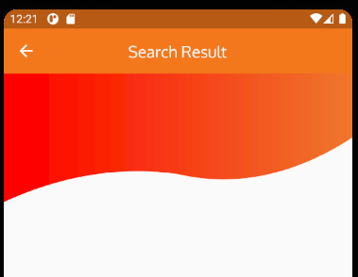

lib\flight_list_screen.dart

 | import 'package:flutter/material.dart';
 | import 'package:test_designwave/custom_shape_clipper.dart';
 | import 'main.dart';

 | final Color discountBackgroundColor = Color(0xFFFFE880);
 | final Color flightBorderColor = Color(0xFFE6E6E6);
 | final Color chipBackgroundColor = Color(0xFFF6F6F6);

 | class FlightListScreen extends StatelessWidget {
 | @override
 | Widget build(BuildContext context) {
 | return Scaffold(
 | appBar: AppBar(
 | elevation: 0.0,
 | title: Text("Search Result"),
 | centerTitle: true,
 | leading: InkWell(
 | child: Icon(Icons.arrow_back),
 | onTap: () {
 | Navigator.pop(context);
 | },
 | ),
 | ),
 | body: Column(
 | children: <Widget>[
 | FlightListTopPart(),
 | ],
 | ),
 | );
 | }
 | }

 | class FlightListTopPart extends StatelessWidget {
 | @override
 | Widget build(BuildContext context) {
 | return Stack(
 | children: <Widget>[
 | ClipPath(
 | clipper: CustomShapeClipper(),
 | child: Container(
 | decoration: BoxDecoration(
 | gradient: LinearGradient(
 | colors: [
 | firstColor,
 | secondColor,
 | ],
 | ),
 | ),
 | height: 160,
 | ),
 | ),

 | Column(
 | children: <Widget>[
 | SizedBox(
 | height: 28,
 | ),

 | Card(
 | shape: RoundedRectangleBorder(
 | borderRadius: BorderRadius.all(
 | Radius.circular(16),
 | ),
 | ),
 | margin: EdgeInsets.symmetric(horizontal: 14),
 | elevation: 14,
 | child: Container(
 | padding: EdgeInsets.symmetric(horizontal: 16, vertical: 20),
 | child: Row(
 | mainAxisSize: MainAxisSize.max,
 | children: <Widget>[
 | Expanded(
 | flex: 5,
 | child: Column(
 | mainAxisAlignment: MainAxisAlignment.center,
 | crossAxisAlignment: CrossAxisAlignment.start,
 | children: <Widget>[
 | Text(
 | 'Boston (BOS)',
 | style: TextStyle(fontSize: 16),
 | ),
 | Divider(
 | color: Colors.grey,
 | height: 20,
 | ),
 | Text(
 | 'New York City (JFK)',
 | style: TextStyle(
 | fontSize: 16, fontWeight: FontWeight.bold),
 | ),
 | ],
 | ),
 | ),
 | Spacer(),
 | Expanded(
 | flex: 1,
 | child: Icon(
 | Icons.import_export,
 | color: Colors.black,
 | size: 24,
 | ),
 | ),
 | ],
 | ),
 | ),
 | ),

 | ],
 | ),

 | ],
 | );
 | }
 | }

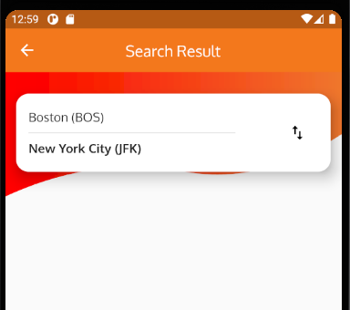

lib\flight_list_screen.dart

 | import 'package:flutter/material.dart';
 | import 'package:test_designwave/custom_shape_clipper.dart';
 | import 'main.dart';

 | final Color discountBackgroundColor = Color(0xFFFFE880);
 | final Color flightBorderColor = Color(0xFFE6E6E6);
 | final Color chipBackgroundColor = Color(0xFFF6F6F6);

 | class FlightListScreen extends StatelessWidget {
 | @override
 | Widget build(BuildContext context) {
 | return Scaffold(
 | appBar: AppBar(
 | elevation: 0.0,
 | title: Text("Search Result"),
 | centerTitle: true,
 | leading: InkWell(
 | child: Icon(Icons.arrow_back),
 | onTap: () {
 | Navigator.pop(context);
 | },
 | ),
 | ),
 | body: Column(
 | children: <Widget>[
 | FlightListTopPart(),
 | FlightListBottomPart(),
 | ],
 | ),
 | );
 | }
 | }

 | class FlightListTopPart extends StatelessWidget {
 | @override
 | Widget build(BuildContext context) {
 | return Stack(
 | children: <Widget>[
 | ClipPath(
 | clipper: CustomShapeClipper(),
 | child: Container(
 | decoration: BoxDecoration(
 | gradient: LinearGradient(
 | colors: [
 | firstColor,
 | secondColor,
 | ],
 | ),
 | ),
 | height: 160,
 | ),
 | ),
 | Column(
 | children: <Widget>[
 | SizedBox(
 | height: 28,
 | ),
 | Card(
 | shape: RoundedRectangleBorder(
 | borderRadius: BorderRadius.all(
 | Radius.circular(16),
 | ),
 | ),
 | margin: EdgeInsets.symmetric(horizontal: 14),
 | elevation: 14,
 | child: Container(
 | padding: EdgeInsets.symmetric(horizontal: 16, vertical: 20),
 | child: Row(
 | mainAxisSize: MainAxisSize.max,
 | children: <Widget>[
 | Expanded(
 | flex: 5,
 | child: Column(
 | mainAxisAlignment: MainAxisAlignment.center,
 | crossAxisAlignment: CrossAxisAlignment.start,
 | children: <Widget>[
 | Text(
 | 'Boston (BOS)',
 | style: TextStyle(fontSize: 16),
 | ),
 | Divider(
 | color: Colors.grey,
 | height: 20,
 | ),
 | Text(
 | 'New York City (JFK)',
 | style: TextStyle(
 | fontSize: 16, fontWeight: FontWeight.bold),
 | ),
 | ],
 | ),
 | ),
 | Spacer(),
 | Expanded(
 | flex: 1,
 | child: Icon(
 | Icons.import_export,
 | color: Colors.black,
 | size: 24,
 | ),
 | ),
 | ],
 | ),
 | ),
 | ),
 | ],
 | ),
 | ],
 | );
 | }
 | }

 | class FlightListBottomPart extends StatelessWidget {
 | @override
 | Widget build(BuildContext context) {
 | return Padding(
 | padding: EdgeInsets.only(left: 16),
 | child: Column(
 | crossAxisAlignment: CrossAxisAlignment.start,
 | children: <Widget>[
 | Text(
 | "Best Deals for Next 6 Months.",
 | style: dropDownMenuItemStyle,
 | ),
 | SizedBox(
 | height: 10,
 | ),
 | FlightCard(),
 | ],
 | ),
 | );
 | }
 | }

 | class FlightCard extends StatelessWidget {
 | @override
 | Widget build(BuildContext context) {
 | return Stack(
 | children: <Widget>[

 | Container(
 | margin: const EdgeInsets.only(right: 16),
 | decoration: BoxDecoration(
 | borderRadius: BorderRadius.all(
 | Radius.circular(16),
 | ),
 | border: Border.all(color: flightBorderColor),
 | ),
 | child: Padding(
 | padding: const EdgeInsets.all(16.0),
 | child: Column(
 | crossAxisAlignment: CrossAxisAlignment.start,
 | children: <Widget>[
 | Row(
 | children: <Widget>[
 | Text(
 | '${formatCurrency.format(4159)}',
 | style:
 | TextStyle(fontWeight: FontWeight.bold, fontSize: 20),
 | ),
 | SizedBox(
 | width: 4,
 | ),
 | Text(
 | '${formatCurrency.format(9999)}',
 | style: TextStyle(
 | fontWeight: FontWeight.bold,
 | fontSize: 20,
 | decoration: TextDecoration.lineThrough,
 | color: Colors.grey,
 | ),
 | ),
 | ],
 | ),
 | Wrap(
 | spacing: 8,
 | children: <Widget>[
 | FlightDetailChip(Icons.calendar_today, 'June 2019'),
 | FlightDetailChip(Icons.flight_takeoff, 'Jet Airways'),
 | FlightDetailChip(Icons.star, '4.4'),
 | ],
 | ),
 | ],
 | ),
 | ),
 | ),

 | Positioned(
 | top: 10,
 | right: 0,
 | child: Container(
 | padding: EdgeInsets.symmetric(horizontal: 8, vertical: 4),
 | child: Text(
 | '55%',
 | style: TextStyle(
 | color: addTheme.primaryColor,
 | fontSize: 14,
 | fontWeight: FontWeight.bold,
 | ),
 | ),
 | decoration: BoxDecoration(
 | color: discountBackgroundColor,
 | borderRadius: BorderRadius.all(
 | Radius.circular(10),
 | ),
 | ),
 | ),
 | ),

 | ],
 | );
 | }
 | }

 | class FlightDetailChip extends StatelessWidget {
 | final IconData iconData;
 | final String label;
 | FlightDetailChip(this.iconData, this.label);

 | @override
 | Widget build(BuildContext context) {
 | return RawChip(
 | label: Text(label),
 | labelStyle: TextStyle(color: Colors.black, fontSize: 14),
 | backgroundColor: chipBackgroundColor,
 | avatar: Icon(
 | iconData,
 | size: 14,
 | ),
 | shape: RoundedRectangleBorder(
 | borderRadius: BorderRadius.all(
 | Radius.circular(10),
 | ),
 | ),
 | );
 | }
 | }

