pubspec.yaml
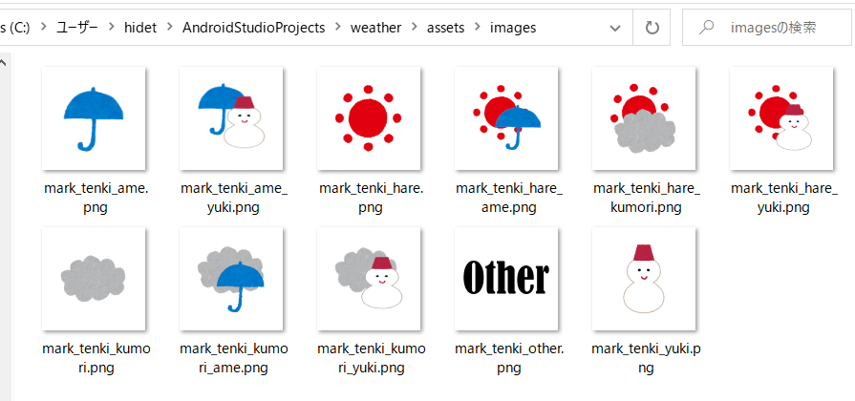
pubspec.yaml

 | name: weather
 | description: A new Flutter application.

 | publish_to: 'none'

 | version: 1.0.0+1

 | environment:
 | sdk: ">=2.7.0 <3.0.0"

 | dependencies:
 | flutter:
 | sdk: flutter

 | cupertino_icons: ^0.1.3
 | http: ^0.12.1
 | intl: ^0.16.1 | いらないかも
 |  | 文字列をフォーマットするものなんだね
 | dev_dependencies:
 | flutter_test:
 | sdk: flutter

 | flutter:

 | uses-material-design: true

 | fonts:
 | - family: Yomogi
 | fonts:
 | - asset: assets/fonts/yomogifont.ttf

 | assets:
 | - assets/images/

