ヘッダーメニュー
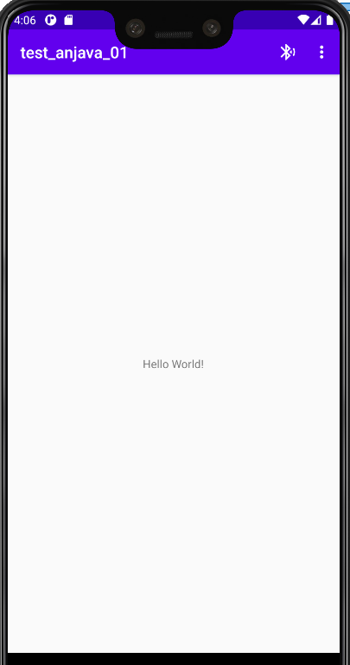
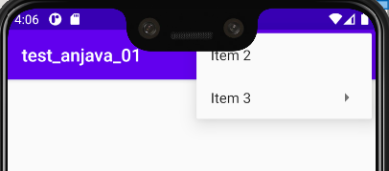
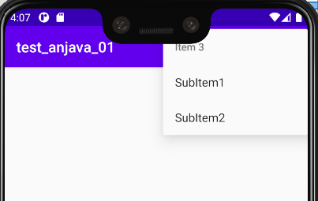
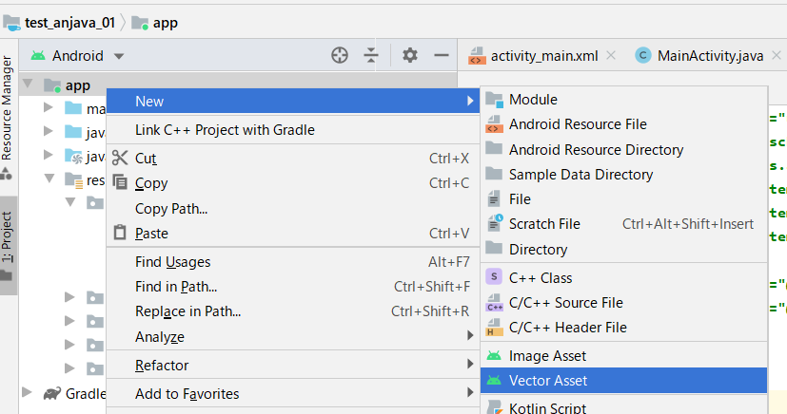

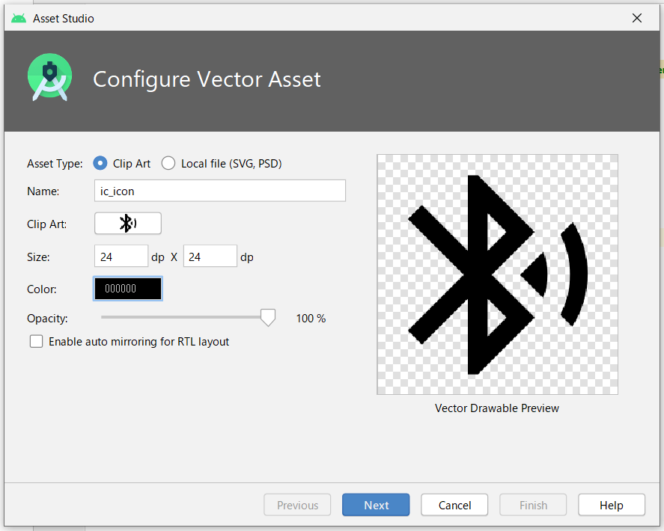

src/main/res/drawable/ic_icon.xml

 | <vector xmlns:android="http://schemas.android.com/apk/res/android"
 | android:width="24dp"
 | android:height="24dp"
 | android:viewportWidth="24"
 | android:viewportHeight="24"
 | android:tint="?attr/colorControlNormal">
 | <path
 | android:fillColor="@android:color/white"
 | android:pathData="M14.24,12.01l2.32,2.32c0.28,-0.72 0.44,-1.51 0.44,-2.33 0,-0.82 -0.16,-1.59 -0.43,-2.31l-2.33,2.32zM19.53,6.71l-1.26,1.26c0.63,1.21 0.98,2.57 0.98,4.02s-0.36,2.82 -0.98,4.02l1.2,1.2c0.97,-1.54 1.54,-3.36 1.54,-5.31 -0.01,-1.89 -0.55,-3.67 -1.48,-5.19zM15.71,7.71L10,2L9,2v7.59L4.41,5 3,6.41 8.59,12 3,17.59 4.41,19 9,14.41L9,22h1l5.71,-5.71 -4.3,-4.29 4.3,-4.29zM11,5.83l1.88,1.88L11,9.59L11,5.83zM12.88,16.29L11,18.17v-3.76l1.88,1.88z"/>
 | </vector>

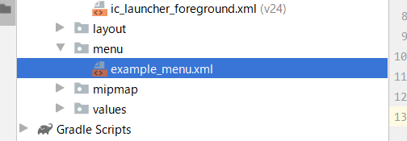

src/main/res/menu/example_menu.xml

 | <?xml version="1.0" encoding="utf-8"?>
 | <menu xmlns:android="http://schemas.android.com/apk/res/android"
 | xmlns:app="http://schemas.android.com/apk/res-auto">

 | <item android:id="@+id/item1" android:icon="@drawable/ic_icon" android:title="Item 1" app:showAsAction="ifRoom" />

 | <item android:id="@+id/item2" android:title="Item 2" app:showAsAction="never" />

 | <item android:id="@+id/item3" android:title="Item 3" app:showAsAction="never">
 | <menu>
 | <item android:id="@+id/subitem1" android:title="SubItem1" />
 | <item android:id="@+id/subitem2" android:title="SubItem2" />
 | </menu>
 | </item>

 | </menu>

src/main/java/com/example/test_anjava_01/MainActivity.java

 | package com.example.test_anjava_01;

 | import androidx.annotation.NonNull;
 | import androidx.appcompat.app.AppCompatActivity;

 | import android.os.Bundle;
 | import android.view.Menu;
 | import android.view.MenuInflater;
 | import android.view.MenuItem;
 | import android.widget.Toast;

 | public class MainActivity extends AppCompatActivity {

 | @Override
 | protected void onCreate(Bundle savedInstanceState) {
 | super.onCreate(savedInstanceState);
 | setContentView(R.layout.activity_main);
 | }

 | @Override
 | public boolean onCreateOptionsMenu(Menu menu) {
 | MenuInflater inflater = getMenuInflater();
 | inflater.inflate(R.menu.example_menu, menu);
 | return true;
 | }

 | @Override
 | public boolean onOptionsItemSelected(@NonNull MenuItem item) {
 | switch (item.getItemId()){
 | case R.id.item1:
 | Toast.makeText(this, "Item 1 selected", Toast.LENGTH_SHORT).show();
 | return true;
 | case R.id.item2:
 | Toast.makeText(this, "Item 2 selected", Toast.LENGTH_SHORT).show();
 | return true;
 | case R.id.item3:
 | Toast.makeText(this, "Item 3 selected", Toast.LENGTH_SHORT).show();
 | return true;
 | case R.id.subitem1:
 | Toast.makeText(this, "SubItem 1 selected", Toast.LENGTH_SHORT).show();
 | return true;
 | case R.id.subitem2:
 | Toast.makeText(this, "SubItem 2 selected", Toast.LENGTH_SHORT).show();
 | return true;
 | default:
 | return super.onOptionsItemSelected(item);
 | }
 | }
 | }

