changenotifier
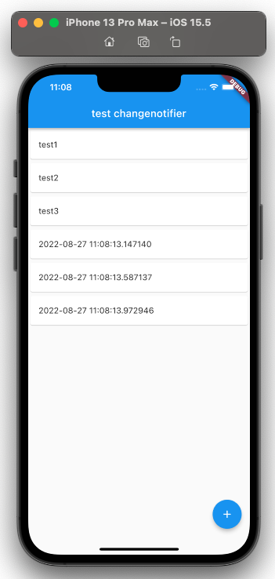
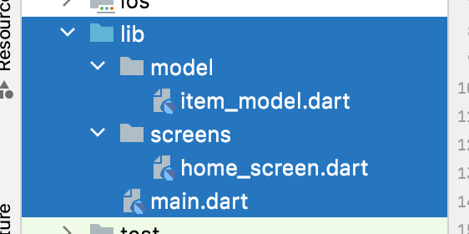
 | flutterの最もしっくりくるState管理法 - Provider + ChangeNotifierの使い方
 | https://tesshus-blog.netlify.app/flutter-change-notifier/

 | 公式サイト
 | https://docs.flutter.dev/development/data-and-backend/state-mgmt/simple#changenotifier

1 | プラグイン追加

 | toyohide@toyohidenoMacBook-Pro ~ % cd /Users/toyohide/StudioProjects/test_changenotifier

 | toyohide@toyohidenoMacBook-Pro test_changenotifier % flutter pub add provider
 | Resolving dependencies...
 | async 2.8.2 (2.9.0 available)
 | characters 1.2.0 (1.2.1 available)
 | clock 1.1.0 (1.1.1 available)
 | fake_async 1.3.0 (1.3.1 available)
 | matcher 0.12.11 (0.12.12 available)
 | material_color_utilities 0.1.4 (0.2.0 available)
 | meta 1.7.0 (1.8.0 available)
 | + nested 1.0.0
 | path 1.8.1 (1.8.2 available)
 | + provider 6.0.3
 | source_span 1.8.2 (1.9.1 available)
 | string_scanner 1.1.0 (1.1.1 available)
 | term_glyph 1.2.0 (1.2.1 available)
 | test_api 0.4.9 (0.4.13 available)
 | vector_math 2.1.2 (2.1.3 available)
 | Changed 2 dependencies!

 | toyohide@toyohidenoMacBook-Pro test_changenotifier % flutter pub get
 | Running "flutter pub get" in test_changenotifier... 221ms

 | pubspec.yaml

 |  | name: test_changenotifier
 |  | description: A new Flutter project.

 |  | publish_to: 'none'

 |  | version: 1.0.0+1

 |  | environment:
 |  | sdk: ">=2.17.6 <3.0.0"

 |  | dependencies:
 |  | flutter:
 |  | sdk: flutter

 |  | cupertino_icons: ^1.0.2

 |  | provider: ^6.0.3

 |  | dev_dependencies:
 |  | flutter_test:
 |  | sdk: flutter

 |  | flutter_lints: ^2.0.0

 |  | flutter:

 |  | uses-material-design: true

● | コードフォーマッターの設定

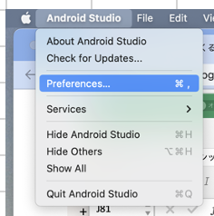

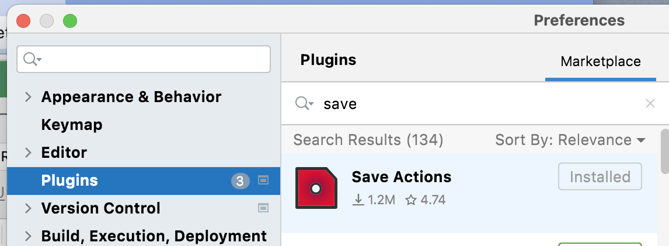

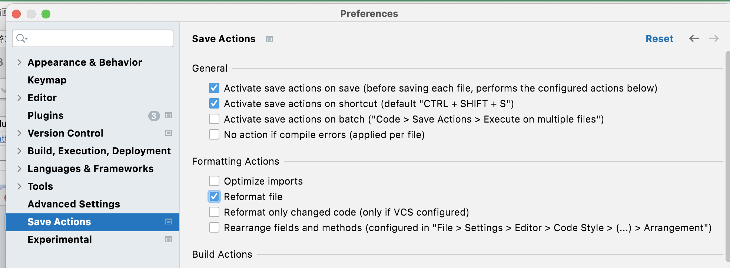

2 | モデル作成

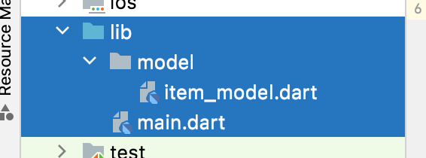

 | lib/model/item_model.dart

 |  | import 'package:flutter/material.dart';
 |  |  |  |  | モデル操作クラス
 |  | class ItemModel extends ChangeNotifier { |  |  | ChangeNotifierを継承
 |  | final List<Item> _items = <Item>[
 |  | const Item('test1'),
 |  | const Item('test2'),
 |  | const Item('test3'),
 |  | ];

 |  | List<Item> get items => _items;

 |  | void add(Item item) {
 |  | _items.add(item);

 |  | notifyListeners(); |  | notifyListeners
 |  | } |  | 値が変更されたことを画面に伝える
 |  | }

 |  | ////////////////////////////////////////////////////

 |  | class Item { | モデルクラス
 |  | final String title;

 |  | const Item(this.title);
 |  | }

3 | プロバイダーにモデルを追加

 | lib/main.dart

 |  | import 'package:flutter/material.dart';
 |  | import 'package:provider/provider.dart';

 |  | import 'model/item_model.dart';

 |  | void main() {
 |  | runApp(const MyApp());
 |  | }

 |  | class MyApp extends StatelessWidget {
 |  | const MyApp({Key? key}) : super(key: key);

 |  | @override
 |  | Widget build(BuildContext context) {
 |  | return MultiProvider( |  |  | MaterialAppを
 |  | //---------- |  |  | MultiProviderで囲んで

 |  | providers: [ |  |  | providersに
 |  | ChangeNotifierProvider( |  |  | ChangeNotifierProviderを用いて
 |  | create: (context) { |  |  | モデル操作クラスを設定する
 |  | return ItemModel();
 |  | },
 |  | ),
 |  | ],

 |  | //----------

 |  | child: MaterialApp(
 |  | home: Container(),
 |  | ),
 |  | );
 |  | }
 |  | }

4 | リスト表示

 | lib/screens/home_screen.dart

 |  | import 'package:flutter/material.dart';
 |  | import 'package:provider/provider.dart';

 |  | import '../model/item_model.dart';

 |  | class HomeScreen extends StatefulWidget {
 |  | const HomeScreen({Key? key}) : super(key: key);

 |  | @override
 |  | State<HomeScreen> createState() => _HomeScreenState();
 |  | }

 |  | class _HomeScreenState extends State<HomeScreen> {
 |  | @override
 |  | Widget build(BuildContext context) {
 |  | return Scaffold(
 |  | appBar: AppBar(
 |  | title: const Text('test changenotifier'),
 |  | ),
 |  | body: Consumer<ItemModel>( |  |  |  | Consumerで囲む
 |  | builder: (BuildContext context, ItemModel value, Widget? child) {
 |  | return ListView.separated(
 |  | itemBuilder: (context, index) {
 |  | return Card(
 |  | child: ListTile(
 |  | title: Text(value.items[index].title),
 |  | ),
 |  | );
 |  | },
 |  | separatorBuilder: (context, index) => Container(),
 |  | itemCount: value.items.length,
 |  | );
 |  | },
 |  | ),
 |  | );
 |  | }
 |  | }

 | lib/main.dart

 |  | import 'package:flutter/material.dart';
 |  | import 'package:provider/provider.dart';

 |  | import 'model/item_model.dart';

 |  | import 'screens/home_screen.dart';

 |  | void main() {
 |  | runApp(const MyApp());
 |  | }

 |  | class MyApp extends StatelessWidget {
 |  | const MyApp({Key? key}) : super(key: key);

 |  | @override
 |  | Widget build(BuildContext context) {
 |  | return MultiProvider(
 |  | providers: [
 |  | ChangeNotifierProvider(
 |  | create: (context) {
 |  | return ItemModel();
 |  | },
 |  | ),
 |  | ],
 |  | child: const MaterialApp(
 |  | home: HomeScreen(),
 |  | ),
 |  | );
 |  | }
 |  | }

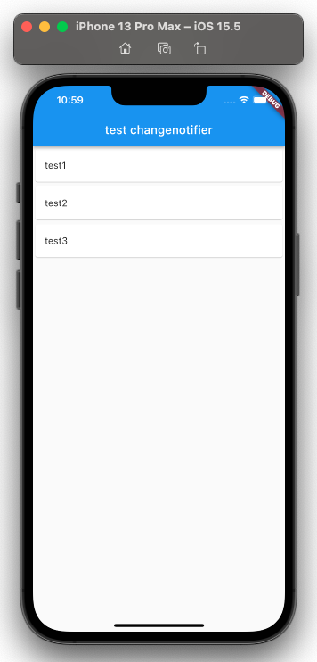

5 | リストへの項目追加

 | lib/screens/home_screen.dart

 |  | import 'package:flutter/material.dart';
 |  | import 'package:provider/provider.dart';

 |  | import '../model/item_model.dart';

 |  | class HomeScreen extends StatefulWidget {
 |  | const HomeScreen({Key? key}) : super(key: key);

 |  | @override
 |  | State<HomeScreen> createState() => _HomeScreenState();
 |  | }

 |  | class _HomeScreenState extends State<HomeScreen> {
 |  | @override
 |  | Widget build(BuildContext context) {
 |  | //----------
 |  | var itemModel = Provider.of<ItemModel>(context);
 |  | //----------

 |  | return Scaffold(
 |  | appBar: AppBar(
 |  | title: const Text('test changenotifier'),
 |  | ),
 |  | body: Consumer<ItemModel>(
 |  | builder: (BuildContext context, ItemModel value, Widget? child) {
 |  | return ListView.separated(
 |  | itemBuilder: (context, index) {
 |  | return Card(
 |  | child: ListTile(
 |  | title: Text(value.items[index].title),
 |  | ),
 |  | );
 |  | },
 |  | separatorBuilder: (context, index) => Container(),
 |  | itemCount: value.items.length,
 |  | );
 |  | },
 |  | ),

 |  | //----------
 |  | floatingActionButton: FloatingActionButton(
 |  | onPressed: () {
 |  | var item = Item(DateTime.now().toString());
 |  | itemModel.add(item);
 |  | },
 |  | child: const Icon(Icons.add),
 |  | ),
 |  | //----------
 |  | );
 |  | }
 |  | }

changenotifier 2
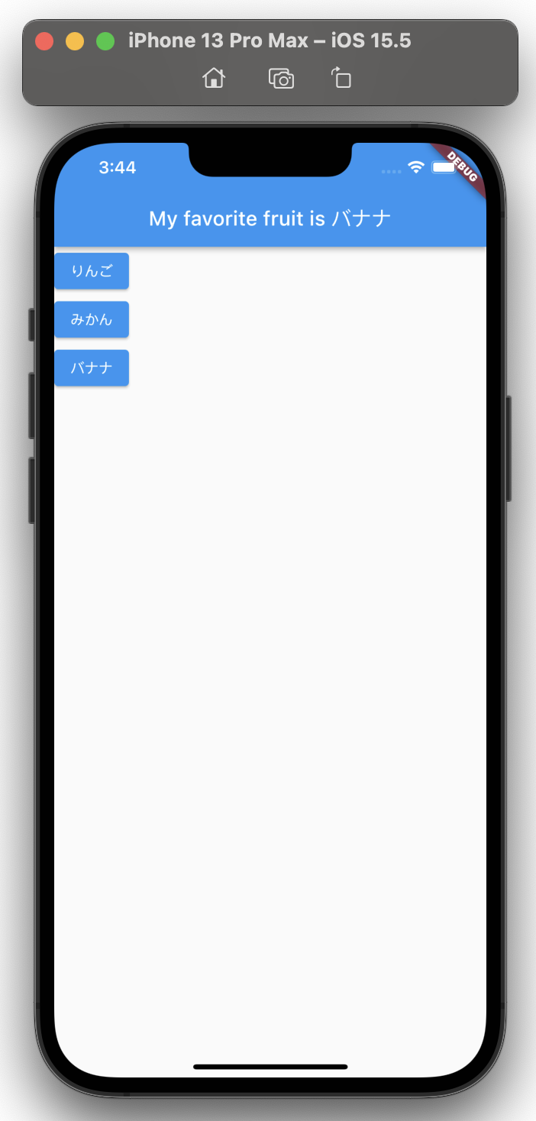
Flutter Provider 5 changeNotifier Example | State Management
https://www.youtube.com/watch?v=A1qu8X7f36k

toyohide@toyohidenoMacBook-Pro ~ % cd StudioProjects/test_changenotifier2

toyohide@toyohidenoMacBook-Pro test_changenotifier2 % flutter pub add provider
Resolving dependencies...
async 2.8.2 (2.9.0 available)
characters 1.2.0 (1.2.1 available)
clock 1.1.0 (1.1.1 available)
fake_async 1.3.0 (1.3.1 available)
matcher 0.12.11 (0.12.12 available)
material_color_utilities 0.1.4 (0.2.0 available)
meta 1.7.0 (1.8.0 available)
+ nested 1.0.0
path 1.8.1 (1.8.2 available)
+ provider 6.0.3
source_span 1.8.2 (1.9.1 available)
string_scanner 1.1.0 (1.1.1 available)
term_glyph 1.2.0 (1.2.1 available)
test_api 0.4.9 (0.4.13 available)
vector_math 2.1.2 (2.1.3 available)
Changed 2 dependencies!

toyohide@toyohidenoMacBook-Pro test_changenotifier2 % flutter pub get
Running "flutter pub get" in test_changenotifier2... 216ms

pubspec.yaml

 | name: test_changenotifier2
 | description: A new Flutter project.

 | publish_to: 'none'

 | version: 1.0.0+1

 | environment:
 | sdk: ">=2.17.6 <3.0.0"

 | dependencies:
 | flutter:
 | sdk: flutter

 | cupertino_icons: ^1.0.2

 | provider: ^6.0.3

 | dev_dependencies:
 | flutter_test:
 | sdk: flutter

 | flutter_lints: ^2.0.0

 | flutter:

 | uses-material-design: true

lib/main.dart

 | import 'package:flutter/material.dart';

 | import 'package:provider/provider.dart';

 | void main() {
 | runApp(
 | ChangeNotifierProvider(
 | create: (_) => Favorites(),
 | child: const MyApp(),
 | ),
 | );
 | }

 | ///////////////////////////////////////////////////////////

 | class MyApp extends StatelessWidget {
 | const MyApp({Key? key}) : super(key: key);

 | @override
 | Widget build(BuildContext context) {
 | return MaterialApp(
 | home: Scaffold(
 | appBar: AppBar(
 | title: Text(
 | 'My favorite fruit is ${Provider.of<Favorites>(context).fruit}',
 | ),
 | ),
 | body: Column(
 | children: const [
 | FruitButton(fruit: 'りんご'),
 | FruitButton(fruit: 'みかん'),
 | FruitButton(fruit: 'バナナ'),
 | ],
 | ),
 | ),
 | );
 | }
 | }

 | ///////////////////////////////////////////////////////////

 | class FruitButton extends StatelessWidget {
 | final String fruit;

 | const FruitButton({Key? key, required this.fruit}) : super(key: key);

 | @override
 | Widget build(BuildContext context) {
 | return ElevatedButton(onPressed: () {}, child: Text(fruit));
 | }
 | }

 | ///////////////////////////////////////////////////////////

 | class Favorites extends ChangeNotifier {
 | String fruit = '何かな？';

 | ///
 | void changeFruit({required String newFruit}) {
 | fruit = newFruit;

 | notifyListeners();
 | }
 | }

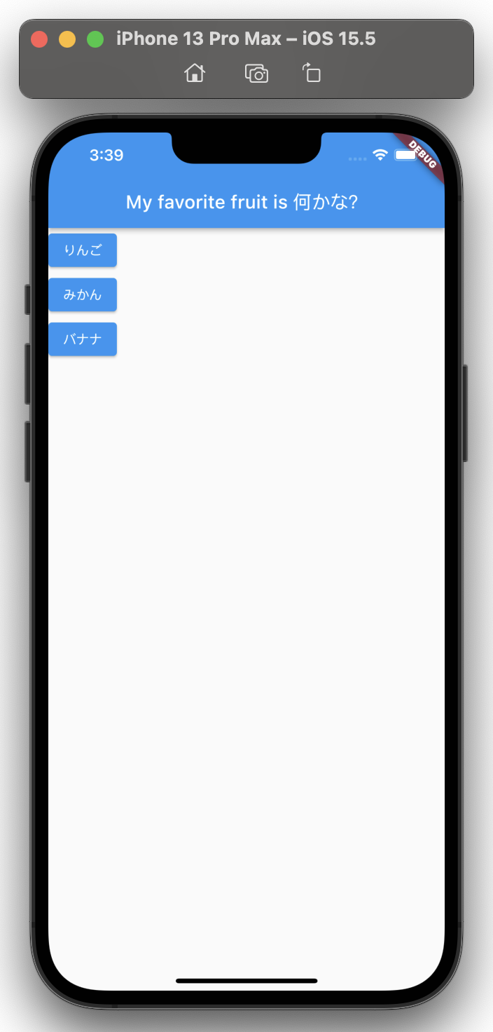

lib/main.dart

 | import 'package:flutter/material.dart';

 | import 'package:provider/provider.dart';

 | void main() {
 | runApp(
 | ChangeNotifierProvider(
 | create: (_) => Favorites(),
 | child: const MyApp(),
 | ),
 | );
 | }

 | ///////////////////////////////////////////////////////////

 | class MyApp extends StatelessWidget {
 | const MyApp({Key? key}) : super(key: key);

 | @override
 | Widget build(BuildContext context) {
 | return MaterialApp(
 | home: Scaffold(
 | appBar: AppBar(
 | title: Text(
 | 'My favorite fruit is ${Provider.of<Favorites>(context).fruit}',
 | ),
 | ),
 | body: Column(
 | children: const [
 | FruitButton(fruit: 'りんご'),
 | FruitButton(fruit: 'みかん'),
 | FruitButton(fruit: 'バナナ'),
 | ],
 | ),
 | ),
 | );
 | }
 | }

 | ///////////////////////////////////////////////////////////

 | class FruitButton extends StatelessWidget {
 | final String fruit;

 | const FruitButton({Key? key, required this.fruit}) : super(key: key);

 | @override
 | Widget build(BuildContext context) {
 | return ElevatedButton(
 | onPressed: () {
 | Provider.of<Favorites>(context, listen: false)
 | .changeFruit(newFruit: fruit);
 | },
 | child: Text(fruit));
 | }
 | }

 | ///////////////////////////////////////////////////////////

 | class Favorites extends ChangeNotifier {
 | String fruit = '何かな？';

 | ///
 | void changeFruit({required String newFruit}) {
 | fruit = newFruit;

 | notifyListeners();
 | }
 | }

changenotifier 3
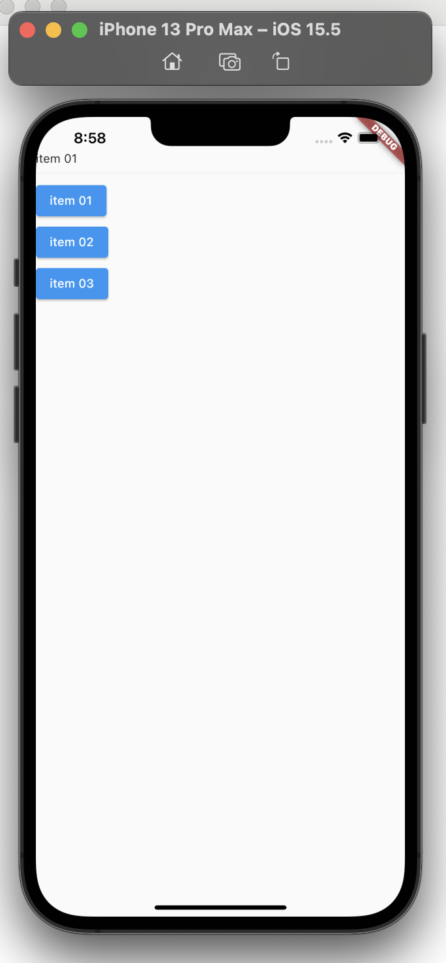
Flutter Provider and ChangeNotifier With Listener for State Management | Example |  | 内容2と同じ
https://www.youtube.com/watch?v=W3aQga6THOU

toyohide@toyohidenoMacBook-Pro ~ % cd StudioProjects/test_changenotifier3

toyohide@toyohidenoMacBook-Pro test_changenotifier3 % flutter pub add provider;
Resolving dependencies...
async 2.8.2 (2.9.0 available)
characters 1.2.0 (1.2.1 available)
clock 1.1.0 (1.1.1 available)
fake_async 1.3.0 (1.3.1 available)
matcher 0.12.11 (0.12.12 available)
material_color_utilities 0.1.4 (0.2.0 available)
meta 1.7.0 (1.8.0 available)
+ nested 1.0.0
path 1.8.1 (1.8.2 available)
+ provider 6.0.3
source_span 1.8.2 (1.9.1 available)
string_scanner 1.1.0 (1.1.1 available)
term_glyph 1.2.0 (1.2.1 available)
test_api 0.4.9 (0.4.13 available)
vector_math 2.1.2 (2.1.3 available)
Changed 2 dependencies!

toyohide@toyohidenoMacBook-Pro test_changenotifier3 % flutter pub get;
Running "flutter pub get" in test_changenotifier3... 231ms

pubspec.yaml

 | name: test_changenotifier3
 | description: A new Flutter project.

 | publish_to: 'none'

 | version: 1.0.0+1

 | environment:
 | sdk: ">=2.17.6 <3.0.0"

 | dependencies:
 | flutter:
 | sdk: flutter

 | cupertino_icons: ^1.0.2

 | provider: ^6.0.3

 | dev_dependencies:
 | flutter_test:
 | sdk: flutter

 | flutter_lints: ^2.0.0

 | flutter:

 | uses-material-design: true

lib/main.dart

 | import 'package:flutter/material.dart';
 | import 'package:provider/provider.dart';

 | import 'another_screen.dart';
 | import 'change_value_screen.dart';

 | void main() {
 | runApp(ChangeNotifierProvider(
 | create: (_) => ChangeValueScreen(),
 | child: const MyApp(),
 | ));
 | }

 | class MyApp extends StatelessWidget {
 | const MyApp({Key? key}) : super(key: key);

 | @override
 | Widget build(BuildContext context) {
 | return MaterialApp(
 | home: Scaffold(
 | body: Column(
 | crossAxisAlignment: CrossAxisAlignment.start,
 | children: [
 | const SizedBox(height: 40),
 | Text(Provider.of<ChangeValueScreen>(context).text),
 | const Divider(),
 | const AnotherScreen(text: 'item 01'),
 | const AnotherScreen(text: 'item 02'),
 | const AnotherScreen(text: 'item 03'),
 | ],
 | ),
 | ),
 | );
 | }
 | }

lib/another_screen.dart

 | import 'package:flutter/material.dart';

 | import 'package:provider/provider.dart';

 | import 'change_value_screen.dart';

 | class AnotherScreen extends StatelessWidget {
 | final String text;

 | const AnotherScreen({Key? key, required this.text}) : super(key: key);

 | @override
 | Widget build(BuildContext context) {
 | return ElevatedButton(
 | onPressed: () {
 | Provider.of<ChangeValueScreen>(context, listen: false)
 | .changeValue(newText: text);
 | },
 | child: Text(text),
 | );
 | }
 | }

lib/change_value_screen.dart

 | import 'package:flutter/material.dart';

 | class ChangeValueScreen extends ChangeNotifier {
 | String text = '';

 | ///
 | void changeValue({required String newText}) {
 | text = newText;

 | notifyListeners();
 | }
 | }

youtube bloc
BLoC Pattern with Flutter || State Management
https://www.youtube.com/watch?v=jIoWkct6_EM

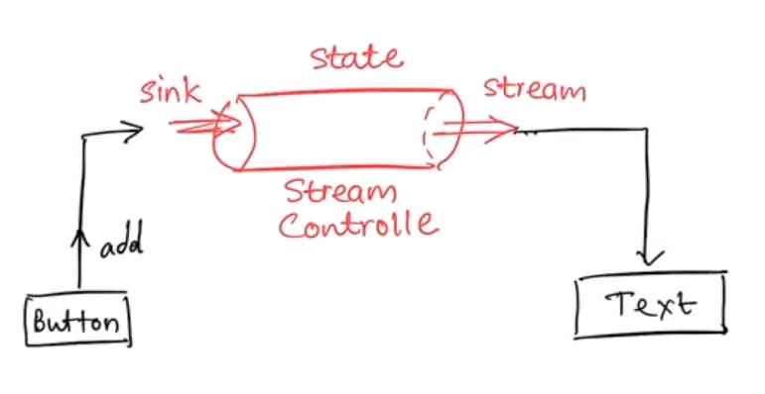

lib/counter_bloc.dart

 | import 'dart:async';

 | class CounterBloc {
 | final stateStreamController = StreamController<int>();

 | StreamSink<int> get counterSink => stateStreamController.sink;

 | Stream<int> get counterStream => stateStreamController.stream;
 | }

lib/main.dart

 | import 'package:flutter/material.dart';

 | //----------
 | import 'counter_bloc.dart';
 | //----------

 | void main() {
 | runApp(const MyApp());
 | }

 | class MyApp extends StatelessWidget {
 | const MyApp({Key? key}) : super(key: key);

 | @override
 | Widget build(BuildContext context) {
 | return MaterialApp(
 | title: 'Flutter Demo',
 | theme: ThemeData(
 | primarySwatch: Colors.blue,
 | ),
 | home: const MyHomePage(title: 'Flutter Demo Home Page'),
 | );
 | }
 | }

 | class MyHomePage extends StatefulWidget {
 | const MyHomePage({Key? key, required this.title}) : super(key: key);

 | final String title;

 | @override
 | State<MyHomePage> createState() => _MyHomePageState();
 | }

 | class _MyHomePageState extends State<MyHomePage> {
 | int _counter = 0;

 | //----------
 | final counterBloc = CounterBloc();

 | // void _incrementCounter() {
 | // setState(() {
 | // _counter++;
 | // });
 | // }

 | //----------

 | @override
 | Widget build(BuildContext context) {
 | return Scaffold(
 | appBar: AppBar(
 | title: Text(widget.title),
 | ),
 | body: Center(
 | child: Column(
 | mainAxisAlignment: MainAxisAlignment.center,
 | children: <Widget>[
 | const Text(
 | 'You have pushed the button this many times:',
 | ),

 | //----------
 | // Text(
 | // '$_counter',
 | // style: Theme.of(context).textTheme.headline4,
 | // ),

 | StreamBuilder(
 | stream: counterBloc.counterStream, |  |  |  | 変数をstreamから出力
 | builder: (context, snapshot) {
 | return Text(
 | '$_counter', | ⇦ここで使えるのが気持ち悪いけど
 | style: Theme.of(context).textTheme.headline4,
 | );
 | },
 | ),
 | //----------
 | ],
 | ),
 | ),
 | floatingActionButton: FloatingActionButton(
 | //----------
 | // onPressed: _incrementCounter,

 | onPressed: () {
 | _counter++;
 | counterBloc.counterSink.add(_counter); |  |  |  |  | 変数をsinkに追加
 | },

 | //----------

 | tooltip: 'Increment',
 | child: const Icon(Icons.add),
 | ),
 | );
 | }
 | }

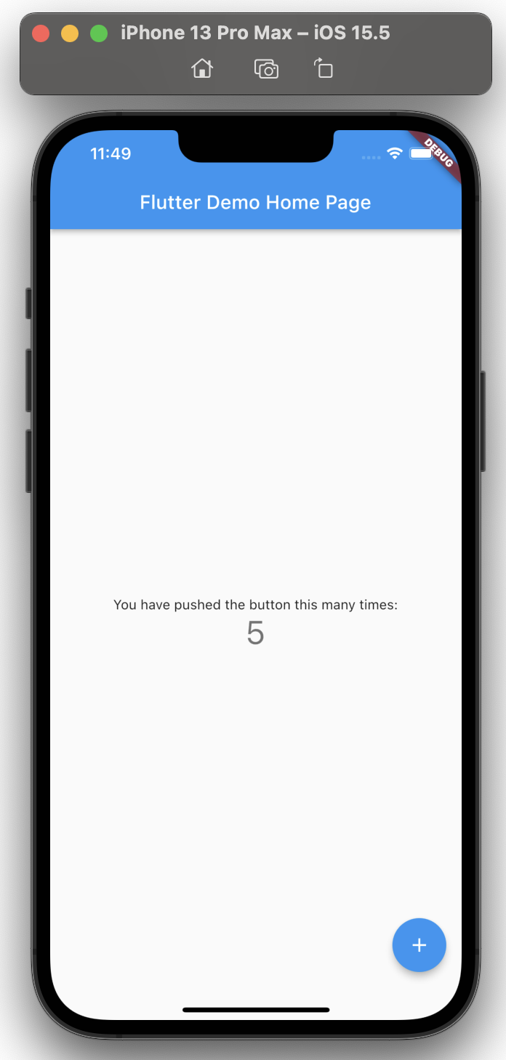

 |  |  |  | デフォルトと同様に機能する

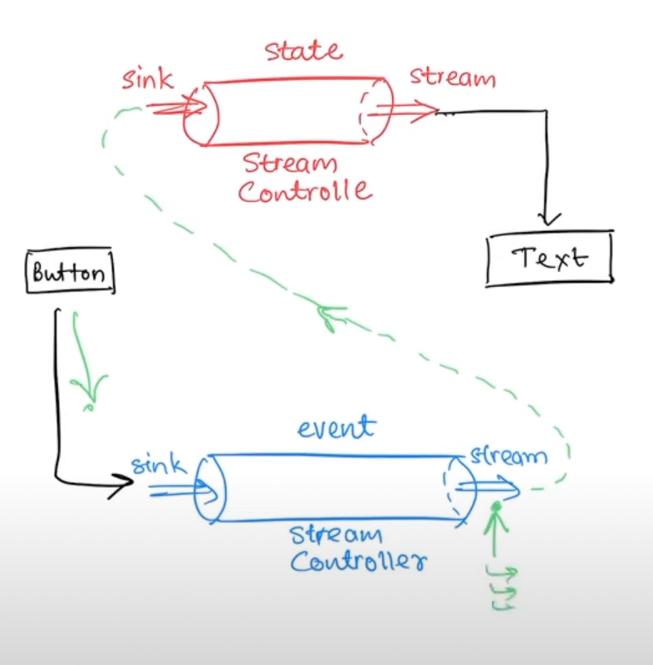

lib/counter_bloc.dart

 | import 'dart:async';

 | //----------
 | enum CounterAction { Increment, Decrement, Reset } |  |  |  |  | アクションの種類をenumで設定する
 | //----------

 | class CounterBloc {
 | //----------
 | late int counter;

 | //----------

 | final stateStreamController = StreamController<int>();

 | StreamSink<int> get counterSink => stateStreamController.sink;

 | Stream<int> get counterStream => stateStreamController.stream;

 | //----------

 | final eventStreamController = StreamController<CounterAction>();

 | StreamSink<CounterAction> get eventSink => eventStreamController.sink; |  |  |  |  |  | event用の
 |  |  |  |  |  |  | sinkとstreamを作成する
 | Stream<CounterAction> get eventStream => eventStreamController.stream;

 | /// constructor
 | CounterBloc() {
 | counter = 0;

 | eventStream.listen((event) {
 | switch (event) {
 | case CounterAction.Increment:
 | counter++;
 | break;

 | case CounterAction.Decrement:
 | counter--;
 | break;

 | case CounterAction.Reset:
 | counter = 0;
 | break;
 | }

 | counterSink.add(counter); |  |  | 変更後の変数「counter」をcounter側のsinkに設定する
 | });
 | }

 | //----------

 | }

lib/main.dart

 | import 'package:flutter/material.dart';

 | import 'counter_bloc.dart';

 | void main() {
 | runApp(const MyApp());
 | }

 | class MyApp extends StatelessWidget {
 | const MyApp({Key? key}) : super(key: key);

 | @override
 | Widget build(BuildContext context) {
 | return MaterialApp(
 | title: 'Flutter Demo',
 | theme: ThemeData(
 | primarySwatch: Colors.blue,
 | ),
 | home: const MyHomePage(title: 'Flutter Demo Home Page'),
 | );
 | }
 | }

 | class MyHomePage extends StatefulWidget {
 | const MyHomePage({Key? key, required this.title}) : super(key: key);

 | final String title;

 | @override
 | State<MyHomePage> createState() => _MyHomePageState();
 | }

 | class _MyHomePageState extends State<MyHomePage> {
 | //----------
 | // int _counter = 0; |  | 別ファイルに変数を用意したので、変数を削除する
 | //----------

 | final counterBloc = CounterBloc();

 | @override
 | Widget build(BuildContext context) {
 | return Scaffold(
 | appBar: AppBar(
 | title: Text(widget.title),
 | ),
 | body: Center(
 | child: Column(
 | mainAxisAlignment: MainAxisAlignment.center,
 | children: <Widget>[
 | const Text(
 | 'You have pushed the button this many times:',
 | ),
 | StreamBuilder(
 | stream: counterBloc.counterStream,

 | //----------
 | initialData: 0, |  | 初期値を設定しないとnullが表示される
 | //----------

 | builder: (context, snapshot) {
 | //----------
 | // return Text(
 | // '$_counter',
 | // style: Theme.of(context).textTheme.headline4,
 | // );

 | return Text(
 | '${snapshot.data}', | snapshot.dataを設定する
 | style: Theme.of(context).textTheme.headline4,
 | );

 | //----------
 | },
 | ),
 | ],
 | ),
 | ),
 | floatingActionButton: FloatingActionButton(
 | onPressed: () {
 | //----------
 | // _counter++;
 | // counterBloc.counterSink.add(_counter);

 | counterBloc.eventSink.add(CounterAction.Increment);
 |  |  | counter側のsinkではなく、event側のsinkに設定する
 | //---------- |  | アクション名を指定する
 | },
 | tooltip: 'Increment',
 | child: const Icon(Icons.add),
 | ),
 | );
 | }
 | }

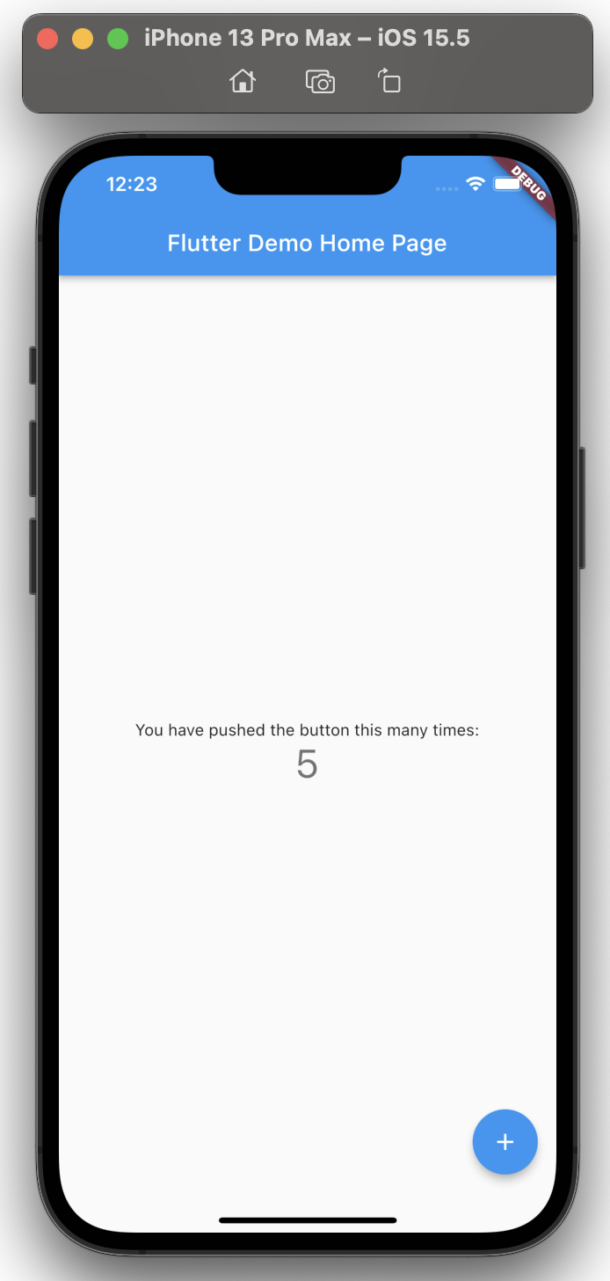

lib/main.dart

 | import 'package:flutter/material.dart';

 | import 'counter_bloc.dart';

 | void main() {
 | runApp(const MyApp());
 | }

 | class MyApp extends StatelessWidget {
 | const MyApp({Key? key}) : super(key: key);

 | @override
 | Widget build(BuildContext context) {
 | return MaterialApp(
 | title: 'Flutter Demo',
 | theme: ThemeData(
 | primarySwatch: Colors.blue,
 | ),
 | home: const MyHomePage(title: 'Flutter Demo Home Page'),
 | );
 | }
 | }

 | class MyHomePage extends StatefulWidget {
 | const MyHomePage({Key? key, required this.title}) : super(key: key);

 | final String title;

 | @override
 | State<MyHomePage> createState() => _MyHomePageState();
 | }

 | class _MyHomePageState extends State<MyHomePage> {
 | final counterBloc = CounterBloc();

 | @override
 | Widget build(BuildContext context) {
 | return Scaffold(
 | appBar: AppBar(
 | title: Text(widget.title),
 | ),
 | body: Center(
 | child: Column(
 | mainAxisAlignment: MainAxisAlignment.center,
 | children: <Widget>[
 | const Text(
 | 'You have pushed the button this many times:',
 | ),
 | StreamBuilder(
 | stream: counterBloc.counterStream,
 | initialData: 0,
 | builder: (context, snapshot) {
 | return Text(
 | '${snapshot.data}',
 | style: Theme.of(context).textTheme.headline4,
 | );
 | },
 | ),
 | ],
 | ),
 | ),

 | //----------
 | // floatingActionButton: FloatingActionButton(
 | // onPressed: () {
 | // counterBloc.eventSink.add(CounterAction.Increment);
 | // },
 | // tooltip: 'Increment',
 | // child: const Icon(Icons.add),
 | // ),

 | floatingActionButton: Row( |  |  | ボタンを増やした
 | children: [ |  |  | Decrement, Reset を追加
 | FloatingActionButton(
 | onPressed: () {
 | counterBloc.eventSink.add(CounterAction.Increment);
 | },
 | tooltip: 'Increment',
 | child: const Icon(Icons.add),
 | ),

 | //

 | FloatingActionButton(
 | onPressed: () {
 | counterBloc.eventSink.add(CounterAction.Decrement);
 | },
 | tooltip: 'Decrement',
 | child: const Icon(Icons.remove),
 | ),

 | //
 | FloatingActionButton(
 | onPressed: () {
 | counterBloc.eventSink.add(CounterAction.Reset);
 | },
 | tooltip: 'Reset',
 | child: const Icon(Icons.refresh),
 | ),
 | ],
 | ),

 | //----------
 | );
 | }
 | }

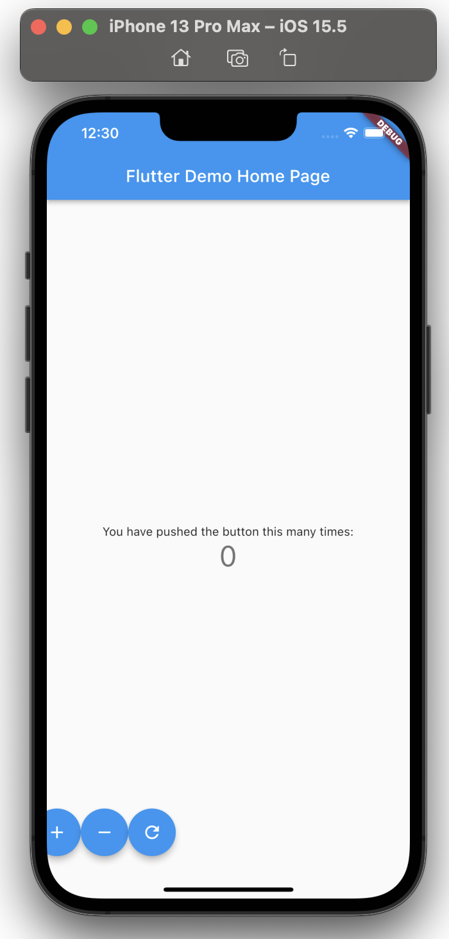

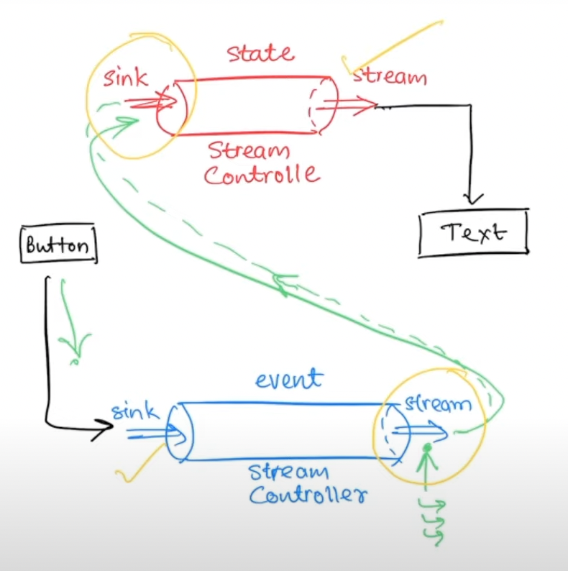

フラッター付きBLoCパターン||状態管理（パート2）
https://www.youtube.com/watch?v=K6ETAfGZl4k

lib/counter_bloc.dart

 | import 'dart:async';

 | enum CounterAction { Increment, Decrement, Reset }

 | class CounterBloc {
 | late int counter;

 | final stateStreamController = StreamController<int>();

 | StreamSink<int> get counterSink => stateStreamController.sink;

 | Stream<int> get counterStream => stateStreamController.stream;

 | final eventStreamController = StreamController<CounterAction>();

 | StreamSink<CounterAction> get eventSink => eventStreamController.sink;

 | Stream<CounterAction> get eventStream => eventStreamController.stream;

 | /// constructor
 | CounterBloc() {
 | counter = 0;

 | eventStream.listen((event) {
 | switch (event) {
 | case CounterAction.Increment:
 | counter++;
 | break;

 | case CounterAction.Decrement:
 | counter--;
 | break;

 | case CounterAction.Reset:
 | counter = 0;
 | break;
 | }

 | counterSink.add(counter);
 | });
 | }

 | //----------

 | ///
 | void dispose() {
 | stateStreamController.close();
 | eventStreamController.close();
 | }

 | //----------

 | }

lib/main.dart

 | import 'package:flutter/material.dart';

 | import 'counter_bloc.dart';

 | void main() {
 | runApp(const MyApp());
 | }

 | class MyApp extends StatelessWidget {
 | const MyApp({Key? key}) : super(key: key);

 | @override
 | Widget build(BuildContext context) {
 | return MaterialApp(
 | title: 'Flutter Demo',
 | theme: ThemeData(
 | primarySwatch: Colors.blue,
 | ),
 | home: const MyHomePage(title: 'Flutter Demo Home Page'),
 | );
 | }
 | }

 | class MyHomePage extends StatefulWidget {
 | const MyHomePage({Key? key, required this.title}) : super(key: key);

 | final String title;

 | @override
 | State<MyHomePage> createState() => _MyHomePageState();
 | }

 | class _MyHomePageState extends State<MyHomePage> {
 | final counterBloc = CounterBloc();

 | //----------
 | @override
 | void dispose() {
 | counterBloc.dispose();
 | super.dispose();
 | }

 | //----------

 | ///
 | @override
 | Widget build(BuildContext context) {
 | return Scaffold(
 | appBar: AppBar(
 | title: Text(widget.title),
 | ),
 | body: Center(
 | child: Column(
 | mainAxisAlignment: MainAxisAlignment.center,
 | children: <Widget>[
 | const Text(
 | 'You have pushed the button this many times:',
 | ),
 | StreamBuilder(
 | stream: counterBloc.counterStream,
 | initialData: 0,
 | builder: (context, snapshot) {
 | //----------

 | // return Text(
 | // '${snapshot.data}',
 | // style: Theme.of(context).textTheme.headline4,
 | // );

 | if (snapshot.hasData) {
 | return Text(
 | '${snapshot.data}',
 | style: Theme.of(context).textTheme.headline4,
 | );
 | }

 | if (snapshot.hasError) {
 | print(snapshot.error);
 | }

 | return Container();

 | //----------
 | },
 | ),
 | ],
 | ),
 | ),
 | floatingActionButton: Row(
 | children: [
 | FloatingActionButton(
 | onPressed: () {
 | counterBloc.eventSink.add(CounterAction.Increment);
 | },
 | tooltip: 'Increment',
 | child: const Icon(Icons.add),
 | ),
 | FloatingActionButton(
 | onPressed: () {
 | counterBloc.eventSink.add(CounterAction.Decrement);
 | },
 | tooltip: 'Decrement',
 | child: const Icon(Icons.remove),
 | ),
 | FloatingActionButton(
 | onPressed: () {
 | counterBloc.eventSink.add(CounterAction.Reset);
 | },
 | tooltip: 'Reset',
 | child: const Icon(Icons.refresh),
 | ),
 | ],
 | ),
 | );
 | }
 | }

youtube bloc api
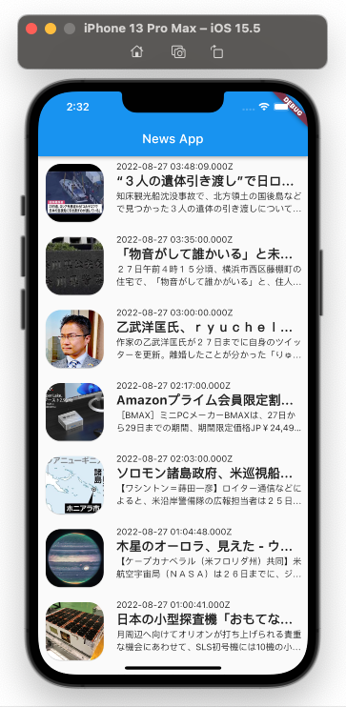
フラッター付きBLoCパターン||状態管理（パート2）
https://www.youtube.com/watch?v=K6ETAfGZl4k

toyohide@toyohidenoMacBook-Pro ~ % cd /Users/toyohide/StudioProjects/test_bloc2

toyohide@toyohidenoMacBook-Pro test_bloc2 % flutter pub add intl
Resolving dependencies...
async 2.8.2 (2.9.0 available)
characters 1.2.0 (1.2.1 available)
clock 1.1.0 (1.1.1 available)
fake_async 1.3.0 (1.3.1 available)
+ intl 0.17.0
matcher 0.12.11 (0.12.12 available)
material_color_utilities 0.1.4 (0.2.0 available)
meta 1.7.0 (1.8.0 available)
path 1.8.1 (1.8.2 available)
source_span 1.8.2 (1.9.1 available)
string_scanner 1.1.0 (1.1.1 available)
term_glyph 1.2.0 (1.2.1 available)
test_api 0.4.9 (0.4.13 available)
vector_math 2.1.2 (2.1.3 available)
Changed 1 dependency!

toyohide@toyohidenoMacBook-Pro test_bloc2 % flutter pub add http
Resolving dependencies...
async 2.8.2 (2.9.0 available)
characters 1.2.0 (1.2.1 available)
clock 1.1.0 (1.1.1 available)
fake_async 1.3.0 (1.3.1 available)
+ http 0.13.5
+ http_parser 4.0.1
matcher 0.12.11 (0.12.12 available)
material_color_utilities 0.1.4 (0.2.0 available)
meta 1.7.0 (1.8.0 available)
path 1.8.1 (1.8.2 available)
source_span 1.8.2 (1.9.1 available)
string_scanner 1.1.0 (1.1.1 available)
term_glyph 1.2.0 (1.2.1 available)
test_api 0.4.9 (0.4.13 available)
+ typed_data 1.3.1
vector_math 2.1.2 (2.1.3 available)
Changed 3 dependencies!

toyohide@toyohidenoMacBook-Pro test_bloc2 % flutter pub get
Running "flutter pub get" in test_bloc2... 2,211ms

pubspec.yaml

 | name: test_bloc2
 | description: A new Flutter project.

 | publish_to: 'none'

 | version: 1.0.0+1

 | environment:
 | sdk: ">=2.17.6 <3.0.0"

 | dependencies:
 | flutter:
 | sdk: flutter

 | cupertino_icons: ^1.0.2

 | http: ^0.13.5

 | dev_dependencies:
 | flutter_test:
 | sdk: flutter

 | flutter_lints: ^2.0.0

 | flutter:

 | uses-material-design: true

lib/main.dart

 | import 'package:flutter/material.dart';

 | import 'news_screen.dart';

 | //import 'counter_bloc.dart';

 | void main() {
 | runApp(const MyApp());
 | }

 | class MyApp extends StatelessWidget {
 | const MyApp({Key? key}) : super(key: key);

 | @override
 | Widget build(BuildContext context) {
 | return MaterialApp(
 | title: 'Flutter Demo',
 | theme: ThemeData(
 | primarySwatch: Colors.blue,
 | ),
 | home: const NewsScreen(),
 | );
 | }
 | }

 | //
 | //
 | //
 | //
 | //
 | // class MyHomePage extends StatefulWidget {
 | // const MyHomePage({Key? key, required this.title}) : super(key: key);
 | //
 | // final String title;
 | //
 | // @override
 | // State<MyHomePage> createState() => _MyHomePageState();
 | // }
 | //
 | // class _MyHomePageState extends State<MyHomePage> {
 | // final counterBloc = CounterBloc();
 | //
 | // ///
 | // @override
 | // void dispose() {
 | // counterBloc.dispose();
 | // super.dispose();
 | // }
 | //
 | // ///
 | // @override
 | // Widget build(BuildContext context) {
 | // return Scaffold(
 | // appBar: AppBar(
 | // title: Text(widget.title),
 | // ),
 | // body: Center(
 | // child: Column(
 | // mainAxisAlignment: MainAxisAlignment.center,
 | // children: <Widget>[
 | // const Text(
 | // 'You have pushed the button this many times:',
 | // ),
 | // StreamBuilder(
 | // stream: counterBloc.counterStream,
 | // initialData: 0,
 | // builder: (context, snapshot) {
 | // if (snapshot.hasData) {
 | // return Text(
 | // '${snapshot.data}',
 | // style: Theme.of(context).textTheme.headline4,
 | // );
 | // }
 | //
 | // if (snapshot.hasError) {
 | // debugPrint(snapshot.error.toString());
 | // }
 | //
 | // return Container();
 | // },
 | // ),
 | // ],
 | // ),
 | // ),
 | // floatingActionButton: Row(
 | // children: [
 | // FloatingActionButton(
 | // onPressed: () {
 | // counterBloc.eventSink.add(CounterAction.Increment);
 | // },
 | // tooltip: 'Increment',
 | // child: const Icon(Icons.add),
 | // ),
 | // FloatingActionButton(
 | // onPressed: () {
 | // counterBloc.eventSink.add(CounterAction.Decrement);
 | // },
 | // tooltip: 'Decrement',
 | // child: const Icon(Icons.remove),
 | // ),
 | // FloatingActionButton(
 | // onPressed: () {
 | // counterBloc.eventSink.add(CounterAction.Reset);
 | // },
 | // tooltip: 'Reset',
 | // child: const Icon(Icons.refresh),
 | // ),
 | // ],
 | // ),
 | // );
 | // }
 | // }

lib/news_model.dart

 | // To parse this JSON data, do
 | //
 | // final newsModel = newsModelFromJson(jsonString);
 | // ignore_for_file: constant_identifier_names

 | import 'dart:convert';

 | NewsModel newsModelFromJson(String str) => NewsModel.fromJson(json.decode(str));

 | String newsModelToJson(NewsModel data) => json.encode(data.toJson());

 | class NewsModel {
 | NewsModel({
 | required this.status,
 | required this.totalResults,
 | required this.articles,
 | });

 | String status;
 | int totalResults;
 | List<Article> articles;

 | factory NewsModel.fromJson(Map<String, dynamic> json) => NewsModel(
 | status: json["status"],
 | totalResults: json["totalResults"],
 | articles: List<Article>.from(
 | json["articles"].map((x) => Article.fromJson(x))),
 | );

 | Map<String, dynamic> toJson() => {
 | "status": status,
 | "totalResults": totalResults,
 | "articles": List<dynamic>.from(articles.map((x) => x.toJson())),
 | };
 | }

 | class Article {
 | Article({
 | required this.author,
 | required this.title,
 | required this.description,
 | required this.url,
 | required this.urlToImage,
 | required this.publishedAt,
 | required this.content,
 | });

 | String author;
 | String title;
 | String description;
 | String url;
 | String urlToImage;
 | DateTime publishedAt;
 | String content;

 | factory Article.fromJson(Map<String, dynamic> json) => Article(
 | author: json["author"] ?? '',
 | title: json["title"],
 | description: json["description"],
 | url: json["url"],
 | urlToImage: json["urlToImage"],
 | publishedAt: DateTime.parse(json["publishedAt"]),
 | content: json["content"] ?? '',
 | );

 | Map<String, dynamic> toJson() => {
 | "author": author,
 | "title": title,
 | "description": description,
 | "url": url,
 | "urlToImage": urlToImage,
 | "publishedAt": publishedAt.toIso8601String(),
 | "content": content,
 | };
 | }

lib/news_bloc.dart

 | // ignore_for_file: constant_identifier_names, unnecessary_null_comparison, prefer_typing_uninitialized_variables

 | import 'dart:async';
 | import 'dart:convert';

 | import 'package:http/http.dart' as http;

 | import 'news_model.dart';

 | enum NewsAction { Fetch, Delete }

 | class NewsBloc {
 | final stateStreamController = StreamController<List<Article>>();

 | StreamSink<List<Article>> get newsSink => stateStreamController.sink;

 | Stream<List<Article>> get newsStream => stateStreamController.stream;

 | final eventStreamController = StreamController<NewsAction>();

 | StreamSink<NewsAction> get eventSink => eventStreamController.sink;

 | Stream<NewsAction> get eventStream => eventStreamController.stream;

 | /// constructor
 | NewsBloc() {
 | eventStream.listen((event) async {
 | switch (event) {
 | case NewsAction.Fetch:
 | try {
 | var news = await getNews();

 | if (news != null) {
 | newsSink.add(news.articles);
 | } else {
 | newsSink.addError('something went wrong');
 | }
 | } on Exception {
 | newsSink.addError('something went wrong');
 | }

 | break;

 | case NewsAction.Delete:
 | break;
 | }
 | });
 | }

 | ///
 | Future<NewsModel> getNews() async {
 | var newsModel;

 | String country = "jp";
 | String apiKey = "a7671b32f93f4086901844f9d805d0bc";

 | Uri uri = Uri.parse(
 | 'https://newsapi.org/v2/top-headlines?country=$country&apiKey=$apiKey');

 | var response = await http.get(uri);

 | if (response.statusCode == 200) {
 | var jsonString = response.body;
 | var jsonMap = json.decode(jsonString);

 | newsModel = NewsModel.fromJson(jsonMap);
 | }

 | return newsModel;
 | }
 | }

lib/news_screen.dart

 | import 'package:flutter/material.dart';

 | import 'news_model.dart';

 | import 'news_bloc.dart';

 | class NewsScreen extends StatefulWidget {
 | const NewsScreen({Key? key}) : super(key: key);

 | @override
 | State<NewsScreen> createState() => _NewsScreenState();
 | }

 | class _NewsScreenState extends State<NewsScreen> {
 | final newsBloc = NewsBloc();

 | @override
 | void initState() {
 | super.initState();

 | newsBloc.eventSink.add(NewsAction.Fetch);
 | }

 | ///
 | @override
 | Widget build(BuildContext context) {
 | return Scaffold(
 | appBar: AppBar(
 | title: const Text('News App'),
 | ),
 | body: StreamBuilder<List<Article>>(
 | stream: newsBloc.newsStream,
 | builder: (context, snapshot) {
 | //
 | if (snapshot.hasError) {
 | return Text(snapshot.error.toString());
 | }
 | //

 | if (snapshot.hasData) {
 | return ListView.builder(
 | itemCount: snapshot.data!.length,
 | itemBuilder: (context, index) {
 | var article = snapshot.data![index];

 | return Container(
 | height: 100,
 | margin: const EdgeInsets.all(8),
 | child: Row(
 | children: <Widget>[
 | Card(
 | clipBehavior: Clip.antiAlias,
 | shape: RoundedRectangleBorder(
 | borderRadius: BorderRadius.circular(24),
 | ),
 | child: AspectRatio(
 | aspectRatio: 1,
 | child: Image.network(
 | article.urlToImage,
 | fit: BoxFit.cover,
 | ),
 | ),
 | ),
 | const SizedBox(width: 16),
 | Flexible(
 | child: Column(
 | crossAxisAlignment: CrossAxisAlignment.start,
 | children: <Widget>[
 | Text(article.publishedAt.toString()),
 | Text(
 | article.title,
 | overflow: TextOverflow.ellipsis,
 | style: const TextStyle(
 | fontSize: 20, fontWeight: FontWeight.bold),
 | ),
 | Text(
 | article.description,
 | maxLines: 2,
 | overflow: TextOverflow.ellipsis,
 | ),
 | ],
 | ),
 | ),
 | ],
 | ),
 | );
 | });
 | } else {
 | return const Center(
 | child: CircularProgressIndicator(),
 | );
 | }
 | },
 | ),
 | );
 | }
 | }

dio
toyohide@toyohidenoMacBook-Pro test_dio % flutter pub add dio
Resolving dependencies...
async 2.8.2 (2.9.0 available)
characters 1.2.0 (1.2.1 available)
clock 1.1.0 (1.1.1 available)
+ dio 4.0.6
fake_async 1.3.0 (1.3.1 available)
+ http_parser 4.0.1
matcher 0.12.11 (0.12.12 available)
material_color_utilities 0.1.4 (0.2.0 available)
meta 1.7.0 (1.8.0 available)
path 1.8.1 (1.8.2 available)
source_span 1.8.2 (1.9.1 available)
string_scanner 1.1.0 (1.1.1 available)
term_glyph 1.2.0 (1.2.1 available)
test_api 0.4.9 (0.4.13 available)
+ typed_data 1.3.1
vector_math 2.1.2 (2.1.3 available)
Changed 3 dependencies!

toyohide@toyohidenoMacBook-Pro test_dio % flutter pub get
Running "flutter pub get" in test_dio... 221ms

pubspec.yaml

 | name: test_dio
 | description: A new Flutter project.

 | publish_to: 'none'

 | version: 1.0.0+1

 | environment:
 | sdk: ">=2.17.6 <3.0.0"

 | dependencies:
 | flutter:
 | sdk: flutter

 | cupertino_icons: ^1.0.2

 | dio: ^4.0.6

 | dev_dependencies:
 | flutter_test:
 | sdk: flutter

 | flutter_lints: ^2.0.0

 | flutter:

 | uses-material-design: true

lib/main.dart

 | import 'package:flutter/material.dart';

 | import 'home_screen.dart';

 | void main() {
 | runApp(const MyApp());
 | }

 | class MyApp extends StatelessWidget {
 | const MyApp({Key? key}) : super(key: key);

 | @override
 | Widget build(BuildContext context) {
 | return const MaterialApp(
 | home: HomeScreen(),
 | );
 | }
 | }

 |  | 下記サイトで作成
lib/news_response.dart |  | https://app.quicktype.io/

 | // To parse this JSON data, do
 | //
 | // final NewsResponse = NewsResponseFromJson(jsonString);

 | // ignore_for_file: file_names, non_constant_identifier_names

 | import 'dart:convert';

 | NewsResponse NewsResponseFromJson(String str) =>
 | NewsResponse.fromJson(json.decode(str));

 | String NewsResponseToJson(NewsResponse data) => json.encode(data.toJson());

 | ///
 | class NewsResponse {
 | NewsResponse(
 | {required this.status,
 | required this.totalResults,
 | required this.articles});

 | String status;
 | int totalResults;
 | List<Article> articles;

 | factory NewsResponse.fromJson(Map<String, dynamic> json) => NewsResponse(
 | status: json["status"],
 | totalResults: json["totalResults"],
 | articles: List<Article>.from(
 | json["articles"].map((x) => Article.fromJson(x))),
 | );

 | Map<String, dynamic> toJson() => {
 | "status": status,
 | "totalResults": totalResults,
 | "articles": List<dynamic>.from(articles.map((x) => x.toJson())),
 | };
 | }

 | ///
 | class Article {
 | Article(
 | {required this.source,
 | this.author,
 | required this.title,
 | required this.description,
 | required this.url,
 | required this.urlToImage,
 | required this.publishedAt,
 | this.content});

 | Source source;
 | dynamic author;
 | String title;
 | String description;
 | String url;
 | String urlToImage;
 | DateTime publishedAt;
 | dynamic content;

 | factory Article.fromJson(Map<String, dynamic> json) => Article(
 | source: Source.fromJson(json["source"]),
 | author: json["author"],
 | title: json["title"],
 | description: json["description"],
 | url: json["url"],
 | urlToImage: json["urlToImage"],
 | publishedAt: DateTime.parse(json["publishedAt"]),
 | content: json["content"],
 | );

 | Map<String, dynamic> toJson() => {
 | "source": source.toJson(),
 | "author": author,
 | "title": title,
 | "description": description,
 | "url": url,
 | "urlToImage": urlToImage,
 | "publishedAt": publishedAt.toIso8601String(),
 | "content": content,
 | };
 | }

 | ///
 | class Source {
 | Source({this.id, required this.name});

 | dynamic id;
 | String name;

 | factory Source.fromJson(Map<String, dynamic> json) => Source(
 | id: json["id"],
 | name: json["name"],
 | );

 | Map<String, dynamic> toJson() => {
 | "id": id,
 | "name": name,
 | };
 | }

lib/news_service.dart

 | import 'package:dio/dio.dart';
 | import 'package:flutter/material.dart';

 | import 'news_response.dart';

 | class NewsService {
 | late Dio dio;

 | NewsService() {
 | dio = Dio();
 | }

 | ///
 | Future<List<Article>> getHeadlineNews() async {
 | String country = "jp";
 | String apiKey = "a7671b32f93f4086901844f9d805d0bc";

 | String url =
 | 'https://newsapi.org/v2/top-headlines?country=$country&apiKey=$apiKey';

 | try {
 | Response response = await dio.get(url);

 | NewsResponse newsResponse = NewsResponse.fromJson(response.data);

 | return newsResponse.articles;
 | } on DioError catch (e) {
 | debugPrint(e.toString());
 | return [];
 | }
 | }
 | }

lib/home_screen.dart

 | // ignore_for_file: unnecessary_null_comparison

 | import 'package:flutter/material.dart';

 | import 'news_response.dart';
 | import 'news_service.dart';

 | class HomeScreen extends StatefulWidget {
 | const HomeScreen({Key? key}) : super(key: key);

 | @override
 | State<HomeScreen> createState() => _HomeScreenState();
 | }

 | class _HomeScreenState extends State<HomeScreen> {
 | @override
 | Widget build(BuildContext context) {
 | return SafeArea(
 | child: Scaffold(
 | body: Padding(
 | padding: const EdgeInsets.symmetric(
 | horizontal: 25,
 | vertical: 20,
 | ),
 | child: Column(
 | crossAxisAlignment: CrossAxisAlignment.start,
 | children: [
 | const Text(
 | 'Discover',
 | style: TextStyle(
 | fontSize: 30,
 | fontWeight: FontWeight.bold,
 | ),
 | ),
 | const Text(
 | 'find interesting article and news',
 | style: TextStyle(color: Colors.grey),
 | ),
 | const SizedBox(height: 20),
 | Expanded(
 | child: FutureBuilder<List<Article>>(
 | future: NewsService().getHeadlineNews(),
 | builder: (context, snapshot) {
 | if (!snapshot.hasData) {
 | return const Center(
 | child: LinearProgressIndicator(),
 | );
 | } else {
 | return ListView.separated(
 | itemBuilder: (context, index) {
 | return ListTile(
 | leading: (snapshot.data![index].urlToImage == null)
 | ? const SizedBox(
 | width: 60,
 | child: Icon(Icons.broken_image),
 | )
 | : Container(
 | width: 60,
 | decoration: BoxDecoration(
 | image: DecorationImage(
 | image: NetworkImage(
 | snapshot.data![index].urlToImage),
 | fit: BoxFit.cover,
 | ),
 | ),
 | ),
 | title: Text(snapshot.data![index].title),
 | );
 | },
 | separatorBuilder: (context, index) {
 | return const Divider(
 | thickness: 2,
 | color: Colors.black,
 | );
 | },
 | itemCount: snapshot.data!.length,
 | );
 | }
 | },
 | ),
 | ),
 | ],
 | ),
 | ),
 | ),
 | );
 | }
 | }

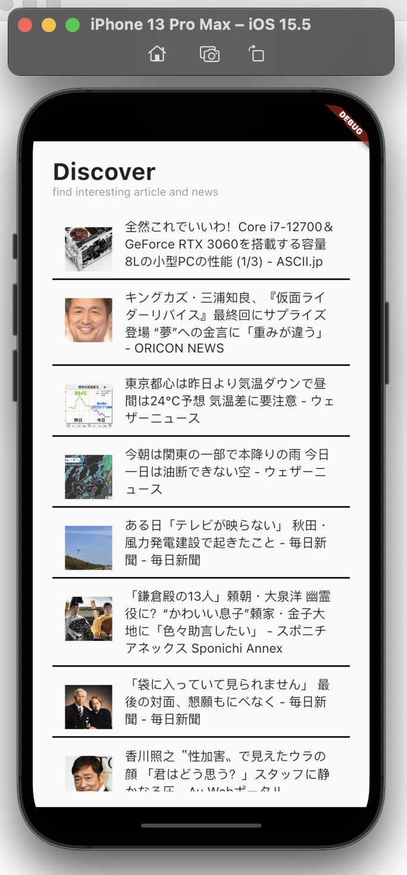

toyohide@toyohidenoMacBook-Pro test_dio % flutter pub add url_launcher
Resolving dependencies...
async 2.8.2 (2.9.0 available)
characters 1.2.0 (1.2.1 available)
clock 1.1.0 (1.1.1 available)
fake_async 1.3.0 (1.3.1 available)
+ flutter_web_plugins 0.0.0 from sdk flutter
+ js 0.6.4
matcher 0.12.11 (0.12.12 available)
material_color_utilities 0.1.4 (0.2.0 available)
meta 1.7.0 (1.8.0 available)
path 1.8.1 (1.8.2 available)
+ plugin_platform_interface 2.1.2
source_span 1.8.2 (1.9.1 available)
string_scanner 1.1.0 (1.1.1 available)
term_glyph 1.2.0 (1.2.1 available)
test_api 0.4.9 (0.4.13 available)
+ url_launcher 6.1.5
+ url_launcher_android 6.0.17
+ url_launcher_ios 6.0.17
+ url_launcher_linux 3.0.1
+ url_launcher_macos 3.0.1
+ url_launcher_platform_interface 2.1.0
+ url_launcher_web 2.0.13
+ url_launcher_windows 3.0.1
vector_math 2.1.2 (2.1.3 available)
Downloading url_launcher 6.1.5...
Downloading url_launcher_platform_interface 2.1.0...
Downloading url_launcher_windows 3.0.1...
Downloading url_launcher_ios 6.0.17...
Downloading url_launcher_android 6.0.17...
Downloading url_launcher_macos 3.0.1...
Downloading url_launcher_linux 3.0.1...
Downloading url_launcher_web 2.0.13...
Changed 11 dependencies!

toyohide@toyohidenoMacBook-Pro test_dio % flutter pub get
Running "flutter pub get" in test_dio... 1,605ms

pubspec.yaml

 | name: test_dio
 | description: A new Flutter project.

 | publish_to: 'none'

 | version: 1.0.0+1

 | environment:
 | sdk: ">=2.17.6 <3.0.0"

 | dependencies:
 | flutter:
 | sdk: flutter

 | cupertino_icons: ^1.0.2

 | dio: ^4.0.6
 | url_launcher: ^6.1.5

 | dev_dependencies:
 | flutter_test:
 | sdk: flutter

 | flutter_lints: ^2.0.0

 | flutter:

 | uses-material-design: true

lib/home_screen.dart

 | // ignore_for_file: unnecessary_null_comparison

 | import 'package:flutter/material.dart';
 | import 'package:url_launcher/url_launcher.dart';

 | import 'news_response.dart';
 | import 'news_service.dart';

 | class HomeScreen extends StatefulWidget {
 | const HomeScreen({Key? key}) : super(key: key);

 | @override
 | State<HomeScreen> createState() => _HomeScreenState();
 | }

 | class _HomeScreenState extends State<HomeScreen> {
 | @override
 | Widget build(BuildContext context) {
 | return SafeArea(
 | child: Scaffold(
 | body: Padding(
 | padding: const EdgeInsets.symmetric(
 | horizontal: 25,
 | vertical: 20,
 | ),
 | child: Column(
 | crossAxisAlignment: CrossAxisAlignment.start,
 | children: [
 | const Text(
 | 'Discover',
 | style: TextStyle(
 | fontSize: 30,
 | fontWeight: FontWeight.bold,
 | ),
 | ),
 | const Text(
 | 'find interesting article and news',
 | style: TextStyle(color: Colors.grey),
 | ),
 | const SizedBox(height: 20),
 | Expanded(
 | child: FutureBuilder<List<Article>>(
 | future: NewsService().getHeadlineNews(),
 | builder: (context, snapshot) {
 | if (!snapshot.hasData) {
 | return const Center(
 | child: LinearProgressIndicator(),
 | );
 | } else {
 | return ListView.separated(
 | itemBuilder: (context, index) {
 | return ListTile(
 | //

 | onTap: () async {
 | await canLaunchUrl(
 | Uri.parse(snapshot.data![index].url))
 | ? await launchUrl(
 | Uri.parse(snapshot.data![index].url))
 | : throw 'could not launch ${snapshot.data![index].url}';
 | },

 | //

 | leading: (snapshot.data![index].urlToImage == null)
 | ? const SizedBox(
 | width: 60,
 | child: Icon(Icons.broken_image),
 | )
 | : Container(
 | width: 60,
 | decoration: BoxDecoration(
 | image: DecorationImage(
 | image: NetworkImage(
 | snapshot.data![index].urlToImage),
 | fit: BoxFit.cover,
 | ),
 | ),
 | ),
 | title: Text(snapshot.data![index].title),
 | );
 | },
 | separatorBuilder: (context, index) {
 | return const Divider(
 | thickness: 2,
 | color: Colors.black,
 | );
 | },
 | itemCount: snapshot.data!.length,
 | );
 | }
 | },
 | ),
 | ),
 | ],
 | ),
 | ),
 | ),
 | );
 | }
 | }

