riverpodList01
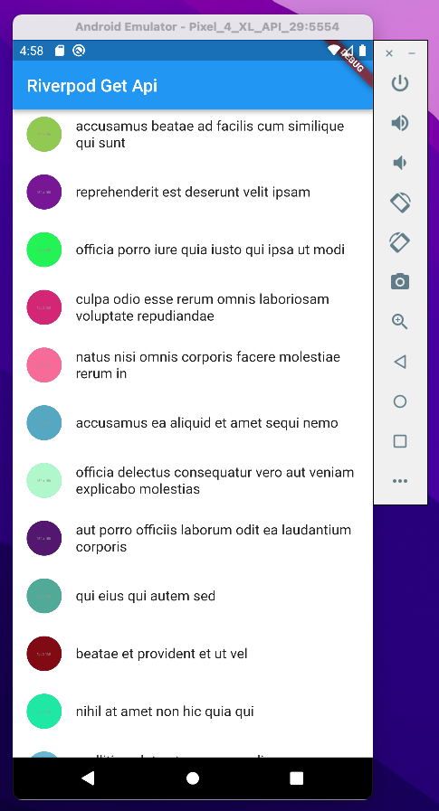
 | Flutter: Fetch API with Riverpod |  |  | 2022/01/26
 | https://www.youtube.com/watch?v=Q6tT3Ca2PY8

● | pubspec.yaml

 |  | name: test_riverpodlist
 |  | description: A new Flutter project.

 |  | publish_to: 'none'

 |  | version: 1.0.0+1

 |  | environment:
 |  | sdk: ">=2.15.1 <3.0.0"

 |  | dependencies:
 |  | flutter:
 |  | sdk: flutter

 |  | cupertino_icons: ^1.0.2

 |  | flutter_riverpod: ^1.0.3
 |  | http: ^0.13.4

 |  | dev_dependencies:
 |  | flutter_test:
 |  | sdk: flutter

 |  | flutter_lints: ^1.0.0

 |  | flutter:

 |  | uses-material-design: true

● | lib/model/photo.dart |  | quicktype自動作成

 |  | // To parse this JSON data, do
 |  | //
 |  | // final photo = photoFromJson(jsonString);

 |  | import 'dart:convert';

 |  | List<Photo> photoFromJson(String str) =>
 |  | List<Photo>.from(json.decode(str).map((x) => Photo.fromJson(x)));

 |  | String photoToJson(List<Photo> data) =>
 |  | json.encode(List<dynamic>.from(data.map((x) => x.toJson())));

 |  | class Photo {
 |  | Photo({
 |  | required this.albumId,
 |  | required this.id,
 |  | required this.title,
 |  | required this.url,
 |  | required this.thumbnailUrl,
 |  | });

 |  | int albumId;
 |  | int id;
 |  | String title;
 |  | String url;
 |  | String thumbnailUrl;

 |  | factory Photo.fromJson(Map<String, dynamic> json) => Photo(
 |  | albumId: json["albumId"],
 |  | id: json["id"],
 |  | title: json["title"],
 |  | url: json["url"],
 |  | thumbnailUrl: json["thumbnailUrl"],
 |  | );

 |  | Map<String, dynamic> toJson() => {
 |  | "albumId": albumId,
 |  | "id": id,
 |  | "title": title,
 |  | "url": url,
 |  | "thumbnailUrl": thumbnailUrl,
 |  | };
 |  | }

● | lib/network/network_request.dart

 |  | import 'dart:convert';

 |  | import 'package:http/http.dart' as http;

 |  | import '../model/photo.dart';

 |  | List<Photo> parsePhotos(String responseBody){
 |  | var list = json.decode(responseBody) as List<dynamic>;
 |  | List<Photo> photos = list.map((model) => Photo.fromJson(model)).toList();
 |  | return photos;
 |  | }

 |  | Future<List<Photo>> fetchPhotos() async{
 |  | final response = await http.get(Uri.parse('https://jsonplaceholder.typicode.com/photos'));
 |  | if(response.statusCode == 200) {
 |  | return parsePhotos(response.body);
 |  | }else{
 |  | throw Exception("can't get photos");
 |  | }
 |  | }

● | lib/state/state_manager.dart

 |  | import 'package:flutter_riverpod/flutter_riverpod.dart';

 |  | import '../model/photo.dart';

 |  | import '../network/network_request.dart';

 |  | final photoStateFuture = FutureProvider<List<Photo>>((ref) async {
 |  | return fetchPhotos();
 |  | });

● | lib/main.dart

 |  | import 'package:flutter/material.dart';
 |  | import 'package:flutter_riverpod/flutter_riverpod.dart';

 |  | import 'model/photo.dart';
 |  | import 'state/state_manager.dart';

 |  | void main() {
 |  | runApp(
 |  | const ProviderScope(
 |  | child: MyApp(),
 |  | ),
 |  | );
 |  | }

 |  | class MyApp extends StatelessWidget {
 |  | const MyApp({Key? key}) : super(key: key);

 |  | @override
 |  | Widget build(BuildContext context) {
 |  | return MaterialApp(
 |  | title: 'Flutter Demo',
 |  | theme: ThemeData(
 |  | primarySwatch: Colors.blue,
 |  | ),
 |  | home: const HomePage(),
 |  | );
 |  | }
 |  | }

 |  | ///
 |  | class HomePage extends ConsumerWidget {
 |  | const HomePage({Key? key}) : super(key: key);

 |  | @override
 |  | Widget build(BuildContext context, WidgetRef ref) {
 |  | AsyncValue<List<Photo>> photos = ref.watch(photoStateFuture);

 |  | return Scaffold(
 |  | backgroundColor: Colors.white,
 |  | appBar: AppBar(
 |  | title: const Text('Riverpod Get Api'),
 |  | ),
 |  | body: photos.when(
 |  | loading: () => const Center(child: CircularProgressIndicator()),
 |  | error: (err, stack) => Center(child: Text(err.toString())),
 |  | data: (photos) {
 |  | return ListView.separated(
 |  | itemBuilder: (context, index) {
 |  | return ListTile(
 |  | leading: CircleAvatar(
 |  | backgroundImage: NetworkImage(photos[index].thumbnailUrl),
 |  | ),
 |  | title: Text(photos[index].title),
 |  | );
 |  | },
 |  | separatorBuilder: (context, index) => const SizedBox(height: 10),
 |  | itemCount: photos.length,
 |  | );
 |  | },
 |  | ),
 |  | );
 |  | }
 |  | }

schoo基本形
pubspec.yaml

 | name: test_freezed
 | description: A new Flutter project.

 | publish_to: 'none'

 | version: 1.0.0+1

 | environment:
 | sdk: ">=2.15.1 <3.0.0"

 | dependencies:

 | # schoo
 | flutter:
 | sdk: flutter
 | flutter_localizations:
 | sdk: flutter
 | flutter_riverpod: ^1.0.0
 | freezed_annotation: ^1.0.0
 | grpc: ^3.0.2
 | http: ^0.13.4
 | json_annotation: ^4.3.0
 | scoped_model: ^2.0.0-nullsafety.0
 | # schoo_grpc_client:
 | # path: packages/schoo_grpc_client

 | # 多分不要
 | cached_network_image: ^3.0.0-nullsafety
 | cupertino_icons: ^1.0.2
 | hooks_riverpod:
 | state_notifier: ^0.7.0

 | dev_dependencies:

 | # schoo
 | flutter_test:
 | sdk: flutter
 | build_runner: ^2.1.5
 | effective_dart: ^1.3.2
 | freezed: ^1.0.0
 | json_serializable: ^6.0.1
 | mockito: ^5.0.16

 | # 多分不要
 | mock_web_server:
 | pedantic_mono: ^1.11.0+2

 | flutter_lints: ^1.0.0

 | flutter:

 | uses-material-design: true

lib/data/item.dart

 | import 'package:freezed_annotation/freezed_annotation.dart';

 | part 'item.freezed.dart';

 | @freezed
 | abstract class Item with _$Item {
 | const factory Item({
 | required final String date,
 | required final String step,
 | required final String distance,
 | required final String mercari,
 | required final String temple,
 | required final String place,
 | required final String train,
 | }) = _Item;
 | }

 | @freezed
 | abstract class Items with _$Items {
 | const factory Items({
 | required final List<Item> items,
 | @Default(false) bool isLoading,
 | final String? error,
 | }) = _Items;
 | }

flutter pub pub run build_runner build --delete-conflicting-outputs

toyodahideyuki@ToyodanoMacBook-Pro test_freezed % flutter pub pub run build_runner build --delete-conflicting-outputs
[INFO] Generating build script...
[INFO] Generating build script completed, took 503ms

[INFO] Initializing inputs
[INFO] Reading cached asset graph...
[INFO] Reading cached asset graph completed, took 69ms

[INFO] Checking for updates since last build...
[INFO] Checking for updates since last build completed, took 629ms

[INFO] Running build...
[INFO] 1.2s elapsed, 0/1 actions completed.
[WARNING] freezed:freezed on lib/data/item.dart:
The class Item was declared as abstract, but it is not need anymore.
Read here: https://github.com/rrousselGit/freezed/tree/master/packages/freezed#the-abstract-keyword

[WARNING] freezed:freezed on lib/data/item.dart:
The class Items was declared as abstract, but it is not need anymore.
Read here: https://github.com/rrousselGit/freezed/tree/master/packages/freezed#the-abstract-keyword

[INFO] 2.4s elapsed, 2/8 actions completed.
[INFO] 3.4s elapsed, 2/8 actions completed.
[INFO] 5.2s elapsed, 2/8 actions completed.
[INFO] 6.2s elapsed, 2/8 actions completed.
[INFO] 9.8s elapsed, 3/8 actions completed.
[INFO] Running build completed, took 10.3s

[INFO] Caching finalized dependency graph...
[INFO] Caching finalized dependency graph completed, took 39ms

[INFO] Succeeded after 10.3s with 1 outputs (16 actions)

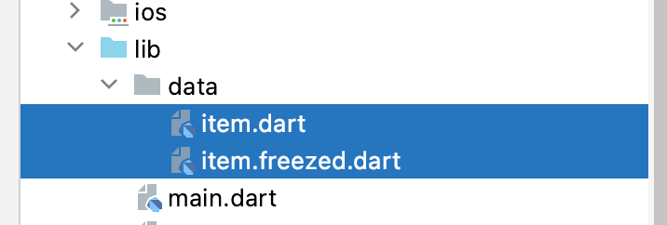

lib/main.dart

 | import 'package:flutter/material.dart';
 | import 'package:flutter_riverpod/flutter_riverpod.dart';

 | import 'scroll_list_view_screen.dart';

 | void main() {
 | runApp(
 | const ProviderScope(
 | child: MyApp(),
 | ),
 | );
 | }

 | class MyApp extends StatelessWidget {
 | const MyApp({Key? key}) : super(key: key);

 | @override
 | Widget build(BuildContext context) {
 | return MaterialApp(
 | title: 'Flutter Demo',
 | theme: ThemeData(primarySwatch: Colors.blue),
 | home: ScrollListViewScreen(),
 | );
 | }
 | }

lib/scroll_list_view_screen.dart

 | import 'package:flutter/material.dart';
 | import 'package:flutter_riverpod/flutter_riverpod.dart';

 | import 'data/item.dart';
 | import 'scroll_list_view_model.dart';

 | class ScrollListViewScreen extends ConsumerWidget {
 | @override
 | Widget build(BuildContext context, WidgetRef ref) => ref.watch(scrollListViewModelProvider).when(
 | data: (categoryList) => _ScrollList(categoryList),
 | error: (error, _) => Text(error.toString()),
 | loading: () => const Center(child: CircularProgressIndicator()),
 | );
 | }

 | class _ScrollList extends ConsumerWidget {
 | _ScrollList(
 | this._scrollListViewData, {
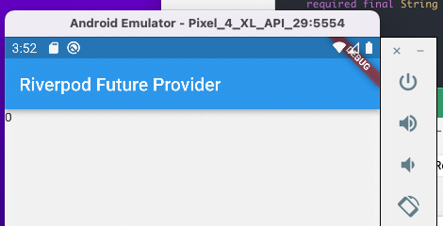
 | Key? key,
 | }) : super(key: key);

 | final List<Item>? _scrollListViewData;

 | @override
 | Widget build(BuildContext context, WidgetRef ref) {
 | return Scaffold(
 | appBar: AppBar(
 | title: Text('Riverpod Future Provider'),
 | ),
 | body: Text(_scrollListViewData!.length.toString()),
 | );
 | }
 | }

lib/scroll_list_view_model.dart

 | import 'package:flutter_riverpod/flutter_riverpod.dart';

 | import 'scroll_list_view_service.dart';

 | final scrollListViewModelProvider = FutureProvider.autoDispose((ref) async {
 | final scrollListViewService = ref.watch(scrollListViewServiceProvider);

 | try {
 | final scrollListViewData = await scrollListViewService.fetchList();
 | return scrollListViewData;
 | } on Exception catch (e) {
 | print(e);
 | }
 | });

lib/scroll_list_view_service.dart

 | import 'package:flutter_riverpod/flutter_riverpod.dart';

 | import 'data/item.dart';

 | final scrollListViewServiceProvider = Provider((ref) => ScrollListViewService());

 | class ScrollListViewService {
 | Future<List<Item>> fetchList() async {
 | return await [];
 | }
 | }

apiからのデータ取得

lib/data/item.dart

 | import 'package:freezed_annotation/freezed_annotation.dart';

 | part 'item.freezed.dart';

 | part 'item.g.dart';

 | @freezed
 | abstract class Item with _$Item {
 | const factory Item({
 | required final String date,
 | required final int step,
 | required final int distance,
 | required final String mercari,
 | required final String temple,
 | required final String place,
 | required final String train,
 | }) = _Item;

 | factory Item.fromJson(Map<String, dynamic> json) => _$ItemFromJson(json);
 | }

 | @freezed
 | abstract class Items with _$Items {
 | const factory Items({
 | required final List<Item> items,
 | @Default(false) bool isLoading,
 | final String? error,
 | }) = _Items;

 | factory Items.fromJson(Map<String, dynamic> json) => _$ItemsFromJson(json);
 | }

flutter pub pub run build_runner build --delete-conflicting-outputs

toyodahideyuki@ToyodanoMacBook-Pro test_freezed % flutter pub pub run build_runner build --delete-conflicting-outputs
[INFO] Generating build script...
[INFO] Generating build script completed, took 520ms

[INFO] Initializing inputs
[INFO] Reading cached asset graph...
[INFO] Reading cached asset graph completed, took 73ms

[INFO] Checking for updates since last build...
[INFO] Checking for updates since last build completed, took 695ms

[INFO] Running build...
[INFO] 1.2s elapsed, 2/3 actions completed.
[WARNING] freezed:freezed on lib/data/item.dart:
The class Item was declared as abstract, but it is not need anymore.
Read here: https://github.com/rrousselGit/freezed/tree/master/packages/freezed#the-abstract-keyword

[WARNING] freezed:freezed on lib/data/item.dart:
The class Items was declared as abstract, but it is not need anymore.
Read here: https://github.com/rrousselGit/freezed/tree/master/packages/freezed#the-abstract-keyword

[INFO] 2.4s elapsed, 4/10 actions completed.
[INFO] 3.6s elapsed, 4/10 actions completed.
[INFO] 5.5s elapsed, 4/10 actions completed.
[INFO] 8.6s elapsed, 4/10 actions completed.
[WARNING] json_serializable:json_serializable on lib/data/item.dart:
The version constraint "^4.3.0" on json_annotation allows versions before 4.4.0 which is not allowed.
[INFO] 10.2s elapsed, 6/10 actions completed.
[INFO] Running build completed, took 10.6s

[INFO] Caching finalized dependency graph...
[INFO] Caching finalized dependency graph completed, took 33ms

[INFO] Succeeded after 10.6s with 3 outputs (19 actions)

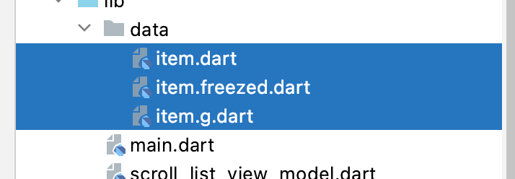

lib/scroll_list_view_service.dart

 | import 'dart:convert';

 | import 'package:flutter_riverpod/flutter_riverpod.dart';

 | import 'package:http/http.dart';

 | import 'data/item.dart';

 | final scrollListViewServiceProvider = Provider((ref) => ScrollListViewService());

 | class ScrollListViewService {
 | List<Item> parseData(String responseBody) {
 | var list = json.decode(responseBody) as List<dynamic>;
 | List<Item> items = list.map((model) => Item.fromJson(model)).toList();
 | return items;
 | }

 | Future<List<Item>> fetchList() async {
 | Map<String, String> headers = {'content-type': 'application/json'};
 | String url = "http://toyohide.work/BrainLog/api/getWalkRecord";
 | Response response = await post(Uri.parse(url), headers: headers);
 | if (response.statusCode == 200) {
 | return parseData(response.body);
 | } else {
 | throw Exception("can't get data");
 | }
 | }
 | }

lib/scroll_list_view_screen.dart

 | import 'package:flutter/material.dart';
 | import 'package:flutter_riverpod/flutter_riverpod.dart';

 | import 'data/item.dart';
 | import 'scroll_list_view_model.dart';

 | class ScrollListViewScreen extends ConsumerWidget {
 | @override
 | Widget build(BuildContext context, WidgetRef ref) => ref.watch(scrollListViewModelProvider).when(
 | data: (categoryList) => _ScrollList(categoryList),
 | error: (error, _) => Text(error.toString()),
 | loading: () => const Center(child: CircularProgressIndicator()),
 | );
 | }

 | class _ScrollList extends ConsumerWidget {
 | _ScrollList(
 | this._scrollListViewData, {
 | Key? key,
 | }) : super(key: key);

 | final List<Item>? _scrollListViewData;

 | @override
 | Widget build(BuildContext context, WidgetRef ref) {
 | return Scaffold(
 | appBar: AppBar(
 | title: Text('Riverpod Future Provider'),
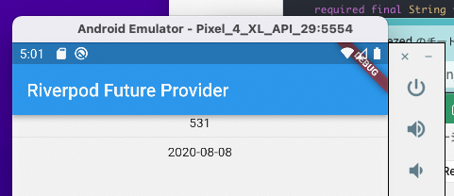
 | ),
 | body: Column(
 | children: [
 | Text(_scrollListViewData!.length.toString()),
 | Divider(),
 | Text(_scrollListViewData![0].date),
 | ],
 | ),
 | );
 | }
 | }

リスト表示

lib/scroll_list_view_service.dart

 | import 'dart:convert';

 | import 'package:flutter_riverpod/flutter_riverpod.dart';

 | import 'package:http/http.dart';

 | import 'data/item.dart';

 | final scrollListViewServiceProvider = Provider((ref) => ScrollListViewService());

 | class ScrollListViewService {
 | int recordPerPage = 20;
 | int pageNum = 0;

 | List<Item> parseData(String responseBody) {
 | var list = json.decode(responseBody) as List<dynamic>;
 | List<Item> items = list.map((model) => Item.fromJson(model)).toList();
 | return items;
 | }

 | Future<List<Item>> fetchList() async {
 | Map<String, String> headers = {'content-type': 'application/json'};
 | String url = "http://toyohide.work/BrainLog/api/getWalkRecord";
 | Response response = await post(Uri.parse(url), headers: headers);
 | if (response.statusCode == 200) {
 | var parsedData = parseData(response.body);
 | var data = <Item>[];
 | for (var i = (recordPerPage * pageNum); i < (recordPerPage * (pageNum + 1)); i++) {
 | data.add(parsedData[i]);
 | }
 | return data;
 | } else {
 | throw Exception("can't get data");
 | }
 | }
 | }

lib/scroll_list_view_screen.dart

 | import 'package:flutter/material.dart';
 | import 'package:flutter_riverpod/flutter_riverpod.dart';

 | import 'data/item.dart';
 | import 'scroll_list_view_model.dart';

 | class ScrollListViewScreen extends ConsumerWidget {
 | @override
 | Widget build(BuildContext context, WidgetRef ref) => ref.watch(scrollListViewModelProvider).when(
 | data: (categoryList) => _ScrollList(categoryList),
 | error: (error, _) => Text(error.toString()),
 | loading: () => const Center(child: CircularProgressIndicator()),
 | );
 | }

 | class _ScrollList extends ConsumerWidget {
 | _ScrollList(
 | this._scrollListViewData, {
 | Key? key,
 | }) : super(key: key);

 | final List<Item>? _scrollListViewData;
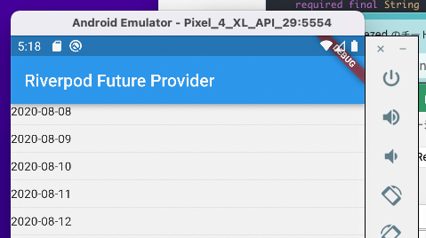
 | @override
 | Widget build(BuildContext context, WidgetRef ref) {
 | return Scaffold(
 | appBar: AppBar(
 | title: Text('Riverpod Future Provider'),
 | ),
 | body: ListView.separated(
 | itemBuilder: (context, index) => Text(_scrollListViewData![index].date),
 | separatorBuilder: (context, index) => Divider(),
 | itemCount: _scrollListViewData!.length,
 | ),
 | );
 | }
 | }

右シートに派生

追加呼び出し
途中まで

lib/scroll_list_view_service.dart

 | import 'dart:convert';

 | import 'package:flutter/foundation.dart';
 | import 'package:flutter_riverpod/flutter_riverpod.dart';

 | import 'package:http/http.dart';

 | import 'data/item.dart';

 | final scrollListViewServiceProvider = ChangeNotifierProvider((ref) => ScrollListViewService());

 | class ScrollListViewService extends ChangeNotifier {
 | int recordPerPage = 30;
 | int pageNum = 0;

 | List<Item> parseData(String responseBody) {
 | var list = json.decode(responseBody) as List<dynamic>;
 | List<Item> items = list.map((model) => Item.fromJson(model)).toList();
 | return items;
 | }

 | Future<List<Item>> fetchList() async {
 | Map<String, String> headers = {'content-type': 'application/json'};
 | String url = "http://toyohide.work/BrainLog/api/getWalkRecord";
 | Response response = await post(Uri.parse(url), headers: headers);
 | if (response.statusCode == 200) {
 | var parsedData = parseData(response.body);
 | var data = <Item>[];
 | for (var i = (recordPerPage * pageNum); i < (recordPerPage * (pageNum + 1)); i++) {
 | data.add(parsedData[i]);
 | }
 | return data;

 | notifyListeners();
 | } else {
 | throw Exception("can't get data");
 | }
 | }
 | }

今回の記録の主点
lib/scroll_list_view_screen.dart

 | import 'package:flutter/material.dart';
 | import 'package:flutter_riverpod/flutter_riverpod.dart';
 | import 'package:test_freezed/scroll_list_view_service.dart';

 | import 'data/item.dart';
 | import 'scroll_list_view_model.dart';

 | class ScrollListViewScreen extends ConsumerWidget {
 | @override
 | Widget build(BuildContext context, WidgetRef ref) => ref.watch(scrollListViewModelProvider).when(
 | data: (categoryList) => _ScrollList(categoryList),
 | error: (error, _) => Text(error.toString()),
 | loading: () => const Center(child: CircularProgressIndicator()),
 | );
 | }

 | class _ScrollList extends ConsumerWidget {
 | _ScrollList(
 | this._scrollListViewData, {
 | Key? key,
 | }) : super(key: key);

 | final List<Item>? _scrollListViewData;

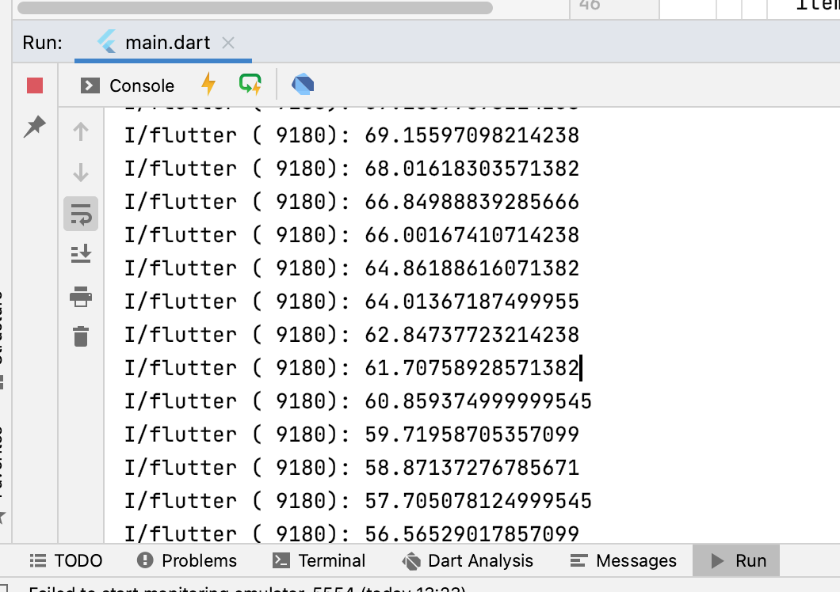
 | @override
 | Widget build(BuildContext context, WidgetRef ref) {
 | return Scaffold(
 | appBar: AppBar(
 | title: Text('Riverpod Future Provider'),
 | ),
 | body: NotificationListener<ScrollNotification>(
 | onNotification: (ScrollNotification scrollInfo) {
 | print(scrollInfo.metrics.pixels);

 | return false;
 | },
 | child: ListView.separated(
 | itemBuilder: (context, index) => Text(_scrollListViewData![index].date),
 | separatorBuilder: (context, index) => Divider(),
 | itemCount: _scrollListViewData!.length,
 | ),
 | ),
 | );
 | }
 | }

 | onNotification: (ScrollNotification scrollInfo) {
 | final scrollProportion = scrollInfo.metrics.pixels / scrollInfo.metrics.maxScrollExtent;

 | print(scrollProportion);

 | return false;
 | },

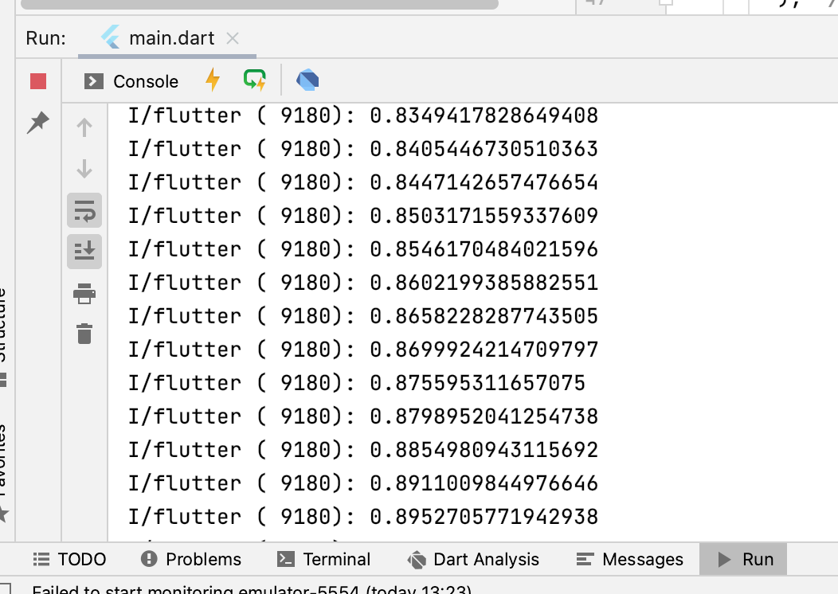

lib/scroll_list_view_service.dart

 | import 'dart:convert';

 | import 'package:flutter/foundation.dart';
 | import 'package:flutter_riverpod/flutter_riverpod.dart';

 | import 'package:http/http.dart';

 | import 'data/item.dart';

 | final scrollListViewServiceProvider = Provider((ref) => ScrollListViewService());

 | class ScrollListViewService {
 | //
 | //
 | // final scrollListViewServiceProvider = ChangeNotifierProvider((ref) => ScrollListViewService());
 | //
 | // class ScrollListViewService extends ChangeNotifier {
 | //
 | //

 | int recordPerPage = 30;
 | int pageNum = 1;
 | int maxPageCount = 0;

 | List<Item> parseData(String responseBody) {
 | var list = json.decode(responseBody) as List<dynamic>;
 | List<Item> items = list.map((model) => Item.fromJson(model)).toList();
 | maxPageCount = (items.length / recordPerPage).ceil();
 | return items;
 | }

 | Future<List<Item>> fetchList() async {
 | Map<String, String> headers = {'content-type': 'application/json'};
 | String url = "http://toyohide.work/BrainLog/api/getWalkRecord";
 | Response response = await post(Uri.parse(url), headers: headers);
 | if (response.statusCode == 200) {
 | var parsedData = parseData(response.body);
 | var data = <Item>[];
 | for (var i = 0; i < (recordPerPage * pageNum); i++) {
 | data.add(parsedData[i]);
 | }
 | return data;

 | // notifyListeners();
 | } else {
 | throw Exception("can't get data");
 | }
 | }
 | }

walk
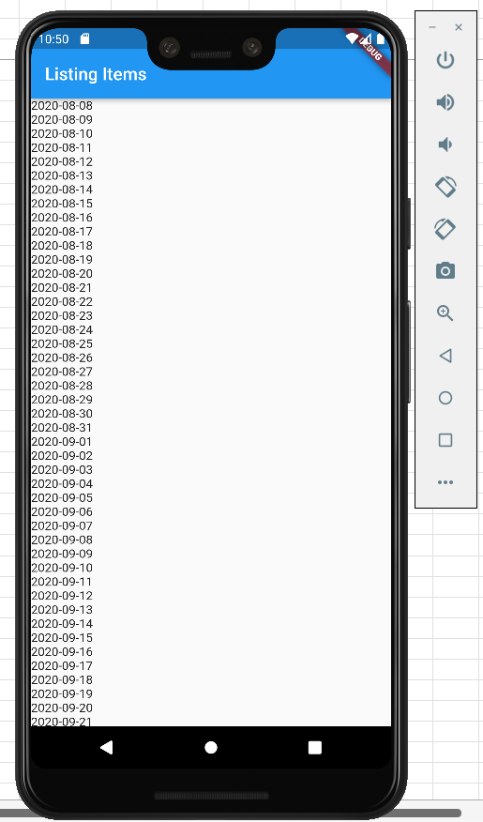
pubspec.yaml

 | name: test_riverpod_list
 | description: A new Flutter application.

 | publish_to: 'none'

 | version: 1.0.0+1

 | environment:
 | sdk: ">=2.15.1 <3.0.0"

 | dependencies:
 | flutter:
 | sdk: flutter

 | cupertino_icons: ^1.0.2

 | flutter_localizations:
 | sdk: flutter
 | flutter_riverpod: ^1.0.0
 | freezed_annotation: ^1.0.0
 | grpc: ^3.0.2
 | http: ^0.13.4
 | json_annotation: ^4.3.0
 | scoped_model: ^2.0.0-nullsafety.0

 | dev_dependencies:
 | flutter_test:
 | sdk: flutter

 | flutter_lints: ^1.0.0

 | build_runner: ^2.1.5
 | effective_dart: ^1.3.2
 | freezed: ^1.0.0
 | json_serializable: ^6.0.1
 | mockito: ^5.0.16

 | flutter:

 | uses-material-design: true

lib/data/item.dart

 | import 'package:freezed_annotation/freezed_annotation.dart';

 | part 'item.freezed.dart';

 | part 'item.g.dart';

 | @freezed
 | abstract class Item with _$Item {
 | const factory Item({
 | required final String date,
 | required final int step,
 | required final int distance,
 | required final String mercari,
 | required final String temple,
 | required final String place,
 | required final String train,
 | }) = _Item;

 | factory Item.fromJson(Map<String, dynamic> json) => _$ItemFromJson(json);
 | }

 | @freezed
 | abstract class Items with _$Items {
 | const factory Items({
 | required final List<Item> items,
 | @Default(false) bool isLoading,
 | final String? error,
 | }) = _Items;

 | factory Items.fromJson(Map<String, dynamic> json) => _$ItemsFromJson(json);
 | }

flutter pub pub run build_runner build --delete-conflicting-outputs

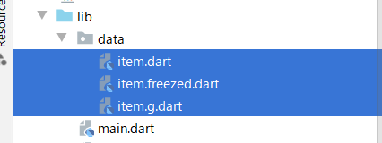

lib/main.dart

 | import 'package:flutter/material.dart';
 | import 'package:flutter_riverpod/flutter_riverpod.dart';

 | import 'scroll_list_view_screen.dart';

 | void main() {
 | runApp(
 | const ProviderScope(
 | child: MyApp(),
 | ),
 | );
 | }

 | class MyApp extends StatelessWidget {
 | const MyApp({Key? key}) : super(key: key);

 | @override
 | Widget build(BuildContext context) {
 | return MaterialApp(
 | title: 'Flutter Demo',
 | theme: ThemeData(primarySwatch: Colors.blue),
 | home: const ScrollListViewScreen(),
 | );
 | }
 | }

lib/scroll_list_view_model.dart

 | import 'package:flutter_riverpod/flutter_riverpod.dart';

 | import 'scroll_list_view_service.dart';

 | import 'data/item.dart';

 | final scrollListViewModelProvider = FutureProvider<List<Item>>((ref) async {
 | return ref.watch(scrollListViewServiceProvider).fetchList();
 | });

lib/scroll_list_view_service.dart

 | import 'dart:convert';

 | import 'package:flutter_riverpod/flutter_riverpod.dart';
 | import 'package:http/http.dart';

 | import 'data/item.dart';

 | final scrollListViewServiceProvider =
 | Provider((ref) => ScrollListViewService());

 | class ScrollListViewService {
 | List<Item> parseData(String responseBody) {
 | var list = json.decode(responseBody) as List<dynamic>;
 | List<Item> items = list.map((model) => Item.fromJson(model)).toList();
 | return items;
 | }

 | Future<List<Item>> fetchList() async {
 | Map<String, String> headers = {'content-type': 'application/json'};
 | String url = "http://toyohide.work/BrainLog/api/getWalkRecord";
 | Response response = await post(Uri.parse(url), headers: headers);
 | if (response.statusCode == 200) {
 | return parseData(response.body);
 | } else {
 | throw Exception("can't get data");
 | }
 | }
 | }

lib/scroll_list_view_screen.dart

 | import 'package:flutter/material.dart';
 | import 'package:flutter_riverpod/flutter_riverpod.dart';

 | import 'scroll_list_view_model.dart';

 | import 'data/item.dart';

 | class ScrollListViewScreen extends ConsumerWidget {
 | const ScrollListViewScreen({Key? key}) : super(key: key);

 | @override
 | Widget build(BuildContext context, WidgetRef ref) {
 | AsyncValue<List<Item>> items = ref.watch(scrollListViewModelProvider);
 | return Scaffold(
 | appBar: AppBar(
 | title: const Text('Listing Items'),
 | ),
 | body: items.when(
 | loading: () => const Center(child: CircularProgressIndicator()),
 | error: (error, stackTrace) => Center(child: Text(error.toString())),
 | data: (value) {
 | return RefreshIndicator(
 | onRefresh: () async {
 | ref.refresh(scrollListViewModelProvider);
 | },
 | child: ListView.builder(
 | itemCount: value.length,
 | itemBuilder: (context, index) {
 | return Text(value[index].date);
 | },
 | ),
 | );
 | },
 | ),
 | );
 | }
 | }

