レッスン
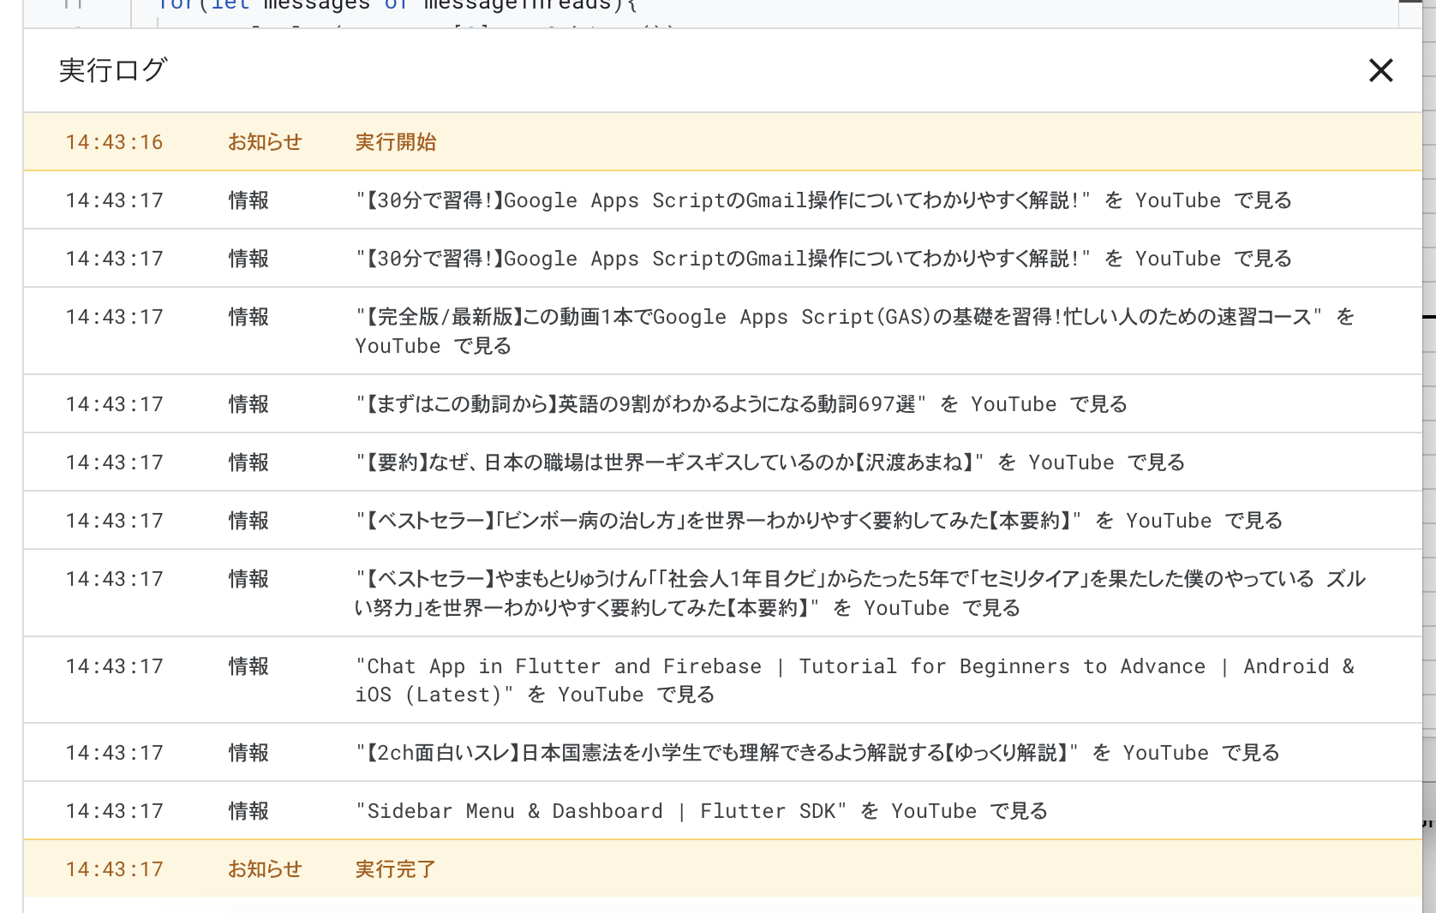
【30分で習得！】Google Apps ScriptのGmail操作についてわかりやすく解説！
https://www.youtube.com/watch?v=QI3o5yVW5ww

https://script.google.com/home

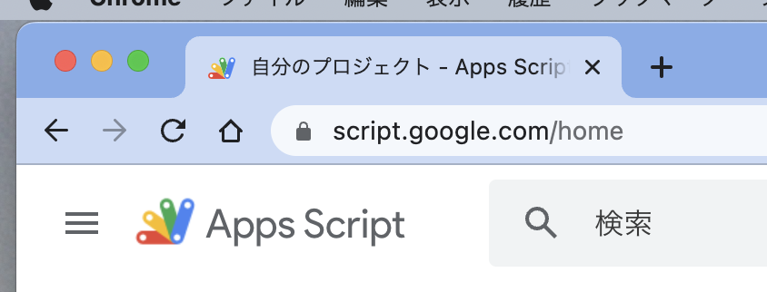

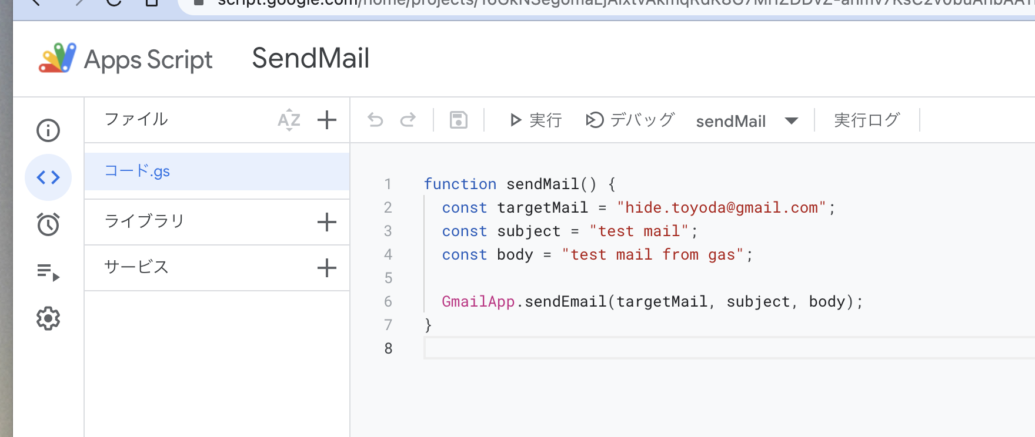

https://script.google.com/home/projects/16GkNSegomaLjAixtvAkmqRdK8G7MrIZDDvZ-anmv7KsC2v0buAnbAAYn/edit

 | function sendMail() {
 | const targetMail = "hide.toyoda@gmail.com";
 | const subject = "test mail";
 | const body = "test mail from gas";

 | GmailApp.sendEmail(targetMail, subject, body);
 | }

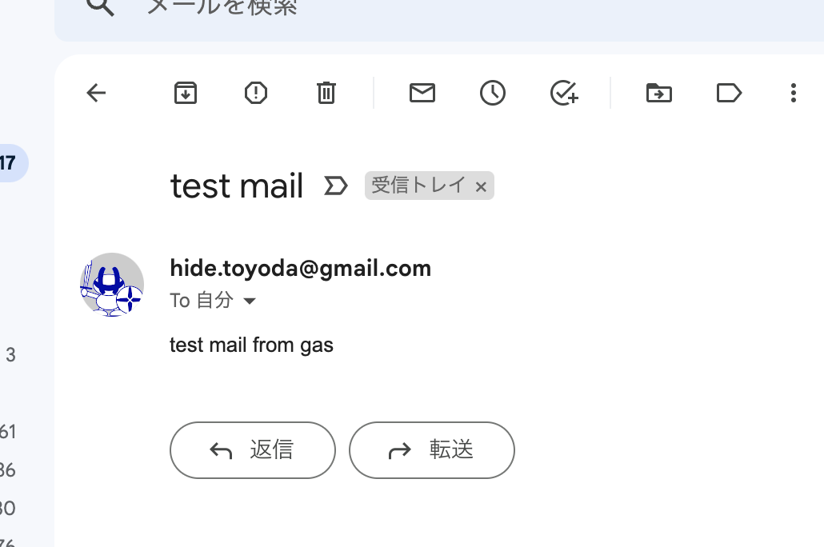

変数を入れる

https://script.google.com/home/projects/16GkNSegomaLjAixtvAkmqRdK8G7MrIZDDvZ-anmv7KsC2v0buAnbAAYn/edit

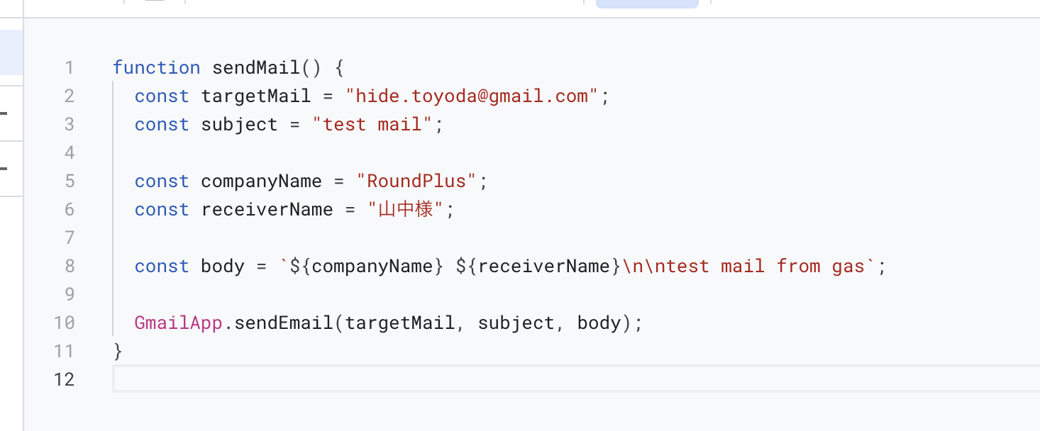

 | function sendMail() {
 | const targetMail = "hide.toyoda@gmail.com";
 | const subject = "test mail";

 | const companyName = "RoundPlus";
 | const receiverName = "山中様";

 | const body = `${companyName} ${receiverName}\n\ntest mail from gas`; | シングルクォートからバッククォートに変更する

 | GmailApp.sendEmail(targetMail, subject, body);
 | }

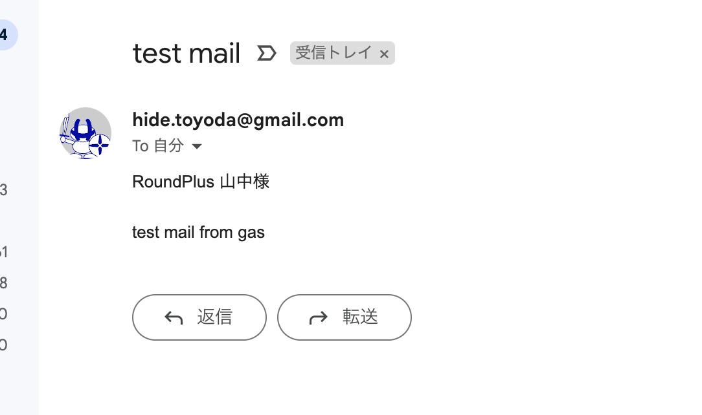

添付ファイルを送る

https://script.google.com/home/projects/16GkNSegomaLjAixtvAkmqRdK8G7MrIZDDvZ-anmv7KsC2v0buAnbAAYn/edit

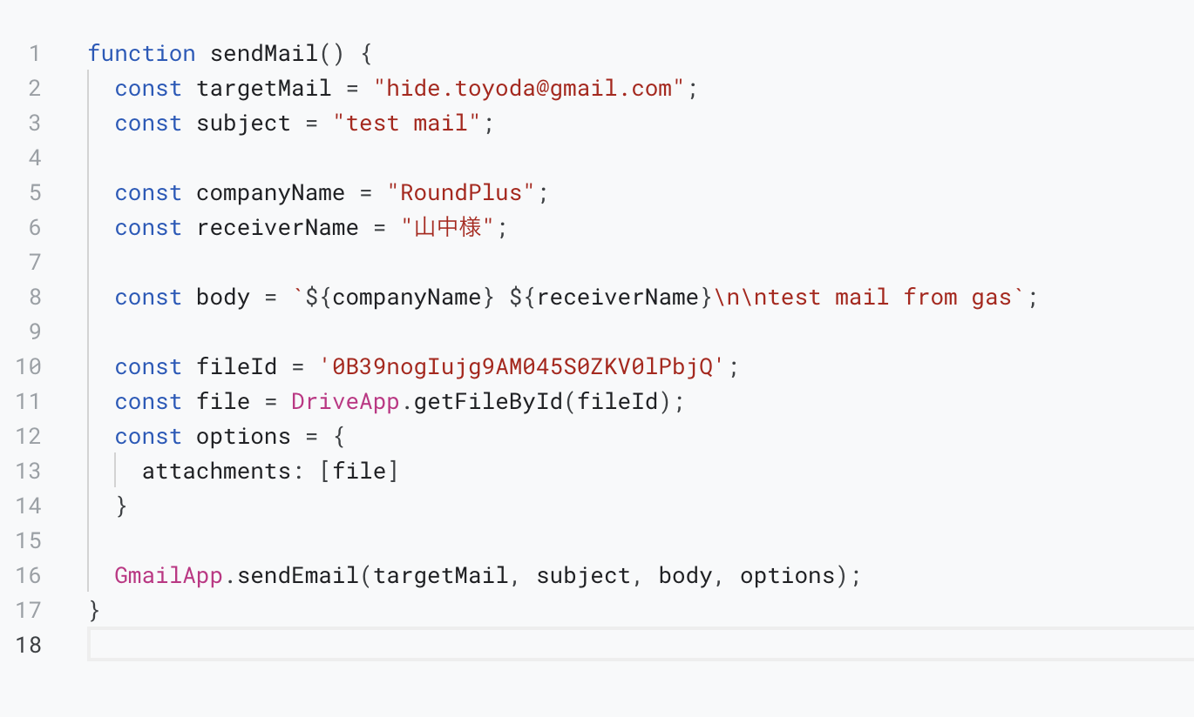

 | function sendMail() {
 | const targetMail = "hide.toyoda@gmail.com";
 | const subject = "test mail";

 | const companyName = "RoundPlus";
 | const receiverName = "山中様";

 | const body = `${companyName} ${receiverName}\n\ntest mail from gas`;

 | const fileId = '0B39nogIujg9AM045S0ZKV0lPbjQ';
 | const file = DriveApp.getFileById(fileId);
 | const options = {
 | attachments: [file]
 | }

 | GmailApp.sendEmail(targetMail, subject, body, options);
 | }

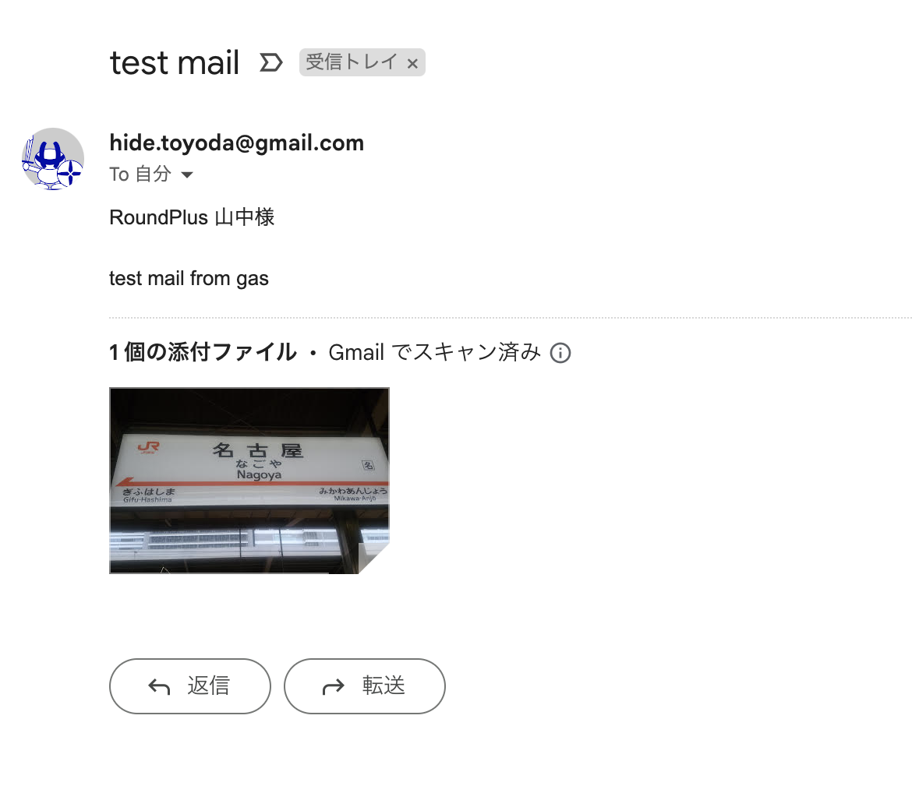

https://script.google.com/home/projects/1QsQecz367UgkDv9DkWolp7k8VUoqOodOzlXZ5Z7c23_OKqAPRKyY9ZVq/edit

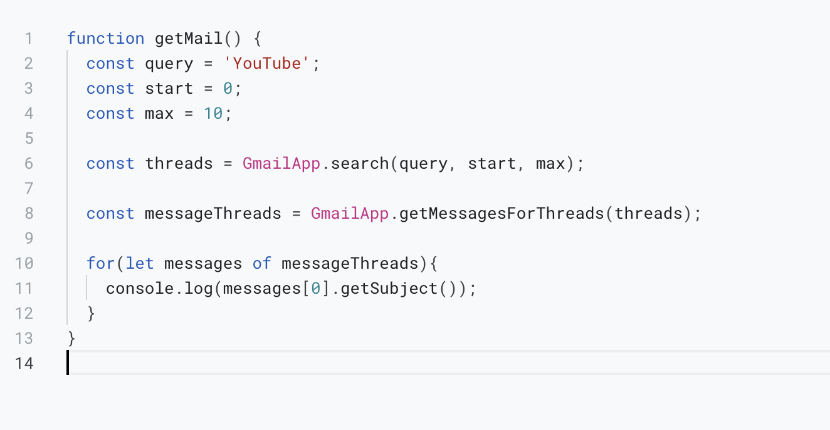

 | function getMail() {
 | const query = 'YouTube';
 | const start = 0;
 | const max = 10;

 | const threads = GmailApp.search(query, start, max);

 | const messageThreads = GmailApp.getMessagesForThreads(threads);

 | for(let messages of messageThreads){
 | console.log(messages[0].getSubject());
 | }
 | }

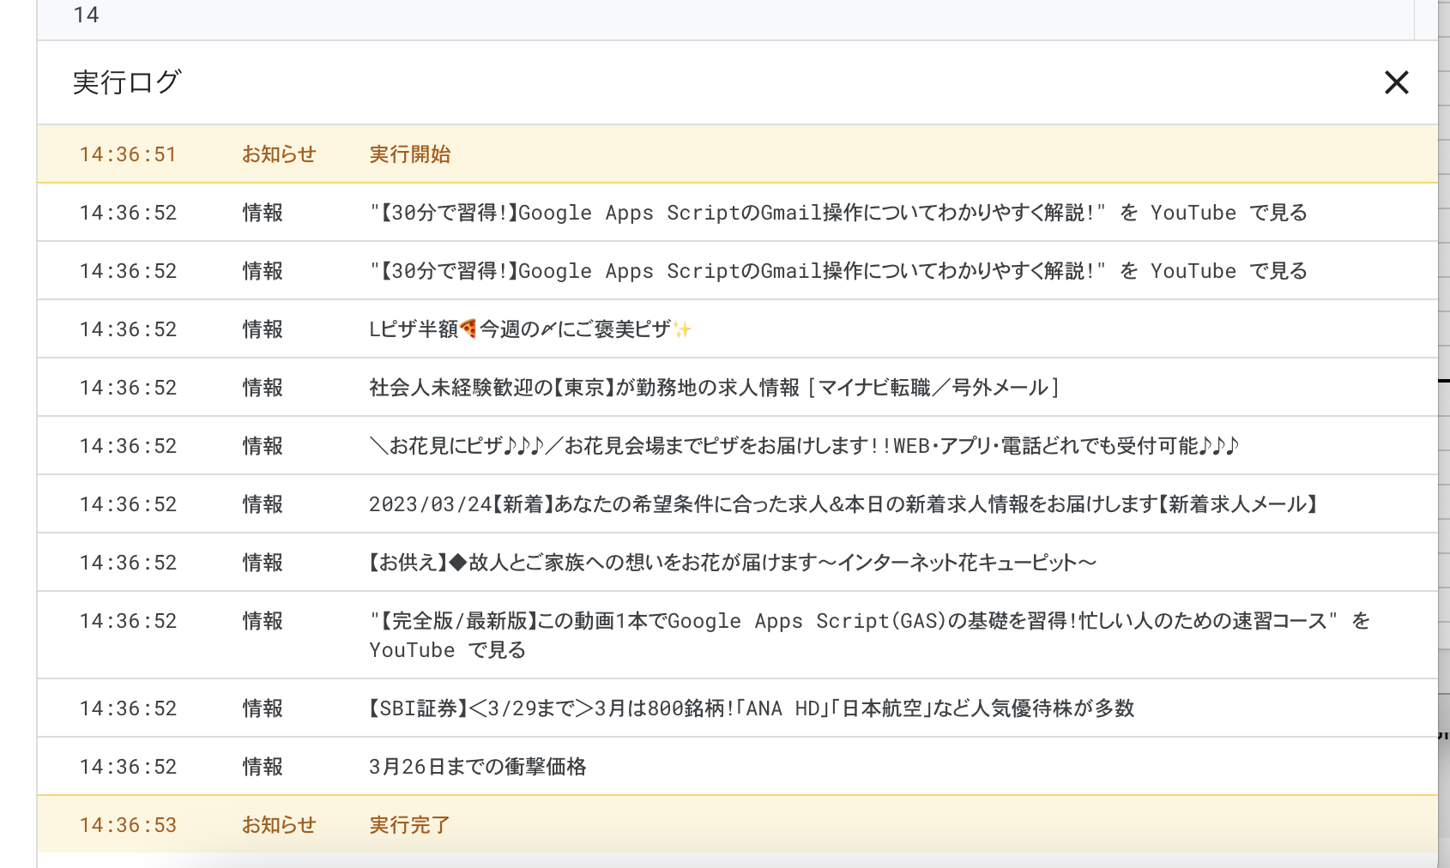

 | function getMail() {
 | const query = 'from:hide.toyoda@gmail.com to:hide.toyoda@gmail.com subject:youtube '

 | const start = 0;
 | const max = 10;

 | const threads = GmailApp.search(query, start, max);

 | const messageThreads = GmailApp.getMessagesForThreads(threads);

 | for(let messages of messageThreads){
 | console.log(messages[0].getSubject());
 | }
 | }

gmail_youtube
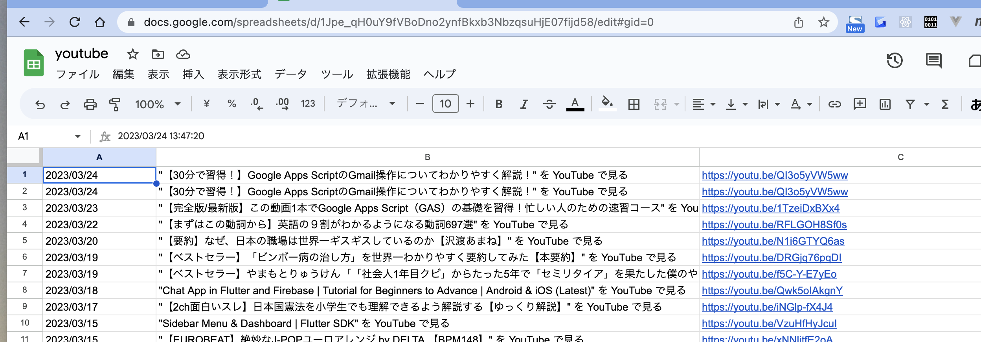
https://script.google.com/home/projects/1XVhtAwzQWB8HNzBXXokaPshfpWYc20iyrDB5UZMTdytEQudK2fMN7vAh/edit

 | function myFunction() {

 | var spreadsheet = SpreadsheetApp.openByUrl('https://docs.google.com/spreadsheets/d/1Jpe_qH0uY9fVBoDno2ynfBkxb3NbzqsuHjE07fijd58/edit#gid=0');

 | var sheet = spreadsheet.getSheetByName('シート1');

 | var lastRow = sheet.getLastRow() + 1;
 | for (var i=1; i<=lastRow; i++){
 | sheet.getRange(i, 1).setValue('');
 | sheet.getRange(i, 2).setValue('');
 | sheet.getRange(i, 3).setValue('');
 | }

 | var threads = GmailApp.search('from:hide.toyoda@gmail.com to:hide.toyoda@gmail.com subject:youtube ');

 | const start = 0;
 | const max = 100;

 | var threads = GmailApp.search('from:hide.toyoda@gmail.com to:hide.toyoda@gmail.com subject:youtube ', start, max);

 | var spreadsheet = SpreadsheetApp.openByUrl('https://docs.google.com/spreadsheets/d/1Jpe_qH0uY9fVBoDno2ynfBkxb3NbzqsuHjE07fijd58/edit#gid=0');
 | var sheet = spreadsheet.getSheetByName('シート1');

 | threads.forEach(function(thread) {

 | var messages = thread.getMessages();
 | messages.forEach(function(message) {

 | var date = message.getDate();
 | var subject = message.getSubject();

 | var plainBody = message.getPlainBody();
 | var url = plainBody.match(/http(.*)/);

 | var lastRow = sheet.getLastRow() + 1;

 | sheet.getRange(lastRow, 1).setValue(date);
 | sheet.getRange(lastRow, 2).setValue(subject);
 | sheet.getRange(lastRow, 3).setValue("http" + url[1]);
 | });
 | });
 | }

https://docs.google.com/spreadsheets/d/1Jpe_qH0uY9fVBoDno2ynfBkxb3NbzqsuHjE07fijd58/edit#gid=0

