①
udemy
https://www.udemy.com/course/go-grpc-x/learn/lecture/31009200#overview

toyohide@toyohidenoMacBook-Pro ~ % go version
go version go1.18.3 darwin/arm64

toyohide@toyohidenoMacBook-Pro ~ % go env GOPATH
/Users/toyohide/go

toyohide@toyohidenoMacBook-Pro ~ % brew --version
Homebrew 3.6.14
Homebrew/homebrew-core (git revision d00a6e284ff; last commit 2022-12-06)
Homebrew/homebrew-cask (git revision 4abdce1062; last commit 2022-12-06)

toyohide@toyohidenoMacBook-Pro ~ % protoc --version
libprotoc 3.21.9

toyohide@toyohidenoMacBook-Pro ~ % go install google.golang.org/protobuf/cmd/protoc-gen-go@v1.28
go: downloading google.golang.org/protobuf v1.28.1

toyohide@toyohidenoMacBook-Pro ~ % go install google.golang.org/grpc/cmd/protoc-gen-go-grpc@v1.2
go: downloading google.golang.org/grpc v1.2.1
go: downloading google.golang.org/grpc/cmd/protoc-gen-go-grpc v1.2.0
go: downloading google.golang.org/protobuf v1.27.1

echo export PATH="$PATH:$(go env GOPATH)/bin" >> ~/.zshrc

toyohide@toyohidenoMacBook-Pro ~ % protoc-gen-go --version
protoc-gen-go v1.28.1

toyohide@toyohidenoMacBook-Pro ~ % protoc-gen-go-grpc --version
protoc-gen-go-grpc 1.2.0



toyohide@toyohidenoMacBook-Pro golang % mkdir 001
toyohide@toyohidenoMacBook-Pro golang % cd 001
toyohide@toyohidenoMacBook-Pro 001 % mkdir protobuf-lesson
toyohide@toyohidenoMacBook-Pro 001 % cd protobuf-lesson
toyohide@toyohidenoMacBook-Pro protobuf-lesson % go mod init protobuf-lesson
go: creating new go.mod: module protobuf-lesson

toyohide@toyohidenoMacBook-Pro protobuf-lesson % code .

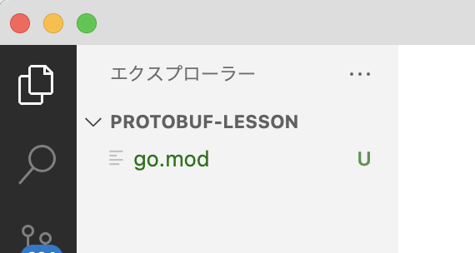

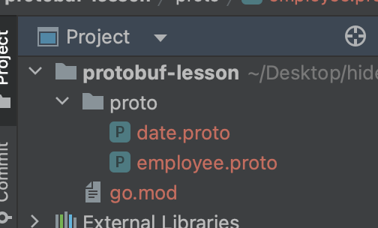

golang/001/protobuf-lesson/proto/employee.proto

 | syntax = "proto3";

 | package employee;

 | import "proto/date.proto";

 | message Employee {
 | int32 id = 1;
 | string name = 2;
 | string email = 3;
 | Occupation occupation = 4;
 | repeated string phone_number = 5;
 | map<string, Company.Project> project = 6;
 | oneof profile {
 | string text = 7;
 | Video video = 8;
 | }
 | date.Date birthday = 9;
 | }

 | enum Occupation {
 | OCCUPATION_UNKNOWN = 0;
 | ENGINEER = 1;
 | DESIGNER = 2;
 | MANAGER = 3;
 | }

 | message Company {
 | message Project {}
 | }

 | message Video {}

golang/001/protobuf-lesson/proto/date.proto

 | syntax = "proto3";

 | package date;

 | message Date {
 | int32 year = 1;
 | int32 month = 2;
 | int32 day = 3;
 | }

 | syntax = "proto3"; |  | syntax = "proto3";

 | package employee; |  | package date;

 | option go_package = "./pb"; |  | option go_package = "./pb";

 | import "proto/date.proto"; |  | message Date {
 |  |  | int32 year = 1;
 | message Employee { |  | int32 month = 2;
 | int32 id = 1; |  | int32 day = 3;
 | string name = 2; |  | }
 | string email = 3;
 | Occupation occupation = 4;
 | repeated string phone_number = 5;
 | map<string, Company.Project> project = 6;
 | oneof profile {
 | string text = 7;
 | Video video = 8;
 | }
 | date.Date birthday = 9;
 | }

 | enum Occupation {
 | OCCUPATION_UNKNOWN = 0;
 | ENGINEER = 1;
 | DESIGNER = 2;
 | MANAGER = 3;
 | }

 | message Company {
 | message Project {}
 | }

 | message Video {}

toyohide@toyohidenoMacBook-Pro protobuf-lesson % protoc -I. --go_out=. proto/*.proto

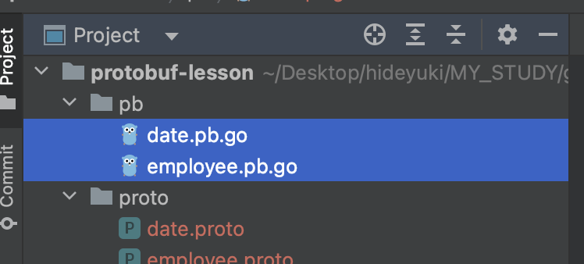

toyohide@toyohidenoMacBook-Pro protobuf-lesson % go mod tidy
go: finding module for package google.golang.org/protobuf/runtime/protoimpl
go: finding module for package google.golang.org/protobuf/reflect/protoreflect
go: found google.golang.org/protobuf/reflect/protoreflect in google.golang.org/protobuf v1.28.1
go: found google.golang.org/protobuf/runtime/protoimpl in google.golang.org/protobuf v1.28.1
go: downloading github.com/google/go-cmp v0.5.5
go: downloading golang.org/x/xerrors v0.0.0-20191204190536-9bdfabe68543

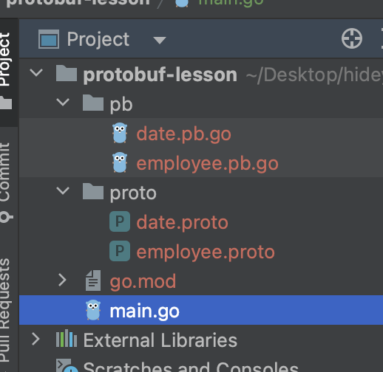

golang/001/protobuf-lesson/main.go

 | package main

 | import (
 | "google.golang.org/protobuf/proto"
 | "io/ioutil"
 | "log"
 | "protobuf-lesson/pb"
 | )

 | func main() {
 | employee := &pb.Employee{
 | Id: 1,
 | Name: "Toyoda",
 | Email: "hide.toyoda@gmail.com",
 | Occupation: pb.Occupation_ENGINEER,
 | PhoneNumber: []string{"080-1234-5678", "090-1234-5678"},
 | Project: map[string]*pb.Company_Project{"ProjectX": &pb.Company_Project{}},
 | Profile: &pb.Employee_Text{
 | Text: "My Name is Toyoda",
 | },
 | Birthday: &pb.Date{
 | Year: 1973,
 | Month: 8,
 | Day: 19,
 | },
 | }

 | binData, err := proto.Marshal(employee)

 | if err != nil {
 | log.Fatalln("Can't serialize", err)
 | }

 | if err := ioutil.WriteFile("test.bin", binData, 0666); err != nil {
 | log.Fatalln("Can't write", err)
 | }
 | }

toyohide@toyohidenoMacBook-Pro protobuf-lesson % go run main.go

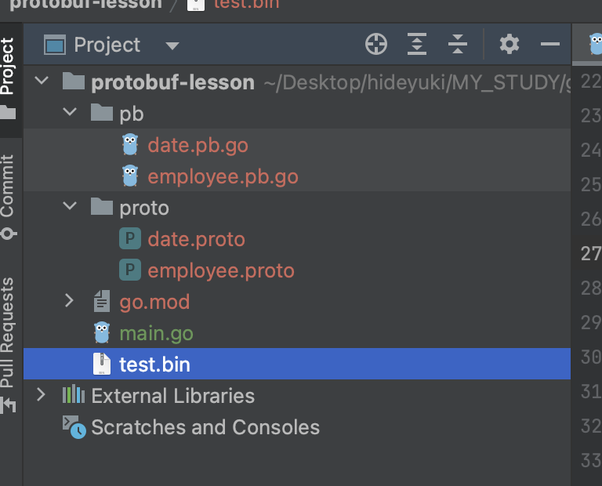
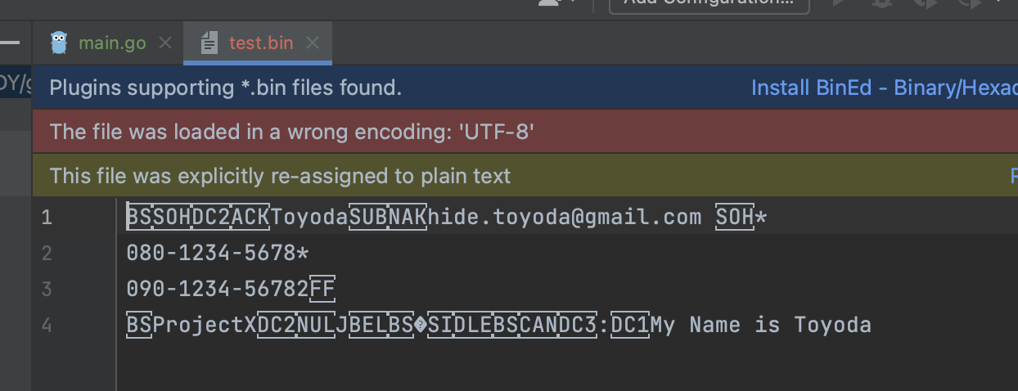

golang/001/protobuf-lesson/main.go

 | package main

 | import (
 | "fmt"
 | "google.golang.org/protobuf/proto"
 | "io/ioutil"
 | "log"
 | "protobuf-lesson/pb"
 | )

 | func main() {
 | employee := &pb.Employee{
 | Id: 1,
 | Name: "Toyoda",
 | Email: "hide.toyoda@gmail.com",
 | Occupation: pb.Occupation_ENGINEER,
 | PhoneNumber: []string{"080-1234-5678", "090-1234-5678"},
 | Project: map[string]*pb.Company_Project{"ProjectX": &pb.Company_Project{}},
 | Profile: &pb.Employee_Text{
 | Text: "My Name is Toyoda",
 | },
 | Birthday: &pb.Date{
 | Year: 1973,
 | Month: 8,
 | Day: 19,
 | },
 | }

 | binData, err := proto.Marshal(employee)

 | if err != nil {
 | log.Fatalln("Can't serialize", err)
 | }

 | if err := ioutil.WriteFile("test.bin", binData, 0666); err != nil {
 | log.Fatalln("Can't write", err)
 | }

 | ///////

 | in, err := ioutil.ReadFile("test.bin")
 | if err != nil {
 | log.Fatalln("Can't read file", err)
 | }

 | readEmployee := &pb.Employee{}

 | err = proto.Unmarshal(in, readEmployee)
 | if err != nil {
 | log.Fatalln("Can't deserialize", err)
 | }

 | fmt.Println(readEmployee)
 | }

toyohide@toyohidenoMacBook-Pro protobuf-lesson % go run main.go
id:1 name:"Toyoda" email:"hide.toyoda@gmail.com" occupation:ENGINEER phone_number:"080-1234-5678" phone_number:"090-1234-5678" project:{key:"ProjectX" value:{}} text:"My Name is Toyoda" birthday:{year:1973 month:8 day:19}

json出力

golang/001/protobuf-lesson/main.go

 | package main

 | import (
 | "fmt"
 | "github.com/golang/protobuf/jsonpb" | パッケージを追加するため
 | "google.golang.org/protobuf/proto" | go mod tidy
 | "io/ioutil" | が必要
 | "log"
 | "protobuf-lesson/pb"
 | )

 | func main() {
 | employee := &pb.Employee{
 | Id: 1,
 | Name: "Toyoda",
 | Email: "hide.toyoda@gmail.com",
 | Occupation: pb.Occupation_ENGINEER,
 | PhoneNumber: []string{"080-1234-5678", "090-1234-5678"},
 | Project: map[string]*pb.Company_Project{"ProjectX": &pb.Company_Project{}},
 | Profile: &pb.Employee_Text{
 | Text: "My Name is Toyoda",
 | },
 | Birthday: &pb.Date{
 | Year: 1973,
 | Month: 8,
 | Day: 19,
 | },
 | }

 | binData, err := proto.Marshal(employee)

 | if err != nil {
 | log.Fatalln("Can't serialize", err)
 | }

 | if err := ioutil.WriteFile("test.bin", binData, 0666); err != nil {
 | log.Fatalln("Can't write", err)
 | }

 | /////////
 | //
 | //in, err := ioutil.ReadFile("test.bin")
 | //if err != nil {
 | // log.Fatalln("Can't read file", err)
 | //}
 | //
 | //readEmployee := &pb.Employee{}
 | //
 | //err = proto.Unmarshal(in, readEmployee)
 | //if err != nil {
 | // log.Fatalln("Can't deserialize", err)
 | //}
 | //
 | //fmt.Println(readEmployee)

 | m := jsonpb.Marshaler{}
 | out, err := m.MarshalToString(employee)
 | if err != nil {
 | log.Fatalln("Can't marshal to json", err)
 | }
 | fmt.Println(out)
 | }

jsonから構造体に戻す

golang/001/protobuf-lesson/main.go

 | package main

 | import (
 | "fmt"
 | "github.com/golang/protobuf/jsonpb"
 | "google.golang.org/protobuf/proto"
 | "io/ioutil"
 | "log"
 | "protobuf-lesson/pb"
 | )

 | func main() {
 | employee := &pb.Employee{
 | Id: 1,
 | Name: "Toyoda",
 | Email: "hide.toyoda@gmail.com",
 | Occupation: pb.Occupation_ENGINEER,
 | PhoneNumber: []string{"080-1234-5678", "090-1234-5678"},
 | Project: map[string]*pb.Company_Project{"ProjectX": &pb.Company_Project{}},
 | Profile: &pb.Employee_Text{
 | Text: "My Name is Toyoda",
 | },
 | Birthday: &pb.Date{
 | Year: 1973,
 | Month: 8,
 | Day: 19,
 | },
 | }

 | binData, err := proto.Marshal(employee)

 | if err != nil {
 | log.Fatalln("Can't serialize", err)
 | }

 | if err := ioutil.WriteFile("test.bin", binData, 0666); err != nil {
 | log.Fatalln("Can't write", err)
 | }

 | /////////
 | //
 | //in, err := ioutil.ReadFile("test.bin")
 | //if err != nil {
 | // log.Fatalln("Can't read file", err)
 | //}
 | //
 | //readEmployee := &pb.Employee{}
 | //
 | //err = proto.Unmarshal(in, readEmployee)
 | //if err != nil {
 | // log.Fatalln("Can't deserialize", err)
 | //}
 | //
 | //fmt.Println(readEmployee)

 | m := jsonpb.Marshaler{}
 | out, err := m.MarshalToString(employee)
 | if err != nil {
 | log.Fatalln("Can't marshal to json", err)
 | }
 | // fmt.Println(out)

 | readEmployee := &pb.Employee{}
 | if err := jsonpb.UnmarshalString(out, readEmployee); err != nil {
 | log.Fatalln("Can't unmarshal from json", err)
 | }
 | fmt.Println(readEmployee)

 | }

②Unary
toyohide@toyohidenoMacBook-Pro golang % mkdir 002
toyohide@toyohidenoMacBook-Pro golang % cd 002
toyohide@toyohidenoMacBook-Pro 002 %

toyohide@toyohidenoMacBook-Pro 002 % mkdir grpc-lesson

toyohide@toyohidenoMacBook-Pro 002 % cd grpc-lesson

toyohide@toyohidenoMacBook-Pro grpc-lesson % go mod init grpc-lesson
go: creating new go.mod: module grpc-lesson

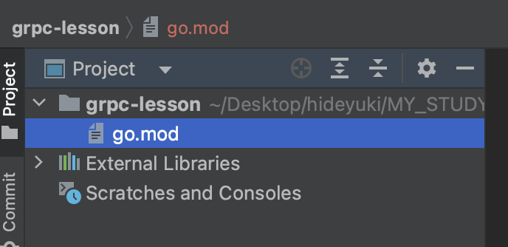

golang/002/grpc-lesson/proto/file.proto

 | syntax = "proto3";

 | package file;

 | option go_package = "./pb";

 | message ListFilesRequest {};

 | message ListFilesResponse {
 | repeated string filenames = 1;
 | };

 | service FileService {
 | rpc ListFiles (ListFilesRequest) returns (ListFilesResponse);
 | }

toyohide@toyohidenoMacBook-Pro grpc-lesson % protoc -I. --go_out=. --go-grpc_out=. proto/*.proto

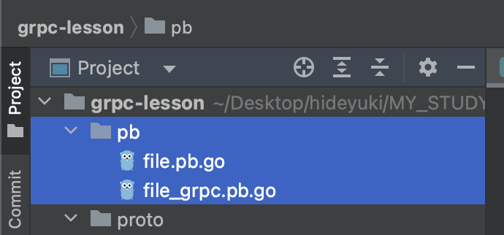

toyohide@toyohidenoMacBook-Pro grpc-lesson % go mod tidy
go: finding module for package google.golang.org/grpc/codes
go: finding module for package google.golang.org/protobuf/reflect/protoreflect
go: finding module for package google.golang.org/grpc
go: finding module for package google.golang.org/grpc/status
go: finding module for package google.golang.org/protobuf/runtime/protoimpl
go: downloading google.golang.org/grpc v1.51.0
go: found google.golang.org/grpc in google.golang.org/grpc v1.51.0
go: found google.golang.org/grpc/codes in google.golang.org/grpc v1.51.0
go: found google.golang.org/grpc/status in google.golang.org/grpc v1.51.0
go: found google.golang.org/protobuf/reflect/protoreflect in google.golang.org/protobuf v1.28.1
go: found google.golang.org/protobuf/runtime/protoimpl in google.golang.org/protobuf v1.28.1
go: downloading google.golang.org/genproto v0.0.0-20200526211855-cb27e3aa2013
go: downloading github.com/golang/protobuf v1.5.2
go: downloading github.com/google/go-cmp v0.5.6
go: downloading golang.org/x/net v0.0.0-20220722155237-a158d28d115b
go: downloading golang.org/x/sys v0.0.0-20220722155257-8c9f86f7a55f
go: downloading golang.org/x/xerrors v0.0.0-20200804184101-5ec99f83aff1
go: downloading golang.org/x/text v0.4.0

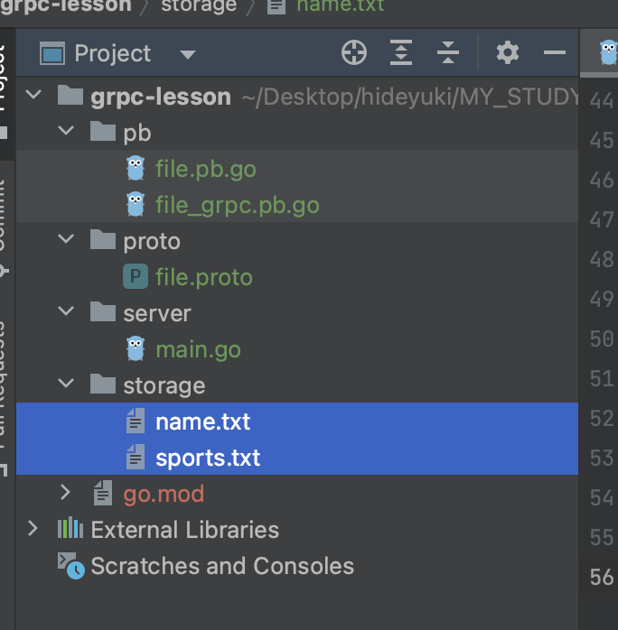
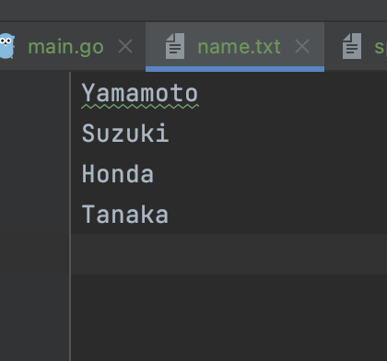

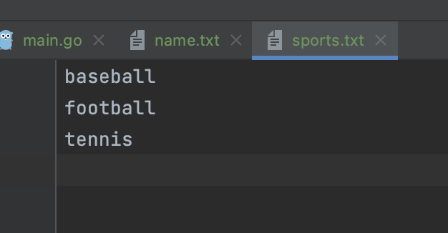

golang/002/grpc-lesson/server/main.go

 | package main

 | import (
 | "context"
 | "fmt"
 | "google.golang.org/grpc"
 | "grpc-lesson/pb"
 | "io/ioutil"
 | "log"
 | "net"
 | )

 | type server struct {
 | pb.UnimplementedFileServiceServer
 | }

 | func (*server) ListFiles(ctx context.Context, req *pb.ListFilesRequest) (*pb.ListFilesResponse, error) {
 | fmt.Println("ListFiles was invoked")

 | dir := "/Users/toyohide/Desktop/hideyuki/MY_STUDY/golang/002/grpc-lesson/storage"

 | paths, err := ioutil.ReadDir(dir)
 | if err != nil {
 | return nil, err
 | }

 | var filenames []string
 | for _, path := range paths {
 | if !path.IsDir() {
 | filenames = append(filenames, path.Name())
 | }
 | }

 | res := &pb.ListFilesResponse{
 | Filenames: filenames,
 | }

 | return res, nil
 | }

 | func main() {
 | lis, err := net.Listen("tcp", "localhost:50051")
 | if nil != nil {
 | log.Fatalf("Failed to listen: %v", err)
 | }

 | s := grpc.NewServer()

 | pb.RegisterFileServiceServer(s, &server{})

 | fmt.Println("server is running...")
 | if err := s.Serve(lis); err != nil {
 | log.Fatalf("Failed to serve: %v", err)
 | }
 | }

toyohide@toyohidenoMacBook-Pro grpc-lesson % go run server/main.go
server is running...

Unariのクライアントを作成する

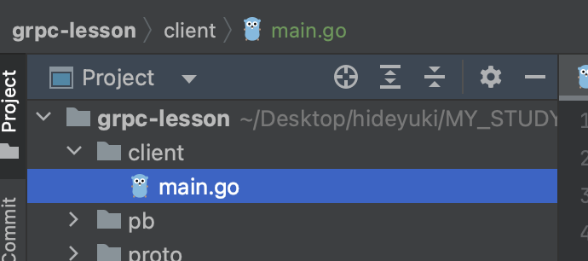

golang/002/grpc-lesson/client/main.go

 | package main

 | import (
 | "fmt"
 | "golang.org/x/net/context"
 | "google.golang.org/grpc"
 | "grpc-lesson/pb"
 | "log"
 | )

 | func main() {
 | conn, err := grpc.Dial("localhost:50051", grpc.WithInsecure())
 | if err != nil {
 | log.Fatalf("Failed to connect: %v", err)
 | }

 | defer conn.Close()

 | client := pb.NewFileServiceClient(conn)

 | callListFiles(client)
 | }

 | func callListFiles(client pb.FileServiceClient) {
 | res, err := client.ListFiles(context.Background(), &pb.ListFilesRequest{})
 | if err != nil {
 | log.Fatalln(err)
 | }

 | fmt.Println(res.GetFilenames())
 | }

③ServerStreaming
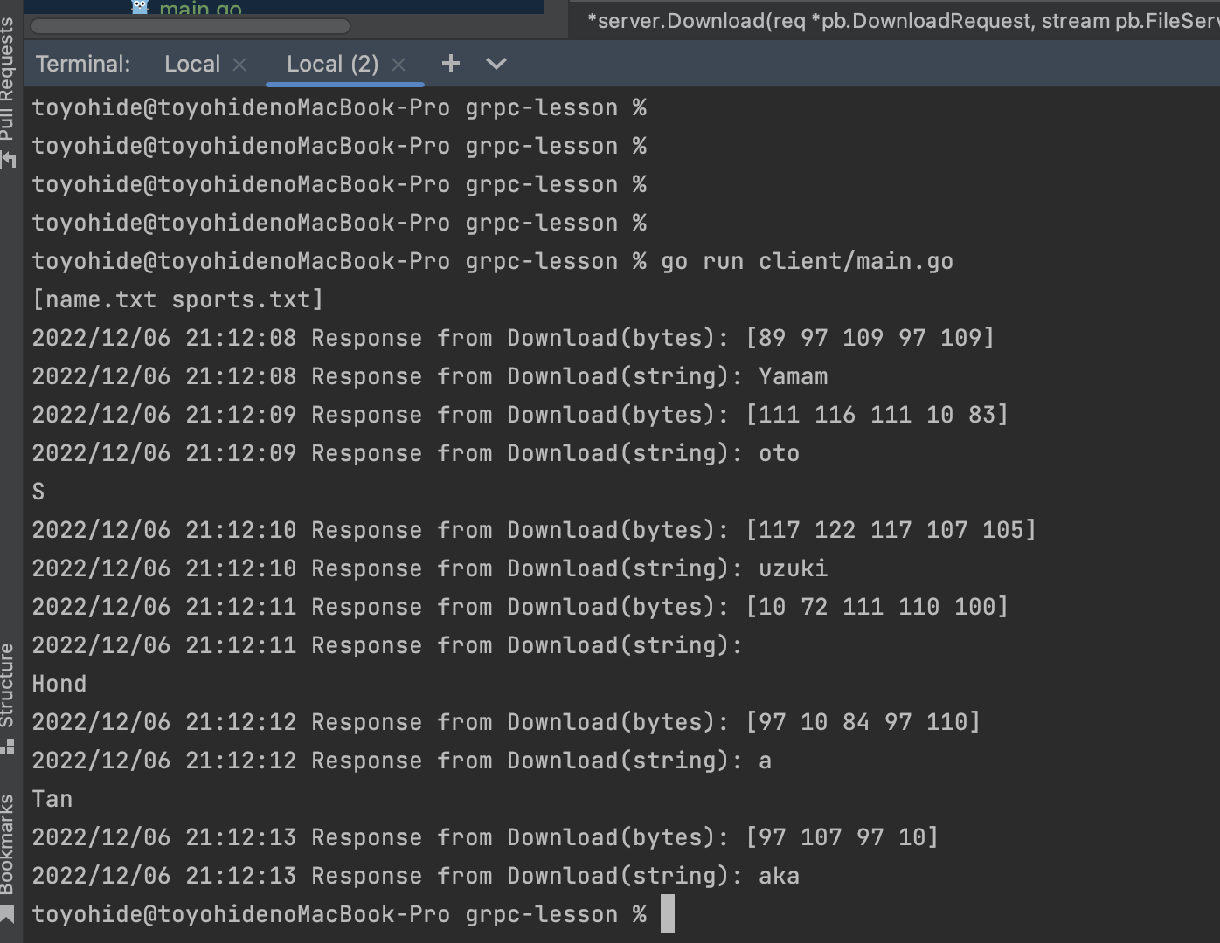
golang/002/grpc-lesson/proto/file.proto

 | syntax = "proto3";

 | package file;

 | option go_package = "./pb";

 | message ListFilesRequest {};

 | message ListFilesResponse {
 | repeated string filenames = 1;
 | };

 | //
 | message DownloadRequest {
 | string filename = 1;
 | }

 | message DownloadResponse {
 | bytes data = 1;
 | }
 | //

 | service FileService {
 | rpc ListFiles (ListFilesRequest) returns (ListFilesResponse);

 | //
 | rpc Download (DownloadRequest) returns (stream DownloadResponse);
 | //

 | }

toyohide@toyohidenoMacBook-Pro grpc-lesson % protoc -I. --go_out=. --go-grpc_out=. proto/*.proto

サーバーを実装

golang/002/grpc-lesson/server/main.go

 | package main

 | import (
 | "context"
 | "fmt"
 | "google.golang.org/grpc"
 | "grpc-lesson/pb"
 | "io"
 | "io/ioutil"
 | "log"
 | "net"
 | "os"
 | "time"
 | )

 | type server struct {
 | pb.UnimplementedFileServiceServer
 | }

 | func (*server) ListFiles(ctx context.Context, req *pb.ListFilesRequest) (*pb.ListFilesResponse, error) {
 | fmt.Println("ListFiles was invoked")

 | dir := "/Users/toyohide/Desktop/hideyuki/MY_STUDY/golang/002/grpc-lesson/storage"

 | paths, err := ioutil.ReadDir(dir)
 | if err != nil {
 | return nil, err
 | }

 | var filenames []string
 | for _, path := range paths {
 | if !path.IsDir() {
 | filenames = append(filenames, path.Name())
 | }
 | }

 | res := &pb.ListFilesResponse{
 | Filenames: filenames,
 | }

 | return res, nil
 | }

 | //
 | func (*server) Download(req *pb.DownloadRequest, stream pb.FileService_DownloadServer) error {
 | fmt.Println("Download was invoked")

 | filename := req.GetFilename()

 | path := "/Users/toyohide/Desktop/hideyuki/MY_STUDY/golang/002/grpc-lesson/storage" + filename

 | file, err := os.Open(path)

 | if err != nil {
 | return err
 | }

 | defer file.Close()

 | buf := make([]byte, 5)

 | for {
 | n, err := file.Read(buf)
 | if n == 0 || err == io.EOF {
 | break
 | }
 | if err != nil {
 | return err
 | }

 | res := &pb.DownloadResponse{Data: buf[:n]}
 | sendErr := stream.Send(res)
 | if sendErr != nil {
 | return sendErr
 | }

 | time.Sleep(1 * time.Second)
 | }

 | return nil
 | }

 | //

 | func main() {
 | lis, err := net.Listen("tcp", "localhost:50051")
 | if err != nil {
 | log.Fatalf("Failed to listen: %v", err)
 | }

 | s := grpc.NewServer()

 | pb.RegisterFileServiceServer(s, &server{})

 | fmt.Println("server is running...")
 | if err := s.Serve(lis); err != nil {
 | log.Fatalf("Failed to serve: %v", err)
 | }
 | }

クライアントの実装

golang/002/grpc-lesson/client/main.go

 | package main

 | import (
 | "fmt"
 | "golang.org/x/net/context"
 | "google.golang.org/grpc"
 | "grpc-lesson/pb"
 | "io"
 | "log"
 | )

 | func main() {
 | conn, err := grpc.Dial("localhost:50051", grpc.WithInsecure())
 | if err != nil {
 | log.Fatalf("Failed to connect: %v", err)
 | }

 | defer conn.Close()

 | client := pb.NewFileServiceClient(conn)

 | callListFiles(client)

 | //
 | callDownload(client)
 | //

 | }

 | func callListFiles(client pb.FileServiceClient) {
 | res, err := client.ListFiles(context.Background(), &pb.ListFilesRequest{})
 | if err != nil {
 | log.Fatalln(err)
 | }

 | fmt.Println(res.GetFilenames())
 | }

 | //
 | func callDownload(client pb.FileServiceClient) {
 | req := &pb.DownloadRequest{Filename: "name.txt"}
 | stream, err := client.Download(context.Background(), req)
 | if err != nil {
 | log.Fatalln(err)
 | }

 | for {
 | res, err := stream.Recv()
 | if err == io.EOF {
 | break
 | }
 | if err != nil {
 | log.Fatalln(err)
 | }

 | log.Printf("Response from Download(bytes): %v", res.GetData())
 | log.Printf("Response from Download(string): %v", string(res.GetData()))
 | }
 | }

 | //

④ClientStreaming
golang/002/grpc-lesson/proto/file.proto

 | syntax = "proto3";

 | package file;

 | option go_package = "./pb";

 | message ListFilesRequest {};

 | message ListFilesResponse {
 | repeated string filenames = 1;
 | };

 | message DownloadRequest {
 | string filename = 1;
 | }

 | message DownloadResponse {
 | bytes data = 1;
 | }

 | //
 | message UploadRequest{
 | bytes data = 1;
 | }

 | message UploadResponse {
 | int32 size = 1;
 | }
 | //

 | service FileService {
 | rpc ListFiles (ListFilesRequest) returns (ListFilesResponse);

 | rpc Download (DownloadRequest) returns (stream DownloadResponse);

 | //
 | rpc Upload(stream UploadRequest) returns(UploadResponse);
 | //
 | }

toyohide@toyohidenoMacBook-Pro grpc-lesson % protoc -I. --go_out=. --go-grpc_out=. proto/*.proto

サーバーを実装

golang/002/grpc-lesson/server/main.go

 | package main

 | import (
 | "bytes"
 | "context"
 | "fmt"
 | "google.golang.org/grpc"
 | "grpc-lesson/pb"
 | "io"
 | "io/ioutil"
 | "log"
 | "net"
 | "os"
 | "time"
 | )

 | type server struct {
 | pb.UnimplementedFileServiceServer
 | }

 | func (*server) ListFiles(ctx context.Context, req *pb.ListFilesRequest) (*pb.ListFilesResponse, error) {
 | fmt.Println("ListFiles was invoked")

 | dir := "/Users/toyohide/Desktop/hideyuki/MY_STUDY/golang/002/grpc-lesson/storage"

 | paths, err := ioutil.ReadDir(dir)
 | if err != nil {
 | return nil, err
 | }

 | var filenames []string
 | for _, path := range paths {
 | if !path.IsDir() {
 | filenames = append(filenames, path.Name())
 | }
 | }

 | res := &pb.ListFilesResponse{
 | Filenames: filenames,
 | }

 | return res, nil
 | }

 | func (*server) Download(req *pb.DownloadRequest, stream pb.FileService_DownloadServer) error {
 | fmt.Println("Download was invoked")

 | filename := req.GetFilename()

 | path := "/Users/toyohide/Desktop/hideyuki/MY_STUDY/golang/002/grpc-lesson/storage/" + filename

 | file, err := os.Open(path)

 | if err != nil {
 | return err
 | }

 | defer file.Close()

 | buf := make([]byte, 5)

 | for {
 | n, err := file.Read(buf)
 | if n == 0 || err == io.EOF {
 | break
 | }
 | if err != nil {
 | return err
 | }

 | res := &pb.DownloadResponse{Data: buf[:n]}
 | sendErr := stream.Send(res)
 | if sendErr != nil {
 | return sendErr
 | }

 | time.Sleep(1 * time.Second)
 | }

 | return nil
 | }

 | //
 | func (*server) Upload(stream pb.FileService_UploadServer) error {
 | fmt.Println("Upload was invoked")

 | var buf bytes.Buffer
 | for {
 | req, err := stream.Recv()
 | if err == io.EOF {
 | res := &pb.UploadResponse{Size: int32(buf.Len())}
 | return stream.SendAndClose(res)
 | }
 | if err != nil {
 | return err
 | }

 | data := req.GetData()
 | log.Printf("received data(bytes): %v", data)
 | log.Printf("received data(string) %v", string(data))

 | buf.Write(data)
 | }
 | }

 | //

 | func main() {
 | lis, err := net.Listen("tcp", "localhost:50051")
 | if err != nil {
 | log.Fatalf("Failed to listen: %v", err)
 | }

 | s := grpc.NewServer()

 | pb.RegisterFileServiceServer(s, &server{})

 | fmt.Println("server is running...")
 | if err := s.Serve(lis); err != nil {
 | log.Fatalf("Failed to serve: %v", err)
 | }
 | }

クライアントの実装

golang/002/grpc-lesson/client/main.go

 | package main

 | import (
 | "fmt"
 | "golang.org/x/net/context"
 | "google.golang.org/grpc"
 | "grpc-lesson/pb"
 | "io"
 | "log"
 | "os"
 | "time"
 | )

 | func main() {
 | conn, err := grpc.Dial("localhost:50051", grpc.WithInsecure())
 | if err != nil {
 | log.Fatalf("Failed to connect: %v", err)
 | }

 | defer conn.Close()

 | client := pb.NewFileServiceClient(conn)

 | callListFiles(client)

 | callDownload(client)

 | //
 | CallUpload(client)
 | //
 | }

 | func callListFiles(client pb.FileServiceClient) {
 | res, err := client.ListFiles(context.Background(), &pb.ListFilesRequest{})
 | if err != nil {
 | log.Fatalln(err)
 | }

 | fmt.Println(res.GetFilenames())
 | }

 | func callDownload(client pb.FileServiceClient) {
 | req := &pb.DownloadRequest{Filename: "name.txt"}
 | stream, err := client.Download(context.Background(), req)
 | if err != nil {
 | log.Fatalln(err)
 | }

 | for {
 | res, err := stream.Recv()
 | if err == io.EOF {
 | break
 | }
 | if err != nil {
 | log.Fatalln(err)
 | }

 | log.Printf("Response from Download(bytes): %v", res.GetData())
 | log.Printf("Response from Download(string): %v", string(res.GetData()))
 | }
 | }

 | //
 | func CallUpload(client pb.FileServiceClient) {
 | filename := "sports.txt"
 | path := "/Users/toyohide/Desktop/hideyuki/MY_STUDY/golang/002/grpc-lesson/storage/" + filename

 | file, err := os.Open(path)
 | if err != nil {
 | log.Fatalln(err)
 | }

 | defer file.Close()

 | stream, err := client.Upload(context.Background())
 | if err != nil {
 | log.Fatalln(err)
 | }

 | buf := make([]byte, 5)
 | for {
 | n, err := file.Read(buf)
 | if n == 0 || err == io.EOF {
 | break
 | }
 | if err != nil {
 | log.Fatalln(err)
 | }

 | req := &pb.UploadRequest{Data: buf[:n]}
 | sendErr := stream.Send(req)
 | if sendErr != nil {
 | log.Fatalln(sendErr)
 | }

 | time.Sleep(1 * time.Second)
 | }

 | res, err := stream.CloseAndRecv()
 | if err != nil {
 | log.Fatalln(err)
 | }

 | log.Printf("received data size: %v", res.GetSize())
 | }

 | //

toyohide@toyohidenoMacBook-Pro grpc-lesson % go run server/main.go
server is running...
ListFiles was invoked
Download was invoked
Upload was invoked
2022/12/11 16:07:02 received data(bytes): [98 97 115 101 98]
2022/12/11 16:07:02 received data(string) baseb
2022/12/11 16:07:03 received data(bytes): [97 108 108 10 102]
2022/12/11 16:07:03 received data(string) all
f
2022/12/11 16:07:04 received data(bytes): [111 111 116 98 97]
2022/12/11 16:07:04 received data(string) ootba
2022/12/11 16:07:05 received data(bytes): [108 108 10 116 101]
2022/12/11 16:07:05 received data(string) ll
te
2022/12/11 16:07:06 received data(bytes): [110 110 105 115 10]
2022/12/11 16:07:06 received data(string) nnis

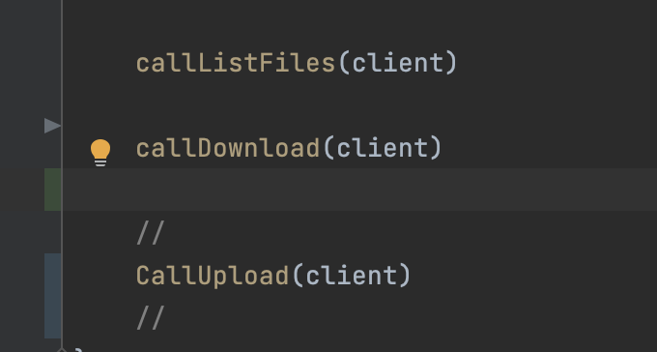
toyohide@toyohidenoMacBook-Pro grpc-lesson % go run client/main.go
[name.txt sports.txt]
2022/12/11 16:06:56 Response from Download(bytes): [89 97 109 97 109]
2022/12/11 16:06:56 Response from Download(string): Yamam
2022/12/11 16:06:57 Response from Download(bytes): [111 116 111 10 83]
2022/12/11 16:06:57 Response from Download(string): oto
S
2022/12/11 16:06:58 Response from Download(bytes): [117 122 117 107 105]
2022/12/11 16:06:58 Response from Download(string): uzuki
2022/12/11 16:06:59 Response from Download(bytes): [10 72 111 110 100]
2022/12/11 16:06:59 Response from Download(string):
Hond
2022/12/11 16:07:00 Response from Download(bytes): [97 10 84 97 110]
2022/12/11 16:07:00 Response from Download(string): a
Tan
2022/12/11 16:07:01 Response from Download(bytes): [97 107 97 10]
2022/12/11 16:07:01 Response from Download(string): aka
2022/12/11 16:07:07 received data size: 25

