gin-1
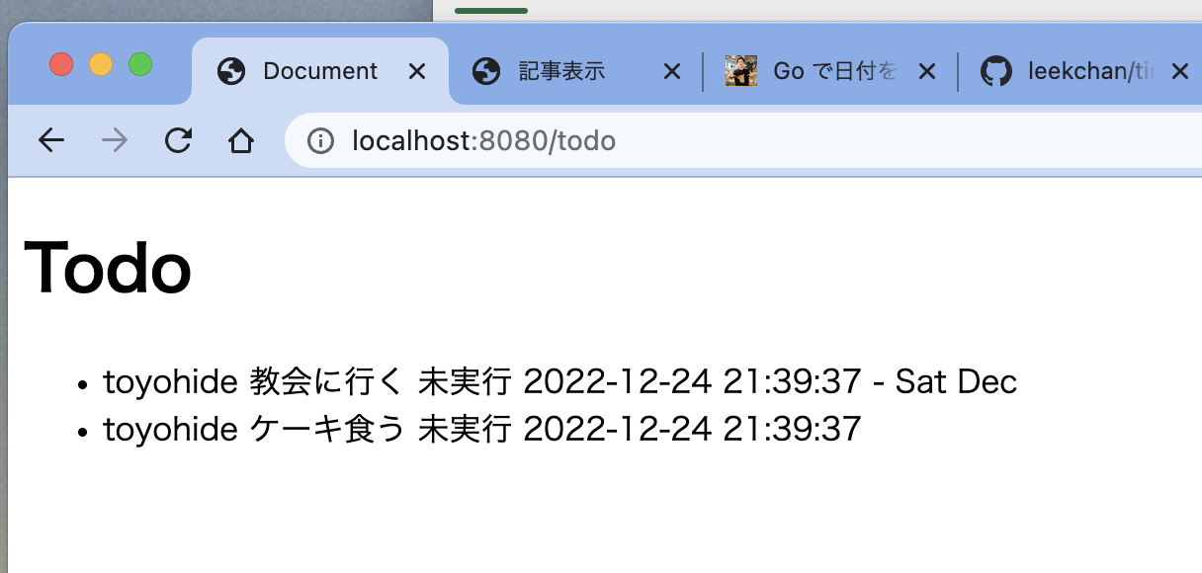
はじめてのGolang Part2 Webフレームワーク Gin 前編 |  |  |  |  | https://github.com/x1inken/golang_todo
https://www.youtube.com/watch?v=CXIC3-mUzzc

toyohide@toyohidenoMacBook-Pro hideyuki % mkdir golang_gin2
toyohide@toyohidenoMacBook-Pro hideyuki % cd golang_gin2

toyohide@toyohidenoMacBook-Pro golang_gin2 % mkdir hello
toyohide@toyohidenoMacBook-Pro golang_gin2 % cd hello

toyohide@toyohidenoMacBook-Pro hello % code .

hello.go

 | package main

 | import "fmt"

 | func main() {
 | fmt.Println("Hello Go")
 | }

toyohide@toyohidenoMacBook-Pro hello % go run hello.go
Hello Go

toyohide@toyohidenoMacBook-Pro hello % go mod init hello_gin
go: creating new go.mod: module hello_gin
go: to add module requirements and sums:
go mod tidy

toyohide@toyohidenoMacBook-Pro hello % go get -u github.com/gin-gonic/gin
go: downloading github.com/ugorji/go v1.2.7
go: downloading github.com/modern-go/concurrent v0.0.0-20180306012644-bacd9c7ef1dd
go: downloading github.com/goccy/go-json v0.10.0
go: downloading github.com/pelletier/go-toml v1.9.5
go: downloading github.com/go-playground/validator v9.31.0+incompatible
go: downloading golang.org/x/crypto v0.4.0
go: added github.com/gin-contrib/sse v0.1.0
go: added github.com/gin-gonic/gin v1.8.2
go: added github.com/go-playground/locales v0.14.0
go: added github.com/go-playground/universal-translator v0.18.0
go: added github.com/go-playground/validator/v10 v10.11.1
go: added github.com/goccy/go-json v0.10.0
go: added github.com/json-iterator/go v1.1.12
go: added github.com/leodido/go-urn v1.2.1
go: added github.com/mattn/go-isatty v0.0.16
go: added github.com/modern-go/concurrent v0.0.0-20180306012644-bacd9c7ef1dd
go: added github.com/modern-go/reflect2 v1.0.2
go: added github.com/pelletier/go-toml/v2 v2.0.6
go: added github.com/ugorji/go/codec v1.2.7
go: added golang.org/x/crypto v0.4.0
go: added golang.org/x/net v0.4.0
go: added golang.org/x/sys v0.3.0
go: added golang.org/x/text v0.5.0
go: added google.golang.org/protobuf v1.28.1
go: added gopkg.in/yaml.v2 v2.4.0

hello.go

 | package main

 | import (
 | "net/http"

 | "github.com/gin-gonic/gin"
 | )

 | func main() {
 | r := gin.Default()
 | r.GET("/ping", func(ctx *gin.Context) {
 | ctx.JSON(http.StatusOK, gin.H{
 | "message": "pong",
 | })
 | })
 | r.Run()
 | }

toyohide@toyohidenoMacBook-Pro hello % go run hello.go
[GIN-debug] [WARNING] Creating an Engine instance with the Logger and Recovery middleware already attached.

[GIN-debug] [WARNING] Running in "debug" mode. Switch to "release" mode in production.
- using env: export GIN_MODE=release
- using code: gin.SetMode(gin.ReleaseMode)

[GIN-debug] GET /ping --> main.main.func1 (3 handlers)
[GIN-debug] [WARNING] You trusted all proxies, this is NOT safe. We recommend you to set a value.
Please check https://pkg.go.dev/github.com/gin-gonic/gin#readme-don-t-trust-all-proxies for details.
[GIN-debug] Environment variable PORT is undefined. Using port :8080 by default
[GIN-debug] Listening and serving HTTP on :8080
[GIN] 2022/12/24 - 16:54:36 | 200 | 252.166µs | ::1 | GET "/ping"

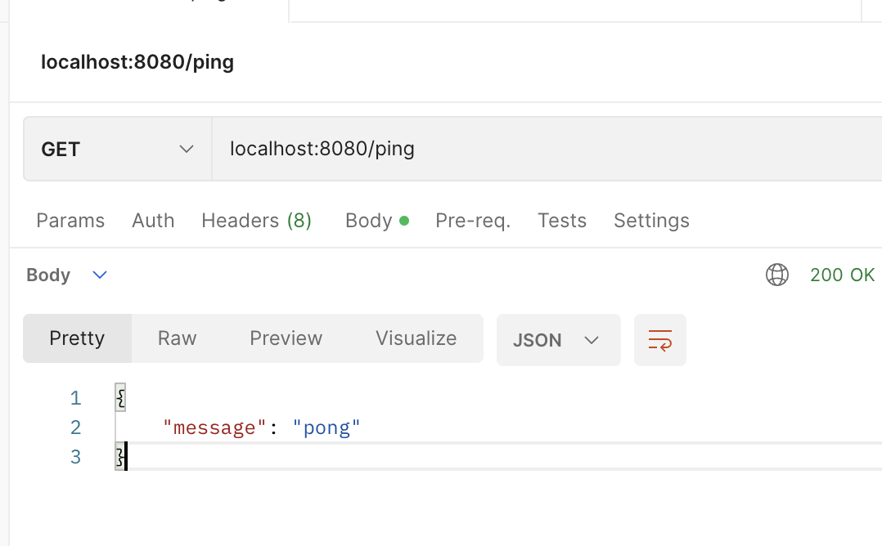

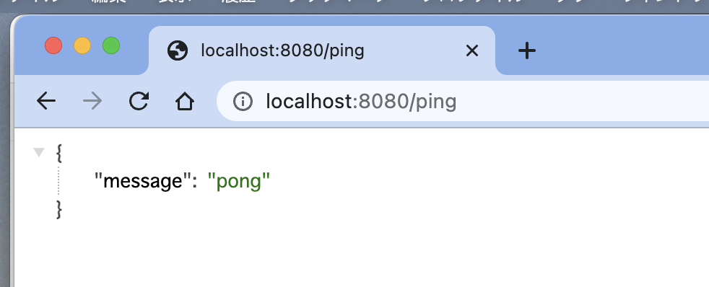

https://github.com/gin-gonic/examples

tmpl/index.html

 | <!DOCTYPE html>
 | <html lang="en">
 | <head>
 | <meta charset="UTF-8">
 | <meta http-equiv="X-UA-Compatible" content="IE=edge">
 | <meta name="viewport" content="width=device-width, initial-scale=1.0">
 | <title>Document</title>
 | </head>
 | <body>
 | <h1>Todo</h1>
 | <ul>
 | <li>散歩</li>
 | </ul>
 | </body>
 | </html>

hello.go

 | package main

 | import (
 | "net/http"

 | "github.com/gin-gonic/gin"
 | )

 | func main() {

 | r := gin.Default()
 | r.LoadHTMLFiles("./tmpl/index.html")

 | r.GET("/ping", func(ctx *gin.Context) {
 | ctx.JSON(http.StatusOK, gin.H{
 | "message": "pong",
 | })
 | })

 | r.GET("/todo", func(ctx *gin.Context) {
 | ctx.HTML(http.StatusOK, "index.html", gin.H{})
 | })

 | r.Run()

 | }

toyohide@toyohidenoMacBook-Pro hello % go run hello.go
[GIN-debug] [WARNING] Creating an Engine instance with the Logger and Recovery middleware already attached.

[GIN-debug] [WARNING] Running in "debug" mode. Switch to "release" mode in production.
- using env: export GIN_MODE=release
- using code: gin.SetMode(gin.ReleaseMode)

[GIN-debug] GET /ping --> main.main.func1 (3 handlers)
[GIN-debug] GET /todo --> main.main.func2 (3 handlers)
[GIN-debug] [WARNING] You trusted all proxies, this is NOT safe. We recommend you to set a value.
Please check https://pkg.go.dev/github.com/gin-gonic/gin#readme-don-t-trust-all-proxies for details.
[GIN-debug] Environment variable PORT is undefined. Using port :8080 by default
[GIN-debug] Listening and serving HTTP on :8080
[GIN] 2022/12/24 - 17:14:06 | 200 | 311.375µs | ::1 | GET "/todo"

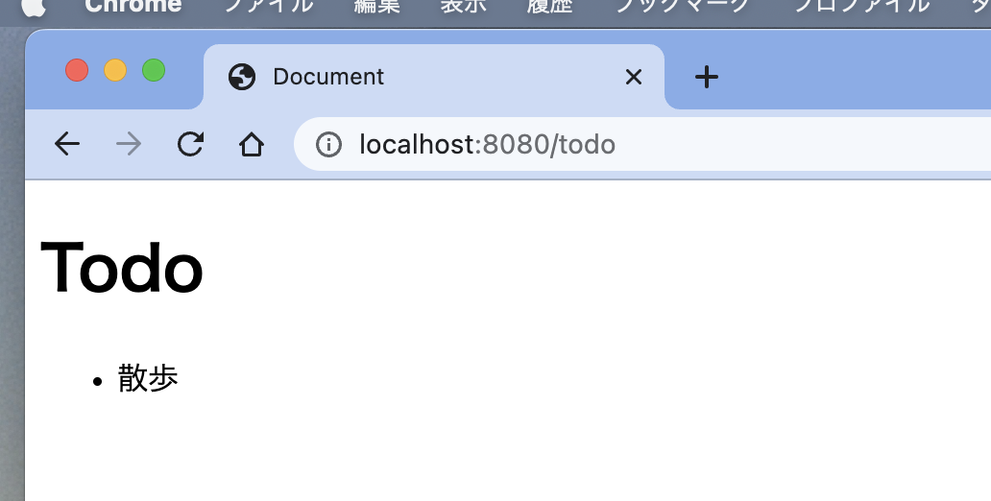

Gin(Golang)におけるHTMLテンプレート記述方法
https://qiita.com/lanevok/items/dbf591a3916070fcba0d

hello.go

 | package main

 | import (
 | "net/http"

 | "github.com/gin-gonic/gin"
 | )

 | func main() {

 | todo := []string{
 | "お買い物",
 | "洗濯",
 | "散歩",
 | }

 | r := gin.Default()
 | r.LoadHTMLFiles("./tmpl/index.html")

 | r.GET("/ping", func(ctx *gin.Context) {
 | ctx.JSON(http.StatusOK, gin.H{
 | "message": "pong",
 | })
 | })

 | r.GET("/todo", func(ctx *gin.Context) {
 | ctx.HTML(http.StatusOK, "index.html", gin.H{
 | "todo": todo,
 | })
 | })

 | r.Run()

 | }

tmpl/index.html

 | <!DOCTYPE html>
 | <html lang="en">
 | <head>
 | <meta charset="UTF-8">
 | <meta http-equiv="X-UA-Compatible" content="IE=edge">
 | <meta name="viewport" content="width=device-width, initial-scale=1.0">
 | <title>Document</title>
 | </head>
 | <body>
 | <h1>Todo</h1>
 | <ul>

 | {{range .todo}}
 | <li>{{.}}</li>
 | {{end}}

 | </ul>
 | </body>
 | </html>

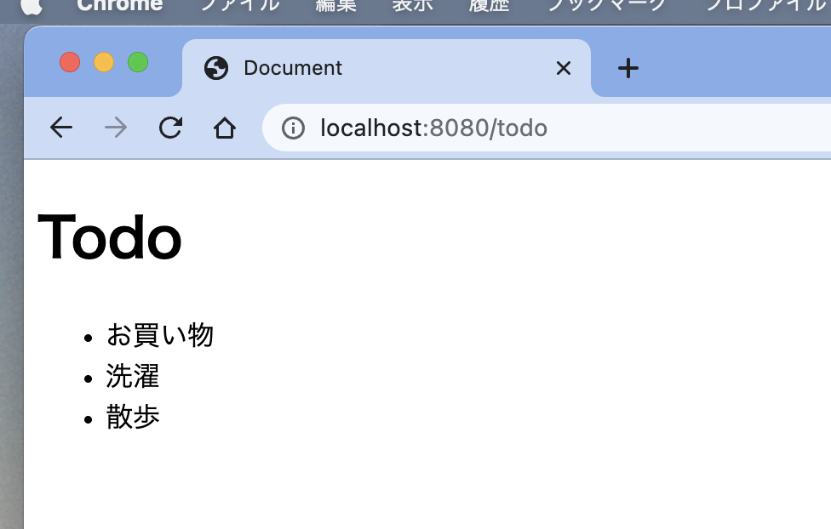

hello.go

 | package main

 | import (
 | "net/http"
 | "time"

 | "github.com/gin-gonic/gin"
 | )

 | type Todo struct { | 構造体
 | Hito string
 | Content string
 | Status int
 | CreatedAt time.Time
 | }

 | func main() {

 | // todo := []string{ | 文字列配列
 | // "お買い物",
 | // "洗濯",
 | // "散歩",
 | // }

 | /* |  | 構造体への追加の書き方①
 | todo := make([]Todo, 0, 5)
 | t := Todo{
 | Hito: "toyohide",
 | Content: "教会に行く",
 | Status: 0,
 | CreatedAt: time.Now(),
 | }
 | todo = append(todo, t)
 | */

 | todo := []Todo{ |  |  | 構造体への追加の書き方②
 | Todo{
 | Hito: "toyohide",
 | Content: "教会に行く",
 | Status: 0,
 | CreatedAt: time.Now(),
 | },
 | Todo{
 | Hito: "toyohide",
 | Content: "ケーキ食う",
 | Status: 0,
 | CreatedAt: time.Now(),
 | },
 | }

 | r := gin.Default()
 | r.LoadHTMLFiles("./tmpl/index.html")

 | r.GET("/ping", func(ctx *gin.Context) {
 | ctx.JSON(http.StatusOK, gin.H{
 | "message": "pong",
 | })
 | })

 | r.GET("/todo", func(ctx *gin.Context) {
 | ctx.HTML(http.StatusOK, "index.html", gin.H{
 | "todo": todo,
 | })
 | })

 | r.Run()

 | }

tmpl/index.html

 | <!DOCTYPE html>
 | <html lang="en">
 | <head>
 | <meta charset="UTF-8">
 | <meta http-equiv="X-UA-Compatible" content="IE=edge">
 | <meta name="viewport" content="width=device-width, initial-scale=1.0">
 | <title>Document</title>
 | </head>
 | <body>
 | <h1>Todo</h1>
 | <ul>

 | {{range .todo}}
 | <li>{{.Hito}} {{.Content}} {{.Status}} {{.CreatedAt}}</li>
 | {{end}}

 | </ul>
 | </body>
 | </html>

hello.go

 | package main

 | import (
 | "net/http"
 | "time"

 | "github.com/gin-gonic/gin"
 | )

 | type Todo struct {
 | Hito string
 | Content string
 | Status int
 | CreatedAt time.Time
 | }

 | func main() {

 | // todo := []string{
 | // "お買い物",
 | // "洗濯",
 | // "散歩",
 | // }

 | /*
 | todo := make([]Todo, 0, 5)
 | t := Todo{
 | Hito: "toyohide",
 | Content: "教会に行く",
 | Status: 0,
 | CreatedAt: time.Now(),
 | }
 | todo = append(todo, t)
 | */

 | todo := []Todo{
 | {
 | Hito: "toyohide",
 | Content: "教会に行く",
 | Status: 0,
 | CreatedAt: time.Now(),
 | },
 | {
 | Hito: "toyohide",
 | Content: "ケーキ食う",
 | Status: 0,
 | CreatedAt: time.Now(),
 | },
 | }

 | r := gin.Default()
 | r.LoadHTMLFiles("./tmpl/index.html")

 | r.GET("/ping", func(ctx *gin.Context) {
 | ctx.JSON(http.StatusOK, gin.H{
 | "message": "pong",
 | })
 | })

 | r.GET("/todo", func(ctx *gin.Context) {
 | ctx.HTML(http.StatusOK, "index.html", gin.H{
 | "todo": todo,
 | })
 | })

 | r.Run()

 | }

tmpl/index.html

 | <!DOCTYPE html>
 | <html lang="en">
 | <head>
 | <meta charset="UTF-8">
 | <meta http-equiv="X-UA-Compatible" content="IE=edge">
 | <meta name="viewport" content="width=device-width, initial-scale=1.0">
 | <title>Document</title>
 | </head>
 | <body>
 | <h1>Todo</h1>
 | <ul>

 | {{range .todo}}
 | <li>{{.Hito}} {{.Content}}
 | {{if eq .Status 0}}
 | 未実行
 | {{else}}
 | 実行済み
 | {{end}}

 | {{.CreatedAt}}</li>
 | {{end}}

 | </ul>
 | </body>
 | </html>

hello.go

 | package main

 | import (
 | "net/http"
 | "time"

 | "github.com/gin-gonic/gin"
 | "github.com/leekchan/timeutil"
 | )

 | type Todo struct {
 | Hito string
 | Content string
 | Status int
 | CreatedAt time.Time
 | CreatedAtS string
 | }

 | func main() {

 | n := time.Now()

 | todo := []Todo{
 | {
 | Hito: "toyohide",
 | Content: "教会に行く",
 | Status: 0,
 | CreatedAt: time.Now(),
 | CreatedAtS: timeutil.Strftime(&n, "%Y-%m-%d %H:%M:%S"),
 | },
 | {
 | Hito: "toyohide",
 | Content: "ケーキ食う",
 | Status: 0,
 | CreatedAt: time.Now(),
 | CreatedAtS: timeutil.Strftime(&n, "%Y-%m-%d %H:%M:%S"),
 | },
 | }

 | r := gin.Default()
 | r.LoadHTMLFiles("./tmpl/index.html")

 | r.GET("/ping", func(ctx *gin.Context) {
 | ctx.JSON(http.StatusOK, gin.H{
 | "message": "pong",
 | })
 | })

 | r.GET("/todo", func(ctx *gin.Context) {
 | ctx.HTML(http.StatusOK, "index.html", gin.H{
 | "todo": todo,
 | })
 | })

 | r.Run()

 | }

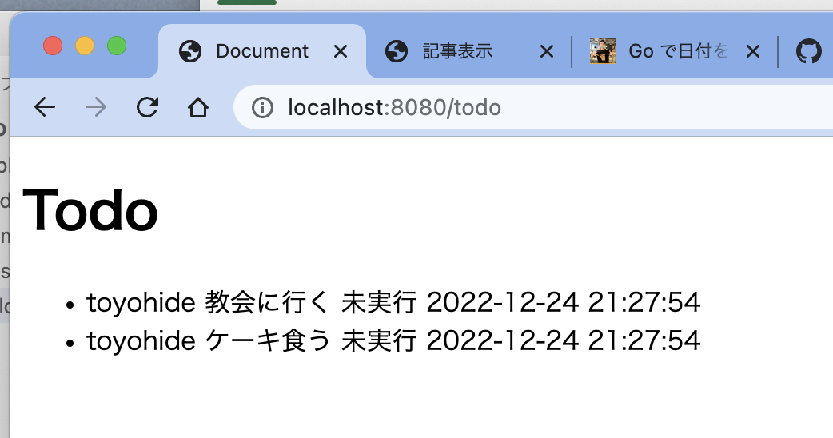

https://github.com/leekchan/timeutil

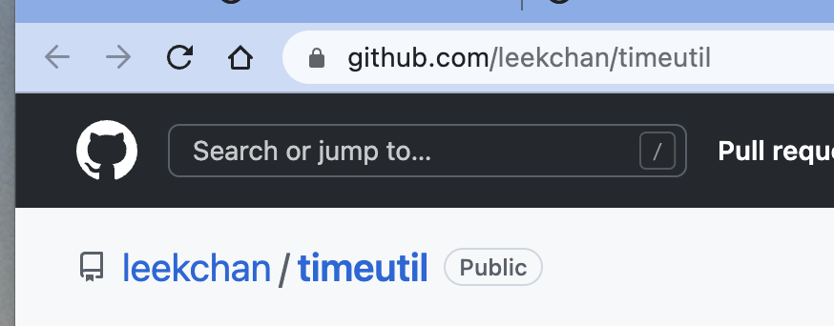

toyohide@toyohidenoMacBook-Pro hello % go mod tidy
go: downloading github.com/go-playground/assert/v2 v2.0.1
go: downloading gopkg.in/check.v1 v1.0.0-20201130134442-10cb98267c6c
go: downloading github.com/kr/pretty v0.3.0
go: downloading github.com/kr/text v0.2.0
go: downloading github.com/rogpeppe/go-internal v1.8.0
go: finding module for package github.com/leekchan/timeutil
go: downloading github.com/leekchan/timeutil v0.0.0-20150802142658-28917288c48d
go: found github.com/leekchan/timeutil in github.com/leekchan/timeutil v0.0.0-20150802142658-28917288c48d

 | package main

 | import (
 | "net/http"
 | "time"

 | "github.com/gin-gonic/gin"
 | "github.com/leekchan/timeutil"
 | )

 | type Todo struct {
 | Hito string
 | Content string
 | Status int
 | CreatedAt time.Time
 | CreatedAtS string
 | }

 | func main() {

 | n := time.Now()

 | todo := []Todo{
 | {
 | Hito: "toyohide",
 | Content: "教会に行く",
 | Status: 0,
 | CreatedAt: time.Now(),
 | CreatedAtS: timeutil.Strftime(&n, "%Y-%m-%d %H:%M:%S - %a %b"),
 | },
 | {
 | Hito: "toyohide",
 | Content: "ケーキ食う",
 | Status: 0,
 | CreatedAt: time.Now(),
 | CreatedAtS: timeutil.Strftime(&n, "%Y-%m-%d %H:%M:%S"),
 | },
 | }

 | r := gin.Default()
 | r.LoadHTMLFiles("./tmpl/index.html")

 | r.GET("/ping", func(ctx *gin.Context) {
 | ctx.JSON(http.StatusOK, gin.H{
 | "message": "pong",
 | })
 | })

 | r.GET("/todo", func(ctx *gin.Context) {
 | ctx.HTML(http.StatusOK, "index.html", gin.H{
 | "todo": todo,
 | })
 | })

 | r.Run()

 | }

gin-2
はじめてのGolang Part2 Webフレームワーク Gin 後編
https://www.youtube.com/watch?v=SAxXyDK-UTo&list=PLvxYNhM_mscujqazRT-PjDU6aplLN42kJ&index=3

tmpl/index.html

 | <!DOCTYPE html>
 | <html lang="en">
 | <head>
 | <meta charset="UTF-8">
 | <meta http-equiv="X-UA-Compatible" content="IE=edge">
 | <meta name="viewport" content="width=device-width, initial-scale=1.0">
 | <title>Document</title>
 | </head>
 | <body>
 | <h1>Todo</h1>

 | <form action="/store" method="post">
 | <div>HITO: <input type="text" name="hito"></div>
 | <div>TODO: <input type="text" name="content"></div>
 | <input type="submit" value="送信">
 | </form>

 | <ul>

 | {{range .todo}}
 | <li>{{.Hito}} {{.Content}}
 | {{if eq .Status 0}}
 | 未実行
 | {{else}}
 | 実行済み
 | {{end}}

 | {{.CreatedAtS}}</li>
 | {{end}}

 | </ul>
 | </body>
 | </html>

hello.go

 | package main

 | import (
 | "net/http"
 | "time"

 | "github.com/gin-gonic/gin"
 | "github.com/leekchan/timeutil"
 | )

 | type Todo struct {
 | Hito string `form:"hito"`
 | Content string `form:"content"`
 | Status int
 | CreatedAt time.Time
 | CreatedAtS string
 | }

 | var todo []Todo | プライベート変数からパブリック変数に変更

 | func main() {

 | n := time.Now()

 | todo = []Todo{
 | {
 | Hito: "toyohide",
 | Content: "教会に行く",
 | Status: 0,
 | CreatedAt: time.Now(),
 | CreatedAtS: timeutil.Strftime(&n, "%Y-%m-%d %H:%M:%S - %a %b"),
 | },
 | {
 | Hito: "toyohide",
 | Content: "ケーキ食う",
 | Status: 0,
 | CreatedAt: time.Now(),
 | CreatedAtS: timeutil.Strftime(&n, "%Y-%m-%d %H:%M:%S"),
 | },
 | }

 | r := gin.Default()
 | r.LoadHTMLFiles("./tmpl/index.html")

 | r.GET("/ping", func(ctx *gin.Context) {
 | ctx.JSON(http.StatusOK, gin.H{
 | "message": "pong",
 | })
 | })

 | r.GET("/todo", func(ctx *gin.Context) {
 | ctx.HTML(http.StatusOK, "index.html", gin.H{
 | "todo": todo,
 | })
 | })

 | r.POST("/store", store)

 | r.Run()

 | }

 | func store(ctx *gin.Context) {
 | n := time.Now()

 | var t Todo |  |  | 追加
 | ctx.Bind(&t)
 | t.Status = 0
 | t.CreatedAt = time.Now()
 | t.CreatedAtS = timeutil.Strftime(&n, "%Y-%m-%d %H:%M:%S")
 | todo = append(todo, t)

 | ctx.HTML(http.StatusOK, "index.html", gin.H{ |  | 移動
 | "todo": todo,
 | })
 | }

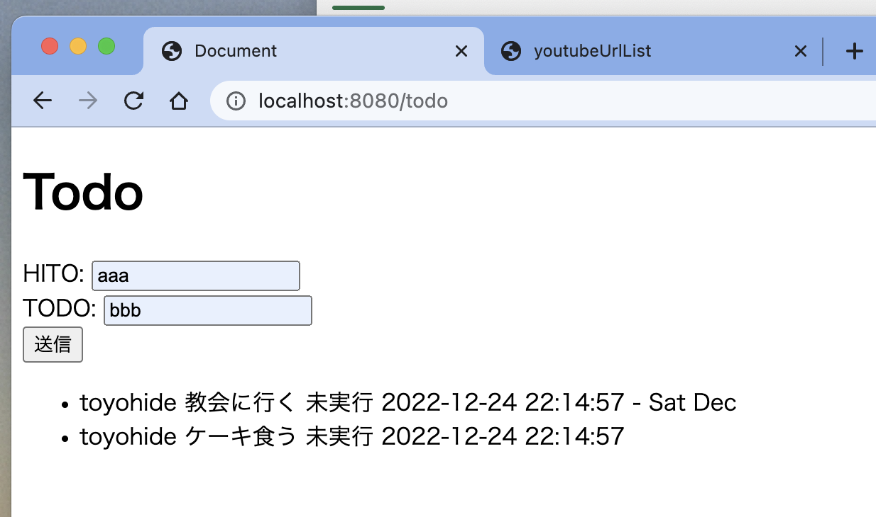

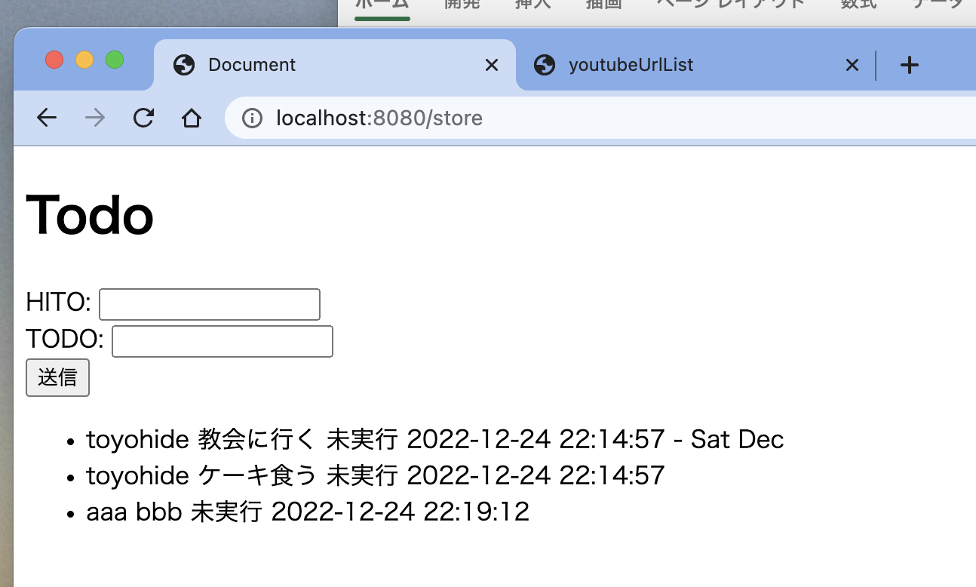

hello.go

 | package main

 | import (
 | "net/http"
 | "time"

 | "github.com/gin-gonic/gin"
 | "github.com/leekchan/timeutil"
 | )

 | type Todo struct {
 | ID int `form:"id"`
 | Hito string `form:"hito"`
 | Content string `form:"content"`
 | Status int
 | CreatedAt time.Time
 | CreatedAtS string
 | }

 | var todo []Todo

 | var idMax int = 0

 | func Saiban() int {
 | idMax = idMax + 1
 | return idMax
 | }

 | func main() {

 | n := time.Now()

 | todo = []Todo{
 | {
 | ID: Saiban(),
 | Hito: "toyohide",
 | Content: "教会に行く",
 | Status: 0,
 | CreatedAt: time.Now(),
 | CreatedAtS: timeutil.Strftime(&n, "%Y-%m-%d %H:%M:%S - %a %b"),
 | },
 | {
 | ID: Saiban(),
 | Hito: "toyohide",
 | Content: "ケーキ食う",
 | Status: 0,
 | CreatedAt: time.Now(),
 | CreatedAtS: timeutil.Strftime(&n, "%Y-%m-%d %H:%M:%S"),
 | },
 | }

 | r := gin.Default()
 | r.LoadHTMLFiles("./tmpl/index.html")

 | r.GET("/ping", func(ctx *gin.Context) {
 | ctx.JSON(http.StatusOK, gin.H{
 | "message": "pong",
 | })
 | })

 | r.GET("/todo", func(ctx *gin.Context) {
 | ctx.HTML(http.StatusOK, "index.html", gin.H{
 | "todo": todo,
 | })
 | })

 | r.POST("/store", store)

 | r.Run()

 | }

 | func store(ctx *gin.Context) {
 | n := time.Now()

 | var t Todo
 | ctx.Bind(&t)
 | t.Status = 0
 | t.CreatedAt = time.Now()
 | t.CreatedAtS = timeutil.Strftime(&n, "%Y-%m-%d %H:%M:%S")
 | t.ID = Saiban()
 | todo = append(todo, t)
 | ctx.HTML(http.StatusOK, "index.html", gin.H{
 | "todo": todo,
 | })
 | }

tmpl/index.html

 | <!DOCTYPE html>
 | <html lang="en">
 | <head>
 | <meta charset="UTF-8">
 | <meta http-equiv="X-UA-Compatible" content="IE=edge">
 | <meta name="viewport" content="width=device-width, initial-scale=1.0">
 | <title>Document</title>
 | </head>
 | <body>
 | <h1>Todo</h1>

 | <form action="/store" method="post">
 | <div>HITO: <input type="text" name="hito"></div>
 | <div>TODO: <input type="text" name="content"></div>
 | <input type="submit" value="送信">
 | </form>

 | <ul>

 | {{range .todo}}
 | <li>{{.ID}} : {{.Hito}} {{.Content}}
 | {{if eq .Status 0}}
 | 未実行
 | {{else}}
 | 実行済み
 | {{end}}

 | {{.CreatedAtS}}</li>
 | {{end}}

 | </ul>
 | </body>
 | </html>

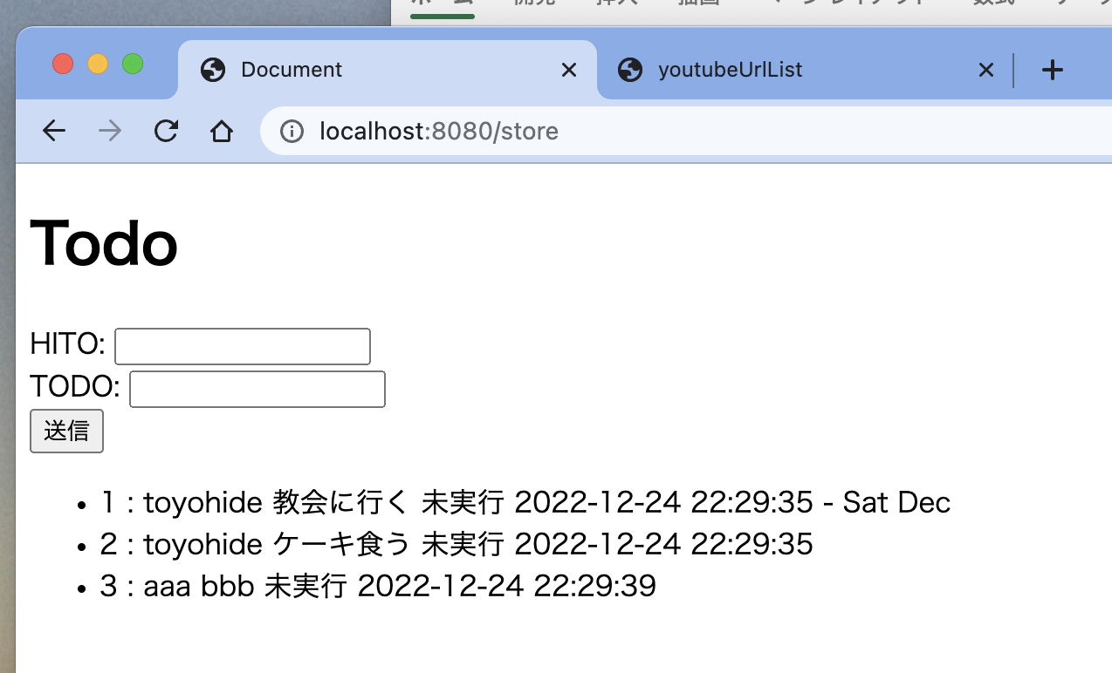

tmpl/index.html

 | <!DOCTYPE html>
 | <html lang="en">
 | <head>
 | <meta charset="UTF-8">
 | <meta http-equiv="X-UA-Compatible" content="IE=edge">
 | <meta name="viewport" content="width=device-width, initial-scale=1.0">
 | <title>Document</title>
 | </head>
 | <body>
 | <h1>Todo</h1>

 | <a href="/todo">reload</a>
 | <hr>

 | <form action="/store" method="post">
 | <div>HITO: <input type="text" name="hito"></div>
 | <div>TODO: <input type="text" name="content"></div>
 | <input type="submit" value="送信">
 | </form>

 | <ul>

 | {{range .todo}}
 | <li>
 | <form action="/done" method="post">
 | <div>
 | <input type="text" name="id" value="{{.ID}}">
 | <input type="text" name="status" value="{{.Status}}">
 | <br>
 | <input type="text" name="hito" value="{{.Hito}}">
 | <input type="text" name="content" value="{{.Content}}">
 | </div>

 | {{.ID}} : {{.Hito}} {{.Content}}
 | {{if eq .Status 0}}
 | 未実行
 | <input type="submit" value="Done">
 | {{else}}
 | 実行済み
 | <input type="submit" value="戻す">
 | {{end}}

 | {{.CreatedAtS}}
 | </form>
 | </li>
 | {{end}}

 | </ul>
 | </body>
 | </html>

hello.go

 | package main

 | import (
 | "fmt"
 | "net/http"
 | "time"

 | "github.com/gin-gonic/gin"
 | "github.com/leekchan/timeutil"
 | )

 | type Todo struct {
 | ID int `form:"id"`
 | Hito string `form:"hito"`
 | Content string `form:"content"`
 | Status int
 | CreatedAt time.Time
 | CreatedAtS string
 | }

 | var todo []Todo

 | var idMax int = 0

 | func Saiban() int {
 | idMax = idMax + 1
 | return idMax
 | }

 | func main() {

 | n := time.Now()

 | todo = []Todo{
 | {
 | ID: Saiban(),
 | Hito: "toyohide",
 | Content: "教会に行く",
 | Status: 0,
 | CreatedAt: time.Now(),
 | CreatedAtS: timeutil.Strftime(&n, "%Y-%m-%d %H:%M:%S - %a %b"),
 | },
 | {
 | ID: Saiban(),
 | Hito: "toyohide",
 | Content: "ケーキ食う",
 | Status: 0,
 | CreatedAt: time.Now(),
 | CreatedAtS: timeutil.Strftime(&n, "%Y-%m-%d %H:%M:%S"),
 | },
 | }

 | r := gin.Default()
 | r.LoadHTMLFiles("./tmpl/index.html")

 | r.GET("/ping", func(ctx *gin.Context) {
 | ctx.JSON(http.StatusOK, gin.H{
 | "message": "pong",
 | })
 | })

 | r.GET("/todo", func(ctx *gin.Context) {
 | ctx.HTML(http.StatusOK, "index.html", gin.H{
 | "todo": todo,
 | })
 | })

 | r.POST("/store", store)
 | r.POST("/done", done)

 | r.Run()

 | }

 | func store(ctx *gin.Context) {
 | n := time.Now()

 | var t Todo
 | ctx.Bind(&t)
 | t.Status = 0
 | t.CreatedAt = time.Now()
 | t.CreatedAtS = timeutil.Strftime(&n, "%Y-%m-%d %H:%M:%S")
 | t.ID = Saiban()
 | todo = append(todo, t)
 | ctx.HTML(http.StatusOK, "index.html", gin.H{
 | "todo": todo,
 | })
 | }

 | func done(ctx *gin.Context) {
 | n := time.Now()

 | var t Todo
 | ctx.Bind(&t)

 | num := 0
 | if t.Status == 0 {
 | num = 1
 | } else {
 | num = 0
 | }

 | t.Status = num

 | fmt.Println(num)
 | fmt.Println(t.Status)

 | t.CreatedAt = time.Now()
 | t.CreatedAtS = timeutil.Strftime(&n, "%Y-%m-%d %H:%M:%S")

 | for key, val := range todo {
 | if val.ID == t.ID {
 | todo[key] = t
 | }
 | }

 | ctx.HTML(http.StatusOK, "index.html", gin.H{
 | "todo": todo,
 | })
 | }

gin-3
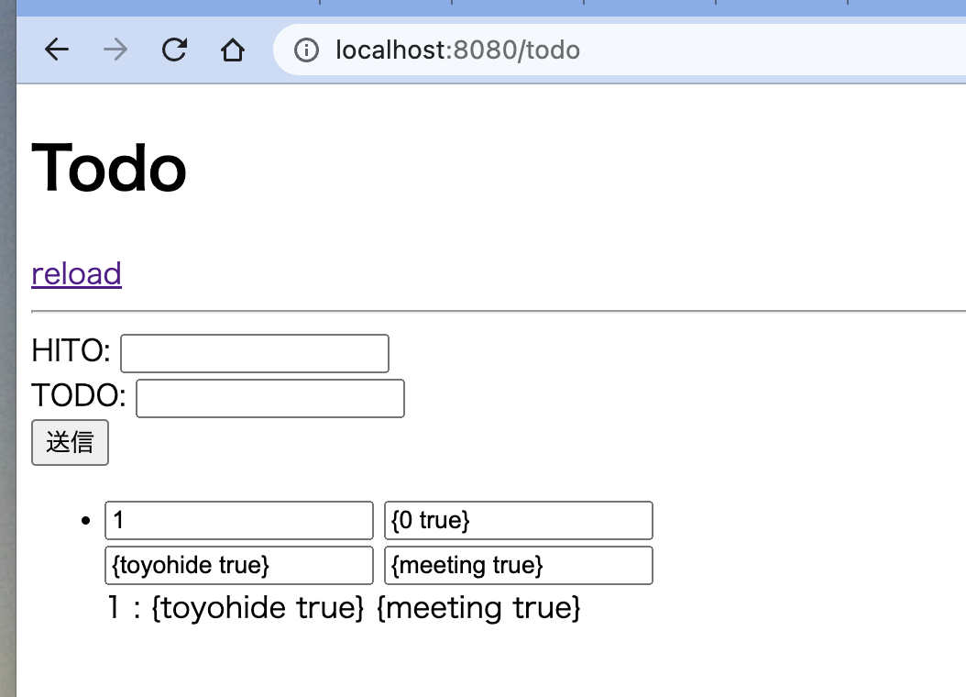
はじめてのGolang Part3 データベース SQLBoiler編
https://www.youtube.com/watch?v=p4_f94nEBr0&list=PLvxYNhM_mscujqazRT-PjDU6aplLN42kJ&index=4

toyohide@toyohidenoMacBook-Pro ~ % mysql.server start
Starting MySQL
. SUCCESS!

toyohide@toyohidenoMacBook-Pro ~ % mysql -u root -p
Enter password:
Welcome to the MySQL monitor. Commands end with ; or \g.
Your MySQL connection id is 8
Server version: 8.0.31 Homebrew

Copyright (c) 2000, 2022, Oracle and/or its affiliates.

Oracle is a registered trademark of Oracle Corporation and/or its
affiliates. Other names may be trademarks of their respective
owners.

Type 'help;' or '\h' for help. Type '\c' to clear the current input statement.

mysql> create database todo character set 'utf8' collate 'utf8_general_ci';
Query OK, 1 row affected, 2 warnings (0.00 sec)

mysql> use todo;
Database changed

mysql> create table todos(
-> id int primary key auto_increment,
-> hito varchar(255),
-> content text,
-> status tinyint,
-> created_at datetime
-> );
Query OK, 0 rows affected (0.01 sec)

toyohide@toyohidenoMacBook-Pro hello % pwd
/Users/toyohide/Desktop/hideyuki/golang_gin2/hello

toyohide@toyohidenoMacBook-Pro hello % go get -u -t github.com/volatiletech/sqlboiler
go: downloading github.com/volatiletech/sqlboiler v3.7.1+incompatible
go: downloading github.com/friendsofgo/errors v0.9.2
go: downloading github.com/volatiletech/inflect v0.0.1
go: downloading github.com/spf13/cast v1.5.0
go: downloading github.com/spf13/cobra v1.6.1
go: downloading github.com/spf13/viper v1.14.0
go: downloading golang.org/x/xerrors v0.0.0-20220907171357-04be3eba64a2
go: downloading github.com/inconshreveable/mousetrap v1.0.1
go: downloading github.com/fsnotify/fsnotify v1.6.0
go: downloading github.com/mitchellh/mapstructure v1.5.0
go: downloading github.com/spf13/afero v1.9.2
go: downloading github.com/spf13/jwalterweatherman v1.1.0
go: downloading github.com/inconshreveable/mousetrap v1.1.0
go: downloading github.com/spf13/afero v1.9.3
go: downloading github.com/subosito/gotenv v1.4.1
go: downloading github.com/hashicorp/hcl v1.0.0
go: downloading gopkg.in/ini.v1 v1.67.0
go: downloading github.com/magiconair/properties v1.8.6
go: downloading github.com/magiconair/properties v1.8.7
go: added github.com/friendsofgo/errors v0.9.2
go: added github.com/fsnotify/fsnotify v1.6.0
go: added github.com/hashicorp/hcl v1.0.0
go: added github.com/inconshreveable/mousetrap v1.1.0
go: added github.com/magiconair/properties v1.8.7
go: added github.com/mitchellh/mapstructure v1.5.0
go: added github.com/pelletier/go-toml v1.9.5
go: added github.com/spf13/afero v1.9.3
go: added github.com/spf13/cast v1.5.0
go: added github.com/spf13/cobra v1.6.1
go: added github.com/spf13/jwalterweatherman v1.1.0
go: added github.com/spf13/pflag v1.0.5
go: added github.com/spf13/viper v1.14.0
go: added github.com/subosito/gotenv v1.4.1
go: added github.com/volatiletech/inflect v0.0.1
go: added github.com/volatiletech/sqlboiler v3.7.1+incompatible
go: upgraded golang.org/x/xerrors v0.0.0-20191204190536-9bdfabe68543 => v0.0.0-20220907171357-04be3eba64a2
go: added gopkg.in/ini.v1 v1.67.0

toyohide@toyohidenoMacBook-Pro hello % go get github.com/volatiletech/sqlboiler/drivers/sqlboiler-mysql
go: downloading github.com/go-sql-driver/mysql v1.7.0
go: added github.com/go-sql-driver/mysql v1.7.0

toyohide@toyohidenoMacBook-Pro hello % go get -u github.com/go-sql-driver/mysql

sqlboilerコマンドが使えなかったので、下記の手順を行った

toyohide@toyohidenoMacBook-Pro hello % sqlboiler mysql
zsh: command not found: sqlboiler

toyohide@toyohidenoMacBook-Pro hello % ls $GOPATH/bin
dlv goplay impl staticcheck
go-outline gopls protoc-gen-go
gomodifytags gotests protoc-gen-go-grpc

toyohide@toyohidenoMacBook-Pro hello % go mod tidy

 | toyohide@toyohidenoMacBook-Pro ~ % cat .zshrc

 | export GOPATH=$HOME/go;

toyohide@toyohidenoMacBook-Pro hello % go get -u -t github.com/volatiletech/sqlboiler
go: added github.com/friendsofgo/errors v0.9.2
go: added github.com/fsnotify/fsnotify v1.6.0
go: added github.com/hashicorp/hcl v1.0.0
go: added github.com/inconshreveable/mousetrap v1.1.0
go: added github.com/magiconair/properties v1.8.7
go: added github.com/mitchellh/mapstructure v1.5.0
go: added github.com/pelletier/go-toml v1.9.5
go: added github.com/spf13/afero v1.9.3
go: added github.com/spf13/cast v1.5.0
go: added github.com/spf13/cobra v1.6.1
go: added github.com/spf13/jwalterweatherman v1.1.0
go: added github.com/spf13/pflag v1.0.5
go: added github.com/spf13/viper v1.14.0
go: added github.com/subosito/gotenv v1.4.1
go: added github.com/volatiletech/inflect v0.0.1
go: added github.com/volatiletech/sqlboiler v3.7.1+incompatible
go: upgraded golang.org/x/xerrors v0.0.0-20191204190536-9bdfabe68543 => v0.0.0-20220907171357-04be3eba64a2
go: added gopkg.in/ini.v1 v1.67.0

toyohide@toyohidenoMacBook-Pro hello % go get github.com/volatiletech/sqlboiler/drivers/sqlboiler
go: module github.com/volatiletech/sqlboiler@upgrade found (v3.7.1+incompatible), but does not contain package github.com/volatiletech/sqlboiler/drivers/sqlboiler

toyohide@toyohidenoMacBook-Pro hello % go get github.com/volatiletech/sqlboiler/drivers/sqlboiler-mysql

toyohide@toyohidenoMacBook-Pro hello % sqlboiler mysql
zsh: command not found: sqlboiler
toyohide@toyohidenoMacBook-Pro hello %
toyohide@toyohidenoMacBook-Pro hello %
toyohide@toyohidenoMacBook-Pro hello % go mod tidy
toyohide@toyohidenoMacBook-Pro hello %
toyohide@toyohidenoMacBook-Pro hello % sqlboiler mysql
zsh: command not found: sqlboiler
toyohide@toyohidenoMacBook-Pro hello %
toyohide@toyohidenoMacBook-Pro hello % ls $GOPATH/bin
dlv goplay impl staticcheck
go-outline gopls protoc-gen-go
gomodifytags gotests protoc-gen-go-grpc

toyohide@toyohidenoMacBook-Pro hello % go mod tidy

toyohide@toyohidenoMacBook-Pro hello % sqlboiler mysql
zsh: command not found: sqlboiler

 | 参考
 | sqlboiler ~セットアップ編~
 | https://zenn.dev/sagae/articles/c6b2e460201d31

toyohide@toyohidenoMacBook-Pro hello % go install github.com/volatiletech/sqlboiler/v4@latest
go: downloading github.com/volatiletech/sqlboiler/v4 v4.14.0
go: downloading github.com/spf13/cobra v1.5.0
go: downloading github.com/spf13/viper v1.12.0
go: downloading github.com/volatiletech/strmangle v0.0.4
go: downloading github.com/Masterminds/sprig/v3 v3.2.2
go: downloading github.com/fsnotify/fsnotify v1.5.4
go: downloading github.com/Masterminds/goutils v1.1.1
go: downloading github.com/huandu/xstrings v1.3.2
go: downloading github.com/Masterminds/semver/v3 v3.1.1
go: downloading github.com/imdario/mergo v0.3.13
go: downloading github.com/mitchellh/copystructure v1.2.0
go: downloading github.com/shopspring/decimal v1.3.1
go: downloading golang.org/x/crypto v0.0.0-20220826181053-bd7e27e6170d
go: downloading github.com/pelletier/go-toml/v2 v2.0.5
go: downloading golang.org/x/text v0.3.7
go: downloading golang.org/x/sys v0.0.0-20220825204002-c680a09ffe64
go: downloading github.com/mitchellh/reflectwalk v1.0.2

toyohide@toyohidenoMacBook-Pro hello % go install github.com/volatiletech/sqlboiler/v4/drivers/sqlboiler-mysql@latest

toyohide@toyohidenoMacBook-Pro hello % ls -la $GOPATH/bin
total 224352
drwxr-xr-x 14 toyohide staff 448 12 26 12:30 .
drwxr-xr-x 4 toyohide staff 128 12 6 17:14 ..
-rwxr-xr-x 1 toyohide staff 14874530 12 23 08:56 dlv
-rwxr-xr-x 1 toyohide staff 3166514 12 16 16:35 go-outline
-rwxr-xr-x 1 toyohide staff 3252914 12 23 08:56 gomodifytags
-rwxr-xr-x 1 toyohide staff 6572018 12 23 08:56 goplay
-rwxr-xr-x 1 toyohide staff 25205874 12 16 16:35 gopls
-rwxr-xr-x 1 toyohide staff 9879106 12 23 08:56 gotests
-rwxr-xr-x 1 toyohide staff 5633938 12 23 08:56 impl
-rwxr-xr-x 1 toyohide staff 8312114 12 6 17:14 protoc-gen-go
-rwxr-xr-x 1 toyohide staff 8137762 12 6 17:15 protoc-gen-go-grpc
-rwxr-xr-x 1 toyohide staff 11271810 12 26 12:30 sqlboiler
-rwxr-xr-x 1 toyohide staff 6403698 12 26 12:34 sqlboiler-mysql
-rwxr-xr-x 1 toyohide staff 12135410 12 23 08:56 staticcheck

toyohide@toyohidenoMacBook-Pro hello % sqlboiler --version
SQLBoiler v4.14.0

/Users/toyohide/Desktop/hideyuki/golang_gin2/hello/sqlboiler.toml

 | [mysql]
 | dbname = "todo"
 | host = "localhost"
 | port = 3306
 | user = "root"
 | pass = "Hidechy4819@"
 | sslmode = "false"

toyohide@toyohidenoMacBook-Pro hello % sqlboiler mysql

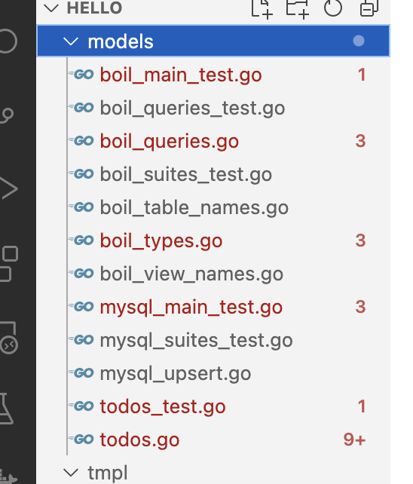

modelディレクトリ内のエラーを解決

toyohide@toyohidenoMacBook-Pro hello % go get github.com/volatiletech/sqlboiler/v4/queries/qm
go: downloading golang.org/x/xerrors v0.0.0-20220609144429-65e65417b02f
go: added github.com/friendsofgo/errors v0.9.2
go: added github.com/spf13/cast v1.5.0
go: added github.com/volatiletech/inflect v0.0.1
go: added github.com/volatiletech/sqlboiler/v4 v4.14.0
go: added github.com/volatiletech/strmangle v0.0.4
go: upgraded golang.org/x/xerrors v0.0.0-20191204190536-9bdfabe68543 => v0.0.0-20220609144429-65e65417b02f

toyohide@toyohidenoMacBook-Pro hello % go get github.com/spf13/viper
go: upgraded github.com/fsnotify/fsnotify v1.5.4 => v1.6.0
go: upgraded github.com/spf13/viper v1.12.0 => v1.14.0
go: upgraded golang.org/x/xerrors v0.0.0-20220609144429-65e65417b02f => v0.0.0-20220907171357-04be3eba64a2

toyohide@toyohidenoMacBook-Pro hello % go get github.com/kat-co/vala
go: downloading github.com/kat-co/vala v0.0.0-20170210184112-42e1d8b61f12
go: added github.com/kat-co/vala v0.0.0-20170210184112-42e1d8b61f12

toyohide@toyohidenoMacBook-Pro hello % go get github.com/volatiletech/randomize
go: downloading github.com/volatiletech/randomize v0.0.1
go: downloading github.com/gofrs/uuid v4.2.0+incompatible

toyohide@toyohidenoMacBook-Pro hello % go get github.com/volatiletech/null/v8
go: downloading github.com/volatiletech/null/v8 v8.1.2

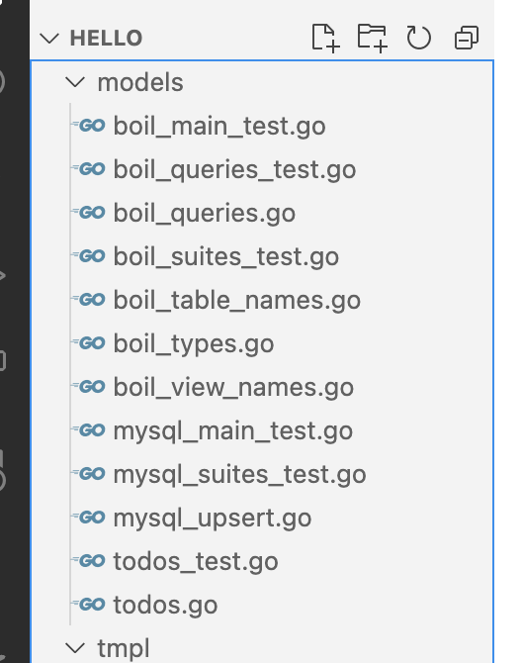

toyohide@toyohidenoMacBook-Pro hello % sqlboiler mysql -t form --wipe

/Users/toyohide/Desktop/hideyuki/golang_gin2/hello/models/todos.go

 |  | 自動的に[form:]が入力された
 | type Todo struct {
 | ID int `form:"id" boil:"id" json:"id" toml:"id" yaml:"id"`
 | Hito null.String `form:"hito" boil:"hito" json:"hito,omitempty" toml:"hito" yaml:"hito,omitempty"`
 | Content null.String `form:"content" boil:"content" json:"content,omitempty" toml:"content" yaml:"content,omitempty"`
 | Status null.Int8 `form:"status" boil:"status" json:"status,omitempty" toml:"status" yaml:"status,omitempty"`
 | CreatedAt null.Time `form:"created_at" boil:"created_at" json:"created_at,omitempty" toml:"created_at" yaml:"created_at,omitempty"`

 | R *todoR `form:"-" boil:"-" json:"-" toml:"-" yaml:"-"`
 | L todoL `form:"-" boil:"-" json:"-" toml:"-" yaml:"-"`
 | }

エラー回避（追加）

toyohide@toyohidenoMacBook-Pro hello % go get github.com/volatiletech/sqlboiler/queries/qm
go: added github.com/volatiletech/sqlboiler v3.7.1+incompatible

mysql> desc todos;
+------------+--------------+------+-----+---------+----------------+
| Field | Type | Null | Key | Default | Extra |
+------------+--------------+------+-----+---------+----------------+
| id | int | NO | PRI | NULL | auto_increment |
| hito | varchar(255) | YES | | NULL | |
| content | text | YES | | NULL | |
| status | tinyint | YES | | NULL | |
| created_at | datetime | YES | | NULL | |
+------------+--------------+------+-----+---------+----------------+
5 rows in set (0.00 sec)

mysql> insert into todos(hito, content, status, created_at) values('toyohide', 'meeting', 0, now());
Query OK, 1 row affected (0.00 sec)

insert into todos(hito, content, status, created_at) values('toyohide', 'meeting', 0, now());

mysql> create user 'mysql_outer_user2'@'localhost' identified by 'hidechy4819';
ERROR 1819 (HY000): Your password does not satisfy the current policy requirements

mysql> show variables like 'validate_password%';
+--------------------------------------+--------+
| Variable_name | Value |
+--------------------------------------+--------+
| validate_password.check_user_name | ON |
| validate_password.dictionary_file | |
| validate_password.length | 8 |
| validate_password.mixed_case_count | 1 |
| validate_password.number_count | 1 |
| validate_password.policy | MEDIUM |
| validate_password.special_char_count | 1 |
+--------------------------------------+--------+
7 rows in set (0.01 sec)

mysql> set global validate_password.policy=LOW;
Query OK, 0 rows affected (0.00 sec)

mysql> create user 'mysql_outer_user2'@'localhost' identified by 'hidechy4819';
Query OK, 0 rows affected (0.01 sec)

mysql> grant all on todo.* to 'mysql_outer_user2'@'localhost' with grant option;
Query OK, 0 rows affected (0.01 sec)

mysql> exit;

toyohide@toyohidenoMacBook-Pro ~ % mysql -u mysql_outer_user2 -p
Enter password: |  | hidechy4819

mysql> show databases;
+--------------------+
| Database |
+--------------------+
| information_schema |
| performance_schema |
| todo |
+--------------------+
3 rows in set (0.00 sec)

/Users/toyohide/Desktop/hideyuki/golang_gin2/hello/hello.go

 | package main

 | import (
 | "database/sql"
 | "hello_gin/models"
 | "log"
 | "net/http"
 | "time"

 | "github.com/gin-gonic/gin"

 | _ "github.com/go-sql-driver/mysql"
 | "github.com/volatiletech/sqlboiler/boil"
 | )

 | type Todo struct {
 | ID int `form:"id"`
 | Hito string `form:"hito"`
 | Content string `form:"content"`
 | Status int
 | CreatedAt time.Time
 | CreatedAtS string
 | }

 | //var todo []Todo

 | var idMax int = 0

 | func Saiban() int {
 | idMax = idMax + 1
 | return idMax
 | }

 | func main() {

 | // ctx := context.Background()
 | db, err := sql.Open("mysql", "mysql_outer_user2:hidechy4819@tcp(localhost:3306)/todo?parseTime=true")
 | if err != nil {
 | log.Fatalf("Cannot connect database: %v", err)
 | }
 | boil.SetDB(db)

 | r := gin.Default()
 | r.LoadHTMLFiles("./tmpl/index.html")

 | r.GET("/todo", func(ctx *gin.Context) {

 | todos, err := models.Todos().All(ctx, db)
 | if err != nil {
 | log.Fatalf("Get todo error: %v", err)
 | }

 | ctx.HTML(http.StatusOK, "index.html", gin.H{
 | "todo": todos,
 | })
 | })

 | r.Run()

 | /*

 | n := time.Now()

 | todo = []Todo{
 | {
 | ID: Saiban(),
 | Hito: "toyohide",
 | Content: "教会に行く",
 | Status: 0,
 | CreatedAt: time.Now(),
 | CreatedAtS: timeutil.Strftime(&n, "%Y-%m-%d %H:%M:%S - %a %b"),
 | },
 | {
 | ID: Saiban(),
 | Hito: "toyohide",
 | Content: "ケーキ食う",
 | Status: 0,
 | CreatedAt: time.Now(),
 | CreatedAtS: timeutil.Strftime(&n, "%Y-%m-%d %H:%M:%S"),
 | },
 | }

 | r := gin.Default()
 | r.LoadHTMLFiles("./tmpl/index.html")

 | r.GET("/ping", func(ctx *gin.Context) {
 | ctx.JSON(http.StatusOK, gin.H{
 | "message": "pong",
 | })
 | })

 | r.GET("/todo", func(ctx *gin.Context) {
 | ctx.HTML(http.StatusOK, "index.html", gin.H{
 | "todo": todo,
 | })
 | })

 | r.POST("/store", store)
 | r.POST("/done", done)

 | r.Run()

 | */

 | }

 | /*
 | func store(ctx *gin.Context) {
 | n := time.Now()

 | var t Todo
 | ctx.Bind(&t)
 | t.Status = 0
 | t.CreatedAt = time.Now()
 | t.CreatedAtS = timeutil.Strftime(&n, "%Y-%m-%d %H:%M:%S")
 | t.ID = Saiban()
 | todo = append(todo, t)
 | ctx.HTML(http.StatusOK, "index.html", gin.H{
 | "todo": todo,
 | })
 | }

 | func done(ctx *gin.Context) {
 | n := time.Now()

 | var t Todo
 | ctx.Bind(&t)

 | num := 0
 | if t.Status == 0 {
 | num = 1
 | } else {
 | num = 0
 | }

 | t.Status = num

 | fmt.Println(num)
 | fmt.Println(t.Status)

 | t.CreatedAt = time.Now()
 | t.CreatedAtS = timeutil.Strftime(&n, "%Y-%m-%d %H:%M:%S")

 | for key, val := range todo {
 | if val.ID == t.ID {
 | todo[key] = t
 | }
 | }

 | ctx.HTML(http.StatusOK, "index.html", gin.H{
 | "todo": todo,
 | })
 | }
 | */

toyohide@toyohidenoMacBook-Pro hello % go run hello.go
[GIN-debug] [WARNING] Creating an Engine instance with the Logger and Recovery middleware already attached.

[GIN-debug] [WARNING] Running in "debug" mode. Switch to "release" mode in production.
- using env: export GIN_MODE=release
- using code: gin.SetMode(gin.ReleaseMode)

[GIN-debug] GET /todo --> main.main.func1 (3 handlers)
[GIN-debug] [WARNING] You trusted all proxies, this is NOT safe. We recommend you to set a value.
Please check https://pkg.go.dev/github.com/gin-gonic/gin#readme-don-t-trust-all-proxies for details.
[GIN-debug] Environment variable PORT is undefined. Using port :8080 by default
[GIN-debug] Listening and serving HTTP on :8080

2022/12/26 13:46:31 [Recovery] 2022/12/26 - 13:46:31 panic recovered:
GET /todo HTTP/1.1
Host: localhost:8080
Accept: text/html,application/xhtml+xml,application/xml;q=0.9,image/avif,image/webp,image/apng,*/*;q=0.8,application/signed-exchange;v=b3;q=0.9
Accept-Encoding: gzip, deflate, br
Accept-Language: ja,en-US;q=0.9,en;q=0.8,zh-CN;q=0.7,zh;q=0.6
Cache-Control: max-age=0
Connection: keep-alive
Sec-Ch-Ua: "Not?A_Brand";v="8", "Chromium";v="108", "Google Chrome";v="108"
Sec-Ch-Ua-Mobile: ?0
Sec-Ch-Ua-Platform: "macOS"
Sec-Fetch-Dest: document
Sec-Fetch-Mode: navigate
Sec-Fetch-Site: none
Sec-Fetch-User: ?1
Upgrade-Insecure-Requests: 1
User-Agent: Mozilla/5.0 (Macintosh; Intel Mac OS X 10_15_7) AppleWebKit/537.36 (KHTML, like Gecko) Chrome/108.0.0.0 Safari/537.36

template: index.html:36:25: executing "index.html" at <eq .Status 0>: error calling eq: incompatible types for comparison
/Users/toyohide/go/pkg/mod/github.com/gin-gonic/gin@v1.8.2/context.go:911 (0x1009b3de3)
(*Context).Render: panic(err)
/Users/toyohide/go/pkg/mod/github.com/gin-gonic/gin@v1.8.2/context.go:920 (0x1009b3e8b)
(*Context).HTML: c.Render(code, instance)
/Users/toyohide/Desktop/hideyuki/golang_gin2/hello/hello.go:53 (0x1009ee023)
main.func1: ctx.HTML(http.StatusOK, "index.html", gin.H{
/Users/toyohide/go/pkg/mod/github.com/gin-gonic/gin@v1.8.2/context.go:173 (0x1009bc78f)
(*Context).Next: c.handlers[c.index](c)
/Users/toyohide/go/pkg/mod/github.com/gin-gonic/gin@v1.8.2/recovery.go:101 (0x1009bc770)
CustomRecoveryWithWriter.func1: c.Next()
/Users/toyohide/go/pkg/mod/github.com/gin-gonic/gin@v1.8.2/context.go:173 (0x1009bb9ff)
(*Context).Next: c.handlers[c.index](c)
/Users/toyohide/go/pkg/mod/github.com/gin-gonic/gin@v1.8.2/logger.go:240 (0x1009bb9dc)
LoggerWithConfig.func1: c.Next()
/Users/toyohide/go/pkg/mod/github.com/gin-gonic/gin@v1.8.2/context.go:173 (0x1009bab67)
(*Context).Next: c.handlers[c.index](c)
/Users/toyohide/go/pkg/mod/github.com/gin-gonic/gin@v1.8.2/gin.go:616 (0x1009ba83c)
(*Engine).handleHTTPRequest: c.Next()
/Users/toyohide/go/pkg/mod/github.com/gin-gonic/gin@v1.8.2/gin.go:572 (0x1009ba457)
(*Engine).ServeHTTP: engine.handleHTTPRequest(c)
/opt/homebrew/Cellar/go/1.18.3/libexec/src/net/http/server.go:2916 (0x100858fdb)
serverHandler.ServeHTTP: handler.ServeHTTP(rw, req)
/opt/homebrew/Cellar/go/1.18.3/libexec/src/net/http/server.go:1966 (0x1008546fb)
(*conn).serve: serverHandler{c.server}.ServeHTTP(w, w.req)
/opt/homebrew/Cellar/go/1.18.3/libexec/src/runtime/asm_arm64.s:1263 (0x1005b7d43)
goexit: MOVD R0, R0 // NOP

[GIN-debug] [WARNING] Headers were already written. Wanted to override status code 200 with 500
[GIN] 2022/12/26 - 13:46:31 | 500 | 5.88175ms | ::1 | GET "/todo"

