前編 挨拶アプリ
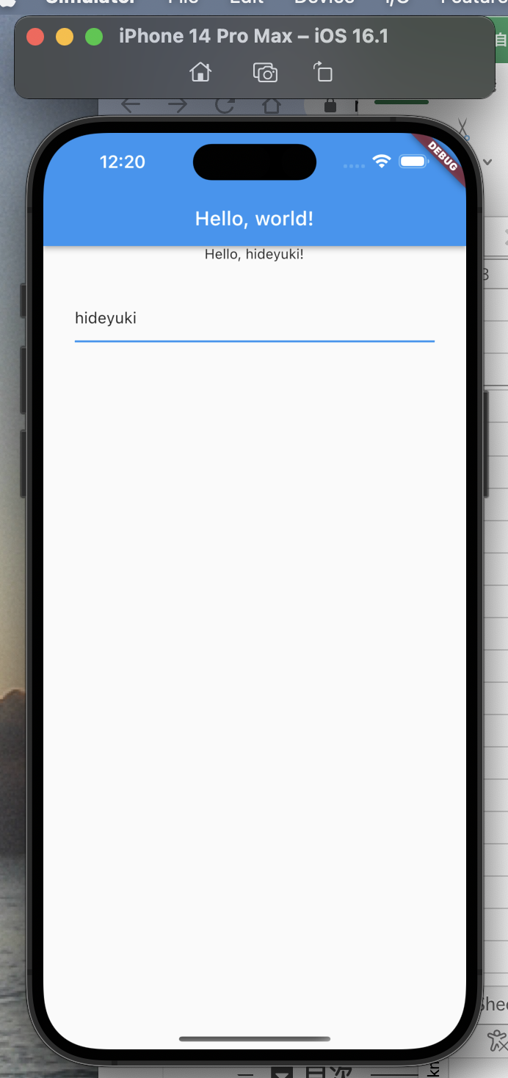
● | 作成場所

 | toyohide@toyohidenoMacBook-Pro ~ % cd /Users/toyohide/Desktop/hideyuki/MY_STUDY/grpc/001
 | toyohide@toyohidenoMacBook-Pro 001 %



 | toyohide@toyohidenoMacBook-Pro 001 % dart create server
 | Creating server using template console...

 | .gitignore
 | analysis_options.yaml
 | CHANGELOG.md
 | pubspec.yaml
 | README.md
 | bin/server.dart
 | lib/server.dart
 | test/server_test.dart

 | Running pub get... 2.6s
 | Resolving dependencies...
 | Downloading lints 2.0.1...
 | Downloading test 1.22.0...
 | Downloading test_core 0.4.20...
 | Downloading test_api 0.4.16...
 | Downloading stream_channel 2.1.1...
 | Downloading shelf_packages_handler 3.0.1...
 | Downloading pool 1.5.1...
 | Downloading js 0.6.5...
 | Downloading boolean_selector 2.1.1...
 | Downloading source_maps 0.10.11...
 | Downloading source_map_stack_trace 2.1.1...
 | Downloading web_socket_channel 2.2.0...
 | Downloading shelf_static 1.1.1...
 | Downloading webkit_inspection_protocol 1.2.0...
 | Downloading shelf_web_socket 1.0.3...
 | Downloading http_multi_server 3.2.1...
 | Downloading mime 1.0.3...
 | Downloading logging 1.1.0...
 | Downloading frontend_server_client 3.2.0...
 | Downloading shelf 1.4.0...
 | Downloading coverage 1.6.1...
 | Downloading vm_service 9.4.0...
 | Changed 46 dependencies!

 | Created project server in server! In order to get started, run the following commands:

 | cd server
 | dart run

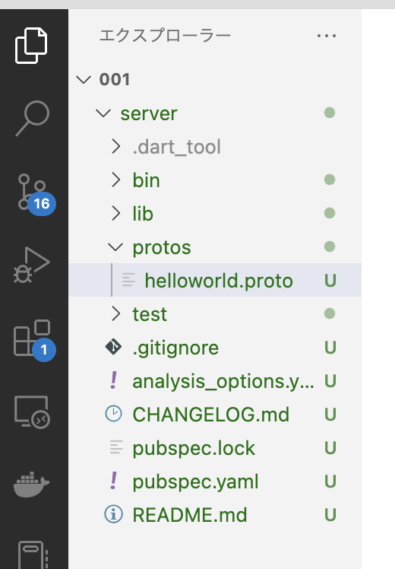

 |  |  |  |  | ファイル作成

 | server/protos/helloworld.proto

 |  | syntax = "proto3";

 |  | package helloworld;

 |  | // Hello, worldを返却するサービスを定義
 |  | service Greeter {
 |  | // Hello, worldを送信
 |  | rpc SayHello (HelloRequest) returns (HelloReply) {}
 |  | }

 |  | // ユーザー名を含むリクエスト
 |  | message HelloRequest {
 |  | string name = 1;
 |  | }

 |  | // Hello, worldを含むレスポンス
 |  | message HelloReply {
 |  | string message = 1;
 |  | }

● | grpc_genを作成

 | toyohide@toyohidenoMacBook-Pro ~ % cd /Users/toyohide/Desktop/hideyuki/MY_STUDY/grpc/001
 | toyohide@toyohidenoMacBook-Pro 001 %

 | toyohide@toyohidenoMacBook-Pro 001 % dart create grpc_gen
 | Creating grpc_gen using template console...

 | .gitignore
 | analysis_options.yaml
 | CHANGELOG.md
 | pubspec.yaml
 | README.md
 | bin/grpc_gen.dart
 | lib/grpc_gen.dart
 | test/grpc_gen_test.dart

 | Running pub get... 2.0s
 | Resolving dependencies...
 | Changed 46 dependencies!

 | Created project grpc_gen in grpc_gen! In order to get started, run the following commands:

 | cd grpc_gen
 | dart run

 | grpc_gen/pubspec.yaml

 |  | name: grpc_gen
 |  | description: A sample command-line application.
 |  | version: 1.0.0
 |  | # homepage: https://www.example.com

 |  | environment:
 |  | sdk: '>=2.18.3 <3.0.0'

 |  | dependencies:
 |  | grpc: ^3.0.2
 |  | protobuf: ^2.1.0

 |  | dev_dependencies:
 |  | lints: ^2.0.0
 |  | test: ^1.16.0

 | flutter upgrade
 | した

 | toyohide@toyohidenoMacBook-Pro ~ % dart --version
 | Dart SDK version: 2.18.3 (stable) (Mon Oct 17 13:23:20 2022 +0000) on "macos_arm64"
 |  |  | 2.18.3以上が必要

 | toyohide@toyohidenoMacBook-Pro ~ % cd Desktop/hideyuki/MY_STUDY/grpc/001
 | toyohide@toyohidenoMacBook-Pro 001 % cd grpc_gen

 | toyohide@toyohidenoMacBook-Pro grpc_gen % flutter pub get
 | Running "flutter pub get" in grpc_gen... 2,723ms

● | ディレクトリ作成

 | toyohide@toyohidenoMacBook-Pro grpc_gen % cd lib

 | toyohide@toyohidenoMacBook-Pro lib % mkdir src |  |  |  |  |  |  |  | 下記のコマンドで出力先にするため

 | toyohide@toyohidenoMacBook-Pro lib % cd ../../
 | toyohide@toyohidenoMacBook-Pro 001 % cd server |  |  |  |  |  |  | serverで実行

 | toyohide@toyohidenoMacBook-Pro server % protoc --dart_out=grpc:../grpc_gen/lib/src -Iprotos protos/helloworld.proto

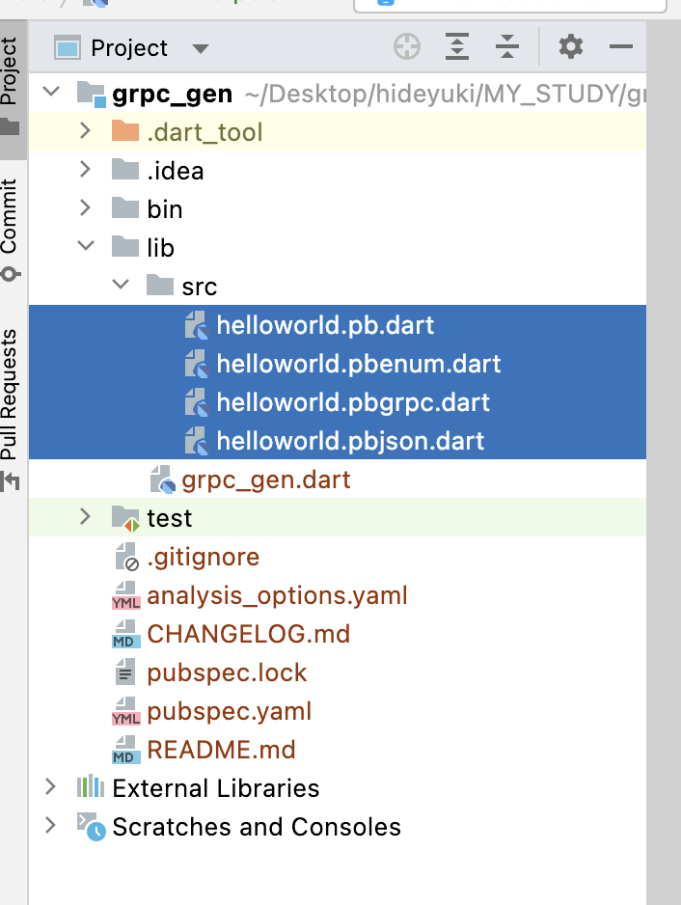

 |  |  |  |  |  |  | grpc_gen
 |  |  |  |  |  |  | 側に作成される

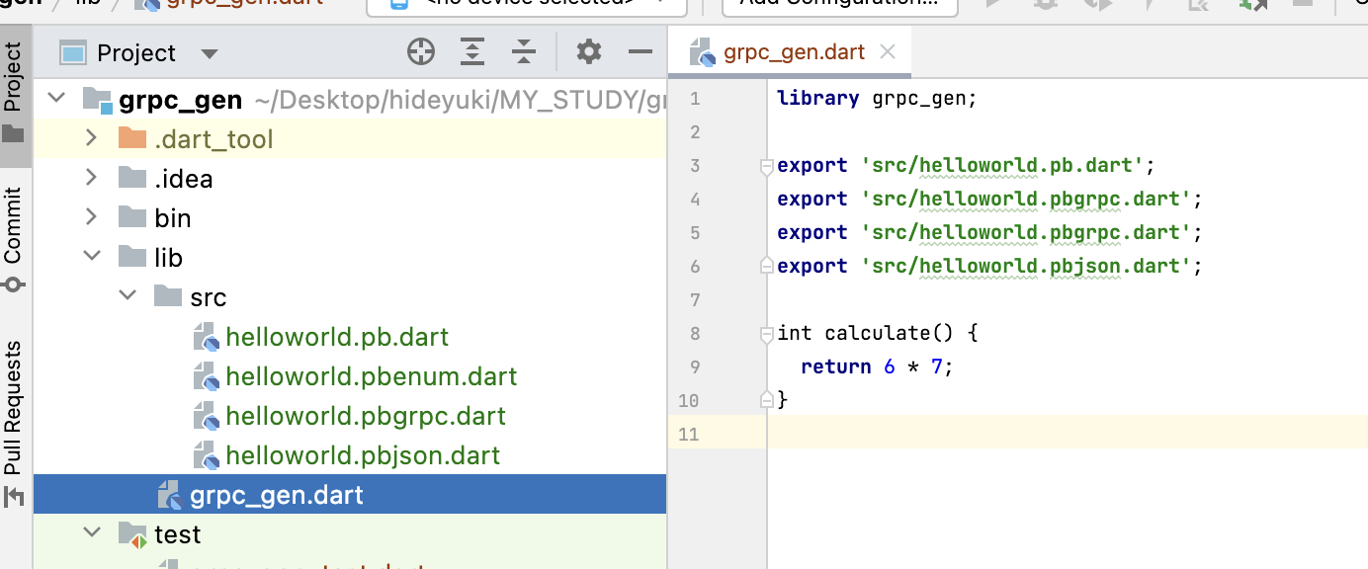

 |  | library grpc_gen; |  |  |  |  |  |  | grpc_gen.dart
 |  |  |  |  |  |  |  |  | にexportをまとめて書いておく
 |  | export 'src/helloworld.pb.dart';
 |  | export 'src/helloworld.pbgrpc.dart'; |  |  |  |  |  |  | calclateは無関係だが、消すとテストコードからエラーが出る
 |  | export 'src/helloworld.pbgrpc.dart';
 |  | export 'src/helloworld.pbjson.dart';

 |  | int calculate() {
 |  | return 6 * 7;
 |  | }

● | 必要なパッケージを追加

 | grpc/001/server/pubspec.yaml

 |  | name: server
 |  | description: A sample command-line application.

 |  | publish_to: none

 |  | version: 1.0.0
 |  | # homepage: https://www.example.com

 |  | environment:
 |  | sdk: '>=2.18.3 <3.0.0'

 |  | dependencies:
 |  | grpc: ^3.0.2
 |  | grpc_gen:
 |  | path: ../grpc_gen

 |  | dev_dependencies:
 |  | lints: ^2.0.0
 |  | test: ^1.16.0

● | サーバー用のファイルを作成

 | grpc/001/server/lib/greeter_service.dart

 |  | import 'package:grpc/grpc.dart';
 |  | import 'package:grpc_gen/grpc_gen.dart';

 |  | class GreeterService extends GreeterServiceBase {
 |  | @override
 |  | Future<HelloReply> sayHello(ServiceCall call, HelloRequest request) async {
 |  | // サーバー側で名前を追加して返却
 |  | return HelloReply()..message = 'Hello, ${request.name}!';
 |  | }
 |  | }

 | grpc/001/server/bin/server.dart

 |  | import 'package:grpc/grpc.dart';
 |  | import 'package:server/greeter_service.dart';

 |  | Future<void> main(List<String> args) async {
 |  | final server = Server(
 |  | [GreeterService()],
 |  | const <Interceptor>[],
 |  | CodecRegistry(codecs: const [GzipCodec(), IdentityCodec()]),
 |  | );

 |  | await server.serve(port: 50051);

 |  | print('Server listening on port ${server.port}...');
 |  | }



 | toyohide@toyohidenoMacBook-Pro 001 % flutter create app
 | Creating project app...
 | Running "flutter pub get" in app... 1,088ms
 | Wrote 127 files.

 | All done!
 | In order to run your application, type:

 | $ cd app
 | $ flutter run

 | Your application code is in app/lib/main.dart.

 | grpc/001/app/pubspec.yaml

 |  | name: app
 |  | description: A new Flutter project.

 |  | publish_to: 'none'

 |  | version: 1.0.0+1

 |  | environment:
 |  | sdk: '>=2.18.5 <3.0.0'

 |  | dependencies:
 |  | flutter:
 |  | sdk: flutter

 |  | cupertino_icons: ^1.0.2

 |  | flutter_riverpod: ^2.0.2
 |  | go_router: ^5.1.0
 |  | grpc: ^3.0.2
 |  | grpc_gen: |  | 他アプリを使う方法
 |  | path: ../grpc_gen

 |  | flutter_hooks: ^0.18.5+1 |  |  |  | ページに書いてないが必要
 |  | hooks_riverpod: ^2.1.1

 |  | dev_dependencies:
 |  | flutter_test:
 |  | sdk: flutter

 |  | flutter_lints: ^2.0.0

 |  | build_runner: ^2.3.0
 |  | go_router_builder: ^1.0.14

 |  | flutter:

 |  | uses-material-design: true

 | grpc/001/app/lib/main.dart

 |  | import 'package:flutter/material.dart';
 |  | import 'package:flutter_riverpod/flutter_riverpod.dart';

 |  | import 'hello_world_page.dart';

 |  | void main() {
 |  | runApp(const ProviderScope(child: MyApp()));
 |  | }

 |  | class MyApp extends StatelessWidget {
 |  | const MyApp({super.key});

 |  | @override
 |  | Widget build(BuildContext context) {
 |  | return const MaterialApp(
 |  | home: HelloWorldPage(),
 |  | );
 |  | }
 |  | }

 | grpc/001/app/lib/hello_world_page.dart

 |  | import 'package:flutter/material.dart';
 |  | import 'package:flutter_hooks/flutter_hooks.dart';
 |  | import 'package:grpc/grpc.dart';
 |  | import 'package:hooks_riverpod/hooks_riverpod.dart';

 |  | import 'package:grpc_gen/grpc_gen.dart';

 |  | //////////////////////////////////////////////////////////

 |  | /// サーバーへアクセスするためのチャンネル
 |  | final channelProvider = Provider.autoDispose<ClientChannel>((ref) {
 |  | final channel = ClientChannel(
 |  | 'localhost',
 |  | port: 50051,
 |  | options: const ChannelOptions(
 |  | // ローカルなのでTLSを無効化
 |  | credentials: ChannelCredentials.insecure(),
 |  | ),
 |  | );

 |  | ref.onDispose(() {
 |  | // チャンネルが利用されなくなったら破棄
 |  | channel.shutdown();
 |  | });

 |  | return channel;
 |  | });

 |  | //////////////////////////////////////////////////////////

 |  | /// 入力文字列
 |  | final nameProvider = StateProvider.autoDispose<String>((ref) {
 |  | return '';
 |  | });

 |  | //////////////////////////////////////////////////////////

 |  | /// サーバーから取得した挨拶
 |  | final greeterProvider = FutureProvider.autoDispose<String>((ref) async {
 |  | // サーバーへアクセスするためのチャンネルを取得
 |  | final channel = ref.watch(channelProvider);

 |  | // 入力された名前を取得
 |  | final name = ref.watch(nameProvider);
 |  | if (name.isEmpty) {
 |  | return '';
 |  | }

 |  | // クライアント作成
 |  | final client = GreeterClient(channel);

 |  | // サービス実行
 |  | final response = await client.sayHello(
 |  | HelloRequest(name: name),
 |  | options: CallOptions(compression: const GzipCodec()),
 |  | );

 |  | // レスポンスの中からメッセージを取り出して返却
 |  | return response.message;
 |  | });

 |  | //////////////////////////////////////////////////////////

 |  | class HelloWorldPage extends HookWidget {
 |  | const HelloWorldPage({super.key});

 |  | @override
 |  | Widget build(BuildContext context) {
 |  | final textController = useTextEditingController();
 |  | return Scaffold(
 |  | appBar: AppBar(title: const Text('Hello, world!')),
 |  | body: Padding(
 |  | padding: const EdgeInsets.symmetric(horizontal: 32),
 |  | child: Column(
 |  | children: [
 |  | // 挨拶
 |  | Consumer(
 |  | builder: (context, ref, child) {
 |  | // 取得した結果を設定
 |  | final greet = ref.watch(greeterProvider).valueOrNull ?? '';
 |  | return Text(greet);
 |  | },
 |  | ),
 |  | const SizedBox(height: 32),
 |  | // 入力欄
 |  | Consumer(
 |  | builder: (context, ref, child) {
 |  | return TextFormField(
 |  | controller: textController,
 |  | onEditingComplete: () {
 |  | // 入力完了時に入力文字列の状態を更新
 |  | ref
 |  | .read(nameProvider.notifier)
 |  | .update((state) => textController.text);
 |  | },
 |  | );
 |  | },
 |  | ),
 |  | ],
 |  | ),
 |  | ),
 |  | );
 |  | }
 |  | }

 | toyohide@toyohidenoMacBook-Pro 001 % cd server

 | toyohide@toyohidenoMacBook-Pro server % dart bin/server.dart
 | Server listening on port 50051... |  |  |  | サーバーを待機状態にしてから

単一リクエスト, 単一レスポンス
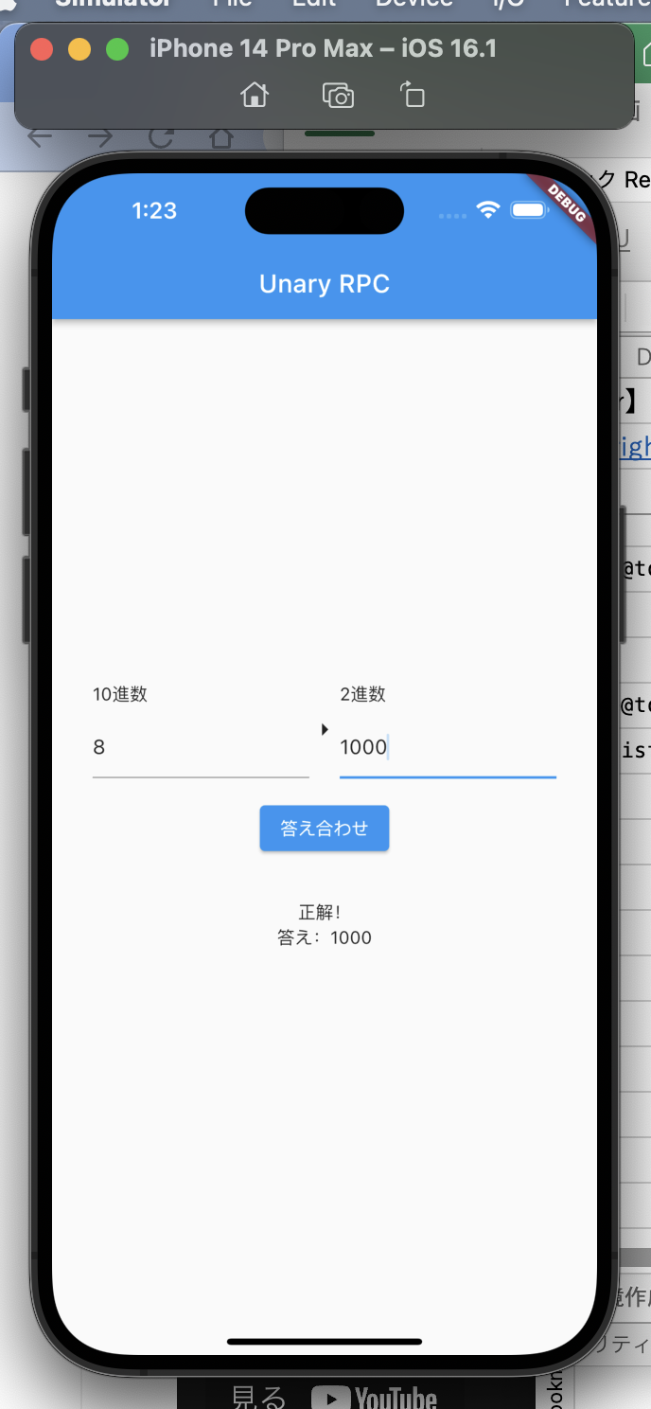
【Flutter】gRPCを使ってAPI通信を実装する【後編】
https://rightcode.co.jp/blog/information-technology/flutter-grpc-api-2-syain

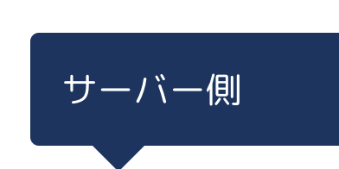

grpc/001/server/protos/decimal_to_binary.proto

 | syntax = "proto3";

 | package decimal_to_binary;

 | service Converter {
 | rpc Convert (ConvertRequest) returns (ConvertResponse) {}
 | }

 | message ConvertRequest {
 | int32 decimal = 1;
 | string binary = 2;
 | }

 | message ConvertResponse {
 | bool isCorrect = 1;
 | string answer = 2;
 | }

toyohide@toyohidenoMacBook-Pro server % pwd
/Users/toyohide/Desktop/hideyuki/MY_STUDY/grpc/001/server

toyohide@toyohidenoMacBook-Pro server % cd ../grpc_gen/lib/src |  |  |  |  |  | serverから一度移動して
 |  |  |  |  |  | 出力先のディレクトリを作成する

toyohide@toyohidenoMacBook-Pro src % mkdir decimal_to_binary

toyohide@toyohidenoMacBook-Pro src % cd /Users/toyohide/Desktop/hideyuki/MY_STUDY/grpc/001/server

toyohide@toyohidenoMacBook-Pro server % protoc --dart_out=grpc:../grpc_gen/lib/src/decimal_to_binary -Iprotos protos/decimal_to_binary.proto

 |  |  |  | 新規作成
grpc/001/grpc_gen/lib/src/decimal_to_binary/decimal_to_binary.dart

 | library decimal_to_binary;

 | export 'decimal_to_binary.pb.dart';
 | export 'decimal_to_binary.pbenum.dart';
 | export 'decimal_to_binary.pbgrpc.dart';
 | export 'decimal_to_binary.pbjson.dart';

 |  | 追記
grpc/001/grpc_gen/lib/grpc_gen.dart

 | library grpc_gen;

 | export 'src/helloworld.pb.dart';
 | export 'src/helloworld.pbgrpc.dart';
 | export 'src/helloworld.pbgrpc.dart';
 | export 'src/helloworld.pbjson.dart';

 | export 'src/decimal_to_binary/decimal_to_binary.dart';

 | int calculate() {
 | return 6 * 7;
 | }

grpc/001/server/lib/converter_service.dart

 | import 'package:grpc/grpc.dart';
 | import 'package:grpc_gen/grpc_gen.dart';

 | class ConverterService extends ConverterServiceBase {
 | @override
 | Future<ConvertResponse> convert(
 | ServiceCall call,
 | ConvertRequest request,
 | ) async {
 | // 2進数に変換
 | final result = request.decimal.toRadixString(2);

 | return ConvertResponse(
 | isCorrect: result == request.binary,
 | answer: result,
 | );
 | }
 | }

grpc/001/server/bin/server.dart

 | import 'package:grpc/grpc.dart';
 | import 'package:server/greeter_service.dart';

 | // |  |  |  | 追記
 | import 'package:server/converter_service.dart';
 | //

 | Future<void> main(List<String> args) async {
 | final server = Server(
 | [
 | GreeterService(),

 | // |  | 追記
 | ConverterService(),
 | //
 | ],
 | const <Interceptor>[],
 | CodecRegistry(codecs: const [GzipCodec(), IdentityCodec()]),
 | );

 | await server.serve(port: 50051);

 | print('Server listening on port ${server.port}...');
 | }



grpc/001/app/lib/decimal_to_binary_page.dart

 | import 'package:flutter/material.dart';
 | import 'package:flutter_riverpod/flutter_riverpod.dart';
 | import 'package:grpc/grpc.dart';

 | import 'package:grpc_gen/grpc_gen.dart';

 | import 'hello_world_page.dart';

 | //////////////////////////////////////////////////////////

 | /// 10進数を保持するProvider
 | final decimalProvider = StateProvider.autoDispose<String>((ref) {
 | return '';
 | });

 | /// 2進数を保持するProvider
 | final binaryProvider = StateProvider.autoDispose<String>((ref) {
 | return '';
 | });

 | //////////////////////////////////////////////////////////

 | /// 変換可能かどうかを判定するProvider
 | final convertibleProvider = Provider.autoDispose<bool>((ref) {
 | final decimal = ref.watch(decimalProvider);
 | final binary = ref.watch(binaryProvider);
 | if (decimal.isEmpty || binary.isEmpty) {
 | // 未入力の場合は不可
 | return false;
 | }

 | final decimalNumber = int.tryParse(decimal);
 | if (decimalNumber == null) {
 | // 入力された10進数が数字でない場合は不可
 | return false;
 | }

 | // それ以外の場合は可
 | return true;
 | });

 | //////////////////////////////////////////////////////////

 | final convertProvider =
 | StateNotifierProvider.autoDispose<ConvertNotifier, ConvertResponse?>((ref) {
 | return ConvertNotifier(channel: ref.watch(channelProvider));
 | });

 | //////////////////////////////////////////////////////////

 | class ConvertNotifier extends StateNotifier<ConvertResponse?> {
 | ConvertNotifier({
 | required ClientChannel channel,
 | }) : _channel = channel,
 | super(null);

 | final ClientChannel _channel;

 | Future<void> check({required int decimal, required String binary}) async {
 | // クライアント作成
 | final client = ConverterClient(_channel);

 | // サービス実行
 | final response = await client.convert(
 | ConvertRequest(decimal: decimal, binary: binary),
 | );

 | // レスポンスの状態を更新
 | state = response;
 | }

 | void reset() {
 | state = null;
 | }
 | }

 | //////////////////////////////////////////////////////////

 | class DecimalToBinaryPage extends StatelessWidget {
 | const DecimalToBinaryPage({super.key});

 | @override
 | Widget build(BuildContext context) {
 | return Scaffold(
 | appBar: AppBar(title: const Text('Unary RPC')),
 | body: SafeArea(
 | child: Padding(
 | padding: const EdgeInsets.symmetric(horizontal: 32),
 | child: Column(
 | mainAxisAlignment: MainAxisAlignment.center,
 | children: [
 | Row(
 | children: [
 | Expanded(
 | child: Column(
 | crossAxisAlignment: CrossAxisAlignment.start,
 | children: [
 | const Text('10進数'),
 | const SizedBox(height: 8),
 | Consumer(
 | builder: (context, ref, child) {
 | return TextField(
 | onChanged: (value) {
 | ref.read(convertProvider.notifier).reset();
 | ref
 | .read(decimalProvider.notifier)
 | .update((state) => value);
 | },
 | );
 | },
 | ),
 | ],
 | ),
 | ),
 | const Icon(Icons.arrow_right),
 | Expanded(
 | child: Column(
 | crossAxisAlignment: CrossAxisAlignment.start,
 | children: [
 | const Text('2進数'),
 | const SizedBox(height: 8),
 | Consumer(
 | builder: (context, ref, child) {
 | return TextField(
 | onChanged: (value) {
 | ref.read(convertProvider.notifier).reset();
 | ref
 | .read(binaryProvider.notifier)
 | .update((state) => value);
 | },
 | );
 | },
 | ),
 | ],
 | ),
 | ),
 | ],
 | ),
 | const SizedBox(height: 16),
 | Consumer(
 | builder: (context, ref, child) {
 | return ElevatedButton(
 | onPressed: ref.watch(convertibleProvider)
 | ? () {
 | ref.read(convertProvider.notifier).check(
 | decimal:
 | int.parse(ref.watch(decimalProvider)),
 | binary: ref.watch(binaryProvider),
 | );
 | }
 | : null,
 | child: const Text('答え合わせ'),
 | );
 | },
 | ),
 | const SizedBox(height: 32),
 | Consumer(
 | builder: (context, ref, child) {
 | final response = ref.watch(convertProvider);
 | if (response == null) {
 | return const SizedBox.shrink();
 | }
 | return Column(
 | children: [
 | Text(response.isCorrect ? '正解！' : '不正解！'),
 | Text('答え：${response.answer}'),
 | ],
 | );
 | },
 | )
 | ],
 | ),
 | ),
 | ),
 | );
 | }
 | }

grpc/001/app/lib/main.dart

 | import 'package:flutter/material.dart';
 | import 'package:flutter_riverpod/flutter_riverpod.dart';

 | import 'hello_world_page.dart';

 | //
 | import 'decimal_to_binary_page.dart';
 | //

 | void main() {
 | runApp(const ProviderScope(child: MyApp()));
 | }

 | class MyApp extends StatelessWidget {
 | const MyApp({super.key});

 | @override
 | Widget build(BuildContext context) {
 | return const MaterialApp(
 | //
 | home: DecimalToBinaryPage(),
 | //
 | );
 | }
 | }

toyohide@toyohidenoMacBook-Pro 001 % cd server

toyohide@toyohidenoMacBook-Pro server % dart bin/server.dart
Server listening on port 50051... |  |  | サーバーを待機状態にしてから

単一リクエスト, 複数レスポンス
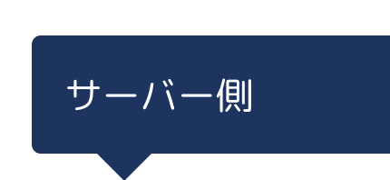

grpc/001/server/protos/time_notification.proto

 | syntax = "proto3";

 | package time_notification;

 | service TimeNotifier {
 | rpc notifier (TimeNotificationRequest) returns (TimeNotificationResponse) {}
 | }

 | message TimeNotificationRequest {
 | int32 interval = 1;
 | }

 | message TimeNotificationResponse {
 | int64 unixTime = 1;
 | }

toyohide@toyohidenoMacBook-Pro server % pwd
/Users/toyohide/Desktop/hideyuki/MY_STUDY/grpc/001/server

toyohide@toyohidenoMacBook-Pro server % cd ../grpc_gen/lib/src

toyohide@toyohidenoMacBook-Pro src % mkdir time_notification

toyohide@toyohidenoMacBook-Pro src % cd /Users/toyohide/Desktop/hideyuki/MY_STUDY/grpc/001/server

toyohide@toyohidenoMacBook-Pro server % protoc --dart_out=grpc:../grpc_gen/lib/src/time_notification -Iprotos protos/time_notification.proto

grpc/001/grpc_gen/lib/src/time_notification/time_notification.dart

 | library time_notification;

 | export 'time_notification.pb.dart';
 | export 'time_notification.pbenum.dart';
 | export 'time_notification.pbgrpc.dart';
 | export 'time_notification.pbjson.dart';

grpc/001/grpc_gen/lib/grpc_gen.dart

 | library grpc_gen;

 | export 'src/helloworld.pb.dart';
 | export 'src/helloworld.pbgrpc.dart';
 | export 'src/helloworld.pbgrpc.dart';
 | export 'src/helloworld.pbjson.dart';

 | export 'src/decimal_to_binary/decimal_to_binary.dart';

 | export 'src/time_notification/time_notification.dart';

 | int calculate() {
 | return 6 * 7;
 | }

複数リクエスト, 単一レスポンス
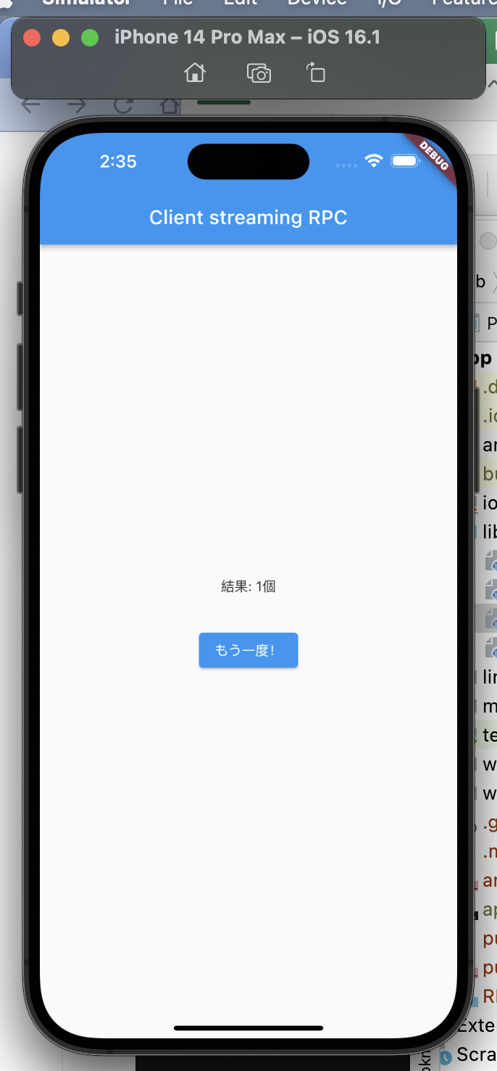


grpc/001/server/protos/word_count.proto

 | syntax = "proto3";

 | package word_count;

 | service WordCounter {
 | rpc count (stream WordCountRequest) returns (WordCountResponse) {}
 | }

 | message WordCountRequest {
 | string word = 1;
 | }

 | message WordCountResponse {
 | int32 count = 1;
 | }

toyohide@toyohidenoMacBook-Pro server % pwd
/Users/toyohide/Desktop/hideyuki/MY_STUDY/grpc/001/server

toyohide@toyohidenoMacBook-Pro server % cd ../grpc_gen/lib/src

toyohide@toyohidenoMacBook-Pro src % mkdir word_count

toyohide@toyohidenoMacBook-Pro src % cd /Users/toyohide/Desktop/hideyuki/MY_STUDY/grpc/001/server

toyohide@toyohidenoMacBook-Pro server % protoc --dart_out=grpc:../grpc_gen/lib/src/word_count -Iprotos protos/word_count.proto

grpc/001/grpc_gen/lib/src/word_count/word_count.dart

 | library word_count;

 | export 'word_count.pb.dart';
 | export 'word_count.pbenum.dart';
 | export 'word_count.pbgrpc.dart';
 | export 'word_count.pbjson.dart';

grpc/001/grpc_gen/lib/grpc_gen.dart

 | library grpc_gen;

 | export 'src/helloworld.pb.dart';
 | export 'src/helloworld.pbgrpc.dart';
 | export 'src/helloworld.pbgrpc.dart';
 | export 'src/helloworld.pbjson.dart';

 | export 'src/decimal_to_binary/decimal_to_binary.dart';

 | export 'src/time_notification/time_notification.dart';

 | export 'src/word_count/word_count.dart';

 | int calculate() {
 | return 6 * 7;
 | }

grpc/001/server/lib/word_counter_service.dart

 | import 'package:grpc/grpc.dart';
 | import 'package:grpc_gen/grpc_gen.dart';

 | class WordCounterService extends WordCounterServiceBase {
 | final words = <String>[];

 | @override
 | Future<WordCountResponse> count(
 | ServiceCall call,
 | Stream<WordCountRequest> request,
 | ) async {
 | await for (final req in request) {
 | // リクエストごとにリストに追加
 | print('単語: ${req.word}');
 | words.add(req.word);
 | }

 | // aから始まる単語をカウント
 | final count = [...words.where((element) => element.startsWith('a'))].length;

 | // リセット
 | words.clear();

 | // カウント数を返却
 | return WordCountResponse(count: count);
 | }
 | }

grpc/001/server/bin/server.dart

 | import 'package:grpc/grpc.dart';
 | import 'package:server/greeter_service.dart';

 | import 'package:server/converter_service.dart';

 | //
 | import 'package:server/word_counter_service.dart';
 | //

 | Future<void> main(List<String> args) async {
 | final server = Server(
 | [
 | GreeterService(),
 | ConverterService(),

 | //
 | WordCounterService(),
 | //
 | ],
 | const <Interceptor>[],
 | CodecRegistry(codecs: const [GzipCodec(), IdentityCodec()]),
 | );

 | await server.serve(port: 50051);

 | print('Server listening on port ${server.port}...');
 | }



grpc/001/app/lib/word_count_page.dart

 | import 'dart:async';

 | import 'package:flutter/material.dart';
 | import 'package:flutter_hooks/flutter_hooks.dart';
 | import 'package:hooks_riverpod/hooks_riverpod.dart';

 | import 'package:grpc_gen/grpc_gen.dart';

 | import 'hello_world_page.dart';

 | //////////////////////////////////////////////////////////

 | /// 入力した単語をStreamで保持するためのController
 | final wordStreamControllerProvider =
 | StateProvider.autoDispose<StreamController<String>?>((ref) {
 | return;
 | });

 | //////////////////////////////////////////////////////////

 | /// 単語の数を取得するProvider
 | final wordCountProvider = FutureProvider.autoDispose<int?>((ref) async {
 | // サーバーへアクセスするためのチャンネルを取得
 | final channel = ref.watch(channelProvider);

 | final streamController = ref.watch(wordStreamControllerProvider);
 | if (streamController == null) {
 | return null;
 | }

 | // 5秒後にStreamの終了を通知
 | Future.delayed(const Duration(seconds: 5)).then(
 | (_) => streamController.close(),
 | );

 | // クライアント作成
 | final client = WordCounterClient(channel);

 | final response = await client.count(
 | streamController.stream.map(
 | (word) => WordCountRequest(word: word),
 | ),
 | );

 | return response.count;
 | });

 | //////////////////////////////////////////////////////////

 | class WordCountPage extends HookWidget {
 | const WordCountPage({super.key});

 | @override
 | Widget build(BuildContext context) {
 | final textController = useTextEditingController();
 | return Scaffold(
 | appBar: AppBar(title: const Text('Client streaming RPC')),
 | body: SafeArea(
 | child: Padding(
 | padding: const EdgeInsets.symmetric(horizontal: 32),
 | child: Center(
 | child: Column(
 | mainAxisAlignment: MainAxisAlignment.center,
 | children: [
 | Consumer(
 | builder: (context, ref, child) {
 | final count = ref.watch(wordCountProvider).valueOrNull;
 | if (count == null) {
 | return const SizedBox.shrink();
 | }
 | return Text('結果: $count個');
 | },
 | ),
 | const SizedBox(height: 32),
 | Consumer(
 | builder: (context, ref, child) {
 | final streamController =
 | ref.watch(wordStreamControllerProvider);

 | if (streamController == null) {
 | return ElevatedButton(
 | onPressed: () {
 | ref
 | .read(wordStreamControllerProvider.notifier)
 | .update((state) => StreamController());
 | },
 | child: const Text('開始！'),
 | );
 | }

 | final count = ref.watch(wordCountProvider).valueOrNull;

 | if (count != null) {
 | return ElevatedButton(
 | onPressed: () {
 | textController.clear();
 | ref
 | .read(wordStreamControllerProvider.notifier)
 | .update((state) => null);
 | },
 | child: const Text('もう一度！'),
 | );
 | }

 | return TextField(
 | controller: textController,
 | onEditingComplete: () {
 | ref
 | .read(wordStreamControllerProvider)
 | ?.add(textController.text);
 | textController.clear();
 | },
 | );
 | },
 | ),
 | ],
 | ),
 | ),
 | ),
 | ),
 | );
 | }
 | }

grpc/001/app/lib/main.dart

 | import 'package:flutter/material.dart';
 | import 'package:flutter_riverpod/flutter_riverpod.dart';

 | import 'hello_world_page.dart';

 | import 'decimal_to_binary_page.dart';

 | import 'word_count_page.dart';

 | void main() {
 | runApp(const ProviderScope(child: MyApp()));
 | }

 | class MyApp extends StatelessWidget {
 | const MyApp({super.key});

 | @override
 | Widget build(BuildContext context) {
 | return const MaterialApp(
 | //
 | home: WordCountPage(),
 | //
 | );
 | }
 | }

toyohide@toyohidenoMacBook-Pro server % dart bin/server.dart
Server listening on port 50051...
単語: apple

複数リクエスト, 複数レスポンス
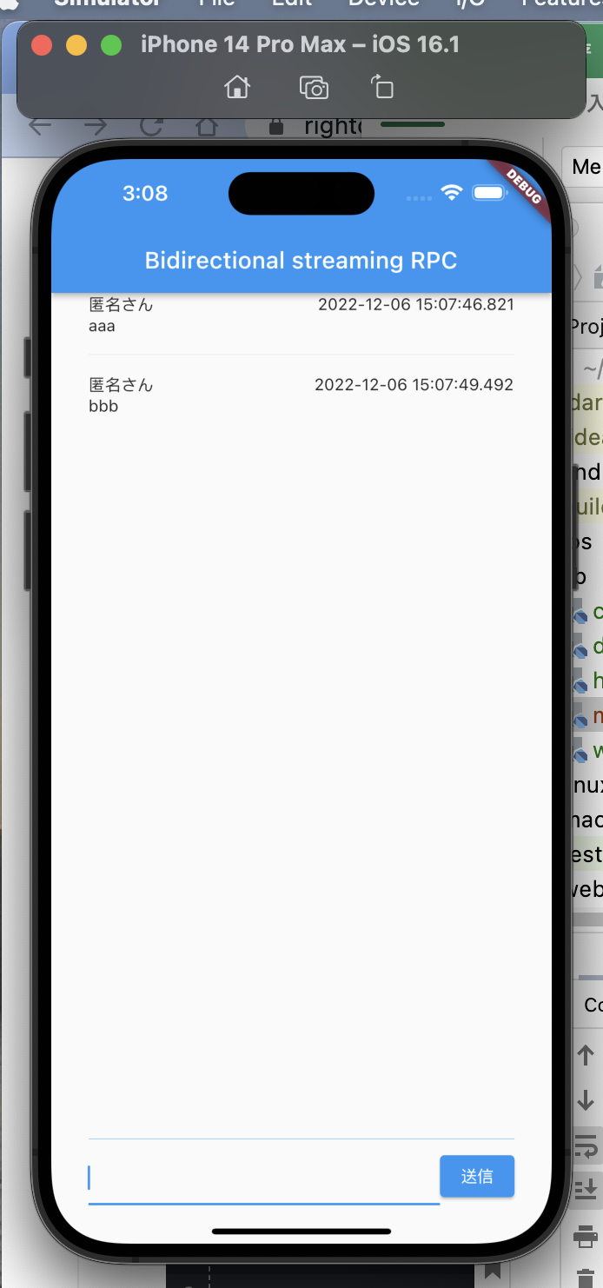


grpc/001/server/protos/chat.proto

 | syntax = "proto3";

 | package chat;

 | service ChatConnecter {
 | rpc connect (stream ChatConnectRequest) returns (stream ChatConnectResponse) {}
 | }

 | message ChatConnectRequest {
 | string message = 1;
 | }

 | message ChatConnectResponse {
 | repeated Message messages = 1;
 | }

 | message Message {
 | string message = 1;
 | int64 unixTime = 2;
 | }

toyohide@toyohidenoMacBook-Pro server % pwd
/Users/toyohide/Desktop/hideyuki/MY_STUDY/grpc/001/server

toyohide@toyohidenoMacBook-Pro server % cd ../grpc_gen/lib/src

toyohide@toyohidenoMacBook-Pro src % mkdir chat

toyohide@toyohidenoMacBook-Pro src % cd /Users/toyohide/Desktop/hideyuki/MY_STUDY/grpc/001/server

toyohide@toyohidenoMacBook-Pro server % protoc --dart_out=grpc:../grpc_gen/lib/src/chat -Iprotos protos/chat.proto

grpc/001/grpc_gen/lib/src/chat/chat.dart

 | library chat;

 | export 'chat.pb.dart';
 | export 'chat.pbenum.dart';
 | export 'chat.pbgrpc.dart';
 | export 'chat.pbjson.dart';

grpc/001/grpc_gen/lib/grpc_gen.dart

 | library grpc_gen;

 | export 'src/helloworld.pb.dart';
 | export 'src/helloworld.pbgrpc.dart';
 | export 'src/helloworld.pbgrpc.dart';
 | export 'src/helloworld.pbjson.dart';

 | export 'src/decimal_to_binary/decimal_to_binary.dart';

 | export 'src/time_notification/time_notification.dart';

 | export 'src/word_count/word_count.dart';

 | export 'src/chat/chat.dart';

 | int calculate() {
 | return 6 * 7;
 | }

grpc/001/server/lib/chat_connecter_service.dart

 | import 'dart:async';

 | import 'package:fixnum/fixnum.dart';
 | import 'package:grpc/grpc.dart';
 | import 'package:grpc_gen/grpc_gen.dart';

 | class ChatConnecterService extends ChatConnecterServiceBase {
 | final streamController = StreamController<List<Message>>.broadcast();

 | final messages = <Message>[];

 | @override
 | Stream<ChatConnectResponse> connect(
 | ServiceCall call, Stream<ChatConnectRequest> request) async* {
 | // 現在のメッセージ一覧を設定
 | streamController.add(messages);

 | // 接続直後に現在のメッセージ一覧を送信
 | yield ChatConnectResponse(messages: messages);

 | request.listen(
 | (event) {
 | print('メッセージ: ${event.message}');
 | messages.add(
 | Message(
 | message: event.message,
 | unixTime: Int64(DateTime.now().millisecondsSinceEpoch),
 | ),
 | );
 | streamController.add(messages);
 | },
 | );

 | // Streamを返却
 | yield* streamController.stream
 | .map((messages) => ChatConnectResponse(messages: messages));
 | }
 | }

grpc/001/server/bin/server.dart

 | import 'package:grpc/grpc.dart';

 | import 'package:server/greeter_service.dart';

 | import 'package:server/converter_service.dart';

 | import 'package:server/word_counter_service.dart';

 | //
 | import 'package:server/chat_connecter_service.dart';
 | //

 | Future<void> main(List<String> args) async {
 | final server = Server(
 | [
 | GreeterService(),
 | ConverterService(),

 | WordCounterService(),
 | //
 | ChatConnecterService(),
 | //
 | ],
 | const <Interceptor>[],
 | CodecRegistry(codecs: const [GzipCodec(), IdentityCodec()]),
 | );

 | await server.serve(port: 50051);

 | print('Server listening on port ${server.port}...');
 | }



grpc/001/app/lib/chat_page.dart

 | import 'dart:async';

 | import 'package:flutter/material.dart';
 | import 'package:flutter_hooks/flutter_hooks.dart';
 | import 'package:flutter_riverpod/flutter_riverpod.dart';

 | import 'package:grpc_gen/grpc_gen.dart';

 | import 'hello_world_page.dart';

 | //////////////////////////////////////////////////////////

 | /// メッセージを流すStreamを管理するController
 | final messageStreamControllerProvider =
 | Provider.autoDispose<StreamController<String>>((ref) {
 | final controller = StreamController<String>();
 | ref.onDispose(controller.close);
 | return controller;
 | });

 | //////////////////////////////////////////////////////////

 | /// 取得したメッセージ一覧
 | final messagesProvider =
 | StreamProvider.autoDispose<List<Message>>((ref) async* {
 | // サーバーへアクセスするためのチャンネルを取得
 | final channel = ref.watch(channelProvider);

 | final streamController = ref.watch(messageStreamControllerProvider);

 | // クライアント作成
 | final client = ChatConnecterClient(channel);

 | // ResponseStreamを取得
 | final responseStream = client.connect(streamController.stream
 | .map((message) => ChatConnectRequest(message: message)));

 | await for (final response in responseStream) {
 | // Streamが流れるごとにメッセージ一覧を返却
 | yield response.messages;
 | }
 | });

 | //////////////////////////////////////////////////////////

 | class ChatPage extends HookWidget {
 | const ChatPage({super.key});

 | @override
 | Widget build(BuildContext context) {
 | final textController = useTextEditingController();
 | return Scaffold(
 | appBar: AppBar(title: const Text('Bidirectional streaming RPC')),
 | body: SafeArea(
 | child: Padding(
 | padding: const EdgeInsets.symmetric(horizontal: 32),
 | child: Column(
 | children: [
 | Expanded(
 | child: Consumer(builder: (context, ref, child) {
 | final messages =
 | ref.watch(messagesProvider).valueOrNull ?? [];
 | return ListView.separated(
 | itemBuilder: ((context, index) {
 | final message = messages[index];
 | return Column(
 | crossAxisAlignment: CrossAxisAlignment.start,
 | children: [
 | Row(
 | children: [
 | const Expanded(child: Text('匿名さん')),
 | Text(
 | '${DateTime.fromMillisecondsSinceEpoch(message.unixTime.toInt())}',
 | ),
 | ],
 | ),
 | Text(message.message),
 | ],
 | );
 | }),
 | separatorBuilder: ((context, index) {
 | return const Padding(
 | padding: EdgeInsets.symmetric(vertical: 8.0),
 | child: Divider(),
 | );
 | }),
 | itemCount: messages.length,
 | );
 | }),
 | ),
 | const Divider(
 | color: Colors.blue,
 | ),
 | Consumer(
 | builder: (context, ref, child) {
 | return Row(
 | children: [
 | Expanded(
 | child: TextField(
 | controller: textController,
 | ),
 | ),
 | ElevatedButton(
 | onPressed: () {
 | ref
 | .read(messageStreamControllerProvider)
 | .add(textController.text);
 | textController.clear();
 | },
 | child: const Text('送信'),
 | ),
 | ],
 | );
 | },
 | ),
 | ],
 | ),
 | ),
 | ),
 | );
 | }
 | }

grpc/001/app/lib/main.dart

 | import 'package:flutter/material.dart';
 | import 'package:flutter_riverpod/flutter_riverpod.dart';

 | import 'hello_world_page.dart';

 | import 'decimal_to_binary_page.dart';

 | import 'word_count_page.dart';

 | import 'chat_page.dart';

 | void main() {
 | runApp(const ProviderScope(child: MyApp()));
 | }

 | class MyApp extends StatelessWidget {
 | const MyApp({super.key});

 | @override
 | Widget build(BuildContext context) {
 | return const MaterialApp(
 | //
 | home: ChatPage(),
 | //
 | );
 | }
 | }

toyohide@toyohidenoMacBook-Pro server % dart bin/server.dart
Server listening on port 50051...
メッセージ: aaa
メッセージ: bbb

