mm4 準備
● | awsへのログイン

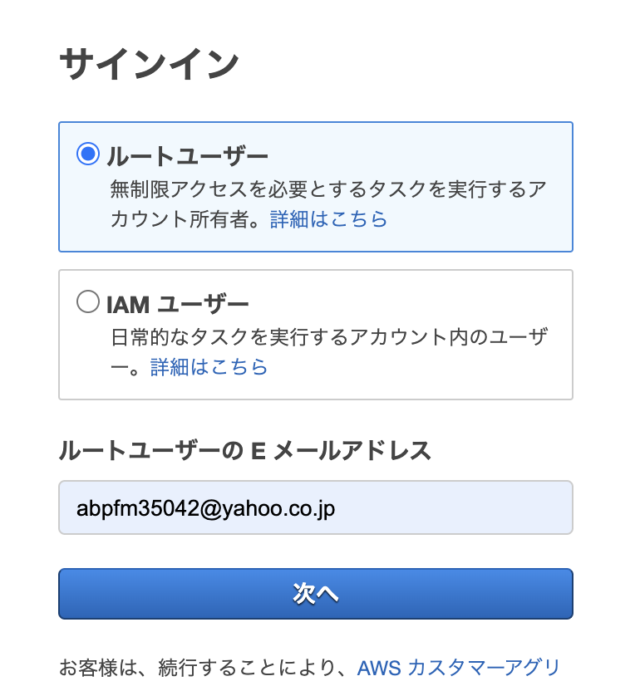

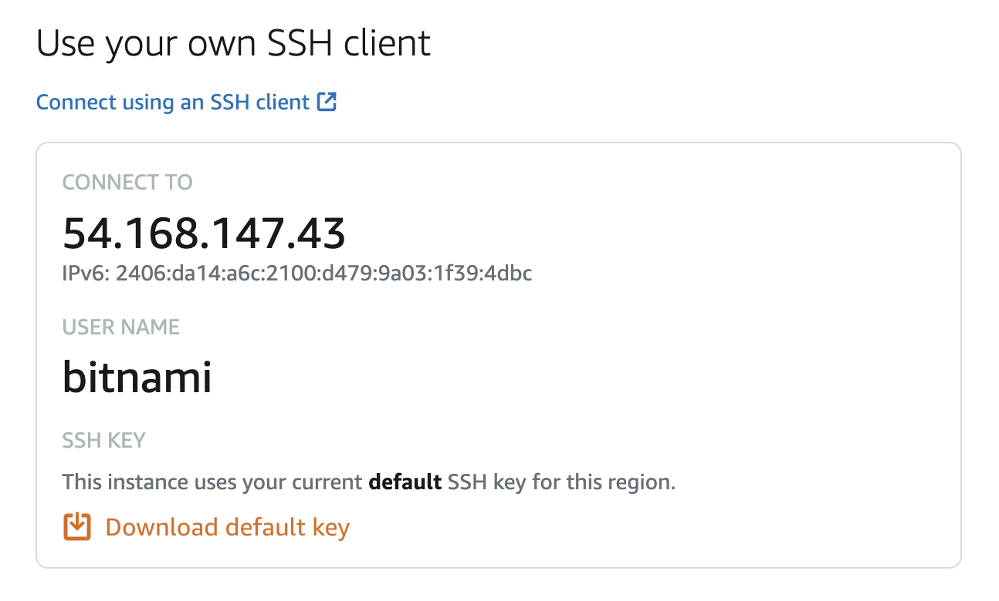

 | ① | 接続先のipアドレスを確認
 | ② | pemファイルをダウンロードする

● | sshでの接続

 | 参考
 | pemファイルを使ってSSHでEC2に接続する
 | https://www.gesource.jp/weblog/?p=8518

 | pemファイル確認
 | toyohide@toyohidenoMacBook-Pro ~ % ls -la ~/Downloads | grep pem
 | -rw-r--r--@ 1 toyohide staff 1679 7 24 18:51 LightsailDefaultKey-ap-northeast-1.pem

 | pemファイル移動 |  | どこにあってもいいけどね
 | toyohide@toyohidenoMacBook-Pro ~ % mv ~/Downloads/LightsailDefaultKey-ap-northeast-1.pem ~/.ssh

 | パーミッション変更
 | toyohide@toyohidenoMacBook-Pro ~ % chmod 400 ~/.ssh/LightsailDefaultKey-ap-northeast-1.pem

 | toyohide@toyohidenoMacBook-Pro ~ % ssh -i ~/.ssh/LightsailDefaultKey-ap-northeast-1.pem bitnami@54.168.147.43
 | The authenticity of host '54.168.147.43 (54.168.147.43)' can't be established.
 | ED25519 key fingerprint is SHA256:zWU/DA9NLKr3I/LNjeYpzWgPcR3rl8Ozz5QUyjHmuSI.
 | This key is not known by any other names
 | Are you sure you want to continue connecting (yes/no/[fingerprint])? yes
 | Warning: Permanently added '54.168.147.43' (ED25519) to the list of known hosts.
 | Linux ip-172-26-5-68 4.19.0-17-cloud-amd64 #1 SMP Debian 4.19.194-2 (2021-06-21) x86_64

 | The programs included with the Debian GNU/Linux system are free software;
 | the exact distribution terms for each program are described in the
 | individual files in /usr/share/doc/*/copyright.

 | Debian GNU/Linux comes with ABSOLUTELY NO WARRANTY, to the extent
 | permitted by applicable law.
 | ___ _ _ _
 | | _ |_) |_ _ _ __ _ _ __ (_)
 | | _ \ | _| ' \/ _` | ' \| |
 | |___/_|\__|_|_|\__,_|_|_|_|_|

 | *** Welcome to the Bitnami LAMP 7.4.21-0 ***
 | *** Documentation: https://docs.bitnami.com/aws/infrastructure/lamp/ ***
 | *** https://docs.bitnami.com/aws/ ***
 | *** Bitnami Forums: https://community.bitnami.com/ ***
 | Last login: Fri Mar 25 13:48:55 2022 from 133.32.129.94
 | -bash: alias: ll: not found
 | -bash: alias: =: not found
 | -bash: alias: ls -la: not found
 | bitnami@ip-172-26-5-68:~$

● | Filezillaでの接続

 | 参考
 | 超簡単！FTPソフトFileZilla（ファイルジラ）を設定する【conoha + kusanagi】
 | https://merideri.com/filezilla-configuration

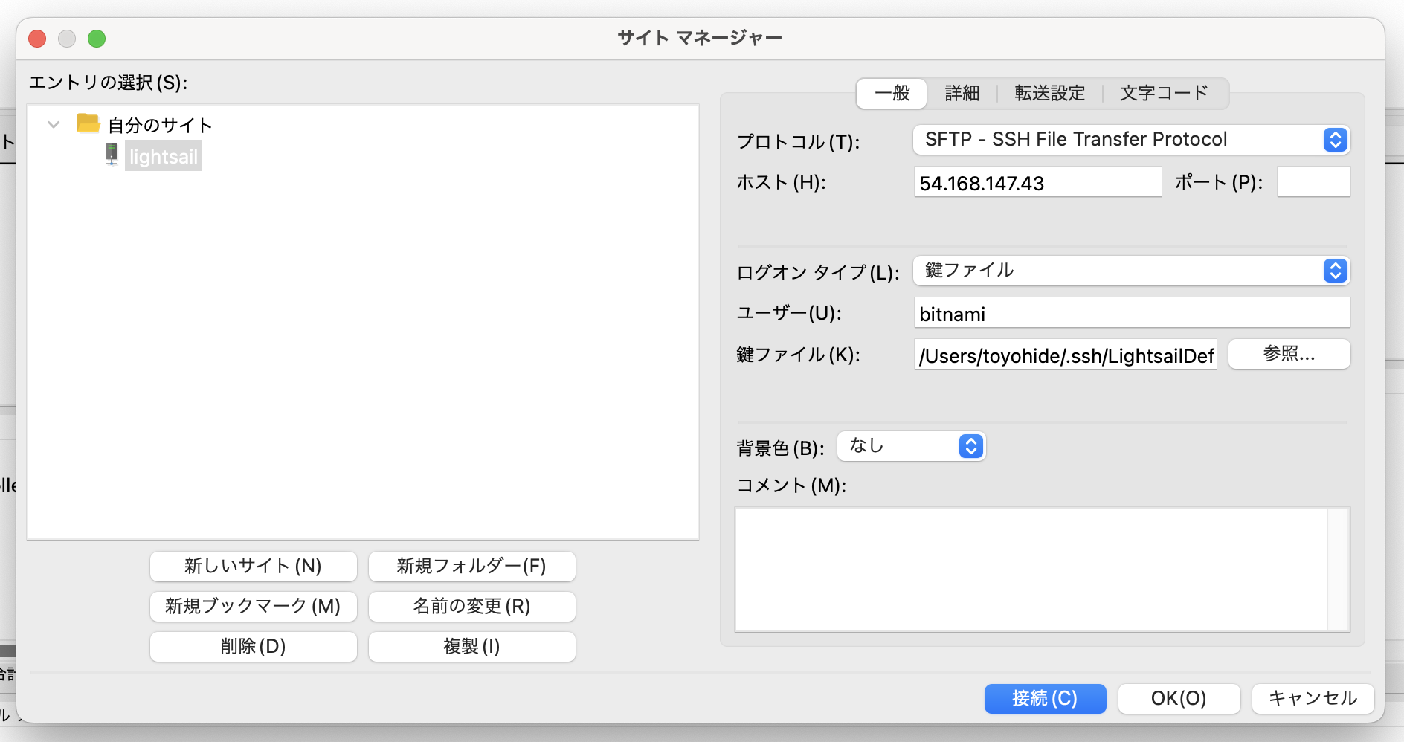

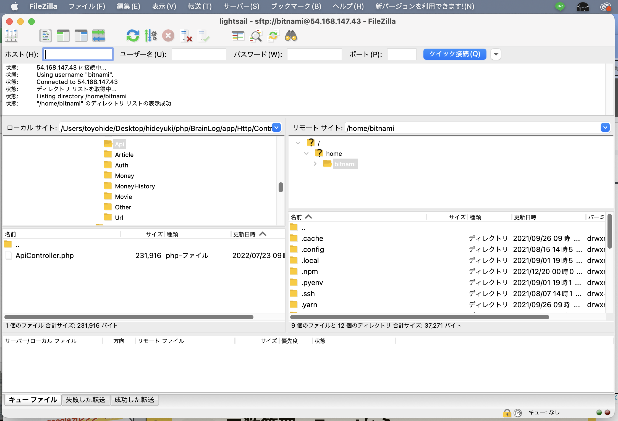

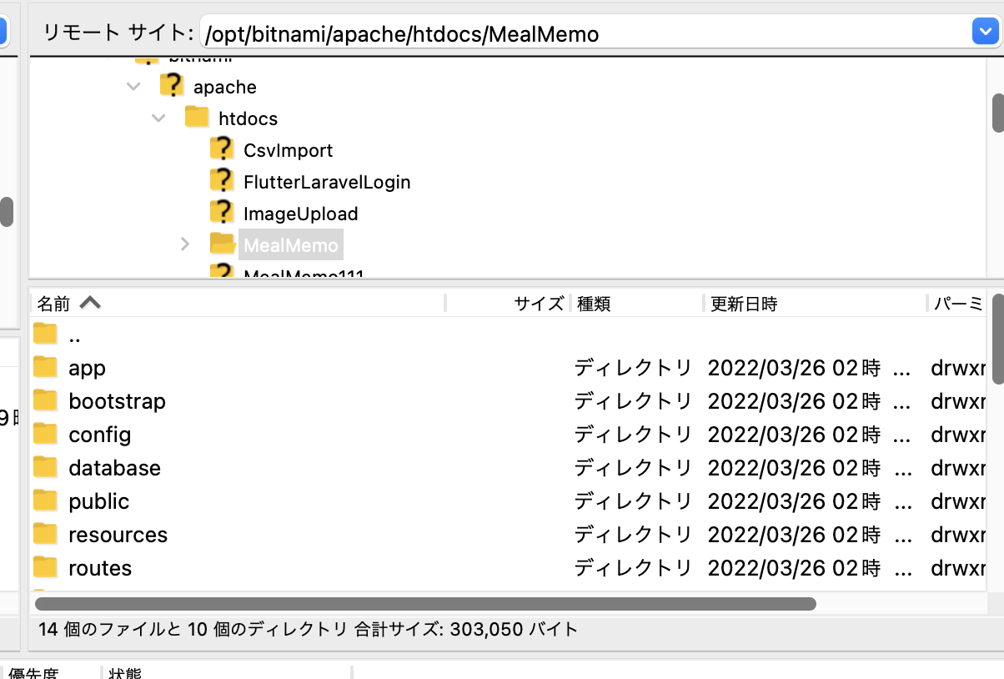

● | 表示確認

 | bitnami@ip-172-26-5-68:~$ cd /opt/bitnami/apache/htdocs/MealMemo
 | bitnami@ip-172-26-5-68:/opt/bitnami/apache/htdocs/MealMemo$
 | bitnami@ip-172-26-5-68:/opt/bitnami/apache/htdocs/MealMemo$ php artisan --version
 | Laravel Framework 8.83.5

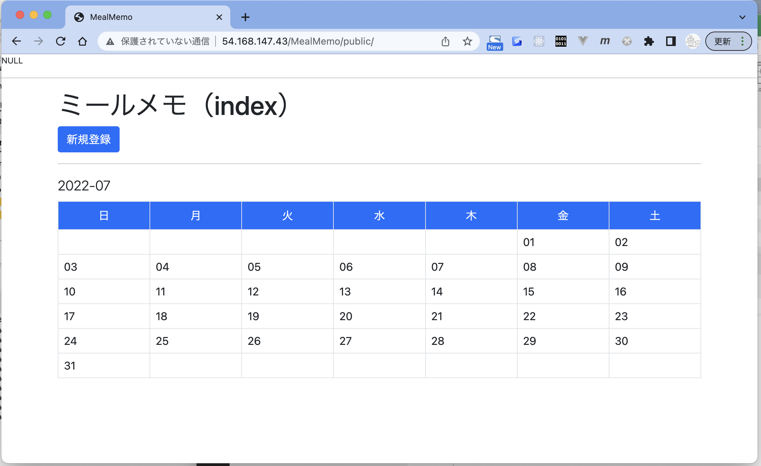

 | http://54.168.147.43/MealMemo/public/

● | vscodeを開く

 | toyohide@toyohidenoMacBook-Pro ~ % cd /Users/toyohide/Desktop/hideyuki/php/MealMemo
 | toyohide@toyohidenoMacBook-Pro MealMemo %

 | toyohide@toyohidenoMacBook-Pro MealMemo % code .

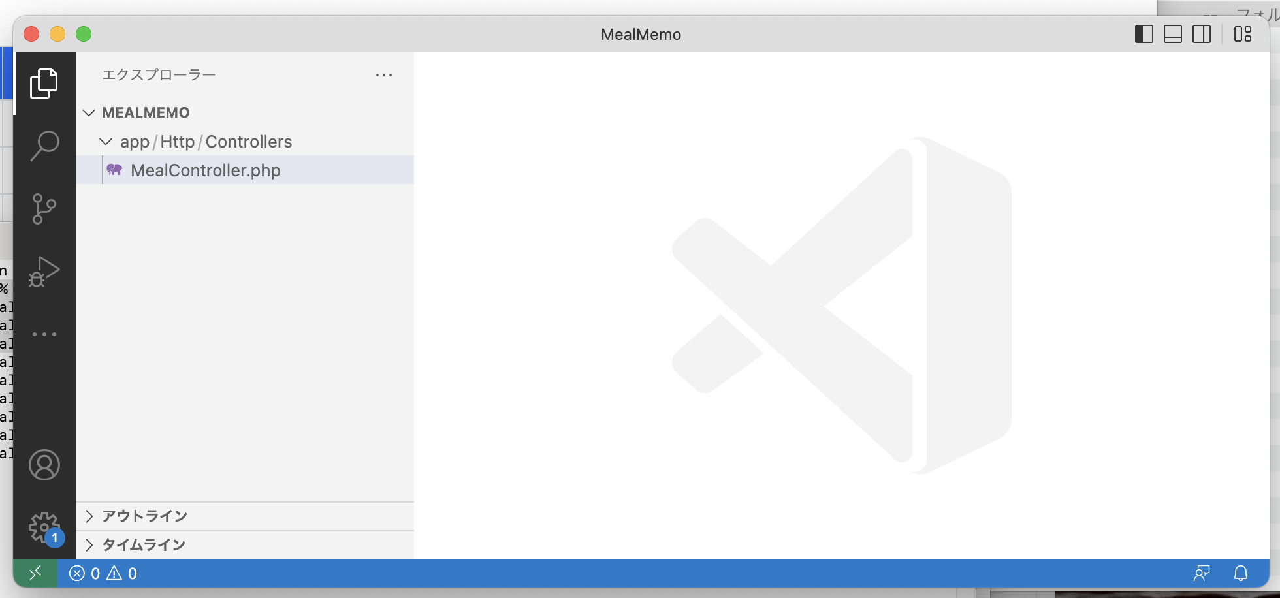

 | 実際にはもっと多くのファイルがあると思います。

 | bitnami@ip-172-26-5-68:/opt/bitnami/apache/htdocs/MealMemo$ cat .env
 | APP_NAME=MealMemo
 | APP_ENV=local
 | APP_KEY=base64:dw8O/+AduBXmFymnFyajZSdF8rkgB8/ECQpEt6mw7tE=
 | APP_DEBUG=true
 | APP_URL=http://localhost

 | LOG_CHANNEL=stack
 | LOG_DEPRECATIONS_CHANNEL=null
 | LOG_LEVEL=debug

 | DB_CONNECTION=mysql
 | DB_HOST=localhost
 | DB_PORT=3306
 | DB_DATABASE=mealmemo3
 | DB_USERNAME=root
 | DB_PASSWORD=WSv45msFQmnC

 | BROADCAST_DRIVER=log
 | CACHE_DRIVER=file
 | FILESYSTEM_DRIVER=local
 | QUEUE_CONNECTION=sync
 | SESSION_DRIVER=file
 | SESSION_LIFETIME=120

 | MEMCACHED_HOST=127.0.0.1

 | REDIS_HOST=127.0.0.1
 | REDIS_PASSWORD=null
 | REDIS_PORT=6379

 | MAIL_MAILER=smtp
 | MAIL_HOST=mailhog
 | MAIL_PORT=1025
 | MAIL_USERNAME=null
 | MAIL_PASSWORD=null
 | MAIL_ENCRYPTION=null
 | MAIL_FROM_ADDRESS=null
 | MAIL_FROM_NAME="${APP_NAME}"

 | AWS_ACCESS_KEY_ID=
 | AWS_SECRET_ACCESS_KEY=
 | AWS_DEFAULT_REGION=us-east-1
 | AWS_BUCKET=
 | AWS_USE_PATH_STYLE_ENDPOINT=false

 | PUSHER_APP_ID=
 | PUSHER_APP_KEY=
 | PUSHER_APP_SECRET=
 | PUSHER_APP_CLUSTER=mt1

 | MIX_PUSHER_APP_KEY="${PUSHER_APP_KEY}"
 | MIX_PUSHER_APP_CLUSTER="${PUSHER_APP_CLUSTER}"

● | シェルをもう一枚立ち上げて、片方をデータベースに接続する

 | toyohide@toyohidenoMacBook-Pro ~ % ssh -i ~/.ssh/LightsailDefaultKey-ap-northeast-1.pem bitnami@54.168.147.43
 | bitnami@ip-172-26-5-68:~$

 | bitnami@ip-172-26-5-68:~$ mysql -u root -p |  |  | DB_DATABASE=mealmemo3
 | Enter password: |  |  | DB_USERNAME=root
 | Welcome to the MariaDB monitor. Commands end with ; or \g. |  |  | DB_PASSWORD=WSv45msFQmnC
 | Your MariaDB connection id is 16529
 | Server version: 10.3.30-MariaDB Source distribution

 | Copyright (c) 2000, 2018, Oracle, MariaDB Corporation Ab and others.

 | Type 'help;' or '\h' for help. Type '\c' to clear the current input statement.

 | MariaDB [(none)]> show databases;
 | +-----------------------+
 | | Database |
 | +-----------------------+
 | | csv-import |
 | | flutter-laravel-login |
 | | image-upload |
 | | information_schema |
 | | laravel-simple-memo |
 | | laravel_login |
 | | laravel_multi_auth |
 | | login2 |
 | | manshitsu |
 | | mealmemo |
 | | mealmemo3 |
 | | multi-auth |
 | | multi-login3 |
 | | multi-login4 |
 | | mysql |
 | | performance_schema |
 | | qiita_multi_auth |
 | | samazon |
 | | test |
 | +-----------------------+
 | 19 rows in set (0.010 sec)

 | MariaDB [(none)]> use mealmemo3
 | Reading table information for completion of table and column names
 | You can turn off this feature to get a quicker startup with -A

 | MariaDB [mealmemo3]> desc meal_records;
 | +-----------------+----------------------+------+-----+---------+----------------+
 | | Field | Type | Null | Key | Default | Extra |
 | +-----------------+----------------------+------+-----+---------+----------------+
 | | id | bigint(20) unsigned | NO | PRI | NULL | auto_increment |
 | | meal_date | date | NO | | NULL | |
 | | meal_kind | char(1) | NO | | NULL | |
 | | meal_menu | varchar(255) | NO | | NULL | |
 | | meal_place | char(1) | NO | | NULL | |
 | | meal_shop_name | varchar(255) | YES | | NULL | |
 | | meal_shop_price | smallint(5) unsigned | YES | | NULL | |
 | | calorie_id | bigint(20) | YES | | NULL | |
 | | created_at | timestamp | YES | | NULL | |
 | | updated_at | timestamp | YES | | NULL | |
 | +-----------------+----------------------+------+-----+---------+----------------+
 | 10 rows in set (0.001 sec)

mm4 Reactでの表示
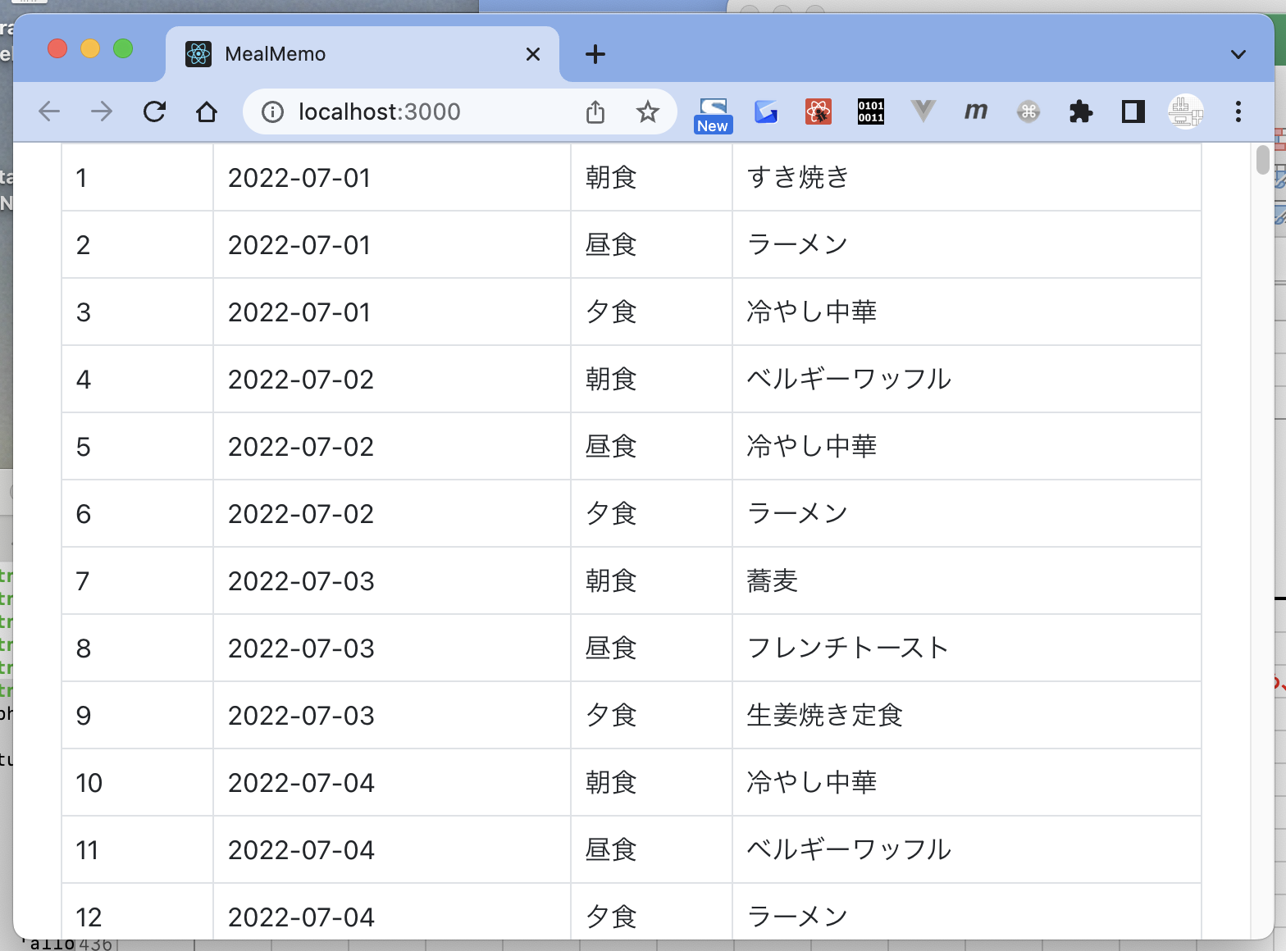
● |  | npxコマンドを使用する準備

 |  | 参考
 |  | MacにNode.jsをインストール
 |  | https://qiita.com/kyosuke5_20/items/c5f68fc9d89b84c0df09

 | ● | toyohide@toyohidenoMacBook-Pro ~ % brew -v
 |  | Homebrew 3.5.5
 |  | Homebrew/homebrew-core (git revision 1a166f14743; last commit 2022-07-21)

 | ● | toyohide@toyohidenoMacBook-Pro ~ % nodebrew -v
 |  | nodebrew 1.2.0

 |  | Usage:
 |  | nodebrew help Show this message
 |  | nodebrew install <version> Download and install <version> (from binary)
 |  | nodebrew compile <version> Download and install <version> (from source)
 |  | nodebrew install-binary <version> Alias of `install` (For backward compatibility)
 |  | nodebrew uninstall <version> Uninstall <version>
 |  | nodebrew use <version> Use <version>
 |  | nodebrew list List installed versions
 |  | nodebrew ls Alias for `list`
 |  | nodebrew ls-remote List remote versions
 |  | nodebrew ls-all List remote and installed versions
 |  | nodebrew alias <key> <value> Set alias
 |  | nodebrew unalias <key> Remove alias
 |  | nodebrew clean <version> | all Remove source file
 |  | nodebrew selfupdate Update nodebrew
 |  | nodebrew migrate-package <version> Install global NPM packages contained in <version> to current version
 |  | nodebrew exec <version> -- <command> Execute <command> using specified <version>
 |  | nodebrew prune [--dry-run] Uninstall old versions, keeping the latest version for each major version

 |  | Example:
 |  | # install
 |  | nodebrew install v8.9.4

 |  | # use a specific version number
 |  | nodebrew use v8.9.4

 | ● | toyohide@toyohidenoMacBook-Pro ~ % node -v
 |  | v18.4.0

 | ● | toyohide@toyohidenoMacBook-Pro ~ % npm -v
 |  | 8.12.1

 | ● | toyohide@toyohidenoMacBook-Pro ~ % npx -v
 |  | 8.12.1

 |  | この辺りのインストールを済ませる

● |  | プロジェクト作成

 |  | toyohide@toyohidenoMacBook-Pro 008 % npx create-react-app mealmemo

 |  | Creating a new React app in /Users/toyohide/Desktop/hideyuki/graphql/008/mealmemo.

 |  | Installing packages. This might take a couple of minutes.
 |  | Installing react, react-dom, and react-scripts with cra-template...

 |  | added 1393 packages in 53s

 |  | 203 packages are looking for funding
 |  | run `npm fund` for details

 |  | Initialized a git repository.

 |  | Installing template dependencies using npm...
 |  | npm WARN deprecated source-map-resolve@0.6.0: See https://github.com/lydell/source-map-resolve#deprecated

 |  | added 52 packages in 8s

 |  | 203 packages are looking for funding
 |  | run `npm fund` for details
 |  | Removing template package using npm...

 |  | removed 1 package, and audited 1445 packages in 1s

 |  | 203 packages are looking for funding
 |  | run `npm fund` for details

 |  | 6 high severity vulnerabilities

 |  | To address all issues (including breaking changes), run:
 |  | npm audit fix --force

 |  | Run `npm audit` for details.

 |  | Created git commit.

 |  | Success! Created mealmemo at /Users/toyohide/Desktop/hideyuki/graphql/008/mealmemo
 |  | Inside that directory, you can run several commands:

 |  | npm start
 |  | Starts the development server.

 |  | npm run build
 |  | Bundles the app into static files for production.

 |  | npm test
 |  | Starts the test runner.

 |  | npm run eject
 |  | Removes this tool and copies build dependencies, configuration files
 |  | and scripts into the app directory. If you do this, you can’t go back!

 |  | We suggest that you begin by typing:

 |  | cd mealmemo
 |  | npm start

 |  | Happy hacking!

● |  | ライブラリインストール

 |  | toyohide@toyohidenoMacBook-Pro mealmemo % npm install @apollo/client graphql react-router-dom react-icons --save

 |  | added 18 packages, and audited 1463 packages in 4s

 |  | 203 packages are looking for funding
 |  | run `npm fund` for details

 |  | 6 high severity vulnerabilities

 |  | To address all issues (including breaking changes), run:
 |  | npm audit fix --force

 |  | Run `npm audit` for details.

● |  | 起動確認

 |  | toyohide@toyohidenoMacBook-Pro mealmemo % npm start

 |  | Compiled successfully!

 |  | You can now view mealmemo in the browser.

 |  | Local: http://localhost:3000
 |  | On Your Network: http://192.168.10.110:3000

 |  | Note that the development build is not optimized.
 |  | To create a production build, use npm run build.

 |  | webpack compiled successfully

 |  | http://localhost:3000/

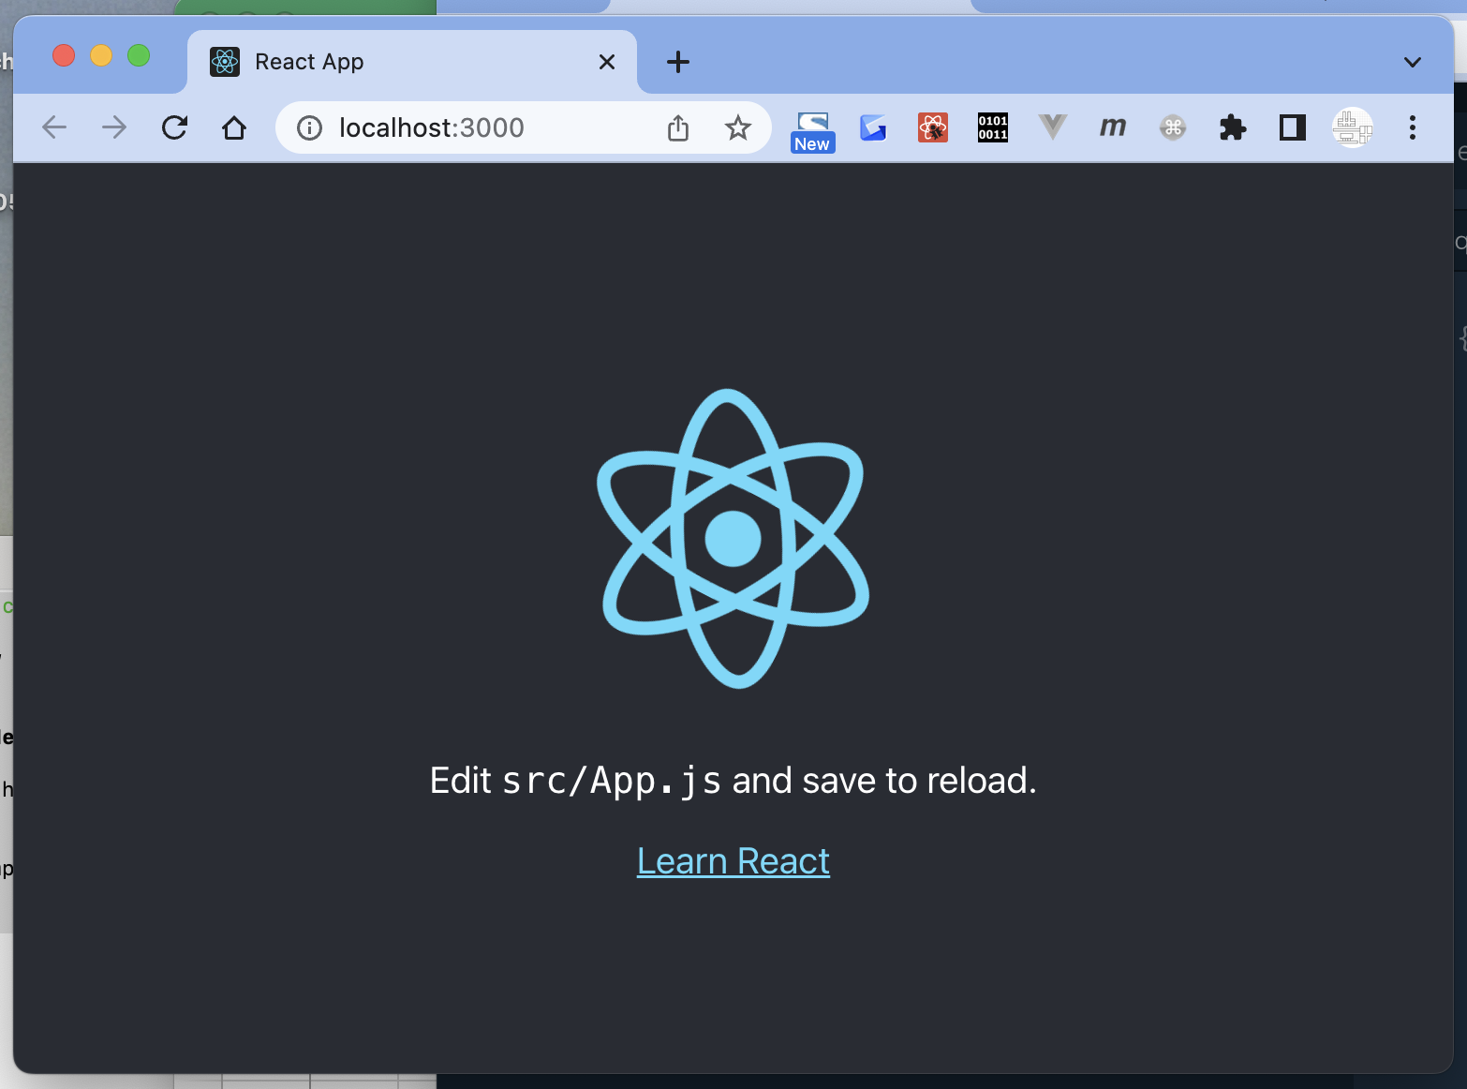

● |  | bootstrap追加

 |  | mealmemo/public/index.html

 |  | <!DOCTYPE html> <html lang="en"> <head> <meta charset="utf-8" /> <link rel="icon" href="%PUBLIC_URL%/favicon.ico" /> <meta name="viewport" content="width=device-width, initial-scale=1" /> <meta name="theme-color" content="#000000" /> <meta name="description" content="Web site created using create-react-app" /> <link rel="apple-touch-icon" href="%PUBLIC_URL%/logo192.png" /> <link rel="manifest" href="%PUBLIC_URL%/manifest.json" /> <title>MealMemo</title> <link href="https://cdn.jsdelivr.net/npm/bootstrap@5.0.2/dist/css/bootstrap.min.css" rel="stylesheet" integrity="sha384-EVSTQN3/azprG1Anm3QDgpJLIm9Nao0Yz1ztcQTwFspd3yD65VohhpuuCOmLASjC" crossorigin="anonymous"> <script src="https://cdn.jsdelivr.net/npm/bootstrap@5.0.2/dist/js/bootstrap.bundle.min.js" integrity="sha384-MrcW6ZMFYlzcLA8Nl+NtUVF0sA7MsXsP1UyJoMp4YLEuNSfAP+JcXn/tWtIaxVXM" crossorigin="anonymous"></script> </head> <body> <noscript>You need to enable JavaScript to run this app.</noscript> <div id="root"></div> </body> </html>

 |  | <title>MealMemo</title>
 |  | <link href="https://cdn.jsdelivr.net/npm/bootstrap@5.0.2/dist/css/bootstrap.min.css" rel="stylesheet" integrity="sha384-EVSTQN3/azprG1Anm3QDgpJLIm9Nao0Yz1ztcQTwFspd3yD65VohhpuuCOmLASjC" crossorigin="anonymous">
 |  | <script src="https://cdn.jsdelivr.net/npm/bootstrap@5.0.2/dist/js/bootstrap.bundle.min.js" integrity="sha384-MrcW6ZMFYlzcLA8Nl+NtUVF0sA7MsXsP1UyJoMp4YLEuNSfAP+JcXn/tWtIaxVXM" crossorigin="anonymous"></script>

● |  | laravel側の設定を変更する

 |  | corsの設定を行わないと、他サーバから呼び出すことができない

 |  | 参考
 |  | クロスオリジンリソース共有 (CORS)
 |  | https://ja.developer.box.com/guides/security/cors/

 |  | クロスオリジンリソース共有 (CORS) は、悪意のあるウェブサイトが明示的な権限を持たずに他のサイトのデータ (Box APIなど) にアクセスするのを防ぐために、
 |  | ウェブブラウザで利用されているセキュリティメカニズムです。

 |  | CORS とは？
 |  | https://javascript.keicode.com/newjs/what-is-cors.php

 |  | 同一生成元ポリシーというのは、すごく簡単に言うと 「JavaScript で自由にやりとりできるところは、
 |  | その JavaScript をとってきたところと同一の場所だけに制限する」 ということです。

 |  | 同一生成元かどうか判断する時には、ホスト名、スキーム、ポート番号がチェックされます。
 |  | これらが同じ場合、同一生成元へのアクセスとみなされます。

 |  | この制限があるために、あるサーバーから JavaScript をダウンロードし、そのスクリプトから全く別のサーバーにアクセスしてそこから情報を取得する、
 |  | ということができなくなります。 これによって、セキュリティが高まります。

 |  | bitnami@ip-172-26-5-68:/opt/bitnami/apache/htdocs/MealMemo$ cat config/cors.php
 |  | <?php

 |  | return [

 |  | 'paths' => ['*'], // | 3ヶ所変更したが、おそらくここが効いたのだと思う
 |  |  | paths' => ['api/*', 'sanctum/csrf-cookie'],
 |  | 'allowed_methods' => ['*'], | ↑ 元の記述
 |  |  | 「'api/*'」があるから、
 |  | 'allowed_origins' => ['*'], | http://54.168.147.43/MealMemo/public/api/getMealData
 |  |  | とかで引けるんだね
 |  | 'allowed_origins_patterns' => [],

 |  | 'allowed_headers' => ['*'],

 |  | 'exposed_headers' => false, //

 |  | 'max_age' => false, //

 |  | 'supports_credentials' => false,

 |  | ];

● |  | reactのコードを変更

 | ● | mealmemo/src/App.js

 |  | import { ApolloProvider, ApolloClient, InMemoryCache } from '@apollo/client'; import MealRecords from "./components/MealRecords"; const client = new ApolloClient({ uri: 'http://54.168.147.43/MealMemo/public/graphql', cache: new InMemoryCache(), }); function App() { return ( <ApolloProvider client={client}> <div className="container"> <MealRecords /> </div> </ApolloProvider> ); } export default App;

 | ● | mealmemo/src/components/MealRecords.jsx | テーブル全体をMealRecordsとする

 |  | import { gql, useQuery } from '@apollo/client' import MealRecord from './MealRecord' const GET_MEALRECORDS = gql` query { mealrecords{ id meal_date meal_kind meal_menu } } ` export default function MealRecords() { const { loading, error, data } = useQuery(GET_MEALRECORDS) if (loading) return <p>Loading...</p> if (error) return <p>Something went wrong</p> return ( <> {!loading && !error && ( <table className='table table-bordered'> <tbody> {data.mealrecords.map((meal) => ( <MealRecord key={meal.id} meal={meal} /> ))} </tbody> </table> )} </> ) }

 | ● | mealmemo/src/components/MealRecord.jsx | 各行をMealRecordとする

 |  | export default function MealRecord({meal}) { return ( <tr> <td>{meal.id}</td> <td>{meal.meal_date}</td> <td>{meal.meal_kind}</td> <td>{meal.meal_menu}</td> </tr> ) }

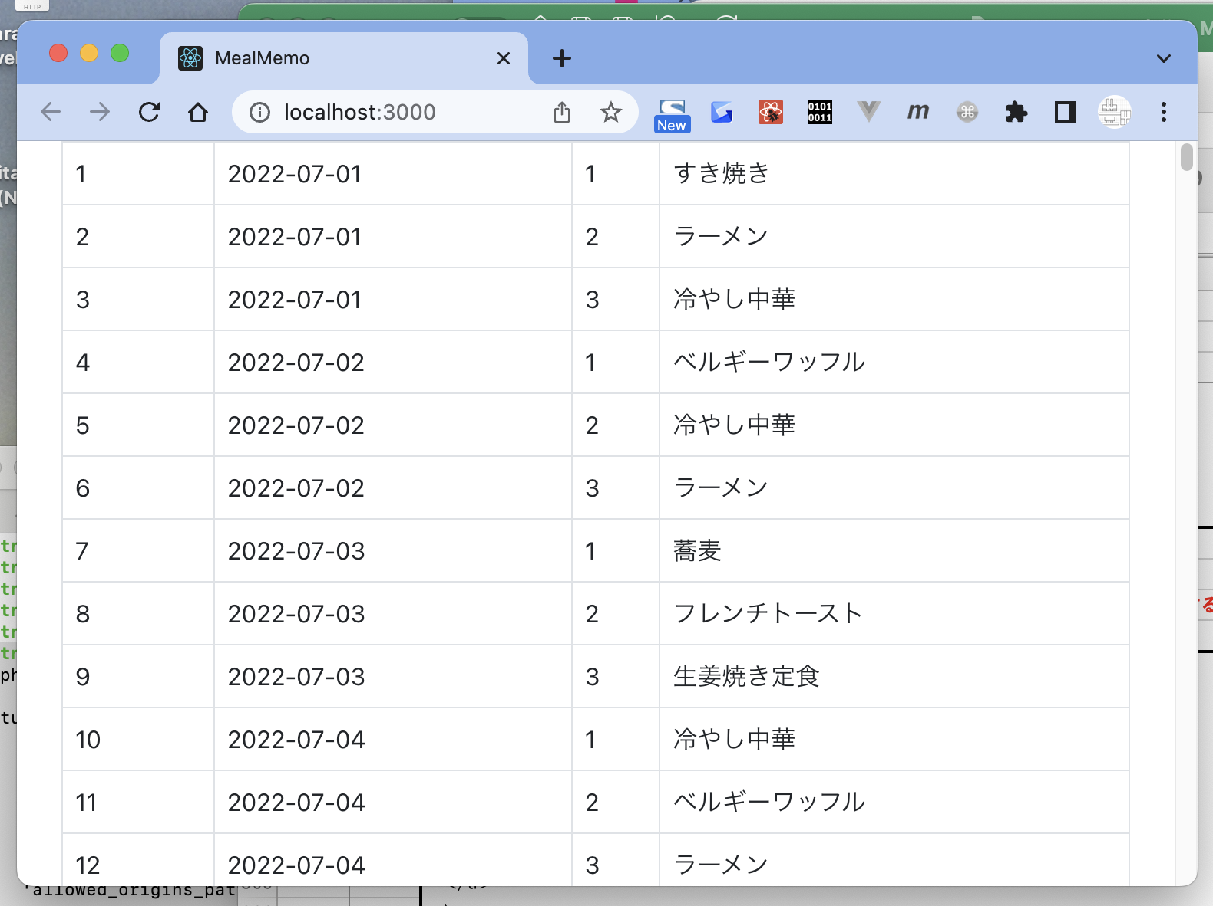

● |  | meal_kind表示変更

 |  | mealmemo/src/components/MealRecord.jsx

 |  | export default function MealRecord({meal}) { var mealKind = ['', '朝食', '昼食', '夕食']; return ( <tr> <td>{meal.id}</td> <td>{meal.meal_date}</td> <td>{mealKind[meal.meal_kind]}</td> <td>{meal.meal_menu}</td> </tr> ) }

 |  | var mealKind = ['', '朝食', '昼食', '夕食']; | 1：朝食、2：昼食、3：夕食にしているため、0番目に空白を入れた

