Sheet1
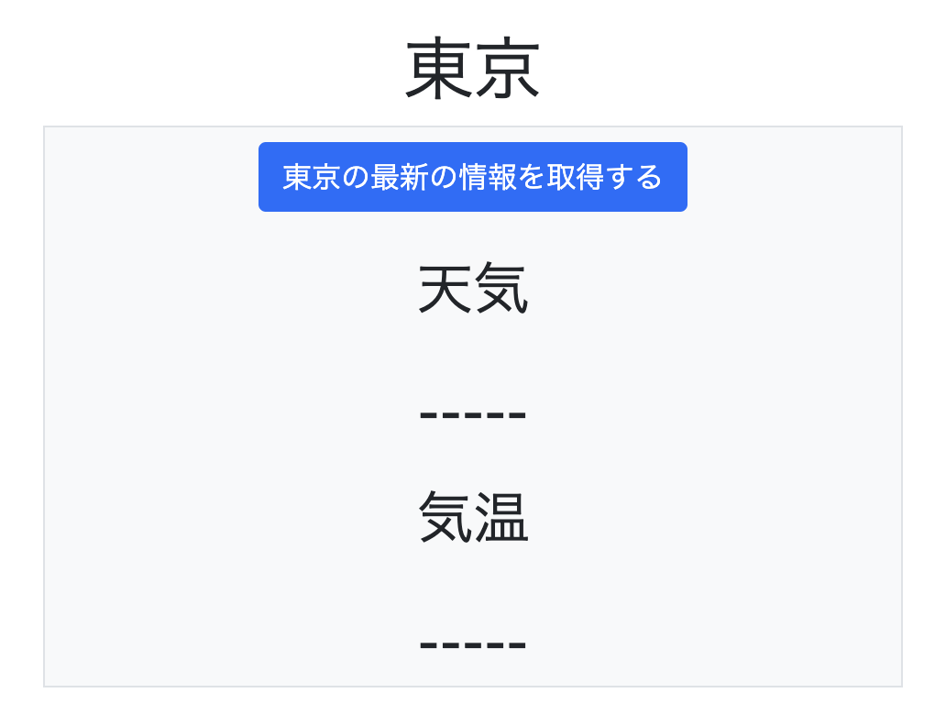
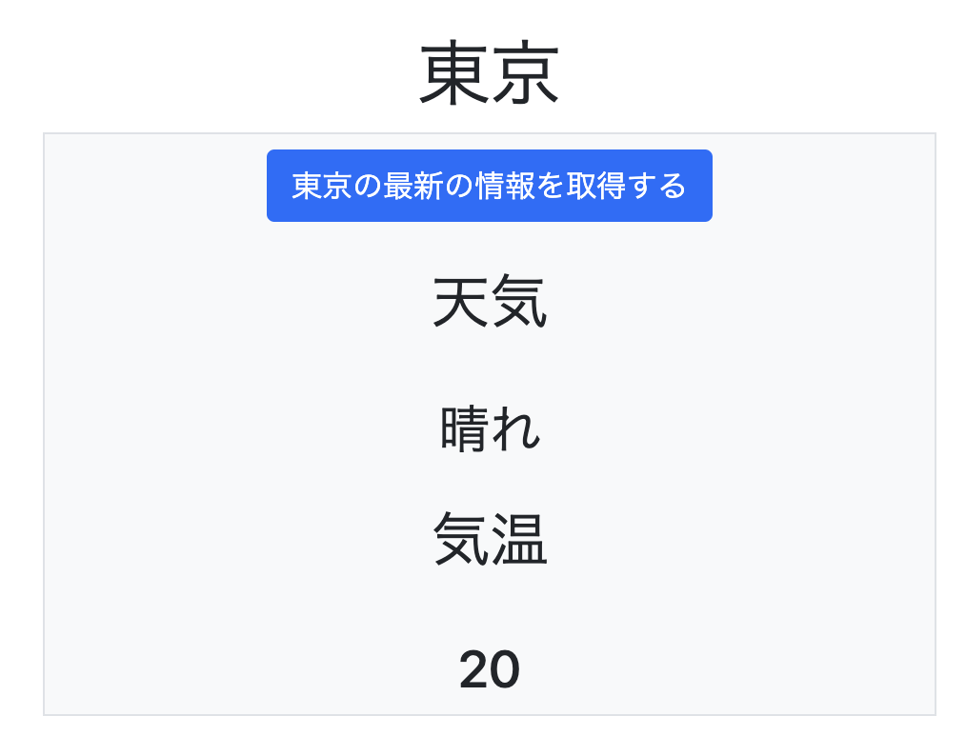
(base) toyohide@toyohidenoMacBook-Pro ~ % conda deactivate

toyohide@toyohidenoMacBook-Pro ~ % cd /Users/toyohide/Desktop/hideyuki/MY_STUDY/python/20230123

toyohide@toyohidenoMacBook-Pro 20230123 % python3 -m venv venv

toyohide@toyohidenoMacBook-Pro 20230123 % source venv/bin/activate

(venv) toyohide@toyohidenoMacBook-Pro 20230123 % pip3 install django
Collecting django
Downloading Django-4.1.5-py3-none-any.whl (8.1 MB)
━━━━━━━━━━━━━━━━━━━━━━━━━━━━━━━━━━━━━━━━ 8.1/8.1 MB 17.5 MB/s eta 0:00:00
Collecting sqlparse>=0.2.2
Using cached sqlparse-0.4.3-py3-none-any.whl (42 kB)
Collecting asgiref<4,>=3.5.2
Downloading asgiref-3.6.0-py3-none-any.whl (23 kB)
Installing collected packages: sqlparse, asgiref, django
Successfully installed asgiref-3.6.0 django-4.1.5 sqlparse-0.4.3
WARNING: You are using pip version 22.0.4; however, version 22.3.1 is available.
You should consider upgrading via the '/Users/toyohide/Desktop/hideyuki/MY_STUDY/python/20230123/venv/bin/python3 -m pip install --upgrade pip' command.

(venv) toyohide@toyohidenoMacBook-Pro 20230123 % pip3 install djangorestframework
Collecting djangorestframework
Downloading djangorestframework-3.14.0-py3-none-any.whl (1.1 MB)
━━━━━━━━━━━━━━━━━━━━━━━━━━━━━━━━━━━━━━━━ 1.1/1.1 MB 19.1 MB/s eta 0:00:00
Collecting pytz
Using cached pytz-2022.7.1-py2.py3-none-any.whl (499 kB)
Requirement already satisfied: django>=3.0 in ./venv/lib/python3.10/site-packages (from djangorestframework) (4.1.5)
Requirement already satisfied: asgiref<4,>=3.5.2 in ./venv/lib/python3.10/site-packages (from django>=3.0->djangorestframework) (3.6.0)
Requirement already satisfied: sqlparse>=0.2.2 in ./venv/lib/python3.10/site-packages (from django>=3.0->djangorestframework) (0.4.3)
Installing collected packages: pytz, djangorestframework
Successfully installed djangorestframework-3.14.0 pytz-2022.7.1
WARNING: You are using pip version 22.0.4; however, version 22.3.1 is available.
You should consider upgrading via the '/Users/toyohide/Desktop/hideyuki/MY_STUDY/python/20230123/venv/bin/python3 -m pip install --upgrade pip' command.

(venv) toyohide@toyohidenoMacBook-Pro 20230123 % django-admin startproject weatherproject

(venv) toyohide@toyohidenoMacBook-Pro 20230123 % cd weatherproject

(venv) toyohide@toyohidenoMacBook-Pro weatherproject % python3 manage.py startapp weather

(venv) toyohide@toyohidenoMacBook-Pro weatherproject % code .

(venv) toyohide@toyohidenoMacBook-Pro weatherproject % cat weatherproject/settings.py
from pathlib import Path

# Build paths inside the project like this: BASE_DIR / 'subdir'.
BASE_DIR = Path(__file__).resolve().parent.parent

# Quick-start development settings - unsuitable for production
# See https://docs.djangoproject.com/en/4.0/howto/deployment/checklist/

# SECURITY WARNING: keep the secret key used in production secret!
SECRET_KEY = 'django-insecure-nbmfy#jmhn@(^50j5o)gmi$s9v^!)_s!i#)utb34*67s-%u)9i'

# SECURITY WARNING: don't run with debug turned on in production!
DEBUG = True

ALLOWED_HOSTS = []

# Application definition

INSTALLED_APPS = [
'django.contrib.admin',
'django.contrib.auth',
'django.contrib.contenttypes',
'django.contrib.sessions',
'django.contrib.messages',
'django.contrib.staticfiles',

'weather.apps.WeatherConfig',
'rest_framework',

]

MIDDLEWARE = [
'django.middleware.security.SecurityMiddleware',
'django.contrib.sessions.middleware.SessionMiddleware',
'django.middleware.common.CommonMiddleware',
'django.middleware.csrf.CsrfViewMiddleware',
'django.contrib.auth.middleware.AuthenticationMiddleware',
'django.contrib.messages.middleware.MessageMiddleware',
'django.middleware.clickjacking.XFrameOptionsMiddleware',
]

ROOT_URLCONF = 'weatherproject.urls'

TEMPLATES = [
{
'BACKEND': 'django.template.backends.django.DjangoTemplates',
'DIRS': [BASE_DIR / 'templates'],
'APP_DIRS': True,
'OPTIONS': {
'context_processors': [
'django.template.context_processors.debug',
'django.template.context_processors.request',
'django.contrib.auth.context_processors.auth',
'django.contrib.messages.context_processors.messages',
],
},
},
]

WSGI_APPLICATION = 'weatherproject.wsgi.application'

# Database
# https://docs.djangoproject.com/en/4.0/ref/settings/#databases

DATABASES = {
'default': {
'ENGINE': 'django.db.backends.sqlite3',
'NAME': BASE_DIR / 'db.sqlite3',
}
}

# Password validation
# https://docs.djangoproject.com/en/4.0/ref/settings/#auth-password-validators

AUTH_PASSWORD_VALIDATORS = [
{
'NAME': 'django.contrib.auth.password_validation.UserAttributeSimilarityValidator',
},
{
'NAME': 'django.contrib.auth.password_validation.MinimumLengthValidator',
},
{
'NAME': 'django.contrib.auth.password_validation.CommonPasswordValidator',
},
{
'NAME': 'django.contrib.auth.password_validation.NumericPasswordValidator',
},
]

# Internationalization
# https://docs.djangoproject.com/en/4.0/topics/i18n/

LANGUAGE_CODE = 'ja'

TIME_ZONE = 'Asia/Tokyo'

USE_I18N = True

USE_TZ = True

# Static files (CSS, JavaScript, Images)
# https://docs.djangoproject.com/en/4.0/howto/static-files/

STATIC_URL = 'static/'

# Default primary key field type
# https://docs.djangoproject.com/en/4.0/ref/settings/#default-auto-field

DEFAULT_AUTO_FIELD = 'django.db.models.BigAutoField'

(venv) toyohide@toyohidenoMacBook-Pro weatherproject % cat weatherproject/urls.py
from django.contrib import admin
from django.urls import path, include

urlpatterns = [
path('admin/', admin.site.urls),

path('', include('weather.urls'))
]

(venv) toyohide@toyohidenoMacBook-Pro weatherproject % cat weather/models.py
from django.db import models

class Weather(models.Model):
location = models.CharField(max_length=32)
weather = models.CharField(max_length=32)
temperature = models.IntegerField()

def __str__(self):
return self.location |  | TypeError: 'class Meta' got invalid attribute(s): verbose_name_prural

class Meta:
verbose_name = verbose_name_plural = '天気情報'

(venv) toyohide@toyohidenoMacBook-Pro weatherproject % cat weather/urls.py
from django.urls import path, include

urlpatterns = [

]

(venv) toyohide@toyohidenoMacBook-Pro weatherproject % python3 manage.py makemigrations
Migrations for 'weather':
weather/migrations/0001_initial.py
- Create model Weather

(venv) toyohide@toyohidenoMacBook-Pro weatherproject % python3 manage.py migrate
Operations to perform:
Apply all migrations: admin, auth, contenttypes, sessions, weather
Running migrations:
Applying contenttypes.0001_initial... OK
Applying auth.0001_initial... OK
Applying admin.0001_initial... OK
Applying admin.0002_logentry_remove_auto_add... OK
Applying admin.0003_logentry_add_action_flag_choices... OK
Applying contenttypes.0002_remove_content_type_name... OK
Applying auth.0002_alter_permission_name_max_length... OK
Applying auth.0003_alter_user_email_max_length... OK
Applying auth.0004_alter_user_username_opts... OK
Applying auth.0005_alter_user_last_login_null... OK
Applying auth.0006_require_contenttypes_0002... OK
Applying auth.0007_alter_validators_add_error_messages... OK
Applying auth.0008_alter_user_username_max_length... OK
Applying auth.0009_alter_user_last_name_max_length... OK
Applying auth.0010_alter_group_name_max_length... OK
Applying auth.0011_update_proxy_permissions... OK
Applying auth.0012_alter_user_first_name_max_length... OK
Applying sessions.0001_initial... OK
Applying weather.0001_initial... OK

(venv) toyohide@toyohidenoMacBook-Pro weatherproject % python3 manage.py createsuperuser
ユーザー名 (leave blank to use 'toyohide'): toyohide
メールアドレス: hide.toyoda@gmail.com
Password: | hidechy4819
Password (again):
Superuser created successfully.

(venv) toyohide@toyohidenoMacBook-Pro weatherproject % python3 manage.py runserver

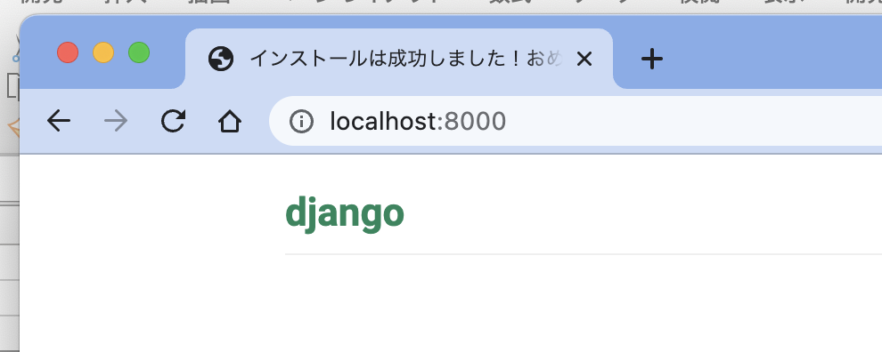

toyohide@toyohidenoMacBook-Pro weatherproject % cat weather/admin.py
from django.contrib import admin

from weather.models import Weather

admin.site.register(Weather)

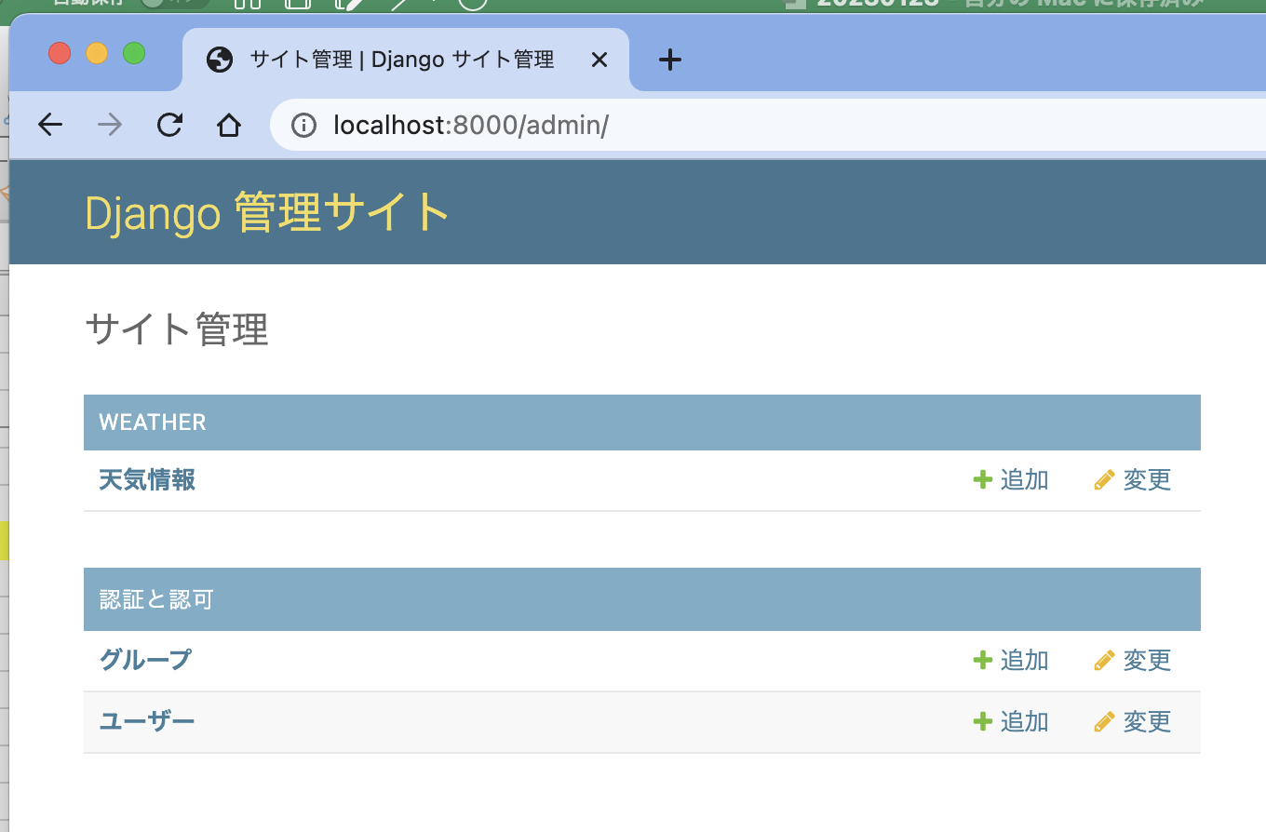

toyohide@toyohidenoMacBook-Pro weatherproject % cat weather/urls.py
from django.urls import path, include
from .views import TopView

urlpatterns = [
path('top/', TopView.as_view()),
]

toyohide@toyohidenoMacBook-Pro weatherproject % cat weather/views.py
from django.shortcuts import render
from django.views.generic import ListView

from weather.models import Weather

class TopView(ListView):
model = Weather
template_name = 'top.html'

toyohide@toyohidenoMacBook-Pro weatherproject % cat templates/top.html
<!doctype html>
<html lang="en">
<head>
<!-- Required meta tags -->
<meta charset="utf-8">
<meta name="viewport" content="width=device-width, initial-scale=1">

<!-- Bootstrap CSS -->
<link href="https://cdn.jsdelivr.net/npm/bootstrap@5.0.2/dist/css/bootstrap.min.css" rel="stylesheet" integrity="sha384-EVSTQN3/azprG1Anm3QDgpJLIm9Nao0Yz1ztcQTwFspd3yD65VohhpuuCOmLASjC" crossorigin="anonymous">

<title>Hello, world!</title>
</head>
<body>
<h1>Hello, world!</h1>

<!-- Optional JavaScript; choose one of the two! -->

<!-- Option 1: Bootstrap Bundle with Popper -->
<script src="https://cdn.jsdelivr.net/npm/bootstrap@5.0.2/dist/js/bootstrap.bundle.min.js" integrity="sha384-MrcW6ZMFYlzcLA8Nl+NtUVF0sA7MsXsP1UyJoMp4YLEuNSfAP+JcXn/tWtIaxVXM" crossorigin="anonymous"></script>

<!-- Option 2: Separate Popper and Bootstrap JS -->
<!--
<script src="https://cdn.jsdelivr.net/npm/@popperjs/core@2.9.2/dist/umd/popper.min.js" integrity="sha384-IQsoLXl5PILFhosVNubq5LC7Qb9DXgDA9i+tQ8Zj3iwWAwPtgFTxbJ8NT4GN1R8p" crossorigin="anonymous"></script>
<script src="https://cdn.jsdelivr.net/npm/bootstrap@5.0.2/dist/js/bootstrap.min.js" integrity="sha384-cVKIPhGWiC2Al4u+LWgxfKTRIcfu0JTxR+EQDz/bgldoEyl4H0zUF0QKbrJ0EcQF" crossorigin="anonymous"></script>
-->
</body>
</html>

toyohide@toyohidenoMacBook-Pro weatherproject % cat templates/top.html
<!doctype html>
<html lang="en">
<head>
<!-- Required meta tags -->
<meta charset="utf-8">
<meta name="viewport" content="width=device-width, initial-scale=1">

<!-- Bootstrap CSS -->
<link href="https://cdn.jsdelivr.net/npm/bootstrap@5.0.2/dist/css/bootstrap.min.css" rel="stylesheet" integrity="sha384-EVSTQN3/azprG1Anm3QDgpJLIm9Nao0Yz1ztcQTwFspd3yD65VohhpuuCOmLASjC" crossorigin="anonymous">

<title>Hello, world!</title>
</head>
<body>
<h1>Hello, world!</h1>

<div class="alert alert-primary" role="alert">
A simple primary alert—check it out!
</div>

<!-- Optional JavaScript; choose one of the two! -->

<!-- Option 1: Bootstrap Bundle with Popper -->
<script src="https://cdn.jsdelivr.net/npm/bootstrap@5.0.2/dist/js/bootstrap.bundle.min.js" integrity="sha384-MrcW6ZMFYlzcLA8Nl+NtUVF0sA7MsXsP1UyJoMp4YLEuNSfAP+JcXn/tWtIaxVXM" crossorigin="anonymous"></script>

<!-- Option 2: Separate Popper and Bootstrap JS -->
<!--
<script src="https://cdn.jsdelivr.net/npm/@popperjs/core@2.9.2/dist/umd/popper.min.js" integrity="sha384-IQsoLXl5PILFhosVNubq5LC7Qb9DXgDA9i+tQ8Zj3iwWAwPtgFTxbJ8NT4GN1R8p" crossorigin="anonymous"></script>
<script src="https://cdn.jsdelivr.net/npm/bootstrap@5.0.2/dist/js/bootstrap.min.js" integrity="sha384-cVKIPhGWiC2Al4u+LWgxfKTRIcfu0JTxR+EQDz/bgldoEyl4H0zUF0QKbrJ0EcQF" crossorigin="anonymous"></script>
-->
</body>
</html>

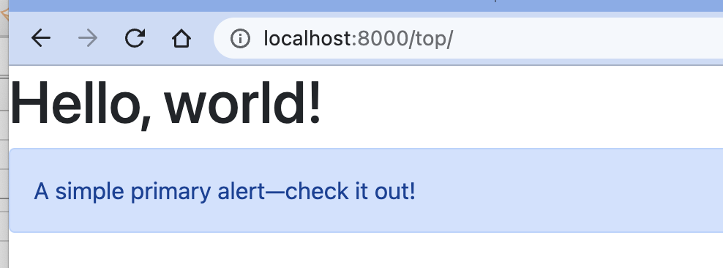

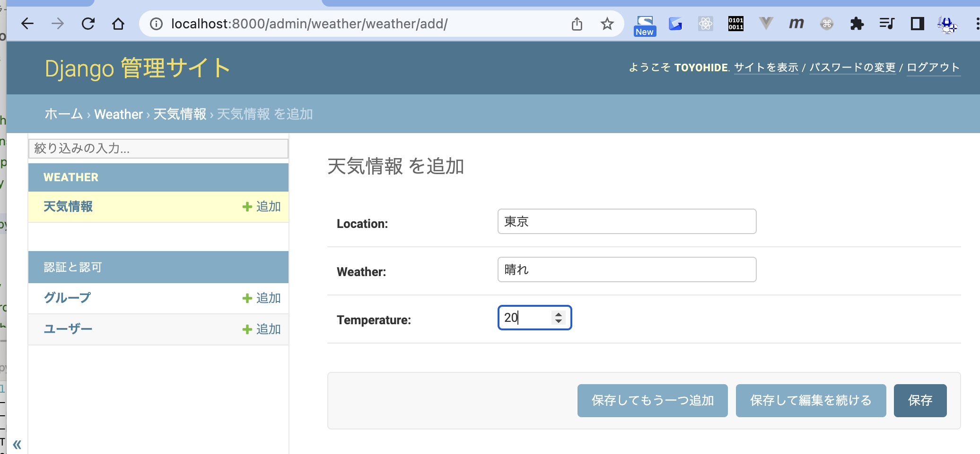

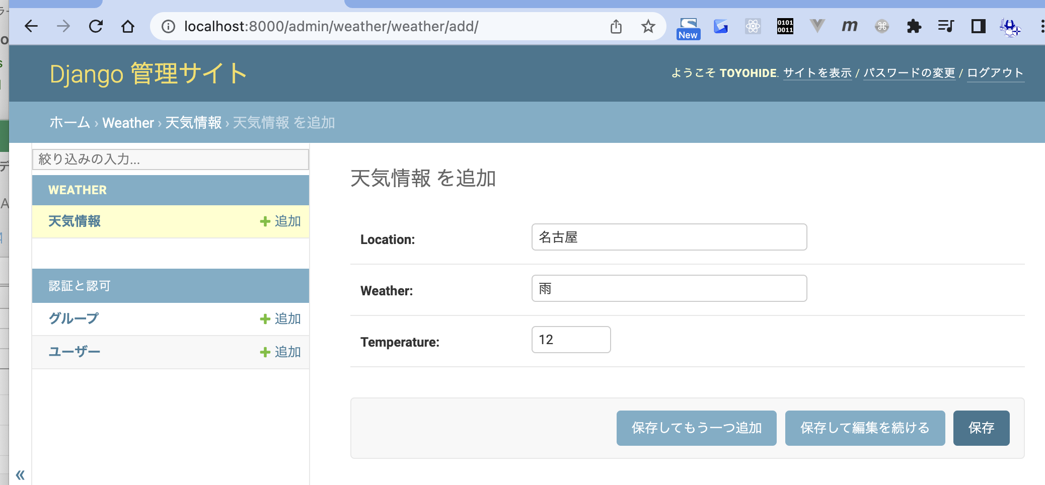

toyohide@toyohidenoMacBook-Pro weatherproject % cat templates/top.html
<!doctype html>
<html lang="ja">
<head>
<!-- Required meta tags -->
<meta charset="utf-8">
<meta name="viewport" content="width=device-width, initial-scale=1">

<!-- Bootstrap CSS -->
<link href="https://cdn.jsdelivr.net/npm/bootstrap@5.0.2/dist/css/bootstrap.min.css" rel="stylesheet" integrity="sha384-EVSTQN3/azprG1Anm3QDgpJLIm9Nao0Yz1ztcQTwFspd3yD65VohhpuuCOmLASjC" crossorigin="anonymous">

<title>天気情報取得アプリ</title>
</head>
<body>
{% for weather in object_list %}
<div class="text-center mt-4 p-4 offset-3 col-6">
<h1>{{ weather.location }}</h1>
</div>
{% endfor %}

<!-- Optional JavaScript; choose one of the two! -->

<!-- Option 1: Bootstrap Bundle with Popper -->
<script src="https://cdn.jsdelivr.net/npm/bootstrap@5.0.2/dist/js/bootstrap.bundle.min.js" integrity="sha384-MrcW6ZMFYlzcLA8Nl+NtUVF0sA7MsXsP1UyJoMp4YLEuNSfAP+JcXn/tWtIaxVXM" crossorigin="anonymous"></script>

<!-- Option 2: Separate Popper and Bootstrap JS -->
<!--
<script src="https://cdn.jsdelivr.net/npm/@popperjs/core@2.9.2/dist/umd/popper.min.js" integrity="sha384-IQsoLXl5PILFhosVNubq5LC7Qb9DXgDA9i+tQ8Zj3iwWAwPtgFTxbJ8NT4GN1R8p" crossorigin="anonymous"></script>
<script src="https://cdn.jsdelivr.net/npm/bootstrap@5.0.2/dist/js/bootstrap.min.js" integrity="sha384-cVKIPhGWiC2Al4u+LWgxfKTRIcfu0JTxR+EQDz/bgldoEyl4H0zUF0QKbrJ0EcQF" crossorigin="anonymous"></script>
-->
</body>
</html>

toyohide@toyohidenoMacBook-Pro weatherproject % cat weather/views.py
from django.shortcuts import render
from django.views.generic import ListView

from weather.models import Weather

class TopView(ListView):
model = Weather
template_name = 'top.html'

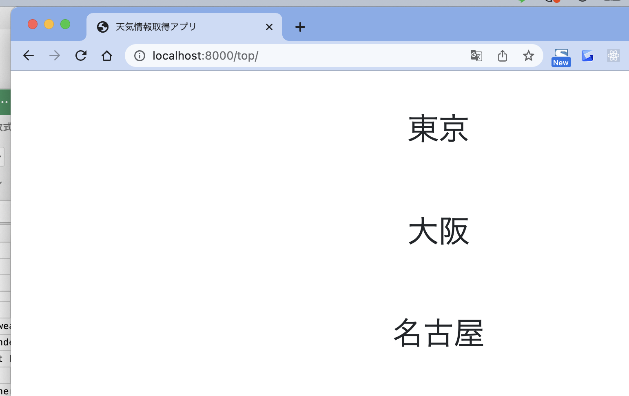

toyohide@toyohidenoMacBook-Pro weatherproject % cat templates/top.html
<!doctype html>
<html lang="ja">
<head>
<!-- Required meta tags -->
<meta charset="utf-8">
<meta name="viewport" content="width=device-width, initial-scale=1">

<!-- Bootstrap CSS -->
<link href="https://cdn.jsdelivr.net/npm/bootstrap@5.0.2/dist/css/bootstrap.min.css" rel="stylesheet" integrity="sha384-EVSTQN3/azprG1Anm3QDgpJLIm9Nao0Yz1ztcQTwFspd3yD65VohhpuuCOmLASjC" crossorigin="anonymous">

<title>天気情報取得アプリ</title>
</head>
<body>
{% for weather in object_list %}
<div class="text-center mt-4 p-4 offset-3 col-6">
<h1>{{ weather.location }}</h1>
<div class="p-2 bg-light border">
<button class="btn btn-primary">{{ weather.location }}の最新の情報を取得する</button>
<h2 class="p-4">天気</h2>
<span class="h3 p-4">{{ weather.weather }}</span>
<h2 class="p-4">気温</h2>
<span class="h3 p-4">{{ weather.temperature }}</span>
</div>
</div>
{% endfor %}

<!-- Optional JavaScript; choose one of the two! -->

<!-- Option 1: Bootstrap Bundle with Popper -->
<script src="https://cdn.jsdelivr.net/npm/bootstrap@5.0.2/dist/js/bootstrap.bundle.min.js" integrity="sha384-MrcW6ZMFYlzcLA8Nl+NtUVF0sA7MsXsP1UyJoMp4YLEuNSfAP+JcXn/tWtIaxVXM" crossorigin="anonymous"></script>

<!-- Option 2: Separate Popper and Bootstrap JS -->
<!--
<script src="https://cdn.jsdelivr.net/npm/@popperjs/core@2.9.2/dist/umd/popper.min.js" integrity="sha384-IQsoLXl5PILFhosVNubq5LC7Qb9DXgDA9i+tQ8Zj3iwWAwPtgFTxbJ8NT4GN1R8p" crossorigin="anonymous"></script>
<script src="https://cdn.jsdelivr.net/npm/bootstrap@5.0.2/dist/js/bootstrap.min.js" integrity="sha384-cVKIPhGWiC2Al4u+LWgxfKTRIcfu0JTxR+EQDz/bgldoEyl4H0zUF0QKbrJ0EcQF" crossorigin="anonymous"></script>
-->
</body>
</html>

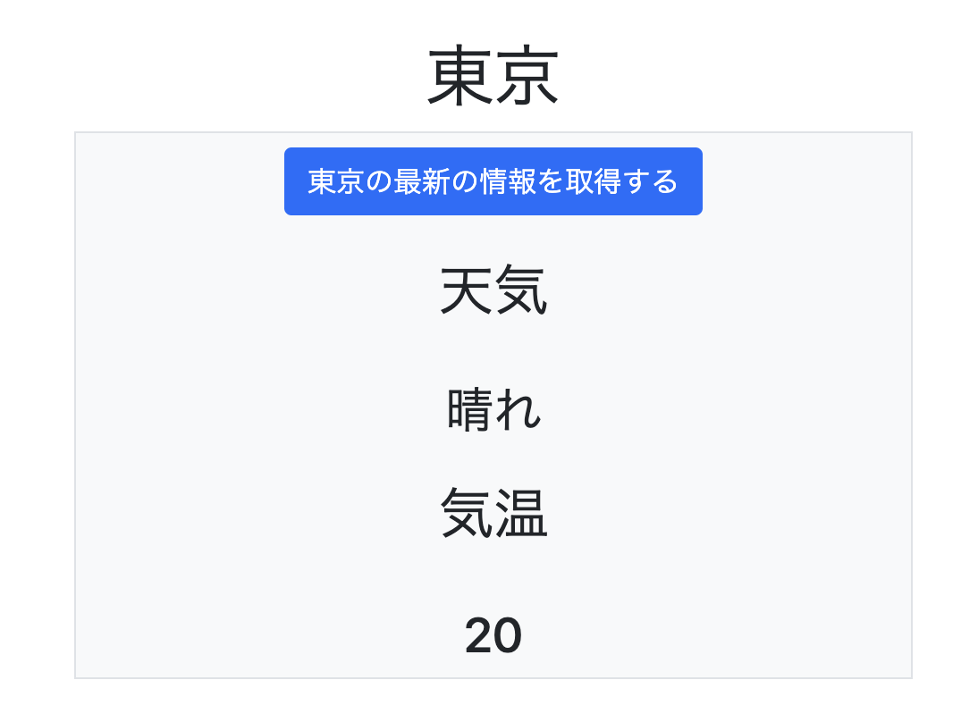

toyohide@toyohidenoMacBook-Pro weatherproject % cat weather/urls.py
from django.urls import path, include
from .views import TopView, WeatherApiView

urlpatterns = [
path('top/', TopView.as_view()),
path('api/<int:pk>/', WeatherApiView.as_view()),
]

toyohide@toyohidenoMacBook-Pro weatherproject % cat weather/serializers.py
from rest_framework import serializers
from .models import Weather

class WeatherSerializer(serializers.ModelSerializer):
class Meta:
model = Weather
fields = ['id', 'location', 'weather', 'temperature']

toyohide@toyohidenoMacBook-Pro weatherproject % cat weather/views.py
from django.shortcuts import render
from django.views.generic import ListView

from weather.models import Weather

from rest_framework.generics import RetrieveAPIView
from rest_framework.permissions import IsAuthenticated
from .serializers import WeatherSerializer

class TopView(ListView):
model = Weather
template_name = 'top.html'

class WeatherApiView(RetrieveAPIView):
queryset = Weather.objects.all()
serializer_class = WeatherSerializer
permission_classes = [IsAuthenticated]

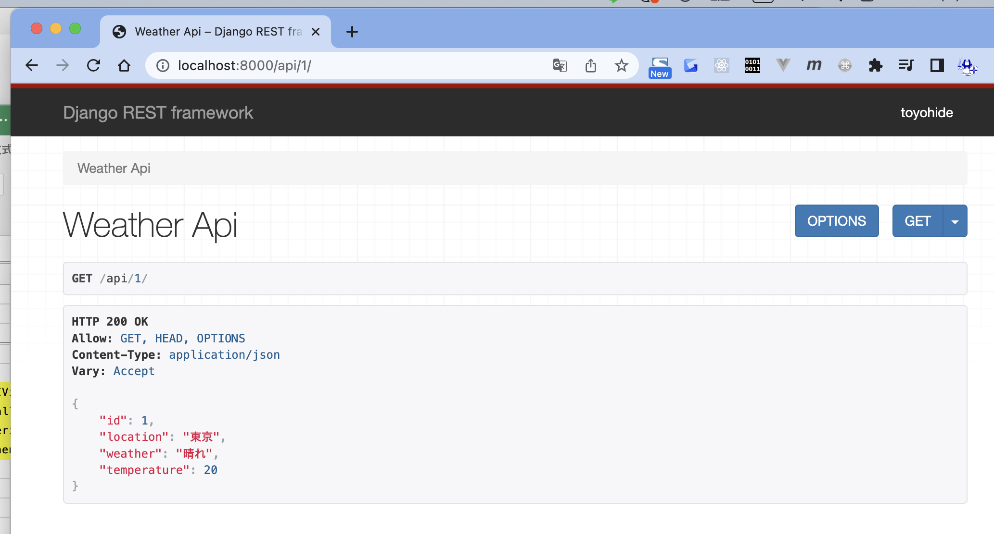

toyohide@toyohidenoMacBook-Pro weatherproject % cat templates/top.html
<!doctype html>
<html lang="ja">
<head>
<!-- Required meta tags -->
<meta charset="utf-8">
<meta name="viewport" content="width=device-width, initial-scale=1">

<!-- Bootstrap CSS -->
<link href="https://cdn.jsdelivr.net/npm/bootstrap@5.0.2/dist/css/bootstrap.min.css" rel="stylesheet" integrity="sha384-EVSTQN3/azprG1Anm3QDgpJLIm9Nao0Yz1ztcQTwFspd3yD65VohhpuuCOmLASjC" crossorigin="anonymous">

<script>
function getData(id){
fetch(`/api/${id}`).then((response) => response.json()).then((json) => {
document.getElementById(`weather-${id}`).innerHTML = json.weather
document.getElementById(`temperature-${id}`).innerHTML = json.temperature
})
}
</script>

<title>天気情報取得アプリ</title>
</head>
<body>
{% for weather in object_list %}
<div class="text-center mt-4 p-4 offset-3 col-6">
<h1>{{ weather.location }}</h1>
<div class="p-2 bg-light border">
<button class="btn btn-primary" onclick="javascript:getData({{ weather.id }})">{{ weather.location }}の最新の情報を取得する</button>
<h2 class="p-4">天気</h2>
<span class="h3 p-4" id="weather-{{ weather.id }}">-----</span>
<h2 class="p-4">気温</h2>
<span class="h3 p-4" id="temperature-{{ weather.id }}">-----</span>
</div>
</div>
{% endfor %}

<!-- Optional JavaScript; choose one of the two! -->

<!-- Option 1: Bootstrap Bundle with Popper -->
<script src="https://cdn.jsdelivr.net/npm/bootstrap@5.0.2/dist/js/bootstrap.bundle.min.js" integrity="sha384-MrcW6ZMFYlzcLA8Nl+NtUVF0sA7MsXsP1UyJoMp4YLEuNSfAP+JcXn/tWtIaxVXM" crossorigin="anonymous"></script>

<!-- Option 2: Separate Popper and Bootstrap JS -->
<!--
<script src="https://cdn.jsdelivr.net/npm/@popperjs/core@2.9.2/dist/umd/popper.min.js" integrity="sha384-IQsoLXl5PILFhosVNubq5LC7Qb9DXgDA9i+tQ8Zj3iwWAwPtgFTxbJ8NT4GN1R8p" crossorigin="anonymous"></script>
<script src="https://cdn.jsdelivr.net/npm/bootstrap@5.0.2/dist/js/bootstrap.min.js" integrity="sha384-cVKIPhGWiC2Al4u+LWgxfKTRIcfu0JTxR+EQDz/bgldoEyl4H0zUF0QKbrJ0EcQF" crossorigin="anonymous"></script>
-->
</body>
</html>

