レッスン1
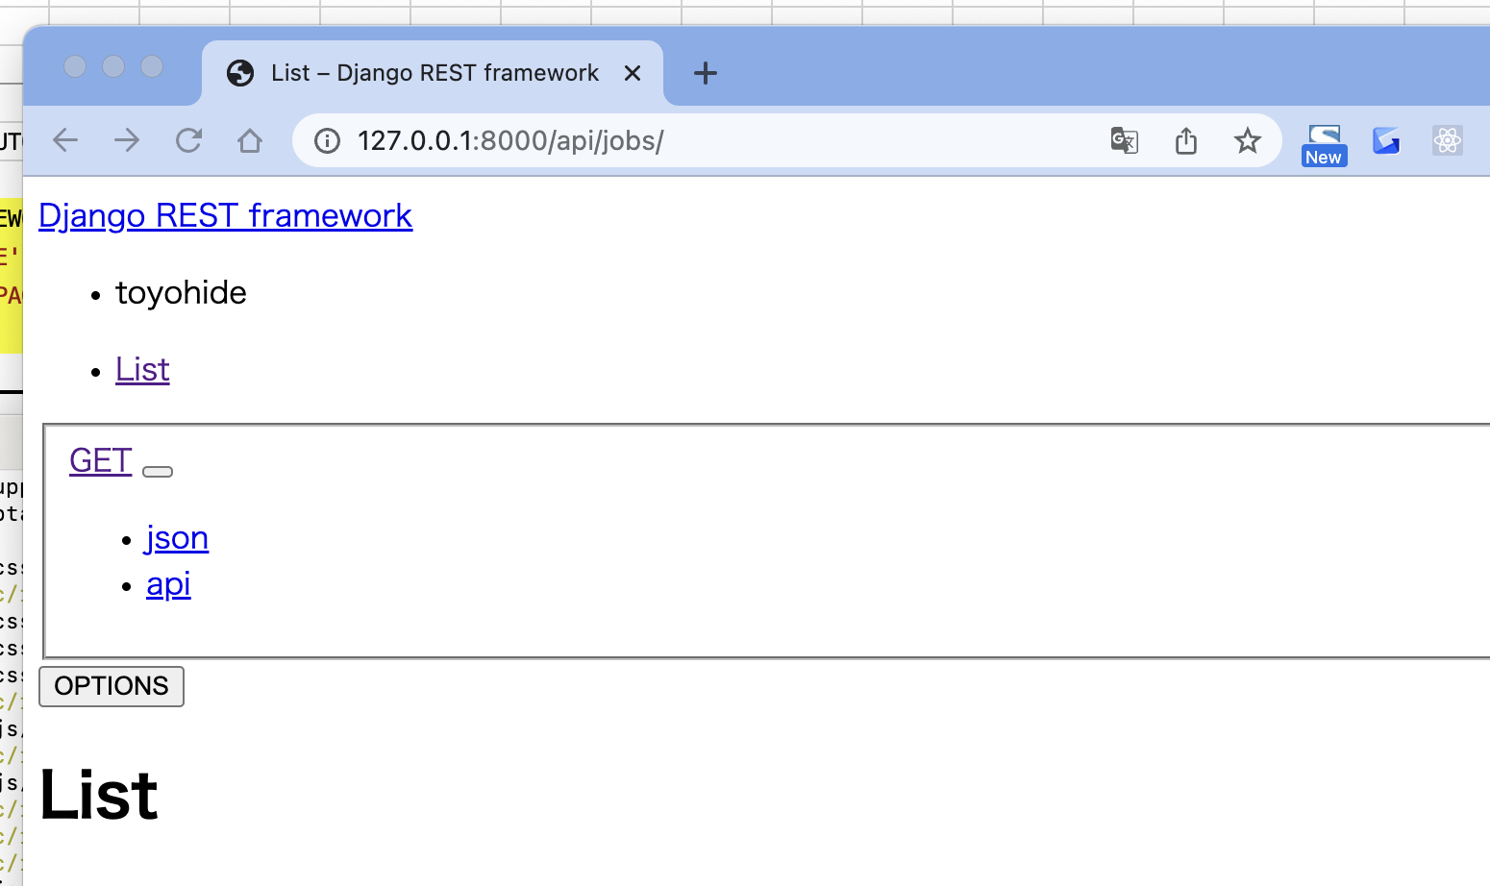
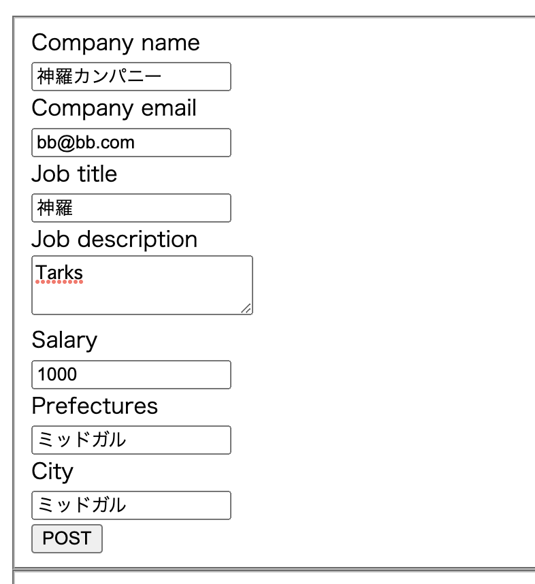
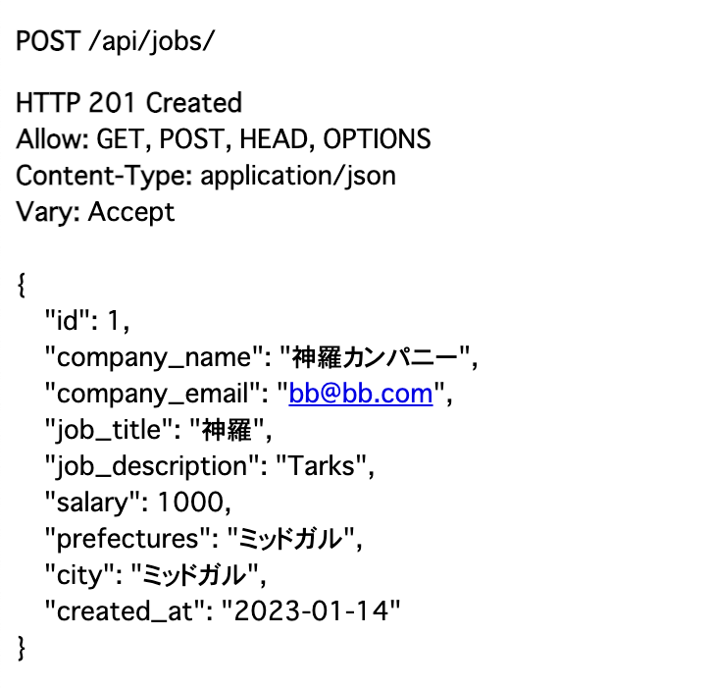
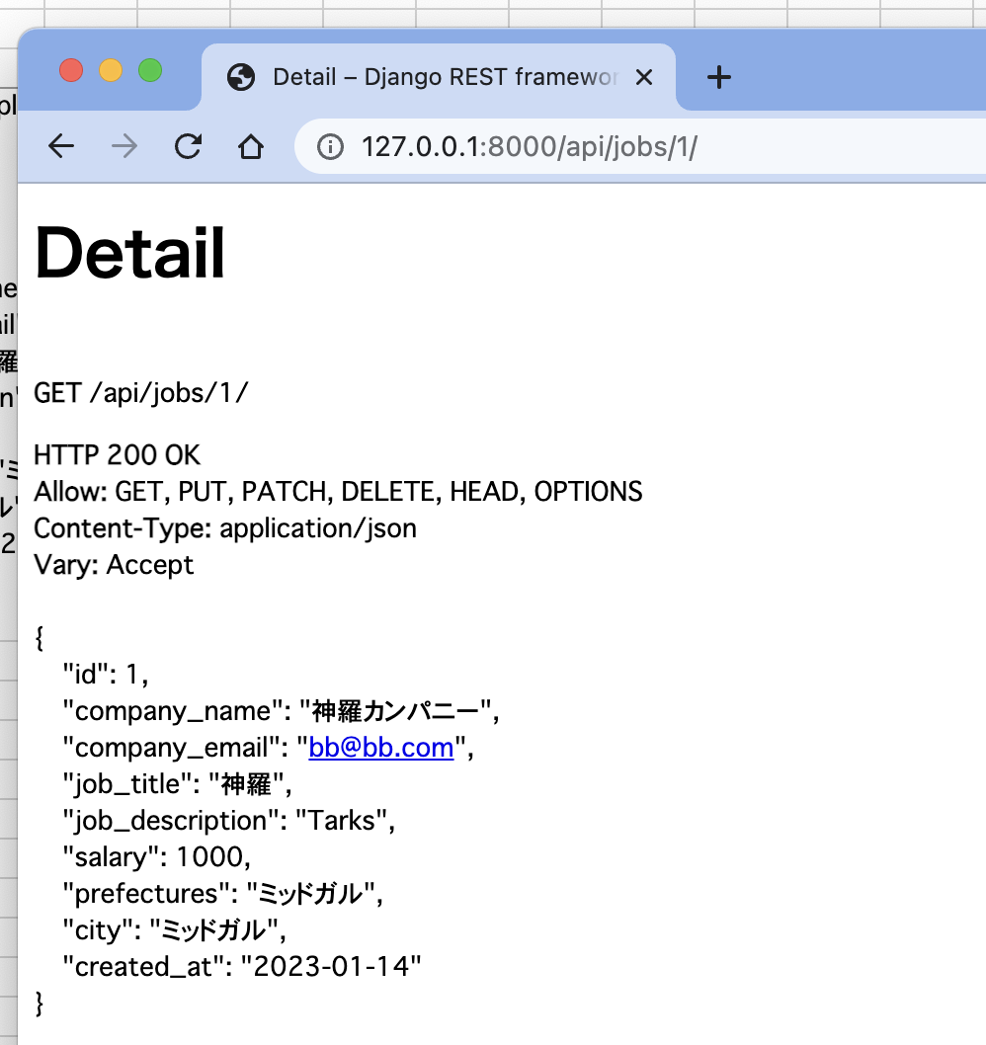
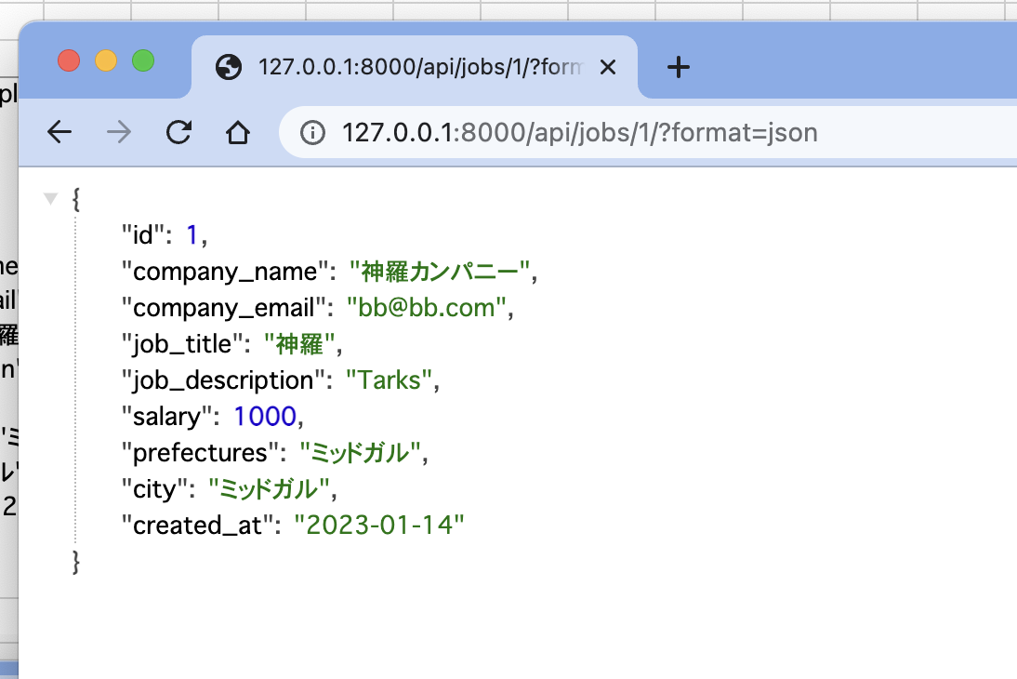
Django REST Framework + Vue.jsで求人情報アプリを構築しよう！ レッスン1
https://www.youtube.com/watch?v=wH4oLSrYdUI

(base) toyohide@toyohidenoMacBook-Pro ~ % cd /Users/toyohide/Desktop/hideyuki/MY_STUDY/python/004

(base) toyohide@toyohidenoMacBook-Pro 004 % python3 -m venv myvenv

(base) toyohide@toyohidenoMacBook-Pro 004 % source myvenv/bin/activate

(myvenv) (base) toyohide@toyohidenoMacBook-Pro 004 % code .

requirements.txt

 | Django~=2.2.10
 | djangorestframework~=3.11.0

(myvenv) (base) toyohide@toyohidenoMacBook-Pro 004 % pip3 install -r requirements.txt
Collecting Django~=2.2.10
Downloading Django-2.2.28-py3-none-any.whl (7.5 MB)
━━━━━━━━━━━━━━━━━━━━━━━━━━━━━━━━━━━━━━━━ 7.5/7.5 MB 21.9 MB/s eta 0:00:00
Collecting djangorestframework~=3.11.0
Downloading djangorestframework-3.11.2-py3-none-any.whl (911 kB)
━━━━━━━━━━━━━━━━━━━━━━━━━━━━━━━━━━━━━━━━ 911.2/911.2 KB 24.5 MB/s eta 0:00:00
Collecting sqlparse>=0.2.2
Downloading sqlparse-0.4.3-py3-none-any.whl (42 kB)
━━━━━━━━━━━━━━━━━━━━━━━━━━━━━━━━━━━━━━━━ 42.8/42.8 KB 6.6 MB/s eta 0:00:00
Collecting pytz
Downloading pytz-2022.7-py2.py3-none-any.whl (499 kB)
━━━━━━━━━━━━━━━━━━━━━━━━━━━━━━━━━━━━━━━━ 499.4/499.4 KB 22.2 MB/s eta 0:00:00
Installing collected packages: pytz, sqlparse, Django, djangorestframework
Successfully installed Django-2.2.28 djangorestframework-3.11.2 pytz-2022.7 sqlparse-0.4.3
WARNING: You are using pip version 22.0.4; however, version 22.3.1 is available.
You should consider upgrading via the '/Users/toyohide/Desktop/hideyuki/MY_STUDY/python/004/myvenv/bin/python3 -m pip install --upgrade pip' command.

(myvenv) (base) toyohide@toyohidenoMacBook-Pro 004 % django-admin startproject job_board .

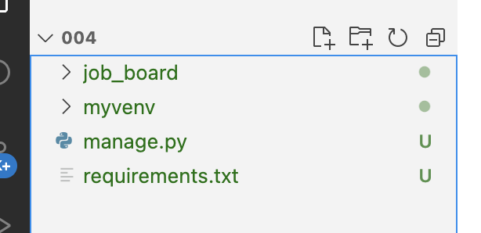

job_board/settings.py

 | """
 | Django settings for job_board project.

 | Generated by 'django-admin startproject' using Django 4.0.6.

 | For more information on this file, see
 | https://docs.djangoproject.com/en/4.0/topics/settings/

 | For the full list of settings and their values, see
 | https://docs.djangoproject.com/en/4.0/ref/settings/
 | """

 | from pathlib import Path

 | # Build paths inside the project like this: BASE_DIR / 'subdir'.
 | BASE_DIR = Path(__file__).resolve().parent.parent

 | # Quick-start development settings - unsuitable for production
 | # See https://docs.djangoproject.com/en/4.0/howto/deployment/checklist/

 | # SECURITY WARNING: keep the secret key used in production secret!
 | SECRET_KEY = 'django-insecure-9g55_vu+0-_frkd*u@**9jp*anx0#(%$a!zbbm+0%mww-#sc2='

 | # SECURITY WARNING: don't run with debug turned on in production!
 | DEBUG = True

 | ALLOWED_HOSTS = []

 | # Application definition

 | INSTALLED_APPS = [
 | 'django.contrib.admin',
 | 'django.contrib.auth',
 | 'django.contrib.contenttypes',
 | 'django.contrib.sessions',
 | 'django.contrib.messages',
 | 'django.contrib.staticfiles',
 | ]

 | MIDDLEWARE = [
 | 'django.middleware.security.SecurityMiddleware',
 | 'django.contrib.sessions.middleware.SessionMiddleware',
 | 'django.middleware.common.CommonMiddleware',
 | 'django.middleware.csrf.CsrfViewMiddleware',
 | 'django.contrib.auth.middleware.AuthenticationMiddleware',
 | 'django.contrib.messages.middleware.MessageMiddleware',
 | 'django.middleware.clickjacking.XFrameOptionsMiddleware',
 | ]

 | ROOT_URLCONF = 'job_board.urls'

 | TEMPLATES = [
 | {
 | 'BACKEND': 'django.template.backends.django.DjangoTemplates',
 | 'DIRS': [],
 | 'APP_DIRS': True,
 | 'OPTIONS': {
 | 'context_processors': [
 | 'django.template.context_processors.debug',
 | 'django.template.context_processors.request',
 | 'django.contrib.auth.context_processors.auth',
 | 'django.contrib.messages.context_processors.messages',
 | ],
 | },
 | },
 | ]

 | WSGI_APPLICATION = 'job_board.wsgi.application'

 | # Database
 | # https://docs.djangoproject.com/en/4.0/ref/settings/#databases

 | DATABASES = {
 | 'default': {
 | 'ENGINE': 'django.db.backends.sqlite3',
 | 'NAME': BASE_DIR / 'db.sqlite3',
 | }
 | }

 | # Password validation
 | # https://docs.djangoproject.com/en/4.0/ref/settings/#auth-password-validators

 | AUTH_PASSWORD_VALIDATORS = [
 | {
 | 'NAME': 'django.contrib.auth.password_validation.UserAttributeSimilarityValidator',
 | },
 | {
 | 'NAME': 'django.contrib.auth.password_validation.MinimumLengthValidator',
 | },
 | {
 | 'NAME': 'django.contrib.auth.password_validation.CommonPasswordValidator',
 | },
 | {
 | 'NAME': 'django.contrib.auth.password_validation.NumericPasswordValidator',
 | },
 | ]

 | # Internationalization
 | # https://docs.djangoproject.com/en/4.0/topics/i18n/

 | LANGUAGE_CODE = 'ja'

 | TIME_ZONE = 'Asia/Tokyo'

 | USE_I18N = True

 | USE_TZ = True

 | # Static files (CSS, JavaScript, Images)
 | # https://docs.djangoproject.com/en/4.0/howto/static-files/

 | STATIC_URL = 'static/'

 | # Default primary key field type
 | # https://docs.djangoproject.com/en/4.0/ref/settings/#default-auto-field

 | DEFAULT_AUTO_FIELD = 'django.db.models.BigAutoField'

(myvenv) (base) toyohide@toyohidenoMacBook-Pro 004 % python3 manage.py migrate
Operations to perform:
Apply all migrations: admin, auth, contenttypes, sessions
Running migrations:
Applying contenttypes.0001_initial... OK
Applying auth.0001_initial... OK
Applying admin.0001_initial... OK
Applying admin.0002_logentry_remove_auto_add... OK
Applying admin.0003_logentry_add_action_flag_choices... OK
Applying contenttypes.0002_remove_content_type_name... OK
Applying auth.0002_alter_permission_name_max_length... OK
Applying auth.0003_alter_user_email_max_length... OK
Applying auth.0004_alter_user_username_opts... OK
Applying auth.0005_alter_user_last_login_null... OK
Applying auth.0006_require_contenttypes_0002... OK
Applying auth.0007_alter_validators_add_error_messages... OK
Applying auth.0008_alter_user_username_max_length... OK
Applying auth.0009_alter_user_last_name_max_length... OK
Applying auth.0010_alter_group_name_max_length... OK
Applying auth.0011_update_proxy_permissions... OK
Applying sessions.0001_initial... OK

(myvenv) (base) toyohide@toyohidenoMacBook-Pro 004 % sqlite3 db.sqlite3
SQLite version 3.39.3 2022-09-05 11:02:23
Enter ".help" for usage hints.
sqlite> .tables
auth_group auth_user_user_permissions
auth_group_permissions django_admin_log
auth_permission django_content_type
auth_user django_migrations
auth_user_groups django_session
sqlite> .exit
(myvenv) (base) toyohide@toyohidenoMacBook-Pro 004 %

(myvenv) (base) toyohide@toyohidenoMacBook-Pro 004 % python3 manage.py runserver
Watching for file changes with StatReloader
Performing system checks...

System check identified no issues (0 silenced).
January 13, 2023 - 23:34:07
Django version 2.2.28, using settings 'job_board.settings'
Starting development server at http://127.0.0.1:8000/
Quit the server with CONTROL-C.

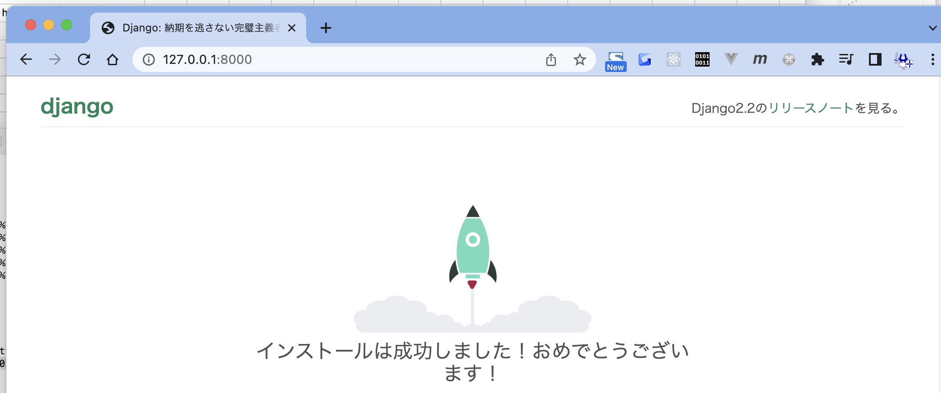

(myvenv) (base) toyohide@toyohidenoMacBook-Pro 004 % python3 manage.py startapp jobs

(myvenv) (base) toyohide@toyohidenoMacBook-Pro 004 % python3 manage.py createsuperuser
ユーザー名 (leave blank to use 'toyohide'): toyohide
メールアドレス: hide.toyoda@gmail.com
Password: |  | hidechy4819
Password (again):
Superuser created successfully.

job_board/settings.py

 | """
 | Django settings for job_board project.

 | Generated by 'django-admin startproject' using Django 4.0.6.

 | For more information on this file, see
 | https://docs.djangoproject.com/en/4.0/topics/settings/

 | For the full list of settings and their values, see
 | https://docs.djangoproject.com/en/4.0/ref/settings/
 | """

 | from pathlib import Path

 | # Build paths inside the project like this: BASE_DIR / 'subdir'.
 | BASE_DIR = Path(__file__).resolve().parent.parent

 | # Quick-start development settings - unsuitable for production
 | # See https://docs.djangoproject.com/en/4.0/howto/deployment/checklist/

 | # SECURITY WARNING: keep the secret key used in production secret!
 | SECRET_KEY = 'django-insecure-9g55_vu+0-_frkd*u@**9jp*anx0#(%$a!zbbm+0%mww-#sc2='

 | # SECURITY WARNING: don't run with debug turned on in production!
 | DEBUG = True

 | ALLOWED_HOSTS = []

 | # Application definition

 | INSTALLED_APPS = [
 | 'django.contrib.admin',
 | 'django.contrib.auth',
 | 'django.contrib.contenttypes',
 | 'django.contrib.sessions',
 | 'django.contrib.messages',
 | 'django.contrib.staticfiles',

 | 'rest_framework',
 | 'jobs'
 | ]

 | MIDDLEWARE = [
 | 'django.middleware.security.SecurityMiddleware',
 | 'django.contrib.sessions.middleware.SessionMiddleware',
 | 'django.middleware.common.CommonMiddleware',
 | 'django.middleware.csrf.CsrfViewMiddleware',
 | 'django.contrib.auth.middleware.AuthenticationMiddleware',
 | 'django.contrib.messages.middleware.MessageMiddleware',
 | 'django.middleware.clickjacking.XFrameOptionsMiddleware',
 | ]

 | ROOT_URLCONF = 'job_board.urls'

 | TEMPLATES = [
 | {
 | 'BACKEND': 'django.template.backends.django.DjangoTemplates',
 | 'DIRS': [],
 | 'APP_DIRS': True,
 | 'OPTIONS': {
 | 'context_processors': [
 | 'django.template.context_processors.debug',
 | 'django.template.context_processors.request',
 | 'django.contrib.auth.context_processors.auth',
 | 'django.contrib.messages.context_processors.messages',
 | ],
 | },
 | },
 | ]

 | WSGI_APPLICATION = 'job_board.wsgi.application'

 | # Database
 | # https://docs.djangoproject.com/en/4.0/ref/settings/#databases

 | DATABASES = {
 | 'default': {
 | 'ENGINE': 'django.db.backends.sqlite3',
 | 'NAME': BASE_DIR / 'db.sqlite3',
 | }
 | }

 | # Password validation
 | # https://docs.djangoproject.com/en/4.0/ref/settings/#auth-password-validators

 | AUTH_PASSWORD_VALIDATORS = [
 | {
 | 'NAME': 'django.contrib.auth.password_validation.UserAttributeSimilarityValidator',
 | },
 | {
 | 'NAME': 'django.contrib.auth.password_validation.MinimumLengthValidator',
 | },
 | {
 | 'NAME': 'django.contrib.auth.password_validation.CommonPasswordValidator',
 | },
 | {
 | 'NAME': 'django.contrib.auth.password_validation.NumericPasswordValidator',
 | },
 | ]

 | # Internationalization
 | # https://docs.djangoproject.com/en/4.0/topics/i18n/

 | LANGUAGE_CODE = 'ja'

 | TIME_ZONE = 'Asia/Tokyo'

 | USE_I18N = True

 | USE_TZ = True

 | # Static files (CSS, JavaScript, Images)
 | # https://docs.djangoproject.com/en/4.0/howto/static-files/

 | STATIC_URL = 'static/'

 | # Default primary key field type
 | # https://docs.djangoproject.com/en/4.0/ref/settings/#default-auto-field

 | DEFAULT_AUTO_FIELD = 'django.db.models.BigAutoField'

jobs/models.py

 | from django.db import models

 | # Create your models here.

 | class JobOffer(models.Model):
 | company_name = models.CharField(max_length=100)
 | company_email = models.EmailField()
 | job_title = models.CharField(max_length=100)
 | job_description = models.TextField()
 | salary = models.PositiveIntegerField()
 | prefectures = models.CharField(max_length=100)
 | city = models.CharField(max_length=100)
 | created_at = models.DateField(auto_now_add=True)

 | def __str__(self):
 | return self.company_name

(myvenv) (base) toyohide@toyohidenoMacBook-Pro 004 % python3 manage.py makemigrations
Migrations for 'jobs':
jobs/migrations/0001_initial.py
- Create model JobOffer

(myvenv) (base) toyohide@toyohidenoMacBook-Pro 004 % python3 manage.py migrate
Operations to perform:
Apply all migrations: admin, auth, contenttypes, jobs, sessions
Running migrations:
Applying jobs.0001_initial... OK

(myvenv) (base) toyohide@toyohidenoMacBook-Pro 004 % sqlite3 db.sqlite3
SQLite version 3.39.3 2022-09-05 11:02:23
Enter ".help" for usage hints.
sqlite> .tables
auth_group django_admin_log
auth_group_permissions django_content_type
auth_permission django_migrations
auth_user django_session
auth_user_groups jobs_joboffer
auth_user_user_permissions
sqlite> .exit
(myvenv) (base) toyohide@toyohidenoMacBook-Pro 004 %

job_board/urls.py

 | """job_board URL Configuration

 | The `urlpatterns` list routes URLs to views. For more information please see:
 | https://docs.djangoproject.com/en/4.0/topics/http/urls/
 | Examples:
 | Function views
 | 1. Add an import: from my_app import views
 | 2. Add a URL to urlpatterns: path('', views.home, name='home')
 | Class-based views
 | 1. Add an import: from other_app.views import Home
 | 2. Add a URL to urlpatterns: path('', Home.as_view(), name='home')
 | Including another URLconf
 | 1. Import the include() function: from django.urls import include, path
 | 2. Add a URL to urlpatterns: path('blog/', include('blog.urls'))
 | """
 | from django.contrib import admin
 | from django.urls import path, include

 | urlpatterns = [
 | path('admin/', admin.site.urls),

 | path('api/', include('jobs.api.urls')),
 | ]

jobs/api/urls.py

 | from django.urls import path
 | from jobs.api import views

 | urlpatterns = [
 | path('jobs/', views.ListView.as_view(), name='list'),
 | path('jobs/<int:pk>/', views.DetailView.as_view(), name='detail'),
 | ]

jobs/api/serializers.py

 | from rest_framework import serializers
 | from jobs.models import JobOffer

 | class JobOfferSerializer(serializers.ModelSerializer):
 | class Meta:
 | model = JobOffer
 | fields = '__all__'

jobs/api/views.py

 | from rest_framework import generics
 | from jobs.models import JobOffer
 | from jobs.api.serializers import JobOfferSerializer

 | class ListView(generics.ListCreateAPIView):
 | queryset = JobOffer.objects.all().order_by('-id')
 | serializer_class = JobOfferSerializer

 | class DetailView(generics.RetrieveUpdateDestroyAPIView):
 | queryset = JobOffer.objects.all()
 | serializer_class = JobOfferSerializer

job_board/settings.py

 | """
 | Django settings for job_board project.

 | Generated by 'django-admin startproject' using Django 4.0.6.

 | For more information on this file, see
 | https://docs.djangoproject.com/en/4.0/topics/settings/

 | For the full list of settings and their values, see
 | https://docs.djangoproject.com/en/4.0/ref/settings/
 | """

 | from pathlib import Path

 | # Build paths inside the project like this: BASE_DIR / 'subdir'.
 | BASE_DIR = Path(__file__).resolve().parent.parent

 | # Quick-start development settings - unsuitable for production
 | # See https://docs.djangoproject.com/en/4.0/howto/deployment/checklist/

 | # SECURITY WARNING: keep the secret key used in production secret!
 | SECRET_KEY = 'django-insecure-9g55_vu+0-_frkd*u@**9jp*anx0#(%$a!zbbm+0%mww-#sc2='

 | # SECURITY WARNING: don't run with debug turned on in production!
 | DEBUG = True

 | ALLOWED_HOSTS = []

 | # Application definition

 | INSTALLED_APPS = [
 | 'django.contrib.admin',
 | 'django.contrib.auth',
 | 'django.contrib.contenttypes',
 | 'django.contrib.sessions',
 | 'django.contrib.messages',
 | 'django.contrib.staticfiles',

 | 'rest_framework',
 | 'jobs'
 | ]

 | MIDDLEWARE = [
 | 'django.middleware.security.SecurityMiddleware',
 | 'django.contrib.sessions.middleware.SessionMiddleware',
 | 'django.middleware.common.CommonMiddleware',
 | 'django.middleware.csrf.CsrfViewMiddleware',
 | 'django.contrib.auth.middleware.AuthenticationMiddleware',
 | 'django.contrib.messages.middleware.MessageMiddleware',
 | 'django.middleware.clickjacking.XFrameOptionsMiddleware',
 | ]

 | ROOT_URLCONF = 'job_board.urls'

 | TEMPLATES = [
 | {
 | 'BACKEND': 'django.template.backends.django.DjangoTemplates',
 | 'DIRS': [],
 | 'APP_DIRS': True,
 | 'OPTIONS': {
 | 'context_processors': [
 | 'django.template.context_processors.debug',
 | 'django.template.context_processors.request',
 | 'django.contrib.auth.context_processors.auth',
 | 'django.contrib.messages.context_processors.messages',
 | ],
 | },
 | },
 | ]

 | WSGI_APPLICATION = 'job_board.wsgi.application'

 | # Database
 | # https://docs.djangoproject.com/en/4.0/ref/settings/#databases

 | DATABASES = {
 | 'default': {
 | 'ENGINE': 'django.db.backends.sqlite3',
 | 'NAME': BASE_DIR / 'db.sqlite3',
 | }
 | }

 | # Password validation
 | # https://docs.djangoproject.com/en/4.0/ref/settings/#auth-password-validators

 | AUTH_PASSWORD_VALIDATORS = [
 | {
 | 'NAME': 'django.contrib.auth.password_validation.UserAttributeSimilarityValidator',
 | },
 | {
 | 'NAME': 'django.contrib.auth.password_validation.MinimumLengthValidator',
 | },
 | {
 | 'NAME': 'django.contrib.auth.password_validation.CommonPasswordValidator',
 | },
 | {
 | 'NAME': 'django.contrib.auth.password_validation.NumericPasswordValidator',
 | },
 | ]

 | # Internationalization
 | # https://docs.djangoproject.com/en/4.0/topics/i18n/

 | LANGUAGE_CODE = 'ja'

 | TIME_ZONE = 'Asia/Tokyo'

 | USE_I18N = True

 | USE_TZ = True

 | # Static files (CSS, JavaScript, Images)
 | # https://docs.djangoproject.com/en/4.0/howto/static-files/

 | STATIC_URL = 'static/'

 | # Default primary key field type
 | # https://docs.djangoproject.com/en/4.0/ref/settings/#default-auto-field

 | DEFAULT_AUTO_FIELD = 'django.db.models.BigAutoField'

 | REST_FRAMEWORK = {
 | 'PAGE_SIZE': 4,
 | 'DEFAULT_PAGINATION_CLASS': 'rest_framework.pagination.PageNumberPagination'
 | }

レッスン2
Django REST Framework + Vue.jsで求人情報アプリを構築しよう！ レッスン2
https://www.youtube.com/watch?v=nKuUhMxsRfo&t=13s

(myvenv) (base) toyohide@toyohidenoMacBook-Pro 004 % node -v
v18.4.0

(myvenv) (base) toyohide@toyohidenoMacBook-Pro 004 % npm -v
9.1.2

(myvenv) (base) toyohide@toyohidenoMacBook-Pro 004 % npm i -g @vue/cli
npm WARN deprecated source-map-url@0.4.1: See https://github.com/lydell/source-map-url#deprecated
npm WARN deprecated urix@0.1.0: Please see https://github.com/lydell/urix#deprecated
npm WARN deprecated apollo-datasource@3.3.2: The `apollo-datasource` package is part of Apollo Server v2 and v3, which are now deprecated (end-of-life October 22nd 2023). See https://www.apollographql.com/docs/apollo-server/previous-versions/ for more details.
npm WARN deprecated resolve-url@0.2.1: https://github.com/lydell/resolve-url#deprecated
npm WARN deprecated source-map-resolve@0.5.3: See https://github.com/lydell/source-map-resolve#deprecated
npm WARN deprecated apollo-server-errors@3.3.1: The `apollo-server-errors` package is part of Apollo Server v2 and v3, which are now deprecated (end-of-life October 22nd 2023). This package's functionality is now found in the `@apollo/server` package. See https://www.apollographql.com/docs/apollo-server/previous-versions/ for more details.
npm WARN deprecated apollo-server-env@4.2.1: The `apollo-server-env` package is part of Apollo Server v2 and v3, which are now deprecated (end-of-life October 22nd 2023). This package's functionality is now found in the `@apollo/utils.fetcher` package. See https://www.apollographql.com/docs/apollo-server/previous-versions/ for more details.
npm WARN deprecated apollo-server-plugin-base@3.7.1: The `apollo-server-plugin-base` package is part of Apollo Server v2 and v3, which are now deprecated (end-of-life October 22nd 2023). This package's functionality is now found in the `@apollo/server` package. See https://www.apollographql.com/docs/apollo-server/previous-versions/ for more details.
npm WARN deprecated apollo-reporting-protobuf@3.3.3: The `apollo-reporting-protobuf` package is part of Apollo Server v2 and v3, which are now deprecated (end-of-life October 22nd 2023). This package's functionality is now found in the `@apollo/usage-reporting-protobuf` package. See https://www.apollographql.com/docs/apollo-server/previous-versions/ for more details.
npm WARN deprecated apollo-server-types@3.7.1: The `apollo-server-types` package is part of Apollo Server v2 and v3, which are now deprecated (end-of-life October 22nd 2023). This package's functionality is now found in the `@apollo/server` package. See https://www.apollographql.com/docs/apollo-server/previous-versions/ for more details.
npm WARN deprecated subscriptions-transport-ws@0.11.0: The `subscriptions-transport-ws` package is no longer maintained. We recommend you use `graphql-ws` instead. For help migrating Apollo software to `graphql-ws`, see https://www.apollographql.com/docs/apollo-server/data/subscriptions/#switching-from-subscriptions-transport-ws For general help using `graphql-ws`, see https://github.com/enisdenjo/graphql-ws/blob/master/README.md
npm WARN deprecated apollo-server-core@3.11.1: The `apollo-server-core` package is part of Apollo Server v2 and v3, which are now deprecated (end-of-life October 22nd 2023). This package's functionality is now found in the `@apollo/server` package. See https://www.apollographql.com/docs/apollo-server/previous-versions/ for more details.
npm WARN deprecated apollo-server-express@3.11.1: The `apollo-server-express` package is part of Apollo Server v2 and v3, which are now deprecated (end-of-life October 22nd 2023). This package's functionality is now found in the `@apollo/server` package. See https://www.apollographql.com/docs/apollo-server/previous-versions/ for more details.

added 852 packages in 40s

64 packages are looking for funding
run `npm fund` for details

(myvenv) (base) toyohide@toyohidenoMacBook-Pro 004 % vue create frontend

Vue CLI v5.0.8
? Please pick a preset: Manually select features
? Check the features needed for your project: Babel, Linter
? Choose a version of Vue.js that you want to start the project with 2.x
? Pick a linter / formatter config: Prettier
? Pick additional lint features: Lint on save
? Where do you prefer placing config for Babel, ESLint, etc.? In package.json
? Save this as a preset for future projects? No

Vue CLI v5.0.8
✨ Creating project in /Users/toyohide/Desktop/hideyuki/MY_STUDY/python/004/frontend.
⚙️ Installing CLI plugins. This might take a while...

added 857 packages, and audited 858 packages in 27s

91 packages are looking for funding
run `npm fund` for details

found 0 vulnerabilities
🚀 Invoking generators...
📦 Installing additional dependencies...

added 96 packages, and audited 954 packages in 6s

102 packages are looking for funding
run `npm fund` for details

found 0 vulnerabilities
⚓ Running completion hooks...

📄 Generating README.md...

🎉 Successfully created project frontend.
👉 Get started with the following commands:

$ cd frontend
$ npm run serve

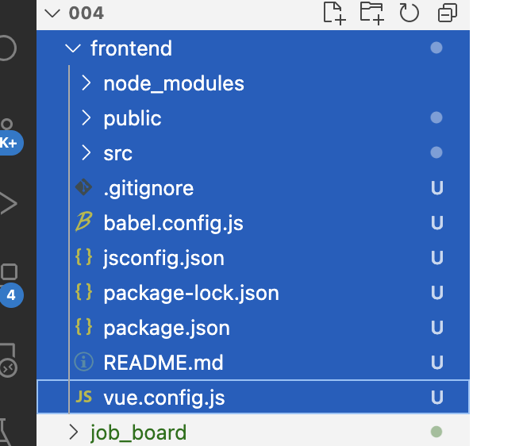

(myvenv) (base) toyohide@toyohidenoMacBook-Pro 004 % cd frontend

(myvenv) (base) toyohide@toyohidenoMacBook-Pro frontend % npm install webpack-bundle-tracker

added 7 packages, and audited 961 packages in 2s

102 packages are looking for funding
run `npm fund` for details

found 0 vulnerabilities

(myvenv) (base) toyohide@toyohidenoMacBook-Pro frontend % npm run serve

> frontend@0.1.0 serve
> vue-cli-service serve

INFO Starting development server...

DONE Compiled successfully in 1664ms 14:18:44

App running at:
- Local: http://localhost:8080/
- Network: http://192.168.10.110:8080/

Note that the development build is not optimized.
To create a production build, run npm run build.

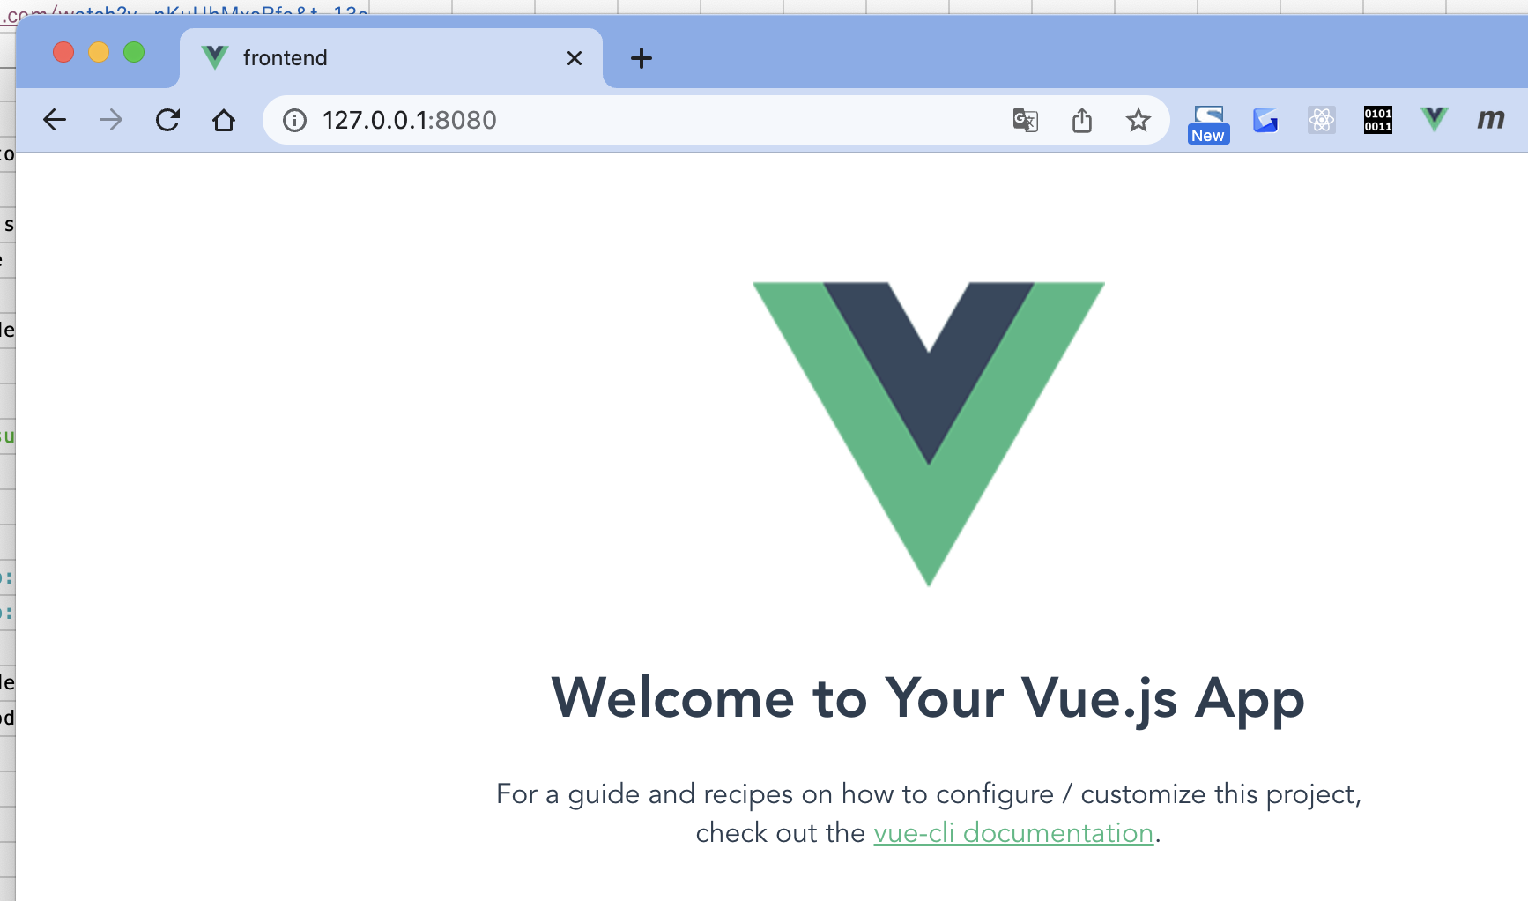

job_board/urls.py

 | """job_board URL Configuration

 | The `urlpatterns` list routes URLs to views. For more information please see:
 | https://docs.djangoproject.com/en/4.0/topics/http/urls/
 | Examples:
 | Function views
 | 1. Add an import: from my_app import views
 | 2. Add a URL to urlpatterns: path('', views.home, name='home')
 | Class-based views
 | 1. Add an import: from other_app.views import Home
 | 2. Add a URL to urlpatterns: path('', Home.as_view(), name='home')
 | Including another URLconf
 | 1. Import the include() function: from django.urls import include, path
 | 2. Add a URL to urlpatterns: path('blog/', include('blog.urls'))
 | """
 | from django.contrib import admin
 | from django.urls import path, include

 | urlpatterns = [
 | path('admin/', admin.site.urls),

 | path('api/', include('jobs.api.urls')),

 | path('', include('jobs.urls')),
 | ]

jobs/urls.py

 | from django.urls import re_path
 | from . import views

 | urlpatterns = [
 | re_path('', views.IndexView.as_view(), name='index')
 | ]

jobs/views.py

 | from django.shortcuts import render
 | from django.views.generic import TemplateView

 | # Create your views here.
 | class IndexView(TemplateView):
 | template_name = 'jobs/index.html'

jobs/templates/jobs/index.html

 | <!doctype html>
 | <html lang="en">
 | <head>
 | <!-- Required meta tags -->
 | <meta charset="utf-8">
 | <meta name="viewport" content="width=device-width, initial-scale=1">

 | <!-- Bootstrap CSS -->
 | <link href="https://cdn.jsdelivr.net/npm/bootstrap@5.0.2/dist/css/bootstrap.min.css" rel="stylesheet" integrity="sha384-EVSTQN3/azprG1Anm3QDgpJLIm9Nao0Yz1ztcQTwFspd3yD65VohhpuuCOmLASjC" crossorigin="anonymous">

 | <title>Job Board</title>
 | </head>
 | <body>
 | <h1>Vue JS</h1>

 | <!-- Optional JavaScript; choose one of the two! -->

 | <!-- Option 1: Bootstrap Bundle with Popper -->
 | <script src="https://cdn.jsdelivr.net/npm/bootstrap@5.0.2/dist/js/bootstrap.bundle.min.js" integrity="sha384-MrcW6ZMFYlzcLA8Nl+NtUVF0sA7MsXsP1UyJoMp4YLEuNSfAP+JcXn/tWtIaxVXM" crossorigin="anonymous"></script>

 | <!-- Option 2: Separate Popper and Bootstrap JS -->
 | <!--
 | <script src="https://cdn.jsdelivr.net/npm/@popperjs/core@2.9.2/dist/umd/popper.min.js" integrity="sha384-IQsoLXl5PILFhosVNubq5LC7Qb9DXgDA9i+tQ8Zj3iwWAwPtgFTxbJ8NT4GN1R8p" crossorigin="anonymous"></script>
 | <script src="https://cdn.jsdelivr.net/npm/bootstrap@5.0.2/dist/js/bootstrap.min.js" integrity="sha384-cVKIPhGWiC2Al4u+LWgxfKTRIcfu0JTxR+EQDz/bgldoEyl4H0zUF0QKbrJ0EcQF" crossorigin="anonymous"></script>
 | -->
 | </body>
 | </html>

(myvenv) (base) toyohide@toyohidenoMacBook-Pro frontend % cd ..

(myvenv) (base) toyohide@toyohidenoMacBook-Pro 004 % python3 manage.py runserver
Watching for file changes with StatReloader
Performing system checks...

System check identified no issues (0 silenced).
January 14, 2023 - 15:15:08
Django version 2.2.28, using settings 'job_board.settings'
Starting development server at http://127.0.0.1:8000/
Quit the server with CONTROL-C.

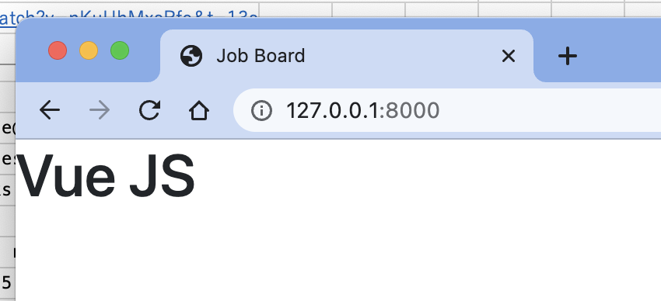

(myvenv) (base) toyohide@toyohidenoMacBook-Pro 004 % pip3 install django-webpack-loader
Collecting django-webpack-loader
Downloading django_webpack_loader-1.8.0-py2.py3-none-any.whl (17 kB)
Installing collected packages: django-webpack-loader
Successfully installed django-webpack-loader-1.8.0
WARNING: You are using pip version 22.0.4; however, version 22.3.1 is available.
You should consider upgrading via the '/Users/toyohide/Desktop/hideyuki/MY_STUDY/python/004/myvenv/bin/python3 -m pip install --upgrade pip' command.

Sheet1
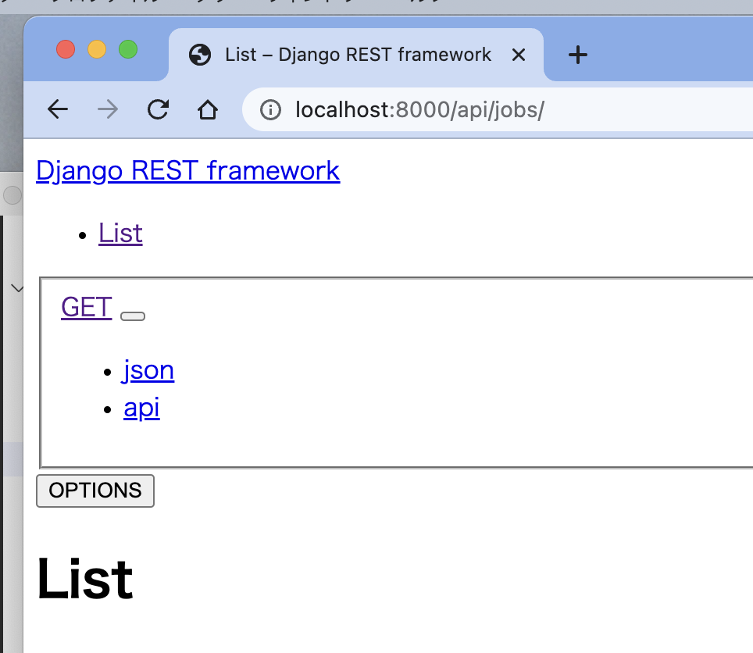
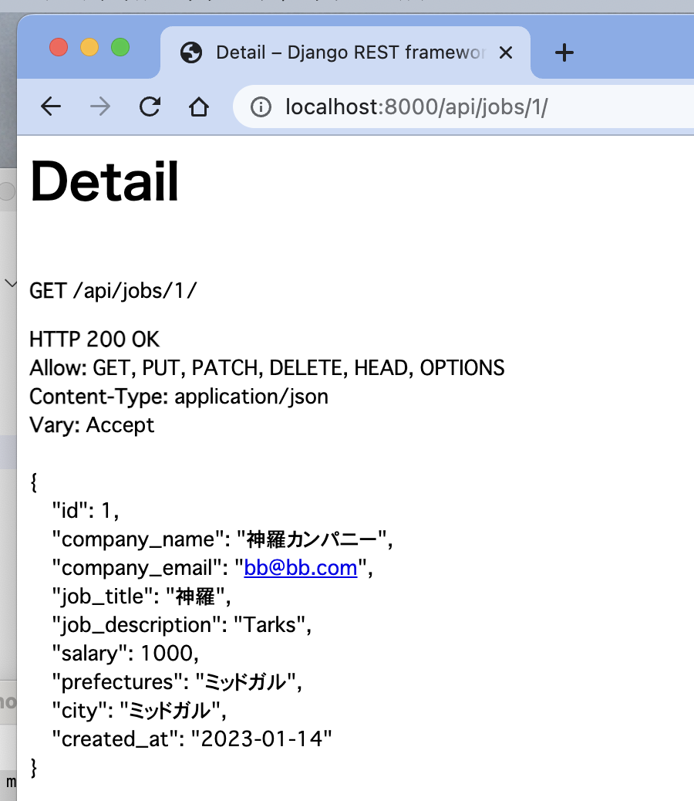
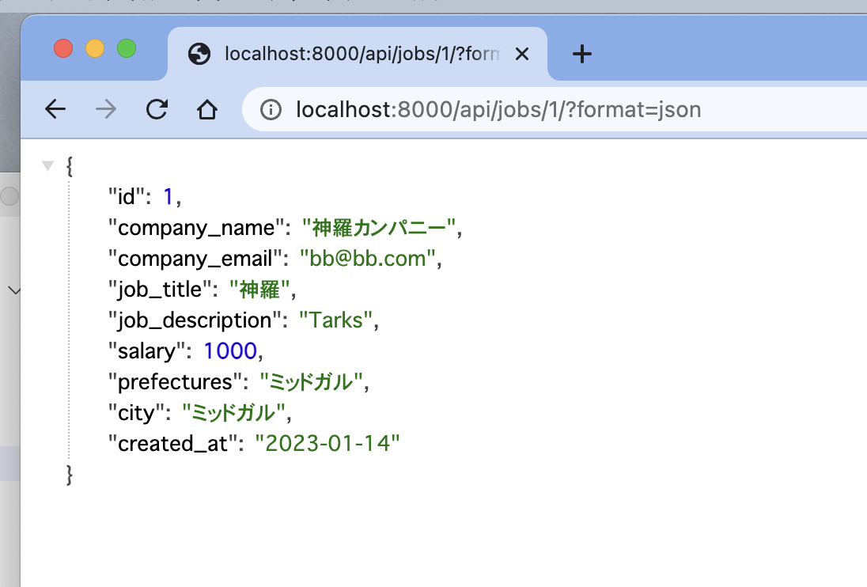
(base) toyohide@toyohidenoMacBook-Pro ~ % conda deactivate

toyohide@toyohidenoMacBook-Pro ~ % cd /Users/toyohide/Desktop/hideyuki/MY_STUDY/python/005

toyohide@toyohidenoMacBook-Pro 005 % python3 -m venv myvenv

toyohide@toyohidenoMacBook-Pro 005 % source myvenv/bin/activate

(myvenv) toyohide@toyohidenoMacBook-Pro 005 % code .

/Users/toyohide/Desktop/hideyuki/MY_STUDY/python/005/requirements.txt

 | Django~=2.2.10
 | djangorestframework~=3.11.0

(myvenv) toyohide@toyohidenoMacBook-Pro 005 % pip3 install -r requirements.txt
Collecting Django~=2.2.10
Using cached Django-2.2.28-py3-none-any.whl (7.5 MB)
Collecting djangorestframework~=3.11.0
Using cached djangorestframework-3.11.2-py3-none-any.whl (911 kB)
Collecting sqlparse>=0.2.2
Using cached sqlparse-0.4.3-py3-none-any.whl (42 kB)
Collecting pytz
Downloading pytz-2022.7.1-py2.py3-none-any.whl (499 kB)
━━━━━━━━━━━━━━━━━━━━━━━━━━━━━━━━━━━━━━━━ 499.4/499.4 KB 11.7 MB/s eta 0:00:00
Installing collected packages: pytz, sqlparse, Django, djangorestframework
Successfully installed Django-2.2.28 djangorestframework-3.11.2 pytz-2022.7.1 sqlparse-0.4.3
WARNING: You are using pip version 22.0.4; however, version 22.3.1 is available.
You should consider upgrading via the '/Users/toyohide/Desktop/hideyuki/MY_STUDY/python/005/myvenv/bin/python3 -m pip install --upgrade pip' command.

(myvenv) toyohide@toyohidenoMacBook-Pro 005 % django-admin startproject job_board .

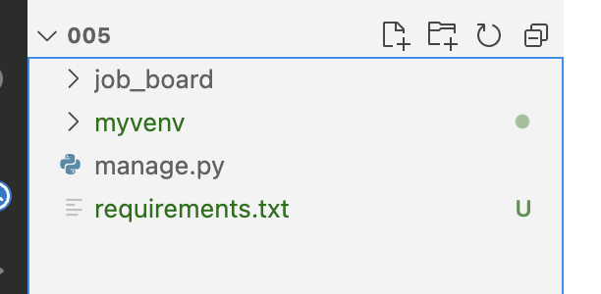

/Users/toyohide/Desktop/hideyuki/MY_STUDY/python/005/job_board/settings.py

 | """
 | Django settings for job_board project.

 | Generated by 'django-admin startproject' using Django 4.0.6.

 | For more information on this file, see
 | https://docs.djangoproject.com/en/4.0/topics/settings/

 | For the full list of settings and their values, see
 | https://docs.djangoproject.com/en/4.0/ref/settings/
 | """

 | from pathlib import Path

 | # Build paths inside the project like this: BASE_DIR / 'subdir'.
 | BASE_DIR = Path(__file__).resolve().parent.parent

 | # Quick-start development settings - unsuitable for production
 | # See https://docs.djangoproject.com/en/4.0/howto/deployment/checklist/

 | # SECURITY WARNING: keep the secret key used in production secret!
 | SECRET_KEY = 'django-insecure-3nd)h8dreb_hzf078@r04+@v#md5*wf2p)*sd1-2^^e$9*+322'

 | # SECURITY WARNING: don't run with debug turned on in production!
 | DEBUG = True

 | ALLOWED_HOSTS = []

 | # Application definition

 | INSTALLED_APPS = [
 | 'django.contrib.admin',
 | 'django.contrib.auth',
 | 'django.contrib.contenttypes',
 | 'django.contrib.sessions',
 | 'django.contrib.messages',
 | 'django.contrib.staticfiles',
 | ]

 | MIDDLEWARE = [
 | 'django.middleware.security.SecurityMiddleware',
 | 'django.contrib.sessions.middleware.SessionMiddleware',
 | 'django.middleware.common.CommonMiddleware',
 | 'django.middleware.csrf.CsrfViewMiddleware',
 | 'django.contrib.auth.middleware.AuthenticationMiddleware',
 | 'django.contrib.messages.middleware.MessageMiddleware',
 | 'django.middleware.clickjacking.XFrameOptionsMiddleware',
 | ]

 | ROOT_URLCONF = 'job_board.urls'

 | TEMPLATES = [
 | {
 | 'BACKEND': 'django.template.backends.django.DjangoTemplates',
 | 'DIRS': [],
 | 'APP_DIRS': True,
 | 'OPTIONS': {
 | 'context_processors': [
 | 'django.template.context_processors.debug',
 | 'django.template.context_processors.request',
 | 'django.contrib.auth.context_processors.auth',
 | 'django.contrib.messages.context_processors.messages',
 | ],
 | },
 | },
 | ]

 | WSGI_APPLICATION = 'job_board.wsgi.application'

 | # Database
 | # https://docs.djangoproject.com/en/4.0/ref/settings/#databases

 | DATABASES = {
 | 'default': {
 | 'ENGINE': 'django.db.backends.sqlite3',
 | 'NAME': BASE_DIR / 'db.sqlite3',
 | }
 | }

 | # Password validation
 | # https://docs.djangoproject.com/en/4.0/ref/settings/#auth-password-validators

 | AUTH_PASSWORD_VALIDATORS = [
 | {
 | 'NAME': 'django.contrib.auth.password_validation.UserAttributeSimilarityValidator',
 | },
 | {
 | 'NAME': 'django.contrib.auth.password_validation.MinimumLengthValidator',
 | },
 | {
 | 'NAME': 'django.contrib.auth.password_validation.CommonPasswordValidator',
 | },
 | {
 | 'NAME': 'django.contrib.auth.password_validation.NumericPasswordValidator',
 | },
 | ]

 | # Internationalization
 | # https://docs.djangoproject.com/en/4.0/topics/i18n/

 | LANGUAGE_CODE = 'ja'

 | TIME_ZONE = 'Asia/Tokyo'

 | USE_I18N = True

 | USE_TZ = True

 | # Static files (CSS, JavaScript, Images)
 | # https://docs.djangoproject.com/en/4.0/howto/static-files/

 | STATIC_URL = 'static/'

 | # Default primary key field type
 | # https://docs.djangoproject.com/en/4.0/ref/settings/#default-auto-field

 | DEFAULT_AUTO_FIELD = 'django.db.models.BigAutoField'

(myvenv) toyohide@toyohidenoMacBook-Pro 005 % python3 manage.py migrate
Operations to perform:
Apply all migrations: admin, auth, contenttypes, sessions
Running migrations:
Applying contenttypes.0001_initial... OK
Applying auth.0001_initial... OK
Applying admin.0001_initial... OK
Applying admin.0002_logentry_remove_auto_add... OK
Applying admin.0003_logentry_add_action_flag_choices... OK
Applying contenttypes.0002_remove_content_type_name... OK
Applying auth.0002_alter_permission_name_max_length... OK
Applying auth.0003_alter_user_email_max_length... OK
Applying auth.0004_alter_user_username_opts... OK
Applying auth.0005_alter_user_last_login_null... OK
Applying auth.0006_require_contenttypes_0002... OK
Applying auth.0007_alter_validators_add_error_messages... OK
Applying auth.0008_alter_user_username_max_length... OK
Applying auth.0009_alter_user_last_name_max_length... OK
Applying auth.0010_alter_group_name_max_length... OK
Applying auth.0011_update_proxy_permissions... OK
Applying sessions.0001_initial... OK

(myvenv) toyohide@toyohidenoMacBook-Pro 005 % sqlite3 db.sqlite3
SQLite version 3.39.5 2022-10-14 20:58:05
Enter ".help" for usage hints.
sqlite> .tables
auth_group auth_user_user_permissions
auth_group_permissions django_admin_log
auth_permission django_content_type
auth_user django_migrations
auth_user_groups django_session
sqlite> .exit
(myvenv) toyohide@toyohidenoMacBook-Pro 005 %

(myvenv) toyohide@toyohidenoMacBook-Pro 005 % python3 manage.py runserver
Watching for file changes with StatReloader
Performing system checks...

System check identified no issues (0 silenced).
January 14, 2023 - 23:16:54
Django version 2.2.28, using settings 'job_board.settings'
Starting development server at http://127.0.0.1:8000/
Quit the server with CONTROL-C.

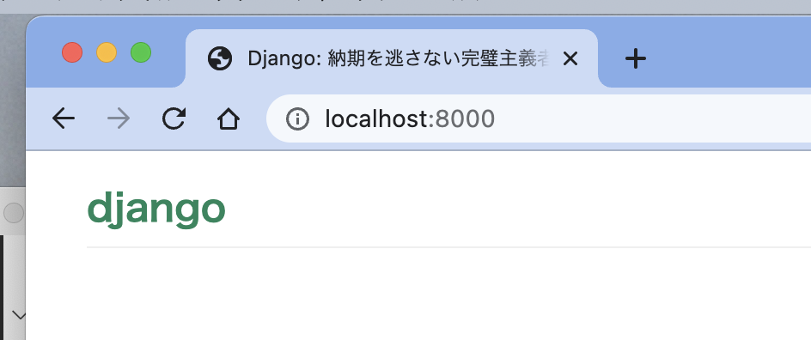

(myvenv) toyohide@toyohidenoMacBook-Pro 005 % python3 manage.py startapp jobs

(myvenv) toyohide@toyohidenoMacBook-Pro 005 % python3 manage.py createsuperuser
ユーザー名 (leave blank to use 'toyohide'): toyohide
メールアドレス: hide.toyoda@gmail.com
Password: |  | hidechy4819
Password (again):
Superuser created successfully.
Traceback (most recent call last):

/Users/toyohide/Desktop/hideyuki/MY_STUDY/python/005/job_board/settings.py

 | """
 | Django settings for job_board project.

 | Generated by 'django-admin startproject' using Django 4.0.6.

 | For more information on this file, see
 | https://docs.djangoproject.com/en/4.0/topics/settings/

 | For the full list of settings and their values, see
 | https://docs.djangoproject.com/en/4.0/ref/settings/
 | """

 | from pathlib import Path

 | # Build paths inside the project like this: BASE_DIR / 'subdir'.
 | BASE_DIR = Path(__file__).resolve().parent.parent

 | # Quick-start development settings - unsuitable for production
 | # See https://docs.djangoproject.com/en/4.0/howto/deployment/checklist/

 | # SECURITY WARNING: keep the secret key used in production secret!
 | SECRET_KEY = 'django-insecure-3nd)h8dreb_hzf078@r04+@v#md5*wf2p)*sd1-2^^e$9*+322'

 | # SECURITY WARNING: don't run with debug turned on in production!
 | DEBUG = True

 | ALLOWED_HOSTS = []

 | # Application definition

 | INSTALLED_APPS = [
 | 'django.contrib.admin',
 | 'django.contrib.auth',
 | 'django.contrib.contenttypes',
 | 'django.contrib.sessions',
 | 'django.contrib.messages',
 | 'django.contrib.staticfiles',

 | 'rest_framework',
 | 'jobs'
 | ]

 | MIDDLEWARE = [
 | 'django.middleware.security.SecurityMiddleware',
 | 'django.contrib.sessions.middleware.SessionMiddleware',
 | 'django.middleware.common.CommonMiddleware',
 | 'django.middleware.csrf.CsrfViewMiddleware',
 | 'django.contrib.auth.middleware.AuthenticationMiddleware',
 | 'django.contrib.messages.middleware.MessageMiddleware',
 | 'django.middleware.clickjacking.XFrameOptionsMiddleware',
 | ]

 | ROOT_URLCONF = 'job_board.urls'

 | TEMPLATES = [
 | {
 | 'BACKEND': 'django.template.backends.django.DjangoTemplates',
 | 'DIRS': [],
 | 'APP_DIRS': True,
 | 'OPTIONS': {
 | 'context_processors': [
 | 'django.template.context_processors.debug',
 | 'django.template.context_processors.request',
 | 'django.contrib.auth.context_processors.auth',
 | 'django.contrib.messages.context_processors.messages',
 | ],
 | },
 | },
 | ]

 | WSGI_APPLICATION = 'job_board.wsgi.application'

 | # Database
 | # https://docs.djangoproject.com/en/4.0/ref/settings/#databases

 | DATABASES = {
 | 'default': {
 | 'ENGINE': 'django.db.backends.sqlite3',
 | 'NAME': BASE_DIR / 'db.sqlite3',
 | }
 | }

 | # Password validation
 | # https://docs.djangoproject.com/en/4.0/ref/settings/#auth-password-validators

 | AUTH_PASSWORD_VALIDATORS = [
 | {
 | 'NAME': 'django.contrib.auth.password_validation.UserAttributeSimilarityValidator',
 | },
 | {
 | 'NAME': 'django.contrib.auth.password_validation.MinimumLengthValidator',
 | },
 | {
 | 'NAME': 'django.contrib.auth.password_validation.CommonPasswordValidator',
 | },
 | {
 | 'NAME': 'django.contrib.auth.password_validation.NumericPasswordValidator',
 | },
 | ]

 | # Internationalization
 | # https://docs.djangoproject.com/en/4.0/topics/i18n/

 | LANGUAGE_CODE = 'ja'

 | TIME_ZONE = 'Asia/Tokyo'

 | USE_I18N = True

 | USE_TZ = True

 | # Static files (CSS, JavaScript, Images)
 | # https://docs.djangoproject.com/en/4.0/howto/static-files/

 | STATIC_URL = 'static/'

 | # Default primary key field type
 | # https://docs.djangoproject.com/en/4.0/ref/settings/#default-auto-field

 | DEFAULT_AUTO_FIELD = 'django.db.models.BigAutoField'

/Users/toyohide/Desktop/hideyuki/MY_STUDY/python/005/jobs/models.py

 | from django.db import models

 | # Create your models here.

 | class JobOffer(models.Model):
 | company_name = models.CharField(max_length=100)
 | company_email = models.EmailField()
 | job_title = models.CharField(max_length=100)
 | job_description = models.TextField()
 | salary = models.PositiveIntegerField()
 | prefectures = models.CharField(max_length=100)
 | city = models.CharField(max_length=100)
 | created_at = models.DateField(auto_now_add=True)

 | def __str__(self):
 | return self.company_name

(myvenv) toyohide@toyohidenoMacBook-Pro 005 % python3 manage.py makemigrations
Migrations for 'jobs':
jobs/migrations/0001_initial.py
- Create model JobOffer

(myvenv) toyohide@toyohidenoMacBook-Pro 005 % python3 manage.py migrate
Operations to perform:
Apply all migrations: admin, auth, contenttypes, jobs, sessions
Running migrations:
Applying jobs.0001_initial... OK

(myvenv) toyohide@toyohidenoMacBook-Pro 005 % sqlite3 db.sqlite3
SQLite version 3.39.5 2022-10-14 20:58:05
Enter ".help" for usage hints.
sqlite> .tables
auth_group django_admin_log
auth_group_permissions django_content_type
auth_permission django_migrations
auth_user django_session
auth_user_groups jobs_joboffer
auth_user_user_permissions
sqlite> .exit
(myvenv) toyohide@toyohidenoMacBook-Pro 005 %

/Users/toyohide/Desktop/hideyuki/MY_STUDY/python/005/job_board/urls.py

 | """job_board URL Configuration

 | The `urlpatterns` list routes URLs to views. For more information please see:
 | https://docs.djangoproject.com/en/4.0/topics/http/urls/
 | Examples:
 | Function views
 | 1. Add an import: from my_app import views
 | 2. Add a URL to urlpatterns: path('', views.home, name='home')
 | Class-based views
 | 1. Add an import: from other_app.views import Home
 | 2. Add a URL to urlpatterns: path('', Home.as_view(), name='home')
 | Including another URLconf
 | 1. Import the include() function: from django.urls import include, path
 | 2. Add a URL to urlpatterns: path('blog/', include('blog.urls'))
 | """
 | from django.contrib import admin
 | from django.urls import path, include

 | urlpatterns = [
 | path('admin/', admin.site.urls),

 | path('api/', include('jobs.api.urls')),
 | ]

/Users/toyohide/Desktop/hideyuki/MY_STUDY/python/005/jobs/api/urls.py

 | from django.urls import path
 | from jobs.api import views

 | urlpatterns = [
 | path('jobs/', views.ListView.as_view(), name='list'),
 | path('jobs/<int:pk>/', views.DetailView.as_view(), name='detail'),
 | ]

/Users/toyohide/Desktop/hideyuki/MY_STUDY/python/005/jobs/api/serializers.py

 | from rest_framework import serializers
 | from jobs.models import JobOffer

 | class JobOfferSerializer(serializers.ModelSerializer):
 | class Meta:
 | model = JobOffer
 | fields = '__all__'

/Users/toyohide/Desktop/hideyuki/MY_STUDY/python/005/jobs/api/views.py

 | from rest_framework import generics
 | from jobs.models import JobOffer
 | from jobs.api.serializers import JobOfferSerializer

 | class ListView(generics.ListCreateAPIView):
 | queryset = JobOffer.objects.all().order_by('-id')
 | serializer_class = JobOfferSerializer

 | class DetailView(generics.RetrieveUpdateDestroyAPIView):
 | queryset = JobOffer.objects.all()
 | serializer_class = JobOfferSerializer

/Users/toyohide/Desktop/hideyuki/MY_STUDY/python/005/job_board/settings.py

 | """
 | Django settings for job_board project.

 | Generated by 'django-admin startproject' using Django 4.0.6.

 | For more information on this file, see
 | https://docs.djangoproject.com/en/4.0/topics/settings/

 | For the full list of settings and their values, see
 | https://docs.djangoproject.com/en/4.0/ref/settings/
 | """

 | from pathlib import Path

 | # Build paths inside the project like this: BASE_DIR / 'subdir'.
 | BASE_DIR = Path(__file__).resolve().parent.parent

 | # Quick-start development settings - unsuitable for production
 | # See https://docs.djangoproject.com/en/4.0/howto/deployment/checklist/

 | # SECURITY WARNING: keep the secret key used in production secret!
 | SECRET_KEY = 'django-insecure-3nd)h8dreb_hzf078@r04+@v#md5*wf2p)*sd1-2^^e$9*+322'

 | # SECURITY WARNING: don't run with debug turned on in production!
 | DEBUG = True

 | ALLOWED_HOSTS = []

 | # Application definition

 | INSTALLED_APPS = [
 | 'django.contrib.admin',
 | 'django.contrib.auth',
 | 'django.contrib.contenttypes',
 | 'django.contrib.sessions',
 | 'django.contrib.messages',
 | 'django.contrib.staticfiles',

 | 'rest_framework',
 | 'jobs'
 | ]

 | MIDDLEWARE = [
 | 'django.middleware.security.SecurityMiddleware',
 | 'django.contrib.sessions.middleware.SessionMiddleware',
 | 'django.middleware.common.CommonMiddleware',
 | 'django.middleware.csrf.CsrfViewMiddleware',
 | 'django.contrib.auth.middleware.AuthenticationMiddleware',
 | 'django.contrib.messages.middleware.MessageMiddleware',
 | 'django.middleware.clickjacking.XFrameOptionsMiddleware',
 | ]

 | ROOT_URLCONF = 'job_board.urls'

 | TEMPLATES = [
 | {
 | 'BACKEND': 'django.template.backends.django.DjangoTemplates',
 | 'DIRS': [],
 | 'APP_DIRS': True,
 | 'OPTIONS': {
 | 'context_processors': [
 | 'django.template.context_processors.debug',
 | 'django.template.context_processors.request',
 | 'django.contrib.auth.context_processors.auth',
 | 'django.contrib.messages.context_processors.messages',
 | ],
 | },
 | },
 | ]

 | WSGI_APPLICATION = 'job_board.wsgi.application'

 | # Database
 | # https://docs.djangoproject.com/en/4.0/ref/settings/#databases

 | DATABASES = {
 | 'default': {
 | 'ENGINE': 'django.db.backends.sqlite3',
 | 'NAME': BASE_DIR / 'db.sqlite3',
 | }
 | }

 | # Password validation
 | # https://docs.djangoproject.com/en/4.0/ref/settings/#auth-password-validators

 | AUTH_PASSWORD_VALIDATORS = [
 | {
 | 'NAME': 'django.contrib.auth.password_validation.UserAttributeSimilarityValidator',
 | },
 | {
 | 'NAME': 'django.contrib.auth.password_validation.MinimumLengthValidator',
 | },
 | {
 | 'NAME': 'django.contrib.auth.password_validation.CommonPasswordValidator',
 | },
 | {
 | 'NAME': 'django.contrib.auth.password_validation.NumericPasswordValidator',
 | },
 | ]

 | # Internationalization
 | # https://docs.djangoproject.com/en/4.0/topics/i18n/

 | LANGUAGE_CODE = 'ja'

 | TIME_ZONE = 'Asia/Tokyo'

 | USE_I18N = True

 | USE_TZ = True

 | # Static files (CSS, JavaScript, Images)
 | # https://docs.djangoproject.com/en/4.0/howto/static-files/

 | STATIC_URL = 'static/'

 | # Default primary key field type
 | # https://docs.djangoproject.com/en/4.0/ref/settings/#default-auto-field

 | DEFAULT_AUTO_FIELD = 'django.db.models.BigAutoField'

 | REST_FRAMEWORK = {
 | 'PAGE_SIZE': 4,
 | 'DEFAULT_PAGINATION_CLASS': 'rest_framework.pagination.PageNumberPagination'
 | }

(myvenv) toyohide@toyohidenoMacBook-Pro 005 % python3 manage.py runserver
Watching for file changes with StatReloader
Performing system checks...

System check identified no issues (0 silenced).
January 14, 2023 - 23:32:11
Django version 2.2.28, using settings 'job_board.settings'
Starting development server at http://127.0.0.1:8000/
Quit the server with CONTROL-C.

Sheet2
(myvenv) toyohide@toyohidenoMacBook-Pro 005 % node -v
v18.4.0

(myvenv) toyohide@toyohidenoMacBook-Pro 005 % npm -v
9.1.2

(myvenv) toyohide@toyohidenoMacBook-Pro 005 % npm i -g @vue/cli
npm WARN deprecated source-map-url@0.4.1: See https://github.com/lydell/source-map-url#deprecated
npm WARN deprecated urix@0.1.0: Please see https://github.com/lydell/urix#deprecated
npm WARN deprecated apollo-datasource@3.3.2: The `apollo-datasource` package is part of Apollo Server v2 and v3, which are now deprecated (end-of-life October 22nd 2023). See https://www.apollographql.com/docs/apollo-server/previous-versions/ for more details.
npm WARN deprecated resolve-url@0.2.1: https://github.com/lydell/resolve-url#deprecated
npm WARN deprecated apollo-server-plugin-base@3.7.1: The `apollo-server-plugin-base` package is part of Apollo Server v2 and v3, which are now deprecated (end-of-life October 22nd 2023). This package's functionality is now found in the `@apollo/server` package. See https://www.apollographql.com/docs/apollo-server/previous-versions/ for more details.
npm WARN deprecated source-map-resolve@0.5.3: See https://github.com/lydell/source-map-resolve#deprecated
npm WARN deprecated apollo-server-errors@3.3.1: The `apollo-server-errors` package is part of Apollo Server v2 and v3, which are now deprecated (end-of-life October 22nd 2023). This package's functionality is now found in the `@apollo/server` package. See https://www.apollographql.com/docs/apollo-server/previous-versions/ for more details.
npm WARN deprecated apollo-server-types@3.7.1: The `apollo-server-types` package is part of Apollo Server v2 and v3, which are now deprecated (end-of-life October 22nd 2023). This package's functionality is now found in the `@apollo/server` package. See https://www.apollographql.com/docs/apollo-server/previous-versions/ for more details.
npm WARN deprecated apollo-server-express@3.11.1: The `apollo-server-express` package is part of Apollo Server v2 and v3, which are now deprecated (end-of-life October 22nd 2023). This package's functionality is now found in the `@apollo/server` package. See https://www.apollographql.com/docs/apollo-server/previous-versions/ for more details.
npm WARN deprecated apollo-server-env@4.2.1: The `apollo-server-env` package is part of Apollo Server v2 and v3, which are now deprecated (end-of-life October 22nd 2023). This package's functionality is now found in the `@apollo/utils.fetcher` package. See https://www.apollographql.com/docs/apollo-server/previous-versions/ for more details.
npm WARN deprecated apollo-reporting-protobuf@3.3.3: The `apollo-reporting-protobuf` package is part of Apollo Server v2 and v3, which are now deprecated (end-of-life October 22nd 2023). This package's functionality is now found in the `@apollo/usage-reporting-protobuf` package. See https://www.apollographql.com/docs/apollo-server/previous-versions/ for more details.
npm WARN deprecated subscriptions-transport-ws@0.11.0: The `subscriptions-transport-ws` package is no longer maintained. We recommend you use `graphql-ws` instead. For help migrating Apollo software to `graphql-ws`, see https://www.apollographql.com/docs/apollo-server/data/subscriptions/#switching-from-subscriptions-transport-ws For general help using `graphql-ws`, see https://github.com/enisdenjo/graphql-ws/blob/master/README.md
npm WARN deprecated apollo-server-core@3.11.1: The `apollo-server-core` package is part of Apollo Server v2 and v3, which are now deprecated (end-of-life October 22nd 2023). This package's functionality is now found in the `@apollo/server` package. See https://www.apollographql.com/docs/apollo-server/previous-versions/ for more details.

changed 852 packages in 39s

64 packages are looking for funding
run `npm fund` for details

(myvenv) toyohide@toyohidenoMacBook-Pro 005 % vue create frontend

Vue CLI v5.0.8
? Please pick a preset: Manually select features
? Check the features needed for your project: Babel, Router, Linter
? Choose a version of Vue.js that you want to start the project with 2.x
? Use history mode for router? (Requires proper server setup for index fallback in production) Yes
? Pick a linter / formatter config: Prettier
? Pick additional lint features: Lint on save
? Where do you prefer placing config for Babel, ESLint, etc.? In package.json
? Save this as a preset for future projects? No

Vue CLI v5.0.8
✨ Creating project in /Users/toyohide/Desktop/hideyuki/MY_STUDY/python/005/frontend.
⚙️ Installing CLI plugins. This might take a while...

added 857 packages, and audited 858 packages in 37s

91 packages are looking for funding
run `npm fund` for details

found 0 vulnerabilities
🚀 Invoking generators...
📦 Installing additional dependencies...

added 97 packages, and audited 955 packages in 4s

102 packages are looking for funding
run `npm fund` for details

found 0 vulnerabilities
⚓ Running completion hooks...

📄 Generating README.md...

🎉 Successfully created project frontend.
👉 Get started with the following commands:

$ cd frontend
$ npm run serve

(myvenv) toyohide@toyohidenoMacBook-Pro frontend % npm install webpack-bundle-tracker@0.4.3

added 4 packages, and audited 959 packages in 1s

102 packages are looking for funding
run `npm fund` for details

found 0 vulnerabilities

(myvenv) toyohide@toyohidenoMacBook-Pro frontend % npm run serve

> frontend@0.1.0 serve
> vue-cli-service serve

INFO Starting development server...

DONE Compiled successfully in 1656ms 23:49:48

App running at:
- Local: http://localhost:8080/
- Network: http://192.168.10.110:8080/

Note that the development build is not optimized.
To create a production build, run npm run build.

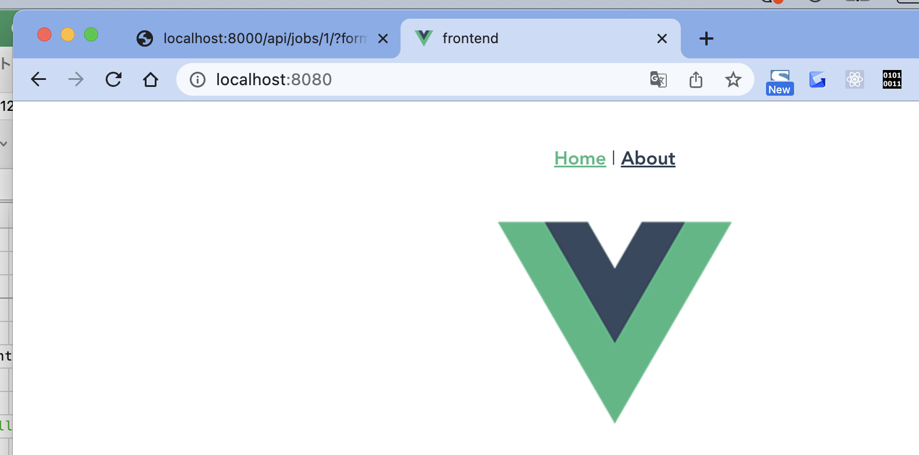

/Users/toyohide/Desktop/hideyuki/MY_STUDY/python/005/job_board/urls.py

 | """job_board URL Configuration

 | The `urlpatterns` list routes URLs to views. For more information please see:
 | https://docs.djangoproject.com/en/4.0/topics/http/urls/
 | Examples:
 | Function views
 | 1. Add an import: from my_app import views
 | 2. Add a URL to urlpatterns: path('', views.home, name='home')
 | Class-based views
 | 1. Add an import: from other_app.views import Home
 | 2. Add a URL to urlpatterns: path('', Home.as_view(), name='home')
 | Including another URLconf
 | 1. Import the include() function: from django.urls import include, path
 | 2. Add a URL to urlpatterns: path('blog/', include('blog.urls'))
 | """
 | from django.contrib import admin
 | from django.urls import path, include

 | urlpatterns = [
 | path('admin/', admin.site.urls),

 | path('api/', include('jobs.api.urls')),

 | path('', include('jobs.urls')),
 | ]

/Users/toyohide/Desktop/hideyuki/MY_STUDY/python/005/jobs/urls.py

 | from django.urls import re_path
 | from . import views

 | urlpatterns = [
 | re_path('', views.IndexView.as_view(), name='index')
 | ]

/Users/toyohide/Desktop/hideyuki/MY_STUDY/python/005/jobs/views.py

 | from django.shortcuts import render
 | from django.views.generic import TemplateView

 | # Create your views here.
 | class IndexView(TemplateView):
 | template_name = 'jobs/index.html'

/Users/toyohide/Desktop/hideyuki/MY_STUDY/python/005/jobs/templates/jobs/index.html

 | <!doctype html>
 | <html lang="en">
 | <head>
 | <!-- Required meta tags -->
 | <meta charset="utf-8">
 | <meta name="viewport" content="width=device-width, initial-scale=1">

 | <!-- Bootstrap CSS -->
 | <link href="https://cdn.jsdelivr.net/npm/bootstrap@5.0.2/dist/css/bootstrap.min.css" rel="stylesheet" integrity="sha384-EVSTQN3/azprG1Anm3QDgpJLIm9Nao0Yz1ztcQTwFspd3yD65VohhpuuCOmLASjC" crossorigin="anonymous">

 | <title>Job Board</title>
 | </head>
 | <body>
 | <h1>Vue JS</h1>

 | <!-- Optional JavaScript; choose one of the two! -->

 | <!-- Option 1: Bootstrap Bundle with Popper -->
 | <script src="https://cdn.jsdelivr.net/npm/bootstrap@5.0.2/dist/js/bootstrap.bundle.min.js" integrity="sha384-MrcW6ZMFYlzcLA8Nl+NtUVF0sA7MsXsP1UyJoMp4YLEuNSfAP+JcXn/tWtIaxVXM" crossorigin="anonymous"></script>

 | <!-- Option 2: Separate Popper and Bootstrap JS -->
 | <!--
 | <script src="https://cdn.jsdelivr.net/npm/@popperjs/core@2.9.2/dist/umd/popper.min.js" integrity="sha384-IQsoLXl5PILFhosVNubq5LC7Qb9DXgDA9i+tQ8Zj3iwWAwPtgFTxbJ8NT4GN1R8p" crossorigin="anonymous"></script>
 | <script src="https://cdn.jsdelivr.net/npm/bootstrap@5.0.2/dist/js/bootstrap.min.js" integrity="sha384-cVKIPhGWiC2Al4u+LWgxfKTRIcfu0JTxR+EQDz/bgldoEyl4H0zUF0QKbrJ0EcQF" crossorigin="anonymous"></script>
 | -->
 | </body>
 | </html>

(myvenv) toyohide@toyohidenoMacBook-Pro frontend % cd ..

(myvenv) toyohide@toyohidenoMacBook-Pro 005 % python3 manage.py runserver
Watching for file changes with StatReloader
Performing system checks...

System check identified no issues (0 silenced).
January 14, 2023 - 23:57:15
Django version 2.2.28, using settings 'job_board.settings'
Starting development server at http://127.0.0.1:8000/
Quit the server with CONTROL-C.

5分26秒

(myvenv) toyohide@toyohidenoMacBook-Pro 005 % pip3 install django-webpack-loader
Collecting django-webpack-loader
Using cached django_webpack_loader-1.8.0-py2.py3-none-any.whl (17 kB)
Installing collected packages: django-webpack-loader
Successfully installed django-webpack-loader-1.8.0
WARNING: You are using pip version 22.0.4; however, version 22.3.1 is available.
You should consider upgrading via the '/Users/toyohide/Desktop/hideyuki/MY_STUDY/python/005/myvenv/bin/python3 -m pip install --upgrade pip' command.

参考
https://stackoverflow.com/questions/72317272/error-reading-webpack-stats-json-are-you-sure-webpack-has-generated-the-file-an

