Sheet1
Date: 1 Sep to 4 Sep | High Level Tasks | Deliverables | Issues

 | Outlined learning plan for spring | Read articles on Spring and made notes
 | Outlined learning plan for spring | Read articles on Hibernate and made notes :Learned how Hibernate works
 | Studied use of Spring and Hibernate | Shortlisted few point and prepared Demo PPT
 | Worked on PPT and Worked on sample Spring application | application is executing without errors . Shared code on GitHub

Date: 8-Sep to 11 Sep
 | Tried one sample example on Dependency injection Drawing Class | understood Ioc and Dependency Injection well and
 | Studied few more documents to add simplified point and organized Demo PPT Added some structural diagrams for better understanding in PPT | PPT is now more clearer and simple to understand. Deleted just keeping understanding easy.
 | Started working on Demo sample application Yet Not complete did some Did some configuration changes like Hibernate and Maven dependencies working on the below sample Objective: Spring MVC and Hibernate Integration CRUD with Maven Objectives 1) How to integrate Spring 4 MVC with Hibernate 4 using Maven 2) What dependencies are required to integrate Hibernate 4 with Spring 4 3) How to setup Session Factory with Hibernate 4 4) How to perform Create, Add, Edit and Delete operations on a Spring project with Hibernate. | Could download all Jars and worked out on Class path and referencing other libraries.
 | Continued working on the sample app. | Yet to finish

Date : 14 Sep to 18 Sep | High Level Tasks | Deliverables | Issues
 | SQL configuration for windows. Studied below -Installation -Configuration (Path Installing MySQL as service) -Set access privileges -Created user,Databases,Tables | MySQL Server Set Up and learned DDL DML | I can connect to MySQL but only with below command MySQL -h 192.168.7.182 -u root -p but without ip address it is not able to connect to Local host. With above command I could create user and new Db and new table but I am seeing same error while running my Java sample app
 | Sample java app. Created entire Java application error. All the coding is done Created pom.xml and Spring-Configuration file for required spring and hibernate settings | Learned how spring and hibernate works together. Coding is done for the sample app.Still working on running the application | I see below runtime error. I believe its because of above MySQL error. "Host 'localhost' is not allowed to connect to this MySQL server" Currently I am trying to resolve the issues. In configuration file too I have given Ip address instead of 'localhost' but I still I see the issue. Seeking help from friends.
 | finished one of the sample app using spring and hibernate. had MySQL connectivity issues .Worked on the issues to resolve it. | Resolved the connectivity issue. Application is running fine
 | Created new sample advance app with little advance functionality. Uploaded code on GitHub | The sample app working as expected .Learned How HBM Works with spring. Learned how dependency injection works.
Date : 21 Sep to 2 Oct | High Level Tasks
 | Had a sql connectivity configuration issue last week. Though application was running correctly with Machin's IP address but its not good practice to have configuration using IP as it get change. | Sql was connecting with IP address of the Machine but ideally It should work with localhost. Leo suggested to install MySQL without connecting Wi-Fi or Internet. It resolve the issue.
 | Going through mandatory training on -off | Finished one training.
 | Started learning on how does cucumber works | Read few articles on how cucumber work and what how it helps in TDD
 | Created sample cucumber project and created some Feature files | Created and executed Feature file. After successfully executing feature file created stepdefination and executed it separately. Had some jar issues while running the test but could resolve with some jar updating. Issues :Test were not running gherkins had t o be updated to its latest version
 | Started integrating cucumber test in my spring and hibernate application. | Still working on it and will continue working on it of rest of the day

Date : 4 OCT to 9 Oct | High Level Tasks
 | Did Maven ,Jenkins and Apache installations and configuration
 | Created simple addition app as Maven project and ran the test as Maven test | Test are executing and passing
 | Uploaded project in git hub. Learnt few more git commands | GitHub link : https://github.com/tpatwa/MavenOnlineShop
 | Worked with Dmitry and Manpreet to create cucumber web app using Maven and tried running it in as Maven test. | Web app test are running as Junit
 | Learned Jenkins setups and tried creating job using Maven Project created for above cucumber test | Created a job in Jenkins for above project but build is failing for that job. ERROR:'mvn.bat' is not recognized as an internal or external command, operable program or batch file.
Date : 10 OCT to 23 Oct | High Level Tasks
 | Worked on setting the jobs in Jenkins. Tried from command line as Suggested by Leo | Couldn't configure the job. Build is still failing even the test are running fine
 | Tried @after and @before tags in cucumber | Cucumber test cases are running with give tags.
 | Brushed up .Net concept. | Typed code for practicing
 | Created few web services in .Net as in My coming assignment I might have to work on .Net web services. | Still working.
Date : 26 OCT to 30 Oct | High Level Tasks
 | Mostly worked on .Net web services understanding it more deeply
 | Also worked on some JavaScript jQuery and ajax concept as I have heard there may some UI work in my coming assignment too but not sure though. | Created a interactive web application using PHP used Ajax jQuery for seamless updates on the page
 | Participated Halloween costume contest and pumpkin carving on Friday
Date: 9 Nov to 20 Nov | High Level Tasks
 | Enviroment setups for new Nisum internal Project for J2EE,Mongo,Angular,Eclipse | Setups done. Project Ran successfully on the local machine.
 | Had Team meetings twice a week
 | Studied Angular Js . | Created BookKart application using Angular Js.
 | Went through the code.Tried to understand the project implementation
 | Worked with Helena (Team Member) on one of the story.
 | Looked into how social Media(Twitter,Facebook,Linkedin) can be integrated to the website.Paired with Helena. | Able to integrate with Twitter

Date: 23 Nov to 27 Nov | High Level Tasks
 | Created one sample web app using JSP servlets
 | Took Udemy training on JavaScript /CSS /HTML | Tried all the sample example using JavaScript, JQuery
 | Wrote a document on Technology aspect using Hippa ,Hitech Compliances. Read lots of articles to get correct and updated information | Completed and sent to Faraz for verfication.Attached with the email
 | Studied some algorithms' using Java especially Hash Maps and Hash Tables
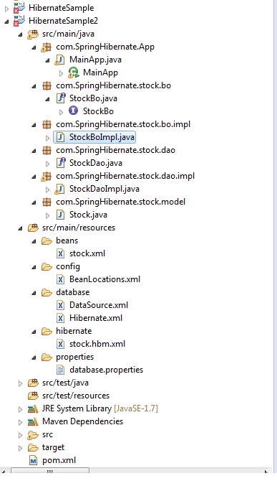
Date: 30 Nov to 4 Dec | High Level Tasks
 | Taking training on Wired parts of JavaScript .Its a little advance and deeper JavaScript training on Udemy | studied 4 chapters
 | Taking Node.Js training on Udemy | studied 2 chapters
 | Designed small ecommerce web site using Node and JavaScript
 | Created small java web app using MVC
Date: 7 Dec to 4 Dec | High Level Tasks
 | Continued taking training on Node.js on | completed 3 more chapters
 | Worked on writing white paper on Encryption Decryption .Read lots of articles to get correct and updated information for White Paper | Completed and submitted.Attached with the email
Date: 10 Dec to 11 Dec | High Level Tasks
 | There was some more research needed on the white paper giving specific examples where encryption was much needed.Had to do lot of reading to present the concept and to put in completely non technical words.worked with Faraz to finalize the White paper on Encryption and Decryption | Completed and send to final review.
Date 14 Dec to 18 Dec
 | Worked on SSL Certificate white papers
 | Studies Node.js traning course on Udemy
Date 21 Dec to 25 Dec
 | Continued learning Node.js and started developing the Money sendign app using Express,Dynamic Ejs,Javascript,Node and HTML/CSS
Date 28 DEC to 1 Jan
 | Revised white paper on SSL and sent back to publishing
 | Competed Node.js sever side application with mutiple navigation.
Date 4 Jan to 8 Jan
 | Started learning Angular to create Dynamic pages in the money sending app created last week .

Date 11 Jan to

