Chart-Map
Net international migration (2014) |  | Choose Indicator

Newham | #N/A | #N/A | #N/A | #N/A | 9518.0
Westminster | #N/A | #N/A | #N/A | #N/A | 8886.0
Tower Hamlets | #N/A | #N/A | #N/A | #N/A | 8467.0
Brent | #N/A | #N/A | #N/A | #N/A | 6717.0
Camden | #N/A | #N/A | #N/A | #N/A | 6288.0
Haringey | #N/A | #N/A | #N/A | #N/A | 5559.0
Waltham Forest | #N/A | #N/A | #N/A | #N/A | 5075.0
Barnet | #N/A | #N/A | #N/A | 4770.0 | #N/A
Islington | #N/A | #N/A | #N/A | 4620.0 | #N/A
Southwark | #N/A | #N/A | #N/A | 4210.0 | #N/A
Hillingdon | #N/A | #N/A | #N/A | 3970.0 | #N/A
Hounslow | #N/A | #N/A | #N/A | 3607.0 | #N/A
Redbridge | #N/A | #N/A | #N/A | 3403.0 | #N/A
Lewisham | #N/A | #N/A | #N/A | 3234.0 | #N/A
Harrow | #N/A | #N/A | 3030.0 | #N/A | #N/A
Enfield | #N/A | #N/A | 2983.0 | #N/A | #N/A
Greenwich | #N/A | #N/A | 2793.0 | #N/A | #N/A
Lambeth | #N/A | #N/A | 2645.0 | #N/A | #N/A
Hackney | #N/A | #N/A | 2592.0 | #N/A | #N/A
Barking and Dagenham | #N/A | #N/A | 2543.0 | #N/A | #N/A
Ealing | #N/A | 2291.0 | #N/A | #N/A | #N/A
Croydon | #N/A | 2189.0 | #N/A | #N/A | #N/A
Kingston Upon Thames | #N/A | 2136.0 | #N/A | #N/A | #N/A
Hammersmith and Fulham | #N/A | 1277.0 | #N/A | #N/A | #N/A
Kensington and Chelsea | #N/A | 1059.0 | #N/A | #N/A | #N/A
Bromley | #N/A | 728.0 | #N/A | #N/A | #N/A
Bexley | 699.0 | #N/A | #N/A | #N/A | #N/A
Havering | 673.0 | #N/A | #N/A | #N/A | #N/A
Merton | 540.0 | #N/A | #N/A | #N/A | #N/A
Sutton | 465.0 | #N/A | #N/A | #N/A | #N/A
Richmond Upon Thames | 426.0 | #N/A | #N/A | #N/A | #N/A
City of London | 252.0 | #N/A | #N/A | #N/A | #N/A
Wandsworth | -241.0 | #N/A | #N/A | #N/A | #N/A
UK | 0.00 |  |  |  |  |  |  | Important: Map requires macros to be enabled to function |  | MapNameToShape | Shapes | threshold | colourcode |  | 39.0
England | 249,458.00 |  |  |  |  |  |  |  |  | City of London | Freeform 1674 | -241.0 | 16316664 |  | 38.0
London | 107,404.00 |  |  |  |  |  |  |  |  | Barking and Dagenham | Freeform 34 | 2543.0 | 975602 |  | 37.0
Enfield
Inner London | 58,366.00 |  |  |  |  |  |  |  |  | Barnet | Freeform 12 | 3234.0 | 39423 |  | 35.0
Outer London | 49,038.00 |  |  |  |  |  |  |  |  | Bexley | Freeform 17 | -241.0 | 16316664 |  | 36.0
Barnet
City of London | 252.00 |  |  |  |  |  |  |  |  | Brent | Freeform 11 | 5075.0 | 255 |  | 2.0
Barking and Dagenham | 2,543.00 |  |  |  |  |  |  |  |  | Bromley | Freeform 5 | 728.0 | 7731179 |  | 3.0
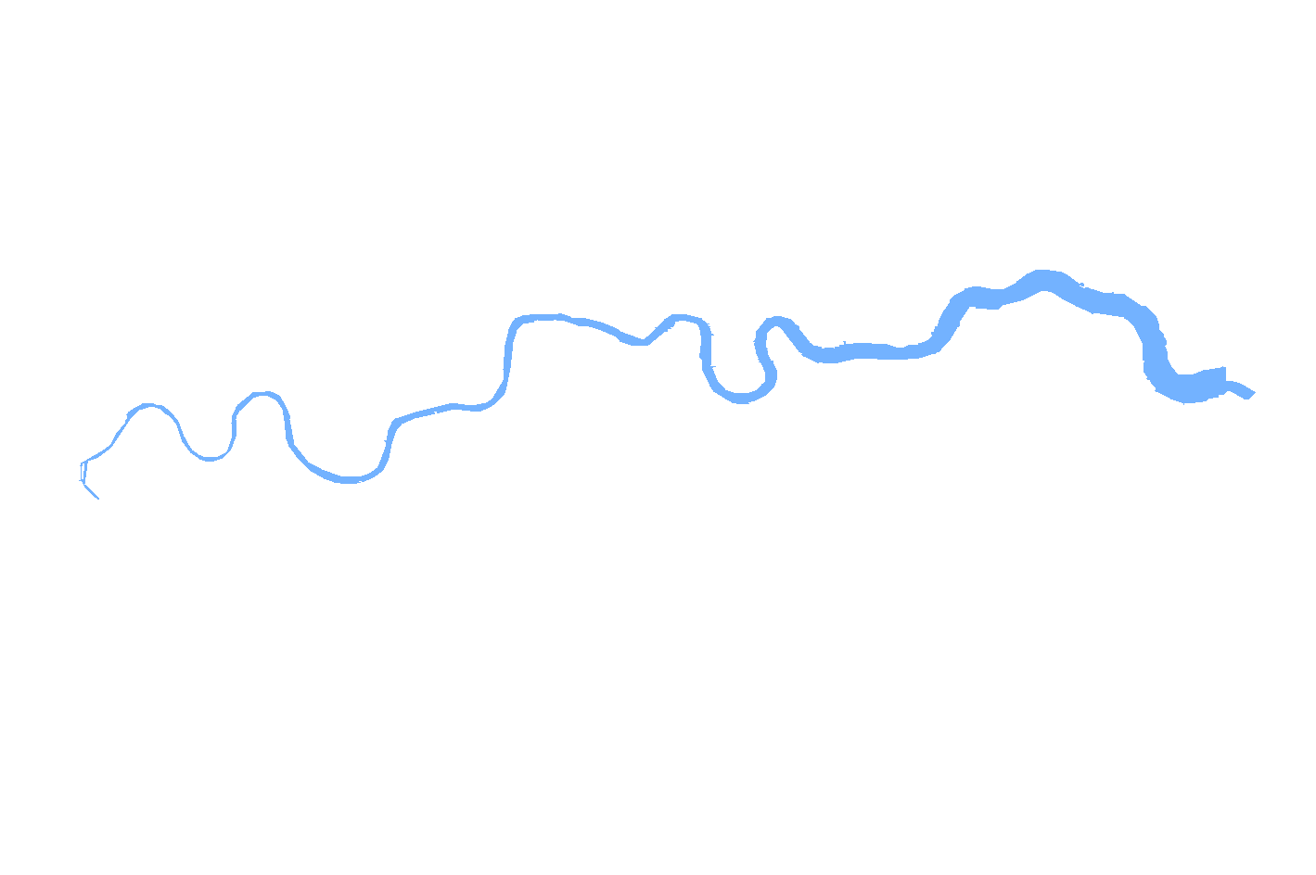
Harrow
Barnet | 4,770.00 |  |  |  |  |  |  |  |  | Camden | Freeform 28 | 5075.0 | 255 |  | 4.0
Haringey
Waltham Forest
Redbridge
Bexley | 699.00 |  |  |  |  |  |  |  |  | Croydon | Freeform 4 | 728.0 | 7731179 |  | 5.0
Hillingdon
Havering
Brent | 6,717.00 |  |  |  |  |  |  |  |  | Ealing | Freeform 7 | 728.0 | 7731179 |  | 6.0
Brent
Camden
Hackney
Islington
Barking & Dagenham
Bromley | 728.00 |  |  |  |  |  |  |  |  | Enfield | Freeform 18 | 2543.0 | 975602 |  | 7.0
Camden | 6,288.00 |  |  |  |  |  |  |  |  | Greenwich | Freeform 16 | 2543.0 | 975602 |  | 8.0
Tower Hamlets
Newham
Croydon | 2,189.00 |  |  |  |  |  |  |  |  | Hackney | Freeform 31 | 2543.0 | 975602 |  | 9.0
Ealing
Westminster
City
Ealing | 2,291.00 |  |  |  |  |  |  |  |  | Hammersmith and Fulham | Freeform 25 | 728.0 | 7731179 |  | 10.0
H&F
K&C
Southwark
Greenwich
Enfield | 2,983.00 |  |  |  |  |  |  |  |  | Haringey | Freeform 32 | 5075.0 | 255 |  | 11.0
Greenwich | 2,793.00 |  |  |  |  |  |  |  |  | Harrow | Freeform 10 | 2543.0 | 975602 |  | 12.0
Hounslow
Lambeth
Bexley
Hackney | 2,592.00 |  |  |  |  |  |  |  |  | Havering | Freeform 8 | -241.0 | 16316664 |  | 13.0
Richmond
Wandsworth
Hammersmith and Fulham | 1,277.00 |  |  |  |  |  |  |  |  | Hillingdon | Freeform 9 | 3234.0 | 39423 |  | 14.0
Lewisham
Haringey | 5,559.00 |  |  |  |  |  |  |  |  | Hounslow | Freeform 6 | 3234.0 | 39423 |  | 15.0
Harrow | 3,030.00 |  |  |  |  |  |  |  |  | Islington | Freeform 30 | 3234.0 | 39423 |  | 16.0
Merton
Havering | 673.00 |  |  |  |  |  |  |  |  | Kensington and Chelsea | Freeform 26 | 728.0 | 7731179 |  | 17.0
Kingston
Bromley
Hillingdon | 3,970.00 |  |  |  |  |  |  |  |  | Kingston Upon Thames | Freeform 3 | 728.0 | 7731179 |  | 18.0
Hounslow | 3,607.00 |  |  |  |  |  |  |  |  | Lambeth | Freeform 13 | 2543.0 | 975602 |  | 19.0
Sutton
Croydon
Islington | 4,620.00 |  |  |  |  |  |  |  |  | Lewisham | Freeform 15 | 3234.0 | 39423 |  | 20.0
Kensington and Chelsea | 1,059.00 |  |  |  |  |  |  |  |  | Merton | Freeform 23 | -241.0 | 16316664 |  | 21.0
Kingston upon Thames | 2,136.00 |  |  |  |  |  |  |  |  | Newham | Freeform 33 | 5075.0 | 255 |  | 22.0
Lambeth | 2,645.00 |  |  |  |  |  |  |  |  | Redbridge | Freeform 20 | 3234.0 | 39423 |  | 23.0
Lewisham | 3,234.00 |  |  |  |  |  |  |  |  | Richmond Upon Thames | Freeform 22 | -241.0 | 16316664 |  | 24.0
Merton | 540.00 |  |  |  |  |  |  |  |  | Southwark | Freeform 14 | 3234.0 | 39423 |  | 25.0
Newham | 9,518.00 |  |  |  |  |  |  |  |  | Sutton | Freeform 21 | -241.0 | 16316664 |  | 26.0
Redbridge | 3,403.00 |  | Legend |  | Range |  | Occurrances (equal count) |  |  | Tower Hamlets | Freeform 29 | 5075.0 | 255 |  | 27.0
Richmond upon Thames | 426.00 |  | Quintile | Colour | Low | High |  |  |  | Waltham Forest | Freeform 19 | 5075.0 | 255 |  | 28.0
Southwark | 4,210.00 |  | 1 |  | -241.0 | 728.0 | 7 |  |  | Wandsworth | Freeform 24 | -241.0 | 16316664 |  | 29.0
Sutton | 465.00 |  | 2 |  | 728.0 | 2543.0 | 6 |  |  | Westminster | Freeform 27 | 5075.0003 | 255 |  | 30.0
Tower Hamlets | 8,467.00 |  | 3 |  | 2543.0 | 3234.0 | 6 |  |  |  |  |  |  |  | 31.0
Waltham Forest | 5,075.00 |  | 4 |  | 3234.0 | 5075.0 | 7 |  |  | Threshhold values | Colour | Lower | Upper | Occurances | 32.0
Wandsworth | -241.00 |  | 5 |  | 5075.0 | 9518.0 | 7 |  | 1 | -240.9998 | 16316664 | -240.9998 | 728.0028 | 7 | 33.0
Westminster | 8,886.00 |  |  |  |  |  |  |  | 2 | 728.0028 | 7731179 | 728.0028 | 2543.0032 | 6 | 34.0
 |  |  |  |  |  |  |  |  | 3 | 2543.0032 | 975602 | 2543.0032 | 3234.0011 | 6
 |  |  |  |  |  |  |  |  | 4 | 3234.0011 | 39423 | 3234.0011 | 5075.0003 | 7
 |  |  |  |  |  |  |  |  | 5 | 5075.0003 | 255 | 5075.0003 | 9518.0019 | 7
 |  |  |  |  |  |  |  |  |  |  |  |  |  | 33
 |  |  |  |  |  |  |  |  | max | 9518.0009
 |  |  |  |  |  |  |  |  | min | -241.00
 |  |  |  |  |  |  |  |  | quintile | 1951.80014

 |  |  |  |  |  |  |  |  |  |  | 16316664
 |  |  |  |  |  |  |  |  |  |  | 14022904

 |  |  |  |  |  |  |  |  |  |  | 11927551
 |  |  |  |  |  |  |  |  |  |  | 9895935
 |  |  |  |  |  |  |  |  |  |  | 8912895
 |  |  |  |  |  |  |  |  |  |  | 52479
 |  |  |  |  |  |  |  |  |  |  | 39423
 |  |  |  |  |  |  |  |  |  |  | 26367
 |  |  |  |  |  |  |  |  |  |  | 255

