Sheet1
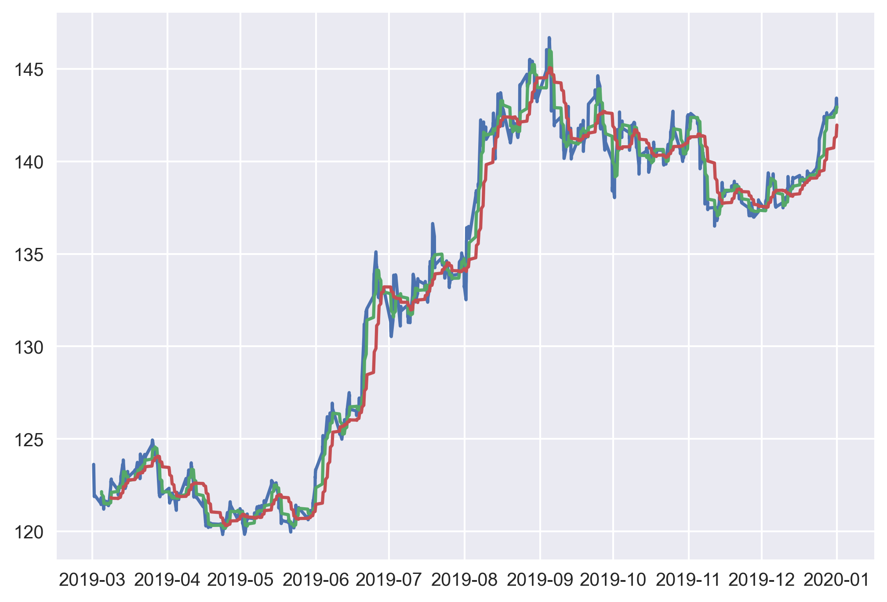
1 | 0.1
-0.5 | 0.1

