Cover
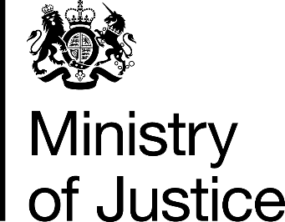

Costs per place and costs per prisoner
2016-17 Supplementary information

National Offender Management Service
Annual Report and Accounts 2016-17
Management Information Addendum

Ministry of Justice
Information Release

Published 26 October 2017

