Cover
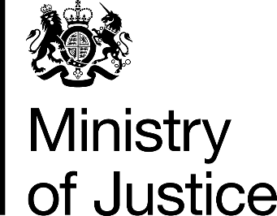

Costs per place and costs per prisoner
2015-16 Supplementary information

National Offender Management Service
Annual Report and Accounts 2015-16
Management Information Addendum

Ministry of Justice
Information Release

Published 27 October 2016

