Cover
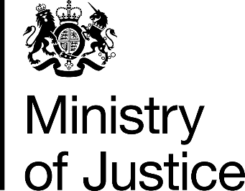

Costs per place and costs per prisoner
by individual prison

HM Prison & Probation Service
Annual Report and Accounts 2016-17
Management Information Addendum

Ministry of Justice
Information Release

Published 26 October 2017

