Material_Trading
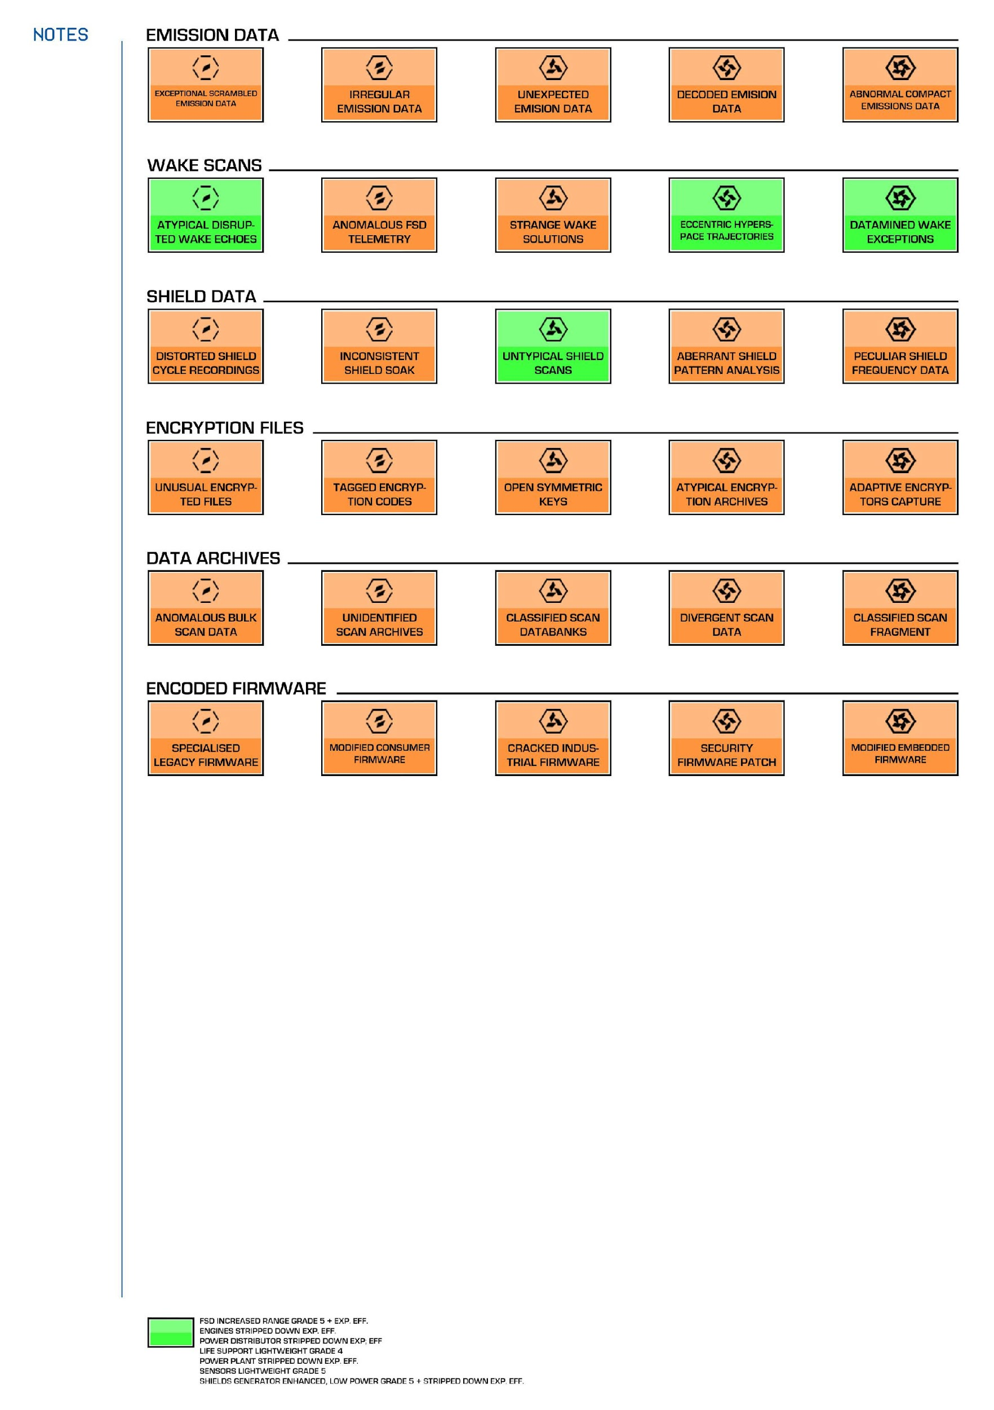
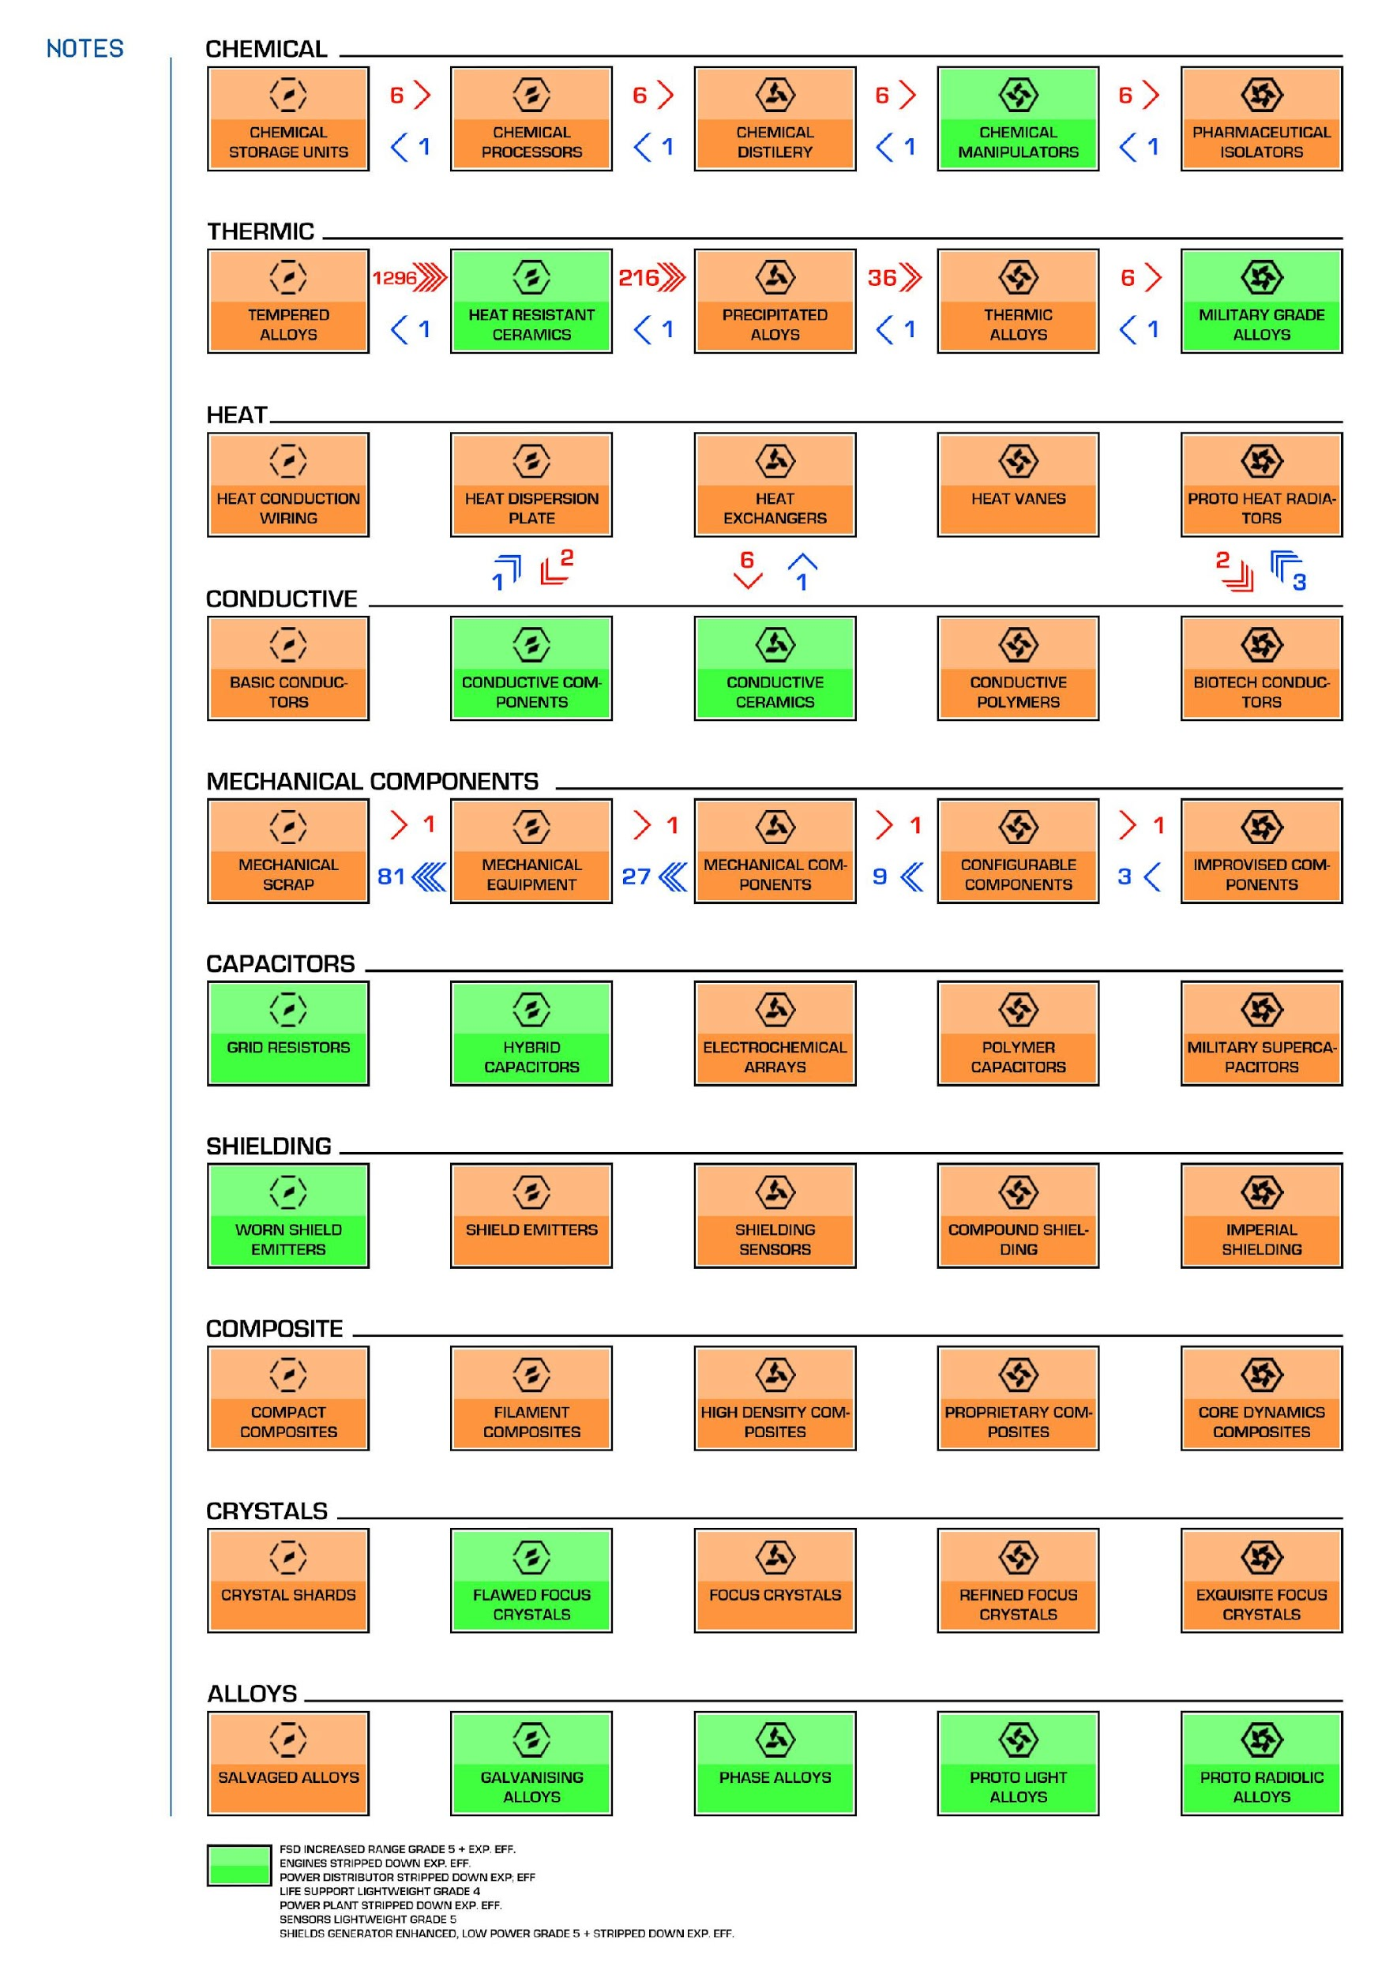
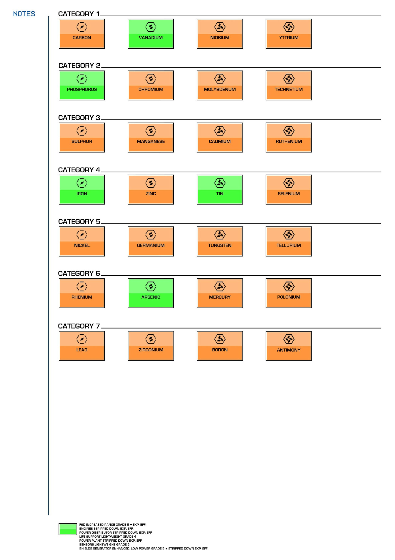
ENCODED MATERIALS | MANUFACTURED MATERIALS | RAW MATERIALS

Guardian Structure
Source: | https://i.imgur.com/obPbssu.jpg

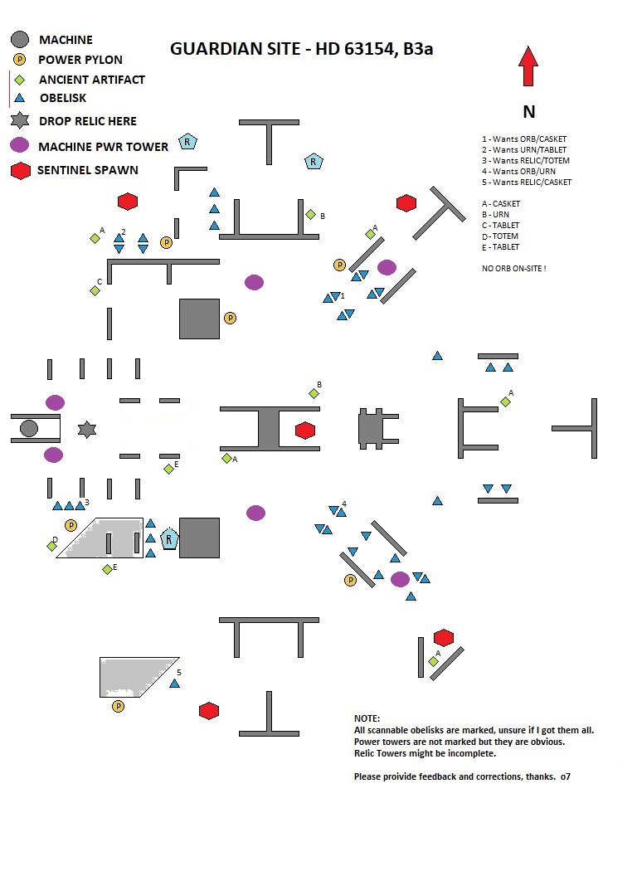

 |  | Try to land small / medium ship approximately here
 |  | for best Point Defence coverage

 |  | (Note: Point Defence has an @ 2 km range - so immediately next to the structure is
 |  | not necessary if landing does not permit)

