FCA claims REF
 | TICKET | IC | CREATION DATE | PLANT IRF | ISSUE TYPE | ISSUE CODE
 | TK2026000000327 | Y | 1/14/26 | 141 - MIRAFIORI CARROZZERIA | QAN | 58 - QAN G2 - Critical failure (ex 09)
 | TK2025000022715 | Y | 11/20/25 | 141 - MIRAFIORI CARROZZERIA | QAN | 58 - QAN G2 - Critical failure (ex 09)
 | TK2025000021558 | Y | 11/5/25 | 144 - FIP | QAN | 53 - QAN D - SINGLE CASE NC - REWORK TIME < 10 MN (EX 03)
 | TK2025000018819 | Y | 9/29/25 | 144 - FIP | QAN | 54 - QAN E1 - Multiple non-conformities - rework time < 20 mn
 | TK2025000014546 | Y | 7/21/25 | 141 - MIRAFIORI CARROZZERIA | QAN | 57 - QAN G1 - NC - SINGLE REWORK >10 MN OR MULTIPLE > 20 MN (EX 05)
 | TK2025000007248 | N | 4/9/25 | 149 - VAL DI SANGRO - SEVEL | QAN | 05 - Quality problem of moderate extent
 | TK2025000007076 | Y | 4/7/25 | 141 - MIRAFIORI CARROZZERIA | QAN | 05 - Quality problem of moderate extent

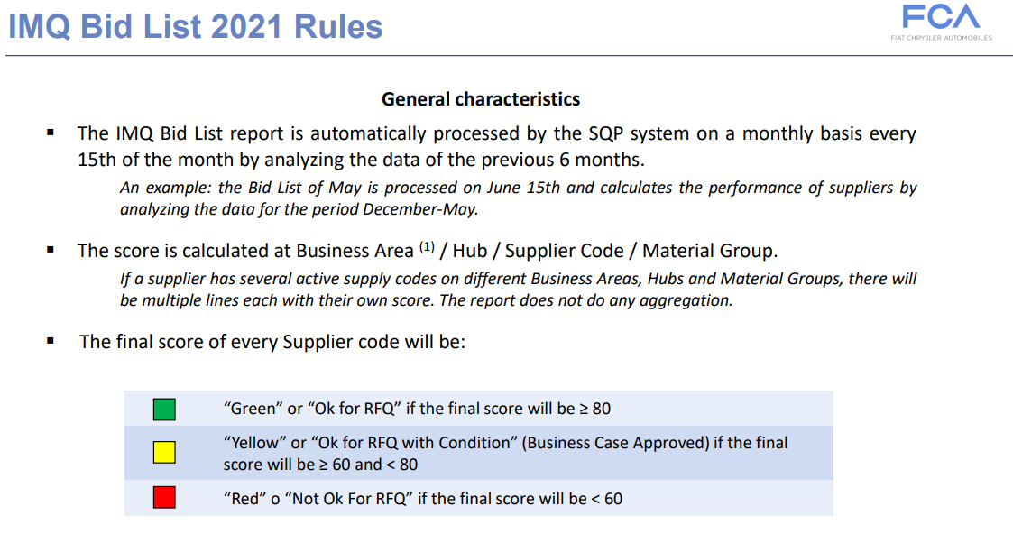
FCA MATRIX

