Logos
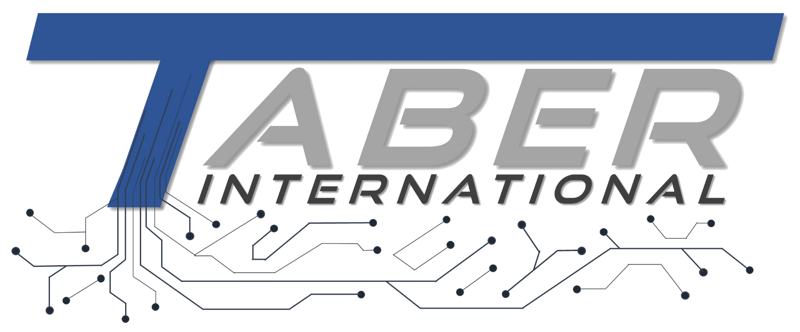
Logos
Company Logo | Favicon

Content Organization
Home
(index.html)

o

Industries
Research
Services
News
Case studies / gallery
About Us / History
Contact us

Power gen.
Federal grants
automation
conferences
Example dashboards

Steel/metals
industrial
Optimization
Latest regs
Project descriptions

mining
consulting
successes
Project reports
Optimal Scheduling
Food & beverage
System dev
publications
Fossil
Reheat Mills
Manufacturing
scada
Wind
Rotary Kilns
Process Optimization
Oil & gas
Data Vis / Dashboards
Solar
Electric Arc Furnace (EAF)
Predictive Maintenance
Hydro
Chemicals / Petrochemical
Data analytics

Quality Control
Hydrogen
Water / wastewater
Energy Consumption
Asset Mgmt.
Asset Mgmt.

Supporting Systems/Equip
Cement
Pumping & Flotation
Production & PLanning
Energy Consumption

Dispatch Optimization

