Example

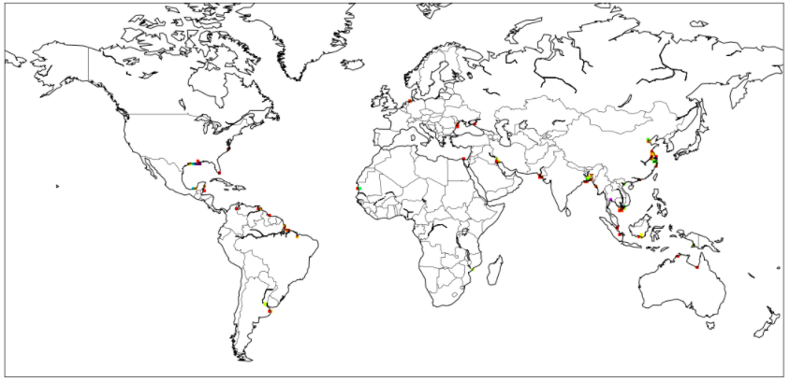
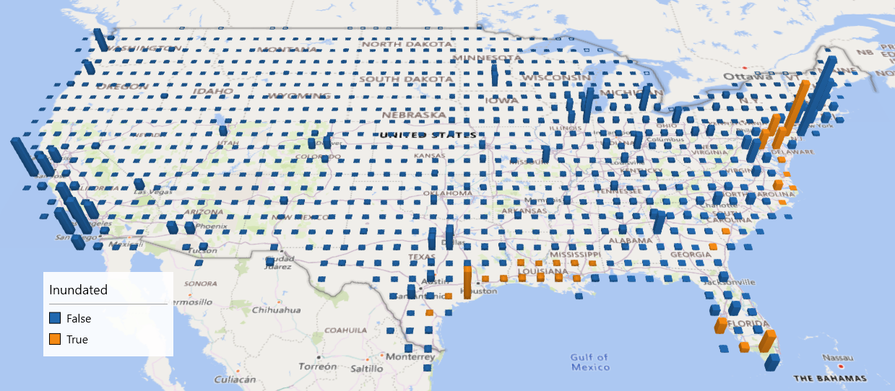
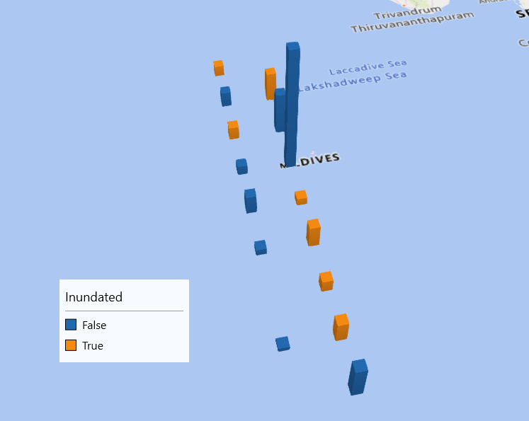
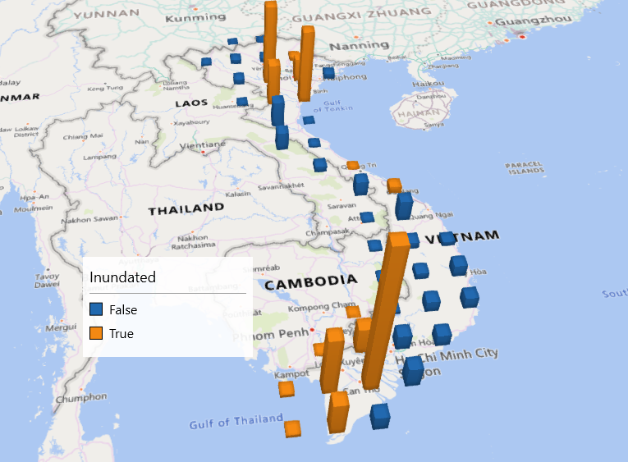
 | 2000 | 2001 | 2002 | 2003 | 2004 | 2005 | 2006 | 2007 | 2008 | 2009 | 2010 | 2011 | 2012 | 2013 | 2014 | 2015 | 2016 | 2017 | 2018 | 2019 | 2020 | 2021 | 2022 | 2023 | 2024 | 2025 | 2026 | 2027 | 2028 | 2029 | 2030 | 2031 | 2032 | 2033 | 2034 | 2035 | 2036 | 2037 | 2038 | 2039 | 2040 | 2041 | 2042 | 2043 | 2044 | 2045 | 2046 | 2047 | 2048 | 2049 | 2050 | 2051 | 2052 | 2053 | 2054 | 2055 | 2056 | 2057 | 2058 | 2059 | 2060 | 2061 | 2062 | 2063 | 2064 | 2065 | 2066 | 2067 | 2068 | 2069 | 2070 | 2071 | 2072 | 2073 | 2074 | 2075 | 2076 | 2077 | 2078 | 2079 | 2080 | 2081 | 2082 | 2083 | 2084 | 2085 | 2086 | 2087 | 2088 | 2089 | 2090 | 2091 | 2092 | 2093 | 2094 | 2095 | 2096 | 2097 | 2098 | 2099 | 2100 | 2101 | 2102 | 2103 | 2104 | 2105 | 2106 | 2107 | 2108 | 2109 | 2110 | 2111 | 2112 | 2113 | 2114 | 2115 | 2116 | 2117 | 2118 | 2119 | 2120 | 2121 | 2122 | 2123 | 2124 | 2125 | 2126 | 2127 | 2128 | 2129 | 2130 | 2131 | 2132 | 2133 | 2134 | 2135 | 2136 | 2137 | 2138 | 2139 | 2140 | 2141 | 2142 | 2143 | 2144 | 2145 | 2146 | 2147 | 2148 | 2149 | 2150 | 2151 | 2152 | 2153 | 2154 | 2155 | 2156 | 2157 | 2158 | 2159 | 2160 | 2161 | 2162 | 2163 | 2164 | 2165 | 2166 | 2167 | 2168 | 2169 | 2170 | 2171 | 2172 | 2173 | 2174 | 2175 | 2176 | 2177 | 2178 | 2179 | 2180 | 2181 | 2182 | 2183 | 2184 | 2185 | 2186 | 2187 | 2188 | 2189 | 2190 | 2191 | 2192 | 2193 | 2194 | 2195 | 2196 | 2197 | 2198 | 2199
GDP Loss | 0.0% | 0.0% | 0.0% | 0.0% | 0.0% | 0.0% | 0.0% | 0.0% | 0.0% | 0.0% | 0.0% | 0.0% | 0.0% | 0.0% | 0.0% | 0.0% | 0.0% | 0.0% | 0.0% | 0.1% | 0.1% | 0.1% | 0.1% | 0.1% | 0.1% | 0.1% | 0.1% | 0.1% | 0.1% | 0.1% | 0.1% | 0.1% | 0.1% | 0.1% | 0.1% | 0.1% | 0.1% | 0.1% | 0.1% | 0.1% | 0.1% | 0.1% | 0.1% | 0.1% | 0.1% | 0.1% | 0.1% | 0.1% | 0.1% | 0.1% | 0.1% | 0.1% | 0.1% | 0.1% | 0.1% | 0.1% | 0.1% | 0.1% | 0.1% | 0.1% | 0.1% | 0.1% | 0.1% | 0.0% | 0.0% | 0.0% | 0.0% | 0.0% | 0.0% | 0.0% | 0.0% | 0.0% | 0.0% | 0.0% | 0.0% | 0.0% | 0.0% | 0.0% | 0.0% | 0.0% | 0.0% | 0.0% | 0.0% | 0.0% | 0.0% | 0.0% | 0.0% | 0.0% | 0.0% | 0.0% | 0.0% | 0.0% | 0.0% | 0.0% | 0.0% | -0.1% | -0.1% | -0.1% | -0.1% | -0.1% | -0.1% | -0.1% | -0.1% | -0.1% | -0.1% | -0.1% | -0.1% | -0.1% | -0.1% | -0.1% | -0.1% | -0.1% | -0.1% | -0.1% | -0.1% | -0.2% | -0.2% | -0.2% | -0.2% | -0.2% | -0.2% | -0.2% | -0.2% | -0.2% | -0.2% | -0.2% | -0.2% | -0.2% | -0.2% | -0.2% | -0.3% | -0.3% | -0.3% | -0.3% | -0.3% | -0.3% | -0.3% | -0.3% | -0.3% | -0.3% | -0.3% | -0.3% | -0.4% | -0.4% | -0.4% | -0.4% | -0.4% | -0.4% | -0.4% | -0.4% | -0.4% | -0.4% | -0.5% | -0.5% | -0.5% | -0.5% | -0.5% | -0.5% | -0.5% | -0.5% | -0.5% | -0.5% | -0.6% | -0.6% | -0.6% | -0.6% | -0.6% | -0.6% | -0.6% | -0.7% | -0.7% | -0.7% | -0.7% | -0.7% | -0.7% | -0.8% | -0.8% | -0.8% | -0.8% | -0.8% | -0.8% | -0.9% | -0.9% | -0.9% | -0.9% | -0.9% | -0.9% | -1.0% | -1.0% | -1.0% | -1.0% | -1.0% | -1.1% | -1.1% | -1.1% | -1.1% | -1.1% | -1.1% | -1.2% | -1.2%
GDP Loss_inst | 0.0% | 0.0% | 0.0% | 0.0% | 0.0% | 0.1% | 0.1% | 0.1% | 0.1% | 0.1% | 0.1% | 0.1% | 0.1% | 0.1% | 0.1% | 0.2% | 0.2% | 0.2% | 0.2% | 0.2% | 0.2% | 0.2% | 0.2% | 0.2% | 0.3% | 0.3% | 0.3% | 0.3% | 0.3% | 0.3% | 0.3% | 0.3% | 0.3% | 0.4% | 0.4% | 0.4% | 0.4% | 0.4% | 0.4% | 0.4% | 0.4% | 0.4% | 0.5% | 0.5% | 0.5% | 0.5% | 0.5% | 0.5% | 0.5% | 0.5% | 0.5% | 0.6% | 0.6% | 0.6% | 0.6% | 0.6% | 0.6% | 0.6% | 0.6% | 0.7% | 0.7% | 0.7% | 0.7% | 0.7% | 0.7% | 0.7% | 0.7% | 0.8% | 0.8% | 0.8% | 0.8% | 0.8% | 0.8% | 0.8% | 0.8% | 0.8% | 0.9% | 0.9% | 0.9% | 0.9% | 0.9% | 0.9% | 0.9% | 0.9% | 1.0% | 1.0% | 1.0% | 1.0% | 1.0% | 1.0% | 1.0% | 1.0% | 1.0% | 1.1% | 1.1% | 1.1% | 1.1% | 1.1% | 1.1% | 1.1% | 1.1% | 1.1% | 1.2% | 1.2% | 1.2% | 1.2% | 1.2% | 1.2% | 1.2% | 1.2% | 1.3% | 1.3% | 1.3% | 1.3% | 1.3% | 1.3% | 1.3% | 1.3% | 1.4% | 1.4% | 1.4% | 1.4% | 1.4% | 1.4% | 1.4% | 1.4% | 1.5% | 1.5% | 1.5% | 1.5% | 1.5% | 1.5% | 1.5% | 1.5% | 1.6% | 1.6% | 1.6% | 1.6% | 1.6% | 1.6% | 1.6% | 1.6% | 1.7% | 1.7% | 1.7% | 1.7% | 1.7% | 1.7% | 1.7% | 1.7% | 1.8% | 1.8% | 1.8% | 1.8% | 1.8% | 1.8% | 1.8% | 1.9% | 1.9% | 1.9% | 1.9% | 1.9% | 1.9% | 1.9% | 2.0% | 2.0% | 2.0% | 2.0% | 2.0% | 2.0% | 2.0% | 2.0% | 2.1% | 2.1% | 2.1% | 2.1% | 2.1% | 2.1% | 2.1% | 2.2% | 2.2% | 2.2% | 2.2% | 2.2% | 2.2% | 2.2% | 2.3% | 2.3% | 2.3% | 2.3% | 2.3% | 2.3% | 2.4% | 2.4% | 2.4% | 2.4% | 2.4% | 2.4% | 2.5% | 2.5%
GDP Loss | 0.0% | 0.1% | 0.1% | 0.2% | 0.3% | 0.3% | 0.4% | 0.4% | 0.5% | 0.6% | 0.6% | 0.7% | 0.8% | 0.8% | 0.9% | 1.0% | 1.1% | 1.1% | 1.2% | 1.3% | 1.4% | 1.4% | 1.5% | 1.6% | 1.7% | 1.8% | 1.9% | 2.0% | 2.1% | 2.1% | 2.2% | 2.3% | 2.4% | 2.5% | 2.6% | 2.7% | 2.8% | 2.9% | 3.0% | 3.1% | 3.2% | 3.3% | 3.4% | 3.5% | 3.6% | 3.7% | 3.8% | 3.9% | 4.0% | 4.1% | 4.2% | 4.3% | 4.4% | 4.5% | 4.6% | 4.7% | 4.8% | 4.9% | 5.0% | 5.1% | 5.2% | 5.3% | 5.4% | 5.5% | 5.6% | 5.7% | 5.8% | 5.9% | 6.0% | 6.1% | 6.3% | 6.4% | 6.5% | 6.6% | 6.6% | 6.7% | 6.9% | 7.0% | 7.1% | 7.2% | 7.3% | 7.4% | 7.5% | 7.6% | 7.7% | 7.8% | 7.9% | 8.0% | 8.1% | 8.2% | 8.3% | 8.4% | 8.5% | 8.6% | 8.7% | 8.8% | 8.9% | 9.0% | 9.1% | 9.2% | 9.3% | 9.4% | 9.5% | 9.6% | 9.7% | 9.8% | 9.9% | 10.0% | 10.1% | 10.2% | 10.3% | 10.4% | 10.5% | 10.6% | 10.7% | 10.8% | 10.9% | 11.0% | 11.1% | 11.3% | 11.4% | 11.5% | 11.6% | 11.7% | 11.8% | 11.9% | 12.0% | 12.1% | 12.2% | 12.3% | 12.4% | 12.5% | 12.6% | 12.7% | 12.8% | 12.9% | 12.9% | 13.0% | 13.1% | 13.2% | 13.3% | 13.4% | 13.5% | 13.5% | 13.6% | 13.7% | 13.8% | 13.8% | 13.9% | 14.0% | 14.1% | 14.1% | 14.2% | 14.3% | 14.4% | 14.4% | 14.5% | 14.6% | 14.7% | 14.7% | 14.8% | 14.9% | 14.9% | 15.0% | 15.1% | 15.2% | 15.2% | 15.3% | 15.4% | 15.5% | 15.5% | 15.6% | 15.7% | 15.7% | 15.8% | 15.9% | 15.9% | 16.0% | 16.1% | 16.1% | 16.2% | 16.3% | 16.3% | 16.4% | 16.4% | 16.5% | 16.5% | 16.6% | 16.7% | 16.7% | 16.8% | 16.8% | 16.7% | 16.7% | 16.7% | 16.6% | 16.6% | 16.6% | 16.6% | 16.6%
GDP Loss_inst | 0.0% | 0.1% | 0.2% | 0.4% | 0.5% | 0.6% | 0.7% | 0.8% | 0.9% | 1.1% | 1.2% | 1.3% | 1.4% | 1.6% | 1.7% | 1.9% | 2.0% | 2.1% | 2.3% | 2.4% | 2.6% | 2.7% | 2.9% | 3.1% | 3.2% | 3.4% | 3.6% | 3.7% | 3.9% | 4.1% | 4.3% | 4.4% | 4.6% | 4.8% | 5.0% | 5.2% | 5.4% | 5.6% | 5.8% | 5.9% | 6.1% | 6.3% | 6.5% | 6.7% | 6.9% | 7.1% | 7.3% | 7.5% | 7.7% | 7.9% | 8.1% | 8.3% | 8.5% | 8.7% | 8.9% | 9.1% | 9.3% | 9.5% | 9.7% | 9.9% | 10.1% | 10.3% | 10.5% | 10.7% | 10.9% | 11.2% | 11.4% | 11.6% | 11.8% | 12.0% | 12.2% | 12.4% | 12.6% | 12.8% | 13.0% | 13.2% | 13.4% | 13.6% | 13.8% | 14.0% | 14.2% | 14.4% | 14.6% | 14.8% | 15.0% | 15.2% | 15.4% | 15.7% | 15.9% | 16.1% | 16.3% | 16.5% | 16.7% | 16.9% | 17.1% | 17.3% | 17.5% | 17.7% | 17.9% | 18.1% | 18.3% | 18.5% | 18.7% | 18.9% | 19.1% | 19.3% | 19.5% | 19.7% | 19.9% | 20.1% | 20.3% | 20.5% | 20.7% | 20.9% | 21.2% | 21.4% | 21.6% | 21.8% | 22.0% | 22.2% | 22.4% | 22.6% | 22.8% | 23.1% | 23.3% | 23.5% | 23.7% | 23.9% | 24.1% | 24.3% | 24.6% | 24.7% | 24.9% | 25.1% | 25.3% | 25.4% | 25.6% | 25.8% | 26.0% | 26.2% | 26.3% | 26.5% | 26.7% | 26.8% | 27.0% | 27.2% | 27.3% | 27.5% | 27.7% | 27.8% | 28.0% | 28.1% | 28.3% | 28.5% | 28.6% | 28.8% | 29.0% | 29.1% | 29.3% | 29.4% | 29.6% | 29.8% | 29.9% | 30.1% | 30.3% | 30.4% | 30.6% | 30.7% | 30.9% | 31.1% | 31.2% | 31.4% | 31.5% | 31.7% | 31.8% | 32.0% | 32.2% | 32.3% | 32.5% | 32.6% | 32.8% | 32.9% | 33.1% | 33.2% | 33.3% | 33.5% | 33.6% | 33.8% | 33.9% | 34.1% | 34.2% | 34.2% | 34.2% | 34.3% | 34.3% | 34.3% | 34.3% | 34.3% | 34.3% | 34.4%
GDP Loss
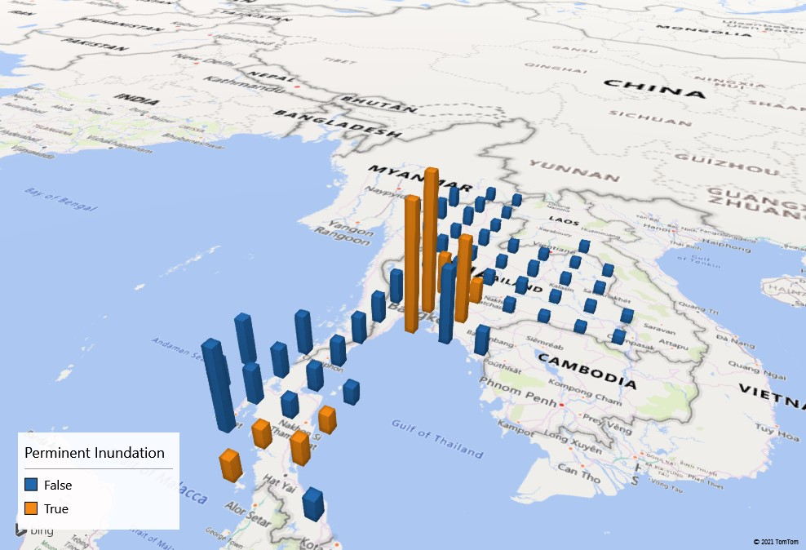
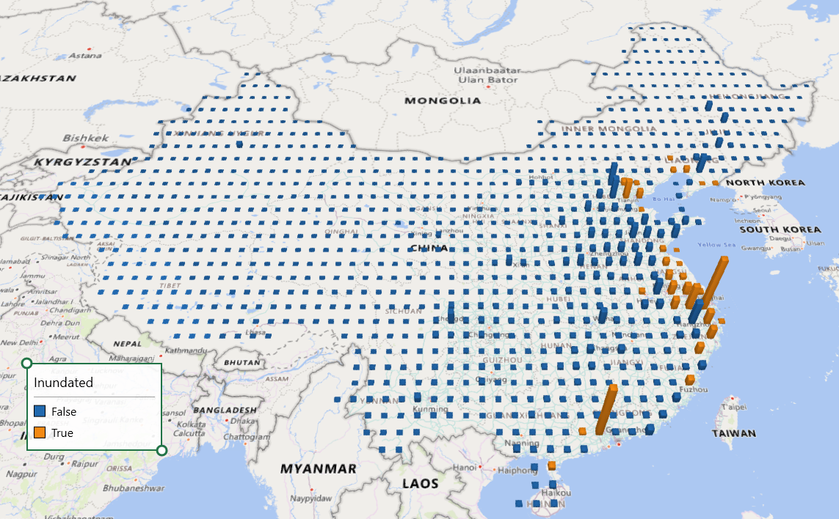
GDP Loss_inst

US
Vietnam

