Sheet1
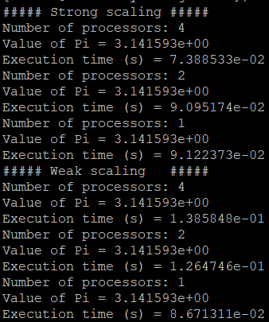
Strong scaling | Number of processors | Execution time (s) | Efficiency (%) | Ideal
 | 1 | 9.12E-02 | 100% | 100%
 | 2 | 9.10E-02 | 50% | 100%
 | 4 | 7.39E-02 | 31% | 100%

Weak scaling | Number of processors | Execution time (s) | Efficiency (%)
 | 1 | 8.67E-02 | 100%
 | 2 | 1.26E-01 | 69%
 | 4 | 1.39E-01 | 63%

