Sheet1
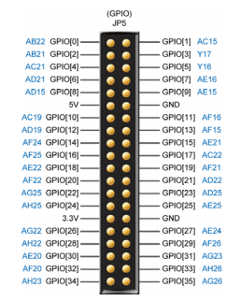
Board |  | Cable |  | Cable Configurations |  | Cable Planner
0 | 1 | 1 | 0 | C_in_1 | C_in_0 | AC15 | AB22
2 | 3 | 3 | 2 | C_in_3 | C_in_2 | Y17 | AB21
4 | 5 | 5 | 4 | C_in_5 | C_in_4 | Y16 | AC21
6 | 7 | 7 | 6 | C_in_7 | C_in_6 | AE16 | AD21
8 | 9 | 9 | 8 | C_out | C_in_8 | AE15 | AD15
5V | GND | GND | 5V | GND | 5V | GND | 5V
10 | 11 | 11 | 10 | LED_0_B | LED_0_R | AF16 | AC19
12 | 13 | 13 | 12 | LED_1_B | LED_1_R | AF15 | AD19
14 | 15 | 15 | 14 | LED_2_B | LED_2_R | AE21 | AF24
16 | 17 | 17 | 16 | LED_3_B | LED_3_R | AC22 | AF25
18 | 19 | 19 | 18 | LED_4_B | LED_4_R | AF21 | AE22
20 | 21 | 21 | 20 | LED_5_B | LED_5_R | AD22 | AF22
22 | 23 | 23 | 22 | LED_6_B | LED_6_R | AD25 | AG25
24 | 25 | 25 | 24 | LED_7_B | LED_7_R | AE25 | AH25
3.3V | GND | GND | 3.3V | GND | 3.3V | GND | 3.3V
26 | 27 | 27 | 26 | LED_8_B | LED_8_R | AE24 | AG22
28 | 29 | 29 | 28 |  |  | AF26 | AH22
30 | 31 | 31 | 30 |  |  | AG23 | AE20
32 | 33 | 33 | 32 |  |  | AH26 | AF20
34 | 35 | 35 | 34 |  |  | AG26 | AH23

Board

