TestCases
INPUT1: | INPUT2: | INPUT3:
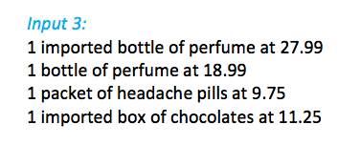

OUTPUT1: | OUTPUT2: | OUTPUT3:

