Assets


Paleta de Cores
#37EF00
#3CFF02
#5BF6A8
#ADFF00
#91FF70
#E6E6E6

D̳ashboard
XBOX GAME PASS SUBSCRIPTIONS SALES
Calculation period: 01/01/2024 - 14/12/2024 | Update date: 11/06/2025 14:00:00

> bem vindo, Victor
TOTAL SUBSCRIPTIONS - EA PLAY SEASON PASS
TOTAL SUBSCRIPTIONS - MINECRAFT SEASON PASS
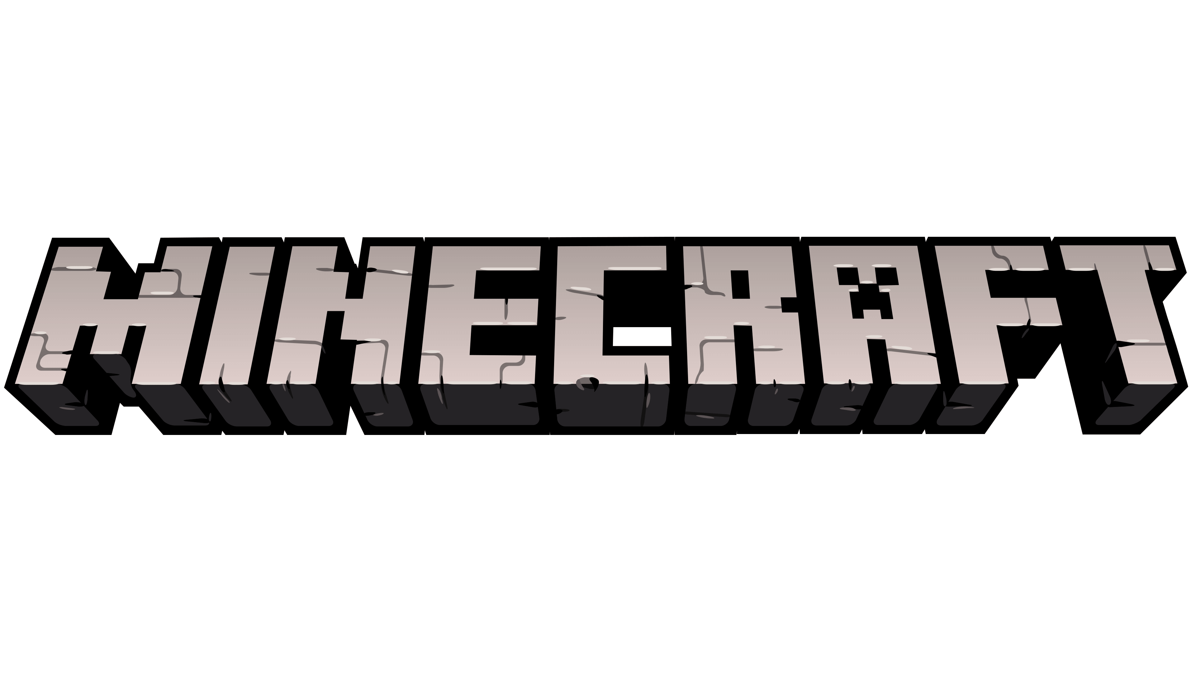

 | 990

R$ 990,00
R$ 660,00

TOTAL SUBSCRIPTIONS - XBOX GAME PASS

 | Total
No | R$721.00
Yes | R$1,060.00

