Sheet1
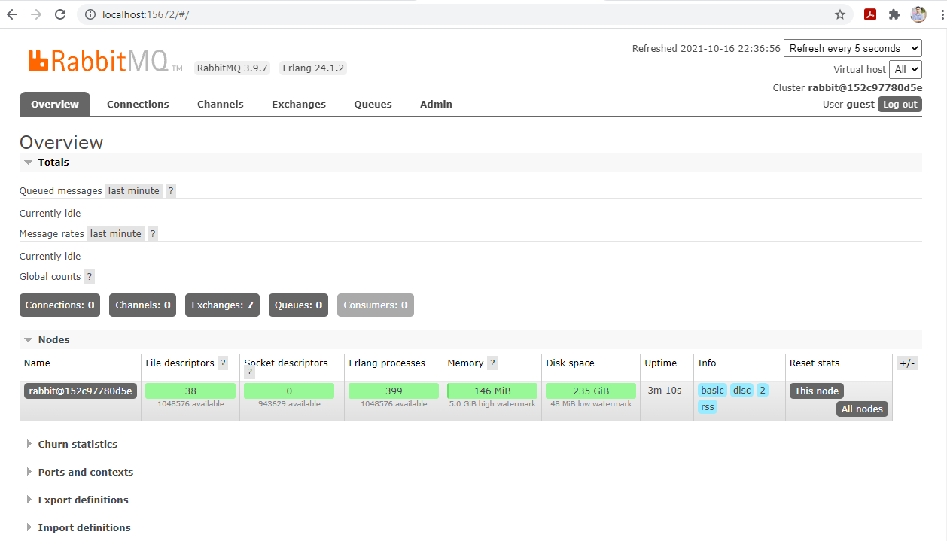
Docker Hub
 | https://hub.docker.com/_/rabbitmq

RabbitMQ
 | https://www.rabbitmq.com/getstarted.html

Admin UI
 | http://localhost:15672
 | User: guest
 | Password: guest

Monitoring RabbitMQ
 | http://localhost:15672/#/

