Sheet1
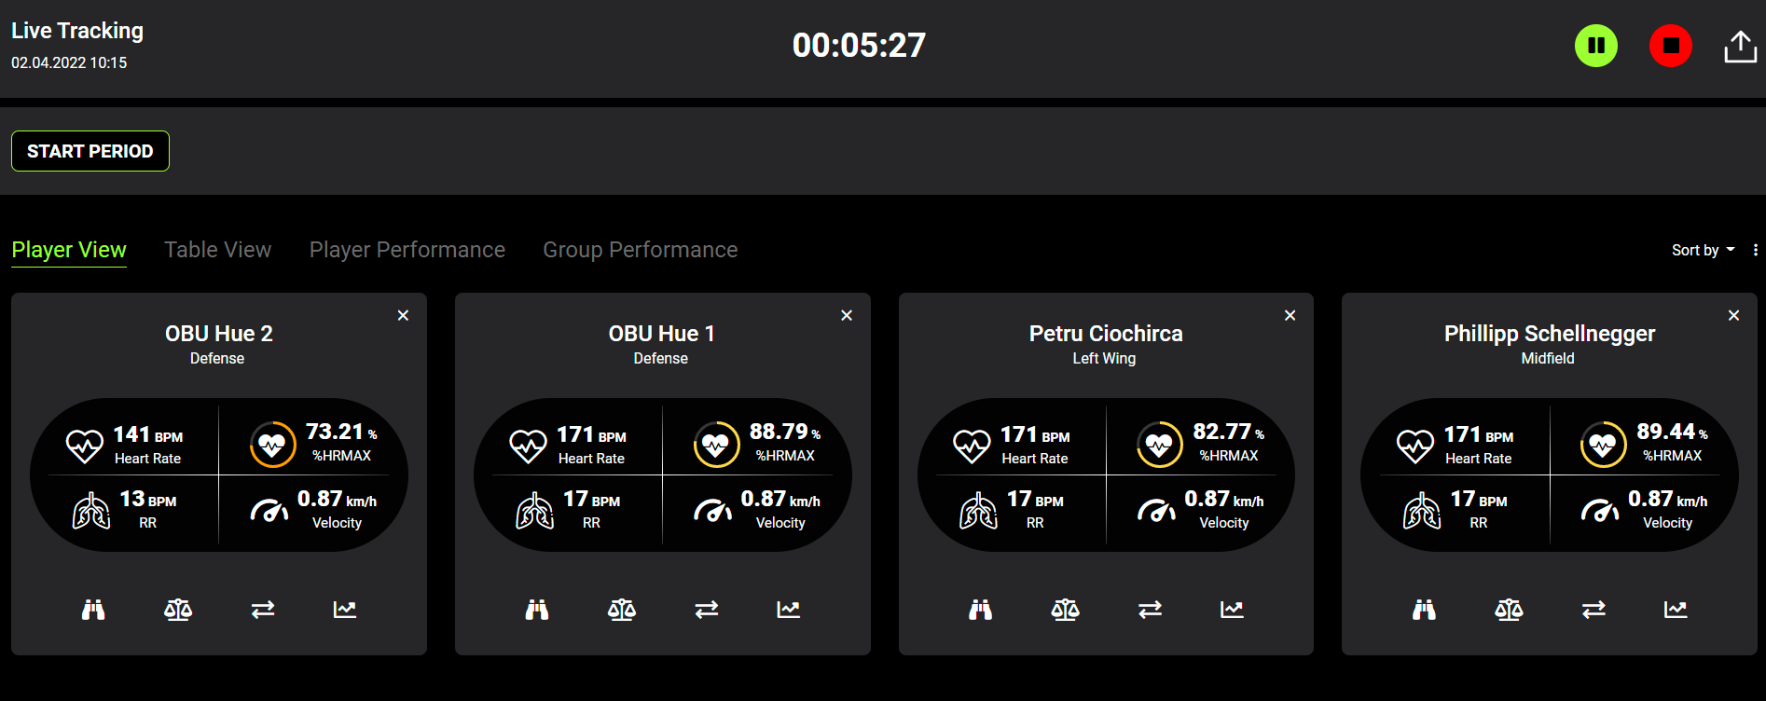
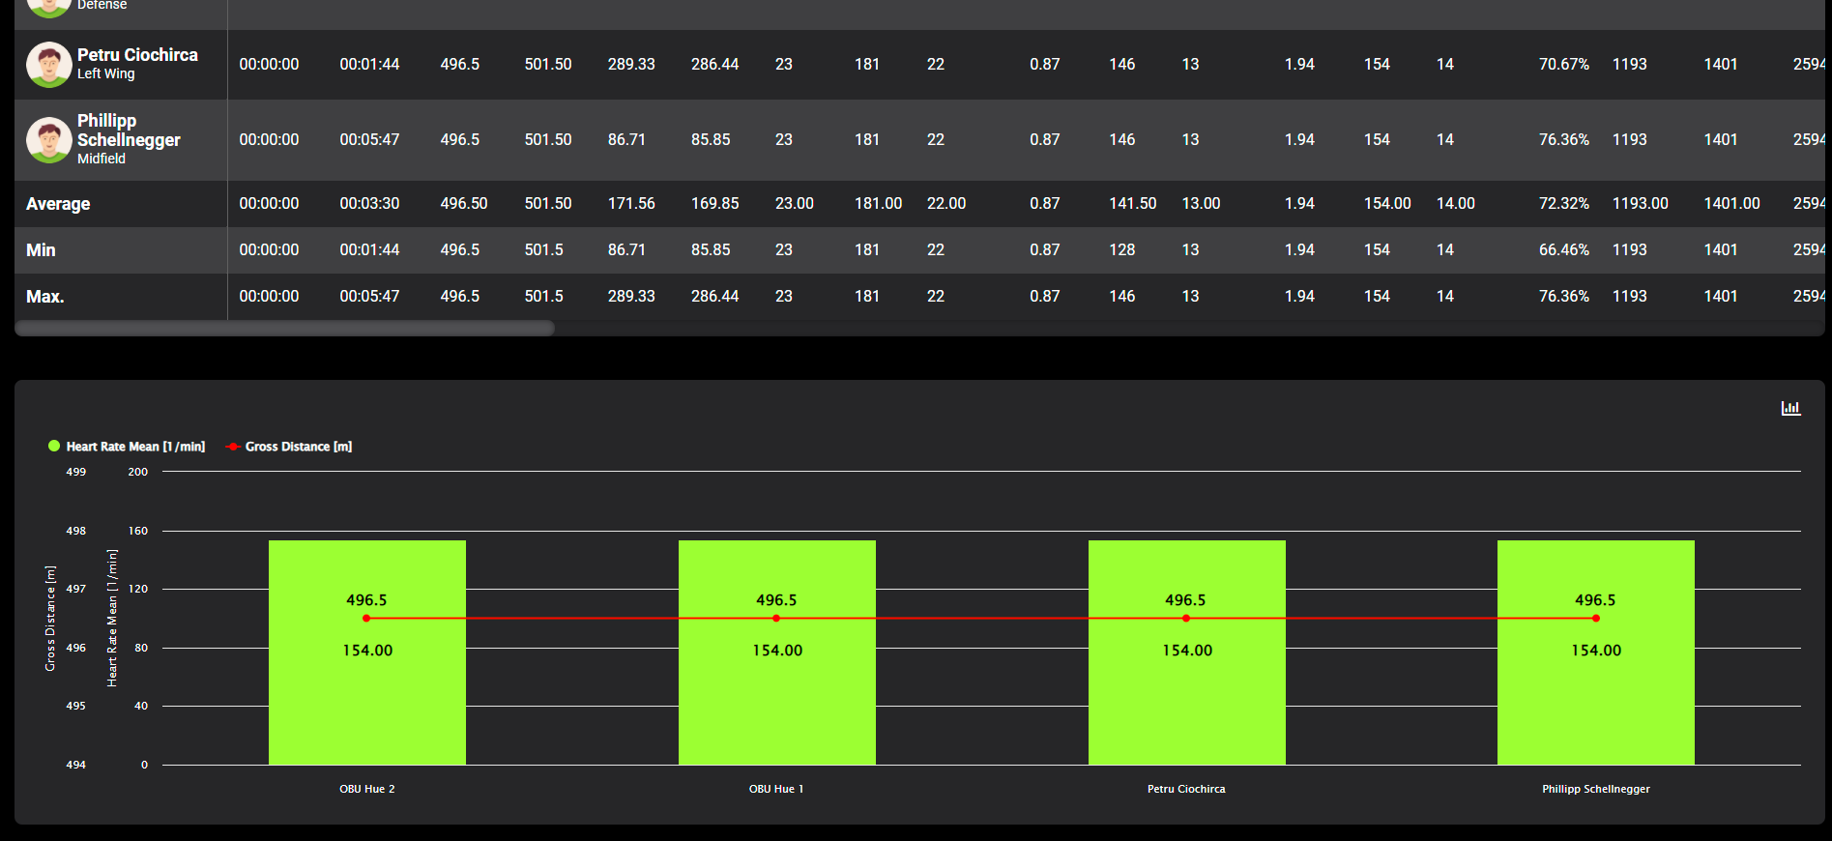
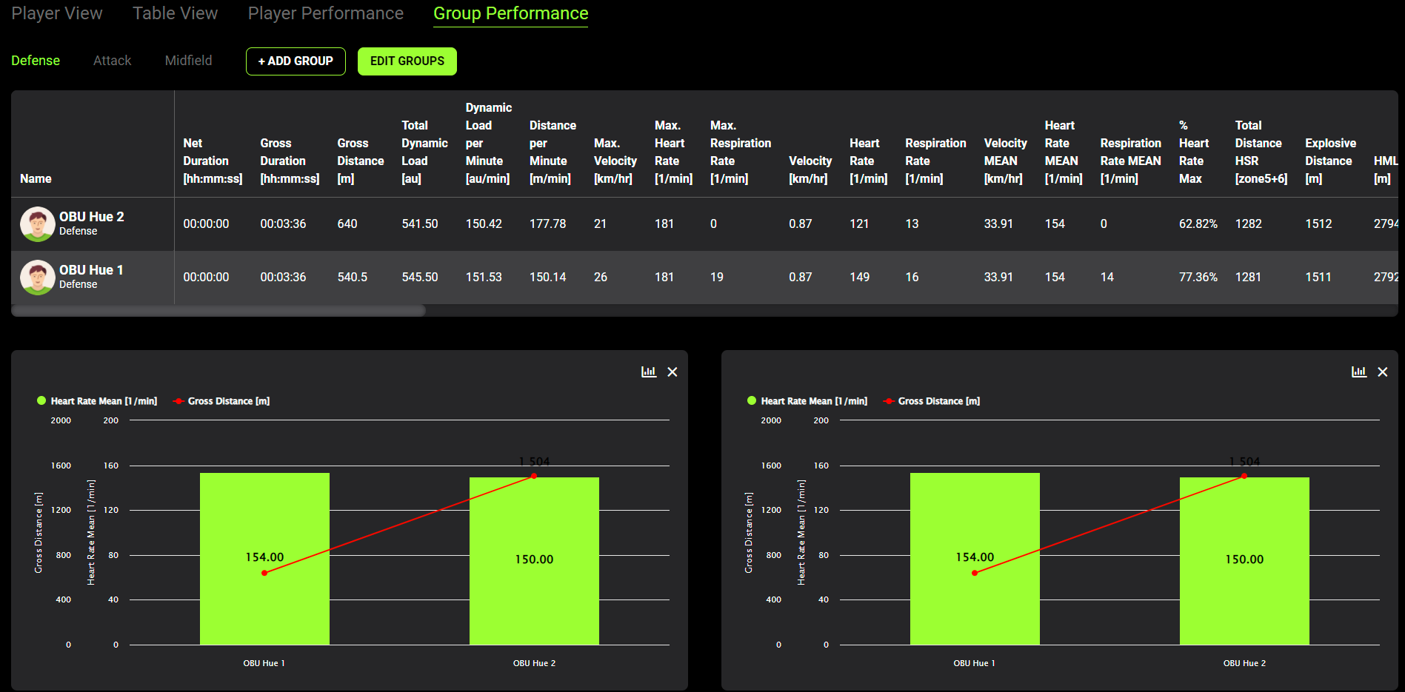
Qus Live Tracking

Base Framework | Laravel
Language server | Node Js
Database | MySQL, MongoDB, LocalStogare (Browser)
Server | AWS (App get data from OBUs)
Front End | HTML5, CSS3, Javascript, Boostrap, HightChart

Screenshots

