n_mix=2
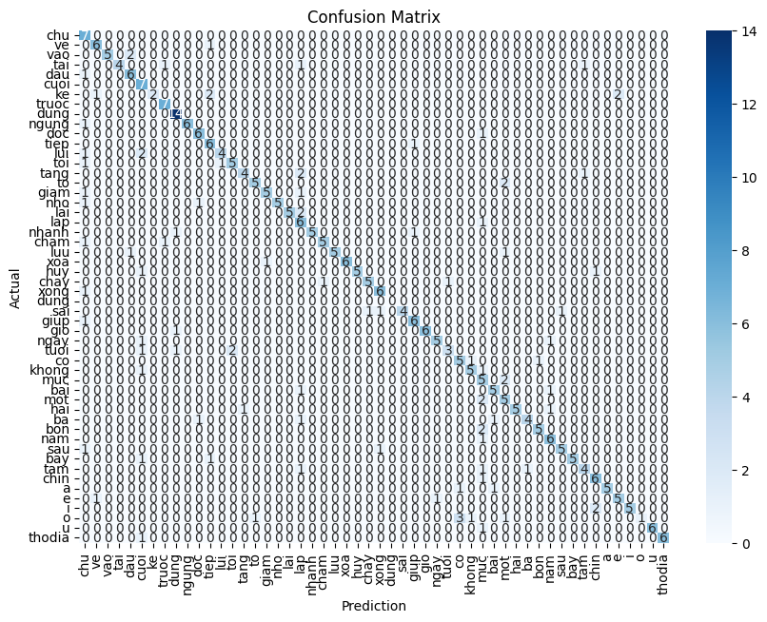


n_mix = 2 | Class | n_state | Accuracy | n_state | Accuracy | n_state | Accuracy
 | chu | 4 | 1.00 | 4 | 0.86 | 4 | 0.86
 | ve | 4 | 0.86 | 4 | 0.86 | 4 | 0.86
 | vao | 4 | 0.71 | 5 | 0.71 | 5 | 0.71
 | tai | 4 | 0.57 | 5 | 0.71 | 5 | 0.71
 | dau | 4 | 0.86 | 5 | 0.86 | 5 | 0.86
 | cuoi | 4 | 1.00 | 5 | 0.86 | 6 | 1.00
 | ke | 2 | 0.29 | 2 | 0.29 | 2 | 0.29
 | truoc | 5 | 1.00 | 6 | 1.00 | 6 | 1.00
 | dung | 5 | 1.00 | 5 | 1.00 | 5 | 1.00
 | ngung | 5 | 0.86 | 5 | 0.86 | 5 | 0.86
 | doc | 5 | 0.86 | 5 | 0.86 | 5 | 0.86
 | tiep | 5 | 0.86 | 6 | 0.71 | 6 | 0.71
 | lui | 4 | 0.57 | 5 | 0.86 | 5 | 0.86
 | toi | 4 | 0.71 | 5 | 0.71 | 5 | 0.71
 | tang | 5 | 0.57 | 5 | 0.57 | 5 | 0.57
 | to | 4 | 0.71 | 4 | 0.71 | 4 | 0.71
 | giam | 5 | 0.71 | 5 | 0.71 | 5 | 0.71
 | nho | 4 | 0.71 | 4 | 0.71 | 4 | 0.71
 | lai | 4 | 0.71 | 5 | 0.57 | 5 | 0.57
 | lap | 5 | 0.86 | 5 | 0.86 | 5 | 0.86
 | nhanh | 5 | 0.71 | 5 | 0.71 | 5 | 0.71
 | cham | 5 | 0.71 | 5 | 0.71 | 5 | 0.71
 | luu | 4 | 0.71 | 5 | 0.71 | 5 | 0.71
 | xoa | 4 | 0.86 | 5 | 0.71 | 5 | 0.71
 | huy | 5 | 0.71 | 5 | 0.71 | 5 | 0.71
 | chay | 5 | 0.71 | 5 | 0.71 | 5 | 0.71
 | xong | 5 | 0.86 | 5 | 0.71 | 5 | 0.71
 | dung | 4 | 1.00 | 5 | 1.00 | 5 | 1.00
 | sai | 4 | 0.57 | 5 | 0.29 | 5 | 0.29
 | giup | 5 | 0.86 | 5 | 0.86 | 5 | 0.86
 | gio | 4 | 0.86 | 4 | 0.86 | 4 | 0.86
 | ngay | 5 | 0.71 | 5 | 0.71 | 5 | 0.71
 | tuoi | 4 | 0.43 | 5 | 0.43 | 6 | 0.57
 | co | 4 | 0.71 | 4 | 0.71 | 4 | 0.71
 | khong | 5 | 0.71 | 5 | 0.71 | 5 | 0.71
 | muc | 5 | 0.71 | 5 | 0.71 | 5 | 0.71
 | bai | 4 | 0.71 | 5 | 0.71 | 5 | 0.71
 | mot | 5 | 0.71 | 5 | 0.71 | 5 | 0.71
 | hai | 4 | 0.71 | 5 | 0.71 | 5 | 0.71
 | ba | 4 | 0.57 | 4 | 0.57 | 4 | 0.57
 | bon | 5 | 0.71 | 5 | 0.71 | 5 | 0.71
 | nam | 5 | 0.86 | 5 | 0.86 | 5 | 0.86
 | sau | 4 | 0.71 | 5 | 0.71 | 5 | 0.71
 | bay | 5 | 0.71 | 5 | 0.71 | 5 | 0.71
 | tam | 5 | 0.57 | 5 | 0.57 | 5 | 0.57
 | chin | 5 | 0.86 | 5 | 0.86 | 5 | 0.86
 | a | 3 | 0.71 | 3 | 0.71 | 3 | 0.71
 | e | 3 | 0.71 | 3 | 0.71 | 3 | 0.71
 | i | 3 | 0.71 | 3 | 0.71 | 3 | 0.71
 | o | 3 | 0.14 | 3 | 0.14 | 3 | 0.14
 | u | 3 | 0.86 | 3 | 0.86 | 3 | 0.86
 | thodia | 6 | 0.86 | 7 | 1.00 | 7 | 1.00
 |  |  | Accuracy: 0.739010989010989 |  | Accuracy: 0.728021978021978 |  | Accuracy: 0.7335164835164835

n_mix=3

Class | n_state | Accuracy | n_state | Error | n_state | Error
chu | 4 | 1.00 | 4 |  | 4
ve | 4 | 0.86 | 4 |  | 4
vao | 4 | 0.71 | 5 |  | 5
tai | 4 | 0.57 | 5 |  | 5
dau | 4 | 0.86 | 5 |  | 5
cuoi | 4 | 1.00 | 5 |  | 6
ke | 2 | 0.43 | 2 |  | 2
truoc | 5 | 1.00 | 6 |  | 6
dung | 5 | 1.00 | 5 |  | 5
ngung | 5 | 0.86 | 5 |  | 5
doc | 5 | 0.86 | 5 |  | 5
tiep | 5 | 0.86 | 6 |  | 6
lui | 4 | 0.86 | 5 |  | 5
toi | 4 | 0.71 | 5 |  | 5
tang | 5 | 0.57 | 5 |  | 5
to | 4 | 0.57 | 4 |  | 4
giam | 5 | 0.71 | 5 |  | 5
nho | 4 | 0.71 | 4 |  | 4
lai | 4 | 0.71 | 5 |  | 5
lap | 5 | 0.86 | 5 |  | 5
nhanh | 5 | 0.71 | 5 |  | 5
cham | 5 | 0.86 | 5 |  | 5
luu | 4 | 0.71 | 5 |  | 5
xoa | 4 | 0.71 | 5 |  | 5
huy | 5 | 0.86 | 5 |  | 5
chay | 5 | 0.29 | 5 |  | 5
xong | 5 | 0.86 | 5 |  | 5
dung | 4 | 1.00 | 5 |  | 5
sai | 4 | 0.57 | 5 |  | 5
giup | 5 | 0.86 | 5 |  | 5
gio | 4 | 0.86 | 4 |  | 4
ngay | 5 | 0.71 | 5 |  | 5
tuoi | 4 | 0.57 | 5 |  | 6
co | 4 | 0.71 | 4 |  | 4
khong | 5 | 0.71 | 5 |  | 5
muc | 5 | 0.57 | 5 |  | 5
bai | 4 | 0.71 | 5 |  | 5
mot | 5 | 0.86 | 5 |  | 5
hai | 4 | 0.86 | 5 |  | 5
ba | 4 | 0.71 | 4 |  | 4
bon | 5 | 0.71 | 5 |  | 5
nam | 5 | 0.71 | 5 |  | 5
sau | 4 | 0.71 | 5 |  | 5
bay | 5 | 0.71 | 5 |  | 5
tam | 5 | 0.71 | 5 |  | 5
chin | 5 | 0.86 | 5 |  | 5
a | 3 | 0.29 | 3 |  | 3
e | 3 | 0.57 | 3 |  | 3
i | 3 | 0.71 | 3 |  | 3
o | 3 | 0.29 | 3 |  | 3
u | 3 | 1.00 | 3 |  | 3
thodia | 6 | 1.00 | 7 |  | 7
 |  | Accuracy: 0.7445054945054945

