Account Receivable Report
Filter |  |  |  |  |  |  |  |  |  | Tỷ giá USD/VND | 23300
Client |  | Key Material |  | From Date |  | To Date | 15/11/2019 | Due Color

Tab General
CLIENT CODE | CLIENT NAME | BEGINNING BALANCE (VND) |  | ARISING BALANCE (VND) |  | ENDING BALANCE (VND) |  | ENDING BALANCE (USD)
 |  | DEBT | CREDIT | DEBT | CREDIT | DEBT | CREDIT | DEBT | CREDIT
MIDORI | MIDORI | 1,000,000.00 | 200,000.00 | 100,000,000.00 | 2,000,000.00 | 98,800,000.00 | - | 4,240.34 | -

Tab Detail
Biểu đồ Chart tương tự nhu Account Payable
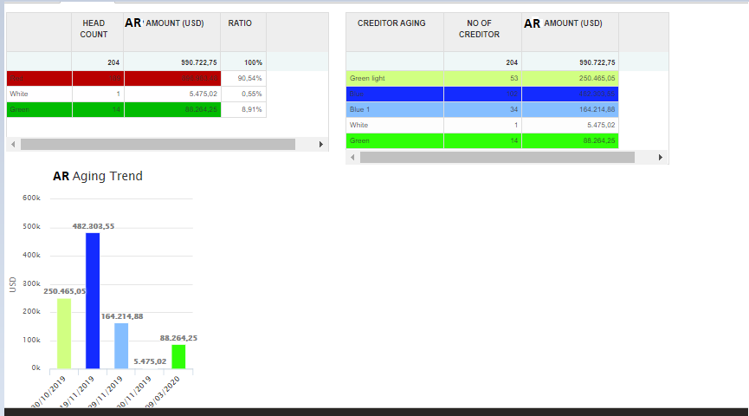

INVOICE DATE | KEY MATERIAL | INVOICE NO | INVOICE CURRENCY | DESCRIPTION | PAYMENT TERM | INVOICE AMOUNT (VND) | BEGINNING BALANCE (VND) | AMOUNT RECEIPT (VND) | AMOUNT TO BE RECEIPT (VND) | AMOUNT TO BE RECEIPT (USD) | DUE DATE | DUE DAYS
MIDORI
15/11/2019 | Cushion | 123456 | VND |  |  | 10,000,000.00 | 0 | 5,000,000.00 | 5,000,000.00 | 214.59 | 30/11/2019 | 15
15/11/2019 |  | BC_1911_001 |  |  |  |  |  | 5,000,000.00

