DARWIN DINING CHAIR _1
 |  |  |  | REPORT DATE: | 14-Dec-15 |  |  | Client art. code
 |  |  |  | VERSION | 1 |  |  | Client art. name
 |  |  |  | CODE: | PAL-36-VHM |  |  | Client order no
 |  |  |  | NAME: |  |  |  | Client EAN code

ORDER No | CLIENT |  |  | ART.CODE | ART.DESCRIPTION |  |  |  | QUANTITY
 | 001091 |  |  | 9304212109AN5A | DARWIN DINING CHAIR / ALU / WICKER HALFROUND 7MM KOBO GREY / STANDARD NATURAL GREY 240 |  |  |  | 0
PICTURE ITEM | PICTURE MATERIAL 2 |  |  | PICTURE SEAT CUSHION | PICTURE BACK CUSHION |  |  | PICTURE LABEL | PICTURES PACKAGING
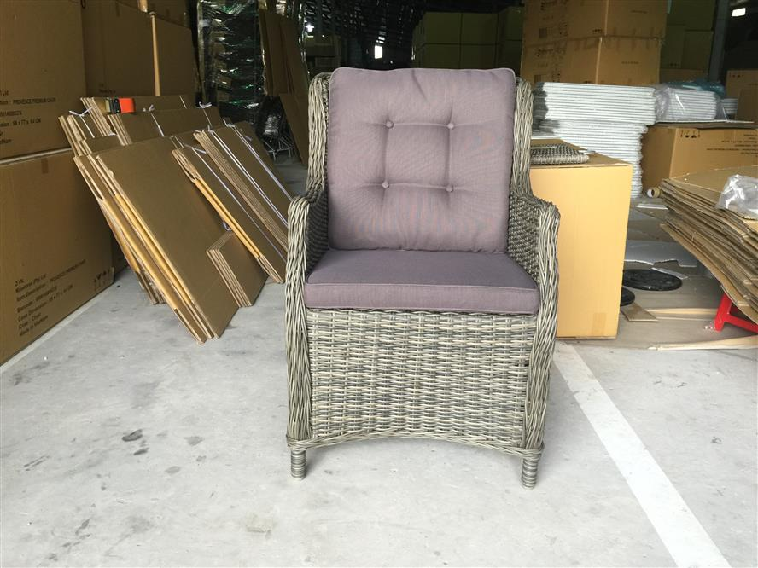 | 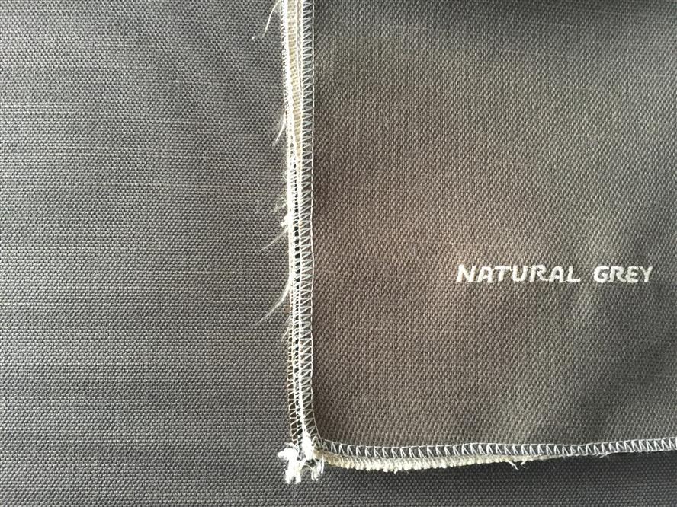 |  |  | 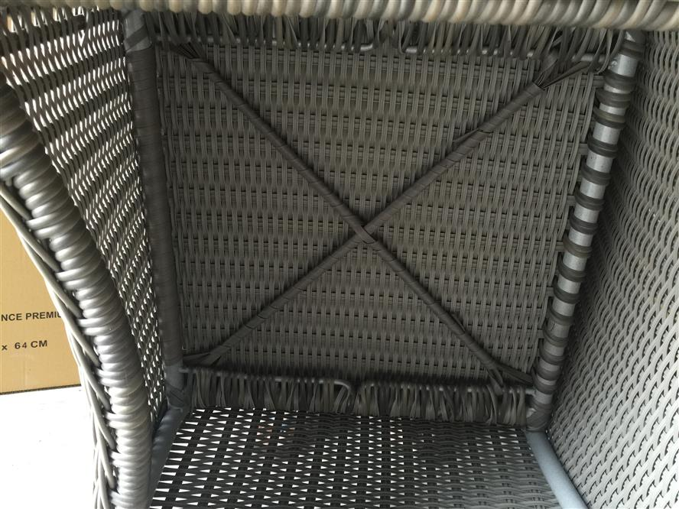 | 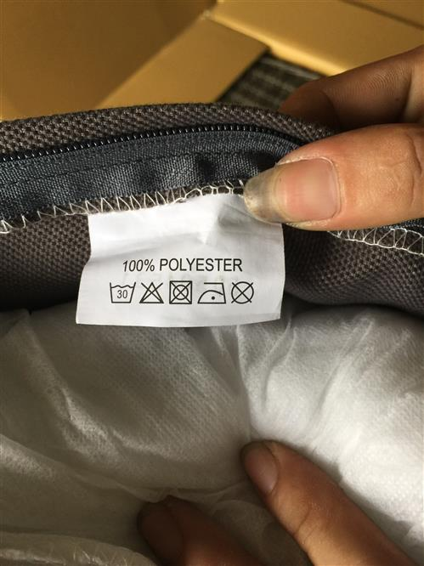 |  |  | 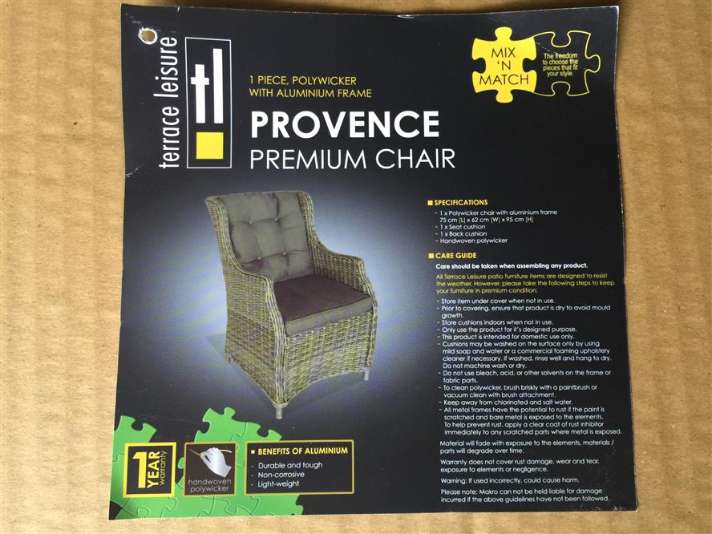 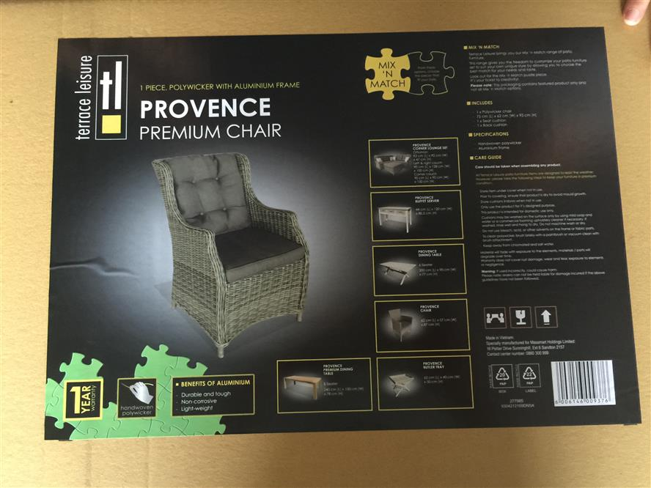 | 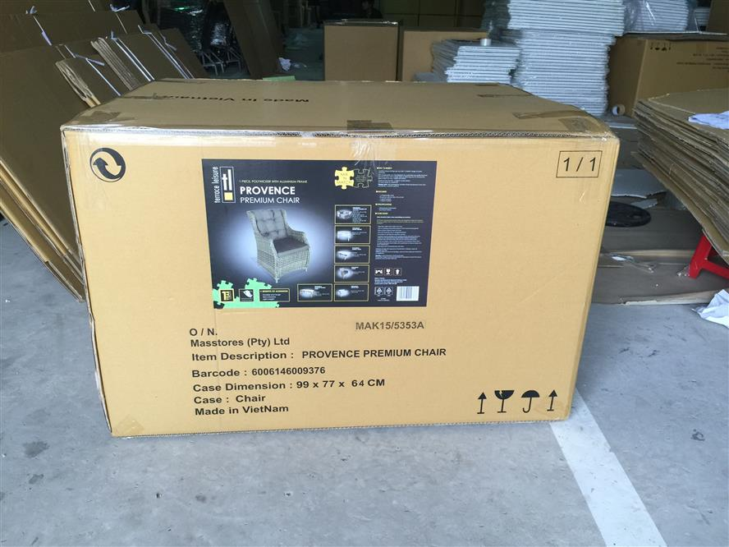

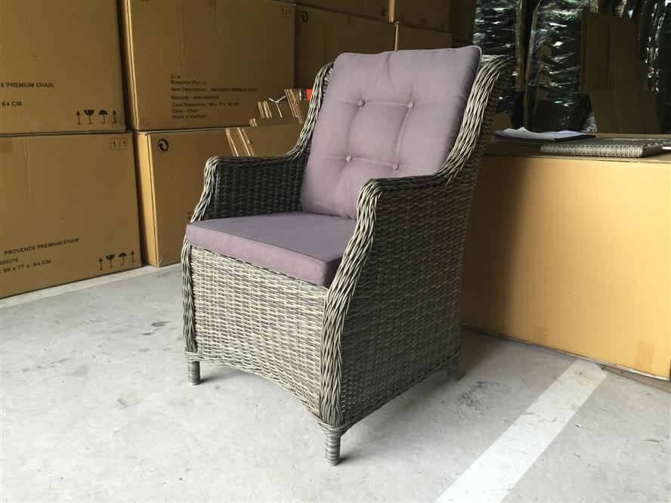 | 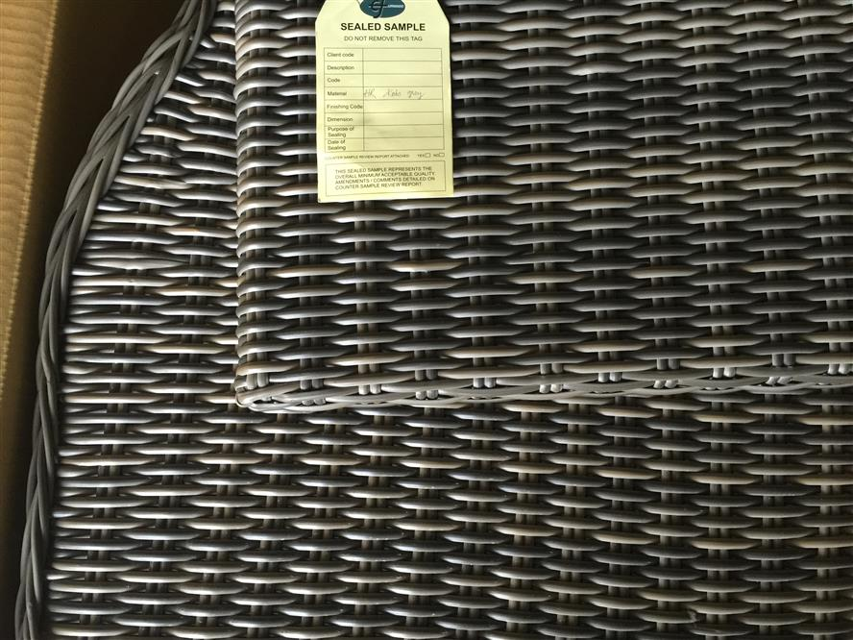 |  |  |  | 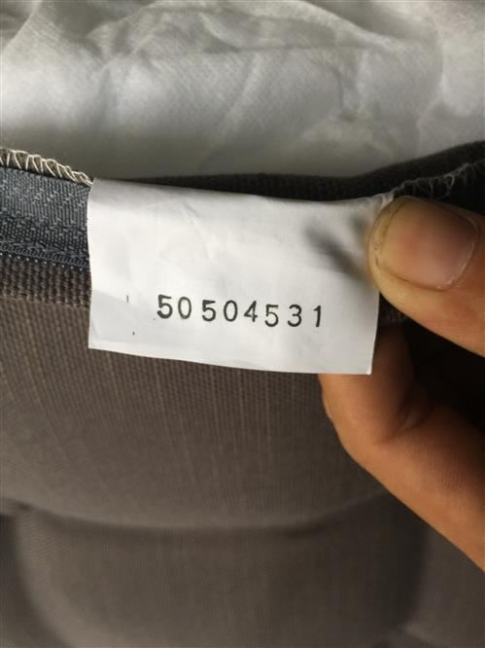 |  |  | 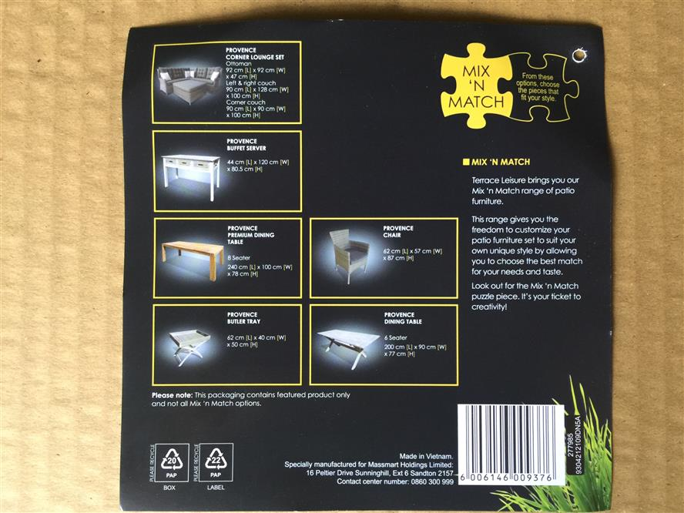 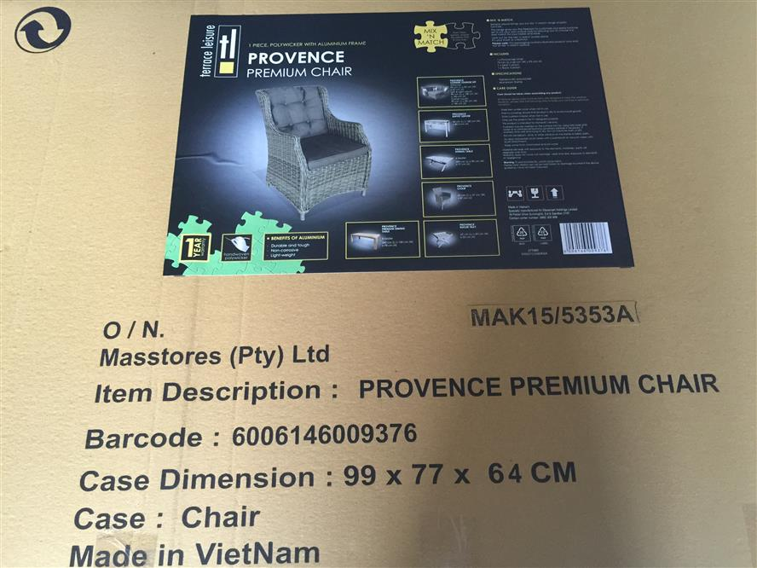 | 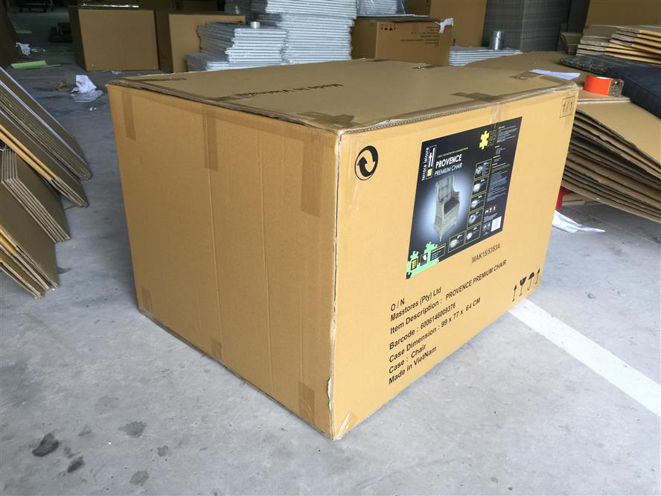

MATERIAL 1: | WICKER |  |  | COLOUR CUSHION: | NATURAL GREY 240 |  |  |  | L | W | H
WEIGHT MATERIAL 1 (KG): | 2.4 |  |  | FABRIC WEIGHT M2: | 240 |  |  | BOX SIZE (CM): | 74 | 68 | 97
FINISHING: | KOBO GREY |  |  | CUSHION BATCH CODE:
TYPE LEGS: |  |  |  | SEAT CUSHION STUFFING: | N/A |  |  | QNT BOX: | 1
NETT. WEIGHT (KG): | 10 |  |  | SEAT CUSHION WEIGHT (KG): | 0.7 |  |  | CARTON THICKNESS:
 |  |  |  | SEAT CUSHION PARTS: | 0.7 |  |  | GROSS WEIGHT (KG):
 | L | W | H | SEAT CUSHION FINISHING: | N/A
OVERALL DIMENSION (CM): | 75 | 63 | 95
SEAT DIMENSION (CM NO CUSHION): | 53 | 57 | 44 | BACK CUSHION TYPE: | BACK CUSHION
ARM DIMENSION (CM): | N/A | 5 |  | BACK CUSHION STUFFING: | N/A
OTHERS: | N/A | N/A | N/A | BACK CUSHION WEIGHT (KG): | 0.6
 |  |  |  | BACK CUSHION PARTS: | 1
MATERIAL 2: | ALU |  |  | BACK CUSHION FINISHING: | N/A
COLOR MATERIAL 2:
 |  |  |  |  | L | W | H
 |  |  |  | SEAT CUSION DIMENSION (CM): | 51 | 51 | 5
 |  |  |  | BACK CUSION DIMENSION (CM): | 52 | 57 | 4

RATING | COMMENTS |  |  | SIGNATURE EUROFAR: |  |  |  | CONFIRMED BY:

RATED BY | RATED DATE

 |  |  |  |  |  |  |  | DATE:

