Guide to using the toolkit
Guide to using this toolkit
How should we use this toolkit?
The toolkit follows four stages of the AI lifecycle:
- Business requirements and design
- Data acquisition and preparation
- Training and testing
- Deployment and monitoring
We have also included a section on procurement.
We recognise that the development of an AI system is an iterative process and that each stage does not necessarily flow into the other like a waterfall. Often it will take many iterations before you deploy your AI system, as illustrated below. Therefore, this toolkit can keep being referred to no matter how many times you iterate.
There is no set way to use the toolkit. Instead, we have designed the toolkit to be flexible; for instance, you may want to use the filter feature to look at a particular risk domain area.
The toolkit can also be divided up by risk statement and risk domain areas. Each risk addresses a key part of data protection law. For each area, we provide some examples of practical steps you could take to help you mitigate the risk and demonstrate how you have complied with the law. The ordering of the risk statements and practical steps are not organised in any particular way though we have tried to apply a logical flow.
We have included a 'Glossary' tab, which acts as a quick reference point for concepts and measures included in the toolkit.
Why should we use this toolkit?
The Toolkit has been created in parallel with and reflects the auditing framework that our internal assurance and investigation teams are developing. This framework gives us a clear methodology to audit AI applications and ensure they process personal data in compliance with the law. Therefore, if you follow this toolkit, then you can have high assurance that you are complying with the data protection legislation. Although, there is no penalty if you don’t follow the toolkit if you find another way of complying.
It is also worth noting that if you identify a residual high risk that you cannot mitigate, then you must consult with the ICO before you start processing.
Who is this toolkit for?
This toolkit covers best practices for data protection-compliant AI. There are two broad audiences.
First, those with a compliance focus, including:
- data protection officers (DPOs);
- general counsel;
- risk managers;
- senior management; and
- the ICO's own auditors – in other words, we will use this toolkit as a basis to inform our audit functions under the data protection legislation.
Second, technology specialists, including:
- machine-learning developers and data scientists;
- software developers/engineers; and
- cybersecurity and IT risk managers.
Auditing AI applications is a complex job, which cannot be delegated to the data science team. Your organisation, as the data controller, has overall accountability for complying with data protection law. We encourage diverse, well-resourced teams to support carrying out internal audits of your AI application.

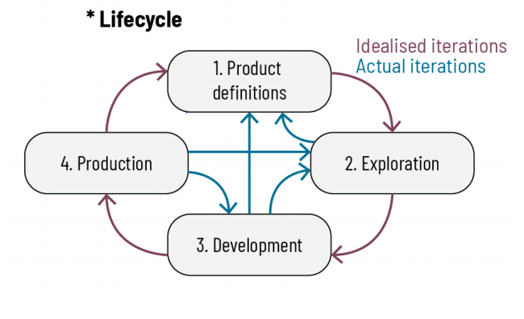

This diagram is taken for "Organisation Best Practices" from The Foundation for Best Practices in Machine Learning

