ADOBE
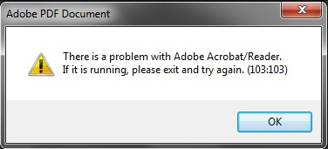

'there is a problem with adobe acrobat/reader. if it is running please exit and try again. (103.103)
 | 1) Launch Adobe Reader

 | 2) Open "Edit -> Preferences" and select "Security (Enhanced)"

 | 3) Untick (uncheck) the setting "Enable Protected Mode at startup"

 | 4) Try to Relaunch PDF now and see if this fixes your issue ?

Add Role Admin
